Dashboard Requirement hints
Need Call center performance dashboard
Problem Statement: Refer the first sheet
Total Calls | 1772
Calls Answered | 1445
Avg Speed of Answer | 67.2
Abandon Rate | 17.9%
Avg Call/Min | 0.109
Satisfaction Overall | 3.45
Calls of Less than 180 Seconds | 1455
% Calls of Less than 180 Seconds | 82.1%
Satisfaction less than equal to 3 | 724

Need report similar to the below
Agent Name | Total calls | Calls answered | Avg Speed of Answer | Calls resolved | Avg rating
Diane | 222 | 185 | 63.93 | 168 | 3.42
Becky | 216 | 177 | 64.35 | 154 | 3.38
Stewart | 230 | 186 | 66.24 | 163 | 3.48
Greg | 208 | 173 | 67.19 | 155 | 3.52
Jim | 228 | 187 | 66.66 | 173 | 3.43
Joe | 221 | 186 | 71.15 | 169 | 3.35
Martha | 220 | 171 | 71.45 | 152 | 3.54
Dan | 227 | 190 | 66.95 | 177 | 3.48

Share Performance Report thru dashboard
Use appropriate slicers
Share additional visuals that creates value
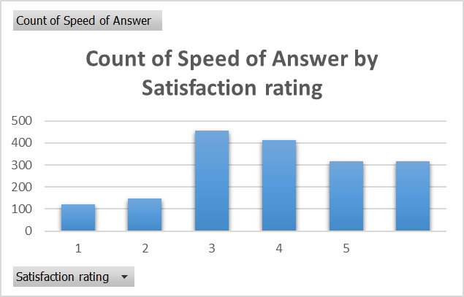
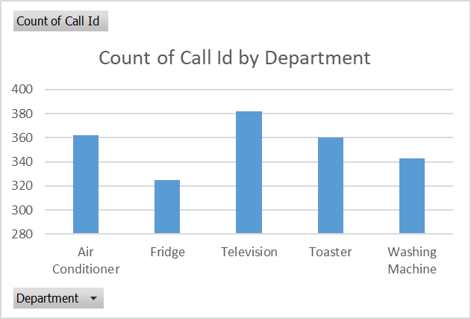
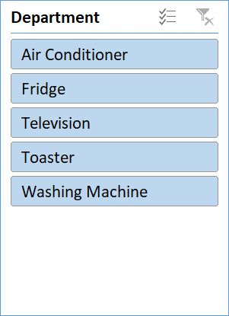
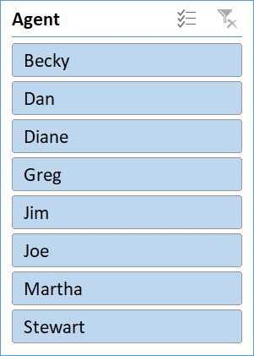

Avg Rating by Agent

