Plattenwärmeübertrager
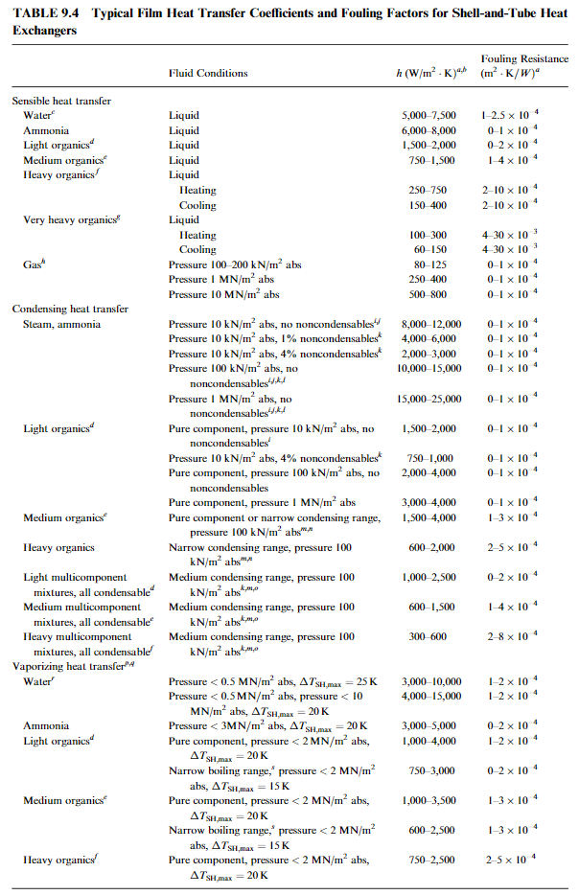
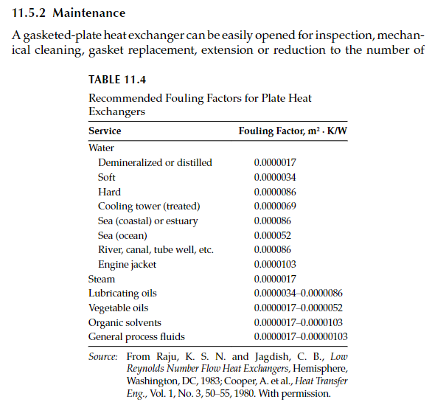
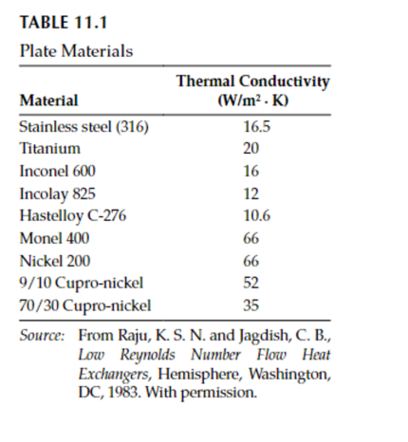
Parameters | Symbol | Value | Dimensions
Flow Condition | fc | counterflow | - |  | counter-current
Medium | m | water | -
Chevron Angle | beta | 45.0 | ° |  | 45.0
No. of plates | Nt | 22.0 | - |  | 22.0
No. Of passes | Np | 1.0 | - |  | 1.0
Plate Thickness | s | 0.0006 | m |  | 0.006
Horizontal plate width | Lw | 0.1190 | m |  | 1.190
Vertical port length | Lv | 0.2430 | m |  | 2.430
Horizontal port width | Lh | 0.0720 | m |  | 0.720
compressed plate length | Lc | 0.0533 | m |  | 0.533
Port diameters | Dp | 0.0240 | m |  | 0.240
thermal Conductivity plate (Stainless Steel) | k_steel | 16.5 | W /mK |  | 16.500
Allowable pressure drop primary circuit | PD_Design_prim | 15.0 | kPa |  | 15.0
Allowable pressure drop secondary circuit | PD_Design_sec | 15.0 | kPa |  | 15.0
Heating load | Q | 43000.0 | W |  | 43000.00
Total effective area | A_tot | 0.62 | m2 |  | 0.620
Inlet Temperature primary circuit | T1 | 393.15 | K | 120 | 393.15 | 363.15
Outlet Temperature primary circuit | T2 | 333.15 | K | 60 | 333.15
Inlet Temperature secondary circuit | t1 | 328.15 | K | 55 | 328.15
Outlet Temperature secondary circuit | t2 | 343.15 | K | 70 | 343.15

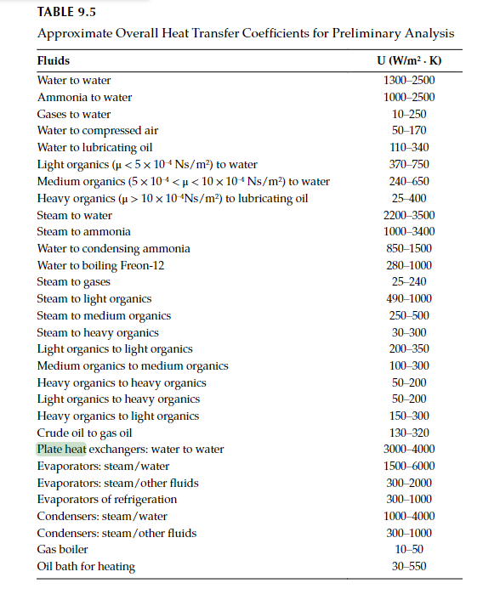
L.Wang

Vergleich Methodiken
 |  | Ergebnis Wärmeübertrager Swep | Ergebis Rechnung Paper | Ergebis Rechnung Paper | Ergebis Rechnung paper Reich TU Graz | Ergebnis Wärmeübertrager Swep | Ergebnis Wärmeübertrager Swep | Ergebis Rechnung buch L.Wang | Ergebis Rechnung buch Kacak | Ergebis Rechnung buch Kacak version 2 aus paper | Ergebis Rechnung buch Thulkunam | Ergebis Rechnung buch Sekulölic | Ergebis Rechnung buch Hesselgreaves

 | Dimensions | Wert | Wert | Wert | Wert |  |  | Wert | Wert | Wert | Wert | Wert | Wert
Compressed length | m |  | 0.05528 | 0.05328 | 0.05528 | compressed plate length | ? | 0.05528 | 0.05528 | 0.05528 | 0.05528 | 0.05528
Heat load | kW | 44.78 | 41.976 | 43.73 |  | Pitch | ? | 0.00251 | 0.00251 | 0.00251 | 0.00251 | 0.00251
Inlet temperature primary | K | 120.00 | 120.000 | 120.00 |  | mean channel spacing | ? | 0.00191 | 0.00191 | 0.00191 | 0.00191 | 0.00191
Outlet temperature primary | K | 330.65 | 330.650 | 330.65 |  | channel flow Area | ? | 0.0002276 | 0.0002276 | 0.0002276 | 0.0002276 | 0.0002276
Inlet temperature secondary | K | 328.15 | 328.150 | 328.15 |  | enlargment factor | ? | 1.18952 | 1.18952 | 1.18952 | 1.18952 | 1.18952
Outlet temperature secondary | K | 343.77 | 343.770 | 343.77 |  | hydraulic diameter | ? | 0.00322 | 0.00322 | 0.00322 | 0.00322 | 0.00322
Mean temperature difference | K | 15.78 | 15.780 | 15.78 |  | flow channel velocity hot streams | 0.078 | 0.07084 | 0.07084 | 0.07084 | 0.07084 | 0.07084
Re primary |  | 944.40 | 690.00 | 690.00 | 710 | flow channel velocity cold streams | 0.281 | 0.28023 | 0.28023 | 0.28023 | 0.28023 | 0.28023
Re secondary |  | 2461.00 | 1974.83 | 1974.83 | 2800 | mass velocity per channel hot streams | ? | 68.44310 | 68.44310 | 68.44310 | 68.44310 | 68.44310
Nu primary |  |  | 35.35 | 35.35 | 15.270145026 | mass velocity per channel cold streams | ? | 275.10300 | 275.10300 | 275.10300 | 275.10300 | 275.10300
Nu secondary |  |  | 80.38 | 80.38 | 30.324454909 | port area |  | 0.00045 | 0.00045 | 0.00045 | 0.00045 | 0.00045
Film coefficient primary | W/m²,°C | 7490.00 | 7415.500 | 7785.00 | 3100.3021719 | mass velocity per port hot streams |  | 361.58200 | 361.58200 | 361.58200 | 361.58200 | 361.58200
Film coefficient secondary | W/m²,°C | 16900.00 | 16422.800 | 17242.3 | 6156.7832693 | mass velocity per port cold streams |  | 1453.36000 | 1453.36000 | 1453.36000 | 1453.36000 | 1453.36000
O.H.T.C. (available | W/m²,°C | 4600.00 | 4308.000 | 4488 |  | port channel velocity hot streams | 0.39 | 0.37423 | 0.37423 | 0.37423 | 0.37423 | 0.37423
O.H.T.C. fouled | W/m²,°C |  | 3675.000 | 3805 |  | port channel velocity hot streams | 1.54 | 1.48045 | 1.48045 | 1.48045 | 1.48045 | 1.48045
friction factor prim |  |  | 0.3347 | 0.3347 |  | Prandl No hot streams |  | 1.98890 | 1.98890 | 1.98890 | 1.98890 | 1.98890
friction factor sec |  |  | 0.1979 | 0.1979 |  | Prandl No cold streams |  | 2.85505 | 2.85505 | 2.85505 | 2.85505 | 2.85505
Pressure drop - total* primary | kPa | 1.28 | 0.330 | 0.368 |  | Reynolds No hot streams | 944.40 | 690.00500 | 690.00500 | 690.00500 | 690.00500 | 690.00500
- in ports primary | kPa | 0.07 | 0.0947 | 0.094 |  | Reynolds No cold streams | 2461.00 | 1974.83000 | 1974.83000 | 1974.83000 | 1974.83000 | 1974.83000
- in channels primary | kPa | 1.21 | 0.236 | 0.273 |  | Nusselt No hot streams |  | 29.45960 | 29.45960 | 11.51810 | 36.72630 | 53.46650
Pressure drop - total* secondary | kPa | 14.70 | 3.853 | 4.22 |  | Nusselt No cold streams |  | 66.99050 | 66.99050 | 28.79490 | 83.51480 | 111.34200
- in ports secondary | kPa | 1.11 | 1.506 | 1.506 |  | heat transfer coeff hot streams | 7490.00 | 6179.61000 | 6179.61000 | 2416.10000 | 7703.91000 | 11215.40000
- in channels secondary | kPa | 13.59 | 2.346 | 2.716 |  | heat transfer coeff cold streams | 16900.00 | 13685.70000 | 13685.70000 | 5882.60000 | 17061.50000 | 22746.40000
Channel velocity primary | m/s | 0.078 | 0.071 | 0.0744 | 0.071 | clean heat transfer coeff | 4600.00 | 3686.56000 | 3686.56000 | 1612.26000 | 4448.81000 | 5900.07000
Channel velocity secondary | m/s | 0.281 | 0.280 | 0.29 | 0.28 | fouled heat transfer coeff |  | 3212.80000 | 3212.80000 | 1514.59000 | 3776.73000 | 4773.51000
Port velocity primary | m/s | 0.39 | 0.374 | 0.3742 | 0.37 | heat duties cleaned | 44780.00 | 35917.90000 | 35917.90000 | 15708.10000 | 43344.30000 | 57483.90000
Port velocity secondary | m/s | 1.54 | 1.480 | 1.48 | 1.48 | heat duties fouled |  | 31302.00000 | 31302.00000 | 14756.50000 | 36796.30000 | 46507.90000
 |  |  |  |  |  | Reserve | 0.00 | -16.47000 | -16.47000 | -63.46940 | 0.80080 | 33.68340
Reserve | % | 4.14 | -2.38 | 1.69 |  | pressure drop port hot stream | 0.07 | 101.48600 | 94.72060 | 94.72060 | 101.48600 | 101.48600
 |  |  |  |  |  | pressure drop channel hot stream | 1.21 | 3004.14000 | 2.74648 | 72.54160 | 274.64800 | 491.77000
 |  |  |  |  |  | total pressure drop hot stream | 1.28 | 3105.62000 | 3.69369 | 167.26200 | 376.13500 | 593.25600
 |  |  |  |  |  | pressure drop port cold stream | 1.11 | 1613.71000 | 15.06130 | 1506.13000 | 1613.71000 | 1613.71000
 |  |  |  |  |  | pressure drop channel cold stream | 13.59 | 62131.00000 | 3516.58000 | 822.87600 | 3516.58000 | 6011.89000
 |  |  |  |  |  | total pressure drop cold stream | 14.70 | 63744.70000 | 5022.71000 | 2329.01000 | 5130.29000 | 7625.61000
 |  |  |  |  |  | NTU |  | 0.83028 | 0.83028 | 0.36311 | 1.00195 | 1.32881
 |  |  |  |  |  | Verhältnis der Wärmekapazitätsströme R |  | 4.00128 | 4.00128 | 4.00128 | 4.00128 | 4.00128
 |  |  |  |  |  | Heat duty new |  | 41885.6 | 41885.6 | 32404.8 | 43041.1 | 44095.4

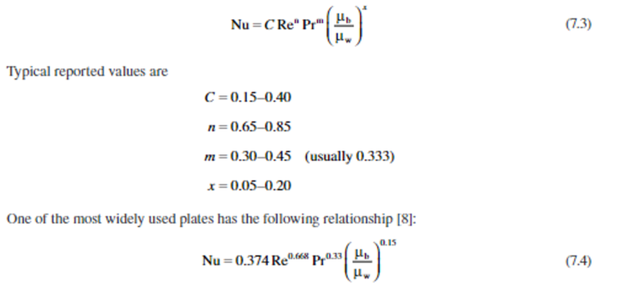

 |  |  |  |  |  |  |  | The pressure drop in the manifolds and ports should be kept as low as
 |  |  |  |  |  |  |  | possible (generally <10%, but may be as high as 25 to 30% or higher in some designs).

Kacak Methods
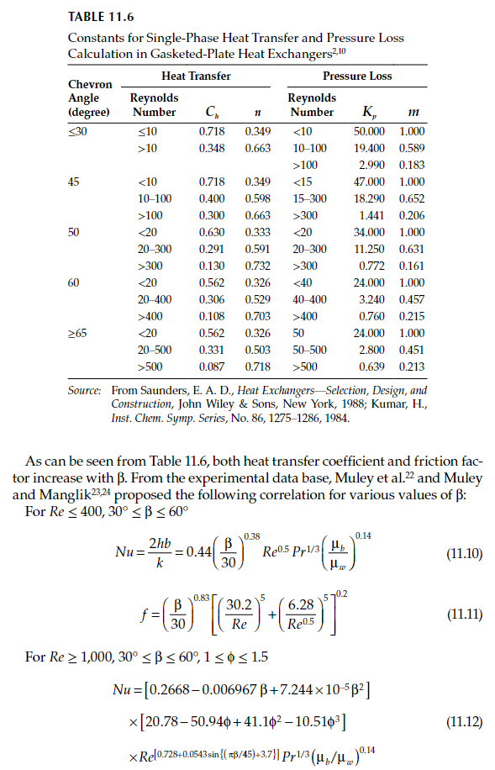
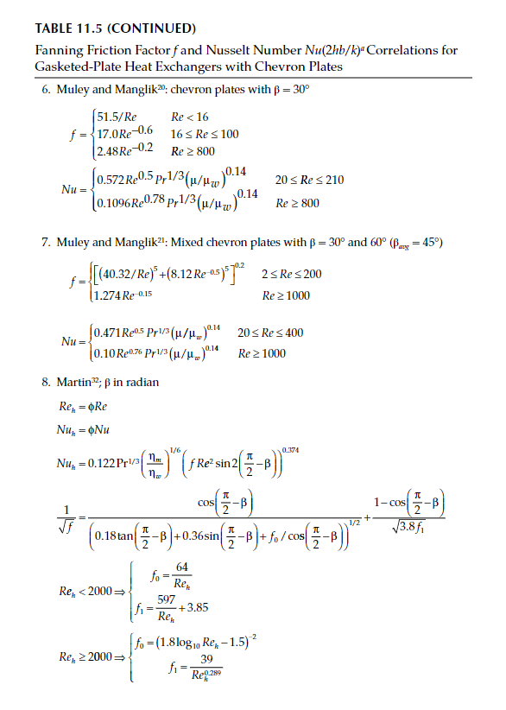
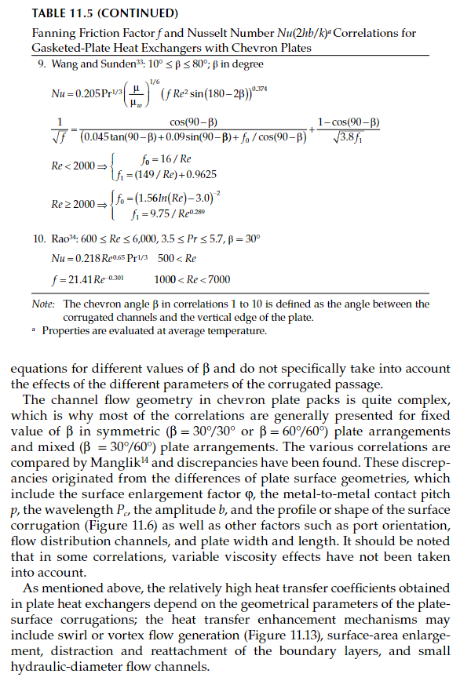
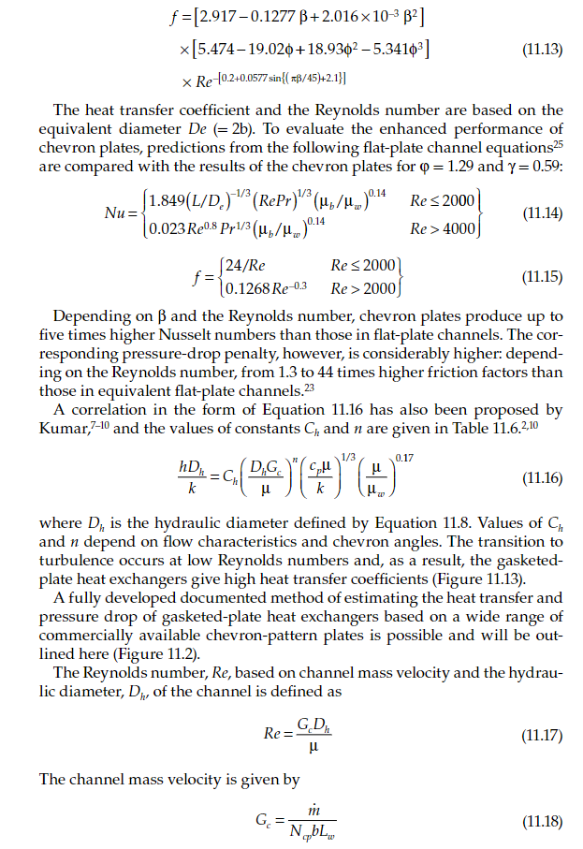
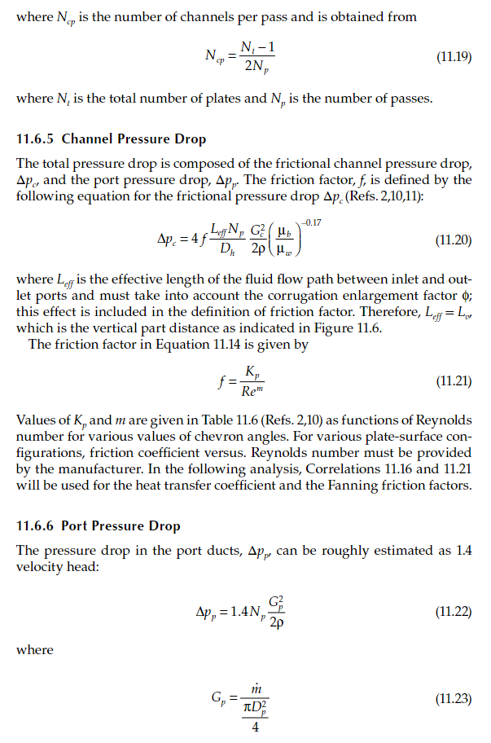
 | Dimensions | Wert | Wert | Wert
Compressed length | m |  | 0.05528 | 0.05328
Heat load | kW | 44.78 | 41.976 | 43.73
Inlet temperature primary | K | 120.00 | 120.000 | 120.00
Outlet temperature primary | K | 330.65 | 330.650 | 330.65
Inlet temperature secondary | K | 328.15 | 328.150 | 328.15
Outlet temperature secondary | K | 343.77 | 343.770 | 343.77
Mean temperature difference | K | 15.78 | 15.780 | 15.78
Re primary |  | 944.40 | 690.00 | 690.00
Re secondary |  | 2461.00 | 1974.83 | 1974.83
Nu primary |  |  | 35.35 | 35.35
Nu secondary |  |  | 80.38 | 80.38
Film coefficient primary | W/m²,°C | 7490.00 | 7415.500 | 7785.00
Film coefficient secondary | W/m²,°C | 16900.00 | 16422.800 | 17242.3
O.H.T.C. (available | W/m²,°C | 4600.00 | 4308.000 | 4488
O.H.T.C. fouled | W/m²,°C |  | 3675.000 | 3805
friction factor prim |  |  | 0.3347 | 0.3347
friction factor sec |  |  | 0.1979 | 0.1979
Pressure drop - total* primary | kPa | 1.28 | 0.330 | 0.368
- in ports primary | kPa | 0.07 | 0.0947 | 0.094
- in channels primary | kPa | 1.21 | 0.236 | 0.273
Pressure drop - total* secondary | kPa | 14.70 | 3.853 | 4.22
- in ports secondary | kPa | 1.11 | 1.506 | 1.506
- in channels secondary | kPa | 13.59 | 2.346 | 2.716
Channel velocity primary | m/s | 0.078 | 0.071 | 0.0744
Channel velocity secondary | m/s | 0.281 | 0.280 | 0.29
Port velocity primary | m/s | 0.39 | 0.374 | 0.3742
Port velocity secondary | m/s | 1.54 | 1.480 | 1.48

Reserve | % | 4.14 | -2.38 | 1.69

