Sheet1
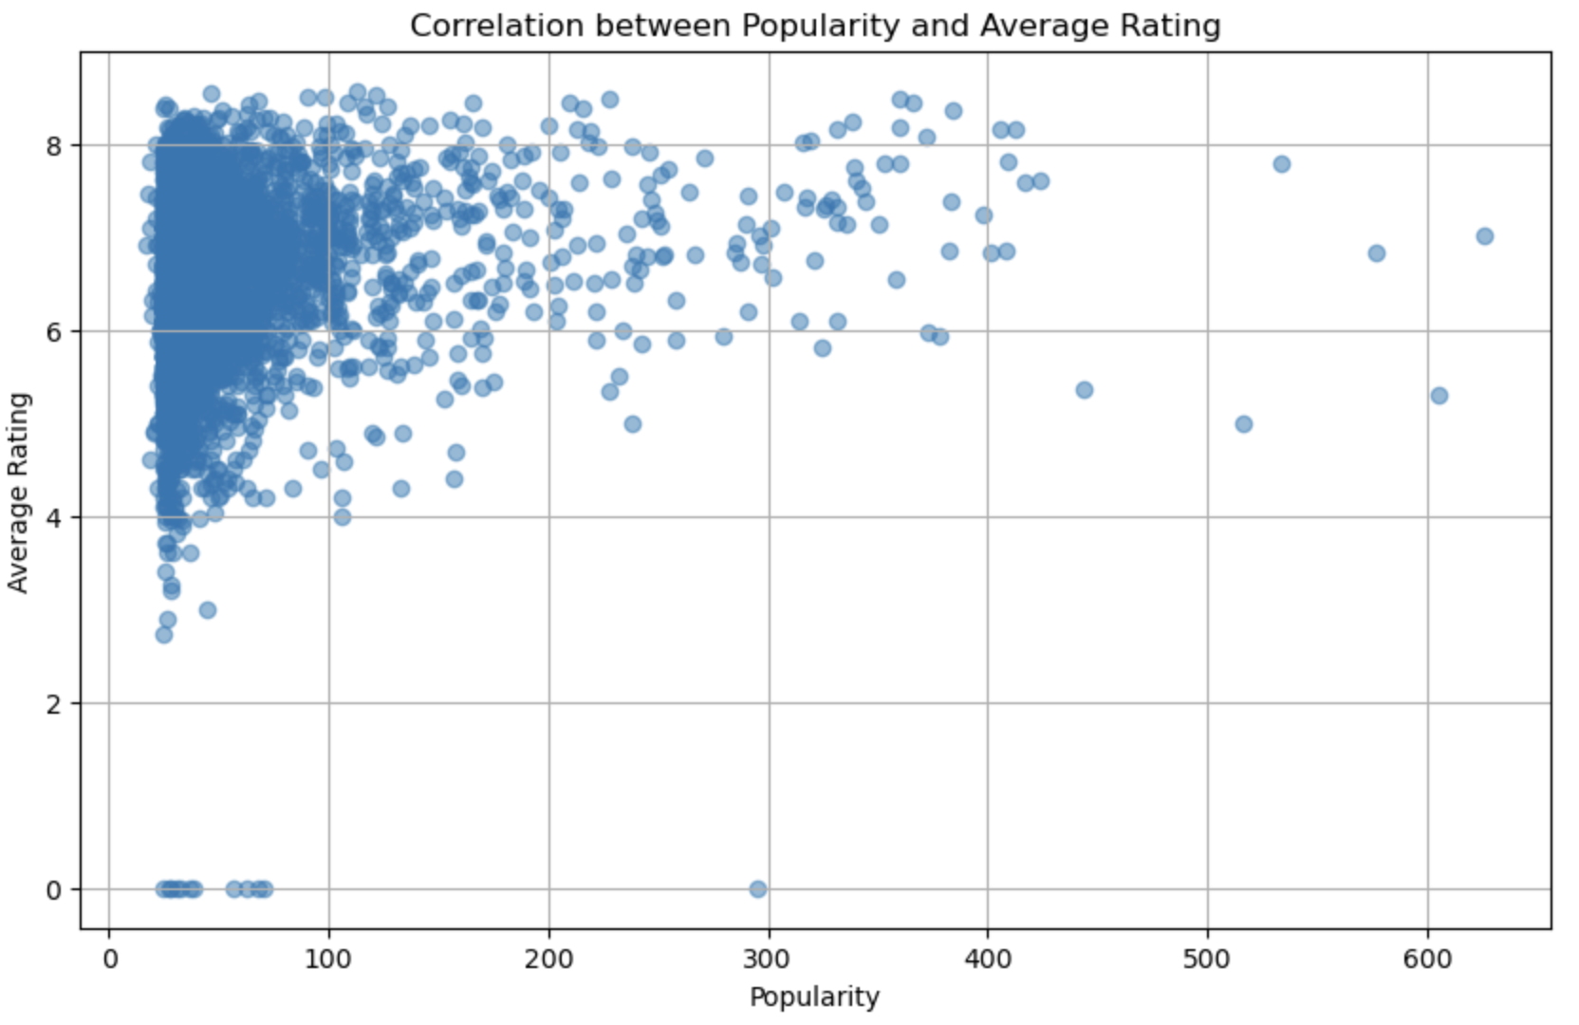
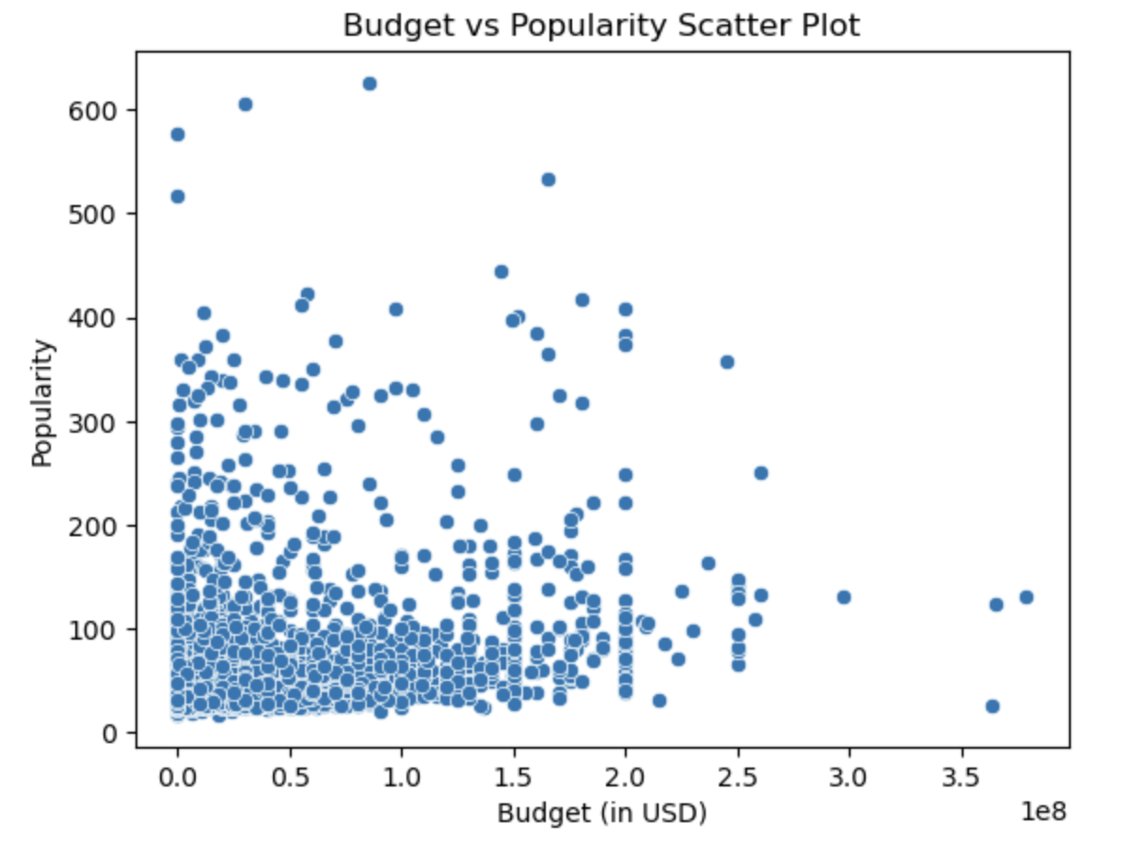
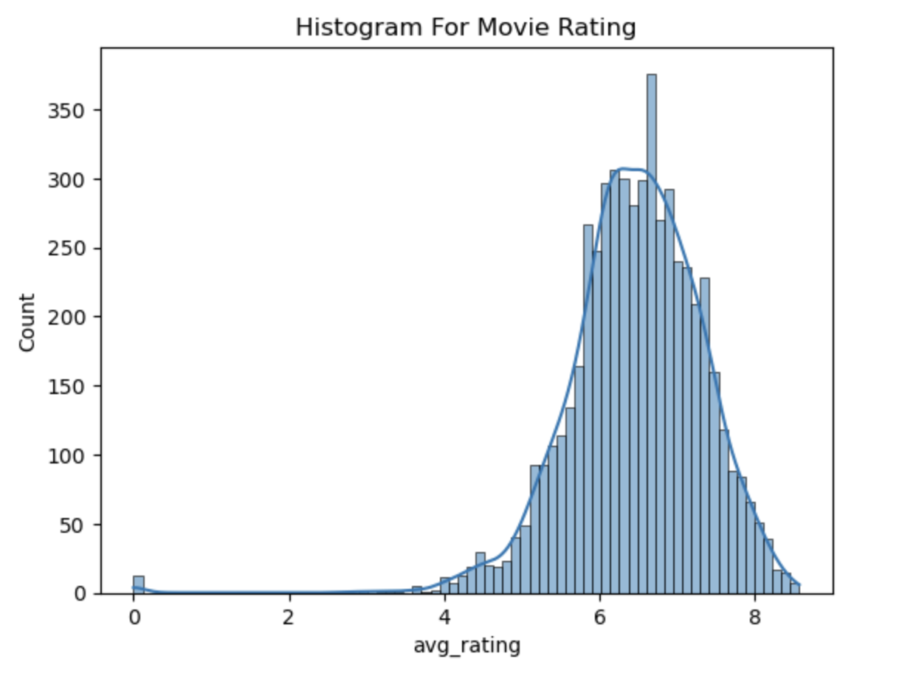
Data Set profile
Name | Movie Dataset
Size | 5.89MB
Numer of records | 5449
Number of updates | Once
Number of fields | 16
Extraction method | CSV

Data Dictionary - Column Information
Column Name | Data Type | Description | Null Rate | Number of Unique Values | Most Popular Value | Count | mean | std_div
imdb_id | String | IMDb identifier for the movie | 0.0005 | 5448 | tt0114709 | 1
title | String | The title of the movie | 0.0001 | 5167 | The Three Musketeers | 4
language | String | The language in which the movie was made | 0 | 31 | en | 4929
country | String | The country in which the movie was made |  | 224 | [‘US’] | 3775
adult | Boolean | Indicates whether the movie is intended for adults (True/False) | 0 | 1 | FALSE | 5449
genres | String | The genre or genres to which the movie belongs. |  | 662 | Drama | 555
budget | Numeric | The budget allocated for the movie production | 0 |  |  |  | 25381127 | 39931440
revenue | Numeric | The revenue generated by the movie | 0.0001 |  |  |  | 74973220 | 16152100
release_date | Date | The date when the movie was released | 0.003 | 4025 | 2019-09-12 | 6
runtime | Numeric | The duration of the movie in minutes | 0.0004 |  |  |  | 106.1776 | 22.7265
popularity | Numeric | Popularity score of the movie | 0.0001 |  |  |  | 49.184 | 46.7554
avg_rating | Numeric | The average rating given to the movie | 0 |  |  |  | 6.46734 | 0.8586
people_ rated | Numeric | The number of ratings received by the movie | 0.0001 |  |  |  | 2020.845 | 3303.357

Visualization

