routes
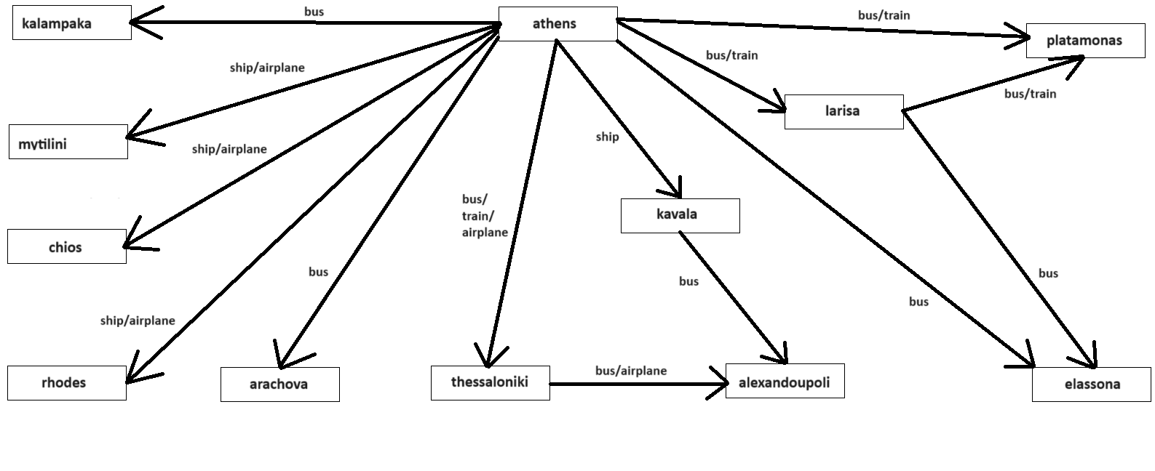
route(...)
μέσο, αφετηρία, προορισμός, κόστος, ώρες, χιλιόμετρα]
bus,athens, arachova, 15, 2, 173
bus,athens, kalampaka, 29, 4, 355
bus,athens, thessaloniki, 45, 6, 500
bus,athens, elassona, 35, 4.5, 395
bus,athens, larisa, 30, 3.5, 355
bus,athens, platamonas, 35, 5, 400
bus,larisa, platamonas, 9, 1, 50
bus,larisa, elassona, 7, 0.5, 50
bus,kavala, alexandroupoli, 15, 2.5, 150
bus,thessaloniki, alexandroupoli, 29, 4.5, 300
train,athens, thessaloniki, 46, 4, 500
train,athens, larisa, 31, 3, 355
train,athens, platamonas, 36, 3.4, 400
train,larisa, platamonas, 9, 0.5, 50
ship,athens, mytilini, 53, 11.5, 412
ship,athens, chios, 48, 8.5, 300
ship,athens, rhodes, 73, 16, 580
ship,athens, kavala, 90, 14, 776
airplane,athens, mytilini, 80, 1, 412
airplane,athens, chios, 60, 1, 300
airplane,athens, rhodes, 70, 1, 580
airplane,athens , thessaloniki, 80, 1, 500
airplane,thessaloniki, alexandroupoli, 100, 8, 300

