Sheet1
LOCAL UNIT | COMUNICATIONS | CLOUD

TARGET-RX
TXD0
P0.19
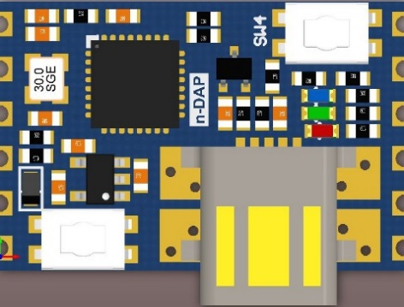
P0.17
MOSI0
SLEEP-RQ
TARGET-TX
RXD0
P0.18
P0.08
MISO0
SWDIO
TARGET-RESET
CAP0
P0.02
P0.07
SCK0
SWCLK
P0.16
SS0
WAKE-REQ
3.3V
P0.05
SDA
GND
P0.04
SCL

BLUE: SWD PROGRAM/DEBUG
YELLOW: GPIO

GREEN: UART TO HOST VIA USB
LGREEN: ALTERNATIVE FUNCTIONALITY
PORANGE: FUTURE MBED FUNCTIONALITY

