Sheet1
LOCAL UNIT | COMUNICATIONS | CLOUD

TARGET-RX
TXD0
P0.19
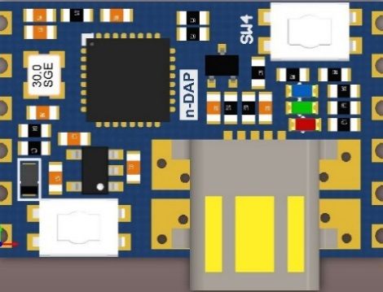
P0.22
ADC-A
TARGET-TX
RXD0
P0.18
P0.08
MISO0
SWDIO
TARGET-RESET
CAP0
P0.02
P0.07
SCK0
SWCLK
5V-FROM-USB-OUT
P0.12
ADC-B
3.3V-OUT
P0.05
SDA
GND
P0.04
SCL

BLUE: SWD PROGRAM/DEBUG
YELLOW: GPIO

GREEN: UART TO HOST VIA USB
LGREEN: ALTERNATIVE FUNCTIONALITY

