Sheet1
LOCAL UNIT | COMUNICATIONS | CLOUD

TGT-RX
TXD0
P0.19
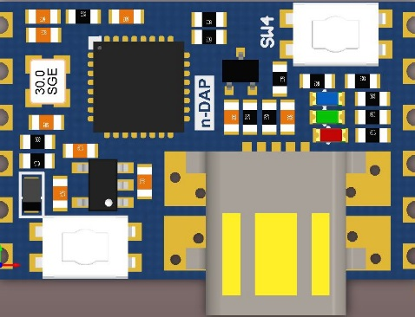
P0.17
MOSI0
SLEEP-RQ
TGT-TX
RXD0
P0.18
P0.08
MISO0
SWDIO
P0.07
SCK0
SWCLK
P0.16
SS0
WAKE-REQ
3.3V
P0.05
SDA
GND
P0.04
SCL

