Dashboard
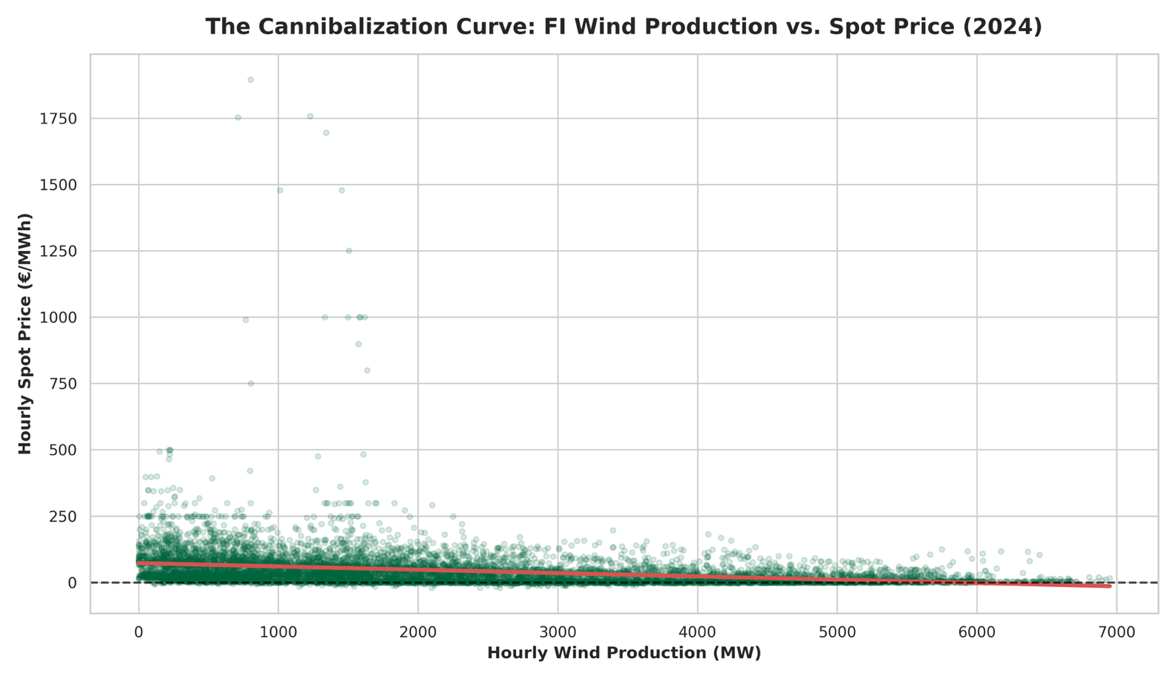
Finnish Onshore Wind: Capture Price Analytics (2024)

45,6 €
Average annual Spot price
29,9 €
Average annual Capture Price
65,4 %
Annual Capture Rate
Key Insights:
Total hours with negative prices: 725 hours (8,3% of the year)
Wind volume sold at negative prices: 11,5% of total generation
Highest intra-day price spread: 1784,89 €/MWh (5.1.2024)

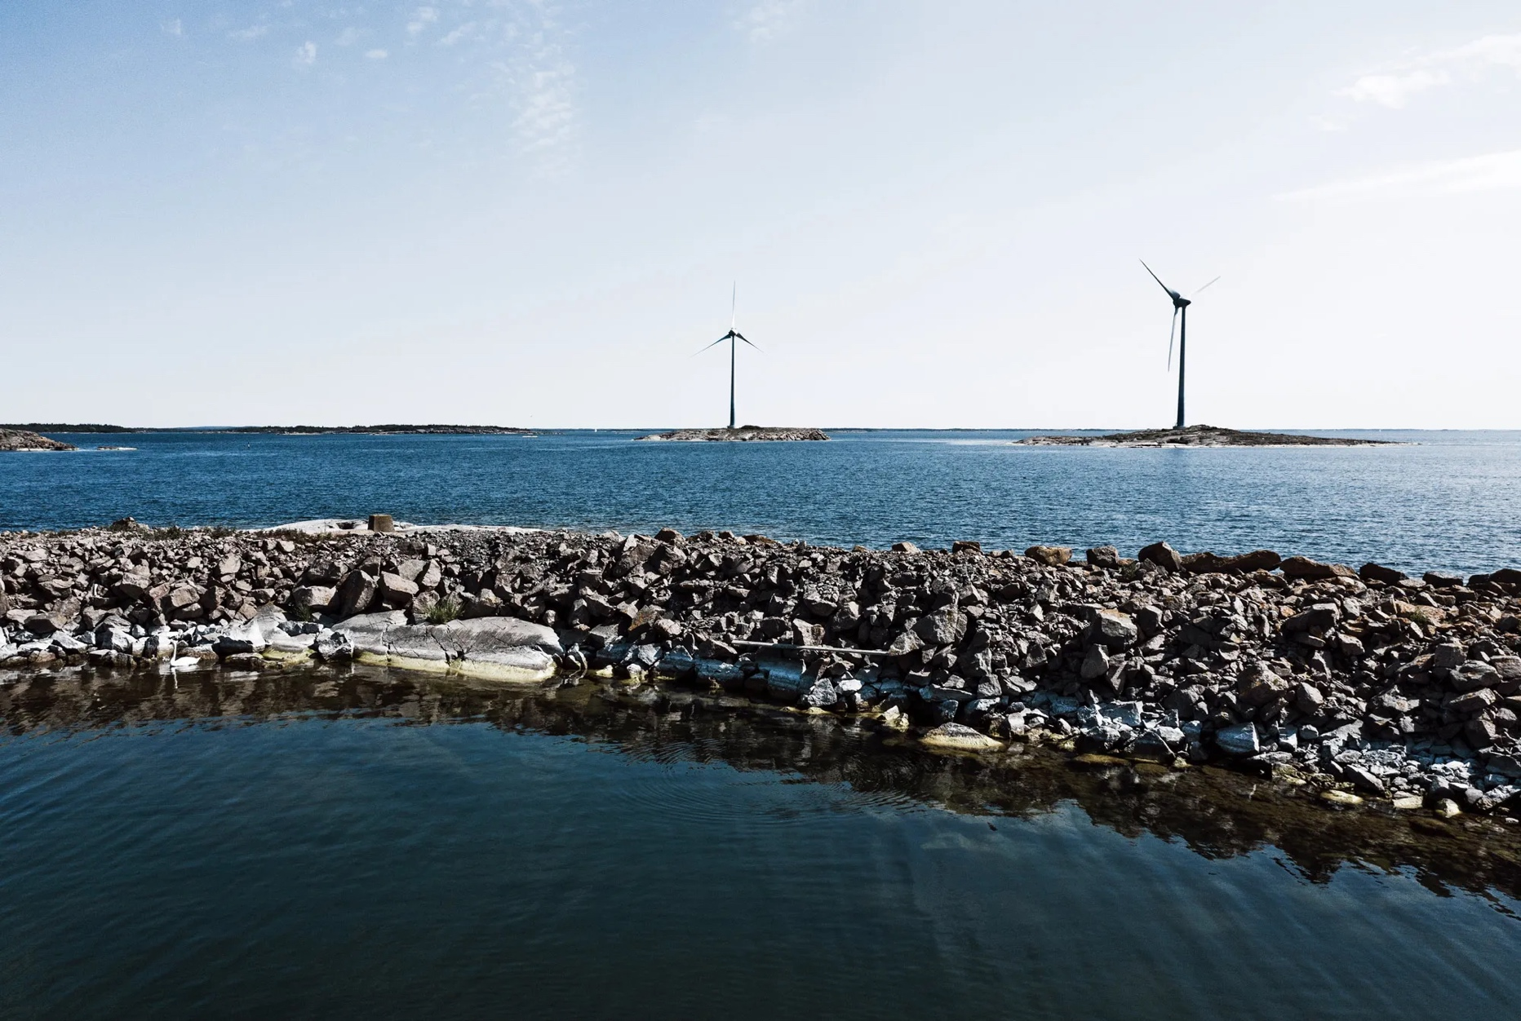

Spot Price vs. Capture Price (2024)
 | Spot Price (€/MWh) | Capture Price (€/MWh) | Capture Rate (%)
2024-01 | 106.28 € | 70.28 € | 66.13%
2024-02 | 51.58 € | 32.70 € | 63.39%
2024-03 | 59.33 € | 43.14 € | 72.72%
2024-04 | 48.91 € | 38.99 € | 79.72%
2024-05 | 35.19 € | 18.09 € | 51.41%
2024-06 | 36.06 € | 21.35 € | 59.22%
2024-07 | 16.78 € | 11.07 € | 65.98%
2024-08 | 12.53 € | 4.99 € | 39.86%
2024-09 | 56.02 € | 33.01 € | 58.91%
2024-10 | 40.63 € | 15.80 € | 38.89%
2024-11 | 45.32 € | 26.97 € | 59.51%
2024-12 | 38.81 € | 23.02 € | 59.32%

