DevOps
DEVOPS STAGES
 |  |  |  | C | I | / | C | D

 |  | Version Control | Continuous Integration |  |  |  |  | Continuous Delivery | Continuous Deployment
 |  | Monitor Different Version of Code | Compile, Validate, Code Review, Unit Testing, Integration Testing |  |  |  |  | Deploying the build app to test Servers | Deploying the test app on the production Server for release

GIT
Jenkins/Chef
Maven

DEVOPS TERMS
 | ・The term devops is a combination of two words i.e Development and Operations.
 | ・Devops is a Methodology that allows a single team to manage the entire application developnent life cycle, that is development, testing, deployment and operations.
 | ・The objective of devops is to shorten the system's development life cycle.
 | ・Devops is a software development approach through which superior quality software can be developed quickly and with more reliability.

GitCommands
Git commands

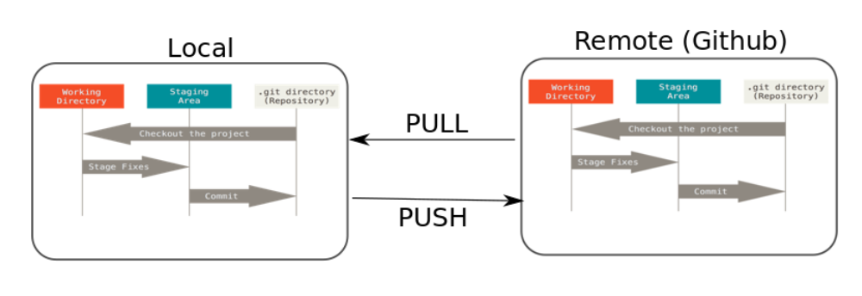
 | → | sudo su
 | → | yum update -y
 | → | yum install git -y
 | → | git --version
 | → | git config --global user.name "niksan/Rijan"
 | → | git config --global user.email "karkeeniksan@gmail.com"
 | → | git config --list

 | Create one directory and go inside it
 | → | git init
 | → | touch myFile (put some data)
 | → | git status
 | → | git add .
 | → | git commit -m "commit name or descrtiption"
 | → | git status
 | → | git log
 | → | git show <commit_id>
 | → | git remote add origin <centralgit_url>
 | → | git push -u origin master
 |  | enter username and password

 | → | git pull origin master

 | Working with branch
 | → | git branch |  |  | ← | To see list of available branches
 | → | git branch <branch Name> |  |  |  |  |  |  | ← | To create a new branch
 | → | git checkout <branch name want to go> |  |  |  |  |  |  |  |  |  | ← | To switch branch
 | → | git branch -d <branch name> |  |  |  |  |  |  |  | ← | To delete branch
 |  |  |  | -D<branch name>

 | Working with merge
 | → | git merge <branch name>
 | → | git log | ← | Verigy the merge
 | → | git push origin master |  |  |  |  | ← | To push to

 | Git Stashing
 | → | git stash |  | ← | To stash an item
 | → | git stash list |  |  | ← | To see stashed item list
 | → | git stash apply stash@{0} |  |  |  |  |  | ← | To apply stashed items
 | Then you can add and commit
 | → | git stash clear |  |  | ← | To clear the stash item

 | Git Reset
 | → | git reset <fielname> |  |  |  |  | ← | To reset staging area
 |  | git reset .

 | → | git reset --hard |  |  |  | ← | To reset the changes from both staging area and working directory at a time

 | Git Revert
 | → | git revert <commit-id>

 | Remove untracked files
 | → | git clean -n (dry run)
 | → | git clean -f(forcefully)

 | TAGS
 | Tag operation allows giving meaningful names to a specific version in the repository
 | → | git tag -a <tagname> -m <message> <commit_id> |  |  |  |  |  |  |  |  |  |  |  | ← | to apply tag
 | → | git tag |  | ← | To see list of tags
 | → | git show <tag_name> |  |  |  |  | ← | To see particular commit content by using tag
 | → | git tag -d <tagname> |  |  |  |  | ← | To delete a tag

 | Github Clone
 | → | git clone <url of github repo>

Chef
CHEF
 | Architecture
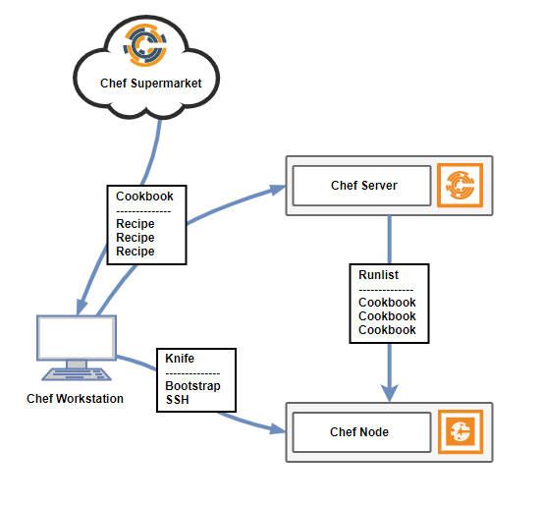
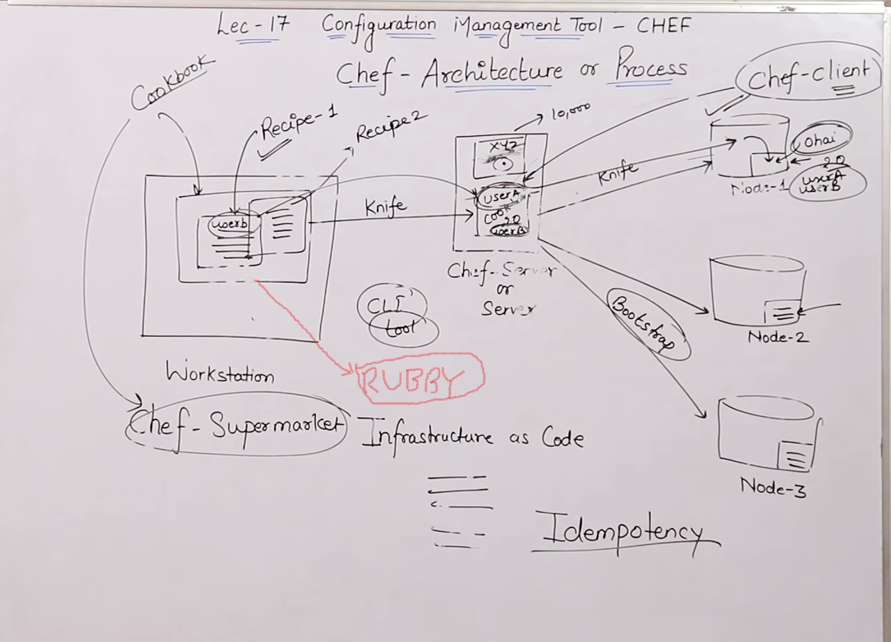

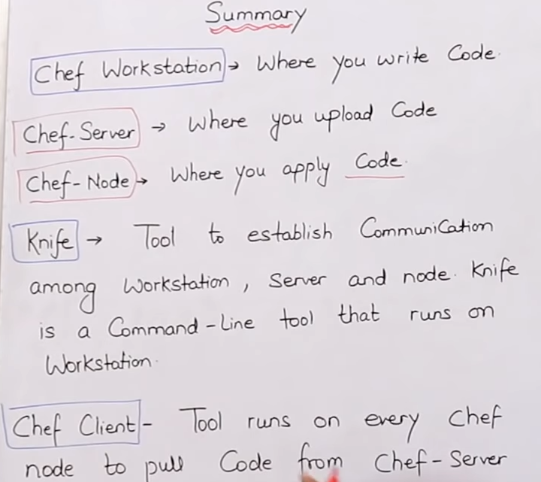
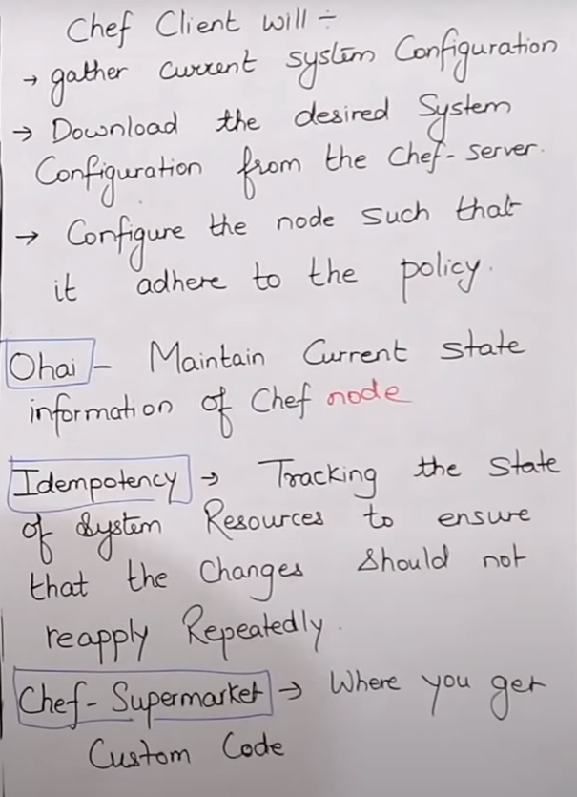
Components of CHEF
→ | Workstation
 | Workstations are personal computers of virtual servers where all configuration code is created, tested or changed.
 | Devops engineer actually sits here and write codes. This is called receipe. A collection of receips are known as cookbook
 | Workstation communicate with the chef server using knife
 | Knife is a command line tool that uploads the cookbook to the server

→ | Chef- server
 | The chef-server is a middle-man between workstation and the nodes.
 | All cookbooks are stored here
 | Server may be hosted locally or remote

→ | Node
 | Nodes are the systems that require the configuration.
 | Ohai fetches the current state of the node its located in.
 | Node communicate with the chef-server using the chef-client.
 | Each node can have a different configuration required.
 | Chef-client is installed on evry node

Create cookbook & Recipe
→ | First of all one linux machine in AWS.
→ | Now use putty and access the machine
 | login as ec2-user
 | sudo su
 | yum update -y

 | Now go to google, search www.chef.io
→ | go to downloads |  |  |  | ← | chef-workstation
→ | enter name, email, company |  |  |  |  |  |  | ← | it automatically starts downloading
→ | go to downloads & copy the url

→ | Now to linux machine
 | [ec2-user0]# |  |  | wget <url>
 |  |  |  | ls
 |  |  |  | it will shows chef package
 |  |  |  | yum install <chef-workstation> -y
 |  |  |  | which chef
 |  |  |  | chef --varsion

 | Cookbook
 |  | Cookbook is collection of recipes and some other files and folder

 |  | Inside Cookbook?
 |  | chefignore - like .gitignore
 |  | kitchern yml - for testing cookbook
 |  | metadata .rb - name, version, author etc of cookbook
 |  | Readme.md - information about usage of cookbook
 |  | Recipe - Where you write code
 |  | Spec - for Unit Test
 |  | Test - For integration test

 |  | → | [ec2-user]#which chef
 |  | → |  |  | mkdir cookbooks
 |  |  |  |  | ls
 |  |  |  |  | cd cookbooks/
 |  |  |  |  | chef generate cookbook test-cookbook
 |  |  |  |  | yum install tree -y
 |  |  |  |  | tree
 |  |  |  |  | cd test-cookbook
 |  |  |  |  | chef generate recipe <recipe name>
 |  |  |  |  | cd ..
 |  |  |  |  | vi test-cookbook/recipes/testrecipe.rb

 |  |  |  |  | File '/myfile' do content 'Welcome to Devops ' action :create end

 |  |  |  |  | chef spec ruby -c test-cookbook/recipes/test-recipe.rb
 |  |  |  |  | chef-client -zr "recipe[test-cookbook::test-recipe]"
 |  |  |  |  | ls /

 |  |  |  |  | Create & write second Recipe
 |  |  |  |  | [ec2-user]#cd test-cookbook/
 |  |  |  |  |  |  |  | chef generate recipe recipe2
 |  |  |  |  |  |  |  | cd ..
 |  |  |  |  |  |  |  | vi test-cookbook/recipes/recipe2.rb

 |  |  |  |  |  |  |  | package 'tree' do action :install end file '/myfile2' do content 'This is My Second Project code' action :create owner 'root' group 'root' end

 |  |  |  |  |  |  |  | chef-client -zr "recipe[test-cookbook::recipe2]"
 |  |  |  |  |  |  |  | cat /myfile2
 |  |  |  |  |  |  |  | yum remove tree -y
 |  |  |  |  |  |  |  | chef-client -zr "recipe[test-cookbook::recipe2]"

 |  |  |  |  | Deploying an Apache Server
 |  |  |  |  | [ec2-user]#ls
 |  |  |  |  |  |  |  | chef generate cookbook apache-cookbook
 |  |  |  |  |  |  |  | ls
 |  |  |  |  |  |  |  | cd apache-cookbook/
 |  |  |  |  |  |  |  | chef generate recipe apache-recipe
 |  |  |  |  |  |  |  | tree
 |  |  |  |  |  |  |  | cd ..
 |  |  |  |  |  |  |  | ls
 |  |  |  |  |  |  |  | vi apache-cookbook/recipes/apache-recipe.rb

 |  |  |  |  |  |  |  | package 'httpd' do action :install end file '/var/www/html/index.html' do content 'Welcome to Technical Guftgu' action :create end service 'httpd' do action [:enable, :start] end

 |  |  |  |  |  |  |  | chef exec ruby -c apache-cookbook/recipes/apache-recipe.rb
 |  |  |  |  |  |  |  | chef-client -zr "recipe[apache-cookbook::apache-recipe]"

 | Recource
 |  | → | It is the basic component of a recipe used to manage the infrastructure with different kind of stages. There can be multiple resources in a recipe, which will help in configuring and managing the infratructuring Eg:- IAC(Infrastructure as code)

 |  | → | Package |  | ← | Manages the package on a ndoe

 |  | → | Service |  | ← | Manages the services on a node

 |  | → | User |  | ← | Manages the users on a node

 |  | → | group |  | ← | Manages the group on a node

 |  | → | template |  | ← | Manages the file with embedded ruby templete

 |  | → | Cookbook-file |  |  | ← | Transfers the files from the files subdirectory in the cookbook to a location on the node.

 |  | → | File | ← | Manages the content of a file on the node

 |  | → | executes |  | ← | Executes a command on the node

 |  | → | cron | ← | Edits an existing cron file on the node

 |  | → | directory |  | ← | manages the directory on the node

