Sheet2
Manipulating Containers with the Docker Client
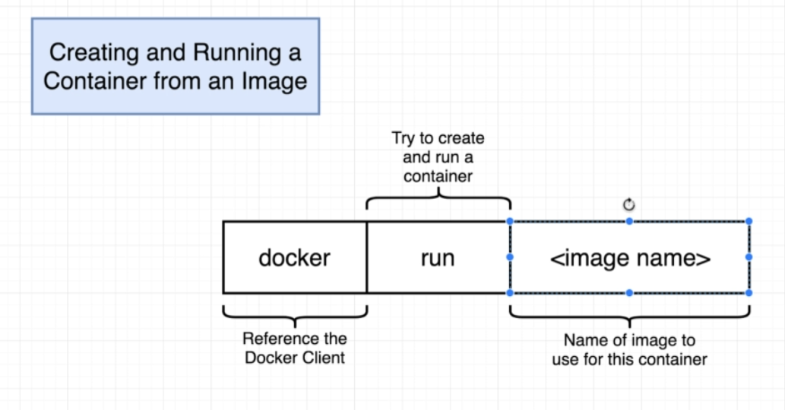

 | Overriding Default Commands
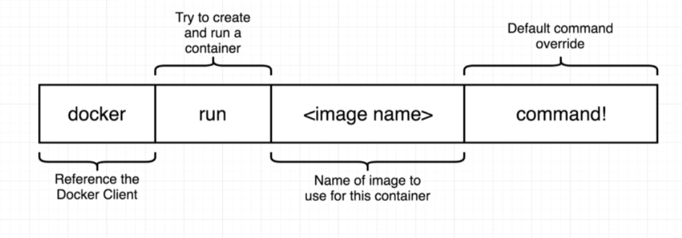
 |  | docker run busybox echo hi there

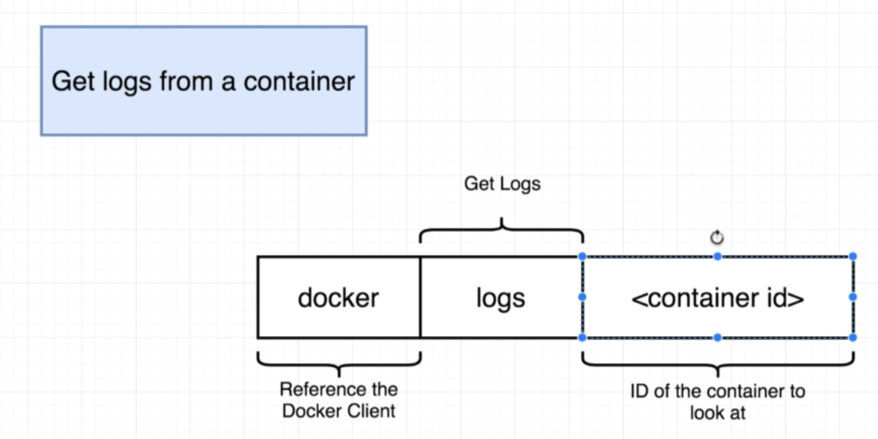
 | Listing Running Containers
 |  | docker ps

 |  | docker ps --all

