Sheet2
Manipulating Containers with the Docker Client
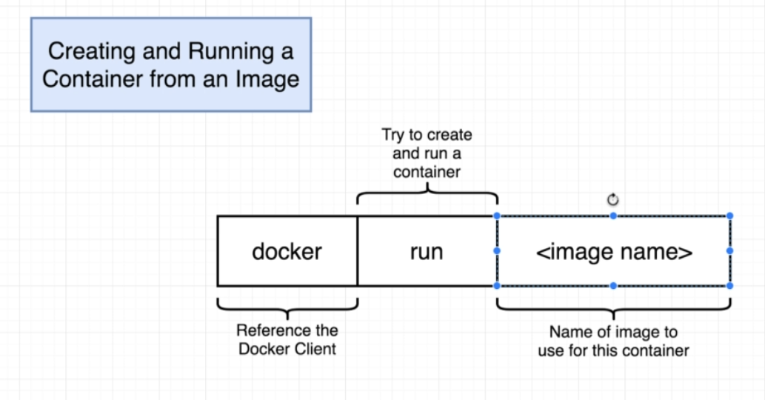

 | Overriding Default Commands
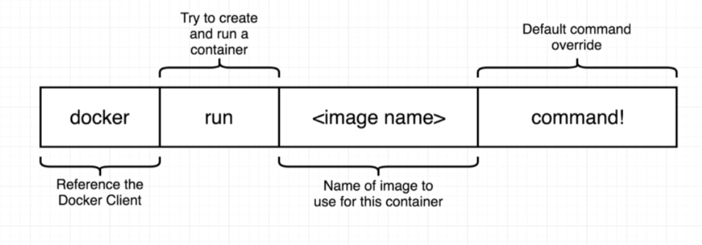
 |  | docker run busybox echo hi there

