num vars_summary - insights
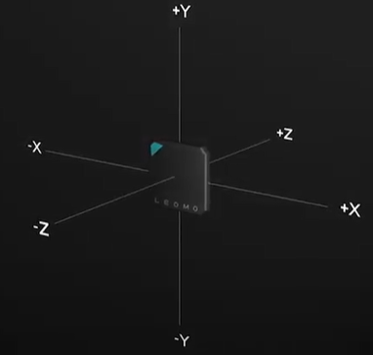
 | mean | max value | min value | std | count | count NaN | count non-zero | count zero | Description
GameID | 19.201299238 | 38 | 1 | 11.061385715 | 4646416 | 0 | 4646416 | 0 | Unique identifier for game
Half | 1.4965924274 | 2 | 1 | 0.49998844209 | 4646416 | 0 | 4646416 | 0 | The half of the game
PlayerID | 8.5315882177 | 21 | 1 | 4.8456304674 | 4646416 | 0 | 4646416 | 0 | Unique identifier for the player
FrameID | 2627.23238 | 6760 | 1 | 1551.8573714 | 4646416 | 0 | 4646416 | 0 | Ordered unit of time within a half, ten frames per second. Example: FrameID = 100 implies we are 10 seconds into the half
Speed | 1.0681428327 | 9.01667388 | 0 | 1.422967545 | 4646416 | 0 | 2582931 | 2063485 | Movement speed of the player, in meters per second
AccelImpulse | 0.89479126216 | 5.972227 | 0 | 1.2833257882 | 4646416 | 0 | 2565392 | 2081024 | The absolute value of change in speed divided by change in time
AccelLoad | 0.017349971477 | 2.1675113269 | 0 | 0.034634906061 | 4646416 | 0 | 4640488 | 5928 | Load detected by the accelerometer, in arbitrary units (AU)
AccelX | -0.0027958718655 | 9.515 | -7.67875 | 0.30599397185 | 4646416 | 0 | 4617951 | 28465 | Acceleration in anterioposterior axis direction (meters per second squared)
AccelY | 0.69042240837 | 7.3025 | -5.9225 | 0.63808148415 | 4646416 | 0 | 4646079 | 337 | Acceleration in medial axis direction (meters per second squared)
AccelZ | 0.49991667496 | 7.25625 | -9.73375 | 0.4556366704 | 4646416 | 0 | 4645437 | 979 | Acceleration in vertical direction (meters per second squared)
Longitude | 18.550430556 | 89.638140955 | -89.145720035 | 65.019541619 | 3103711 | 1542705 | 4646416 | 0 | X coordinates
Latitude | 19.191498198 | 118.13907468 | -87.579812268 | 32.597785096 | 4646416 | 0 | 4646416 | 0 | Y coordinates
Accelnorm | 1.1301513616 | 12.172515404 | 0.0075 | 0.39717810704 | 4646416 | 0 | 4646416 | 0
HarmonicMean_Acc_Speed | 0.6970203521 | 8.1173530937 | 0 | 0.78961186193 | 4646416 | 0 | 2582931 | 2063485

 |  |  |  |  |  |  |  |  | example picture for IMU sensor (different company than the Sensors used by CSI)

