TT_IB_Agri
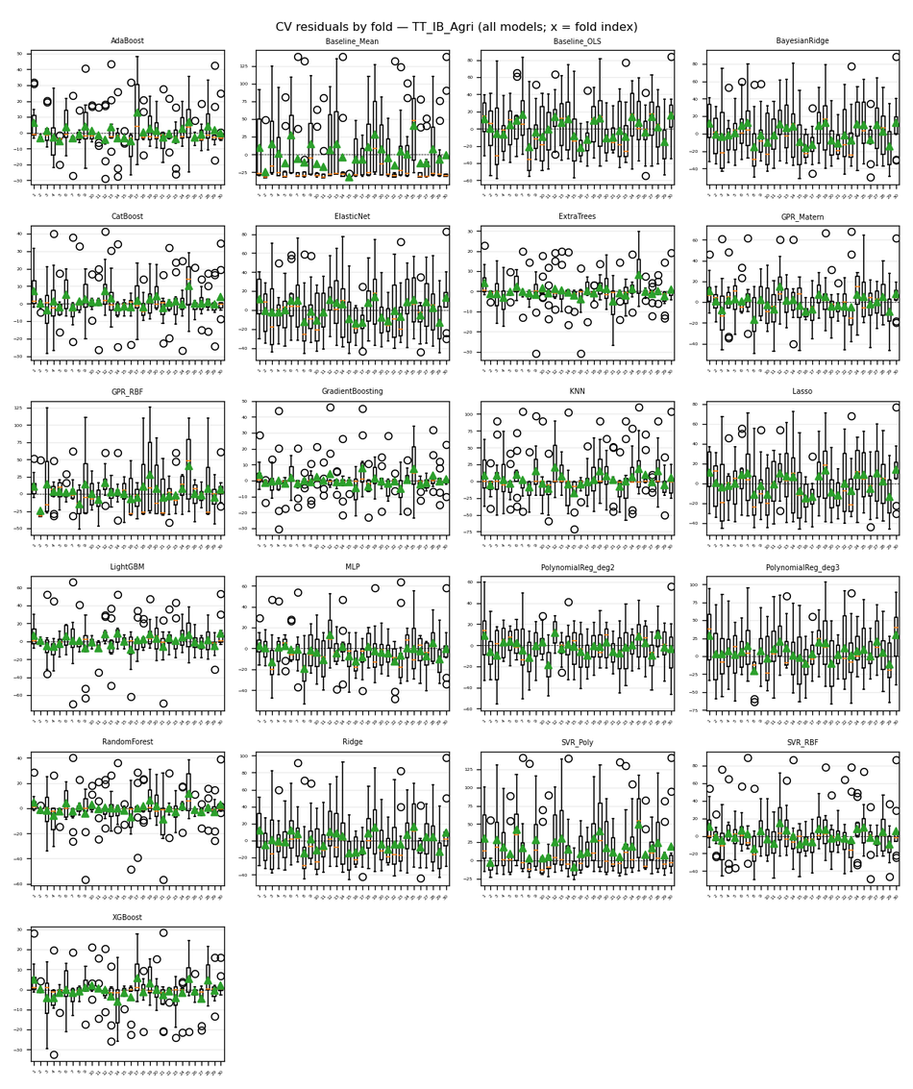
Target | TT_IB_Agri
Generated | 2026-04-06 12:24:40 UTC
cv_results.json | /Users/iniyanilaalagunirmal/Desktop/Final Brexit ML Design/experimenting_ml/outputs/cv_results.json
Step 2 output dir | /Users/iniyanilaalagunirmal/Desktop/Final Brexit ML Design/experimenting_ml/outputs/step2
Nemenyi alpha | 0.05
Method | Friedman + Nemenyi (CV fold RMSEs)

Friedman statistic | 496.7030303
Friedman p-value | 1.4259644052E-92
n_blocks (CV scores) | 30
n_models | 21
Best mean-rank model | ExtraTrees
Best mean rank | 1.9
Tier-1 (not sig. vs best, Nemenyi) | ExtraTrees

Per-model CV (Step 1) + mean rank (Friedman) + holdout test (if CSV)
model | mean_cv_rmse | std_cv_rmse | cv_n_scores | mean_rank | test_rmse | test_mae | test_r2 | best_params_json
ExtraTrees | 6.9004948083 | 2.7564388536 | 30 | 1.9 | 7.8721817049 | 4.7315235967 | 0.97285489585 | {"max_depth": null, "min_samples_split": 2, "n_estimators": 100}
XGBoost | 8.1655448269 | 3.5512424572 | 30 | 2.8666666667 | 8.3425765619 | 5.2231042275 | 0.96951391231 | {"learning_rate": 0.1, "max_depth": 3, "n_estimators": 100}
GradientBoosting | 8.5828815072 | 4.41080861 | 30 | 3.2 | 9.7647331434 | 5.7168219956 | 0.95823408014 | {"learning_rate": 0.1, "max_depth": 3, "n_estimators": 100}
CatBoost | 10.788993125 | 3.5750875795 | 30 | 4.4666666667 | 7.7606106457 | 5.1010079971 | 0.9736188889 | {"depth": 4, "iterations": 100, "learning_rate": 0.1}
AdaBoost | 11.351317068 | 4.740594063 | 30 | 5.7333333333 | 10.279106251 | 7.2917814465 | 0.95371801226 | {"learning_rate": 0.5, "n_estimators": 100}
RandomForest | 11.712702852 | 5.0043124215 | 30 | 5.2333333333 | 11.986649991 | 7.8423398315 | 0.93706431828 | {"max_depth": 5, "min_samples_split": 2, "n_estimators": 100}
LightGBM | 15.598811856 | 6.696495019 | 30 | 7.9666666667 | 14.6022177 | 9.0295373033 | 0.90660170883 | {"learning_rate": 0.1, "n_estimators": 100, "num_leaves": 15}
PolynomialReg_deg2 | 18.749287069 | 4.746986559 | 30 | 9 | 23.283859712 | 20.691630875 | 0.76252863948 | {"ridge__alpha": 10}
MLP | 19.188885196 | 5.2247064808 | 30 | 9.0333333333 | 18.75091649 | 14.971050002 | 0.84599093231 | {"alpha": 0.0001, "hidden_layer_sizes": [50, 50], "max_iter": 500}
GPR_Matern | 20.296229234 | 5.3550433638 | 30 | 9.6 | 21.330869924 | 17.636654688 | 0.80069489297 | {"alpha": 1e-06}
SVR_RBF | 24.272579997 | 6.1441871909 | 30 | 11.766666667 | 24.416607015 | 19.228916563 | 0.73886089031 | {"C": 100, "epsilon": 0.01, "gamma": "scale"}
Lasso | 28.001525462 | 4.9054827497 | 30 | 13.633333333 | 28.465830056 | 23.809605466 | 0.64506486109 | {"alpha": 1}
ElasticNet | 28.183401447 | 4.9345274781 | 30 | 13.833333333 | 28.940822706 | 24.061484116 | 0.63312084425 | {"alpha": 1, "l1_ratio": 0.8}
GPR_RBF | 29.22984322 | 14.970143954 | 30 | 12.533333333 | 21.056877148 | 16.891871401 | 0.80578211554 | {"alpha": 1e-10}
BayesianRidge | 29.56268582 | 5.442006307 | 30 | 15.666666667 | 29.785250694 | 25.076996909 | 0.61139909104 | {"alpha_1": 1e-06, "alpha_2": 1e-05, "lambda_1": 1e-05}
Ridge | 29.843793628 | 5.888747963 | 30 | 15.633333333 | 31.314602968 | 25.571039002 | 0.57046840765 | {"alpha": 100}
KNN | 30.498266752 | 9.0949382028 | 30 | 15.533333333 | 30.447580715 | 19.936323519 | 0.59392441988 | {"n_neighbors": 3, "p": 1, "weights": "distance"}
Baseline_OLS | 31.437377954 | 5.9326769379 | 30 | 16.633333333 |  |  |  | {}
PolynomialReg_deg3 | 35.957197839 | 7.5746170422 | 30 | 17.633333333 | 26.784988601 | 22.108112998 | 0.68574353256 | {"ridge__alpha": 10}
SVR_Poly | 42.622123051 | 13.362865403 | 30 | 18.966666667 | 46.657514482 | 31.328796204 | 0.046447758008 | {"C": 10, "degree": 3, "epsilon": 0.01}
Baseline_Mean | 45.502252342 | 10.28557405 | 30 | 20.166666667 |  |  |  | {}

Nemenyi post-hoc p-values (pairwise)
 | 0 | 1 | 2 | 3 | 4 | 5 | 6 | 7 | 8 | 9 | 10 | 11 | 12 | 13 | 14 | 15 | 16 | 17 | 18 | 19 | 20
0 | 1 | 0.001 | 0.001 | 0.001 | 0.9 | 0.001 | 0.66230508247 | 0.64852061404 | 0.0039247678812 | 0.9 | 0.001 | 0.001 | 0.9 | 0.88286478353 | 0.89664990046 | 0.001 | 0.9 | 0.001 | 0.001 | 0.025461391263 | 0.9
1 | 0.001 | 1 | 0.78636922269 | 0.37334481176 | 0.001 | 0.012720313727 | 0.001 | 0.001 | 0.001 | 0.001 | 0.3137276732 | 0.0077889026299 | 0.001 | 0.001 | 0.001 | 0.9 | 0.001 | 0.35761709353 | 0.9 | 0.001 | 0.001
2 | 0.001 | 0.78636922269 | 1 | 0.9 | 0.001 | 0.9 | 0.001 | 0.0020941532027 | 0.55202310282 | 0.001 | 0.9 | 0.9 | 0.001 | 0.001 | 0.001 | 0.9 | 0.001 | 0.9 | 0.9 | 0.22668590668 | 0.001
3 | 0.001 | 0.37334481176 | 0.9 | 1 | 0.001 | 0.9 | 0.001 | 0.023640174432 | 0.9 | 0.001 | 0.9 | 0.9 | 0.001 | 0.0060493081502 | 0.0055544359157 | 0.9 | 0.001 | 0.9 | 0.88286478353 | 0.63473249962 | 0.001
4 | 0.9 | 0.001 | 0.001 | 0.001 | 1 | 0.001 | 0.9 | 0.14861297631 | 0.001 | 0.9 | 0.001 | 0.001 | 0.80015676588 | 0.34222053844 | 0.35761709353 | 0.001 | 0.9 | 0.001 | 0.001 | 0.001 | 0.9
5 | 0.001 | 0.012720313727 | 0.9 | 0.9 | 0.001 | 1 | 0.001 | 0.49685251629 | 0.9 | 0.001 | 0.9 | 0.9 | 0.036755296923 | 0.24942174319 | 0.23752796678 | 0.67608835203 | 0.001 | 0.9 | 0.14861297631 | 0.9 | 0.001
6 | 0.66230508247 | 0.001 | 0.001 | 0.001 | 0.9 | 0.001 | 1 | 0.001 | 0.001 | 0.9 | 0.001 | 0.001 | 0.023640174432 | 0.0015873078311 | 0.0017390961716 | 0.001 | 0.86907959719 | 0.001 | 0.001 | 0.001 | 0.9
7 | 0.64852061404 | 0.001 | 0.0020941532027 | 0.023640174432 | 0.14861297631 | 0.49685251629 | 0.001 | 1 | 0.9 | 0.010823350125 | 0.031808645963 | 0.57959348625 | 0.9 | 0.9 | 0.9 | 0.001 | 0.4371489096 | 0.025461391263 | 0.001 | 0.9 | 0.0046738015992
8 | 0.0039247678812 | 0.001 | 0.55202310282 | 0.9 | 0.001 | 0.9 | 0.001 | 0.9 | 1 | 0.001 | 0.9 | 0.9 | 0.34222053844 | 0.80015676588 | 0.78636922269 | 0.15734674781 | 0.001 | 0.9 | 0.0099744581482 | 0.9 | 0.001
9 | 0.9 | 0.001 | 0.001 | 0.001 | 0.9 | 0.001 | 0.9 | 0.010823350125 | 0.001 | 1 | 0.001 | 0.001 | 0.26172479326 | 0.039457226199 | 0.042318317042 | 0.001 | 0.9 | 0.001 | 0.001 | 0.001 | 0.9
10 | 0.001 | 0.3137276732 | 0.9 | 0.9 | 0.001 | 0.9 | 0.001 | 0.031808645963 | 0.9 | 0.001 | 1 | 0.9 | 0.001 | 0.0084636537939 | 0.0077889026299 | 0.9 | 0.001 | 0.9 | 0.82772217043 | 0.6898728895 | 0.001
11 | 0.001 | 0.0077889026299 | 0.9 | 0.9 | 0.001 | 0.9 | 0.001 | 0.57959348625 | 0.9 | 0.001 | 0.9 | 1 | 0.055659439625 | 0.32726166966 | 0.3137276732 | 0.59337908524 | 0.001 | 0.9 | 0.10523414132 | 0.9 | 0.001
12 | 0.9 | 0.001 | 0.001 | 0.001 | 0.80015676588 | 0.036755296923 | 0.023640174432 | 0.9 | 0.34222053844 | 0.26172479326 | 0.001 | 0.055659439625 | 1 | 0.9 | 0.9 | 0.001 | 0.9 | 0.001 | 0.001 | 0.67608835203 | 0.15734674781
13 | 0.88286478353 | 0.001 | 0.001 | 0.0060493081502 | 0.34222053844 | 0.24942174319 | 0.0015873078311 | 0.9 | 0.80015676588 | 0.039457226199 | 0.0084636537939 | 0.32726166966 | 0.9 | 1 | 0.9 | 0.001 | 0.67608835203 | 0.0065874665599 | 0.001 | 0.9 | 0.018840693154
14 | 0.89664990046 | 0.001 | 0.001 | 0.0055544359157 | 0.35761709353 | 0.23752796678 | 0.0017390961716 | 0.9 | 0.78636922269 | 0.042318317042 | 0.0077889026299 | 0.3137276732 | 0.9 | 0.9 | 1 | 0.001 | 0.6898728895 | 0.0060493081502 | 0.001 | 0.9 | 0.020337339127
15 | 0.001 | 0.9 | 0.9 | 0.9 | 0.001 | 0.67608835203 | 0.001 | 0.001 | 0.15734674781 | 0.001 | 0.9 | 0.59337908524 | 0.001 | 0.001 | 0.001 | 1 | 0.001 | 0.9 | 0.9 | 0.036755296923 | 0.001
16 | 0.9 | 0.001 | 0.001 | 0.001 | 0.9 | 0.001 | 0.86907959719 | 0.4371489096 | 0.001 | 0.9 | 0.001 | 0.001 | 0.9 | 0.67608835203 | 0.6898728895 | 0.001 | 1 | 0.001 | 0.001 | 0.0077889026299 | 0.9
17 | 0.001 | 0.35761709353 | 0.9 | 0.9 | 0.001 | 0.9 | 0.001 | 0.025461391263 | 0.9 | 0.001 | 0.9 | 0.9 | 0.001 | 0.0065874665599 | 0.0060493081502 | 0.9 | 0.001 | 1 | 0.86907959719 | 0.64852061404 | 0.001
18 | 0.001 | 0.9 | 0.9 | 0.88286478353 | 0.001 | 0.14861297631 | 0.001 | 0.001 | 0.0099744581482 | 0.001 | 0.82772217043 | 0.10523414132 | 0.001 | 0.001 | 0.001 | 0.9 | 0.001 | 0.86907959719 | 1 | 0.00131360892 | 0.001
19 | 0.025461391263 | 0.001 | 0.22668590668 | 0.63473249962 | 0.001 | 0.9 | 0.001 | 0.9 | 0.9 | 0.001 | 0.6898728895 | 0.9 | 0.67608835203 | 0.9 | 0.9 | 0.036755296923 | 0.0077889026299 | 0.64852061404 | 0.00131360892 | 1 | 0.001
20 | 0.9 | 0.001 | 0.001 | 0.001 | 0.9 | 0.001 | 0.9 | 0.0046738015992 | 0.001 | 0.9 | 0.001 | 0.001 | 0.15734674781 | 0.018840693154 | 0.020337339127 | 0.001 | 0.9 | 0.001 | 0.001 | 0.001 | 1

Figures (embedded)
CD diagram (average ranks); learning-curve grid (all models); residual-by-fold grid (all models) when Step 2 residuals were run.

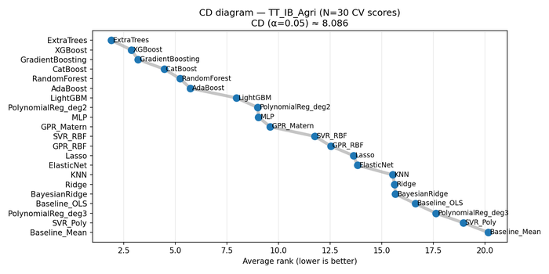

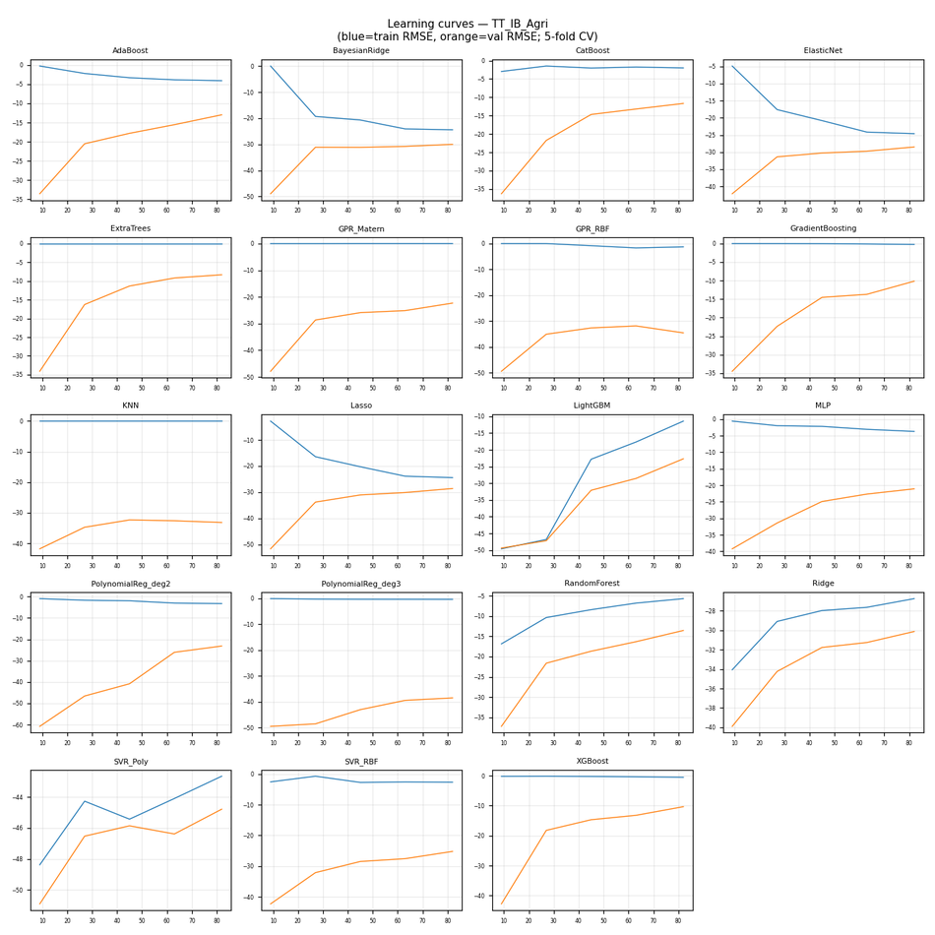

CV residuals by fold (all models)

TT_IB_DR
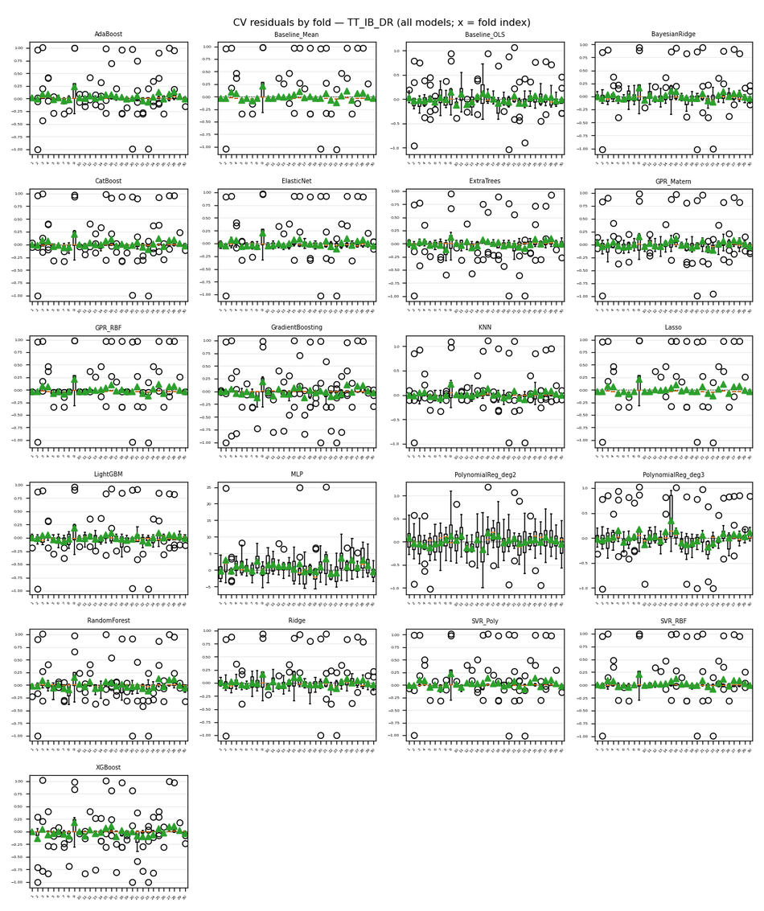
Target | TT_IB_DR
Generated | 2026-04-06 12:24:40 UTC
cv_results.json | /Users/iniyanilaalagunirmal/Desktop/Final Brexit ML Design/experimenting_ml/outputs/cv_results.json
Step 2 output dir | /Users/iniyanilaalagunirmal/Desktop/Final Brexit ML Design/experimenting_ml/outputs/step2
Nemenyi alpha | 0.05
Method | Friedman + Nemenyi (CV fold RMSEs)

Friedman statistic | 184.59525048
Friedman p-value | 1.2207077078E-28
n_blocks (CV scores) | 30
n_models | 21
Best mean-rank model | ExtraTrees
Best mean rank | 7.1333333333
Tier-1 (not sig. vs best, Nemenyi) | ExtraTrees

Per-model CV (Step 1) + mean rank (Friedman) + holdout test (if CSV)
model | mean_cv_rmse | std_cv_rmse | cv_n_scores | mean_rank | test_rmse | test_mae | test_r2 | best_params_json
SVR_RBF | 0.18319634331 | 0.14340107024 | 30 | 7.5 | 0.063452254112 | 0.029191205773 | 0.19237286022 | {"C": 0.1, "epsilon": 0.01, "gamma": "scale"}
AdaBoost | 0.18377468184 | 0.13657994563 | 30 | 8.6 | 0.076153699644 | 0.041468641825 | -0.16331896597 | {"learning_rate": 1.0, "n_estimators": 50}
ExtraTrees | 0.18423375796 | 0.10563452217 | 30 | 7.1333333333 | 0.14901574417 | 0.08708717675 | -3.4543168545 | {"max_depth": 5, "min_samples_split": 2, "n_estimators": 200}
CatBoost | 0.18577394281 | 0.13543346713 | 30 | 7.7333333333 | 0.082628862103 | 0.044952911082 | -0.36955771639 | {"depth": 6, "iterations": 50, "learning_rate": 0.05}
KNN | 0.18708662013 | 0.13541489617 | 30 | 7.9333333333 | 0.077270275028 | 0.045280189493 | -0.19768251998 | {"n_neighbors": 10, "p": 1, "weights": "distance"}
ElasticNet | 0.18971352723 | 0.13007553178 | 30 | 8.9 | 0.07454646676 | 0.050840048184 | -0.11473316841 | {"alpha": 0.1, "l1_ratio": 0.5}
LightGBM | 0.19199950925 | 0.11580713321 | 30 | 9.1333333333 | 0.092158346002 | 0.056837266042 | -0.70367259904 | {"learning_rate": 0.05, "n_estimators": 50, "num_leaves": 15}
RandomForest | 0.19286813106 | 0.1198043235 | 30 | 11.066666667 | 0.10171528892 | 0.060846153846 | -1.0753400593 | {"max_depth": 5, "min_samples_split": 5, "n_estimators": 200}
GPR_Matern | 0.19391827827 | 0.1178867408 | 30 | 9.0333333333 | 0.092644412399 | 0.069117611827 | -0.72169119066 | {"alpha": 0.001}
Baseline_Mean | 0.19418286911 | 0.13890189988 | 30 | 11.5 |  |  |  | {}
Lasso | 0.19418286911 | 0.13890189988 | 30 | 11.5 | 0.077550552438 | 0.052389843167 | -0.20638682849 | {"alpha": 1}
GPR_RBF | 0.19418287626 | 0.13890189953 | 30 | 10.8 | 0.077550471327 | 0.052389707535 | -0.20638430493 | {"alpha": 0.001}
SVR_Poly | 0.19476958254 | 0.14176386728 | 30 | 11.6 | 0.07595160771 | 0.035393944528 | -0.15715287194 | {"C": 0.1, "degree": 2, "epsilon": 0.01}
BayesianRidge | 0.19563042934 | 0.11803391534 | 30 | 9.3 | 0.09189076359 | 0.072896070721 | -0.69379371062 | {"alpha_1": 1e-05, "alpha_2": 1e-05, "lambda_1": 1e-05}
Ridge | 0.19659588176 | 0.11457607392 | 30 | 9.5333333333 | 0.097616299041 | 0.079200144243 | -0.91144352604 | {"alpha": 100}
XGBoost | 0.21728181662 | 0.12471409132 | 30 | 10.233333333 | 0.086062363255 | 0.037078197186 | -0.4857417595 | {"learning_rate": 0.05, "max_depth": 3, "n_estimators": 50}
Baseline_OLS | 0.22813474681 | 0.097140047415 | 30 | 12.5 |  |  |  | {}
GradientBoosting | 0.2307510517 | 0.12712867238 | 30 | 13.366666667 | 0.12616319992 | 0.056976489566 | -2.1928769842 | {"learning_rate": 0.05, "max_depth": 3, "n_estimators": 50}
PolynomialReg_deg3 | 0.28289957924 | 0.11509831151 | 30 | 15.633333333 | 0.21599041871 | 0.14774909826 | -8.3580587596 | {"ridge__alpha": 10}
PolynomialReg_deg2 | 0.31624322883 | 0.072710973781 | 30 | 17 | 0.26370448168 | 0.21172514536 | -12.949280793 | {"ridge__alpha": 10}
MLP | 3.465408017 | 1.8207412487 | 30 | 21 | 3.0040363974 | 2.1531468707 | -1809.2025642 | {"alpha": 0.001, "hidden_layer_sizes": [50, 50], "max_iter": 500}

Nemenyi post-hoc p-values (pairwise)
 | 0 | 1 | 2 | 3 | 4 | 5 | 6 | 7 | 8 | 9 | 10 | 11 | 12 | 13 | 14 | 15 | 16 | 17 | 18 | 19 | 20
0 | 1 | 0.9 | 0.63473249962 | 0.9 | 0.9 | 0.9 | 0.9 | 0.9 | 0.9 | 0.26172479326 | 0.9 | 0.9 | 0.9 | 0.001 | 0.001 | 0.0020941532027 | 0.9 | 0.9 | 0.9 | 0.9 | 0.9
1 | 0.9 | 1 | 0.9 | 0.9 | 0.6898728895 | 0.9 | 0.4371489096 | 0.9 | 0.9 | 0.9 | 0.77258496339 | 0.9 | 0.9 | 0.001 | 0.077718205179 | 0.53823917645 | 0.9 | 0.9 | 0.9 | 0.59337908524 | 0.9
2 | 0.63473249962 | 0.9 | 1 | 0.9 | 0.26172479326 | 0.75879750714 | 0.09877809358 | 0.81393759417 | 0.9 | 0.9 | 0.34222053844 | 0.9 | 0.85529598553 | 0.001 | 0.37334481176 | 0.9 | 0.9 | 0.9 | 0.9 | 0.1843800856 | 0.9
3 | 0.9 | 0.9 | 0.9 | 1 | 0.9 | 0.9 | 0.9 | 0.9 | 0.9 | 0.56580826679 | 0.9 | 0.9 | 0.9 | 0.001 | 0.001 | 0.012720313727 | 0.9 | 0.9 | 0.9 | 0.9 | 0.9
4 | 0.9 | 0.6898728895 | 0.26172479326 | 0.9 | 1 | 0.9 | 0.9 | 0.9 | 0.9 | 0.05961199903 | 0.9 | 0.6898728895 | 0.9 | 0.001 | 0.001 | 0.001 | 0.86907959719 | 0.9 | 0.64852061404 | 0.9 | 0.9
5 | 0.9 | 0.9 | 0.75879750714 | 0.9 | 0.9 | 1 | 0.9 | 0.9 | 0.9 | 0.38929285097 | 0.9 | 0.9 | 0.9 | 0.001 | 0.001 | 0.0046738015992 | 0.9 | 0.9 | 0.9 | 0.9 | 0.9
6 | 0.9 | 0.4371489096 | 0.09877809358 | 0.9 | 0.9 | 0.9 | 1 | 0.9 | 0.73122894578 | 0.016135589718 | 0.9 | 0.4371489096 | 0.9 | 0.001 | 0.001 | 0.001 | 0.62094888797 | 0.9 | 0.38929285097 | 0.9 | 0.9
7 | 0.9 | 0.9 | 0.81393759417 | 0.9 | 0.9 | 0.9 | 0.9 | 1 | 0.9 | 0.45269359805 | 0.9 | 0.9 | 0.9 | 0.001 | 0.001 | 0.0065874665599 | 0.9 | 0.9 | 0.9 | 0.9 | 0.9
8 | 0.9 | 0.9 | 0.9 | 0.9 | 0.9 | 0.9 | 0.73122894578 | 0.9 | 1 | 0.9 | 0.9 | 0.9 | 0.9 | 0.001 | 0.017441916911 | 0.23752796678 | 0.9 | 0.9 | 0.9 | 0.88286478353 | 0.9
9 | 0.26172479326 | 0.9 | 0.9 | 0.56580826679 | 0.05961199903 | 0.38929285097 | 0.016135589718 | 0.45269359805 | 0.9 | 1 | 0.087498245101 | 0.9 | 0.49685251629 | 0.001 | 0.74501490993 | 0.9 | 0.9 | 0.66230508247 | 0.9 | 0.036755296923 | 0.9
10 | 0.9 | 0.77258496339 | 0.34222053844 | 0.9 | 0.9 | 0.9 | 0.9 | 0.9 | 0.9 | 0.087498245101 | 1 | 0.77258496339 | 0.9 | 0.001 | 0.001 | 0.001 | 0.9 | 0.9 | 0.73122894578 | 0.9 | 0.9
11 | 0.9 | 0.9 | 0.9 | 0.9 | 0.6898728895 | 0.9 | 0.4371489096 | 0.9 | 0.9 | 0.9 | 0.77258496339 | 1 | 0.9 | 0.001 | 0.077718205179 | 0.53823917645 | 0.9 | 0.9 | 0.9 | 0.59337908524 | 0.9
12 | 0.9 | 0.9 | 0.85529598553 | 0.9 | 0.9 | 0.9 | 0.9 | 0.9 | 0.9 | 0.49685251629 | 0.9 | 0.9 | 1 | 0.001 | 0.001 | 0.0084636537939 | 0.9 | 0.9 | 0.9 | 0.9 | 0.9
13 | 0.001 | 0.001 | 0.001 | 0.001 | 0.001 | 0.001 | 0.001 | 0.001 | 0.001 | 0.001 | 0.001 | 0.001 | 0.001 | 1 | 0.59337908524 | 0.09877809358 | 0.001 | 0.001 | 0.001 | 0.001 | 0.001
14 | 0.001 | 0.077718205179 | 0.37334481176 | 0.001 | 0.001 | 0.001 | 0.001 | 0.001 | 0.017441916911 | 0.74501490993 | 0.001 | 0.077718205179 | 0.001 | 0.59337908524 | 1 | 0.9 | 0.031808645963 | 0.001 | 0.092659754023 | 0.001 | 0.0042855463415
15 | 0.0020941532027 | 0.53823917645 | 0.9 | 0.012720313727 | 0.001 | 0.0046738015992 | 0.001 | 0.0065874665599 | 0.23752796678 | 0.9 | 0.001 | 0.53823917645 | 0.0084636537939 | 0.09877809358 | 0.9 | 1 | 0.34222053844 | 0.021935634957 | 0.57959348625 | 0.001 | 0.092659754023
16 | 0.9 | 0.9 | 0.9 | 0.9 | 0.86907959719 | 0.9 | 0.62094888797 | 0.9 | 0.9 | 0.9 | 0.9 | 0.9 | 0.9 | 0.001 | 0.031808645963 | 0.34222053844 | 1 | 0.9 | 0.9 | 0.77258496339 | 0.9
17 | 0.9 | 0.9 | 0.9 | 0.9 | 0.9 | 0.9 | 0.9 | 0.9 | 0.9 | 0.66230508247 | 0.9 | 0.9 | 0.9 | 0.001 | 0.001 | 0.021935634957 | 0.9 | 1 | 0.9 | 0.9 | 0.9
18 | 0.9 | 0.9 | 0.9 | 0.9 | 0.64852061404 | 0.9 | 0.38929285097 | 0.9 | 0.9 | 0.9 | 0.73122894578 | 0.9 | 0.9 | 0.001 | 0.092659754023 | 0.57959348625 | 0.9 | 0.9 | 1 | 0.55202310282 | 0.9
19 | 0.9 | 0.59337908524 | 0.1843800856 | 0.9 | 0.9 | 0.9 | 0.9 | 0.9 | 0.88286478353 | 0.036755296923 | 0.9 | 0.59337908524 | 0.9 | 0.001 | 0.001 | 0.001 | 0.77258496339 | 0.9 | 0.55202310282 | 1 | 0.9
20 | 0.9 | 0.9 | 0.9 | 0.9 | 0.9 | 0.9 | 0.9 | 0.9 | 0.9 | 0.9 | 0.9 | 0.9 | 0.9 | 0.001 | 0.0042855463415 | 0.092659754023 | 0.9 | 0.9 | 0.9 | 0.9 | 1

Figures (embedded)
CD diagram (average ranks); learning-curve grid (all models); residual-by-fold grid (all models) when Step 2 residuals were run.

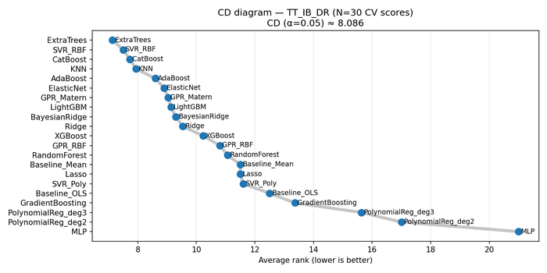

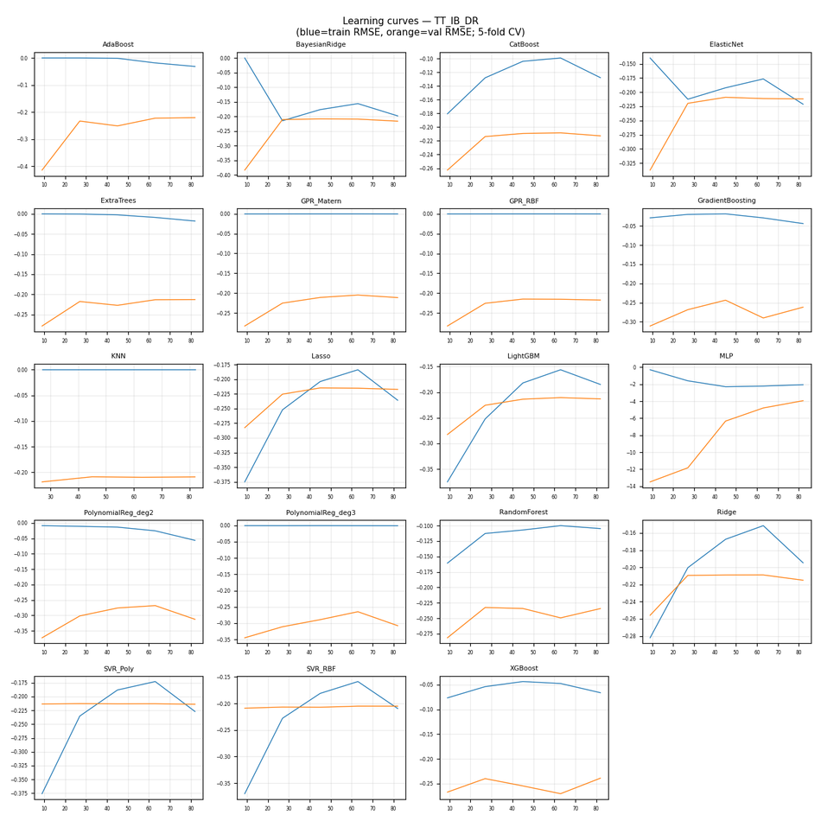

CV residuals by fold (all models)

TT_IB_LB
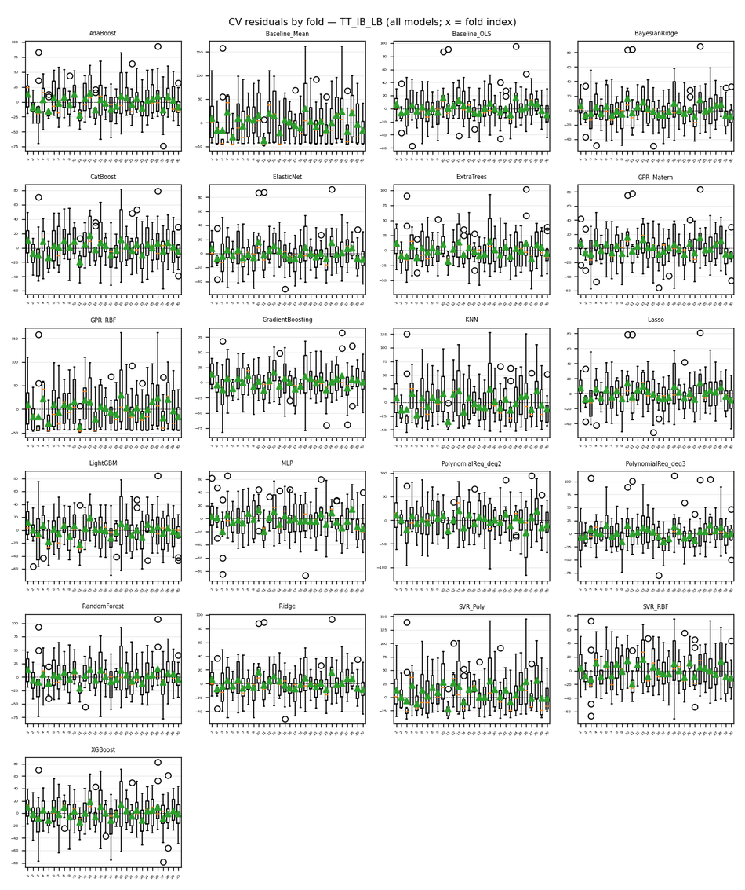
Target | TT_IB_LB
Generated | 2026-04-06 12:24:40 UTC
cv_results.json | /Users/iniyanilaalagunirmal/Desktop/Final Brexit ML Design/experimenting_ml/outputs/cv_results.json
Step 2 output dir | /Users/iniyanilaalagunirmal/Desktop/Final Brexit ML Design/experimenting_ml/outputs/step2
Nemenyi alpha | 0.05
Method | Friedman + Nemenyi (CV fold RMSEs)

Friedman statistic | 348.99220779
Friedman p-value | 7.1857251309E-62
n_blocks (CV scores) | 30
n_models | 21
Best mean-rank model | Lasso
Best mean rank | 5.0333333333
Tier-1 (not sig. vs best, Nemenyi) | Lasso

Per-model CV (Step 1) + mean rank (Friedman) + holdout test (if CSV)
model | mean_cv_rmse | std_cv_rmse | cv_n_scores | mean_rank | test_rmse | test_mae | test_r2 | best_params_json
Lasso | 21.564510073 | 5.5146801775 | 30 | 5.0333333333 | 22.10236744 | 19.000076873 | 0.81798267357 | {"alpha": 1}
ElasticNet | 22.109362724 | 5.9995569349 | 30 | 5.4333333333 | 21.441177657 | 18.405345386 | 0.82870984103 | {"alpha": 0.1, "l1_ratio": 0.8}
Ridge | 22.23606163 | 6.0986381126 | 30 | 5.9 | 21.290126321 | 18.310429772 | 0.83111478996 | {"alpha": 1}
BayesianRidge | 22.273069457 | 5.9752881761 | 30 | 5.7333333333 | 21.889524633 | 18.633762393 | 0.82147139877 | {"alpha_1": 1e-05, "alpha_2": 1e-05, "lambda_1": 1e-05}
GPR_Matern | 22.41098349 | 5.2775249189 | 30 | 5.5333333333 | 22.205359315 | 18.575074416 | 0.81628240482 | {"alpha": 0.001}
Baseline_OLS | 22.559467658 | 6.4290069557 | 30 | 6.7 |  |  |  | {}
CatBoost | 25.201846755 | 6.1850564638 | 30 | 8.2666666667 | 30.106119315 | 25.850985844 | 0.66228939506 | {"depth": 4, "iterations": 100, "learning_rate": 0.1}
MLP | 25.799893666 | 5.4122693949 | 30 | 10.066666667 | 24.858850724 | 19.357429071 | 0.76975127462 | {"alpha": 0.0001, "hidden_layer_sizes": [50, 50], "max_iter": 500}
XGBoost | 26.025007771 | 7.0463628835 | 30 | 9.9666666667 | 31.471533813 | 26.95838422 | 0.63096210816 | {"learning_rate": 0.1, "max_depth": 3, "n_estimators": 100}
GradientBoosting | 26.140810333 | 7.2335939818 | 30 | 10.066666667 | 29.503300107 | 25.097169033 | 0.67567805515 | {"learning_rate": 0.1, "max_depth": 3, "n_estimators": 100}
ExtraTrees | 26.264941014 | 6.9910679112 | 30 | 10.166666667 | 33.466893903 | 28.055544209 | 0.58268311632 | {"max_depth": null, "min_samples_split": 2, "n_estimators": 100}
LightGBM | 26.871702951 | 6.6218470589 | 30 | 10.466666667 | 27.163190289 | 24.43413002 | 0.72508610316 | {"learning_rate": 0.1, "n_estimators": 100, "num_leaves": 15}
SVR_RBF | 27.662454472 | 6.146971108 | 30 | 11.2 | 32.926335434 | 26.483610683 | 0.59605527775 | {"C": 100, "epsilon": 0.01, "gamma": "auto"}
AdaBoost | 28.187135015 | 6.7176322581 | 30 | 12.033333333 | 34.18911464 | 30.196557153 | 0.56447724501 | {"learning_rate": 1.0, "n_estimators": 100}
PolynomialReg_deg3 | 28.356971911 | 8.5555524518 | 30 | 11.133333333 | 34.006441052 | 27.756516495 | 0.56911883714 | {"ridge__alpha": 10}
RandomForest | 29.85226457 | 7.8738255704 | 30 | 13.266666667 | 37.255464607 | 31.792730769 | 0.48285169049 | {"max_depth": 10, "min_samples_split": 2, "n_estimators": 50}
PolynomialReg_deg2 | 36.479247673 | 10.217724928 | 30 | 15.966666667 | 34.613133043 | 28.248141172 | 0.55360742198 | {"ridge__alpha": 10}
SVR_Poly | 37.510181271 | 10.878692617 | 30 | 16.433333333 | 43.529203581 | 33.798936775 | 0.29401319452 | {"C": 10, "degree": 3, "epsilon": 0.1}
KNN | 38.03030719 | 9.5136323446 | 30 | 17.366666667 | 46.159948282 | 38.003101719 | 0.20610006036 | {"n_neighbors": 10, "p": 2, "weights": "distance"}
GPR_RBF | 45.444298328 | 10.136658166 | 30 | 19.933333333 | 53.133818329 | 44.519150049 | -0.051906635884 | {"alpha": 1e-10}
Baseline_Mean | 45.444328715 | 10.13666844 | 30 | 20.333333333 |  |  |  | {}

Nemenyi post-hoc p-values (pairwise)
 | 0 | 1 | 2 | 3 | 4 | 5 | 6 | 7 | 8 | 9 | 10 | 11 | 12 | 13 | 14 | 15 | 16 | 17 | 18 | 19 | 20
0 | 1 | 0.001 | 0.10523414132 | 0.013777419342 | 0.6898728895 | 0.0065874665599 | 0.9 | 0.0084636537939 | 0.001 | 0.9 | 0.10523414132 | 0.0022928977734 | 0.9 | 0.9 | 0.62094888797 | 0.9 | 0.9 | 0.020337339127 | 0.42132005946 | 0.9 | 0.9
1 | 0.001 | 1 | 0.001 | 0.001 | 0.001 | 0.001 | 0.001 | 0.001 | 0.9 | 0.001 | 0.9 | 0.001 | 0.001 | 0.001 | 0.4371489096 | 0.001 | 0.0019080010011 | 0.001 | 0.63473249962 | 0.001 | 0.001
2 | 0.10523414132 | 0.001 | 1 | 0.9 | 0.9 | 0.9 | 0.81393759417 | 0.9 | 0.001 | 0.85529598553 | 0.001 | 0.9 | 0.6898728895 | 0.85529598553 | 0.001 | 0.40532715258 | 0.0071656200039 | 0.9 | 0.001 | 0.37334481176 | 0.89664990046
3 | 0.013777419342 | 0.001 | 0.9 | 1 | 0.9 | 0.9 | 0.40532715258 | 0.9 | 0.001 | 0.45269359805 | 0.001 | 0.9 | 0.2743748268 | 0.45269359805 | 0.001 | 0.092659754023 | 0.001 | 0.9 | 0.001 | 0.082782948898 | 0.49685251629
4 | 0.6898728895 | 0.001 | 0.9 | 0.9 | 1 | 0.9 | 0.9 | 0.9 | 0.001 | 0.9 | 0.001 | 0.9 | 0.9 | 0.9 | 0.001 | 0.9 | 0.1843800856 | 0.9 | 0.001 | 0.9 | 0.9
5 | 0.0065874665599 | 0.001 | 0.9 | 0.9 | 0.9 | 1 | 0.2743748268 | 0.9 | 0.001 | 0.3137276732 | 0.001 | 0.9 | 0.17500023154 | 0.3137276732 | 0.001 | 0.051935235334 | 0.001 | 0.9 | 0.001 | 0.045331773593 | 0.35761709353
6 | 0.9 | 0.001 | 0.81393759417 | 0.40532715258 | 0.9 | 0.2743748268 | 1 | 0.3137276732 | 0.001 | 0.9 | 0.00131360892 | 0.14861297631 | 0.9 | 0.9 | 0.042318317042 | 0.9 | 0.9 | 0.48260447112 | 0.014914165717 | 0.9 | 0.9
7 | 0.0084636537939 | 0.001 | 0.9 | 0.9 | 0.9 | 0.9 | 0.3137276732 | 1 | 0.001 | 0.35761709353 | 0.001 | 0.9 | 0.20483570021 | 0.35761709353 | 0.001 | 0.063800372545 | 0.001 | 0.9 | 0.001 | 0.055659439625 | 0.40532715258
8 | 0.001 | 0.9 | 0.001 | 0.001 | 0.001 | 0.001 | 0.001 | 0.001 | 1 | 0.001 | 0.9 | 0.001 | 0.001 | 0.001 | 0.6071654307 | 0.001 | 0.0055544359157 | 0.001 | 0.80015676588 | 0.001 | 0.001
9 | 0.9 | 0.001 | 0.85529598553 | 0.45269359805 | 0.9 | 0.3137276732 | 0.9 | 0.35761709353 | 0.001 | 1 | 0.001 | 0.17500023154 | 0.9 | 0.9 | 0.034205556237 | 0.9 | 0.9 | 0.5244557513 | 0.011738034427 | 0.9 | 0.9
10 | 0.10523414132 | 0.9 | 0.001 | 0.001 | 0.001 | 0.001 | 0.00131360892 | 0.001 | 0.9 | 0.001 | 1 | 0.001 | 0.0030065497835 | 0.001 | 0.9 | 0.016135589718 | 0.55202310282 | 0.001 | 0.9 | 0.018840693154 | 0.001
11 | 0.0022928977734 | 0.001 | 0.9 | 0.9 | 0.9 | 0.9 | 0.14861297631 | 0.9 | 0.001 | 0.17500023154 | 0.001 | 1 | 0.087498245101 | 0.17500023154 | 0.001 | 0.021935634957 | 0.001 | 0.9 | 0.001 | 0.018840693154 | 0.20483570021
12 | 0.9 | 0.001 | 0.6898728895 | 0.2743748268 | 0.9 | 0.17500023154 | 0.9 | 0.20483570021 | 0.001 | 0.9 | 0.0030065497835 | 0.087498245101 | 1 | 0.9 | 0.077718205179 | 0.9 | 0.9 | 0.34222053844 | 0.029556605087 | 0.9 | 0.9
13 | 0.9 | 0.001 | 0.85529598553 | 0.45269359805 | 0.9 | 0.3137276732 | 0.9 | 0.35761709353 | 0.001 | 0.9 | 0.001 | 0.17500023154 | 0.9 | 1 | 0.034205556237 | 0.9 | 0.9 | 0.5244557513 | 0.011738034427 | 0.9 | 0.9
14 | 0.62094888797 | 0.4371489096 | 0.001 | 0.001 | 0.001 | 0.001 | 0.042318317042 | 0.001 | 0.6071654307 | 0.034205556237 | 0.9 | 0.001 | 0.077718205179 | 0.034205556237 | 1 | 0.23752796678 | 0.9 | 0.001 | 0.9 | 0.26172479326 | 0.027440326829
15 | 0.9 | 0.001 | 0.40532715258 | 0.092659754023 | 0.9 | 0.051935235334 | 0.9 | 0.063800372545 | 0.001 | 0.9 | 0.016135589718 | 0.021935634957 | 0.9 | 0.9 | 0.23752796678 | 1 | 0.9 | 0.12500475204 | 0.11200754452 | 0.9 | 0.9
16 | 0.9 | 0.0019080010011 | 0.0071656200039 | 0.001 | 0.1843800856 | 0.001 | 0.9 | 0.001 | 0.0055544359157 | 0.9 | 0.55202310282 | 0.001 | 0.9 | 0.9 | 0.9 | 0.9 | 1 | 0.001 | 0.9 | 0.9 | 0.88286478353
17 | 0.020337339127 | 0.001 | 0.9 | 0.9 | 0.9 | 0.9 | 0.48260447112 | 0.9 | 0.001 | 0.5244557513 | 0.001 | 0.9 | 0.34222053844 | 0.5244557513 | 0.001 | 0.12500475204 | 0.001 | 1 | 0.001 | 0.11200754452 | 0.56580826679
18 | 0.42132005946 | 0.63473249962 | 0.001 | 0.001 | 0.001 | 0.001 | 0.014914165717 | 0.001 | 0.80015676588 | 0.011738034427 | 0.9 | 0.001 | 0.029556605087 | 0.011738034427 | 0.9 | 0.11200754452 | 0.9 | 0.001 | 1 | 0.12500475204 | 0.009193266458
19 | 0.9 | 0.001 | 0.37334481176 | 0.082782948898 | 0.9 | 0.045331773593 | 0.9 | 0.055659439625 | 0.001 | 0.9 | 0.018840693154 | 0.018840693154 | 0.9 | 0.9 | 0.26172479326 | 0.9 | 0.9 | 0.11200754452 | 0.12500475204 | 1 | 0.9
20 | 0.9 | 0.001 | 0.89664990046 | 0.49685251629 | 0.9 | 0.35761709353 | 0.9 | 0.40532715258 | 0.001 | 0.9 | 0.001 | 0.20483570021 | 0.9 | 0.9 | 0.027440326829 | 0.9 | 0.88286478353 | 0.56580826679 | 0.009193266458 | 0.9 | 1

Figures (embedded)
CD diagram (average ranks); learning-curve grid (all models); residual-by-fold grid (all models) when Step 2 residuals were run.

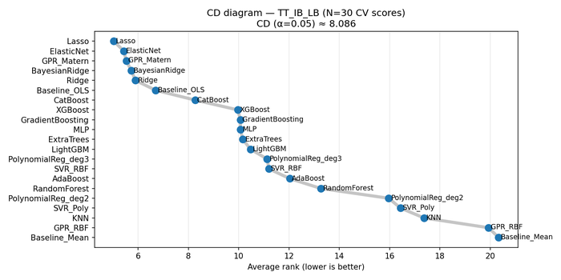

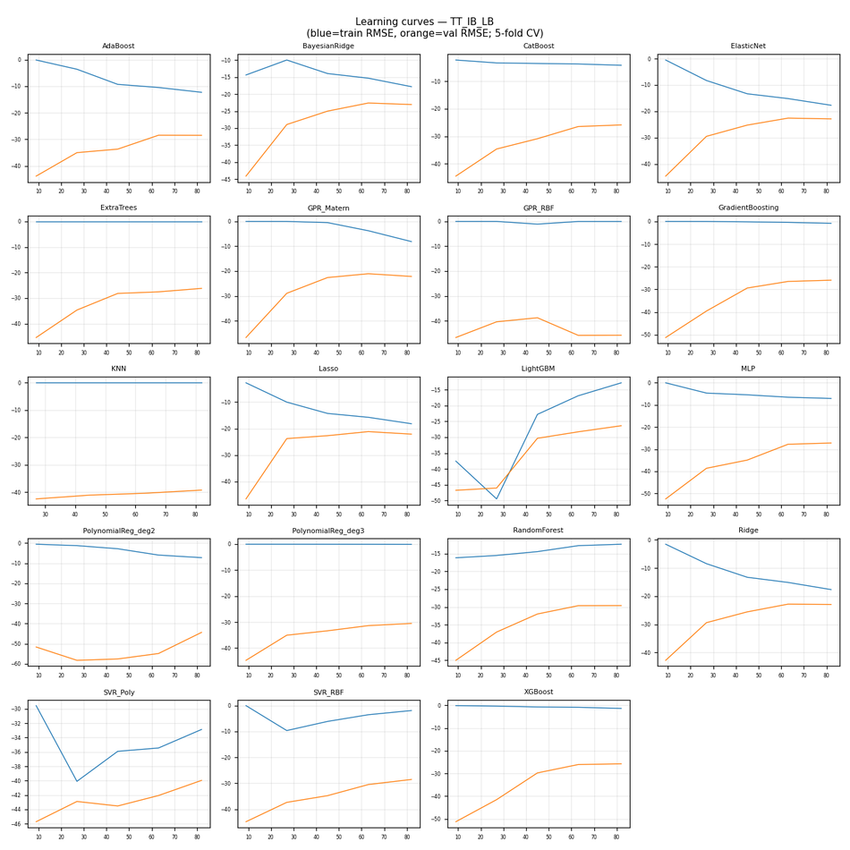

CV residuals by fold (all models)

TT_OB_Agri
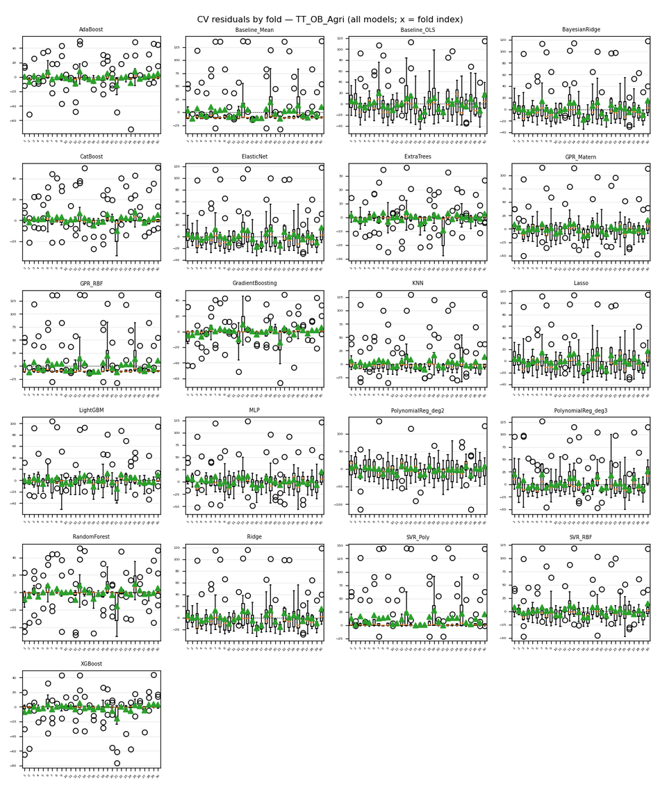
Target | TT_OB_Agri
Generated | 2026-04-06 12:24:40 UTC
cv_results.json | /Users/iniyanilaalagunirmal/Desktop/Final Brexit ML Design/experimenting_ml/outputs/cv_results.json
Step 2 output dir | /Users/iniyanilaalagunirmal/Desktop/Final Brexit ML Design/experimenting_ml/outputs/step2
Nemenyi alpha | 0.05
Method | Friedman + Nemenyi (CV fold RMSEs)

Friedman statistic | 331.56778285
Friedman p-value | 2.7616758867E-58
n_blocks (CV scores) | 30
n_models | 21
Best mean-rank model | ExtraTrees
Best mean rank | 2.2
Tier-1 (not sig. vs best, Nemenyi) | ExtraTrees

Per-model CV (Step 1) + mean rank (Friedman) + holdout test (if CSV)
model | mean_cv_rmse | std_cv_rmse | cv_n_scores | mean_rank | test_rmse | test_mae | test_r2 | best_params_json
ExtraTrees | 6.7757087644 | 3.3383748005 | 30 | 2.2 | 6.9151975735 | 3.688465812 | 0.94364445207 | {"max_depth": 5, "min_samples_split": 2, "n_estimators": 50}
CatBoost | 9.8094156082 | 4.6379736856 | 30 | 4.1666666667 | 6.4599011527 | 3.4958988341 | 0.95082105179 | {"depth": 4, "iterations": 100, "learning_rate": 0.1}
XGBoost | 10.12354063 | 6.9744295094 | 30 | 4.9666666667 | 9.4382315539 | 4.7741594168 | 0.8950194734 | {"learning_rate": 0.1, "max_depth": 3, "n_estimators": 100}
AdaBoost | 10.617975248 | 6.1546270564 | 30 | 5.3666666667 | 12.031797386 | 5.872083401 | 0.8293962745 | {"learning_rate": 0.5, "n_estimators": 200}
GradientBoosting | 11.22726304 | 6.0783794777 | 30 | 5.5 | 11.120580141 | 4.8371643459 | 0.85425878713 | {"learning_rate": 0.1, "max_depth": 3, "n_estimators": 100}
RandomForest | 12.961384186 | 5.9748982548 | 30 | 6.8 | 7.5244824415 | 3.6021291459 | 0.93327620226 | {"max_depth": 10, "min_samples_split": 2, "n_estimators": 200}
LightGBM | 18.593816203 | 9.0231245728 | 30 | 7.8333333333 | 19.99972122 | 10.581699557 | 0.52861541644 | {"learning_rate": 0.1, "n_estimators": 50, "num_leaves": 15}
SVR_RBF | 22.138889601 | 9.5818668429 | 30 | 10.6 | 23.923484421 | 12.69486959 | 0.32550868856 | {"C": 100, "epsilon": 0.5, "gamma": "scale"}
GPR_Matern | 22.425135127 | 8.4619171369 | 30 | 10.966666667 | 23.509153744 | 14.481074454 | 0.34866939816 | {"alpha": 0.001}
KNN | 22.707745989 | 11.806885032 | 30 | 12.133333333 | 20.964857903 | 9.5104395604 | 0.48202197266 | {"n_neighbors": 10, "p": 2, "weights": "distance"}
MLP | 23.578470249 | 8.5906962163 | 30 | 13.366666667 | 25.953498418 | 18.585209116 | 0.2061849924 | {"alpha": 0.001, "hidden_layer_sizes": [50], "max_iter": 500}
Ridge | 23.972306824 | 9.5576989903 | 30 | 12.4 | 24.998429418 | 16.425897222 | 0.26353359768 | {"alpha": 100}
ElasticNet | 24.084572528 | 9.3566323749 | 30 | 12.333333333 | 24.811475726 | 16.457439034 | 0.27450790842 | {"alpha": 1, "l1_ratio": 0.2}
BayesianRidge | 24.325462397 | 9.3292225433 | 30 | 13.133333333 | 24.995784658 | 16.67296883 | 0.26368942142 | {"alpha_1": 1e-05, "alpha_2": 1e-05, "lambda_1": 1e-05}
Lasso | 24.793227514 | 8.5927835579 | 30 | 13.666666667 | 23.854476401 | 16.747913162 | 0.32939425793 | {"alpha": 1}
SVR_Poly | 26.323793656 | 16.752473041 | 30 | 14.9 | 30.301344255 | 12.818620855 | -0.082059848113 | {"C": 1, "degree": 3, "epsilon": 0.1}
Baseline_OLS | 26.740433252 | 8.6945103166 | 30 | 15.733333333 |  |  |  | {}
GPR_RBF | 27.158155815 | 13.110501089 | 30 | 15.716666667 | 29.156169837 | 17.675737257 | -0.0018170847432 | {"alpha": 0.001}
Baseline_Mean | 27.158173545 | 13.110483035 | 30 | 16.016666667 |  |  |  | {}
PolynomialReg_deg3 | 27.435901189 | 10.752612372 | 30 | 15 | 25.728943081 | 17.49178542 | 0.21986208833 | {"ridge__alpha": 0.001}
PolynomialReg_deg2 | 32.384097778 | 7.456021193 | 30 | 18.2 | 33.213125997 | 25.850331561 | -0.30001091014 | {"ridge__alpha": 10}

Nemenyi post-hoc p-values (pairwise)
 | 0 | 1 | 2 | 3 | 4 | 5 | 6 | 7 | 8 | 9 | 10 | 11 | 12 | 13 | 14 | 15 | 16 | 17 | 18 | 19 | 20
0 | 1 | 0.001 | 0.001 | 0.001 | 0.9 | 0.0025123769094 | 0.9 | 0.063800372545 | 0.001 | 0.9 | 0.0042855463415 | 0.001 | 0.9 | 0.001 | 0.001 | 0.001 | 0.9 | 0.0020941532027 | 0.001 | 0.12500475204 | 0.9
1 | 0.001 | 1 | 0.9 | 0.9 | 0.001 | 0.7243380554 | 0.001 | 0.17098107994 | 0.9 | 0.001 | 0.64162812327 | 0.9 | 0.001 | 0.9 | 0.9 | 0.9 | 0.001 | 0.75190655021 | 0.9 | 0.089732826445 | 0.001
2 | 0.001 | 0.9 | 1 | 0.9 | 0.001 | 0.84150753726 | 0.001 | 0.26172479326 | 0.9 | 0.001 | 0.75879750714 | 0.9 | 0.001 | 0.9 | 0.9 | 0.9 | 0.001 | 0.86907959719 | 0.9 | 0.14861297631 | 0.001
3 | 0.001 | 0.9 | 0.9 | 1 | 0.001 | 0.9 | 0.001 | 0.9 | 0.9 | 0.001 | 0.9 | 0.9 | 0.11200754452 | 0.9 | 0.16636958912 | 0.9 | 0.012720313727 | 0.9 | 0.9 | 0.9 | 0.001
4 | 0.9 | 0.001 | 0.001 | 0.001 | 1 | 0.001 | 0.9 | 0.0039247678812 | 0.001 | 0.9 | 0.001 | 0.001 | 0.73122894578 | 0.001 | 0.001 | 0.001 | 0.9 | 0.001 | 0.001 | 0.0099744581482 | 0.9
5 | 0.0025123769094 | 0.7243380554 | 0.84150753726 | 0.9 | 0.001 | 1 | 0.001 | 0.9 | 0.84839908613 | 0.0035924352874 | 0.9 | 0.9 | 0.37334481176 | 0.9 | 0.036755296923 | 0.9 | 0.072859884186 | 0.9 | 0.9 | 0.9 | 0.001
6 | 0.9 | 0.001 | 0.001 | 0.001 | 0.9 | 0.001 | 1 | 0.001 | 0.001 | 0.88286478353 | 0.001 | 0.001 | 0.05961199903 | 0.001 | 0.001 | 0.001 | 0.32726166966 | 0.001 | 0.001 | 0.001 | 0.9
7 | 0.063800372545 | 0.17098107994 | 0.26172479326 | 0.9 | 0.0039247678812 | 0.9 | 0.001 | 1 | 0.26800956339 | 0.082782948898 | 0.9 | 0.9 | 0.9 | 0.9 | 0.0011965020699 | 0.57959348625 | 0.5244557513 | 0.9 | 0.62094888797 | 0.9 | 0.027440326829
8 | 0.001 | 0.9 | 0.9 | 0.9 | 0.001 | 0.84839908613 | 0.001 | 0.26800956339 | 1 | 0.001 | 0.765691763 | 0.9 | 0.001 | 0.9 | 0.9 | 0.9 | 0.001 | 0.8759720584 | 0.9 | 0.15294786108 | 0.001
9 | 0.9 | 0.001 | 0.001 | 0.001 | 0.9 | 0.0035924352874 | 0.88286478353 | 0.082782948898 | 0.001 | 1 | 0.0060493081502 | 0.001 | 0.9 | 0.001 | 0.001 | 0.001 | 0.9 | 0.0030065497835 | 0.001 | 0.15734674781 | 0.9
10 | 0.0042855463415 | 0.64162812327 | 0.75879750714 | 0.9 | 0.001 | 0.9 | 0.001 | 0.9 | 0.765691763 | 0.0060493081502 | 1 | 0.9 | 0.46786805807 | 0.9 | 0.023640174432 | 0.9 | 0.10523414132 | 0.9 | 0.9 | 0.9 | 0.0014439326887
11 | 0.001 | 0.9 | 0.9 | 0.9 | 0.001 | 0.9 | 0.001 | 0.9 | 0.9 | 0.001 | 0.9 | 1 | 0.039457226199 | 0.9 | 0.35761709353 | 0.9 | 0.0032861291167 | 0.9 | 0.9 | 0.9 | 0.001
12 | 0.9 | 0.001 | 0.001 | 0.11200754452 | 0.73122894578 | 0.37334481176 | 0.05961199903 | 0.9 | 0.001 | 0.9 | 0.46786805807 | 0.039457226199 | 1 | 0.072859884186 | 0.001 | 0.0014439326887 | 0.9 | 0.34222053844 | 0.0019080010011 | 0.9 | 0.9
13 | 0.001 | 0.9 | 0.9 | 0.9 | 0.001 | 0.9 | 0.001 | 0.9 | 0.9 | 0.001 | 0.9 | 0.9 | 0.072859884186 | 1 | 0.23752796678 | 0.9 | 0.0071656200039 | 0.9 | 0.9 | 0.9 | 0.001
14 | 0.001 | 0.9 | 0.9 | 0.16636958912 | 0.001 | 0.036755296923 | 0.001 | 0.0011965020699 | 0.9 | 0.001 | 0.023640174432 | 0.35761709353 | 0.001 | 0.23752796678 | 1 | 0.9 | 0.001 | 0.042318317042 | 0.88286478353 | 0.001 | 0.001
15 | 0.001 | 0.9 | 0.9 | 0.9 | 0.001 | 0.9 | 0.001 | 0.57959348625 | 0.9 | 0.001 | 0.9 | 0.9 | 0.0014439326887 | 0.9 | 0.9 | 1 | 0.001 | 0.9 | 0.9 | 0.42132005946 | 0.001
16 | 0.9 | 0.001 | 0.001 | 0.012720313727 | 0.9 | 0.072859884186 | 0.32726166966 | 0.5244557513 | 0.001 | 0.9 | 0.10523414132 | 0.0032861291167 | 0.9 | 0.0071656200039 | 0.001 | 0.001 | 1 | 0.063800372545 | 0.001 | 0.67608835203 | 0.9
17 | 0.0020941532027 | 0.75190655021 | 0.86907959719 | 0.9 | 0.001 | 0.9 | 0.001 | 0.9 | 0.8759720584 | 0.0030065497835 | 0.9 | 0.9 | 0.34222053844 | 0.9 | 0.042318317042 | 0.9 | 0.063800372545 | 1 | 0.9 | 0.9 | 0.001
18 | 0.001 | 0.9 | 0.9 | 0.9 | 0.001 | 0.9 | 0.001 | 0.62094888797 | 0.9 | 0.001 | 0.9 | 0.9 | 0.0019080010011 | 0.9 | 0.88286478353 | 0.9 | 0.001 | 0.9 | 1 | 0.46786805807 | 0.001
19 | 0.12500475204 | 0.089732826445 | 0.14861297631 | 0.9 | 0.0099744581482 | 0.9 | 0.001 | 0.9 | 0.15294786108 | 0.15734674781 | 0.9 | 0.9 | 0.9 | 0.9 | 0.001 | 0.42132005946 | 0.67608835203 | 0.9 | 0.46786805807 | 1 | 0.05961199903
20 | 0.9 | 0.001 | 0.001 | 0.001 | 0.9 | 0.001 | 0.9 | 0.027440326829 | 0.001 | 0.9 | 0.0014439326887 | 0.001 | 0.9 | 0.001 | 0.001 | 0.001 | 0.9 | 0.001 | 0.001 | 0.05961199903 | 1

Figures (embedded)
CD diagram (average ranks); learning-curve grid (all models); residual-by-fold grid (all models) when Step 2 residuals were run.

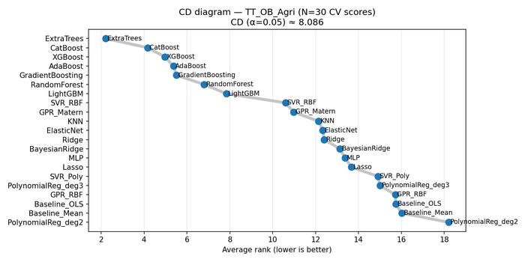

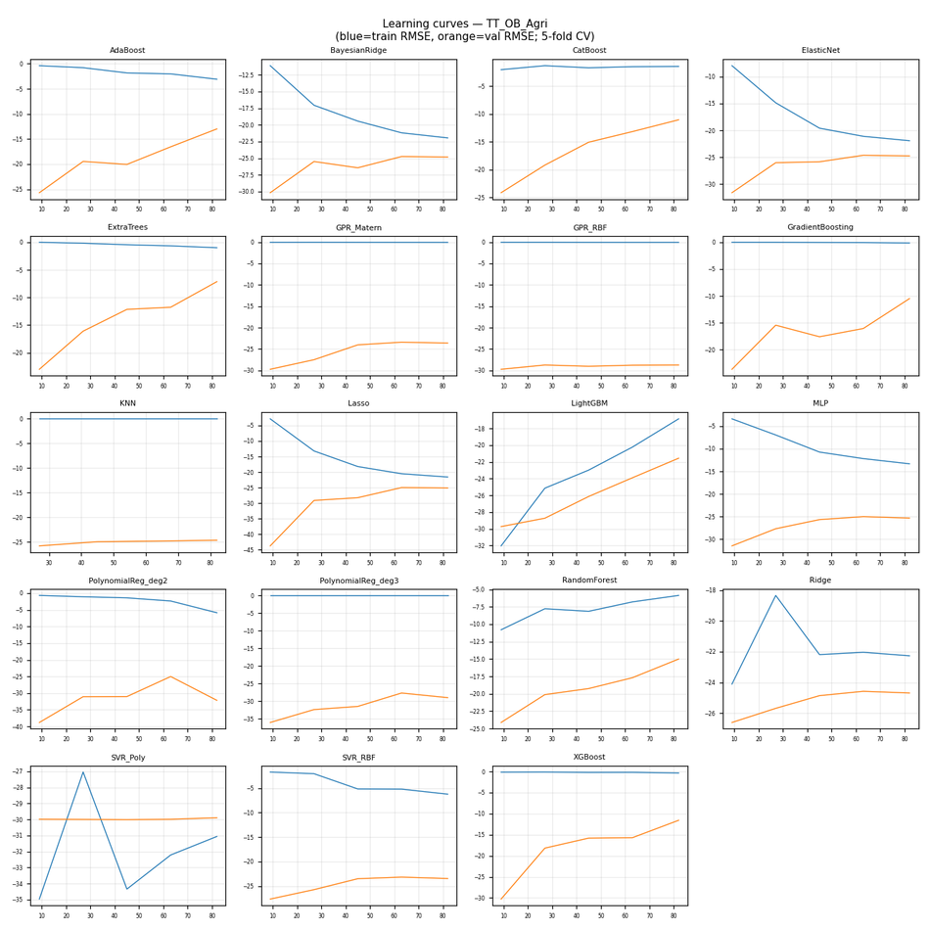

CV residuals by fold (all models)

TT_OB_DR
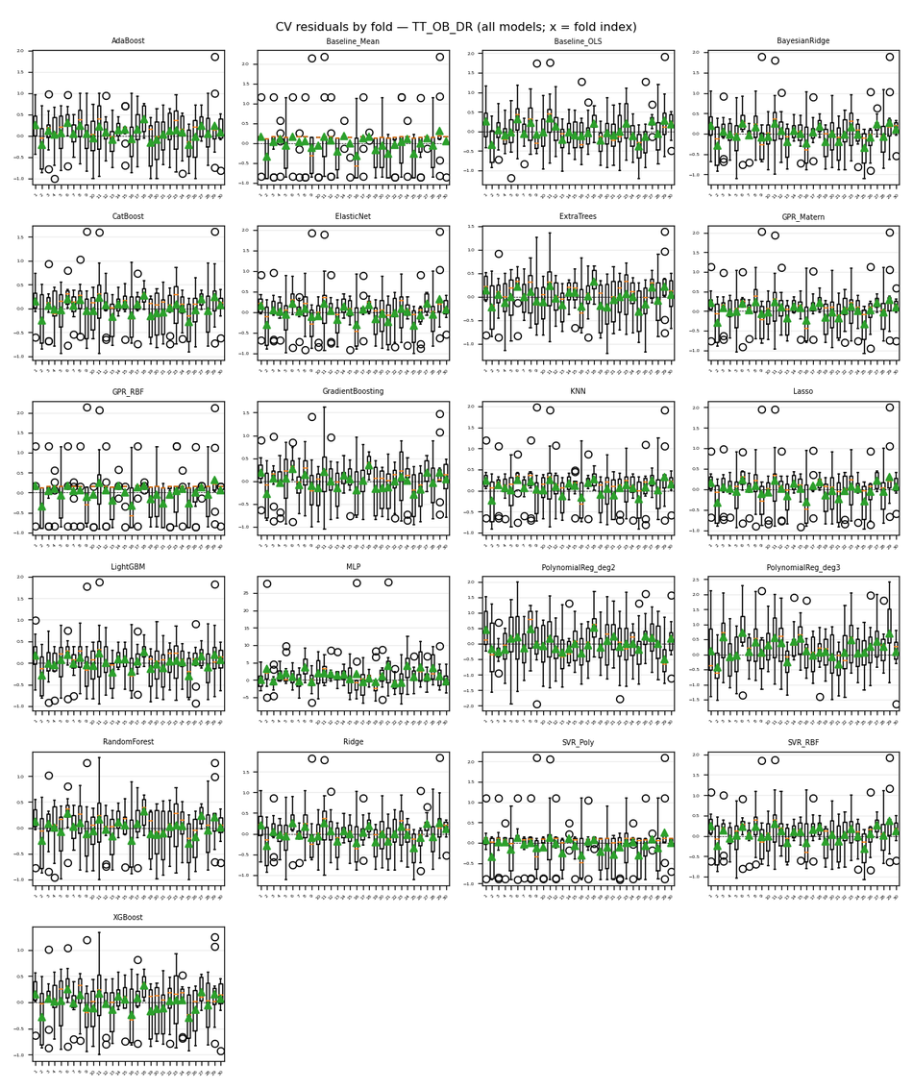
Target | TT_OB_DR
Generated | 2026-04-06 12:24:40 UTC
cv_results.json | /Users/iniyanilaalagunirmal/Desktop/Final Brexit ML Design/experimenting_ml/outputs/cv_results.json
Step 2 output dir | /Users/iniyanilaalagunirmal/Desktop/Final Brexit ML Design/experimenting_ml/outputs/step2
Nemenyi alpha | 0.05
Method | Friedman + Nemenyi (CV fold RMSEs)

Friedman statistic | 285.09632452
Friedman p-value | 8.8332255791E-49
n_blocks (CV scores) | 30
n_models | 21
Best mean-rank model | CatBoost
Best mean rank | 4.1666666667
Tier-1 (not sig. vs best, Nemenyi) | CatBoost

Per-model CV (Step 1) + mean rank (Friedman) + holdout test (if CSV)
model | mean_cv_rmse | std_cv_rmse | cv_n_scores | mean_rank | test_rmse | test_mae | test_r2 | best_params_json
CatBoost | 0.43447907487 | 0.12488192256 | 30 | 4.1666666667 | 0.56043768501 | 0.43436333808 | 0.44452409592 | {"depth": 4, "iterations": 50, "learning_rate": 0.1}
RandomForest | 0.45783940049 | 0.10965560737 | 30 | 8.0666666667 | 0.50539181921 | 0.36746404051 | 0.54828243443 | {"max_depth": 5, "min_samples_split": 2, "n_estimators": 100}
XGBoost | 0.45811096376 | 0.10168872419 | 30 | 9 | 0.50892039735 | 0.37435070918 | 0.54195275145 | {"learning_rate": 0.05, "max_depth": 3, "n_estimators": 50}
LightGBM | 0.45904175756 | 0.12855858082 | 30 | 7.0333333333 | 0.61736030243 | 0.46650493493 | 0.32595644025 | {"learning_rate": 0.05, "n_estimators": 50, "num_leaves": 15}
KNN | 0.46042513639 | 0.14064311178 | 30 | 7.6333333333 | 0.66804536926 | 0.50769230769 | 0.21073566346 | {"n_neighbors": 15, "p": 1, "weights": "distance"}
Ridge | 0.46393022508 | 0.14088966056 | 30 | 8.5 | 0.6508894308 | 0.48975470343 | 0.25075301757 | {"alpha": 100}
BayesianRidge | 0.46508649236 | 0.14632331864 | 30 | 8.6 | 0.65737259188 | 0.49053760172 | 0.23575298817 | {"alpha_1": 1e-05, "alpha_2": 1e-05, "lambda_1": 1e-05}
SVR_RBF | 0.46540870771 | 0.14180684475 | 30 | 8.6 | 0.63728709281 | 0.5043022208 | 0.28174144271 | {"C": 10, "epsilon": 0.5, "gamma": "auto"}
ElasticNet | 0.46562854687 | 0.14836881635 | 30 | 8.5333333333 | 0.66028728477 | 0.47486988221 | 0.22896084726 | {"alpha": 0.1, "l1_ratio": 0.8}
Lasso | 0.46635561698 | 0.15293497943 | 30 | 8.7333333333 | 0.67385375345 | 0.48170094808 | 0.19695133011 | {"alpha": 0.1}
ExtraTrees | 0.46787317774 | 0.095467852079 | 30 | 9.0666666667 | 0.49796648311 | 0.39153387953 | 0.56145840841 | {"max_depth": 5, "min_samples_split": 5, "n_estimators": 50}
GPR_Matern | 0.47746863002 | 0.15470681188 | 30 | 10.266666667 | 0.65707414189 | 0.4990020774 | 0.23644677352 | {"alpha": 1e-06}
SVR_Poly | 0.48282913264 | 0.18446053111 | 30 | 11.6 | 0.73462071199 | 0.5471185334 | 0.045585780755 | {"C": 0.1, "degree": 3, "epsilon": 0.1}
GradientBoosting | 0.48382273798 | 0.10771838615 | 30 | 11.566666667 | 0.51158175262 | 0.3765289907 | 0.53714958828 | {"learning_rate": 0.05, "max_depth": 3, "n_estimators": 50}
AdaBoost | 0.49121448393 | 0.10621179239 | 30 | 11.3 | 0.49693971278 | 0.37285032283 | 0.56326502505 | {"learning_rate": 1.0, "n_estimators": 200}
GPR_RBF | 0.4988697463 | 0.17794384402 | 30 | 13 | 0.7520894187 | 0.55825277043 | -0.00034434323068 | {"alpha": 1e-06}
Baseline_Mean | 0.50011115779 | 0.18038006725 | 30 | 13.2 |  |  |  | {}
Baseline_OLS | 0.50077536559 | 0.11604768747 | 30 | 12.833333333 |  |  |  | {}
PolynomialReg_deg2 | 0.7273968378 | 0.13209620871 | 30 | 18.7 | 0.82222607425 | 0.65940205534 | -0.19561967564 | {"ridge__alpha": 10}
PolynomialReg_deg3 | 0.79555454921 | 0.18432543404 | 30 | 19.6 | 0.73193133971 | 0.60022485196 | 0.052561017765 | {"ridge__alpha": 10}
MLP | 4.0769644975 | 2.0247890109 | 30 | 21 | 3.5958604639 | 2.7100497656 | -21.867370327 | {"alpha": 0.001, "hidden_layer_sizes": [50, 50], "max_iter": 500}

Nemenyi post-hoc p-values (pairwise)
 | 0 | 1 | 2 | 3 | 4 | 5 | 6 | 7 | 8 | 9 | 10 | 11 | 12 | 13 | 14 | 15 | 16 | 17 | 18 | 19 | 20
0 | 1 | 0.9 | 0.9 | 0.9 | 0.0015873078311 | 0.9 | 0.9 | 0.9 | 0.9 | 0.9 | 0.73122894578 | 0.9 | 0.48260447112 | 0.001 | 0.001 | 0.001 | 0.9 | 0.9 | 0.9 | 0.9 | 0.9
1 | 0.9 | 1 | 0.9 | 0.32726166966 | 0.001 | 0.30045167816 | 0.53823917645 | 0.9 | 0.9 | 0.9 | 0.068214783906 | 0.38929285097 | 0.018840693154 | 0.001 | 0.077718205179 | 0.010823350125 | 0.14861297631 | 0.2873107557 | 0.9 | 0.32726166966 | 0.51066634486
2 | 0.9 | 0.9 | 1 | 0.49685251629 | 0.001 | 0.46786805807 | 0.6898728895 | 0.9 | 0.9 | 0.9 | 0.13213336689 | 0.55202310282 | 0.042318317042 | 0.001 | 0.036755296923 | 0.0042855463415 | 0.26172479326 | 0.45269359805 | 0.9 | 0.49685251629 | 0.66230508247
3 | 0.9 | 0.32726166966 | 0.49685251629 | 1 | 0.40532715258 | 0.9 | 0.9 | 0.9 | 0.42132005946 | 0.9 | 0.9 | 0.9 | 0.9 | 0.001 | 0.001 | 0.001 | 0.9 | 0.9 | 0.9 | 0.9 | 0.9
4 | 0.0015873078311 | 0.001 | 0.001 | 0.40532715258 | 1 | 0.4371489096 | 0.21561316944 | 0.021935634957 | 0.001 | 0.001 | 0.81393759417 | 0.34222053844 | 0.9 | 0.001 | 0.001 | 0.001 | 0.63473249962 | 0.45269359805 | 0.001 | 0.40532715258 | 0.23752796678
5 | 0.9 | 0.30045167816 | 0.46786805807 | 0.9 | 0.4371489096 | 1 | 0.9 | 0.9 | 0.38929285097 | 0.9 | 0.9 | 0.9 | 0.9 | 0.001 | 0.001 | 0.001 | 0.9 | 0.9 | 0.9 | 0.9 | 0.9
6 | 0.9 | 0.53823917645 | 0.6898728895 | 0.9 | 0.21561316944 | 0.9 | 1 | 0.9 | 0.62094888797 | 0.9 | 0.9 | 0.9 | 0.9 | 0.001 | 0.001 | 0.001 | 0.9 | 0.9 | 0.9 | 0.9 | 0.9
7 | 0.9 | 0.9 | 0.9 | 0.9 | 0.021935634957 | 0.9 | 0.9 | 1 | 0.9 | 0.9 | 0.9 | 0.9 | 0.9 | 0.001 | 0.001 | 0.001 | 0.9 | 0.9 | 0.9 | 0.9 | 0.9
8 | 0.9 | 0.9 | 0.9 | 0.42132005946 | 0.001 | 0.38929285097 | 0.62094888797 | 0.9 | 1 | 0.9 | 0.09877809358 | 0.48260447112 | 0.029556605087 | 0.001 | 0.051935235334 | 0.0065874665599 | 0.20483570021 | 0.37334481176 | 0.9 | 0.42132005946 | 0.59337908524
9 | 0.9 | 0.9 | 0.9 | 0.9 | 0.001 | 0.9 | 0.9 | 0.9 | 0.9 | 1 | 0.62094888797 | 0.9 | 0.35761709353 | 0.001 | 0.0015873078311 | 0.001 | 0.80015676588 | 0.9 | 0.9 | 0.9 | 0.9
10 | 0.73122894578 | 0.068214783906 | 0.13213336689 | 0.9 | 0.81393759417 | 0.9 | 0.9 | 0.9 | 0.09877809358 | 0.62094888797 | 1 | 0.9 | 0.9 | 0.001 | 0.001 | 0.001 | 0.9 | 0.9 | 0.6071654307 | 0.9 | 0.9
11 | 0.9 | 0.38929285097 | 0.55202310282 | 0.9 | 0.34222053844 | 0.9 | 0.9 | 0.9 | 0.48260447112 | 0.9 | 0.9 | 1 | 0.9 | 0.001 | 0.001 | 0.001 | 0.9 | 0.9 | 0.9 | 0.9 | 0.9
12 | 0.48260447112 | 0.018840693154 | 0.042318317042 | 0.9 | 0.9 | 0.9 | 0.9 | 0.9 | 0.029556605087 | 0.35761709353 | 0.9 | 0.9 | 1 | 0.001 | 0.001 | 0.001 | 0.9 | 0.9 | 0.34222053844 | 0.9 | 0.9
13 | 0.001 | 0.001 | 0.001 | 0.001 | 0.001 | 0.001 | 0.001 | 0.001 | 0.001 | 0.001 | 0.001 | 0.001 | 0.001 | 1 | 0.9 | 0.9 | 0.001 | 0.001 | 0.001 | 0.001 | 0.001
14 | 0.001 | 0.077718205179 | 0.036755296923 | 0.001 | 0.001 | 0.001 | 0.001 | 0.001 | 0.051935235334 | 0.0015873078311 | 0.001 | 0.001 | 0.001 | 0.9 | 1 | 0.9 | 0.001 | 0.001 | 0.0017390961716 | 0.001 | 0.001
15 | 0.001 | 0.010823350125 | 0.0042855463415 | 0.001 | 0.001 | 0.001 | 0.001 | 0.001 | 0.0065874665599 | 0.001 | 0.001 | 0.001 | 0.001 | 0.9 | 0.9 | 1 | 0.001 | 0.001 | 0.001 | 0.001 | 0.001
16 | 0.9 | 0.14861297631 | 0.26172479326 | 0.9 | 0.63473249962 | 0.9 | 0.9 | 0.9 | 0.20483570021 | 0.80015676588 | 0.9 | 0.9 | 0.9 | 0.001 | 0.001 | 0.001 | 1 | 0.9 | 0.78636922269 | 0.9 | 0.9
17 | 0.9 | 0.2873107557 | 0.45269359805 | 0.9 | 0.45269359805 | 0.9 | 0.9 | 0.9 | 0.37334481176 | 0.9 | 0.9 | 0.9 | 0.9 | 0.001 | 0.001 | 0.001 | 0.9 | 1 | 0.9 | 0.9 | 0.9
18 | 0.9 | 0.9 | 0.9 | 0.9 | 0.001 | 0.9 | 0.9 | 0.9 | 0.9 | 0.9 | 0.6071654307 | 0.9 | 0.34222053844 | 0.001 | 0.0017390961716 | 0.001 | 0.78636922269 | 0.9 | 1 | 0.9 | 0.9
19 | 0.9 | 0.32726166966 | 0.49685251629 | 0.9 | 0.40532715258 | 0.9 | 0.9 | 0.9 | 0.42132005946 | 0.9 | 0.9 | 0.9 | 0.9 | 0.001 | 0.001 | 0.001 | 0.9 | 0.9 | 0.9 | 1 | 0.9
20 | 0.9 | 0.51066634486 | 0.66230508247 | 0.9 | 0.23752796678 | 0.9 | 0.9 | 0.9 | 0.59337908524 | 0.9 | 0.9 | 0.9 | 0.9 | 0.001 | 0.001 | 0.001 | 0.9 | 0.9 | 0.9 | 0.9 | 1

Figures (embedded)
CD diagram (average ranks); learning-curve grid (all models); residual-by-fold grid (all models) when Step 2 residuals were run.

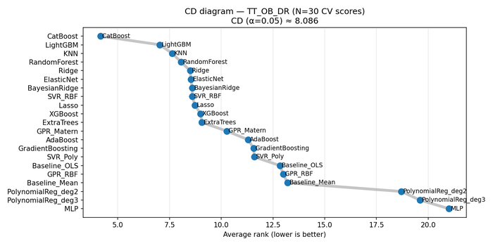

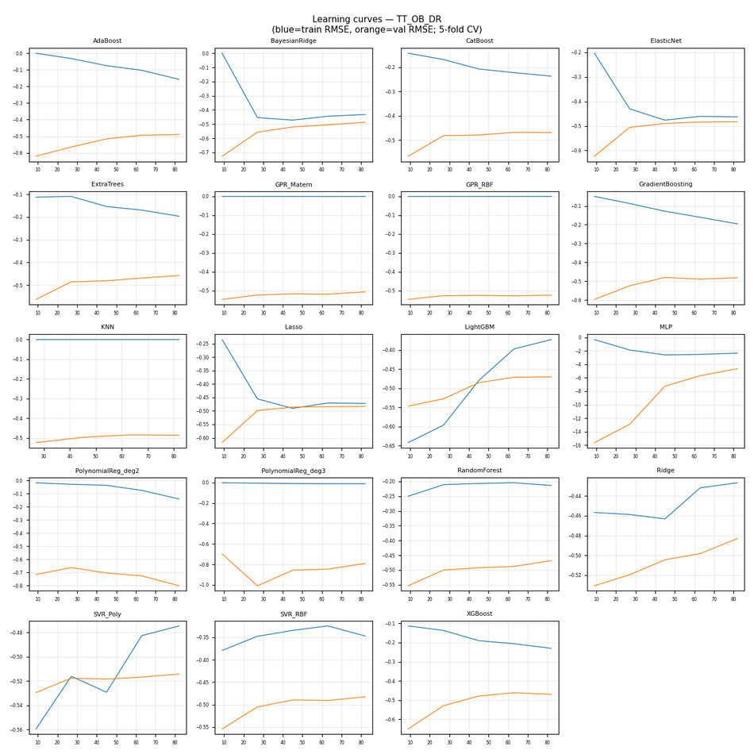

CV residuals by fold (all models)

TT_OB_LB
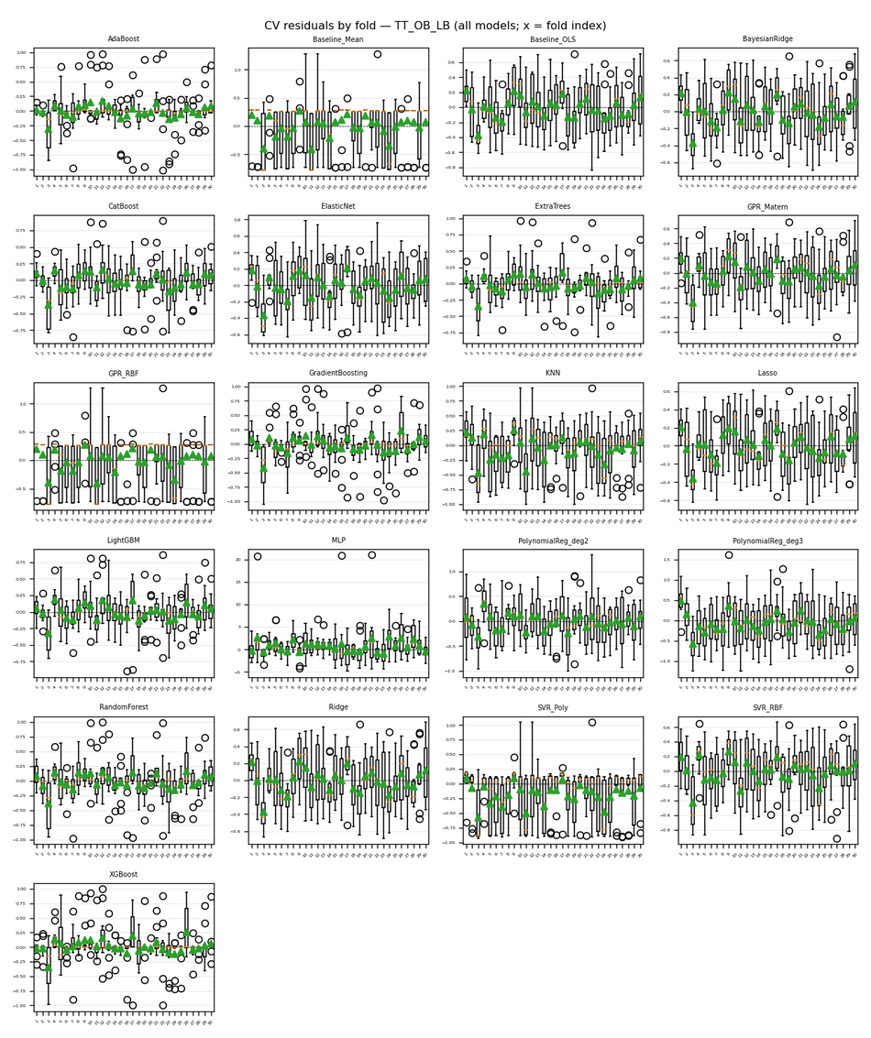
Target | TT_OB_LB
Generated | 2026-04-06 12:24:40 UTC
cv_results.json | /Users/iniyanilaalagunirmal/Desktop/Final Brexit ML Design/experimenting_ml/outputs/cv_results.json
Step 2 output dir | /Users/iniyanilaalagunirmal/Desktop/Final Brexit ML Design/experimenting_ml/outputs/step2
Nemenyi alpha | 0.05
Method | Friedman + Nemenyi (CV fold RMSEs)

Friedman statistic | 392.32034632
Friedman p-value | 7.9935699065E-71
n_blocks (CV scores) | 30
n_models | 21
Best mean-rank model | ExtraTrees
Best mean rank | 4.2666666667
Tier-1 (not sig. vs best, Nemenyi) | ExtraTrees

Per-model CV (Step 1) + mean rank (Friedman) + holdout test (if CSV)
model | mean_cv_rmse | std_cv_rmse | cv_n_scores | mean_rank | test_rmse | test_mae | test_r2 | best_params_json
AdaBoost | 0.25912626997 | 0.118438338 | 30 | 5.7333333333 | 0.18253983421 | 0.092432055687 | 0.78557967857 | {"learning_rate": 0.5, "n_estimators": 200}
ExtraTrees | 0.26144084604 | 0.082532254973 | 30 | 4.2666666667 | 0.18001454095 | 0.12632264598 | 0.79147131053 | {"max_depth": null, "min_samples_split": 2, "n_estimators": 200}
LightGBM | 0.27048611518 | 0.070729838537 | 30 | 5.3333333333 | 0.21450880069 | 0.17427579164 | 0.70389832188 | {"learning_rate": 0.1, "n_estimators": 50, "num_leaves": 15}
CatBoost | 0.27897770933 | 0.078556399008 | 30 | 5.7333333333 | 0.20720354703 | 0.15610121809 | 0.72372282253 | {"depth": 4, "iterations": 100, "learning_rate": 0.1}
XGBoost | 0.27937612734 | 0.12739895385 | 30 | 7 | 0.21244364995 | 0.14976124397 | 0.70957222488 | {"learning_rate": 0.1, "max_depth": 5, "n_estimators": 50}
GradientBoosting | 0.29247582116 | 0.11063944292 | 30 | 8.1333333333 | 0.16889819309 | 0.12540735156 | 0.81643044885 | {"learning_rate": 0.1, "max_depth": 3, "n_estimators": 50}
RandomForest | 0.29798262097 | 0.09555761592 | 30 | 7.9666666667 | 0.18069228731 | 0.12111923077 | 0.78989815307 | {"max_depth": 10, "min_samples_split": 5, "n_estimators": 100}
ElasticNet | 0.30410469793 | 0.055028545736 | 30 | 7.7333333333 | 0.26695959951 | 0.2046625086 | 0.54139189745 | {"alpha": 0.1, "l1_ratio": 0.5}
Lasso | 0.30923373426 | 0.049652275708 | 30 | 7.5333333333 | 0.28042109278 | 0.22694472113 | 0.49397497621 | {"alpha": 0.01}
Ridge | 0.32030979694 | 0.05397897311 | 30 | 8.9333333333 | 0.28592168539 | 0.23841563727 | 0.47392843333 | {"alpha": 10}
BayesianRidge | 0.32160327616 | 0.055593732293 | 30 | 9.2 | 0.28603073016 | 0.23865993958 | 0.47352709062 | {"alpha_1": 1e-05, "alpha_2": 1e-06, "lambda_1": 1e-06}
GPR_Matern | 0.328883864 | 0.058939346575 | 30 | 9.8333333333 | 0.27665404187 | 0.23010605355 | 0.5074790842 | {"alpha": 1e-06}
Baseline_OLS | 0.33262336637 | 0.051845509103 | 30 | 10.533333333 |  |  |  | {}
SVR_RBF | 0.36491102345 | 0.065632684553 | 30 | 12.2 | 0.29884692706 | 0.23952907621 | 0.42529069578 | {"C": 10, "epsilon": 0.01, "gamma": "scale"}
PolynomialReg_deg2 | 0.41084743577 | 0.087981992851 | 30 | 14.566666667 | 0.33121202709 | 0.25964067374 | 0.29406805277 | {"ridge__alpha": 10}
KNN | 0.43265209719 | 0.09154647748 | 30 | 15.133333333 | 0.35734097856 | 0.30261873081 | 0.17829432961 | {"n_neighbors": 7, "p": 2, "weights": "distance"}
SVR_Poly | 0.45554543555 | 0.12511838993 | 30 | 16.466666667 | 0.39359876234 | 0.25027187424 | 0.0030850990478 | {"C": 0.1, "degree": 3, "epsilon": 0.1}
GPR_RBF | 0.46538803595 | 0.089820136945 | 30 | 17.1 | 0.39729050591 | 0.3484979141 | -0.015703649259 | {"alpha": 0.001}
Baseline_Mean | 0.46538856626 | 0.089819998713 | 30 | 17.833333333 |  |  |  | {}
PolynomialReg_deg3 | 0.54003980482 | 0.076048131119 | 30 | 18.766666667 | 0.48169106344 | 0.40363547179 | -0.493096294 | {"ridge__alpha": 10}
MLP | 2.8874560526 | 1.5314855683 | 30 | 21 | 2.4094868139 | 1.7879417024 | -36.359387469 | {"alpha": 0.001, "hidden_layer_sizes": [50, 50], "max_iter": 500}

Nemenyi post-hoc p-values (pairwise)
 | 0 | 1 | 2 | 3 | 4 | 5 | 6 | 7 | 8 | 9 | 10 | 11 | 12 | 13 | 14 | 15 | 16 | 17 | 18 | 19 | 20
0 | 1 | 0.001 | 0.24942174319 | 0.81393759417 | 0.9 | 0.9 | 0.9 | 0.55202310282 | 0.001 | 0.9 | 0.001 | 0.9 | 0.9 | 0.001 | 0.001 | 0.001 | 0.9 | 0.9 | 0.001 | 0.009193266458 | 0.9
1 | 0.001 | 1 | 0.001 | 0.001 | 0.001 | 0.001 | 0.001 | 0.001 | 0.9 | 0.001 | 0.9 | 0.001 | 0.001 | 0.9 | 0.89664990046 | 0.9 | 0.001 | 0.001 | 0.9 | 0.05961199903 | 0.001
2 | 0.24942174319 | 0.001 | 1 | 0.9 | 0.24942174319 | 0.9 | 0.014914165717 | 0.9 | 0.0071656200039 | 0.9 | 0.32726166966 | 0.9 | 0.13213336689 | 0.001 | 0.57959348625 | 0.001 | 0.9 | 0.9 | 0.031808645963 | 0.9 | 0.78636922269
3 | 0.81393759417 | 0.001 | 0.9 | 1 | 0.81393759417 | 0.9 | 0.20483570021 | 0.9 | 0.001 | 0.9 | 0.031808645963 | 0.9 | 0.64852061404 | 0.001 | 0.09877809358 | 0.001 | 0.9 | 0.9 | 0.0010873039012 | 0.9 | 0.9
4 | 0.9 | 0.001 | 0.24942174319 | 0.81393759417 | 1 | 0.9 | 0.9 | 0.55202310282 | 0.001 | 0.9 | 0.001 | 0.9 | 0.9 | 0.001 | 0.001 | 0.001 | 0.9 | 0.9 | 0.001 | 0.009193266458 | 0.9
5 | 0.9 | 0.001 | 0.9 | 0.9 | 0.9 | 1 | 0.81393759417 | 0.9 | 0.001 | 0.9 | 0.001 | 0.9 | 0.9 | 0.001 | 0.0035924352874 | 0.001 | 0.9 | 0.9 | 0.001 | 0.38929285097 | 0.9
6 | 0.9 | 0.001 | 0.014914165717 | 0.20483570021 | 0.9 | 0.81393759417 | 1 | 0.068214783906 | 0.001 | 0.64852061404 | 0.001 | 0.89664990046 | 0.9 | 0.001 | 0.001 | 0.001 | 0.71744413774 | 0.30045167816 | 0.001 | 0.001 | 0.9
7 | 0.55202310282 | 0.001 | 0.9 | 0.9 | 0.55202310282 | 0.9 | 0.068214783906 | 1 | 0.0010873039012 | 0.9 | 0.11200754452 | 0.9 | 0.37334481176 | 0.001 | 0.2743748268 | 0.001 | 0.9 | 0.9 | 0.0060493081502 | 0.9 | 0.9
8 | 0.001 | 0.9 | 0.0071656200039 | 0.001 | 0.001 | 0.001 | 0.001 | 0.0010873039012 | 1 | 0.001 | 0.9 | 0.001 | 0.001 | 0.63473249962 | 0.9 | 0.9 | 0.001 | 0.001 | 0.9 | 0.21561316944 | 0.001
9 | 0.9 | 0.001 | 0.9 | 0.9 | 0.9 | 0.9 | 0.64852061404 | 0.9 | 0.001 | 1 | 0.0022928977734 | 0.9 | 0.9 | 0.001 | 0.0099744581482 | 0.001 | 0.9 | 0.9 | 0.001 | 0.56580826679 | 0.9
10 | 0.001 | 0.9 | 0.32726166966 | 0.031808645963 | 0.001 | 0.001 | 0.001 | 0.11200754452 | 0.9 | 0.0022928977734 | 1 | 0.001 | 0.001 | 0.036755296923 | 0.9 | 0.74501490993 | 0.0014439326887 | 0.017441916911 | 0.9 | 0.9 | 0.001
11 | 0.9 | 0.001 | 0.9 | 0.9 | 0.9 | 0.9 | 0.89664990046 | 0.9 | 0.001 | 0.9 | 0.001 | 1 | 0.9 | 0.001 | 0.0020941532027 | 0.001 | 0.9 | 0.9 | 0.001 | 0.30045167816 | 0.9
12 | 0.9 | 0.001 | 0.13213336689 | 0.64852061404 | 0.9 | 0.9 | 0.9 | 0.37334481176 | 0.001 | 0.9 | 0.001 | 0.9 | 1 | 0.001 | 0.001 | 0.001 | 0.9 | 0.75879750714 | 0.001 | 0.0032861291167 | 0.9
13 | 0.001 | 0.9 | 0.001 | 0.001 | 0.001 | 0.001 | 0.001 | 0.001 | 0.63473249962 | 0.001 | 0.036755296923 | 0.001 | 0.001 | 1 | 0.0099744581482 | 0.9 | 0.001 | 0.001 | 0.35761709353 | 0.001 | 0.001
14 | 0.001 | 0.89664990046 | 0.57959348625 | 0.09877809358 | 0.001 | 0.0035924352874 | 0.001 | 0.2743748268 | 0.9 | 0.0099744581482 | 0.9 | 0.0020941532027 | 0.001 | 0.0099744581482 | 1 | 0.51066634486 | 0.0065874665599 | 0.05961199903 | 0.9 | 0.9 | 0.001
15 | 0.001 | 0.9 | 0.001 | 0.001 | 0.001 | 0.001 | 0.001 | 0.001 | 0.9 | 0.001 | 0.74501490993 | 0.001 | 0.001 | 0.9 | 0.51066634486 | 1 | 0.001 | 0.001 | 0.9 | 0.0071656200039 | 0.001
16 | 0.9 | 0.001 | 0.9 | 0.9 | 0.9 | 0.9 | 0.71744413774 | 0.9 | 0.001 | 0.9 | 0.0014439326887 | 0.9 | 0.9 | 0.001 | 0.0065874665599 | 0.001 | 1 | 0.9 | 0.001 | 0.49685251629 | 0.9
17 | 0.9 | 0.001 | 0.9 | 0.9 | 0.9 | 0.9 | 0.30045167816 | 0.9 | 0.001 | 0.9 | 0.017441916911 | 0.9 | 0.75879750714 | 0.001 | 0.05961199903 | 0.001 | 0.9 | 1 | 0.001 | 0.89664990046 | 0.9
18 | 0.001 | 0.9 | 0.031808645963 | 0.0010873039012 | 0.001 | 0.001 | 0.001 | 0.0060493081502 | 0.9 | 0.001 | 0.9 | 0.001 | 0.001 | 0.35761709353 | 0.9 | 0.9 | 0.001 | 0.001 | 1 | 0.48260447112 | 0.001
19 | 0.009193266458 | 0.05961199903 | 0.9 | 0.9 | 0.009193266458 | 0.38929285097 | 0.001 | 0.9 | 0.21561316944 | 0.56580826679 | 0.9 | 0.30045167816 | 0.0032861291167 | 0.001 | 0.9 | 0.0071656200039 | 0.49685251629 | 0.89664990046 | 0.48260447112 | 1 | 0.13213336689
20 | 0.9 | 0.001 | 0.78636922269 | 0.9 | 0.9 | 0.9 | 0.9 | 0.9 | 0.001 | 0.9 | 0.001 | 0.9 | 0.9 | 0.001 | 0.001 | 0.001 | 0.9 | 0.9 | 0.001 | 0.13213336689 | 1

Figures (embedded)
CD diagram (average ranks); learning-curve grid (all models); residual-by-fold grid (all models) when Step 2 residuals were run.

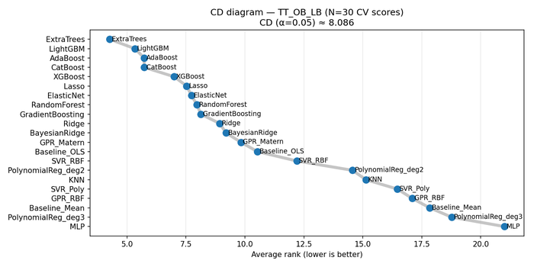

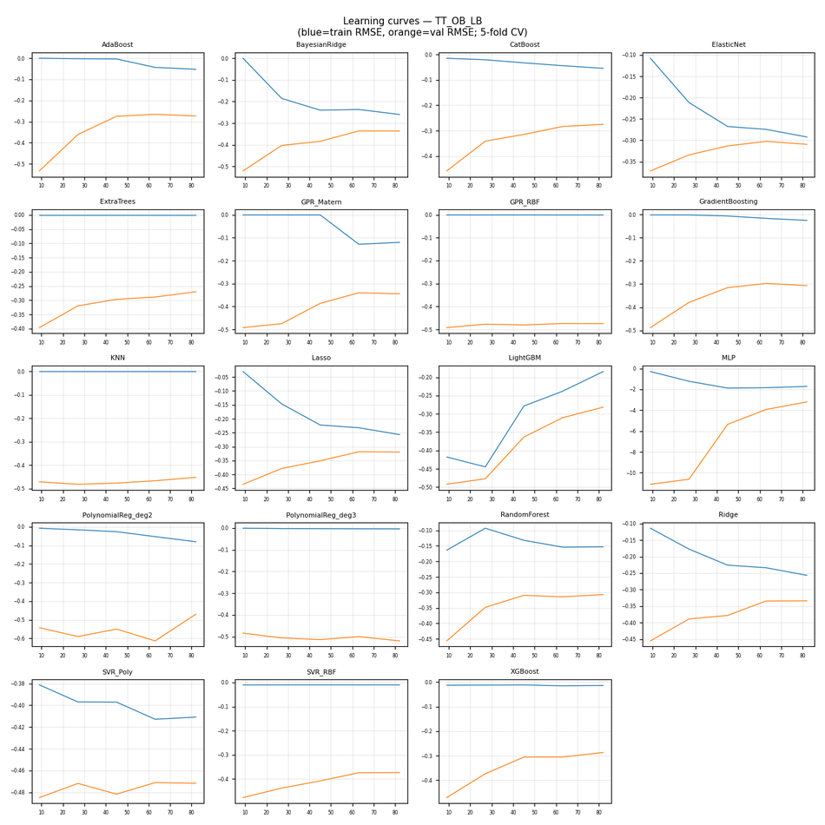

CV residuals by fold (all models)

Uti_Cus_D
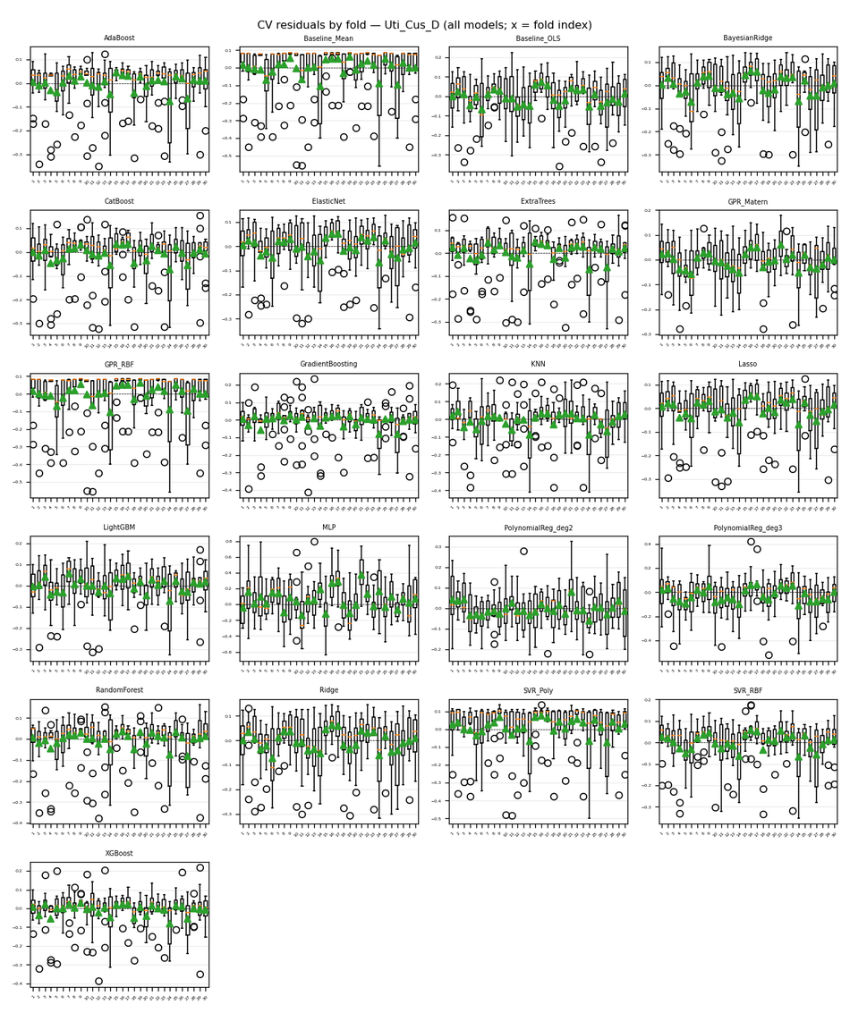
Target | Uti_Cus_D
Generated | 2026-04-06 12:24:40 UTC
cv_results.json | /Users/iniyanilaalagunirmal/Desktop/Final Brexit ML Design/experimenting_ml/outputs/cv_results.json
Step 2 output dir | /Users/iniyanilaalagunirmal/Desktop/Final Brexit ML Design/experimenting_ml/outputs/step2
Nemenyi alpha | 0.05
Method | Friedman + Nemenyi (CV fold RMSEs)

Friedman statistic | 312.43809524
Friedman p-value | 2.3140072167E-54
n_blocks (CV scores) | 30
n_models | 21
Best mean-rank model | GPR_Matern
Best mean rank | 5.4
Tier-1 (not sig. vs best, Nemenyi) | GPR_Matern

Per-model CV (Step 1) + mean rank (Friedman) + holdout test (if CSV)
model | mean_cv_rmse | std_cv_rmse | cv_n_scores | mean_rank | test_rmse | test_mae | test_r2 | best_params_json
GPR_Matern | 0.083674213682 | 0.024499017544 | 30 | 5.4 | 0.062966778484 | 0.044888999935 | 0.6527544121 | {"alpha": 1e-10}
GradientBoosting | 0.087441904637 | 0.033735500096 | 30 | 7.1333333333 | 0.094178299795 | 0.073747902212 | 0.22318879899 | {"learning_rate": 0.1, "max_depth": 3, "n_estimators": 100}
XGBoost | 0.087808501159 | 0.029182671165 | 30 | 6.5666666667 | 0.078978057654 | 0.059352108057 | 0.4537056802 | {"learning_rate": 0.1, "max_depth": 3, "n_estimators": 100}
CatBoost | 0.088557318383 | 0.028959821319 | 30 | 6.7333333333 | 0.07396252234 | 0.05463420314 | 0.52088781699 | {"depth": 4, "iterations": 100, "learning_rate": 0.1}
ExtraTrees | 0.088893522454 | 0.030537931803 | 30 | 6.3333333333 | 0.074445715897 | 0.055423076923 | 0.51460733562 | {"max_depth": 10, "min_samples_split": 2, "n_estimators": 100}
LightGBM | 0.09123233124 | 0.025741432497 | 30 | 7.8666666667 | 0.093682664036 | 0.077234875279 | 0.23134359245 | {"learning_rate": 0.1, "n_estimators": 100, "num_leaves": 15}
PolynomialReg_deg2 | 0.091877252965 | 0.022032842234 | 30 | 8.7666666667 | 0.081206748542 | 0.067405527835 | 0.42243877153 | {"ridge__alpha": 1}
AdaBoost | 0.092486206412 | 0.032607264475 | 30 | 8.3666666667 | 0.075782342301 | 0.063974832539 | 0.49702101942 | {"learning_rate": 0.5, "n_estimators": 200}
SVR_RBF | 0.094461317859 | 0.031599861887 | 30 | 8.9333333333 | 0.076009640609 | 0.053964702391 | 0.49399926739 | {"C": 1, "epsilon": 0.01, "gamma": "scale"}
ElasticNet | 0.096125526618 | 0.024318013963 | 30 | 8.8 | 0.070749255719 | 0.056942307041 | 0.56161312989 | {"alpha": 0.01, "l1_ratio": 0.8}
Lasso | 0.096432068277 | 0.025571697738 | 30 | 9.0666666667 | 0.068522454582 | 0.054204639282 | 0.58877490385 | {"alpha": 0.01}
RandomForest | 0.09770461511 | 0.034258721493 | 30 | 9.7666666667 | 0.090747107694 | 0.066348839438 | 0.27876071943 | {"max_depth": 10, "min_samples_split": 2, "n_estimators": 200}
Ridge | 0.10291422918 | 0.02301604439 | 30 | 11 | 0.082703189361 | 0.068842808016 | 0.40095657827 | {"alpha": 10}
BayesianRidge | 0.10411508349 | 0.024565274696 | 30 | 11.566666667 | 0.079856663489 | 0.067705333799 | 0.44148336961 | {"alpha_1": 1e-05, "alpha_2": 1e-06, "lambda_1": 1e-06}
Baseline_OLS | 0.10798920374 | 0.024341597079 | 30 | 12.166666667 |  |  |  | {}
KNN | 0.1085602214 | 0.036179018175 | 30 | 12.366666667 | 0.12279634238 | 0.083262892616 | -0.3206406155 | {"n_neighbors": 3, "p": 1, "weights": "distance"}
SVR_Poly | 0.12851616728 | 0.034910142508 | 30 | 16.9 | 0.12027841276 | 0.10245324924 | -0.26703661154 | {"C": 0.1, "degree": 3, "epsilon": 0.1}
GPR_RBF | 0.13571559658 | 0.043034989026 | 30 | 17.466666667 | 0.1086063584 | 0.094499428063 | -0.033057015399 | {"alpha": 0.001}
Baseline_Mean | 0.13571578511 | 0.043034931093 | 30 | 18.133333333 |  |  |  | {}
PolynomialReg_deg3 | 0.14233065188 | 0.041577501234 | 30 | 17.233333333 | 0.16471346589 | 0.12122057002 | -1.3761398552 | {"ridge__alpha": 10}
MLP | 0.26507773044 | 0.076033357439 | 30 | 20.433333333 | 0.2144616143 | 0.16402455022 | -3.0282176574 | {"alpha": 0.0001, "hidden_layer_sizes": [100], "max_iter": 500}

Nemenyi post-hoc p-values (pairwise)
 | 0 | 1 | 2 | 3 | 4 | 5 | 6 | 7 | 8 | 9 | 10 | 11 | 12 | 13 | 14 | 15 | 16 | 17 | 18 | 19 | 20
0 | 1 | 0.001 | 0.67608835203 | 0.9 | 0.9 | 0.9 | 0.9 | 0.9 | 0.001 | 0.9 | 0.59337908524 | 0.9 | 0.9 | 0.001 | 0.9 | 0.001 | 0.9 | 0.9 | 0.001 | 0.9 | 0.9
1 | 0.001 | 1 | 0.029556605087 | 0.0071656200039 | 0.001 | 0.001 | 0.001 | 0.001 | 0.9 | 0.001 | 0.045331773593 | 0.001 | 0.001 | 0.9 | 0.001 | 0.9 | 0.001 | 0.0015873078311 | 0.9 | 0.001 | 0.001
2 | 0.67608835203 | 0.029556605087 | 1 | 0.9 | 0.087498245101 | 0.85529598553 | 0.039457226199 | 0.0042855463415 | 0.11200754452 | 0.17500023154 | 0.9 | 0.9 | 0.46786805807 | 0.001 | 0.84150753726 | 0.16636958912 | 0.9 | 0.9 | 0.2743748268 | 0.9 | 0.063800372545
3 | 0.9 | 0.0071656200039 | 0.9 | 1 | 0.23752796678 | 0.9 | 0.12500475204 | 0.018840693154 | 0.034205556237 | 0.40532715258 | 0.9 | 0.9 | 0.71744413774 | 0.001 | 0.9 | 0.055659439625 | 0.9 | 0.9 | 0.10523414132 | 0.9 | 0.1843800856
4 | 0.9 | 0.001 | 0.087498245101 | 0.23752796678 | 1 | 0.9 | 0.9 | 0.9 | 0.001 | 0.9 | 0.05961199903 | 0.9 | 0.9 | 0.001 | 0.9 | 0.001 | 0.9 | 0.48260447112 | 0.001 | 0.9 | 0.9
5 | 0.9 | 0.001 | 0.85529598553 | 0.9 | 0.9 | 1 | 0.9 | 0.84150753726 | 0.001 | 0.9 | 0.77258496339 | 0.9 | 0.9 | 0.001 | 0.9 | 0.001 | 0.9 | 0.9 | 0.001 | 0.9 | 0.9
6 | 0.9 | 0.001 | 0.039457226199 | 0.12500475204 | 0.9 | 0.9 | 1 | 0.9 | 0.001 | 0.9 | 0.025461391263 | 0.9 | 0.9 | 0.001 | 0.9 | 0.001 | 0.82772217043 | 0.30045167816 | 0.001 | 0.9 | 0.9
7 | 0.9 | 0.001 | 0.0042855463415 | 0.018840693154 | 0.9 | 0.84150753726 | 0.9 | 1 | 0.001 | 0.9 | 0.0025123769094 | 0.73122894578 | 0.9 | 0.001 | 0.85529598553 | 0.001 | 0.4371489096 | 0.063800372545 | 0.001 | 0.78636922269 | 0.9
8 | 0.001 | 0.9 | 0.11200754452 | 0.034205556237 | 0.001 | 0.001 | 0.001 | 0.001 | 1 | 0.001 | 0.15734674781 | 0.001 | 0.001 | 0.9 | 0.001 | 0.9 | 0.001 | 0.009193266458 | 0.9 | 0.001 | 0.001
9 | 0.9 | 0.001 | 0.17500023154 | 0.40532715258 | 0.9 | 0.9 | 0.9 | 0.9 | 0.001 | 1 | 0.12500475204 | 0.9 | 0.9 | 0.001 | 0.9 | 0.001 | 0.9 | 0.64852061404 | 0.001 | 0.9 | 0.9
10 | 0.59337908524 | 0.045331773593 | 0.9 | 0.9 | 0.05961199903 | 0.77258496339 | 0.025461391263 | 0.0025123769094 | 0.15734674781 | 0.12500475204 | 1 | 0.88286478353 | 0.37334481176 | 0.001 | 0.75879750714 | 0.22668590668 | 0.9 | 0.9 | 0.35761709353 | 0.82772217043 | 0.042318317042
11 | 0.9 | 0.001 | 0.9 | 0.9 | 0.9 | 0.9 | 0.9 | 0.73122894578 | 0.001 | 0.9 | 0.88286478353 | 1 | 0.9 | 0.001 | 0.9 | 0.001 | 0.9 | 0.9 | 0.001 | 0.9 | 0.9
12 | 0.9 | 0.001 | 0.46786805807 | 0.71744413774 | 0.9 | 0.9 | 0.9 | 0.9 | 0.001 | 0.9 | 0.37334481176 | 0.9 | 1 | 0.001 | 0.9 | 0.001 | 0.9 | 0.9 | 0.001 | 0.9 | 0.9
13 | 0.001 | 0.9 | 0.001 | 0.001 | 0.001 | 0.001 | 0.001 | 0.001 | 0.9 | 0.001 | 0.001 | 0.001 | 0.001 | 1 | 0.001 | 0.9 | 0.001 | 0.001 | 0.78636922269 | 0.001 | 0.001
14 | 0.9 | 0.001 | 0.84150753726 | 0.9 | 0.9 | 0.9 | 0.9 | 0.85529598553 | 0.001 | 0.9 | 0.75879750714 | 0.9 | 0.9 | 0.001 | 1 | 0.001 | 0.9 | 0.9 | 0.001 | 0.9 | 0.9
15 | 0.001 | 0.9 | 0.16636958912 | 0.055659439625 | 0.001 | 0.001 | 0.001 | 0.001 | 0.9 | 0.001 | 0.22668590668 | 0.001 | 0.001 | 0.9 | 0.001 | 1 | 0.001 | 0.016135589718 | 0.9 | 0.001 | 0.001
16 | 0.9 | 0.001 | 0.9 | 0.9 | 0.9 | 0.9 | 0.82772217043 | 0.4371489096 | 0.001 | 0.9 | 0.9 | 0.9 | 0.9 | 0.001 | 0.9 | 0.001 | 1 | 0.9 | 0.0015873078311 | 0.9 | 0.9
17 | 0.9 | 0.0015873078311 | 0.9 | 0.9 | 0.48260447112 | 0.9 | 0.30045167816 | 0.063800372545 | 0.009193266458 | 0.64852061404 | 0.9 | 0.9 | 0.9 | 0.001 | 0.9 | 0.016135589718 | 0.9 | 1 | 0.034205556237 | 0.9 | 0.40532715258
18 | 0.001 | 0.9 | 0.2743748268 | 0.10523414132 | 0.001 | 0.001 | 0.001 | 0.001 | 0.9 | 0.001 | 0.35761709353 | 0.001 | 0.001 | 0.78636922269 | 0.001 | 0.9 | 0.0015873078311 | 0.034205556237 | 1 | 0.001 | 0.001
19 | 0.9 | 0.001 | 0.9 | 0.9 | 0.9 | 0.9 | 0.9 | 0.78636922269 | 0.001 | 0.9 | 0.82772217043 | 0.9 | 0.9 | 0.001 | 0.9 | 0.001 | 0.9 | 0.9 | 0.001 | 1 | 0.9
20 | 0.9 | 0.001 | 0.063800372545 | 0.1843800856 | 0.9 | 0.9 | 0.9 | 0.9 | 0.001 | 0.9 | 0.042318317042 | 0.9 | 0.9 | 0.001 | 0.9 | 0.001 | 0.9 | 0.40532715258 | 0.001 | 0.9 | 1

Figures (embedded)
CD diagram (average ranks); learning-curve grid (all models); residual-by-fold grid (all models) when Step 2 residuals were run.

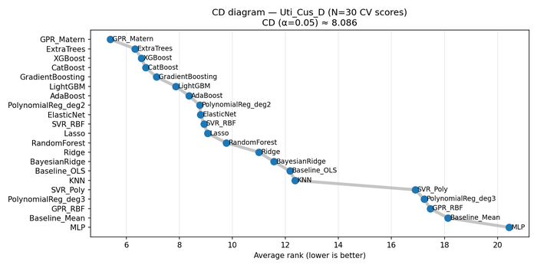

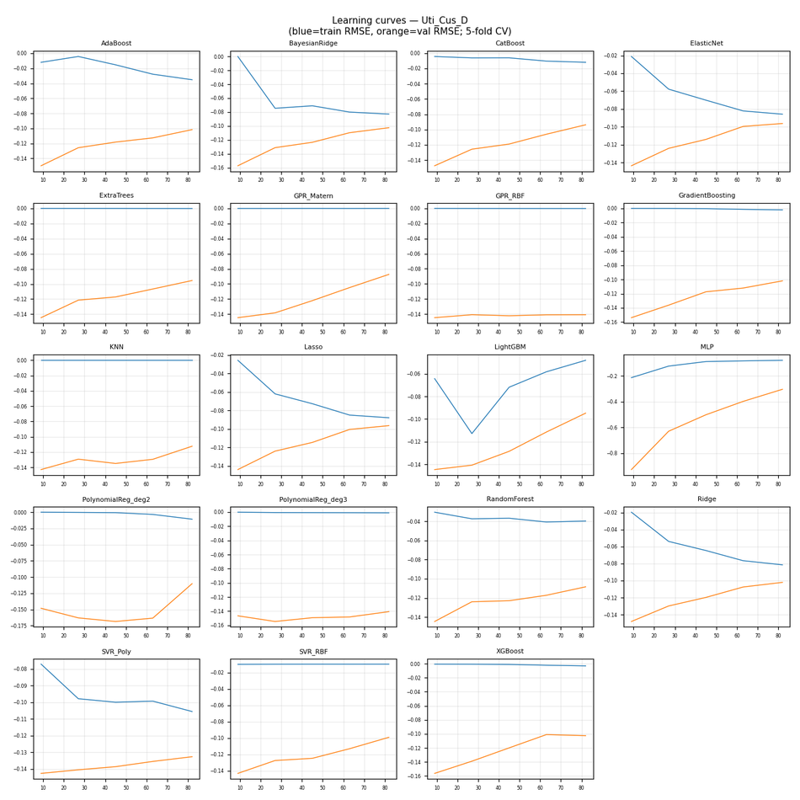

CV residuals by fold (all models)

Uti_Cus_R
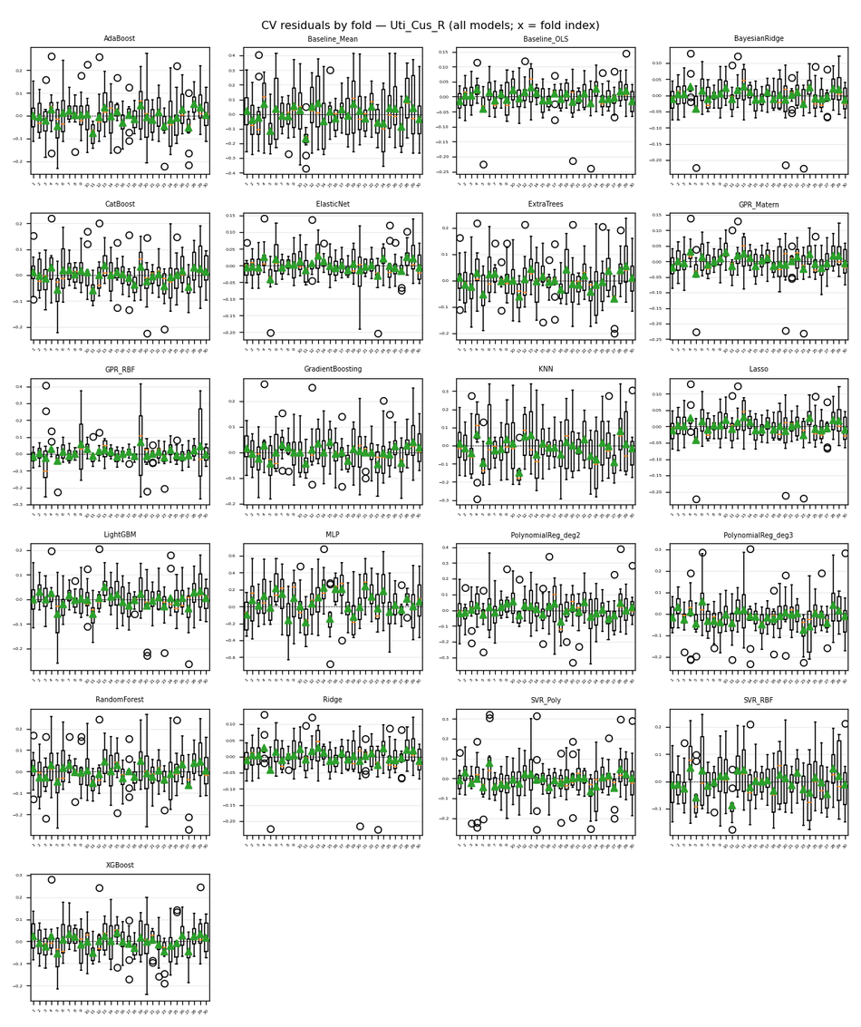
Target | Uti_Cus_R
Generated | 2026-04-06 12:24:40 UTC
cv_results.json | /Users/iniyanilaalagunirmal/Desktop/Final Brexit ML Design/experimenting_ml/outputs/cv_results.json
Step 2 output dir | /Users/iniyanilaalagunirmal/Desktop/Final Brexit ML Design/experimenting_ml/outputs/step2
Nemenyi alpha | 0.05
Method | Friedman + Nemenyi (CV fold RMSEs)

Friedman statistic | 478.73073593
Friedman p-value | 8.1903314315E-89
n_blocks (CV scores) | 30
n_models | 21
Best mean-rank model | ElasticNet
Best mean rank | 2.6
Tier-1 (not sig. vs best, Nemenyi) | ElasticNet

Per-model CV (Step 1) + mean rank (Friedman) + holdout test (if CSV)
model | mean_cv_rmse | std_cv_rmse | cv_n_scores | mean_rank | test_rmse | test_mae | test_r2 | best_params_json
ElasticNet | 0.042163063173 | 0.015563350784 | 30 | 2.6 | 0.050309990868 | 0.037666878102 | 0.93716899018 | {"alpha": 0.01, "l1_ratio": 0.5}
Lasso | 0.043291836536 | 0.014175895701 | 30 | 2.6333333333 | 0.041578499996 | 0.032560541675 | 0.9570855849 | {"alpha": 0.001}
Ridge | 0.044840715315 | 0.014184717833 | 30 | 4.2 | 0.039694383015 | 0.031421363355 | 0.96088677065 | {"alpha": 1}
BayesianRidge | 0.044857965822 | 0.014260035143 | 30 | 4.2333333333 | 0.040956427115 | 0.032535057374 | 0.95836009888 | {"alpha_1": 1e-05, "alpha_2": 1e-06, "lambda_1": 1e-06}
Baseline_OLS | 0.045726445274 | 0.015398700177 | 30 | 4.8 |  |  |  | {}
GPR_Matern | 0.04695740565 | 0.013942761056 | 30 | 5.4333333333 | 0.040174241558 | 0.030597783634 | 0.9599353885 | {"alpha": 0.001}
GPR_RBF | 0.066753164915 | 0.055233722561 | 30 | 7.0333333333 | 0.039234318397 | 0.030147351367 | 0.96178817439 | {"alpha": 1e-10}
LightGBM | 0.068805125513 | 0.02045410002 | 30 | 10.233333333 | 0.071482081809 | 0.059260891915 | 0.87315891535 | {"learning_rate": 0.1, "n_estimators": 100, "num_leaves": 15}
CatBoost | 0.070481622308 | 0.018183397661 | 30 | 10.5 | 0.078467773243 | 0.063707421899 | 0.84715606171 | {"depth": 4, "iterations": 100, "learning_rate": 0.1}
GradientBoosting | 0.0745476951 | 0.016886785829 | 30 | 11.366666667 | 0.096961315779 | 0.07860380259 | 0.76662057616 | {"learning_rate": 0.1, "max_depth": 3, "n_estimators": 100}
XGBoost | 0.076720765892 | 0.016715864145 | 30 | 11.9 | 0.089002280997 | 0.074256037015 | 0.80336182405 | {"learning_rate": 0.1, "max_depth": 3, "n_estimators": 100}
ExtraTrees | 0.081676200688 | 0.019960883097 | 30 | 13 | 0.096893221197 | 0.077086260684 | 0.76694825929 | {"max_depth": null, "min_samples_split": 2, "n_estimators": 200}
PolynomialReg_deg3 | 0.083626266145 | 0.027017208925 | 30 | 12.3 | 0.083251646624 | 0.068825355455 | 0.82795136673 | {"ridge__alpha": 10}
AdaBoost | 0.087190606825 | 0.02161851637 | 30 | 14.166666667 | 0.10541920081 | 0.081985525965 | 0.72412966533 | {"learning_rate": 1.0, "n_estimators": 50}
SVR_RBF | 0.087241781542 | 0.024736417098 | 30 | 13.566666667 | 0.11864820231 | 0.09285784216 | 0.65054771259 | {"C": 1, "epsilon": 0.01, "gamma": "scale"}
SVR_Poly | 0.087866637006 | 0.028906265032 | 30 | 13.233333333 | 0.083660905507 | 0.06650965317 | 0.82625565247 | {"C": 1, "degree": 3, "epsilon": 0.01}
RandomForest | 0.089634280629 | 0.022316920366 | 30 | 14.766666667 | 0.11158489096 | 0.086648698184 | 0.69091612419 | {"max_depth": null, "min_samples_split": 2, "n_estimators": 200}
PolynomialReg_deg2 | 0.10762676904 | 0.026672020683 | 30 | 16.1 | 0.05436119368 | 0.040265612587 | 0.9266426673 | {"ridge__alpha": 1}
KNN | 0.13349556025 | 0.036390676108 | 30 | 18.266666667 | 0.1710920861 | 0.13755078897 | 0.27334978563 | {"n_neighbors": 7, "p": 2, "weights": "distance"}
Baseline_Mean | 0.16629867668 | 0.042766932566 | 30 | 19.933333333 |  |  |  | {}
MLP | 0.24556218169 | 0.060260628163 | 30 | 20.733333333 | 0.17039265116 | 0.13375176723 | 0.279278823 | {"alpha": 0.001, "hidden_layer_sizes": [100], "max_iter": 500}

Nemenyi post-hoc p-values (pairwise)
 | 0 | 1 | 2 | 3 | 4 | 5 | 6 | 7 | 8 | 9 | 10 | 11 | 12 | 13 | 14 | 15 | 16 | 17 | 18 | 19 | 20
0 | 1 | 0.045331773593 | 0.001 | 0.001 | 0.73122894578 | 0.001 | 0.9 | 0.001 | 0.0015873078311 | 0.9 | 0.55202310282 | 0.001 | 0.62094888797 | 0.0071656200039 | 0.9 | 0.9 | 0.9 | 0.001 | 0.9 | 0.9 | 0.9
1 | 0.045331773593 | 1 | 0.001 | 0.001 | 0.001 | 0.001 | 0.0027475887945 | 0.001 | 0.001 | 0.001 | 0.9 | 0.001 | 0.001 | 0.9 | 0.66230508247 | 0.001 | 0.14013998465 | 0.001 | 0.0050946756257 | 0.011738034427 | 0.001
2 | 0.001 | 0.001 | 1 | 0.9 | 0.051935235334 | 0.9 | 0.001 | 0.9 | 0.9 | 0.0071656200039 | 0.001 | 0.9 | 0.087498245101 | 0.001 | 0.001 | 0.001 | 0.001 | 0.9 | 0.001 | 0.001 | 0.0017390961716
3 | 0.001 | 0.001 | 0.9 | 1 | 0.014914165717 | 0.9 | 0.001 | 0.9 | 0.9 | 0.0015873078311 | 0.001 | 0.9 | 0.027440326829 | 0.001 | 0.001 | 0.001 | 0.001 | 0.9 | 0.001 | 0.001 | 0.001
4 | 0.73122894578 | 0.001 | 0.051935235334 | 0.014914165717 | 1 | 0.001 | 0.9 | 0.16636958912 | 0.81393759417 | 0.9 | 0.001 | 0.001 | 0.9 | 0.001 | 0.063800372545 | 0.9 | 0.48260447112 | 0.013777419342 | 0.9 | 0.9 | 0.9
5 | 0.001 | 0.001 | 0.9 | 0.9 | 0.001 | 1 | 0.001 | 0.9 | 0.40532715258 | 0.001 | 0.001 | 0.9 | 0.001 | 0.001 | 0.001 | 0.001 | 0.001 | 0.9 | 0.001 | 0.001 | 0.001
6 | 0.9 | 0.0027475887945 | 0.001 | 0.001 | 0.9 | 0.001 | 1 | 0.001 | 0.029556605087 | 0.9 | 0.11906190809 | 0.001 | 0.9 | 0.001 | 0.9 | 0.9 | 0.9 | 0.001 | 0.9 | 0.9 | 0.9
7 | 0.001 | 0.001 | 0.9 | 0.9 | 0.16636958912 | 0.9 | 0.001 | 1 | 0.9 | 0.031808645963 | 0.001 | 0.9 | 0.24942174319 | 0.001 | 0.001 | 0.0032861291167 | 0.001 | 0.9 | 0.001 | 0.001 | 0.009193266458
8 | 0.0015873078311 | 0.001 | 0.9 | 0.9 | 0.81393759417 | 0.40532715258 | 0.029556605087 | 0.9 | 1 | 0.45269359805 | 0.001 | 0.42132005946 | 0.9 | 0.001 | 0.001 | 0.11906190809 | 0.001 | 0.9 | 0.017441916911 | 0.0077889026299 | 0.22668590668
9 | 0.9 | 0.001 | 0.0071656200039 | 0.0015873078311 | 0.9 | 0.001 | 0.9 | 0.031808645963 | 0.45269359805 | 1 | 0.0030065497835 | 0.001 | 0.9 | 0.001 | 0.2743748268 | 0.9 | 0.84150753726 | 0.0014439326887 | 0.9 | 0.9 | 0.9
10 | 0.55202310282 | 0.9 | 0.001 | 0.001 | 0.001 | 0.001 | 0.11906190809 | 0.001 | 0.001 | 0.0030065497835 | 1 | 0.001 | 0.001 | 0.9 | 0.9 | 0.029556605087 | 0.80015676588 | 0.001 | 0.17500023154 | 0.2873107557 | 0.011738034427
11 | 0.001 | 0.001 | 0.9 | 0.9 | 0.001 | 0.9 | 0.001 | 0.9 | 0.42132005946 | 0.001 | 0.001 | 1 | 0.001 | 0.001 | 0.001 | 0.001 | 0.001 | 0.9 | 0.001 | 0.001 | 0.001
12 | 0.62094888797 | 0.001 | 0.087498245101 | 0.027440326829 | 0.9 | 0.001 | 0.9 | 0.24942174319 | 0.9 | 0.9 | 0.001 | 0.001 | 1 | 0.001 | 0.036755296923 | 0.9 | 0.35761709353 | 0.025461391263 | 0.9 | 0.86907959719 | 0.9
13 | 0.0071656200039 | 0.9 | 0.001 | 0.001 | 0.001 | 0.001 | 0.001 | 0.001 | 0.001 | 0.001 | 0.9 | 0.001 | 0.001 | 1 | 0.3137276732 | 0.001 | 0.029556605087 | 0.001 | 0.001 | 0.0014439326887 | 0.001
14 | 0.9 | 0.66230508247 | 0.001 | 0.001 | 0.063800372545 | 0.001 | 0.9 | 0.001 | 0.001 | 0.2743748268 | 0.9 | 0.001 | 0.036755296923 | 0.3137276732 | 1 | 0.67608835203 | 0.9 | 0.001 | 0.9 | 0.9 | 0.51066634486
15 | 0.9 | 0.001 | 0.001 | 0.001 | 0.9 | 0.001 | 0.9 | 0.0032861291167 | 0.11906190809 | 0.9 | 0.029556605087 | 0.001 | 0.9 | 0.001 | 0.67608835203 | 1 | 0.9 | 0.001 | 0.9 | 0.9 | 0.9
16 | 0.9 | 0.14013998465 | 0.001 | 0.001 | 0.48260447112 | 0.001 | 0.9 | 0.001 | 0.001 | 0.84150753726 | 0.80015676588 | 0.001 | 0.35761709353 | 0.029556605087 | 0.9 | 0.9 | 1 | 0.001 | 0.9 | 0.9 | 0.9
17 | 0.001 | 0.001 | 0.9 | 0.9 | 0.013777419342 | 0.9 | 0.001 | 0.9 | 0.9 | 0.0014439326887 | 0.001 | 0.9 | 0.025461391263 | 0.001 | 0.001 | 0.001 | 0.001 | 1 | 0.001 | 0.001 | 0.001
18 | 0.9 | 0.0050946756257 | 0.001 | 0.001 | 0.9 | 0.001 | 0.9 | 0.001 | 0.017441916911 | 0.9 | 0.17500023154 | 0.001 | 0.9 | 0.001 | 0.9 | 0.9 | 0.9 | 0.001 | 1 | 0.9 | 0.9
19 | 0.9 | 0.011738034427 | 0.001 | 0.001 | 0.9 | 0.001 | 0.9 | 0.001 | 0.0077889026299 | 0.9 | 0.2873107557 | 0.001 | 0.86907959719 | 0.0014439326887 | 0.9 | 0.9 | 0.9 | 0.001 | 0.9 | 1 | 0.9
20 | 0.9 | 0.001 | 0.0017390961716 | 0.001 | 0.9 | 0.001 | 0.9 | 0.009193266458 | 0.22668590668 | 0.9 | 0.011738034427 | 0.001 | 0.9 | 0.001 | 0.51066634486 | 0.9 | 0.9 | 0.001 | 0.9 | 0.9 | 1

Figures (embedded)
CD diagram (average ranks); learning-curve grid (all models); residual-by-fold grid (all models) when Step 2 residuals were run.

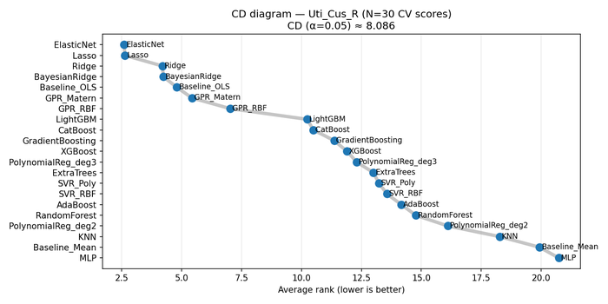

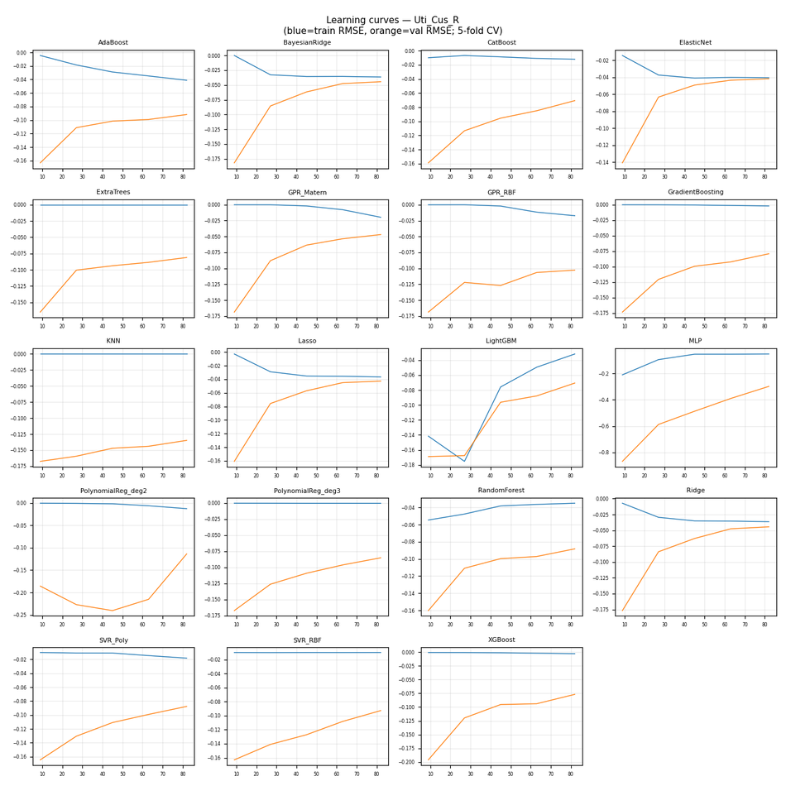

CV residuals by fold (all models)

Uti_DAFM_D
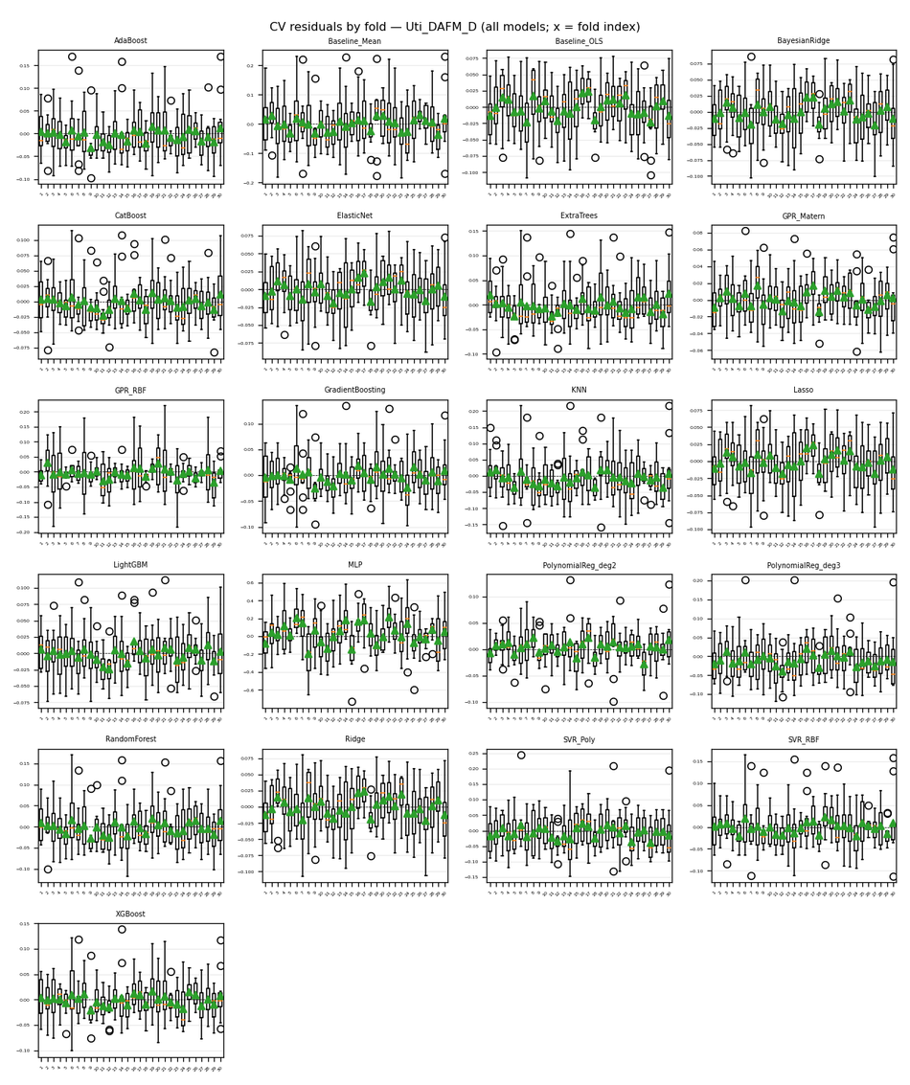
Target | Uti_DAFM_D
Generated | 2026-04-06 12:24:40 UTC
cv_results.json | /Users/iniyanilaalagunirmal/Desktop/Final Brexit ML Design/experimenting_ml/outputs/cv_results.json
Step 2 output dir | /Users/iniyanilaalagunirmal/Desktop/Final Brexit ML Design/experimenting_ml/outputs/step2
Nemenyi alpha | 0.05
Method | Friedman + Nemenyi (CV fold RMSEs)

Friedman statistic | 418.17835498
Friedman p-value | 3.4352336889E-76
n_blocks (CV scores) | 30
n_models | 21
Best mean-rank model | GPR_Matern
Best mean rank | 2.1666666667
Tier-1 (not sig. vs best, Nemenyi) | GPR_Matern

Per-model CV (Step 1) + mean rank (Friedman) + holdout test (if CSV)
model | mean_cv_rmse | std_cv_rmse | cv_n_scores | mean_rank | test_rmse | test_mae | test_r2 | best_params_json
GPR_Matern | 0.025985660924 | 0.0053042752433 | 30 | 2.1666666667 | 0.04036959166 | 0.026774509852 | 0.86455366473 | {"alpha": 1e-06}
PolynomialReg_deg2 | 0.031839803655 | 0.0084843920046 | 30 | 5.1 | 0.038835890188 | 0.028085273198 | 0.87464978744 | {"ridge__alpha": 1}
LightGBM | 0.034022259694 | 0.0059770907395 | 30 | 5.6 | 0.050421987608 | 0.037814195565 | 0.78870050038 | {"learning_rate": 0.1, "n_estimators": 100, "num_leaves": 15}
CatBoost | 0.03455455162 | 0.0075199385221 | 30 | 5.9666666667 | 0.04960131754 | 0.035307923786 | 0.79552276156 | {"depth": 4, "iterations": 100, "learning_rate": 0.1}
ElasticNet | 0.035799695283 | 0.0057244094024 | 30 | 6 | 0.05205502209 | 0.033221538665 | 0.77479199878 | {"alpha": 0.01, "l1_ratio": 0.2}
Lasso | 0.03679717272 | 0.0058343734847 | 30 | 7.1666666667 | 0.05063781322 | 0.032310974607 | 0.78688774182 | {"alpha": 0.001}
XGBoost | 0.037322552878 | 0.0099510843991 | 30 | 7.1 | 0.058171343017 | 0.042372824103 | 0.71876023454 | {"learning_rate": 0.1, "max_depth": 3, "n_estimators": 100}
BayesianRidge | 0.03873411304 | 0.0063773556115 | 30 | 9.8 | 0.051596651709 | 0.032494995574 | 0.77874067398 | {"alpha_1": 1e-05, "alpha_2": 1e-06, "lambda_1": 1e-06}
Ridge | 0.038762486022 | 0.0060957936425 | 30 | 9.7666666667 | 0.052567443798 | 0.033133626981 | 0.7703363493 | {"alpha": 1}
GradientBoosting | 0.039907720875 | 0.010400471737 | 30 | 9.0333333333 | 0.060373465656 | 0.043316383281 | 0.69706408889 | {"learning_rate": 0.1, "max_depth": 3, "n_estimators": 100}
Baseline_OLS | 0.039988816163 | 0.0062304310196 | 30 | 10.633333333 |  |  |  | {}
...
Nemenyi post-hoc p-values (pairwise)
16 | 0.9 | 0.09877809358 | 0.6898728895 | 0.32726166966 | 0.001 | 0.001 | 0.9 | 0.001 | 0.16636958912 | 0.09877809358 | 0.9 | 0.0011965020699 | 0.001 | 0.0065874665599 | 0.001 | 0.9
17 | 0.64852061404 | 0.001 | 0.9 | 0.9 | 0.67608835203 | 0.6898728895 | 0.9 | 0.001 | 0.9 | 0.9 | 0.001 | 0.9 | 0.5244557513 | 0.001 | 0.30045167816 | 0.034205556237
18 | 0.5244557513 | 0.9 | 0.0014439326887 | 0.001 | 0.001 | 0.001 | 0.048503888081 | 0.001 | 0.001 | 0.001 | 0.9 | 0.001 | 0.001 | 0.9 | 0.001 | 0.9
19 | 0.9 | 0.001 | 0.9 | 0.9 | 0.048503888081 | 0.051935235334 | 0.9 | 0.001 | 0.9 | 0.9 | 0.063800372545 | 0.35761709353 | 0.021935634957 | 0.001 | 0.0065874665599 | 0.6071654307
20 | 0.0077889026299 | 0.001 | 0.78636922269 | 0.9 | 0.9 | 0.9 | 0.19440899346 | 0.20483570021 | 0.9 | 0.9 | 0.001 | 0.9 | 0.9 | 0.001 | 0.9 | 0.001

Figures (embedded)
CD diagram (average ranks); learning-curve grid (all models); residual-by-fold grid (all models) when Step 2 residuals were run.

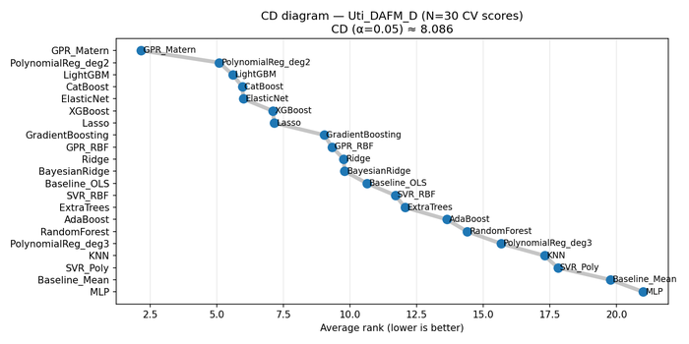

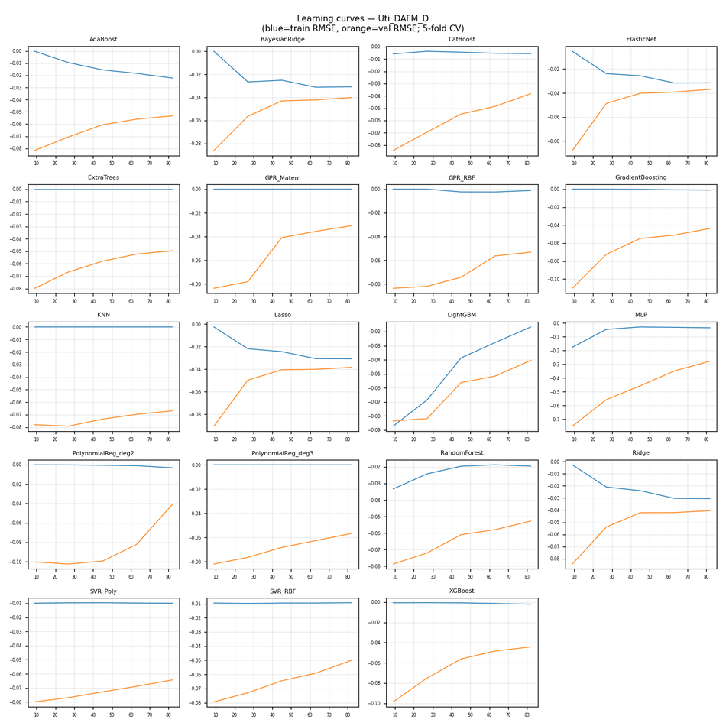

CV residuals by fold (all models)

Uti_DAFM_R
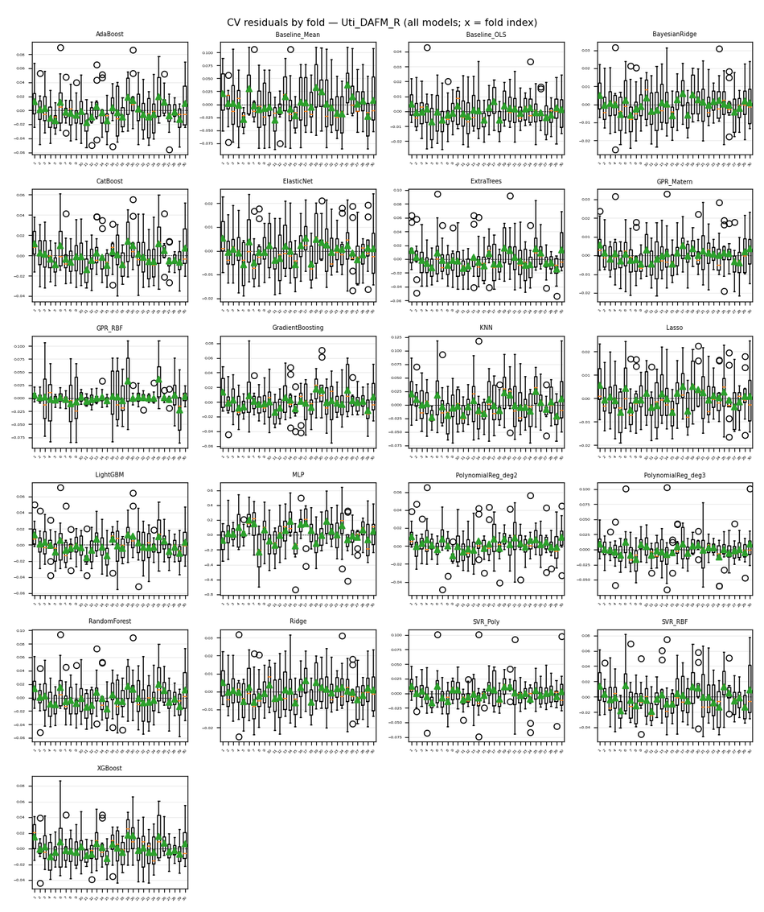
...
Nemenyi post-hoc p-values (pairwise)
16 | 0.9 | 0.75879750714 | 0.001 | 0.001 | 0.0027475887945 | 0.001 | 0.9 | 0.001 | 0.001 | 0.46786805807 | 0.9 | 0.001 | 0.023640174432 | 0.30045167816 | 0.001 | 0.49685251629
17 | 0.001 | 0.001 | 0.9 | 0.9 | 0.55202310282 | 0.9 | 0.001 | 0.9 | 0.82772217043 | 0.0046738015992 | 0.001 | 0.9 | 0.19440899346 | 0.001 | 0.75879750714 | 0.0039247678812
18 | 0.9 | 0.0019080010011 | 0.0025123769094 | 0.001 | 0.81393759417 | 0.001 | 0.9 | 0.001 | 0.53823917645 | 0.9 | 0.039457226199 | 0.001 | 0.9 | 0.001 | 0.6071654307 | 0.9
19 | 0.9 | 0.11906190809 | 0.001 | 0.001 | 0.11906190809 | 0.001 | 0.9 | 0.001 | 0.031808645963 | 0.9 | 0.57959348625 | 0.001 | 0.42132005946 | 0.012720313727 | 0.045331773593 | 0.9
20 | 0.59337908524 | 0.001 | 0.072859884186 | 0.027440326829 | 0.9 | 0.001 | 0.9 | 0.001 | 0.9 | 0.9 | 0.0010873039012 | 0.001 | 0.9 | 0.001 | 0.9 | 0.9

Figures (embedded)
CD diagram (average ranks); learning-curve grid (all models); residual-by-fold grid (all models) when Step 2 residuals were run.

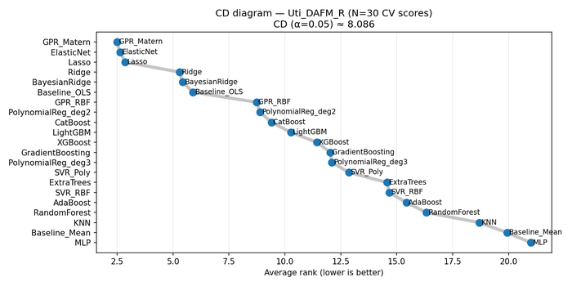

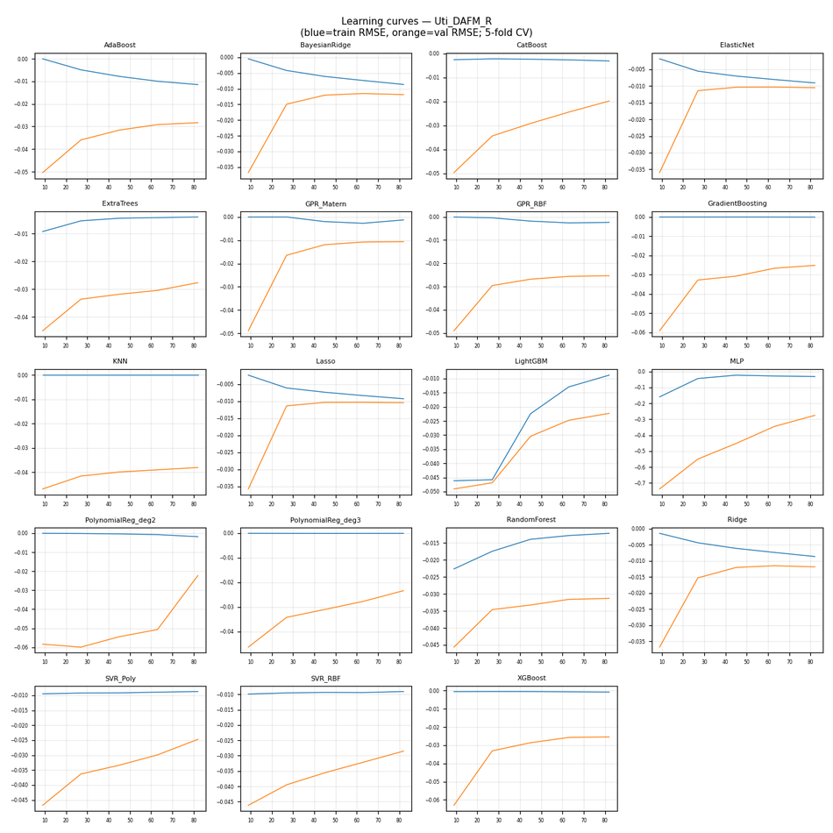

CV residuals by fold (all models)

WT_IB_A_Dub
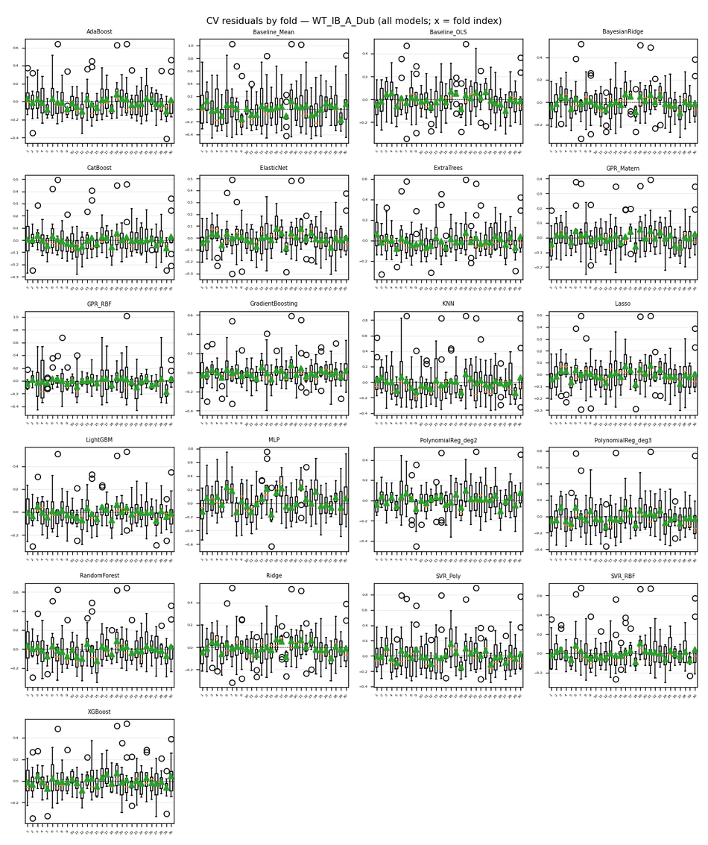
...
Nemenyi post-hoc p-values (pairwise)
16 | 0.9 | 0.00131360892 | 0.89664990046 | 0.66230508247 | 0.001 | 0.0019080010011 | 0.9 | 0.001 | 0.5244557513 | 0.12500475204 | 0.37334481176 | 0.0015873078311 | 0.0030065497835 | 0.19440899346 | 0.40532715258 | 0.9
17 | 0.51066634486 | 0.001 | 0.9 | 0.9 | 0.068214783906 | 0.78636922269 | 0.9 | 0.001 | 0.9 | 0.9 | 0.001 | 0.75879750714 | 0.85529598553 | 0.001 | 0.9 | 0.0071656200039
18 | 0.70365861196 | 0.9 | 0.001 | 0.001 | 0.001 | 0.001 | 0.001 | 0.001 | 0.001 | 0.001 | 0.9 | 0.001 | 0.001 | 0.9 | 0.001 | 0.9
19 | 0.85529598553 | 0.001 | 0.9 | 0.9 | 0.010823350125 | 0.4371489096 | 0.9 | 0.001 | 0.9 | 0.9 | 0.00131360892 | 0.40532715258 | 0.51066634486 | 0.001 | 0.9 | 0.048503888081
20 | 0.039457226199 | 0.001 | 0.9 | 0.9 | 0.62094888797 | 0.9 | 0.9 | 0.042318317042 | 0.9 | 0.9 | 0.001 | 0.9 | 0.9 | 0.001 | 0.9 | 0.001

Figures (embedded)
CD diagram (average ranks); learning-curve grid (all models); residual-by-fold grid (all models) when Step 2 residuals were run.

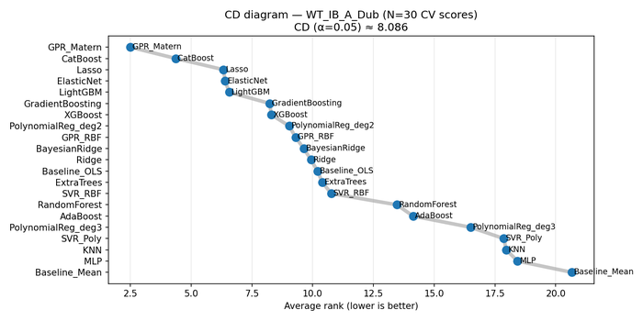

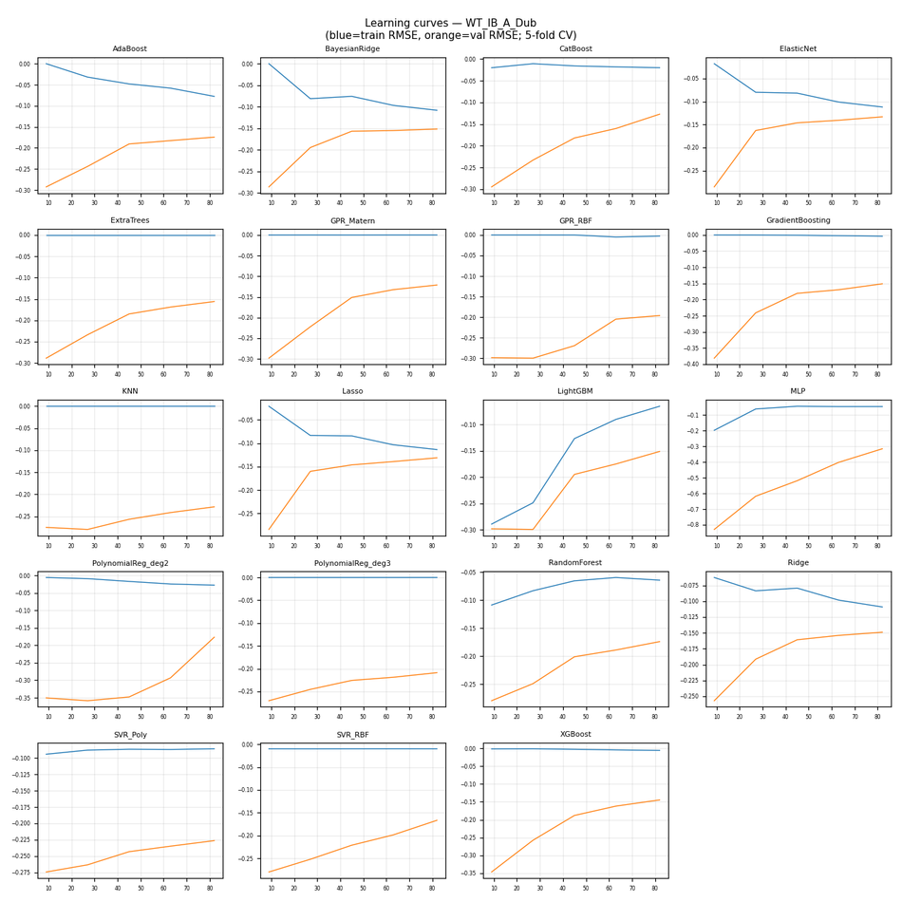

CV residuals by fold (all models)

WT_IB_A_Ross
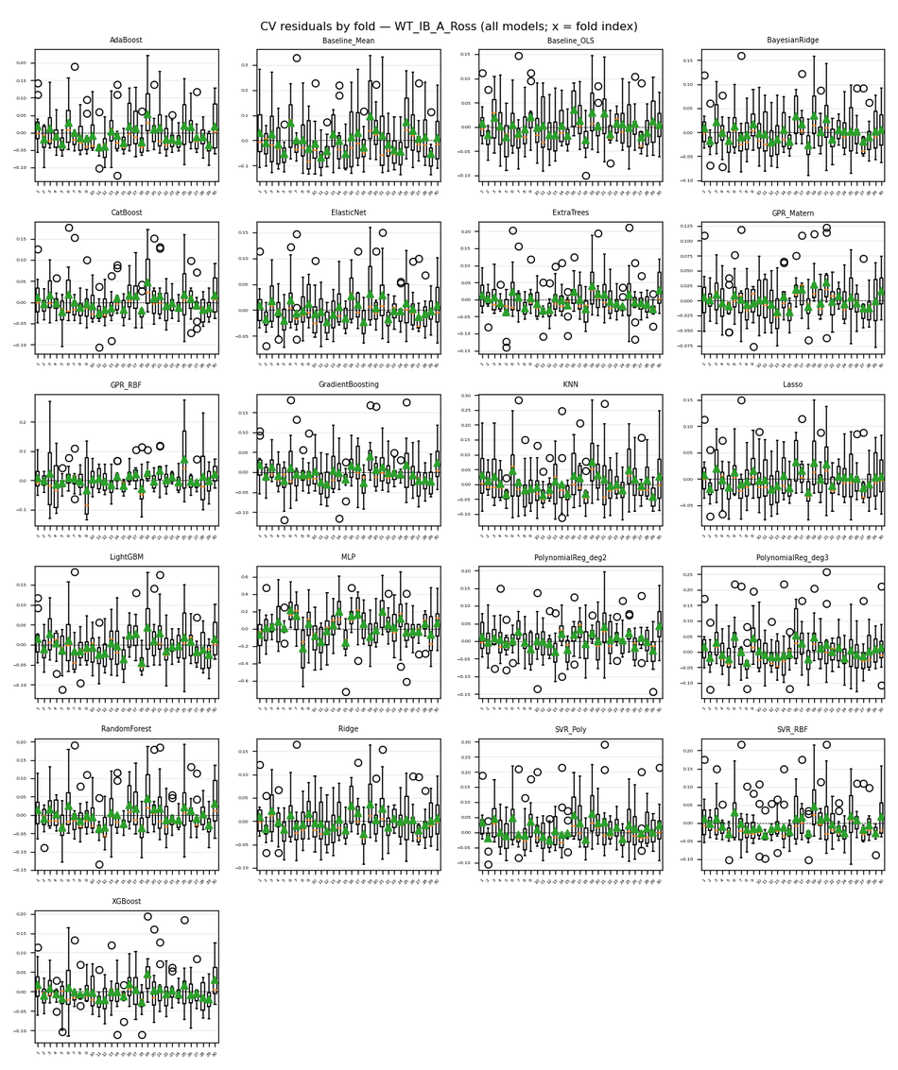
...
Nemenyi post-hoc p-values (pairwise)
16 | 0.9 | 0.0055544359157 | 0.75879750714 | 0.38929285097 | 0.0035924352874 | 0.001 | 0.9 | 0.001 | 0.0022928977734 | 0.22668590668 | 0.55202310282 | 0.0022928977734 | 0.9 | 0.001 | 0.9 | 0.9
17 | 0.13213336689 | 0.001 | 0.9 | 0.9 | 0.9 | 0.81393759417 | 0.9 | 0.036755296923 | 0.9 | 0.9 | 0.001 | 0.9 | 0.9 | 0.001 | 0.9 | 0.001
18 | 0.9 | 0.4371489096 | 0.034205556237 | 0.0042855463415 | 0.001 | 0.001 | 0.072859884186 | 0.001 | 0.001 | 0.0014439326887 | 0.9 | 0.001 | 0.2743748268 | 0.11906190809 | 0.30045167816 | 0.9
19 | 0.9 | 0.001 | 0.9 | 0.9 | 0.23752796678 | 0.023640174432 | 0.9 | 0.001 | 0.1843800856 | 0.9 | 0.021935634957 | 0.1843800856 | 0.9 | 0.001 | 0.9 | 0.2743748268
20 | 0.0060493081502 | 0.001 | 0.9 | 0.9 | 0.9 | 0.9 | 0.9 | 0.40532715258 | 0.9 | 0.9 | 0.001 | 0.9 | 0.75879750714 | 0.001 | 0.73122894578 | 0.001

Figures (embedded)
CD diagram (average ranks); learning-curve grid (all models); residual-by-fold grid (all models) when Step 2 residuals were run.

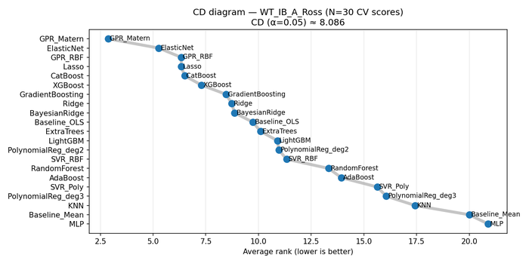

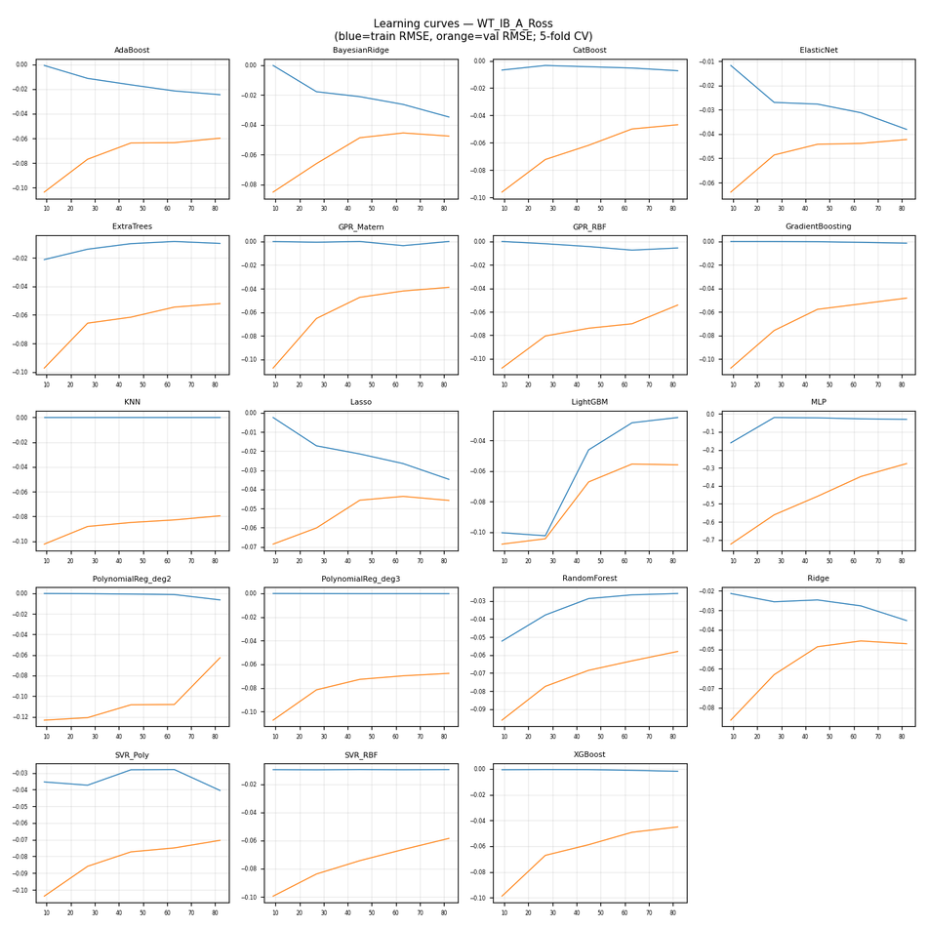

CV residuals by fold (all models)

WT_IB_LB
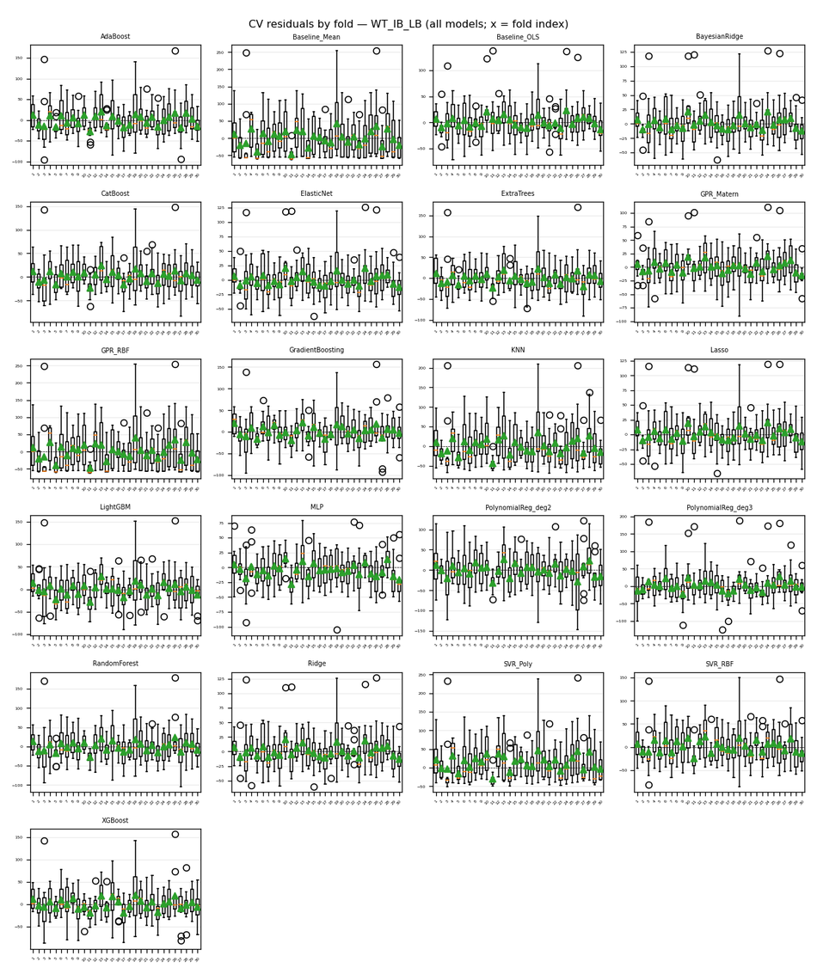
...
Nemenyi post-hoc p-values (pairwise)
16 | 0.9 | 0.0035924352874 | 0.027440326829 | 0.001 | 0.2873107557 | 0.001 | 0.75879750714 | 0.001 | 0.011738034427 | 0.88286478353 | 0.75879750714 | 0.001 | 0.9 | 0.0035924352874 | 0.9 | 0.9
17 | 0.020337339127 | 0.001 | 0.9 | 0.9 | 0.9 | 0.9 | 0.62094888797 | 0.9 | 0.001 | 0.49685251629 | 0.001 | 0.9 | 0.063800372545 | 0.9 | 0.001 | 0.0050946756257
18 | 0.14013998465 | 0.9 | 0.001 | 0.001 | 0.001 | 0.001 | 0.001 | 0.001 | 0.9 | 0.0019080010011 | 0.9 | 0.001 | 0.051935235334 | 0.001 | 0.9 | 0.32726166966
19 | 0.9 | 0.001 | 0.42132005946 | 0.045331773593 | 0.9 | 0.021935634957 | 0.9 | 0.016135589718 | 0.001 | 0.9 | 0.13213336689 | 0.0035924352874 | 0.9 | 0.12500475204 | 0.77258496339 | 0.9
20 | 0.9 | 0.001 | 0.9 | 0.80015676588 | 0.9 | 0.66230508247 | 0.9 | 0.6071654307 | 0.001 | 0.9 | 0.001 | 0.34222053844 | 0.9 | 0.9 | 0.039457226199 | 0.9

Figures (embedded)
CD diagram (average ranks); learning-curve grid (all models); residual-by-fold grid (all models) when Step 2 residuals were run.

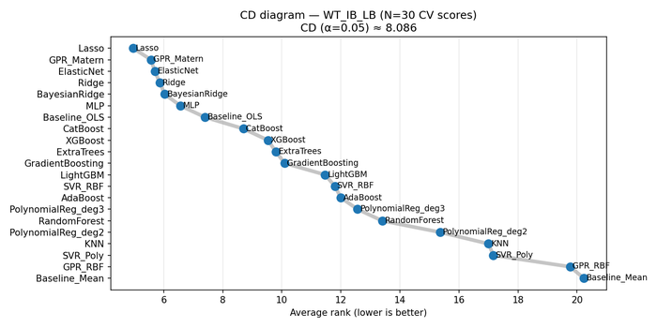

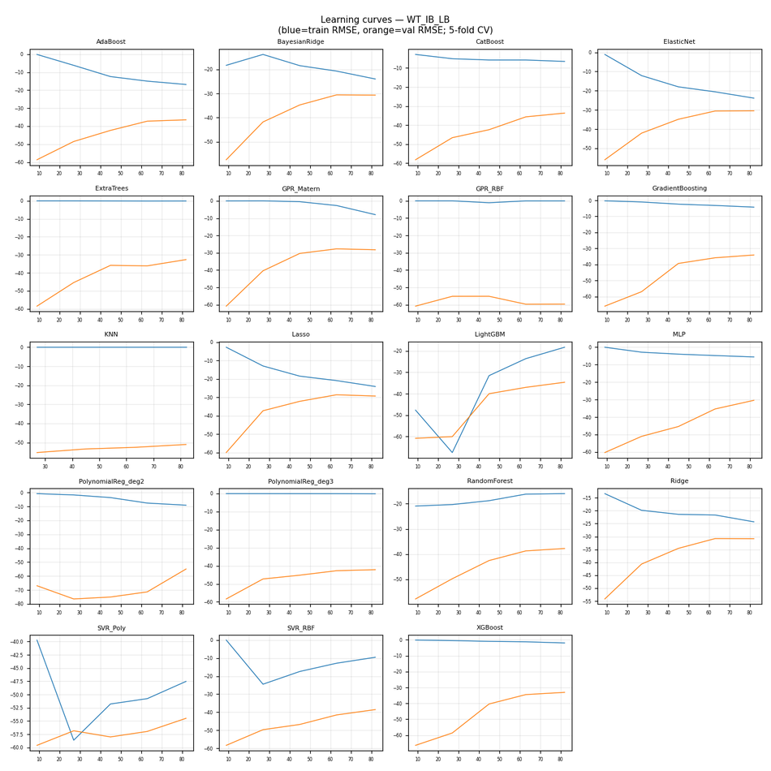

CV residuals by fold (all models)

WT_IB_NA_Dub
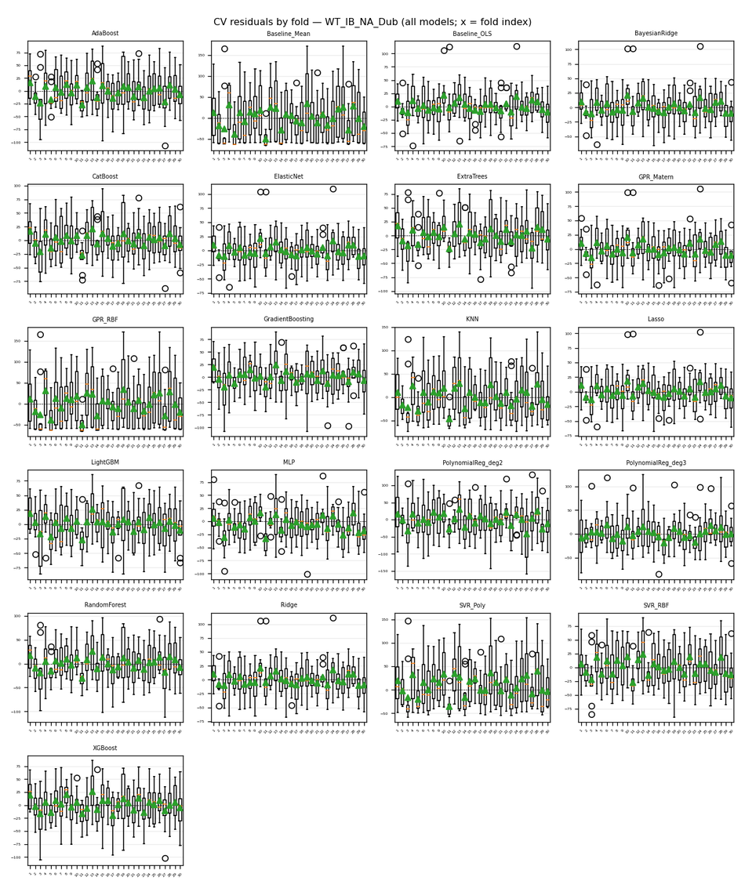
...
Nemenyi post-hoc p-values (pairwise)
16 | 0.9 | 0.0027475887945 | 0.0010873039012 | 0.001 | 0.81393759417 | 0.001 | 0.9 | 0.001 | 0.009193266458 | 0.71744413774 | 0.5244557513 | 0.001 | 0.77258496339 | 0.42132005946 | 0.2873107557 | 0.59337908524
17 | 0.0065874665599 | 0.001 | 0.9 | 0.9 | 0.42132005946 | 0.9 | 0.15734674781 | 0.9 | 0.001 | 0.5244557513 | 0.001 | 0.9 | 0.46786805807 | 0.81393759417 | 0.001 | 0.64852061404
18 | 0.11200754452 | 0.9 | 0.001 | 0.001 | 0.001 | 0.001 | 0.0039247678812 | 0.001 | 0.9 | 0.001 | 0.9 | 0.001 | 0.001 | 0.001 | 0.9 | 0.001
19 | 0.9 | 0.001 | 0.012720313727 | 0.0030065497835 | 0.9 | 0.0014439326887 | 0.9 | 0.0099744581482 | 0.001 | 0.9 | 0.15734674781 | 0.001 | 0.9 | 0.81393759417 | 0.05961199903 | 0.9
20 | 0.9 | 0.001 | 0.23752796678 | 0.092659754023 | 0.9 | 0.055659439625 | 0.9 | 0.20483570021 | 0.001 | 0.9 | 0.0065874665599 | 0.0084636537939 | 0.9 | 0.9 | 0.0015873078311 | 0.9

Figures (embedded)
CD diagram (average ranks); learning-curve grid (all models); residual-by-fold grid (all models) when Step 2 residuals were run.

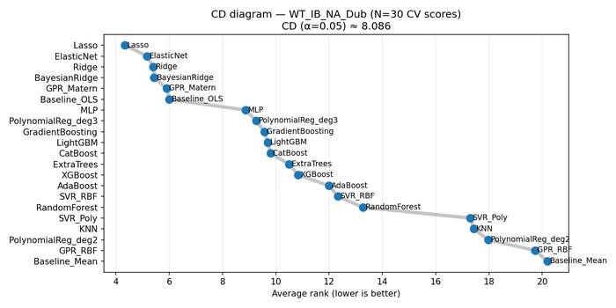

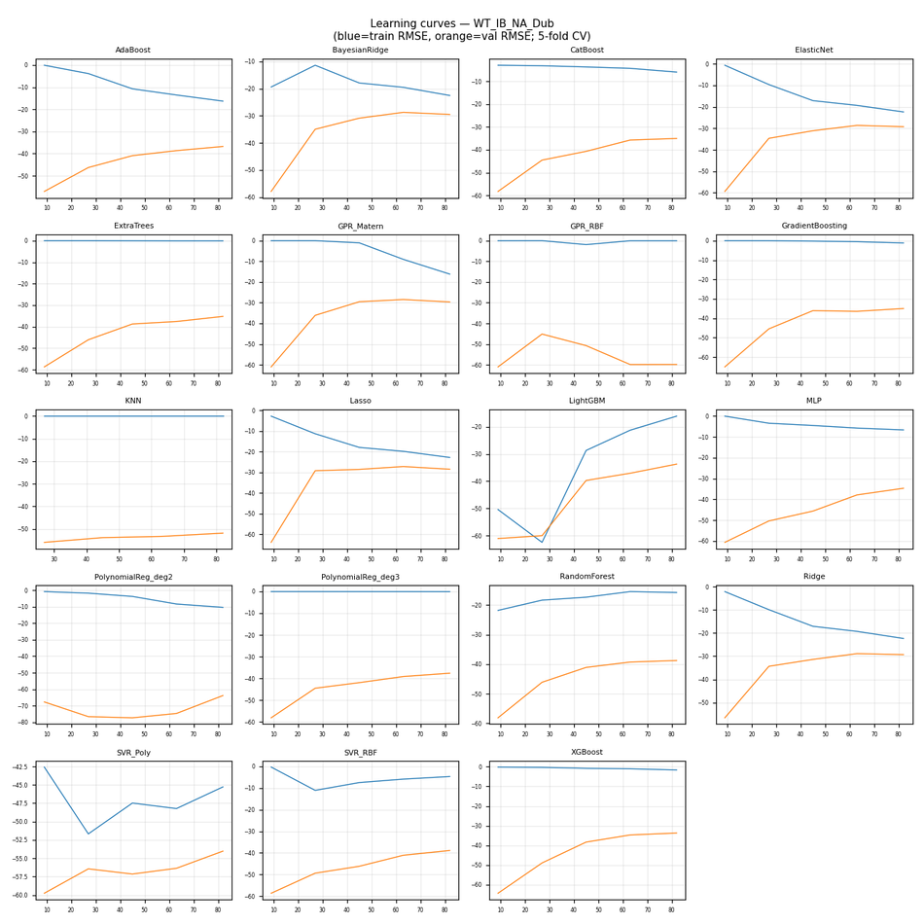

CV residuals by fold (all models)

WT_IB_NA_Ross
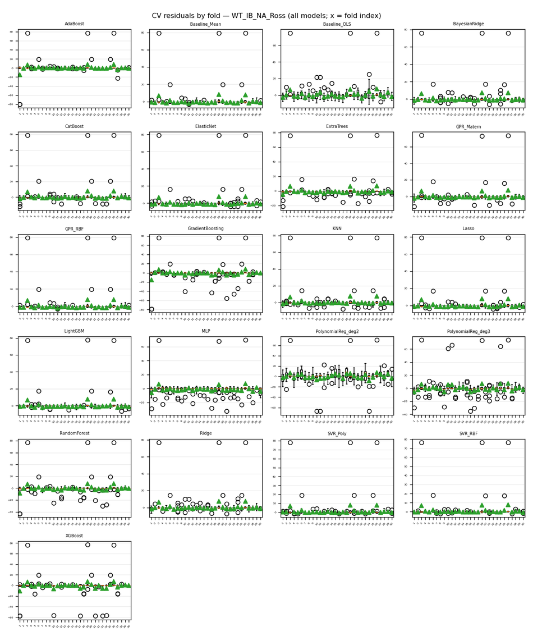
...
Nemenyi post-hoc p-values (pairwise)
16 | 0.38929285097 | 0.9 | 0.9 | 0.9 | 0.9 | 0.9 | 0.9 | 0.70365861196 | 0.9 | 0.9 | 0.82772217043 | 0.9 | 0.9 | 0.9 | 0.017441916911 | 0.77258496339
17 | 0.2873107557 | 0.9 | 0.9 | 0.9 | 0.9 | 0.9 | 0.9 | 0.6071654307 | 0.9 | 0.9 | 0.73122894578 | 0.9 | 0.9 | 0.9 | 0.029556605087 | 0.86907959719
18 | 0.9 | 0.018840693154 | 0.001 | 0.4371489096 | 0.11906190809 | 0.55202310282 | 0.23752796678 | 0.9 | 0.12500475204 | 0.66230508247 | 0.9 | 0.84150753726 | 0.56580826679 | 0.001 | 0.001 | 0.001
19 | 0.62094888797 | 0.001 | 0.001 | 0.0071656200039 | 0.001 | 0.013777419342 | 0.0020941532027 | 0.30045167816 | 0.001 | 0.025461391263 | 0.19440899346 | 0.063800372545 | 0.014914165717 | 0.001 | 0.001 | 0.001
20 | 0.9 | 0.9 | 0.63473249962 | 0.9 | 0.9 | 0.9 | 0.9 | 0.9 | 0.9 | 0.9 | 0.9 | 0.9 | 0.9 | 0.22668590668 | 0.001 | 0.10523414132

Figures (embedded)
CD diagram (average ranks); learning-curve grid (all models); residual-by-fold grid (all models) when Step 2 residuals were run.

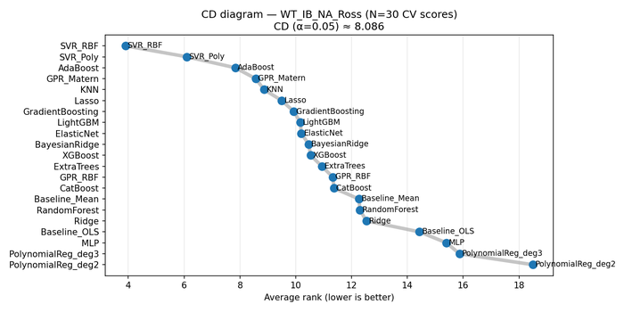

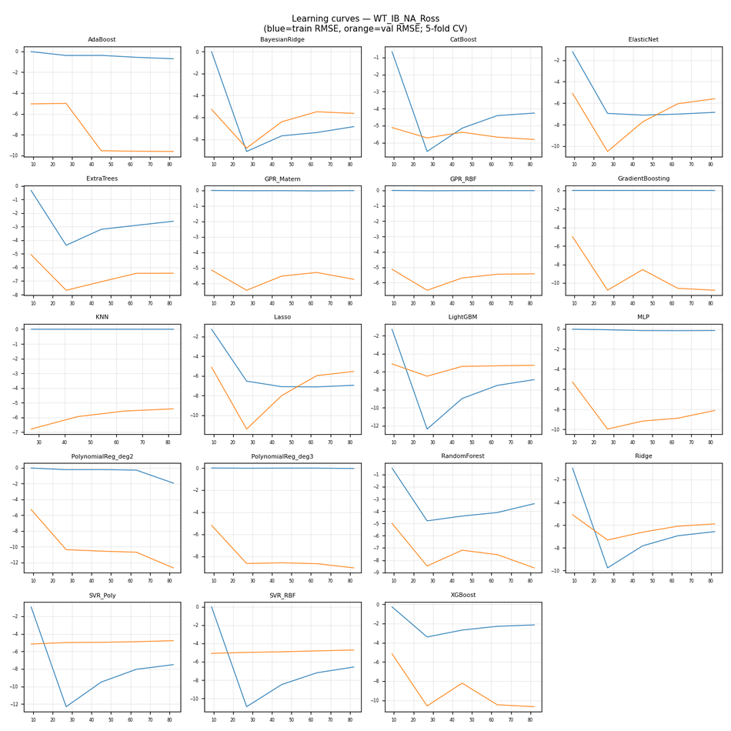

CV residuals by fold (all models)

WT_OB_A_GB-Dub
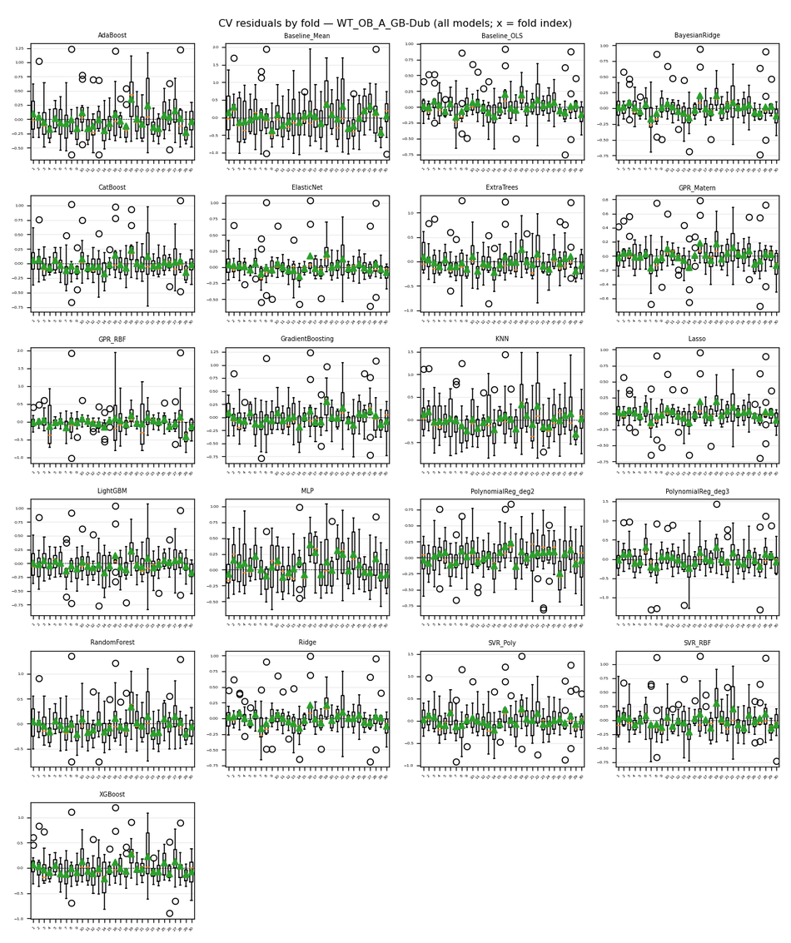
...
Nemenyi post-hoc p-values (pairwise)
16 | 0.9 | 0.19440899346 | 0.001 | 0.001 | 0.001 | 0.001 | 0.9 | 0.001 | 0.001 | 0.73122894578 | 0.9 | 0.001 | 0.35761709353 | 0.9 | 0.24942174319 | 0.9
17 | 0.001 | 0.001 | 0.9 | 0.9 | 0.9 | 0.9 | 0.001 | 0.9 | 0.9 | 0.0035924352874 | 0.001 | 0.9 | 0.029556605087 | 0.001 | 0.051935235334 | 0.001
18 | 0.9 | 0.063800372545 | 0.001 | 0.001 | 0.001 | 0.001 | 0.9 | 0.001 | 0.0011965020699 | 0.9 | 0.9 | 0.001 | 0.63473249962 | 0.9 | 0.5244557513 | 0.9
19 | 0.73122894578 | 0.001 | 0.37334481176 | 0.16636958912 | 0.9 | 0.001 | 0.9 | 0.0084636537939 | 0.9 | 0.9 | 0.001 | 0.001 | 0.9 | 0.9 | 0.9 | 0.2743748268
20 | 0.9 | 0.001 | 0.051935235334 | 0.014914165717 | 0.56580826679 | 0.001 | 0.9 | 0.001 | 0.59337908524 | 0.9 | 0.010823350125 | 0.001 | 0.9 | 0.9 | 0.9 | 0.78636922269

Figures (embedded)
CD diagram (average ranks); learning-curve grid (all models); residual-by-fold grid (all models) when Step 2 residuals were run.

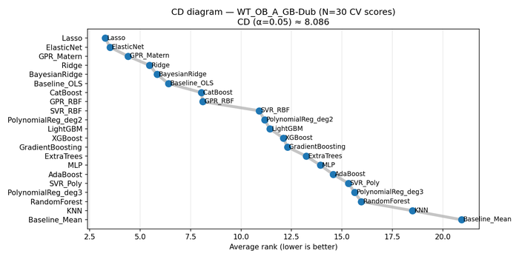

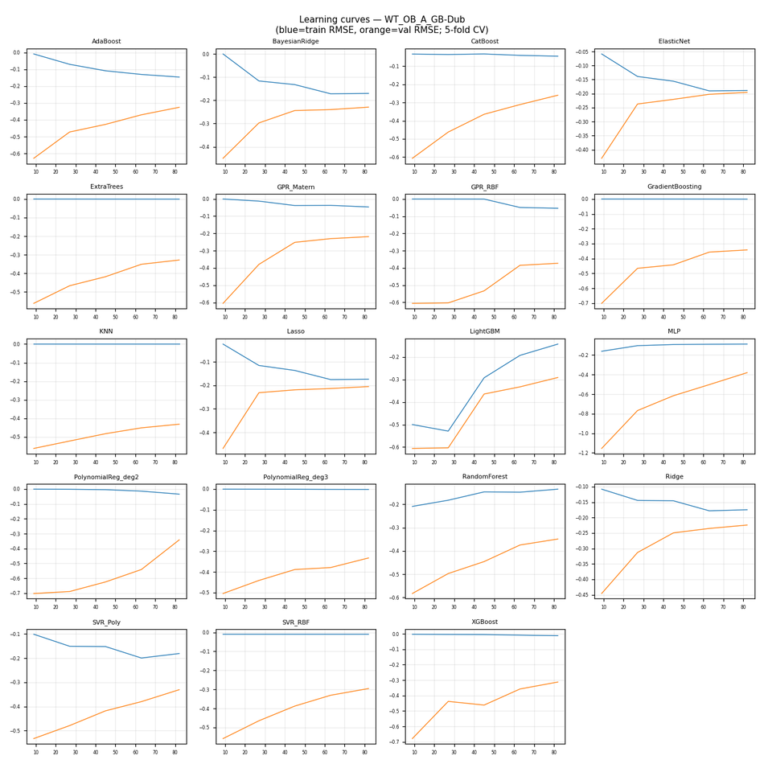

CV residuals by fold (all models)

WT_OB_A_GB-Ross
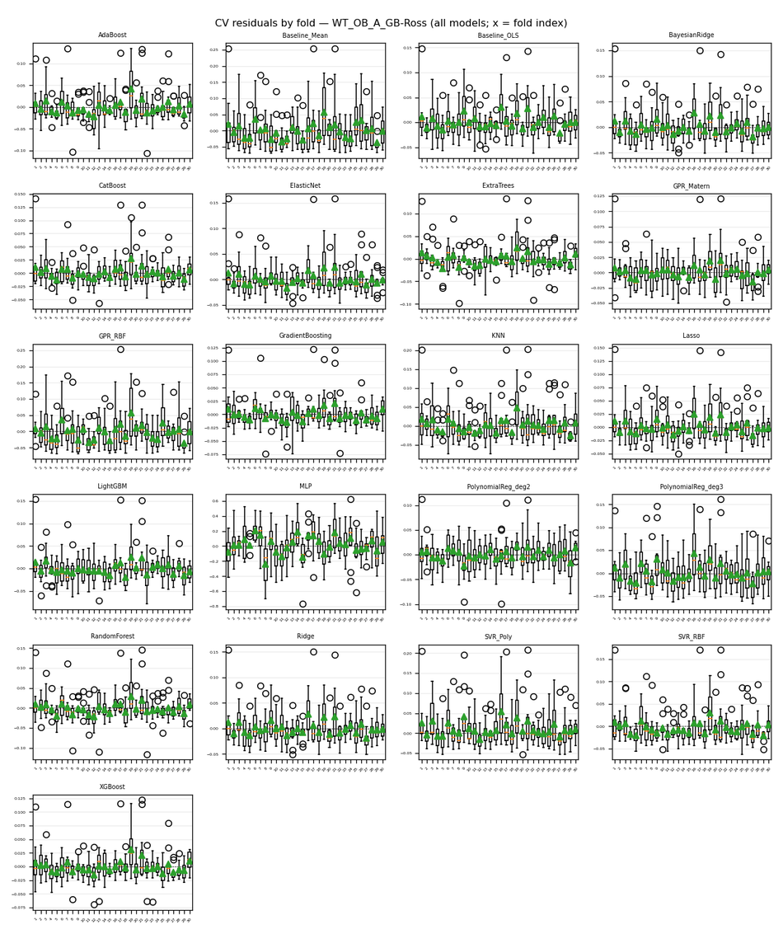
...
Nemenyi post-hoc p-values (pairwise)
16 | 0.9 | 0.001 | 0.9 | 0.9 | 0.023640174432 | 0.74501490993 | 0.78636922269 | 0.039457226199 | 0.020337339127 | 0.12500475204 | 0.11906190809 | 0.9 | 0.9 | 0.001 | 0.9 | 0.092659754023
17 | 0.9 | 0.001 | 0.9 | 0.9 | 0.025461391263 | 0.75879750714 | 0.80015676588 | 0.042318317042 | 0.018840693154 | 0.13213336689 | 0.11200754452 | 0.9 | 0.9 | 0.001 | 0.9 | 0.087498245101
18 | 0.092659754023 | 0.9 | 0.12500475204 | 0.014914165717 | 0.001 | 0.001 | 0.001 | 0.001 | 0.9 | 0.001 | 0.9 | 0.001 | 0.009193266458 | 0.42132005946 | 0.001 | 0.9
19 | 0.9 | 0.001 | 0.9 | 0.9 | 0.0015873078311 | 0.2873107557 | 0.32726166966 | 0.0030065497835 | 0.16636958912 | 0.013777419342 | 0.51066634486 | 0.66230508247 | 0.9 | 0.001 | 0.9 | 0.45269359805
20 | 0.029556605087 | 0.001 | 0.020337339127 | 0.15734674781 | 0.9 | 0.9 | 0.9 | 0.9 | 0.001 | 0.9 | 0.001 | 0.9 | 0.21561316944 | 0.001 | 0.62094888797 | 0.001

Figures (embedded)
CD diagram (average ranks); learning-curve grid (all models); residual-by-fold grid (all models) when Step 2 residuals were run.

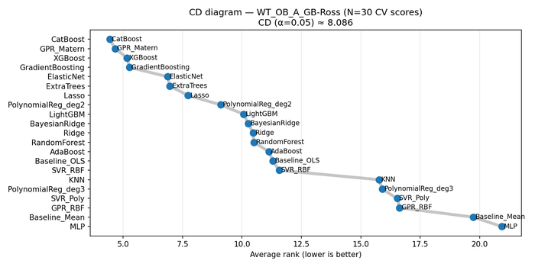



CV residuals by fold (all models)

WT_OB_LB

...
Nemenyi post-hoc p-values (pairwise)
16 | 0.9 | 0.0060493081502 | 0.001 | 0.001 | 0.063800372545 | 0.001 | 0.56580826679 | 0.001 | 0.025461391263 | 0.81393759417 | 0.24942174319 | 0.001 | 0.9 | 0.9 | 0.3137276732 | 0.9
17 | 0.001 | 0.001 | 0.9 | 0.9 | 0.85529598553 | 0.9 | 0.21561316944 | 0.9 | 0.001 | 0.077718205179 | 0.001 | 0.9 | 0.017441916911 | 0.001 | 0.45269359805 | 0.001
18 | 0.9 | 0.048503888081 | 0.001 | 0.001 | 0.0084636537939 | 0.001 | 0.19440899346 | 0.001 | 0.14861297631 | 0.4371489096 | 0.63473249962 | 0.001 | 0.73122894578 | 0.9 | 0.072859884186 | 0.9
19 | 0.9 | 0.018840693154 | 0.001 | 0.001 | 0.023640174432 | 0.001 | 0.35761709353 | 0.001 | 0.068214783906 | 0.62094888797 | 0.45269359805 | 0.001 | 0.9 | 0.9 | 0.15734674781 | 0.9
20 | 0.82772217043 | 0.001 | 0.40532715258 | 0.055659439625 | 0.9 | 0.0010873039012 | 0.9 | 0.001 | 0.001 | 0.9 | 0.001 | 0.001 | 0.9 | 0.20483570021 | 0.9 | 0.82772217043

Figures (embedded)
CD diagram (average ranks); learning-curve grid (all models); residual-by-fold grid (all models) when Step 2 residuals were run.





CV residuals by fold (all models)

WT_OB_NA_GB-Dub

...
Nemenyi post-hoc p-values (pairwise)
16 | 0.9 | 0.001 | 0.3137276732 | 0.20483570021 | 0.88286478353 | 0.0010873039012 | 0.9 | 0.14013998465 | 0.001 | 0.9 | 0.001 | 0.0030065497835 | 0.9 | 0.46786805807 | 0.1843800856 | 0.38929285097
17 | 0.0050946756257 | 0.001 | 0.9 | 0.9 | 0.9 | 0.9 | 0.6071654307 | 0.9 | 0.001 | 0.42132005946 | 0.001 | 0.9 | 0.9 | 0.001 | 0.001 | 0.001
18 | 0.9 | 0.042318317042 | 0.001 | 0.001 | 0.0035924352874 | 0.001 | 0.35761709353 | 0.001 | 0.063800372545 | 0.55202310282 | 0.51066634486 | 0.001 | 0.045331773593 | 0.9 | 0.9 | 0.9
19 | 0.9 | 0.0055544359157 | 0.001 | 0.001 | 0.029556605087 | 0.001 | 0.73122894578 | 0.001 | 0.009193266458 | 0.9 | 0.16636958912 | 0.001 | 0.21561316944 | 0.9 | 0.9 | 0.9
20 | 0.9 | 0.001 | 0.88286478353 | 0.75879750714 | 0.9 | 0.031808645963 | 0.9 | 0.66230508247 | 0.001 | 0.9 | 0.001 | 0.068214783906 | 0.9 | 0.05961199903 | 0.012720313727 | 0.042318317042

Figures (embedded)
CD diagram (average ranks); learning-curve grid (all models); residual-by-fold grid (all models) when Step 2 residuals were run.





CV residuals by fold (all models)

WT_OB_NA_GB-Ross

...
Nemenyi post-hoc p-values (pairwise)
16 | 0.9 | 0.027440326829 | 0.001 | 0.001 | 0.11906190809 | 0.001 | 0.9 | 0.001 | 0.055659439625 | 0.9 | 0.46786805807 | 0.001 | 0.59337908524 | 0.9 | 0.89664990046 | 0.9
17 | 0.001 | 0.001 | 0.9 | 0.9 | 0.14013998465 | 0.9 | 0.001 | 0.9 | 0.001 | 0.001 | 0.001 | 0.9 | 0.0099744581482 | 0.001 | 0.0014439326887 | 0.001
18 | 0.9 | 0.001 | 0.001 | 0.001 | 0.67608835203 | 0.001 | 0.9 | 0.001 | 0.0015873078311 | 0.9 | 0.045331773593 | 0.001 | 0.9 | 0.9 | 0.9 | 0.9
19 | 0.9 | 0.001 | 0.001 | 0.001 | 0.62094888797 | 0.001 | 0.9 | 0.001 | 0.0022928977734 | 0.9 | 0.05961199903 | 0.001 | 0.9 | 0.9 | 0.9 | 0.9
20 | 0.9 | 0.001 | 0.0022928977734 | 0.001 | 0.9 | 0.001 | 0.9 | 0.001 | 0.001 | 0.9 | 0.0050946756257 | 0.001 | 0.9 | 0.9 | 0.9 | 0.9

Figures (embedded)
CD diagram (average ranks); learning-curve grid (all models); residual-by-fold grid (all models) when Step 2 residuals were run.





CV residuals by fold (all models)

