TT_OB_Agri
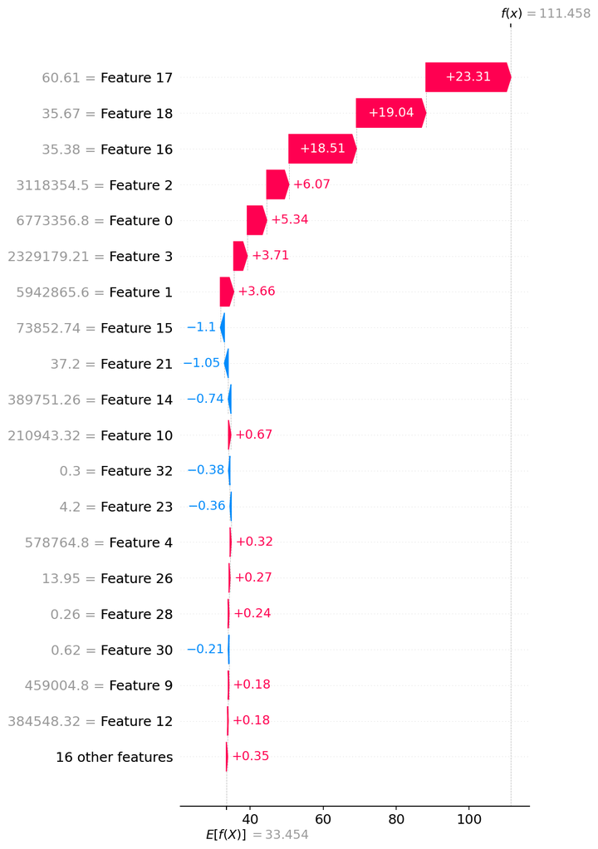
SHAP — TT_OB_Agri

Model | ExtraTrees
Selection policy | composite_pre_test
Explain split | train

Mean |SHAP| (explain subsample)
feature | mean_abs_shap
VCap_Dub_Holy | 7.0151829945
VCap_Dub_Liv | 4.8726634734
VCap_Dub_Hey | 4.2839535141
A_Im | 1.6364336886
NA_Im | 1.4542915811
A_Ex | 1.3670759816
NA_Ex | 1.0720828684
ChkTime_Doc | 0.18166586824
Shift_A_Im_LB_to_Cher | 0.16809287632
Pct_NA_OB_Red | 0.15885510822
Pct_NA_IB_Red | 0.11393926439
VCap_Ross_Pem | 0.10420793728
A_Ex_DR | 0.082651819295
Pct_IB_PreBoard | 0.078522454593
A_Ex_LB | 0.07626808256
NA_Im_LB | 0.074119854663
NA_Im_DR | 0.071015822702
NumDAFM_R | 0.069336052197
Shift_NA_Im_LB_to_Cher | 0.060244228172
A_Im_DR | 0.059322443095
Shift_A_Ex_LB_to_Cher | 0.058654201033
A_Im_LB | 0.055053777567
Pct_A_IB_Red | 0.047788111792
Shift_NA_Ex_LB_to_Cher | 0.046801013867
VCap_Ross_Fish | 0.046070327248
Pct_A_OB_Red | 0.043357991714
Pct_NA_OB_Green | 0.036131069449
NumDAFM_D | 0.034002064623
NA_Ex_DR | 0.030319576197
Pct_NA_IB_Green | 0.029691515498
NumCusShed_R | 0.029610189349
Pct_OB_PreBoard | 0.028674737407
NA_Ex_LB | 0.027621817027
ChkTime_Phy | 0.025757125139
NumCusShed_D | 0.021418212389

Figures (embedded)

TT_OB_Agri__ExtraTrees__summary_bar.png
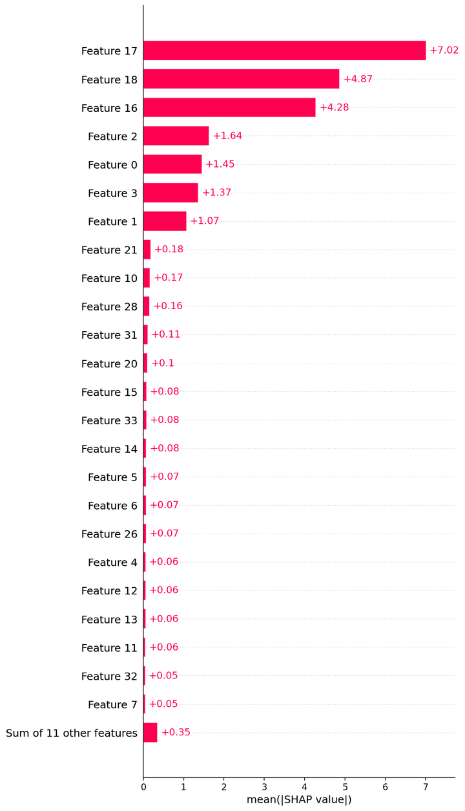

TT_OB_Agri__ExtraTrees__beeswarm.png
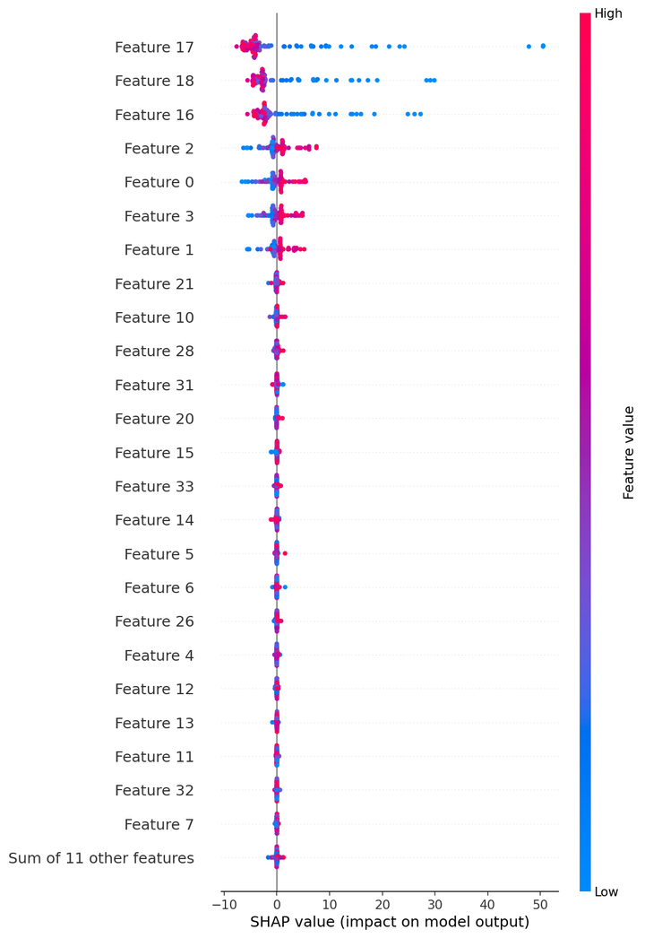

TT_OB_Agri__ExtraTrees__waterfall_row0.png
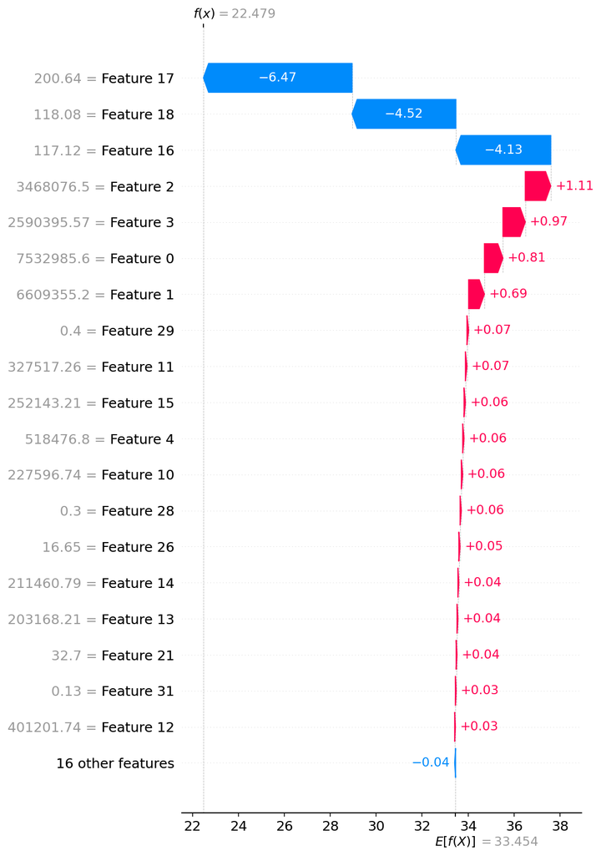

TT_OB_Agri__ExtraTrees__waterfall_row1.png
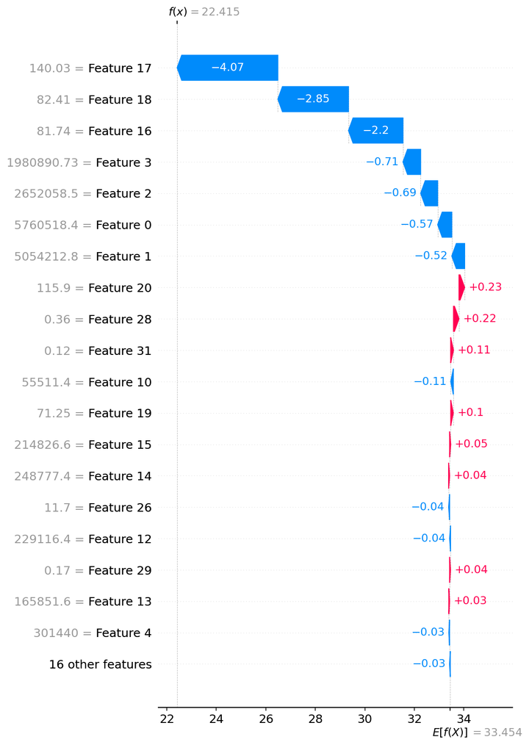

TT_OB_Agri__ExtraTrees__waterfall_row2.png

WT_OB_A_GB-Dub
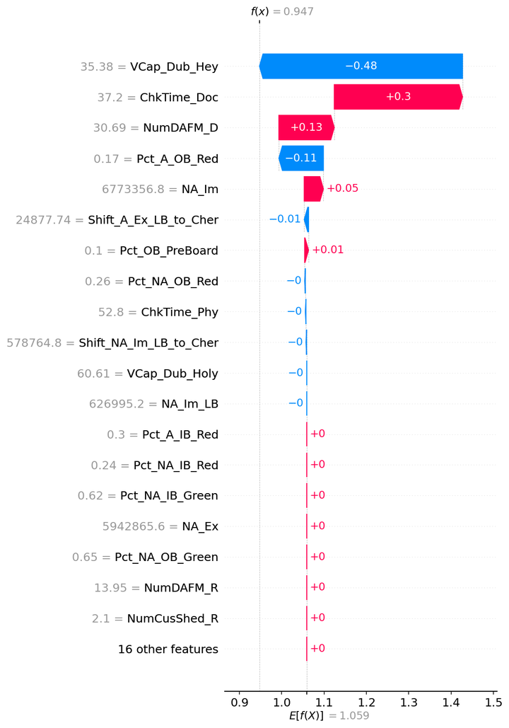
SHAP — WT_OB_A_GB-Dub

Model | Lasso
Selection policy | composite_pre_test
Explain split | train

Mean |SHAP| (explain subsample)
feature | mean_abs_shap
VCap_Dub_Hey | 0.27160008412
ChkTime_Doc | 0.24722953776
NumDAFM_D | 0.24326684301
Pct_A_OB_Red | 0.10489077683
NA_Im | 0.088360024134
Pct_NA_OB_Red | 0.0092216737002
Shift_A_Ex_LB_to_Cher | 0.0068054371902
Pct_OB_PreBoard | 0.0049809085893
ChkTime_Phy | 0.0029921740852
Shift_NA_Im_LB_to_Cher | 0.00079810609032
VCap_Dub_Holy | 3.8024067925E-17
NA_Im_LB | 1.5907245855E-17
NA_Im_DR | 4.6312425115E-18
A_Ex_DR | 9.2420340528E-19
VCap_Dub_Liv | 6.1954409856E-19
A_Im_DR | 0
NumCusShed_R | 0
Pct_IB_PreBoard | 0
Pct_A_IB_Red | 0
Pct_NA_IB_Red | 0
Pct_NA_IB_Green | 0
A_Im | 0
A_Ex | 0
Pct_NA_OB_Green | 0
NumDAFM_R | 0
NumCusShed_D | 0
Shift_A_Im_LB_to_Cher | 0
Shift_NA_Ex_LB_to_Cher | 0
A_Im_LB | 0
NA_Ex_DR | 0
VCap_Ross_Pem | 0
VCap_Ross_Fish | 0
NA_Ex | 0
A_Ex_LB | 0
NA_Ex_LB | 0

Figures (embedded)

WT_OB_A_GB-Dub__Lasso__summary_bar.png
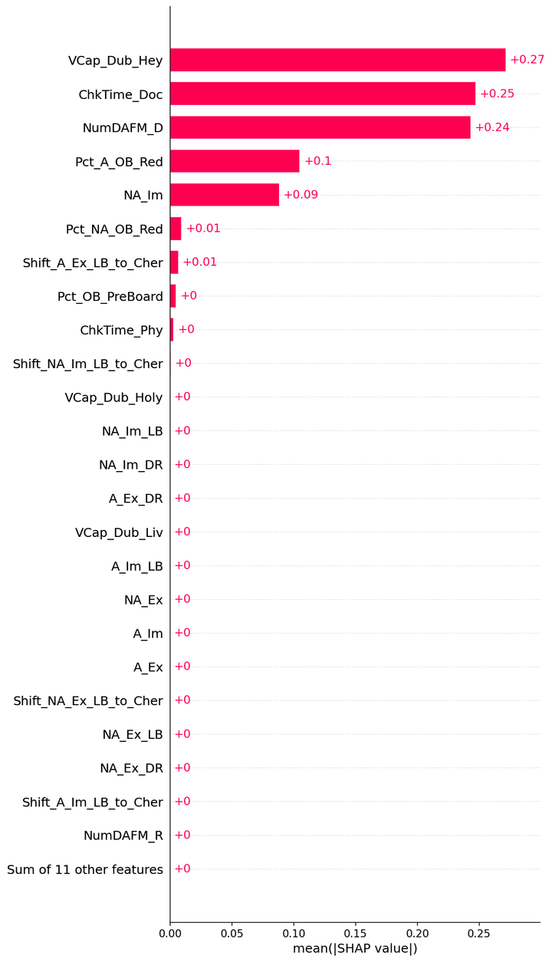

WT_OB_A_GB-Dub__Lasso__beeswarm.png
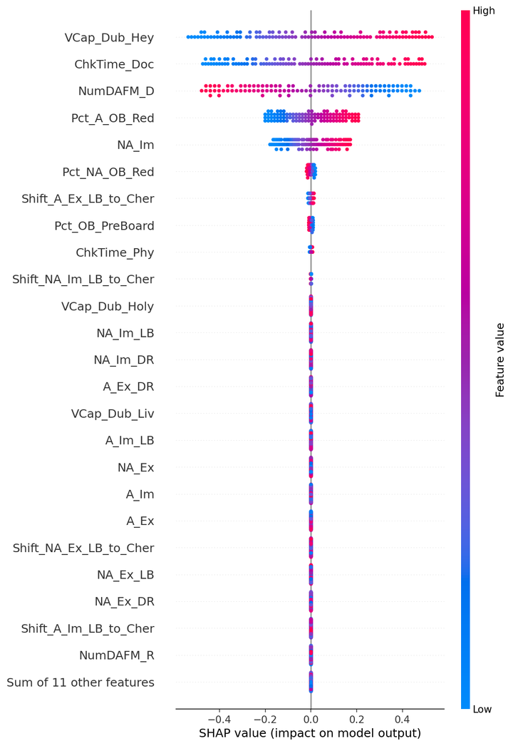

WT_OB_A_GB-Dub__Lasso__waterfall_row0.png
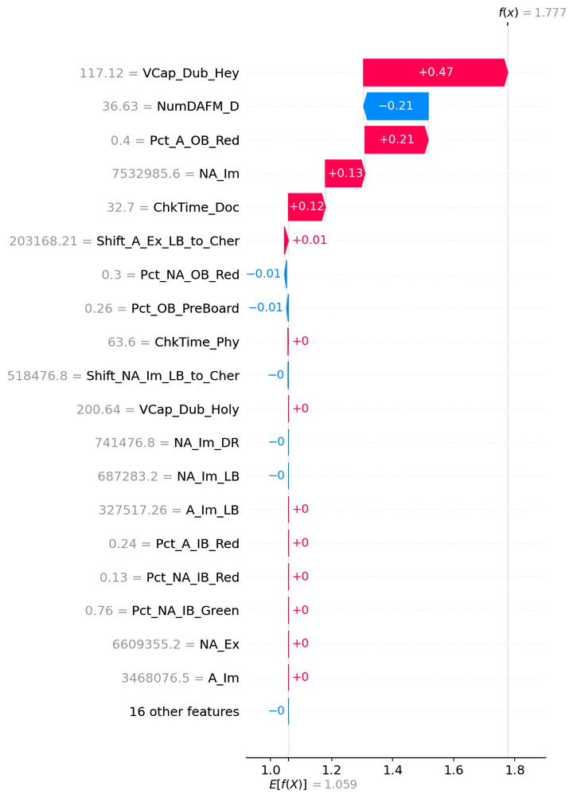

WT_OB_A_GB-Dub__Lasso__waterfall_row1.png
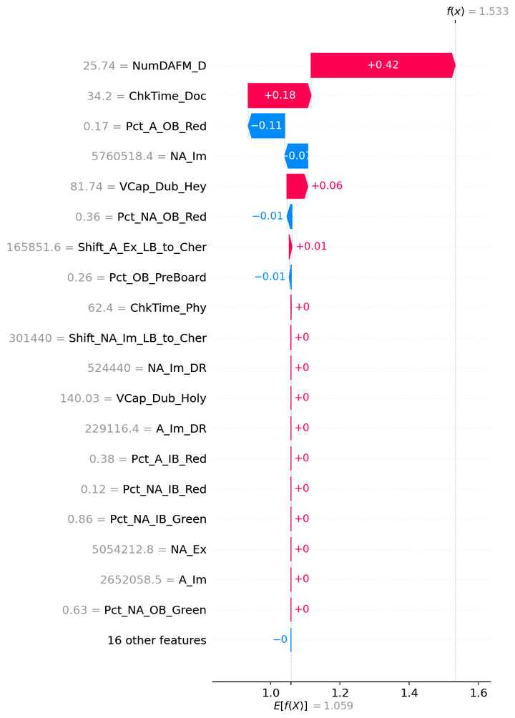

WT_OB_A_GB-Dub__Lasso__waterfall_row2.png

WT_OB_A_GB-Ross
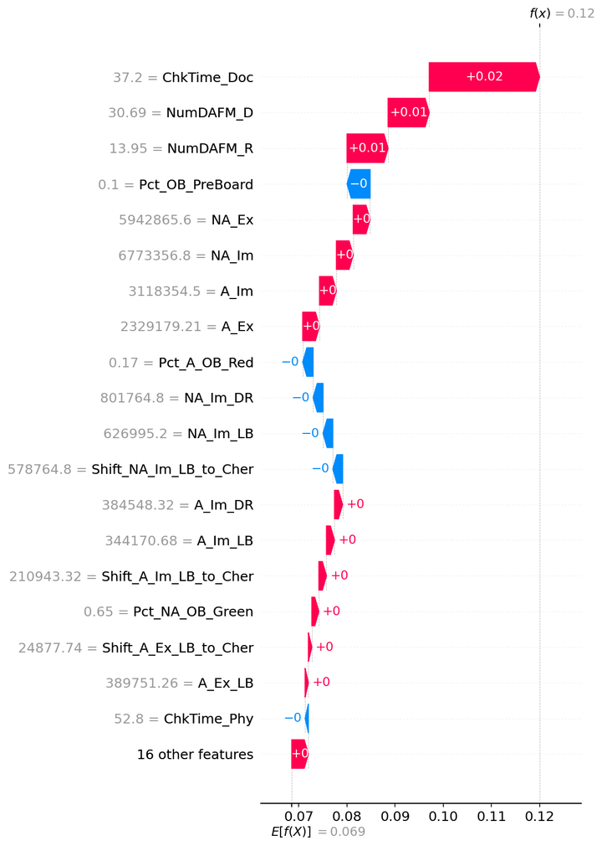
SHAP — WT_OB_A_GB-Ross

Model | GPR_Matern
Selection policy | composite_pre_test
Explain split | train

Mean |SHAP| (explain subsample)
feature | mean_abs_shap
ChkTime_Doc | 0.017430859203
NumDAFM_D | 0.016472028297
NumDAFM_R | 0.016464471385
A_Im | 0.0072834192644
NA_Im | 0.0072807056061
A_Ex | 0.0072692901498
NA_Ex | 0.0072687834157
Pct_OB_PreBoard | 0.0020355617688
Pct_NA_OB_Red | 0.0020129730234
Pct_A_OB_Red | 0.0017610261512
Pct_IB_PreBoard | 0.0013275925006
Pct_NA_IB_Green | 0.0012830406004
ChkTime_Phy | 0.0010623163067
Pct_A_IB_Red | 0.0010120266968
Shift_NA_Im_LB_to_Cher | 0.00095608657869
NA_Im_DR | 0.00094643891843
NA_Im_LB | 0.0009458400831
Pct_NA_IB_Red | 0.00088262332506
Shift_A_Ex_LB_to_Cher | 0.00087727275978
A_Ex_LB | 0.00086497676852
A_Ex_DR | 0.00086084768466
Pct_NA_OB_Green | 0.00081353646827
A_Im_DR | 0.00079070139904
Shift_A_Im_LB_to_Cher | 0.0007881907921
A_Im_LB | 0.00078462368626
NumCusShed_D | 0.00072095533144
NumCusShed_R | 0.00071520072465
VCap_Ross_Fish | 0.0006951399462
VCap_Ross_Pem | 0.00068781243419
VCap_Dub_Holy | 0.00060254011772
VCap_Dub_Hey | 0.00059385533143
VCap_Dub_Liv | 0.0005924518138
Shift_NA_Ex_LB_to_Cher | 0.00049718884282
NA_Ex_DR | 0.00049286041796
NA_Ex_LB | 0.00049171877483

Figures (embedded)

WT_OB_A_GB-Ross__GPR_Matern__summary_bar.png
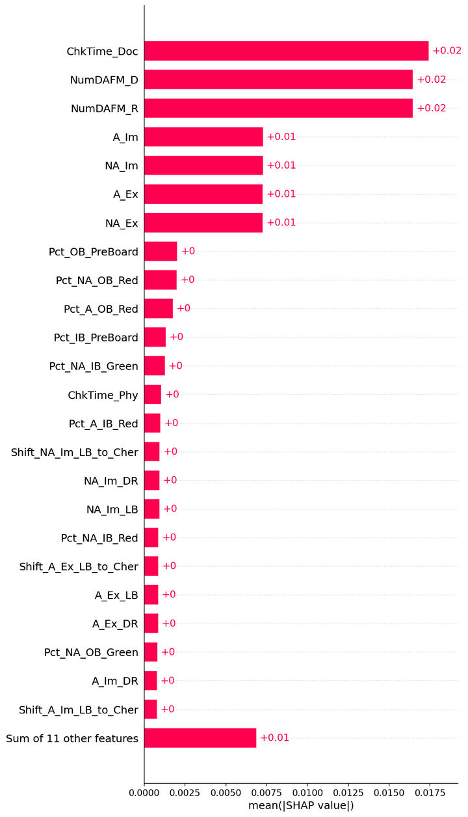

WT_OB_A_GB-Ross__GPR_Matern__beeswarm.png
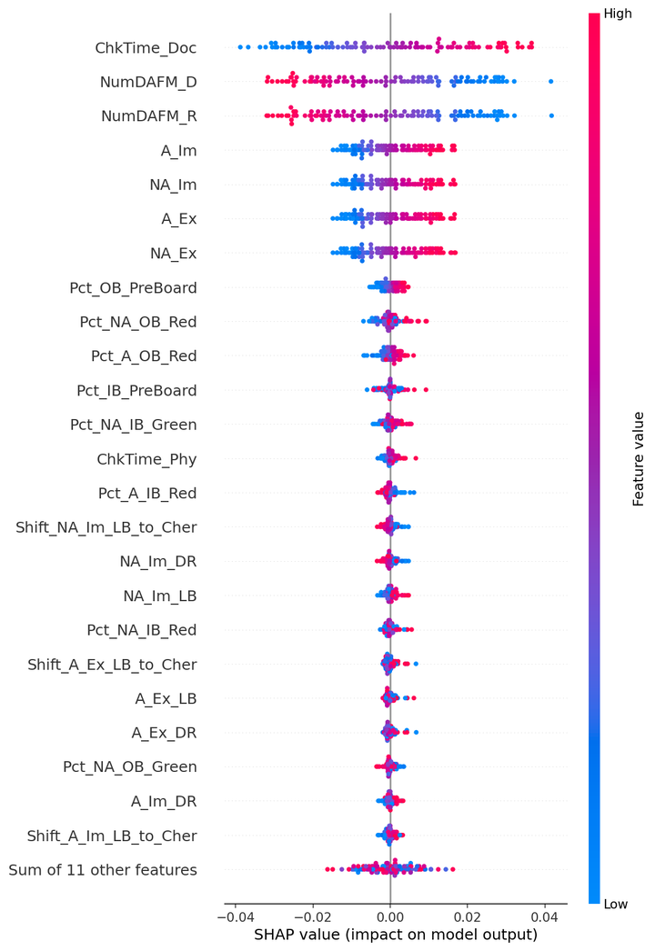

WT_OB_A_GB-Ross__GPR_Matern__waterfall_row0.png
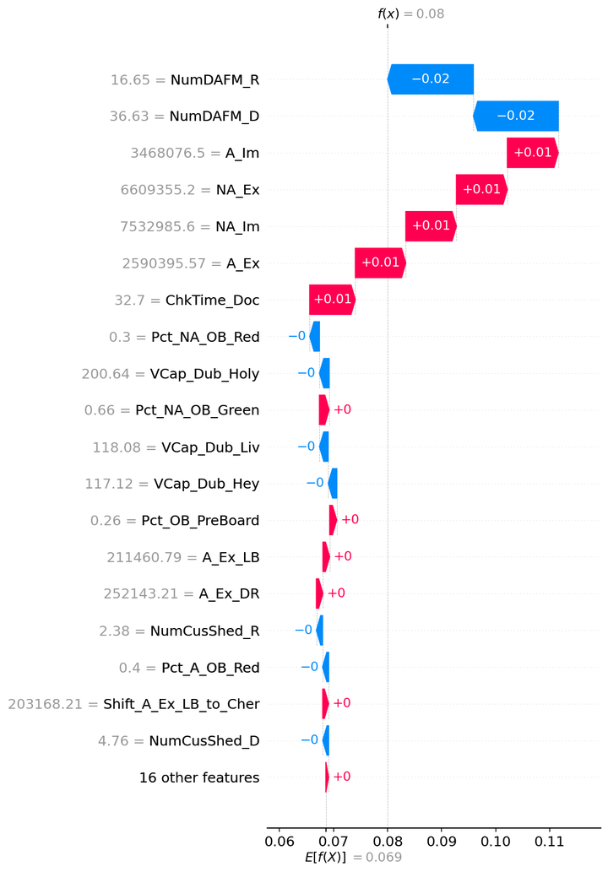

WT_OB_A_GB-Ross__GPR_Matern__waterfall_row1.png
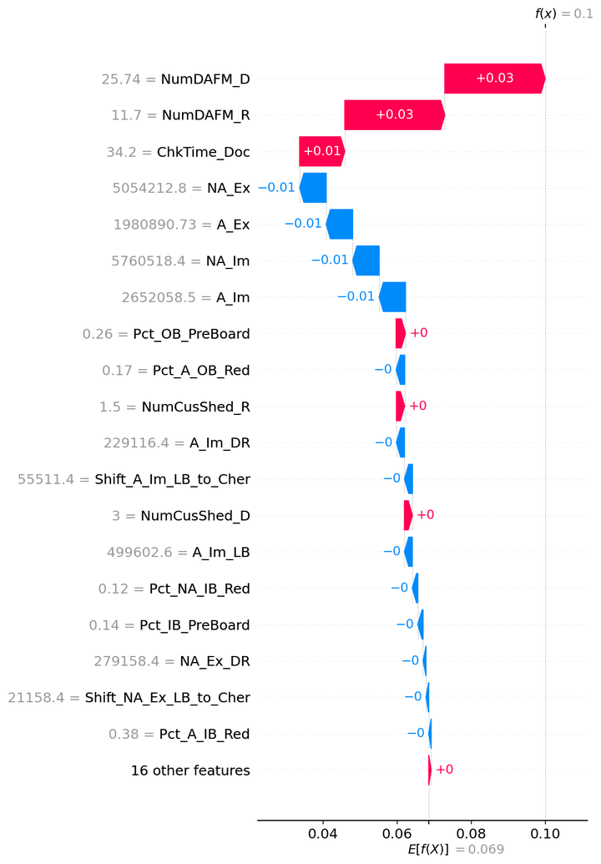

WT_OB_A_GB-Ross__GPR_Matern__waterfall_row2.png

TT_IB_Agri
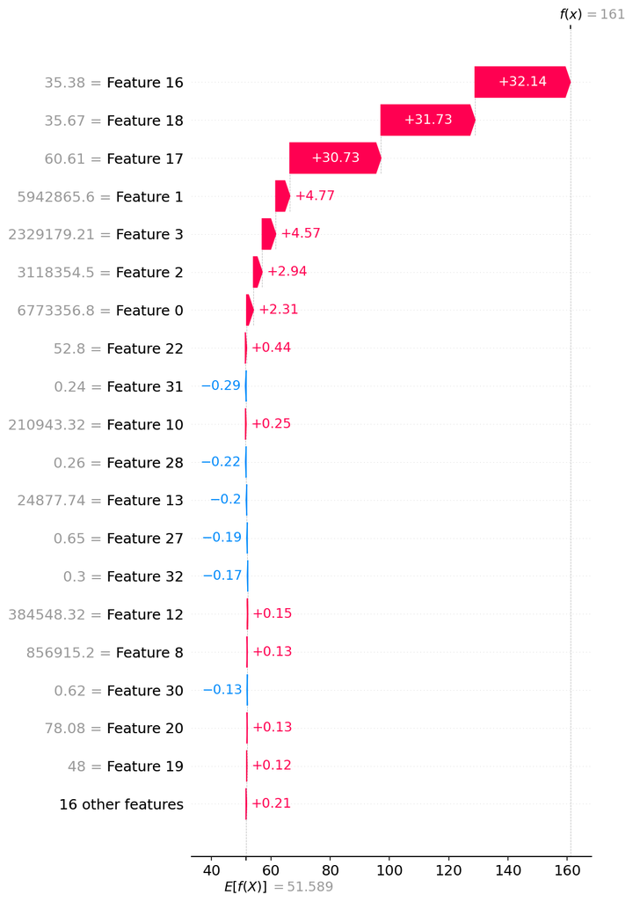
SHAP — TT_IB_Agri

Model | ExtraTrees
Selection policy | composite_pre_test
Explain split | train

Mean |SHAP| (explain subsample)
feature | mean_abs_shap
VCap_Dub_Hey | 11.751570332
VCap_Dub_Liv | 11.666523923
VCap_Dub_Holy | 11.181717361
A_Ex | 2.8352058729
NA_Ex | 2.4758922312
A_Im | 2.0934490252
NA_Im | 1.9616814179
ChkTime_Doc | 0.15607227902
A_Im_LB | 0.11420336623
ChkTime_Phy | 0.10372066917
Pct_IB_PreBoard | 0.092897693779
A_Ex_DR | 0.092022241476
Pct_NA_IB_Green | 0.083740960942
Pct_NA_OB_Green | 0.082441627158
A_Im_DR | 0.081992129281
VCap_Ross_Fish | 0.079600972882
NA_Im_DR | 0.071898370008
Shift_A_Im_LB_to_Cher | 0.071387457079
Pct_NA_IB_Red | 0.069399928069
NA_Im_LB | 0.068020930772
Shift_NA_Im_LB_to_Cher | 0.067484827128
Pct_NA_OB_Red | 0.066639912059
NA_Ex_LB | 0.063940014874
Pct_OB_PreBoard | 0.063179621903
NumDAFM_D | 0.062137323331
Pct_A_IB_Red | 0.060786316228
Shift_NA_Ex_LB_to_Cher | 0.060193111977
NA_Ex_DR | 0.054144329232
Shift_A_Ex_LB_to_Cher | 0.050801099098
VCap_Ross_Pem | 0.045879246523
NumDAFM_R | 0.044756224053
A_Ex_LB | 0.042074780639
Pct_A_OB_Red | 0.039620965931
NumCusShed_R | 0.024424231695
NumCusShed_D | 0.021426220615

Figures (embedded)

TT_IB_Agri__ExtraTrees__summary_bar.png
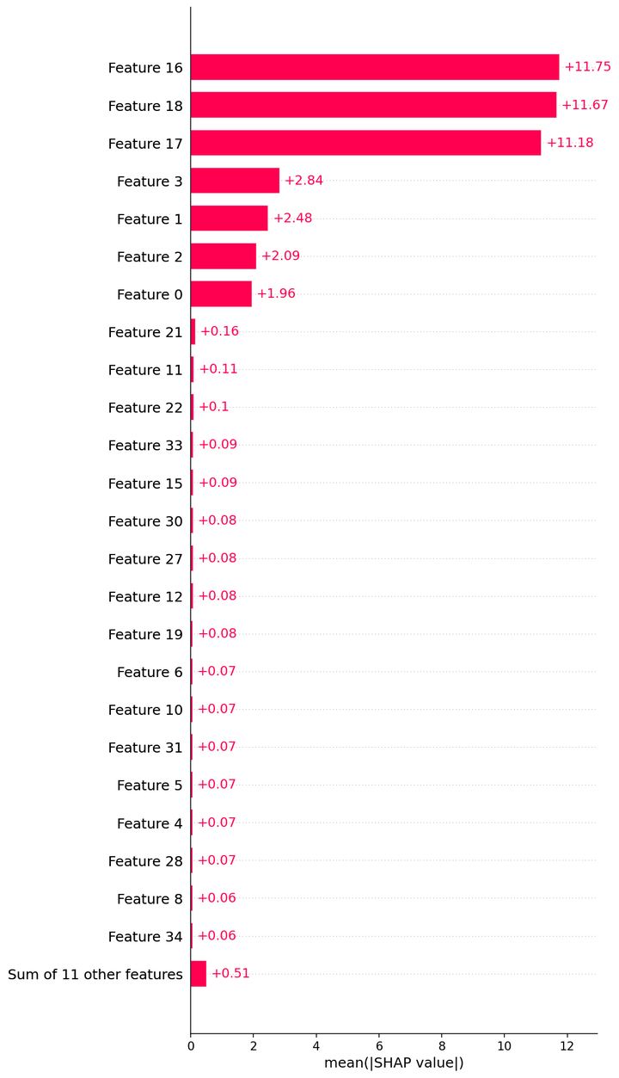

TT_IB_Agri__ExtraTrees__beeswarm.png
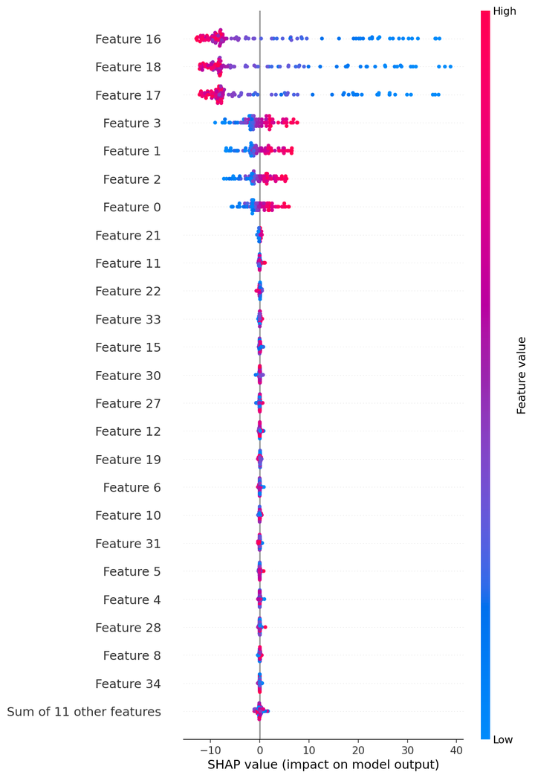

TT_IB_Agri__ExtraTrees__waterfall_row0.png
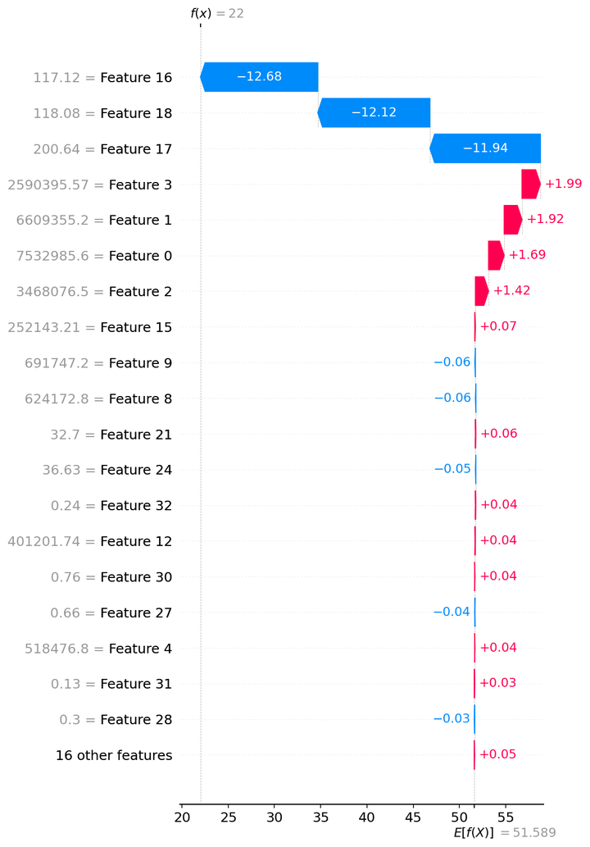

TT_IB_Agri__ExtraTrees__waterfall_row1.png


TT_IB_Agri__ExtraTrees__waterfall_row2.png

WT_IB_A_Dub
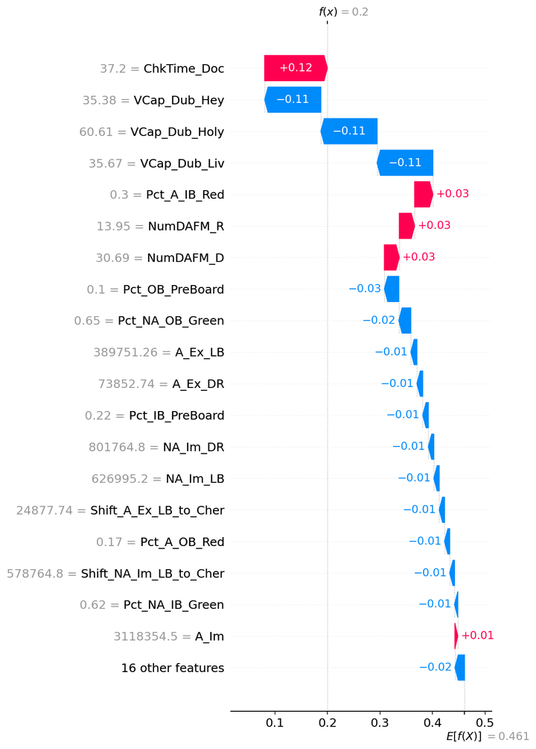
SHAP — WT_IB_A_Dub

Model | GPR_Matern
Selection policy | composite_pre_test
Explain split | train

Mean |SHAP| (explain subsample)
feature | mean_abs_shap
ChkTime_Doc | 0.11294938997
NumDAFM_R | 0.063703167931
NumDAFM_D | 0.06369176005
Pct_A_IB_Red | 0.053409147074
VCap_Dub_Hey | 0.048572179475
VCap_Dub_Liv | 0.048535558913
VCap_Dub_Holy | 0.048508397541
A_Ex | 0.015655104663
NA_Im | 0.015638329002
A_Im | 0.015635255515
NA_Ex | 0.015609688871
ChkTime_Phy | 0.011851110795
Pct_NA_OB_Green | 0.010914439226
Pct_NA_OB_Red | 0.006089478561
Pct_IB_PreBoard | 0.0059893218595
Pct_OB_PreBoard | 0.0053371176418
Pct_NA_IB_Green | 0.0050328347214
NumCusShed_R | 0.0046634381072
NumCusShed_D | 0.0046348405531
Pct_A_OB_Red | 0.0045496389826
VCap_Ross_Fish | 0.0040509747832
VCap_Ross_Pem | 0.0040008053706
Pct_NA_IB_Red | 0.0035708005161
Shift_A_Ex_LB_to_Cher | 0.0032599212588
A_Ex_DR | 0.0032359540241
A_Ex_LB | 0.0032075365207
A_Im_DR | 0.0031341487417
A_Im_LB | 0.0030922070772
Shift_A_Im_LB_to_Cher | 0.0030766183846
NA_Ex_LB | 0.0029942671132
Shift_NA_Ex_LB_to_Cher | 0.0029684578537
NA_Ex_DR | 0.0029261303206
NA_Im_DR | 0.0024735420376
Shift_NA_Im_LB_to_Cher | 0.0024466475427
NA_Im_LB | 0.0024349415119

Figures (embedded)

WT_IB_A_Dub__GPR_Matern__summary_bar.png
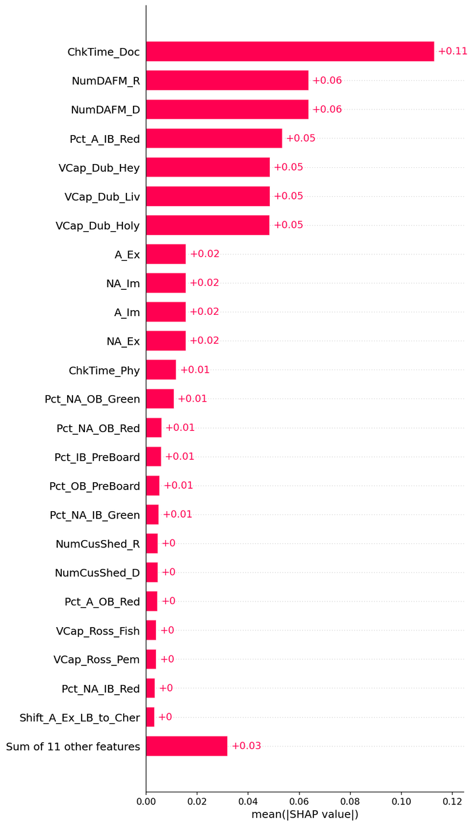

WT_IB_A_Dub__GPR_Matern__beeswarm.png
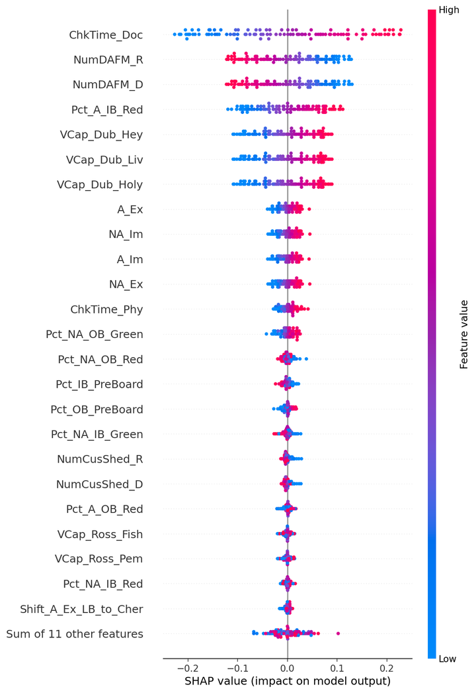

WT_IB_A_Dub__GPR_Matern__waterfall_row0.png
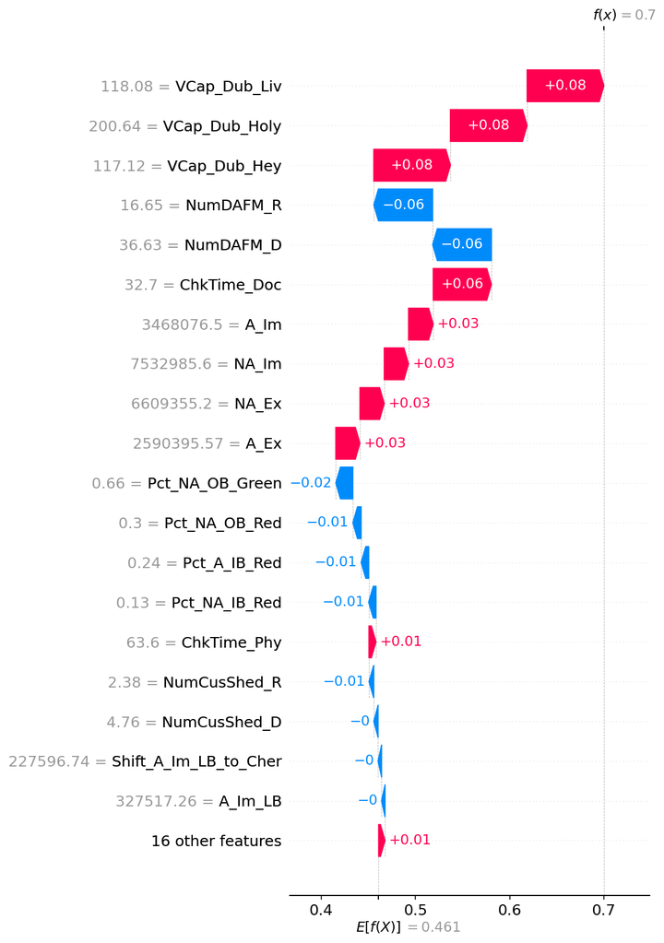

WT_IB_A_Dub__GPR_Matern__waterfall_row1.png
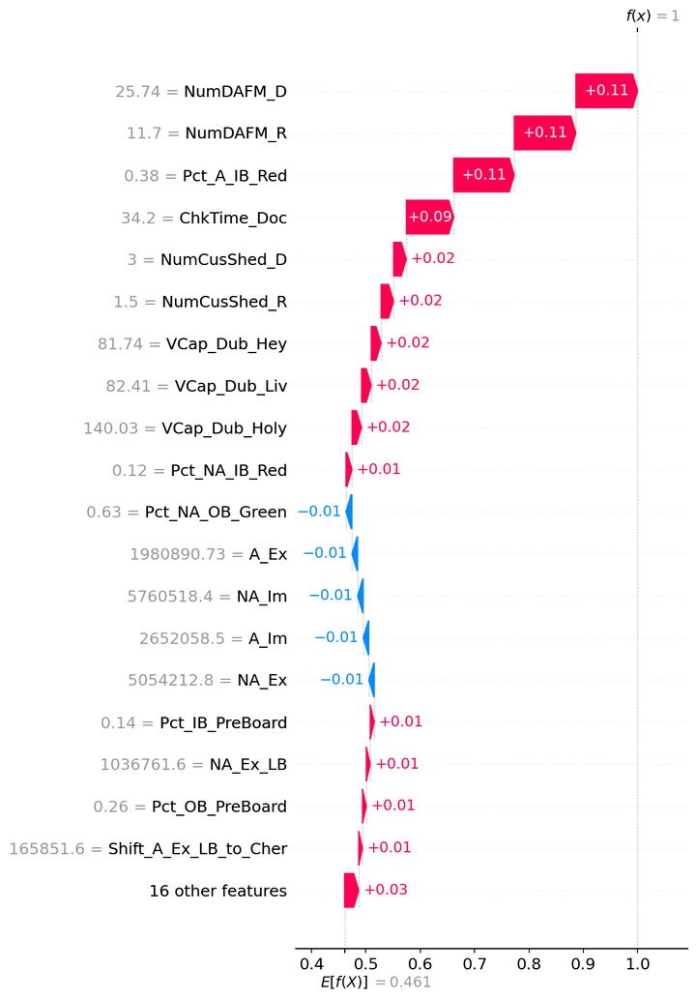

WT_IB_A_Dub__GPR_Matern__waterfall_row2.png

WT_IB_A_Ross
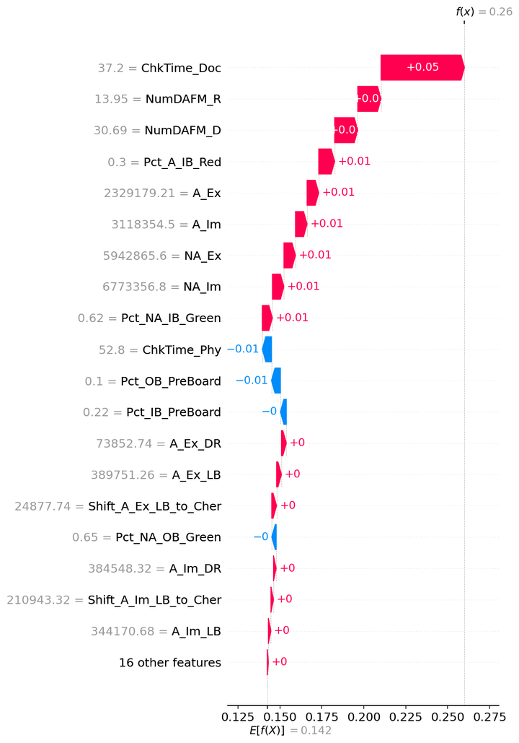
SHAP — WT_IB_A_Ross

Model | GPR_Matern
Selection policy | composite_pre_test
Explain split | train

Mean |SHAP| (explain subsample)
feature | mean_abs_shap
ChkTime_Doc | 0.040114132387
NumDAFM_D | 0.026436109273
NumDAFM_R | 0.026420780207
Pct_A_IB_Red | 0.013361439571
A_Ex | 0.013116218304
NA_Ex | 0.013112905023
NA_Im | 0.013105961313
A_Im | 0.01310185607
ChkTime_Phy | 0.010067438306
Pct_IB_PreBoard | 0.0043205298136
Pct_NA_OB_Green | 0.002751618466
Pct_OB_PreBoard | 0.0025609720463
Pct_NA_OB_Red | 0.0024999983861
Pct_NA_IB_Green | 0.0018196386302
NumCusShed_D | 0.0014901968987
NumCusShed_R | 0.0014705113877
A_Ex_DR | 0.0014389002813
A_Ex_LB | 0.0014364272251
Shift_A_Ex_LB_to_Cher | 0.0014331217
Pct_NA_IB_Red | 0.0012599869254
Pct_A_OB_Red | 0.0012234925609
NA_Im_DR | 0.0011386675468
Shift_NA_Im_LB_to_Cher | 0.0011374610109
NA_Im_LB | 0.0011328961223
VCap_Dub_Hey | 0.0010407947292
VCap_Dub_Holy | 0.0010374257273
VCap_Dub_Liv | 0.0010292239837
VCap_Ross_Fish | 0.0010101800107
VCap_Ross_Pem | 0.00099148826262
Shift_NA_Ex_LB_to_Cher | 0.00097557330311
NA_Ex_LB | 0.00097408861193
NA_Ex_DR | 0.00097109616514
A_Im_LB | 0.00062539210815
A_Im_DR | 0.00062517765659
Shift_A_Im_LB_to_Cher | 0.00061663437701

Figures (embedded)

WT_IB_A_Ross__GPR_Matern__summary_bar.png
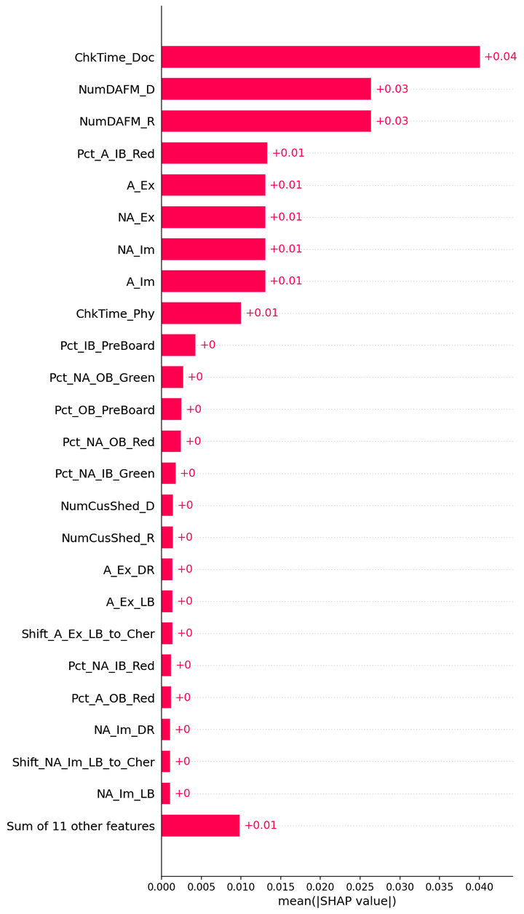

WT_IB_A_Ross__GPR_Matern__beeswarm.png
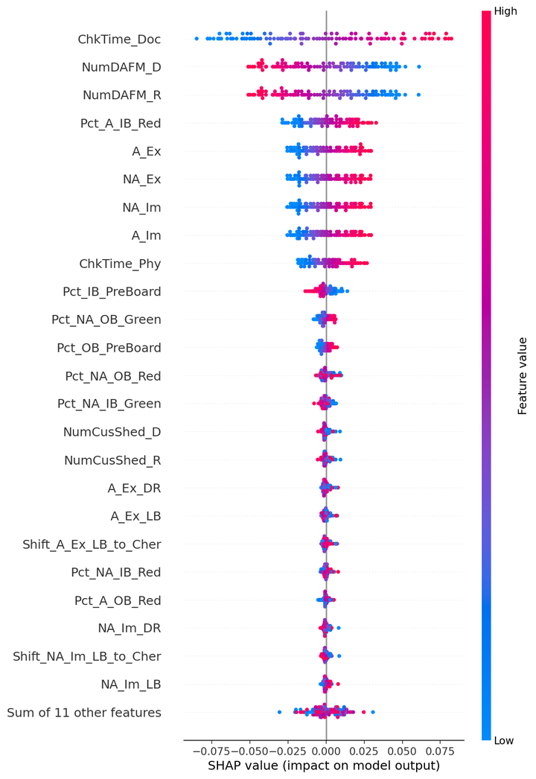

WT_IB_A_Ross__GPR_Matern__waterfall_row0.png
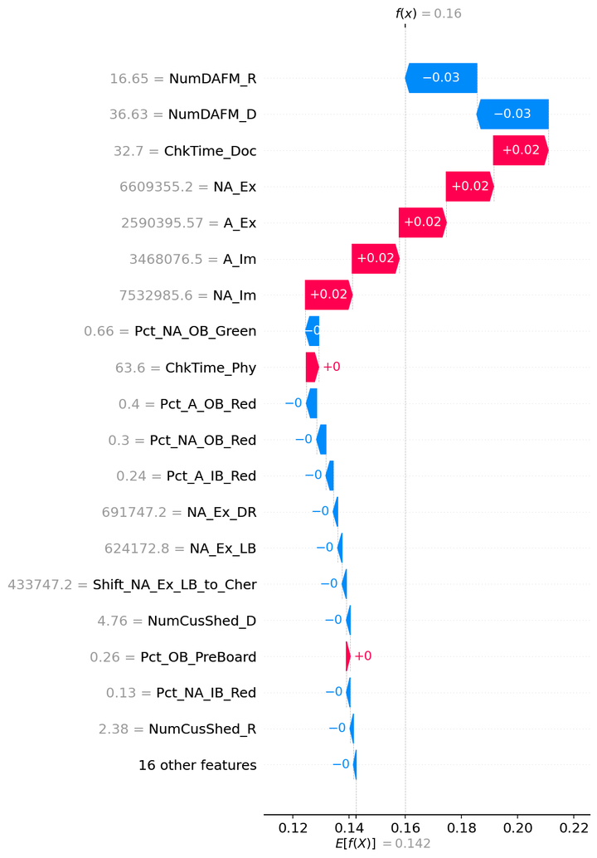

WT_IB_A_Ross__GPR_Matern__waterfall_row1.png
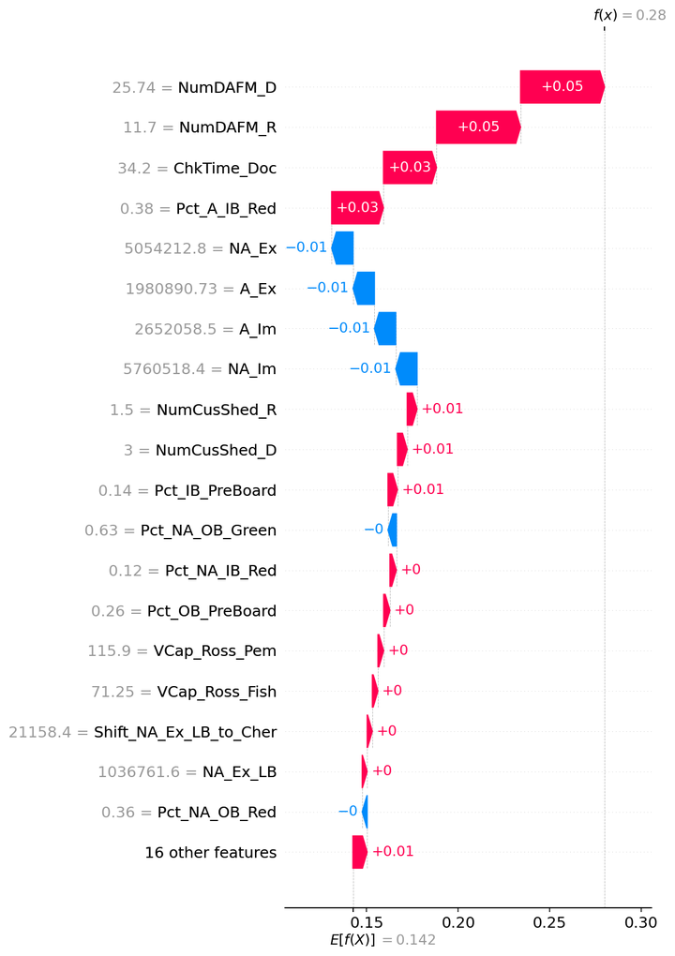

WT_IB_A_Ross__GPR_Matern__waterfall_row2.png

WT_IB_NA_Dub
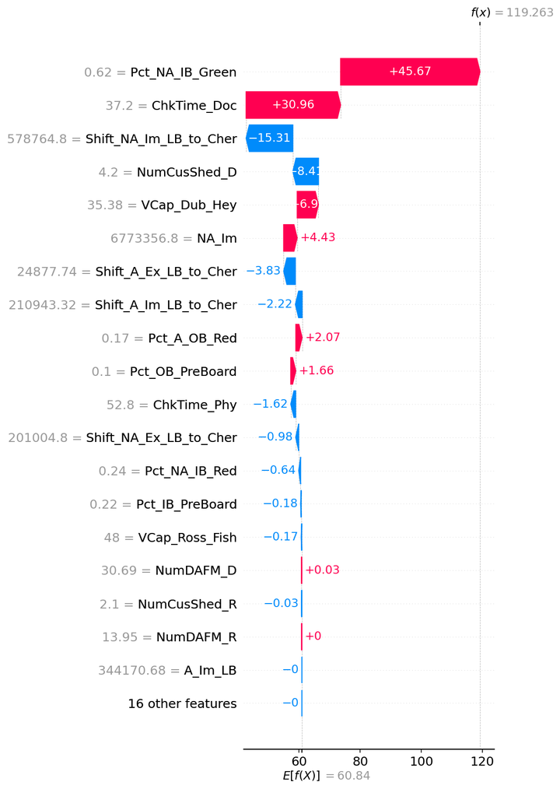
SHAP — WT_IB_NA_Dub

Model | Lasso
Selection policy | composite_pre_test
Explain split | train

Mean |SHAP| (explain subsample)
feature | mean_abs_shap
Pct_NA_IB_Green | 25.795291666
ChkTime_Doc | 25.273986825
NumCusShed_D | 22.765773371
Shift_NA_Im_LB_to_Cher | 8.8892462169
NA_Im | 8.6266403222
Pct_NA_IB_Red | 5.3551816198
VCap_Dub_Hey | 3.9541072251
ChkTime_Phy | 3.1174559332
Shift_A_Ex_LB_to_Cher | 2.5362483677
Shift_NA_Ex_LB_to_Cher | 2.3947357113
VCap_Ross_Fish | 2.1878163737
Pct_A_OB_Red | 2.0643149879
Shift_A_Im_LB_to_Cher | 1.9632173068
Pct_OB_PreBoard | 0.89539339321
Pct_IB_PreBoard | 0.36304161706
NumCusShed_R | 0.075142146581
NumDAFM_D | 0.058202489816
NumDAFM_R | 0.00014739182095
A_Im_LB | 7.1869906389E-15
NA_Ex_LB | 5.0704138645E-15
VCap_Ross_Pem | 3.4997625078E-15
NA_Im_LB | 2.51544528E-15
NA_Ex | 2.3415157931E-15
VCap_Dub_Holy | 1.5902433862E-15
A_Im_DR | 1.0062466829E-15
NA_Ex_DR | 8.6457078205E-16
A_Ex_DR | 0
NA_Im_DR | 0
Pct_NA_OB_Green | 0
Pct_NA_OB_Red | 0
VCap_Dub_Liv | 0
A_Ex | 0
A_Im | 0
Pct_A_IB_Red | 0
A_Ex_LB | 0

Figures (embedded)

WT_IB_NA_Dub__Lasso__summary_bar.png
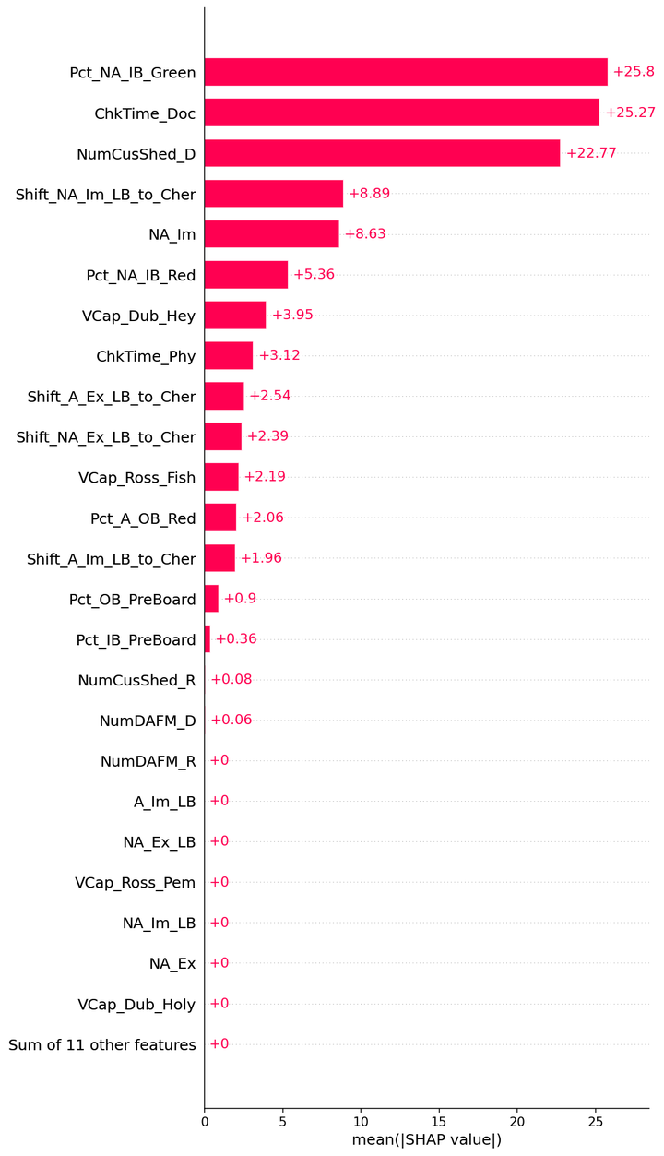

WT_IB_NA_Dub__Lasso__beeswarm.png
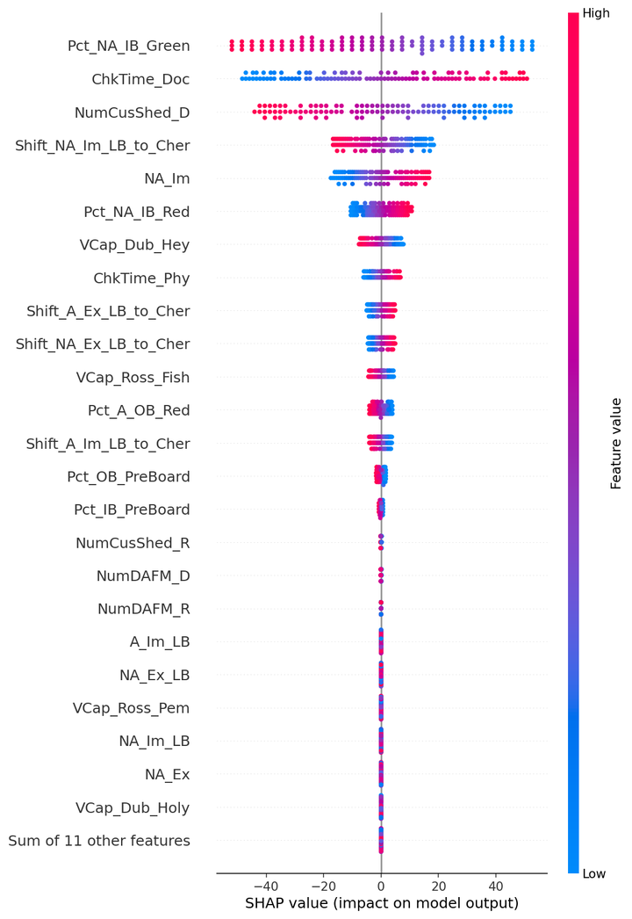

WT_IB_NA_Dub__Lasso__waterfall_row0.png
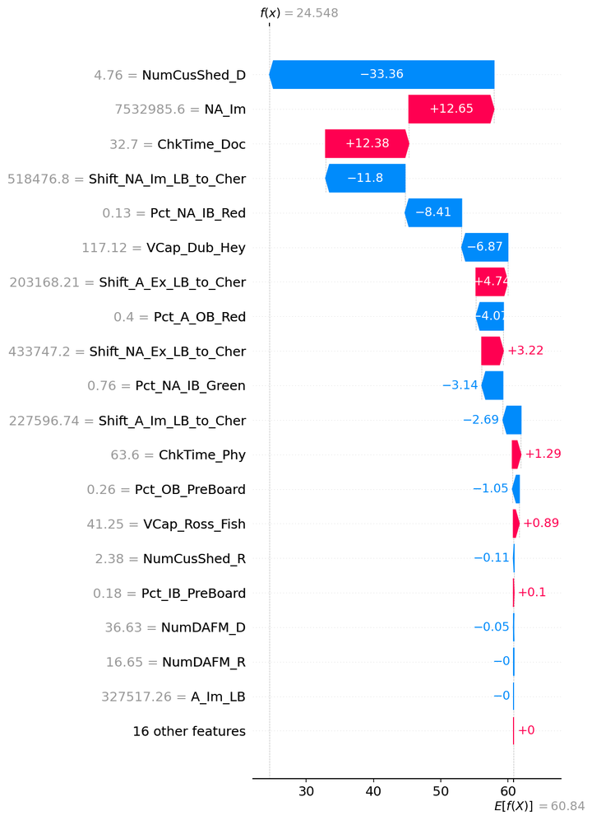

WT_IB_NA_Dub__Lasso__waterfall_row1.png
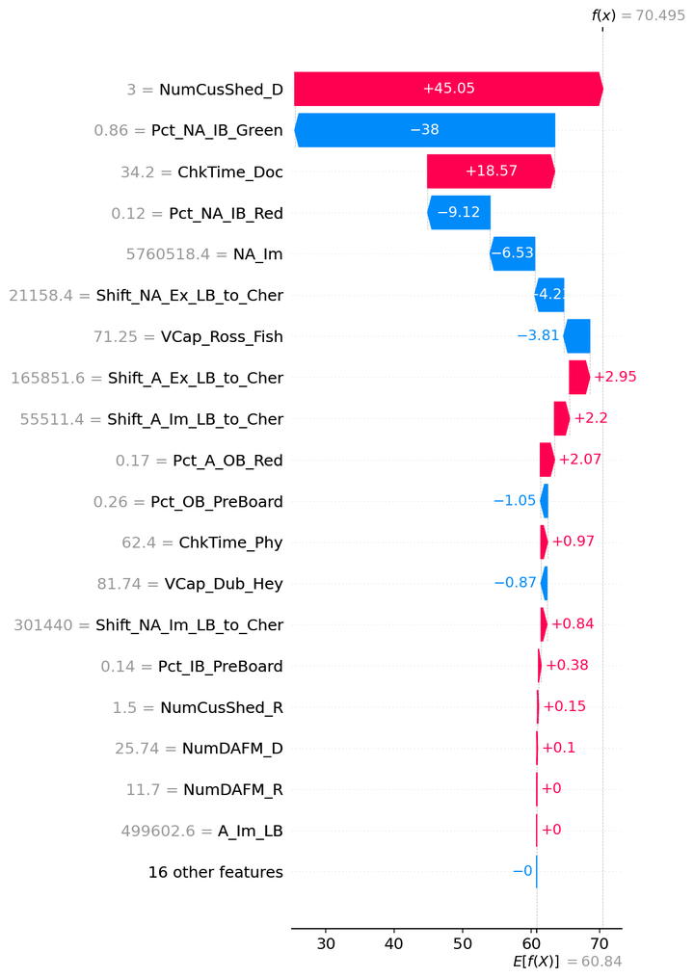

WT_IB_NA_Dub__Lasso__waterfall_row2.png

WT_OB_NA_GB-Dub
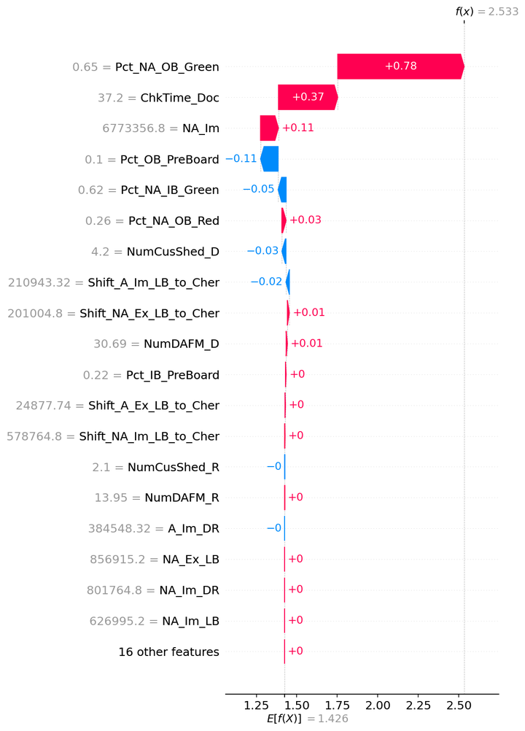
SHAP — WT_OB_NA_GB-Dub

Model | Lasso
Selection policy | composite_pre_test
Explain split | train

Mean |SHAP| (explain subsample)
feature | mean_abs_shap
Pct_NA_OB_Green | 0.55603810099
ChkTime_Doc | 0.29894326882
NA_Im | 0.21543346453
Pct_NA_OB_Red | 0.15160632628
NumCusShed_D | 0.068297214006
Pct_OB_PreBoard | 0.058380717454
Shift_NA_Ex_LB_to_Cher | 0.02945642679
Pct_NA_IB_Green | 0.028052350894
Shift_A_Im_LB_to_Cher | 0.018708716478
NumDAFM_D | 0.014175388737
Pct_IB_PreBoard | 0.0083620861756
Shift_A_Ex_LB_to_Cher | 0.002063193842
Shift_NA_Im_LB_to_Cher | 0.00099232427732
NumCusShed_R | 0.00070346178332
NumDAFM_R | 3.5897714433E-05
NA_Ex_LB | 1.54721665E-16
A_Im_DR | 4.7114824948E-17
NA_Im_DR | 3.1007279884E-17
NA_Ex | 3.0131196409E-17
A_Im_LB | 2.4739659004E-17
NA_Im_LB | 9.864585647E-18
A_Ex_LB | 1.8093093675E-18
Pct_A_OB_Red | 0
A_Ex | 0
A_Im | 0
Pct_A_IB_Red | 0
Pct_NA_IB_Red | 0
VCap_Ross_Pem | 0
ChkTime_Phy | 0
VCap_Ross_Fish | 0
VCap_Dub_Liv | 0
VCap_Dub_Hey | 0
A_Ex_DR | 0
NA_Ex_DR | 0
VCap_Dub_Holy | 0

Figures (embedded)

WT_OB_NA_GB-Dub__Lasso__summary_bar.png
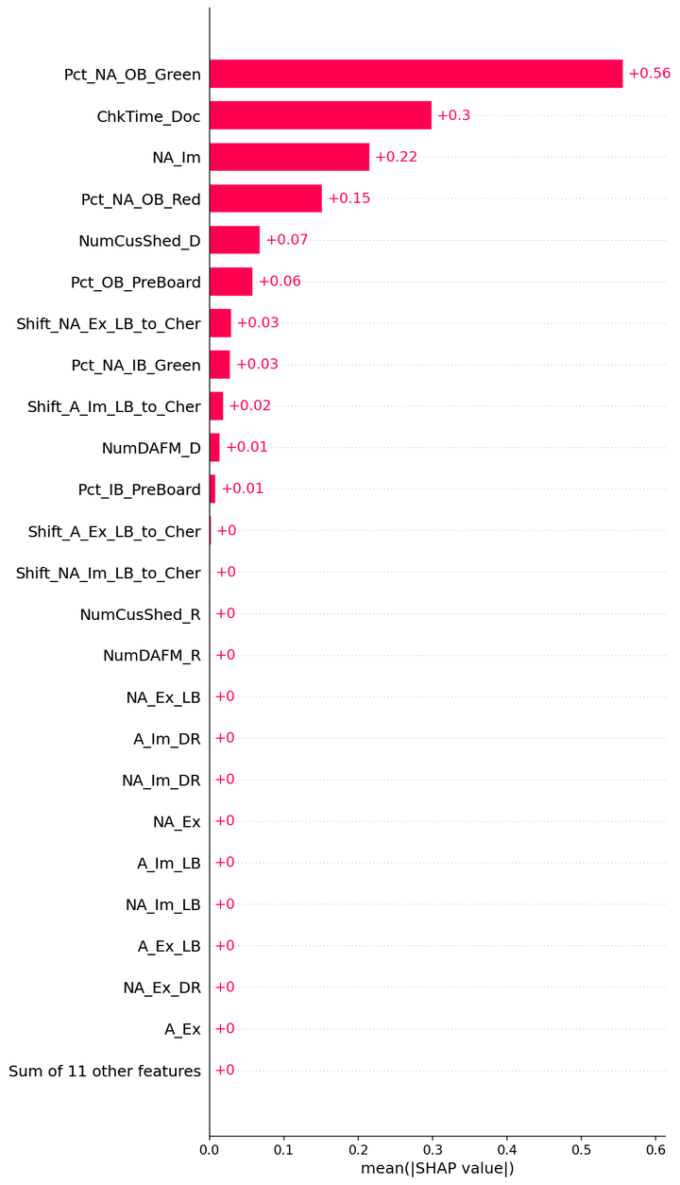

WT_OB_NA_GB-Dub__Lasso__beeswarm.png
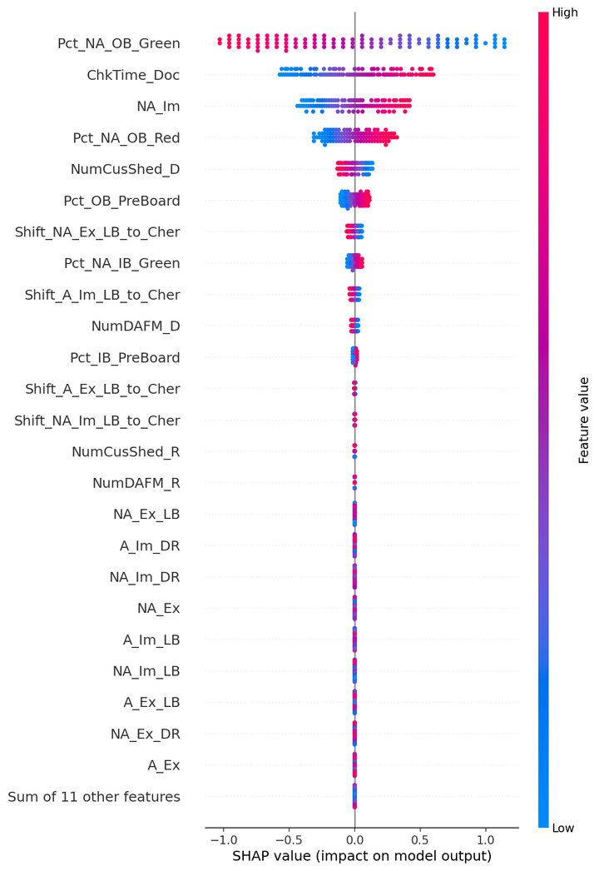

WT_OB_NA_GB-Dub__Lasso__waterfall_row0.png
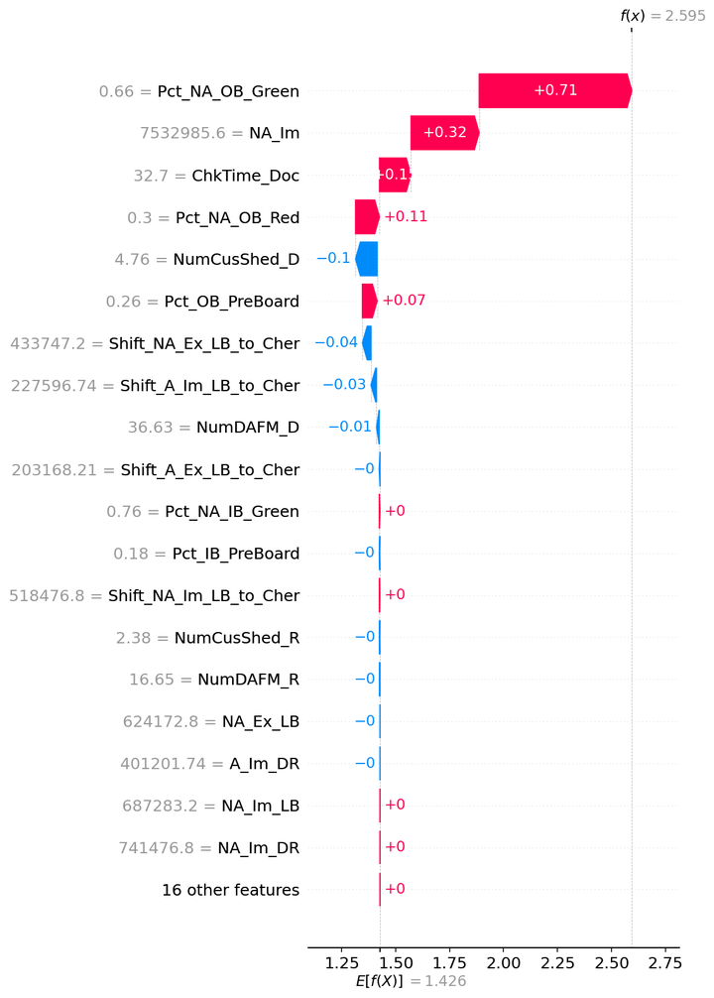

WT_OB_NA_GB-Dub__Lasso__waterfall_row1.png
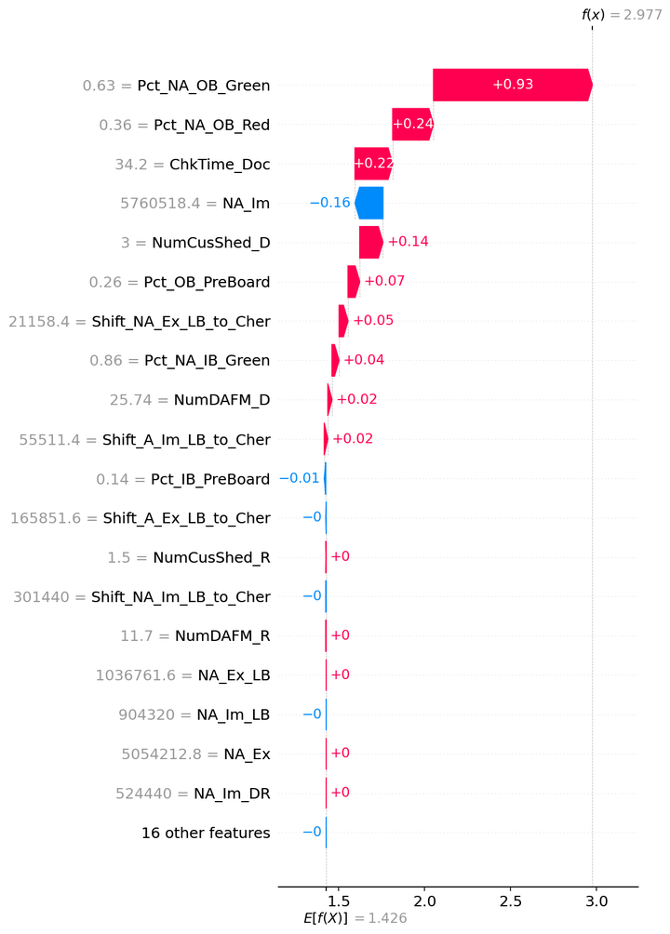

WT_OB_NA_GB-Dub__Lasso__waterfall_row2.png

WT_IB_NA_Ross
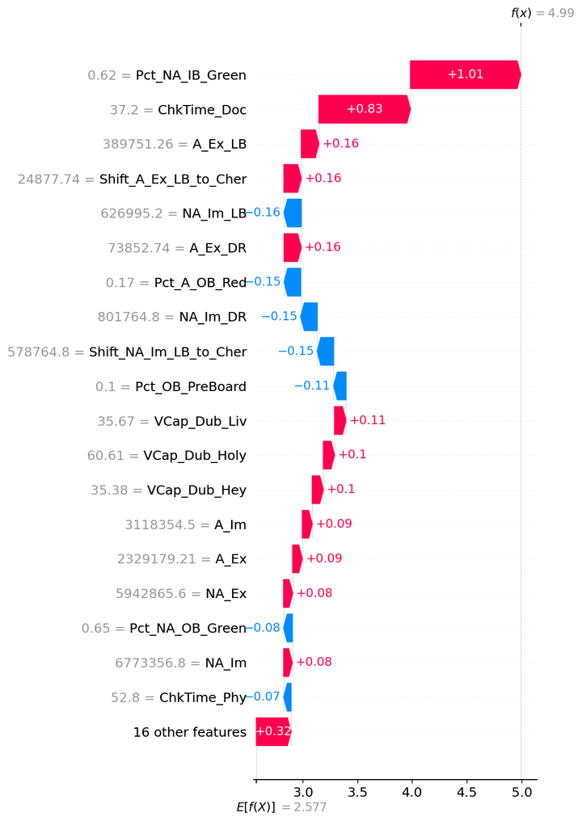
SHAP — WT_IB_NA_Ross

Model | SVR_RBF
Selection policy | composite_pre_test
Explain split | train

Mean |SHAP| (explain subsample)
feature | mean_abs_shap
ChkTime_Doc | 0.6102273982
Pct_NA_IB_Green | 0.50881034462
Pct_NA_IB_Red | 0.18200698307
ChkTime_Phy | 0.13156976289
Pct_A_OB_Red | 0.095200645963
NA_Im | 0.094329682019
A_Ex | 0.094316979968
A_Im | 0.094208658636
NA_Ex | 0.093344948801
NA_Im_LB | 0.075444413531
NA_Im_DR | 0.075245178176
Shift_NA_Im_LB_to_Cher | 0.074489394105
Pct_A_IB_Red | 0.068024888936
Pct_IB_PreBoard | 0.066809324491
NumCusShed_D | 0.058680995512
Pct_NA_OB_Green | 0.05857188917
NumCusShed_R | 0.058412945489
Shift_A_Ex_LB_to_Cher | 0.051859917738
A_Ex_LB | 0.051412538718
A_Ex_DR | 0.051170933613
VCap_Ross_Pem | 0.044990861472
VCap_Ross_Fish | 0.04483602558
Pct_OB_PreBoard | 0.036545896803
NA_Ex_DR | 0.031132159141
Shift_NA_Ex_LB_to_Cher | 0.031090441627
NA_Ex_LB | 0.030542076989
Pct_NA_OB_Red | 0.026359311749
VCap_Dub_Liv | 0.024930361494
VCap_Dub_Holy | 0.024466579565
VCap_Dub_Hey | 0.024355819018
NumDAFM_D | 0.021805973361
NumDAFM_R | 0.021697420386
A_Im_DR | 0.016854377635
Shift_A_Im_LB_to_Cher | 0.016207873318
A_Im_LB | 0.015639761506

Figures (embedded)

WT_IB_NA_Ross__SVR_RBF__summary_bar.png
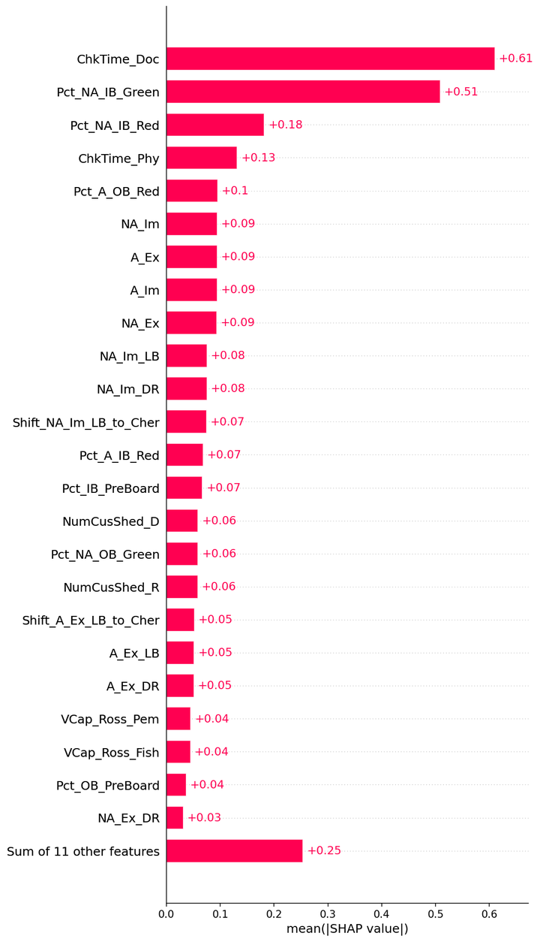

WT_IB_NA_Ross__SVR_RBF__beeswarm.png
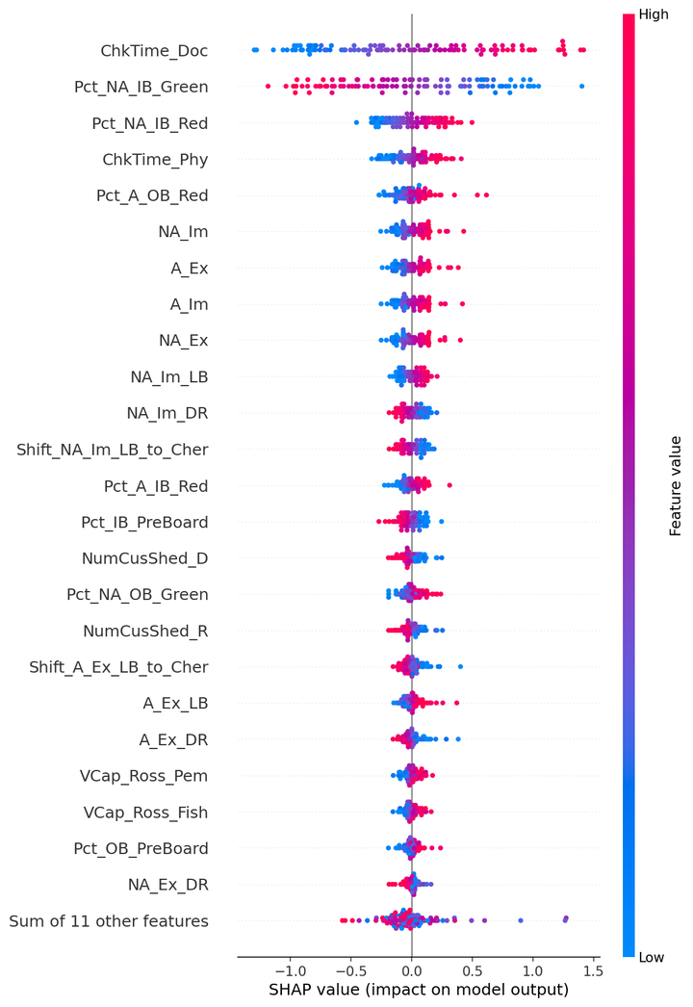

WT_IB_NA_Ross__SVR_RBF__waterfall_row0.png
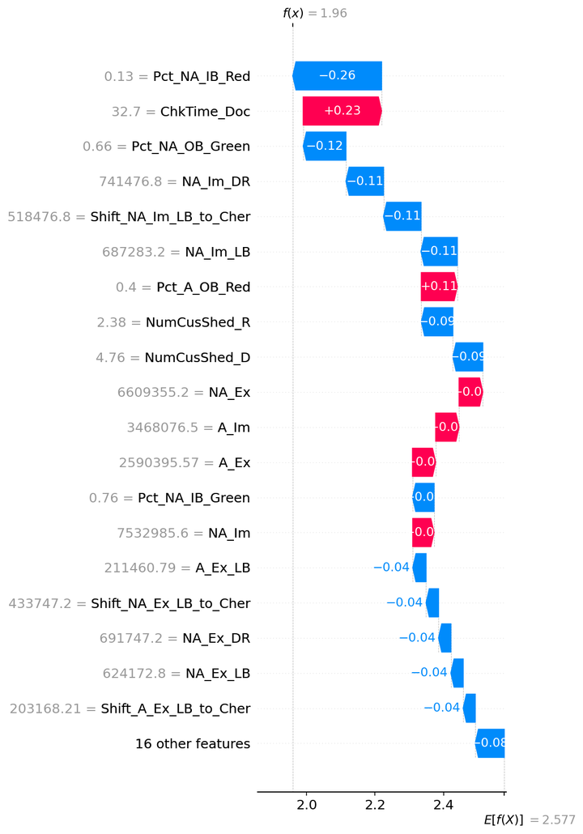

WT_IB_NA_Ross__SVR_RBF__waterfall_row1.png
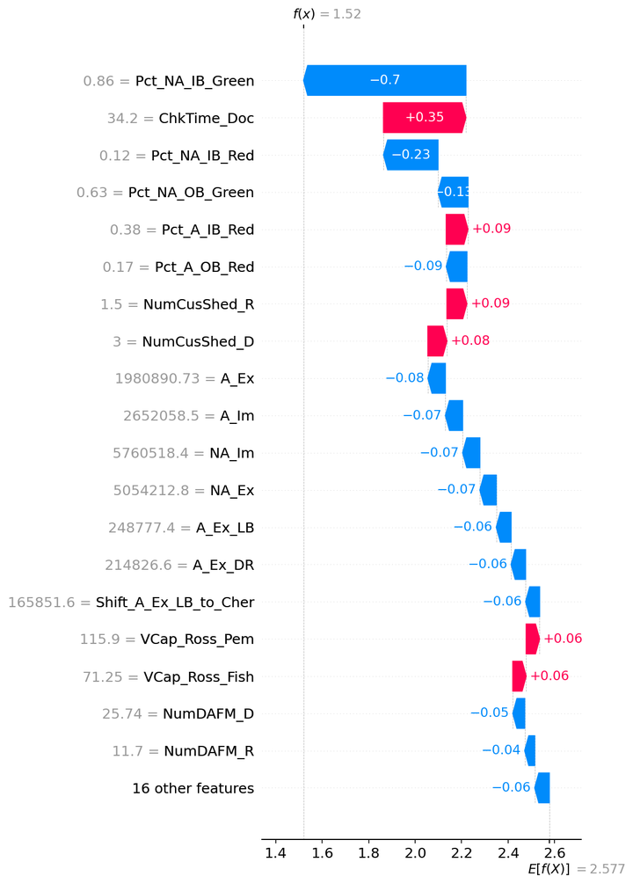

WT_IB_NA_Ross__SVR_RBF__waterfall_row2.png

WT_OB_NA_GB-Ross
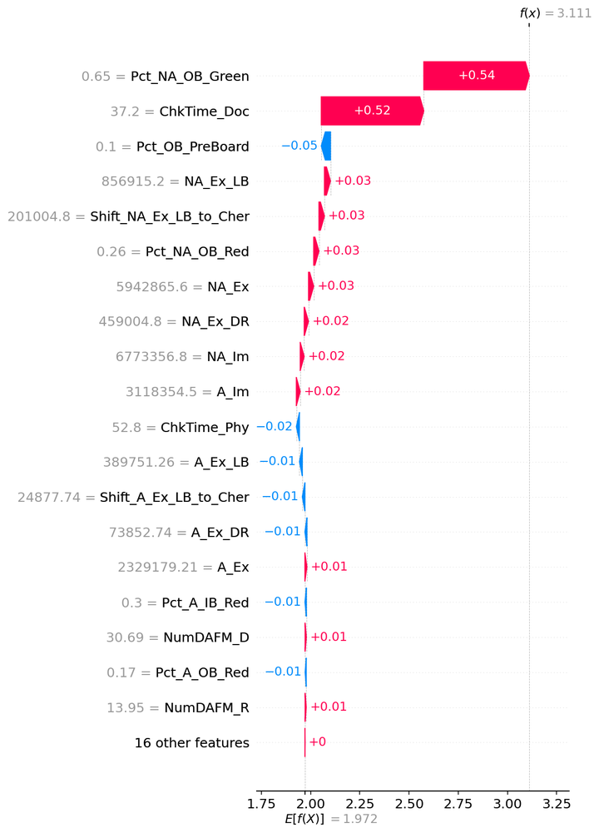
SHAP — WT_OB_NA_GB-Ross

Model | ElasticNet
Selection policy | composite_pre_test
Explain split | train

Mean |SHAP| (explain subsample)
feature | mean_abs_shap
ChkTime_Doc | 0.42522250853
Pct_NA_OB_Green | 0.38197285245
Pct_NA_OB_Red | 0.15358825205
NA_Ex_LB | 0.074469009544
Shift_NA_Ex_LB_to_Cher | 0.068049670609
NA_Ex_DR | 0.053058693701
NA_Ex | 0.051259900982
NA_Im | 0.039176087252
A_Im | 0.038563982089
ChkTime_Phy | 0.030193116569
Pct_OB_PreBoard | 0.025184255055
A_Ex | 0.019801371329
NumDAFM_D | 0.011743150894
NumDAFM_R | 0.010815539991
Pct_A_IB_Red | 0.010540608631
A_Ex_LB | 0.009594584571
Pct_NA_IB_Red | 0.0087786221825
Shift_A_Ex_LB_to_Cher | 0.0087655915355
A_Ex_DR | 0.0068408748661
NumCusShed_D | 0.0064404949725
Pct_A_OB_Red | 0.0058437102008
NumCusShed_R | 0.0058397925144
NA_Im_LB | 0.00335622299
A_Im_LB | 0.0033478618498
Shift_NA_Im_LB_to_Cher | 0.0030655604578
Shift_A_Im_LB_to_Cher | 0.00305329466
A_Im_DR | 0.0023991054494
NA_Im_DR | 0.0023949194941
Pct_IB_PreBoard | 0.0017898450533
VCap_Ross_Pem | 0
VCap_Ross_Fish | 0
VCap_Dub_Liv | 0
Pct_NA_IB_Green | 0
VCap_Dub_Hey | 0
VCap_Dub_Holy | 0

Figures (embedded)

WT_OB_NA_GB-Ross__ElasticNet__summary_bar.png
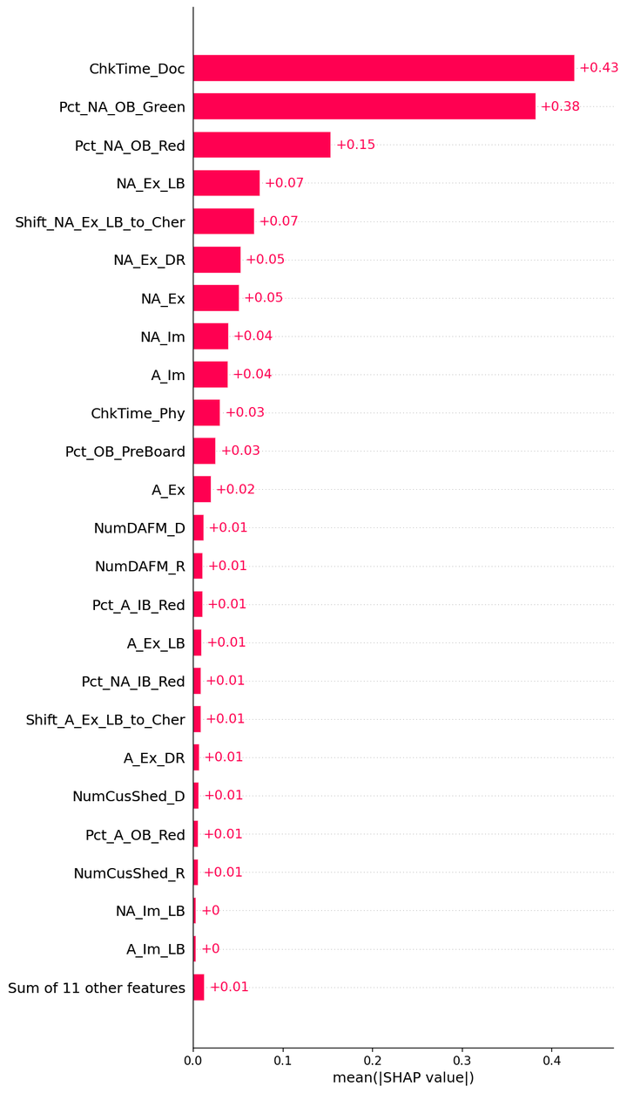

WT_OB_NA_GB-Ross__ElasticNet__beeswarm.png
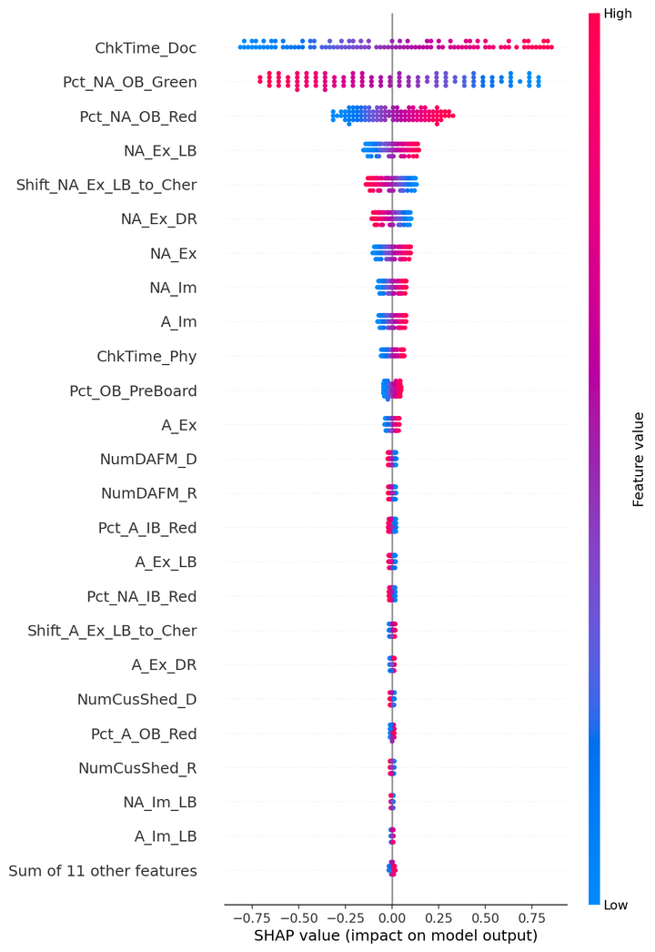

WT_OB_NA_GB-Ross__ElasticNet__waterfall_row0.png
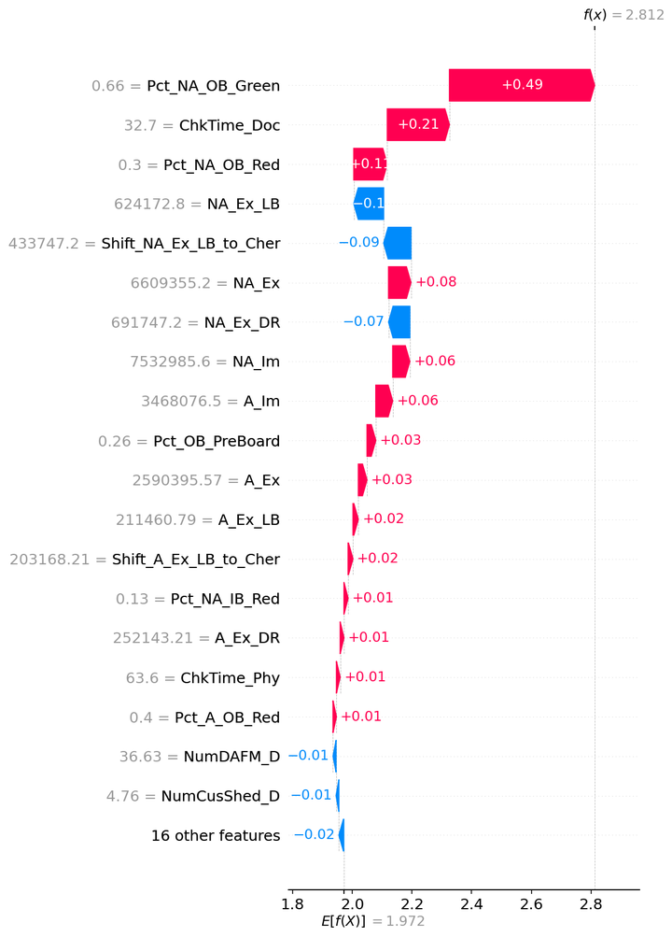

WT_OB_NA_GB-Ross__ElasticNet__waterfall_row1.png
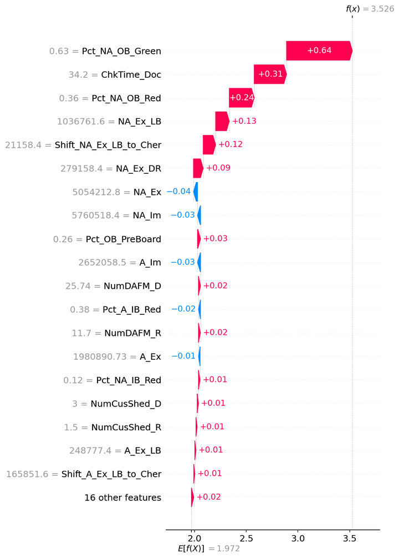

WT_OB_NA_GB-Ross__ElasticNet__waterfall_row2.png

TT_OB_LB
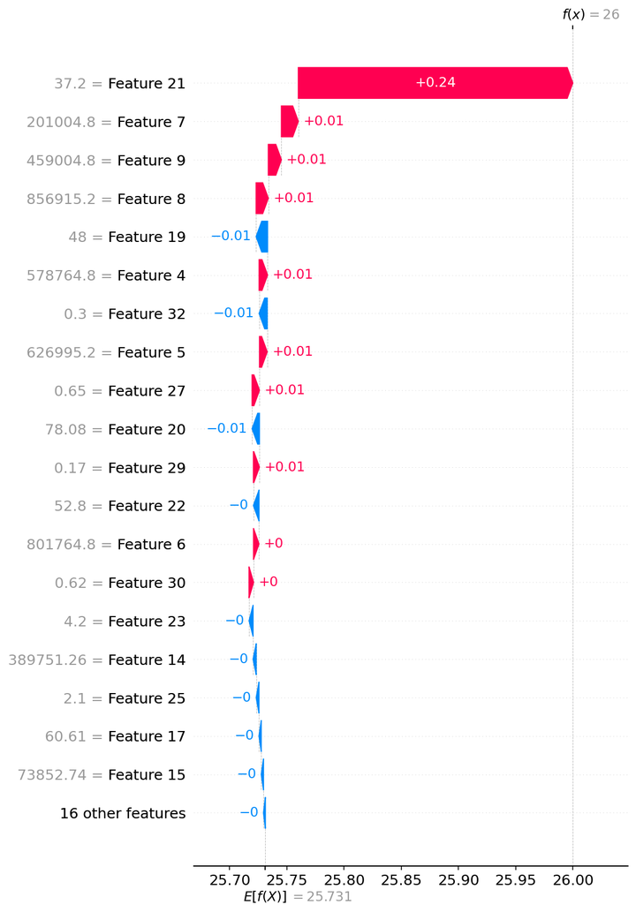
SHAP — TT_OB_LB

Model | ExtraTrees
Selection policy | composite_pre_test
Explain split | train

Mean |SHAP| (explain subsample)
feature | mean_abs_shap
ChkTime_Doc | 0.29865368451
Shift_NA_Ex_LB_to_Cher | 0.037635964106
NA_Ex_LB | 0.036328961785
NA_Ex_DR | 0.035603445283
Pct_NA_OB_Green | 0.0098496755999
Pct_A_OB_Red | 0.008964653889
Pct_A_IB_Red | 0.0070187435661
Pct_NA_IB_Red | 0.0063897896711
ChkTime_Phy | 0.0056737818053
Pct_NA_IB_Green | 0.0056670049299
NumCusShed_D | 0.0051928550692
Shift_NA_Im_LB_to_Cher | 0.0051084064777
NA_Im_DR | 0.0049620018181
NA_Im_LB | 0.0047605412271
VCap_Ross_Fish | 0.0047390550055
NumCusShed_R | 0.0043561270096
Pct_IB_PreBoard | 0.0039369593425
A_Im_DR | 0.0035370066502
VCap_Ross_Pem | 0.0034997635677
A_Im_LB | 0.0027664647335
NA_Im | 0.0027638269871
A_Ex | 0.0024714555716
VCap_Dub_Liv | 0.0024444680119
A_Ex_LB | 0.002402868708
Shift_A_Im_LB_to_Cher | 0.0023359761949
NumDAFM_R | 0.0023178466149
A_Im | 0.0022617458724
VCap_Dub_Holy | 0.0021991419536
NumDAFM_D | 0.0021039627728
Pct_NA_OB_Red | 0.0019536114898
Pct_OB_PreBoard | 0.0019409010029
NA_Ex | 0.0018846439694
Shift_A_Ex_LB_to_Cher | 0.0018253070679
A_Ex_DR | 0.0017127761125
VCap_Dub_Hey | 0.0015158623237

Figures (embedded)

TT_OB_LB__ExtraTrees__summary_bar.png


TT_OB_LB__ExtraTrees__beeswarm.png


TT_OB_LB__ExtraTrees__waterfall_row0.png


TT_OB_LB__ExtraTrees__waterfall_row1.png


TT_OB_LB__ExtraTrees__waterfall_row2.png

WT_OB_LB

SHAP — WT_OB_LB

Model | Lasso
Selection policy | composite_pre_test
Explain split | train

Mean |SHAP| (explain subsample)
feature | mean_abs_shap
ChkTime_Doc | 0.42500926153
Pct_NA_OB_Green | 0.31023362852
Shift_NA_Ex_LB_to_Cher | 0.22294449343
NA_Im | 0.11543073629
NumDAFM_D | 0.018791340622
Pct_A_IB_Red | 0.015014558894
Pct_NA_OB_Red | 0.014590979164
Pct_NA_IB_Red | 0.012397254245
Pct_A_OB_Red | 0.0062561685169
Pct_NA_IB_Green | 0.0055478275948
Pct_OB_PreBoard | 0.004957121727
Pct_IB_PreBoard | 0.0048940702298
NA_Ex_LB | 2.3998371482E-16
NumDAFM_R | 3.0835251135E-17
A_Im_LB | 0
A_Im_DR | 0
A_Im | 0
A_Ex | 0
Shift_NA_Im_LB_to_Cher | 0
NA_Im_LB | 0
NA_Im_DR | 0
NumCusShed_R | 0
NA_Ex_DR | 0
NumCusShed_D | 0
ChkTime_Phy | 0
Shift_A_Im_LB_to_Cher | 0
VCap_Ross_Pem | 0
VCap_Ross_Fish | 0
VCap_Dub_Liv | 0
NA_Ex | 0
VCap_Dub_Hey | 0
A_Ex_DR | 0
A_Ex_LB | 0
Shift_A_Ex_LB_to_Cher | 0
VCap_Dub_Holy | 0

Figures (embedded)

WT_OB_LB__Lasso__summary_bar.png


WT_OB_LB__Lasso__beeswarm.png


WT_OB_LB__Lasso__waterfall_row0.png


WT_OB_LB__Lasso__waterfall_row1.png


WT_OB_LB__Lasso__waterfall_row2.png

TT_IB_LB

SHAP — TT_IB_LB

Model | Lasso
Selection policy | composite_pre_test
Explain split | train

Mean |SHAP| (explain subsample)
feature | mean_abs_shap
Pct_NA_IB_Green | 19.345695936
ChkTime_Doc | 19.229484312
NumCusShed_D | 17.1931547
NA_Im | 6.885436099
Shift_NA_Im_LB_to_Cher | 6.8684677055
VCap_Dub_Hey | 2.6544274771
ChkTime_Phy | 2.4167600018
Pct_NA_IB_Red | 2.1895539377
Shift_NA_Ex_LB_to_Cher | 1.4169116904
Shift_A_Im_LB_to_Cher | 1.3022010766
Shift_A_Ex_LB_to_Cher | 1.0878324966
VCap_Ross_Fish | 0.85259992703
Pct_OB_PreBoard | 0.61054047365
Pct_A_OB_Red | 0.52294652451
NumDAFM_D | 0.22556127176
NumCusShed_R | 0.030489049722
NumDAFM_R | 0.0015558587918
NA_Im_LB | 6.2291441846E-15
NA_Ex_LB | 4.9143922096E-15
VCap_Dub_Holy | 3.824061964E-15
VCap_Ross_Pem | 3.177301233E-15
VCap_Dub_Liv | 1.2321011833E-15
NA_Ex | 1.5167401931E-16
NA_Ex_DR | 0
NA_Im_DR | 0
A_Ex_LB | 0
A_Im_LB | 0
Pct_NA_OB_Green | 0
Pct_NA_OB_Red | 0
A_Ex_DR | 0
A_Ex | 0
A_Im | 0
Pct_A_IB_Red | 0
Pct_IB_PreBoard | 0
A_Im_DR | 0

Figures (embedded)

TT_IB_LB__Lasso__summary_bar.png


TT_IB_LB__Lasso__beeswarm.png


TT_IB_LB__Lasso__waterfall_row0.png


TT_IB_LB__Lasso__waterfall_row1.png


TT_IB_LB__Lasso__waterfall_row2.png

WT_IB_LB

SHAP — WT_IB_LB

Model | Lasso
Selection policy | composite_pre_test
Explain split | train

Mean |SHAP| (explain subsample)
feature | mean_abs_shap
Pct_NA_IB_Green | 25.822743407
ChkTime_Doc | 25.367679612
NumCusShed_D | 22.260617867
NA_Im | 9.4628974262
Shift_NA_Im_LB_to_Cher | 9.2599256057
VCap_Dub_Hey | 4.0054029018
ChkTime_Phy | 3.8776348912
Pct_NA_IB_Red | 3.5860097181
Shift_A_Im_LB_to_Cher | 1.8207400416
Shift_NA_Ex_LB_to_Cher | 1.7976116017
NumDAFM_D | 1.0831973561
Shift_A_Ex_LB_to_Cher | 0.98422714774
VCap_Ross_Fish | 0.96955399609
Pct_OB_PreBoard | 0.77051569078
Pct_NA_OB_Red | 0.30194356355
NumCusShed_R | 0.073128019301
NumDAFM_R | 0.0037317290237
VCap_Ross_Pem | 6.9377005296E-15
NA_Im_LB | 6.8528362211E-15
VCap_Dub_Holy | 3.8667635899E-15
NA_Ex_LB | 3.850864765E-15
A_Im_LB | 0
NA_Ex_DR | 0
NA_Im_DR | 0
A_Ex_DR | 0
VCap_Dub_Liv | 0
NA_Ex | 0
Pct_NA_OB_Green | 0
A_Im_DR | 0
Pct_A_OB_Red | 0
A_Ex | 0
A_Im | 0
Pct_A_IB_Red | 0
Pct_IB_PreBoard | 0
A_Ex_LB | 0

Figures (embedded)

WT_IB_LB__Lasso__summary_bar.png


WT_IB_LB__Lasso__beeswarm.png


WT_IB_LB__Lasso__waterfall_row0.png


WT_IB_LB__Lasso__waterfall_row1.png


WT_IB_LB__Lasso__waterfall_row2.png

TT_OB_DR

SHAP — TT_OB_DR

Model | CatBoost
Selection policy | composite_pre_test
Explain split | train

Mean |SHAP| (explain subsample)
feature | mean_abs_shap
NA_Ex_DR | 0.072833040506
NA_Ex_LB | 0.058074757679
Shift_NA_Ex_LB_to_Cher | 0.040707216523
Pct_A_OB_Red | 0.034982430897
ChkTime_Phy | 0.026558563259
Pct_NA_OB_Green | 0.021296076404
NA_Ex | 0.021166485082
NA_Im_LB | 0.021019666617
A_Im | 0.017311923798
A_Im_LB | 0.015221225687
A_Ex | 0.013237427739
VCap_Dub_Liv | 0.013067772496
VCap_Dub_Hey | 0.011668476553
Pct_OB_PreBoard | 0.01155339082
Shift_A_Im_LB_to_Cher | 0.0099103845586
VCap_Ross_Fish | 0.009209699446
A_Ex_DR | 0.0087312775439
NumCusShed_D | 0.0086366780938
VCap_Ross_Pem | 0.0083820089951
A_Im_DR | 0.0075362382955
Pct_NA_IB_Red | 0.0075098016438
A_Ex_LB | 0.0064062557307
Pct_NA_IB_Green | 0.0062886050769
NumDAFM_R | 0.0061262158681
Shift_NA_Im_LB_to_Cher | 0.0058444734777
Pct_NA_OB_Red | 0.0051895485535
Shift_A_Ex_LB_to_Cher | 0.0048265993418
NA_Im_DR | 0.0045658326946
NumCusShed_R | 0.0042164539482
VCap_Dub_Holy | 0.0041119515423
ChkTime_Doc | 0.0038042689096
Pct_IB_PreBoard | 0.0029660855326
NumDAFM_D | 0.0018955311381
NA_Im | 0.0012183133209
Pct_A_IB_Red | 0.00087899659552

Figures (embedded)

TT_OB_DR__CatBoost__summary_bar.png


TT_OB_DR__CatBoost__beeswarm.png


TT_OB_DR__CatBoost__waterfall_row0.png


TT_OB_DR__CatBoost__waterfall_row1.png


TT_OB_DR__CatBoost__waterfall_row2.png

TT_IB_DR

SHAP — TT_IB_DR

Model | CatBoost
Selection policy | composite_pre_test
Explain split | train

Mean |SHAP| (explain subsample)
feature | mean_abs_shap
NA_Im_LB | 0.016352039101
Shift_NA_Im_LB_to_Cher | 0.011582938042
NA_Im_DR | 0.0093540155013
VCap_Ross_Pem | 0.0055170561391
Pct_NA_IB_Red | 0.0044813558196
VCap_Dub_Hey | 0.0041128277923
ChkTime_Doc | 0.0036721615615
Pct_A_IB_Red | 0.0032808492539
VCap_Ross_Fish | 0.0025898659932
VCap_Dub_Holy | 0.0024311018954
Shift_A_Ex_LB_to_Cher | 0.0024096461639
Pct_NA_OB_Red | 0.0023546614414
Pct_OB_PreBoard | 0.0020997370182
A_Ex | 0.0019266636577
NumDAFM_D | 0.001915585803
A_Im | 0.0017892064999
NA_Im | 0.0016986363619
NA_Ex | 0.001695025109
Pct_NA_IB_Green | 0.0016943739531
Pct_IB_PreBoard | 0.0016244295941
Pct_NA_OB_Green | 0.0014323585955
A_Ex_DR | 0.0014119431941
NA_Ex_LB | 0.0013396777489
Pct_A_OB_Red | 0.0013229627976
Shift_A_Im_LB_to_Cher | 0.0012555154941
NumCusShed_R | 0.0012084014269
A_Ex_LB | 0.0010863841721
Shift_NA_Ex_LB_to_Cher | 0.0010276754749
VCap_Dub_Liv | 0.0010039494913
NumCusShed_D | 0.00098772349752
ChkTime_Phy | 0.00098380826589
A_Im_DR | 0.00068531678869
NA_Ex_DR | 0.00042369715765
A_Im_LB | 0.00040328551914
NumDAFM_R | 0.0001108939422

Figures (embedded)

TT_IB_DR__CatBoost__summary_bar.png


TT_IB_DR__CatBoost__beeswarm.png


TT_IB_DR__CatBoost__waterfall_row0.png


TT_IB_DR__CatBoost__waterfall_row1.png


TT_IB_DR__CatBoost__waterfall_row2.png

Uti_Cus_D

SHAP — Uti_Cus_D

Model | GPR_Matern
Selection policy | composite_pre_test
Explain split | train

Mean |SHAP| (explain subsample)
feature | mean_abs_shap
Pct_NA_IB_Green | 0.049945524117
ChkTime_Doc | 0.045847032111
NumCusShed_R | 0.017982776743
NumCusShed_D | 0.017955972132
Pct_NA_IB_Red | 0.016547859678
ChkTime_Phy | 0.009426260112
NA_Im_DR | 0.0084696752263
NA_Im_LB | 0.0084571364974
Shift_NA_Im_LB_to_Cher | 0.0084560149175
Pct_A_IB_Red | 0.0081253162409
Pct_IB_PreBoard | 0.0072863935586
Pct_NA_OB_Red | 0.0069688449559
A_Im | 0.0066139812558
NA_Im | 0.0066065770576
NA_Ex | 0.0066028360892
A_Ex | 0.0066006503043
Pct_A_OB_Red | 0.0044291197403
Pct_NA_OB_Green | 0.0035378051134
A_Ex_DR | 0.002902636612
A_Ex_LB | 0.0029001241755
Shift_A_Ex_LB_to_Cher | 0.0028902031004
VCap_Dub_Liv | 0.0024818796463
VCap_Dub_Holy | 0.0024693025813
VCap_Dub_Hey | 0.0024511935823
NA_Ex_DR | 0.0023651807703
NA_Ex_LB | 0.0023507552985
Shift_NA_Ex_LB_to_Cher | 0.0023497507759
VCap_Ross_Pem | 0.0023140150396
VCap_Ross_Fish | 0.0022869702551
Pct_OB_PreBoard | 0.002136482003
NumDAFM_R | 0.0021218225833
NumDAFM_D | 0.002111917024
A_Im_LB | 0.00190676008
A_Im_DR | 0.001890917931
Shift_A_Im_LB_to_Cher | 0.0018597801154

Figures (embedded)

Uti_Cus_D__GPR_Matern__summary_bar.png


Uti_Cus_D__GPR_Matern__beeswarm.png


Uti_Cus_D__GPR_Matern__waterfall_row0.png


Uti_Cus_D__GPR_Matern__waterfall_row1.png


Uti_Cus_D__GPR_Matern__waterfall_row2.png

Uti_DAFM_D

SHAP — Uti_DAFM_D

Model | GPR_Matern
Selection policy | composite_pre_test
Explain split | train

Mean |SHAP| (explain subsample)
feature | mean_abs_shap
ChkTime_Doc | 0.032098273976
Pct_A_IB_Red | 0.021412171391
NumDAFM_R | 0.016006409182
NumDAFM_D | 0.015994579118
ChkTime_Phy | 0.015924369286
VCap_Dub_Holy | 0.011254806934
VCap_Dub_Hey | 0.011252323522
VCap_Dub_Liv | 0.011243210279
A_Im | 0.0053730395775
NA_Im | 0.0053645694663
NA_Ex | 0.0053645145883
A_Ex | 0.005358643964
Pct_NA_OB_Green | 0.0023013716276
Pct_IB_PreBoard | 0.0017391586346
Pct_A_OB_Red | 0.0014733421377
Pct_OB_PreBoard | 0.0013988778429
VCap_Ross_Pem | 0.0012703196146
VCap_Ross_Fish | 0.0012580405428
Pct_NA_IB_Green | 0.0012046851334
Pct_NA_OB_Red | 0.0011947490259
A_Ex_LB | 0.001065834126
Shift_A_Ex_LB_to_Cher | 0.0010651816978
A_Ex_DR | 0.001062730965
Shift_NA_Im_LB_to_Cher | 0.0010517439673
Pct_NA_IB_Red | 0.0010503324268
NA_Im_LB | 0.0010494965032
NA_Im_DR | 0.0010382517924
Shift_A_Im_LB_to_Cher | 0.0010323293505
A_Im_LB | 0.0010301095405
A_Im_DR | 0.0010294727538
NA_Ex_LB | 0.00090790252332
Shift_NA_Ex_LB_to_Cher | 0.00090418646756
NA_Ex_DR | 0.00090112134501
NumCusShed_R | 0.00087594575411
NumCusShed_D | 0.00086641663183

Figures (embedded)

Uti_DAFM_D__GPR_Matern__summary_bar.png


Uti_DAFM_D__GPR_Matern__beeswarm.png


Uti_DAFM_D__GPR_Matern__waterfall_row0.png


Uti_DAFM_D__GPR_Matern__waterfall_row1.png


Uti_DAFM_D__GPR_Matern__waterfall_row2.png

Uti_Cus_R

SHAP — Uti_Cus_R

Model | Lasso
Selection policy | composite_pre_test
Explain split | train

Mean |SHAP| (explain subsample)
feature | mean_abs_shap
ChkTime_Doc | 0.093116903966
Pct_NA_IB_Green | 0.091568337151
NA_Im | 0.035458538057
Shift_NA_Im_LB_to_Cher | 0.03361984262
Pct_NA_IB_Red | 0.026683796848
ChkTime_Phy | 0.017186843793
Pct_IB_PreBoard | 0.0050642754518
VCap_Ross_Fish | 0.0023583088925
Shift_A_Im_LB_to_Cher | 0.0020588568701
NumCusShed_D | 0.0019883426294
Pct_NA_OB_Green | 0.0019101987787
VCap_Dub_Hey | 0.001689621147
Shift_A_Ex_LB_to_Cher | 0.0014327991658
Pct_A_IB_Red | 0.0011807644595
Pct_NA_OB_Red | 0.0010993784443
Pct_A_OB_Red | 0.00074082651244
Pct_OB_PreBoard | 0.0007257138019
NumCusShed_R | 0.00061525629628
A_Im_LB | 5.1969524384E-18
NA_Im_LB | 6.1593510381E-19
NA_Im_DR | 2.3097566393E-19
VCap_Ross_Pem | 1.5398377595E-19
A_Ex_DR | 7.6991887977E-20
NA_Ex | 0
NA_Ex_LB | 0
A_Im | 0
A_Ex | 0
Shift_NA_Ex_LB_to_Cher | 0
NumDAFM_R | 0
NA_Ex_DR | 0
VCap_Dub_Liv | 0
NumDAFM_D | 0
A_Im_DR | 0
A_Ex_LB | 0
VCap_Dub_Holy | 0

Figures (embedded)

Uti_Cus_R__Lasso__summary_bar.png


Uti_Cus_R__Lasso__beeswarm.png


Uti_Cus_R__Lasso__waterfall_row0.png


Uti_Cus_R__Lasso__waterfall_row1.png


Uti_Cus_R__Lasso__waterfall_row2.png

Uti_DAFM_R

SHAP — Uti_DAFM_R

Model | ElasticNet
Selection policy | composite_pre_test
Explain split | train

Mean |SHAP| (explain subsample)
feature | mean_abs_shap
ChkTime_Doc | 0.021404015058
Pct_A_IB_Red | 0.013664912262
NumDAFM_D | 0.012213219583
NA_Im | 0.01107280031
ChkTime_Phy | 0.0094493132668
NA_Ex | 0.0063987510112
NumDAFM_R | 0.0063843084145
A_Im | 0.0018553010115
A_Ex | 0.00035891121146
Shift_NA_Ex_LB_to_Cher | 2.8614225999E-05
NA_Ex_LB | 1.6263242298E-05
NA_Ex_DR | 4.7154687603E-06
Pct_IB_PreBoard | 0
Pct_NA_IB_Red | 0
Pct_A_OB_Red | 0
Pct_NA_OB_Red | 0
Pct_NA_OB_Green | 0
NumCusShed_R | 0
NumCusShed_D | 0
Pct_NA_IB_Green | 0
VCap_Dub_Holy | 0
VCap_Ross_Pem | 0
VCap_Ross_Fish | 0
VCap_Dub_Liv | 0
VCap_Dub_Hey | 0
A_Ex_DR | 0
A_Ex_LB | 0
Shift_A_Ex_LB_to_Cher | 0
A_Im_DR | 0
A_Im_LB | 0
Shift_A_Im_LB_to_Cher | 0
NA_Im_DR | 0
NA_Im_LB | 0
Shift_NA_Im_LB_to_Cher | 0
Pct_OB_PreBoard | 0

Figures (embedded)

Uti_DAFM_R__ElasticNet__summary_bar.png


Uti_DAFM_R__ElasticNet__beeswarm.png


Uti_DAFM_R__ElasticNet__waterfall_row0.png


Uti_DAFM_R__ElasticNet__waterfall_row1.png


Uti_DAFM_R__ElasticNet__waterfall_row2.png

