TT_IB_Agri
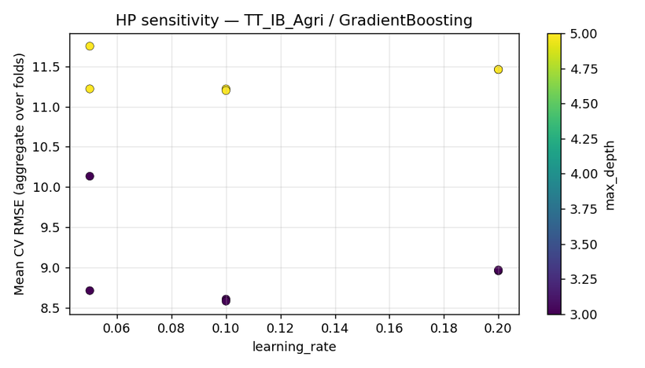
Step 3 pre-conformal report | TT_IB_Agri
Generated (UTC) | 2026-04-06 12:36:59 UTC | /Users/iniyanilaalagunirmal/Desktop/Final Brexit ML Design/experimenting_ml/outputs/step3

1. Per-target CV selection
target | best_cv_rmse_model | mean_cv_rmse | std_cv_rmse | rank2_model | rank2_mean_cv_rmse | rank3_model | rank3_mean_cv_rmse | n_models_compared
TT_IB_Agri | ExtraTrees | 6.9004948083 | 2.7564388536 | XGBoost | 8.1655448269 | GradientBoosting | 8.5828815072 | 21

2. Calibration CV metrics (OOF, top models)
target | model | n_oof | mean_residual | std_residual | corr_y_yhat | slope_y_on_yhat | intercept_y_on_yhat | heuristic_ok_bias | heuristic_ok_slope
TT_IB_Agri | ExtraTrees | 309 | -0.16918770227 | 7.4463109186 | 0.98865977289 | 1.0628137606 | -3.4203342384 | TRUE | TRUE
TT_IB_Agri | XGBoost | 309 | -0.53582394671 | 8.9153023853 | 0.98130929883 | 1.0142316047 | -1.2776483958 | TRUE | TRUE
TT_IB_Agri | GradientBoosting | 309 | 0.13468278245 | 9.6322663391 | 0.97817117202 | 1.0170183623 | -0.74099088404 | TRUE | TRUE

3. HP sensitivity run log
target | model | plotted | path
TT_IB_Agri | ExtraTrees | TRUE | /Users/iniyanilaalagunirmal/Desktop/Final Brexit ML Design/experimenting_ml/outputs/step3/hp_sensitivity/hp_sens__TT_IB_Agri__ExtraTrees.png
TT_IB_Agri | XGBoost | TRUE | /Users/iniyanilaalagunirmal/Desktop/Final Brexit ML Design/experimenting_ml/outputs/step3/hp_sensitivity/hp_sens__TT_IB_Agri__XGBoost.png
TT_IB_Agri | GradientBoosting | TRUE | /Users/iniyanilaalagunirmal/Desktop/Final Brexit ML Design/experimenting_ml/outputs/step3/hp_sensitivity/hp_sens__TT_IB_Agri__GradientBoosting.png

4. Calibration figures (top models)
ExtraTrees
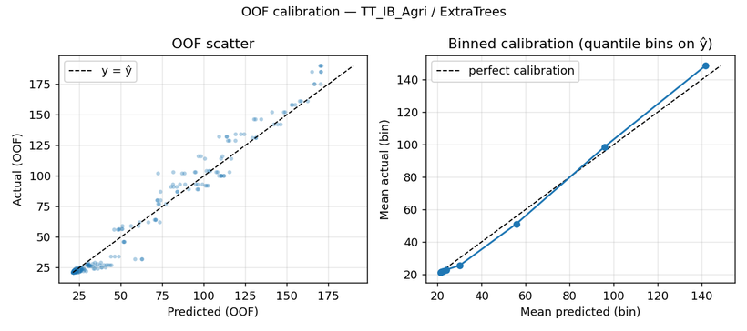

XGBoost
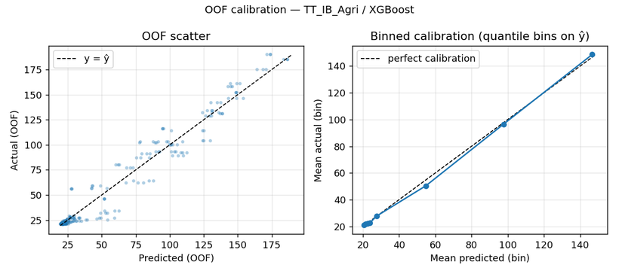

GradientBoosting
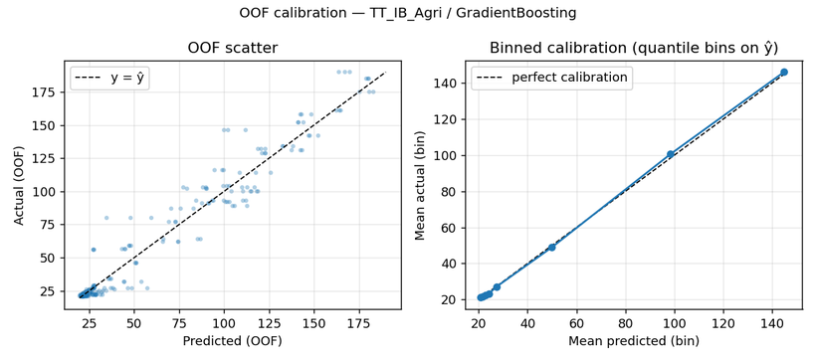

5. HP sensitivity figures
ExtraTrees (plotted)
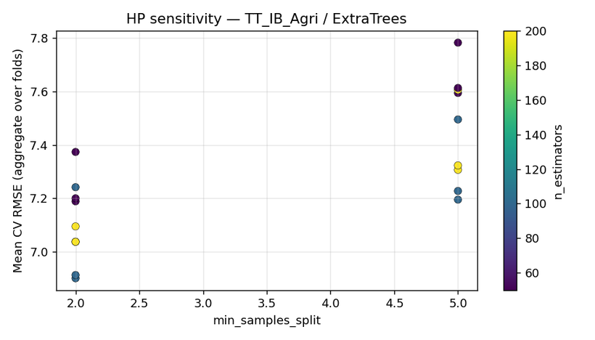

XGBoost (plotted)
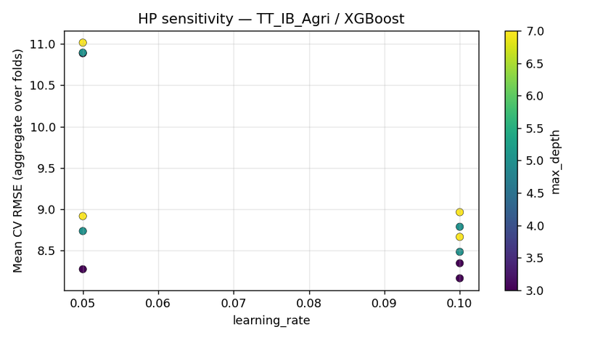

GradientBoosting (plotted)

TT_IB_DR
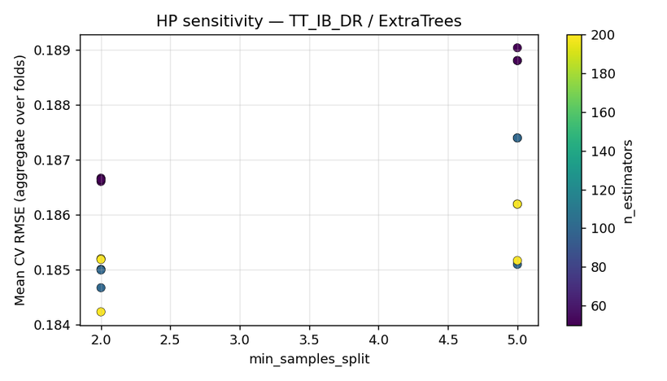
Step 3 pre-conformal report | TT_IB_DR
Generated (UTC) | 2026-04-06 12:36:59 UTC | /Users/iniyanilaalagunirmal/Desktop/Final Brexit ML Design/experimenting_ml/outputs/step3

1. Per-target CV selection
target | best_cv_rmse_model | mean_cv_rmse | std_cv_rmse | rank2_model | rank2_mean_cv_rmse | rank3_model | rank3_mean_cv_rmse | n_models_compared
TT_IB_DR | SVR_RBF | 0.18319634331 | 0.14340107024 | AdaBoost | 0.18377468184 | ExtraTrees | 0.18423375796 | 21

2. Calibration CV metrics (OOF, top models)
target | model | n_oof | mean_residual | std_residual | corr_y_yhat | slope_y_on_yhat | intercept_y_on_yhat | heuristic_ok_bias | heuristic_ok_slope
TT_IB_DR | SVR_RBF | 309 | 0.029393791011 | 0.2311584891 | 0.32298495073 | 3.5578087024 | -79.279374738 | FALSE | FALSE
TT_IB_DR | AdaBoost | 309 | 0.032840464102 | 0.22705523451 | 0.29091940339 | 1.1091716271 | -3.3518164278 | FALSE | TRUE
TT_IB_DR | ExtraTrees | 309 | -0.0014982889157 | 0.21304682615 | 0.44608917999 | 0.85614004479 | 4.4635436512 | TRUE | TRUE

3. HP sensitivity run log
target | model | plotted | path
TT_IB_DR | SVR_RBF | TRUE | /Users/iniyanilaalagunirmal/Desktop/Final Brexit ML Design/experimenting_ml/outputs/step3/hp_sensitivity/hp_sens__TT_IB_DR__SVR_RBF.png
TT_IB_DR | AdaBoost | TRUE | /Users/iniyanilaalagunirmal/Desktop/Final Brexit ML Design/experimenting_ml/outputs/step3/hp_sensitivity/hp_sens__TT_IB_DR__AdaBoost.png
TT_IB_DR | ExtraTrees | TRUE | /Users/iniyanilaalagunirmal/Desktop/Final Brexit ML Design/experimenting_ml/outputs/step3/hp_sensitivity/hp_sens__TT_IB_DR__ExtraTrees.png

4. Calibration figures (top models)
SVR_RBF
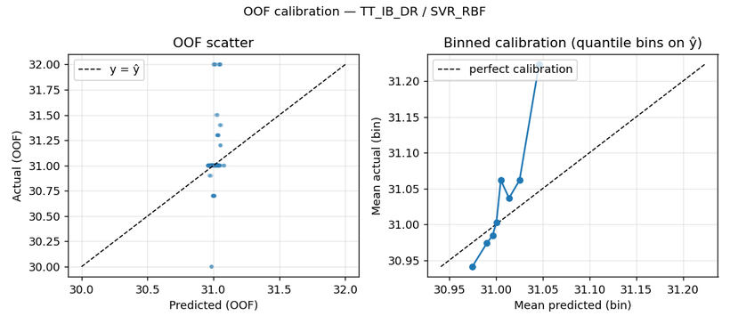

AdaBoost
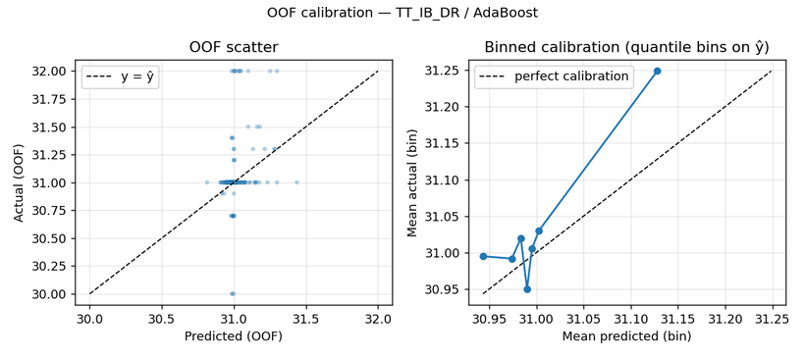

ExtraTrees
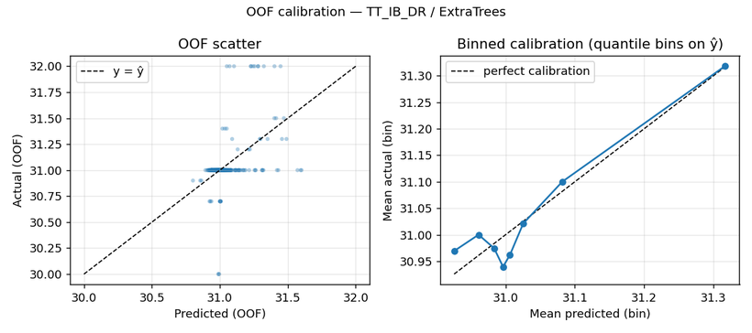

5. HP sensitivity figures
SVR_RBF (plotted)
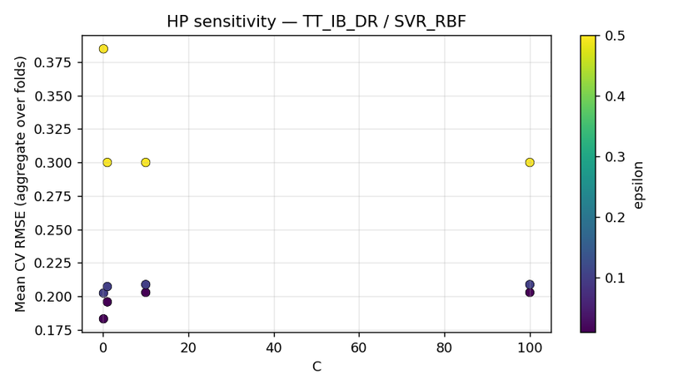

AdaBoost (plotted)
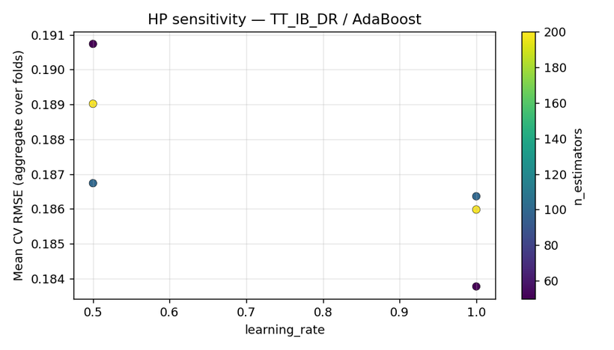

ExtraTrees (plotted)

TT_IB_LB
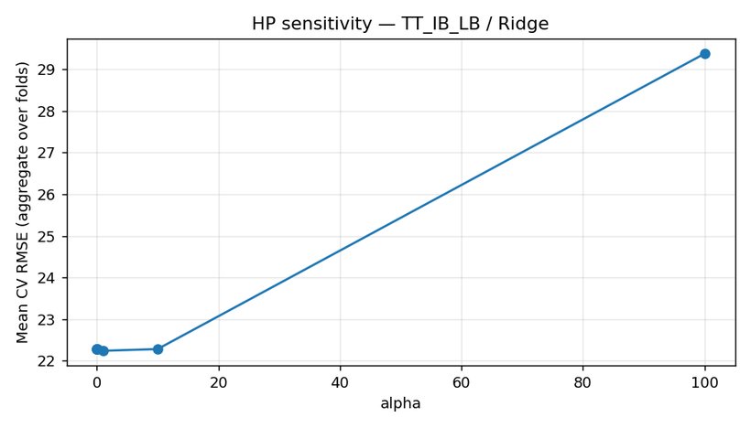
Step 3 pre-conformal report | TT_IB_LB
Generated (UTC) | 2026-04-06 12:36:59 UTC | /Users/iniyanilaalagunirmal/Desktop/Final Brexit ML Design/experimenting_ml/outputs/step3

1. Per-target CV selection
target | best_cv_rmse_model | mean_cv_rmse | std_cv_rmse | rank2_model | rank2_mean_cv_rmse | rank3_model | rank3_mean_cv_rmse | n_models_compared
TT_IB_LB | Lasso | 21.564510073 | 5.5146801775 | ElasticNet | 22.109362724 | Ridge | 22.23606163 | 21

2. Calibration CV metrics (OOF, top models)
target | model | n_oof | mean_residual | std_residual | corr_y_yhat | slope_y_on_yhat | intercept_y_on_yhat | heuristic_ok_bias | heuristic_ok_slope
TT_IB_LB | Lasso | 309 | 0.25898210339 | 22.290041268 | 0.87529329286 | 1.0243214317 | -1.4555666334 | TRUE | TRUE
TT_IB_LB | ElasticNet | 309 | 0.37511011545 | 22.927575016 | 0.86790533722 | 0.96243842219 | 3.0186661218 | TRUE | TRUE
TT_IB_LB | Ridge | 309 | 0.40834291613 | 23.074069846 | 0.86684826891 | 0.94555382267 | 4.2384151231 | TRUE | TRUE

3. HP sensitivity run log
target | model | plotted | path
TT_IB_LB | Lasso | TRUE | /Users/iniyanilaalagunirmal/Desktop/Final Brexit ML Design/experimenting_ml/outputs/step3/hp_sensitivity/hp_sens__TT_IB_LB__Lasso.png
TT_IB_LB | ElasticNet | TRUE | /Users/iniyanilaalagunirmal/Desktop/Final Brexit ML Design/experimenting_ml/outputs/step3/hp_sensitivity/hp_sens__TT_IB_LB__ElasticNet.png
TT_IB_LB | Ridge | TRUE | /Users/iniyanilaalagunirmal/Desktop/Final Brexit ML Design/experimenting_ml/outputs/step3/hp_sensitivity/hp_sens__TT_IB_LB__Ridge.png

4. Calibration figures (top models)
Lasso
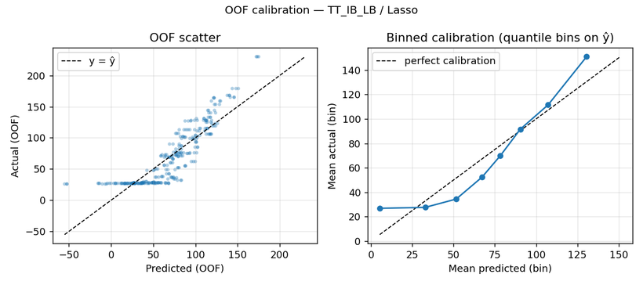

ElasticNet
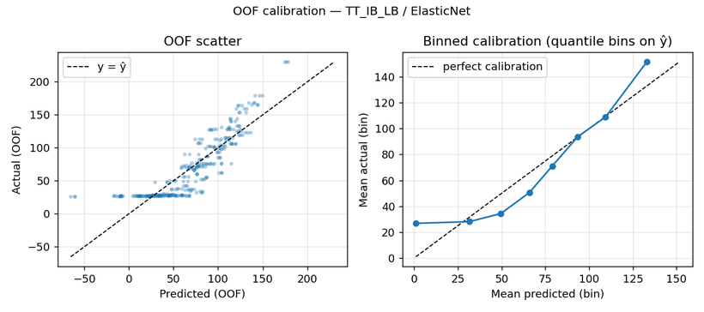

Ridge
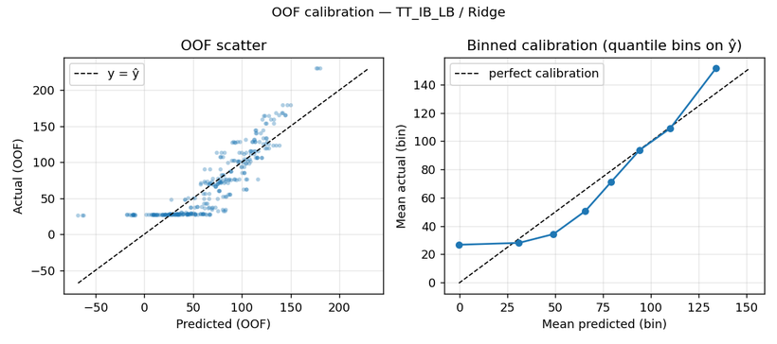

5. HP sensitivity figures
Lasso (plotted)
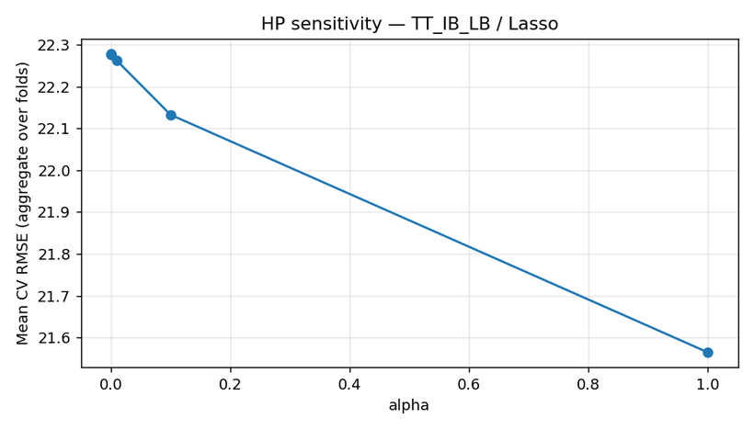

ElasticNet (plotted)
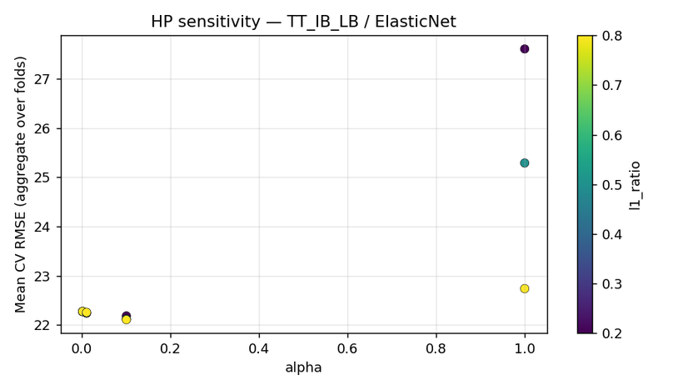

Ridge (plotted)

TT_OB_Agri

Step 3 pre-conformal report | TT_OB_Agri
Generated (UTC) | 2026-04-06 12:36:59 UTC | /Users/iniyanilaalagunirmal/Desktop/Final Brexit ML Design/experimenting_ml/outputs/step3

1. Per-target CV selection
target | best_cv_rmse_model | mean_cv_rmse | std_cv_rmse | rank2_model | rank2_mean_cv_rmse | rank3_model | rank3_mean_cv_rmse | n_models_compared
TT_OB_Agri | ExtraTrees | 6.7757087644 | 3.3383748005 | CatBoost | 9.8094156082 | XGBoost | 10.12354063 | 21

2. Calibration CV metrics (OOF, top models)
target | model | n_oof | mean_residual | std_residual | corr_y_yhat | slope_y_on_yhat | intercept_y_on_yhat | heuristic_ok_bias | heuristic_ok_slope
TT_OB_Agri | ExtraTrees | 309 | -0.2798121262 | 7.582685331 | 0.97541509157 | 1.1458301189 | -5.1992717608 | TRUE | TRUE
TT_OB_Agri | CatBoost | 309 | 1.269266874 | 10.79017365 | 0.95932372916 | 1.3033363743 | -8.4936452913 | TRUE | FALSE
TT_OB_Agri | XGBoost | 309 | -1.2129769112 | 12.368066128 | 0.91592860525 | 0.9055222969 | 2.0623142966 | TRUE | TRUE

3. HP sensitivity run log
target | model | plotted | path
TT_OB_Agri | ExtraTrees | TRUE | /Users/iniyanilaalagunirmal/Desktop/Final Brexit ML Design/experimenting_ml/outputs/step3/hp_sensitivity/hp_sens__TT_OB_Agri__ExtraTrees.png
TT_OB_Agri | CatBoost | TRUE | /Users/iniyanilaalagunirmal/Desktop/Final Brexit ML Design/experimenting_ml/outputs/step3/hp_sensitivity/hp_sens__TT_OB_Agri__CatBoost.png
TT_OB_Agri | XGBoost | TRUE | /Users/iniyanilaalagunirmal/Desktop/Final Brexit ML Design/experimenting_ml/outputs/step3/hp_sensitivity/hp_sens__TT_OB_Agri__XGBoost.png

4. Calibration figures (top models)
ExtraTrees
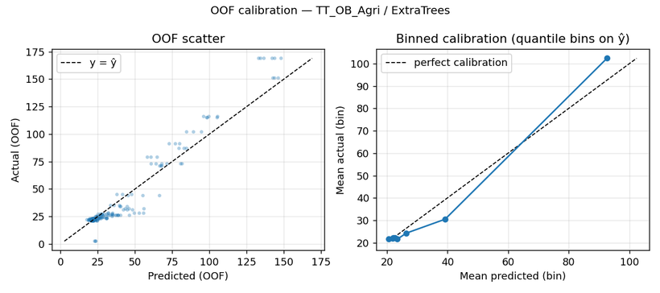

CatBoost
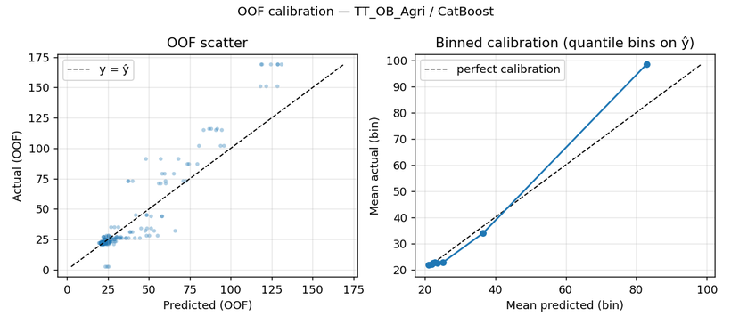

XGBoost
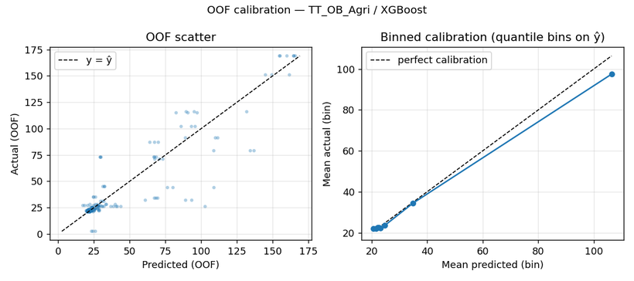

5. HP sensitivity figures
ExtraTrees (plotted)
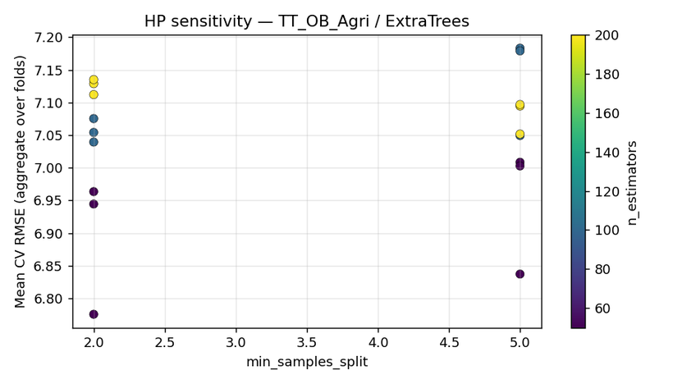

CatBoost (plotted)
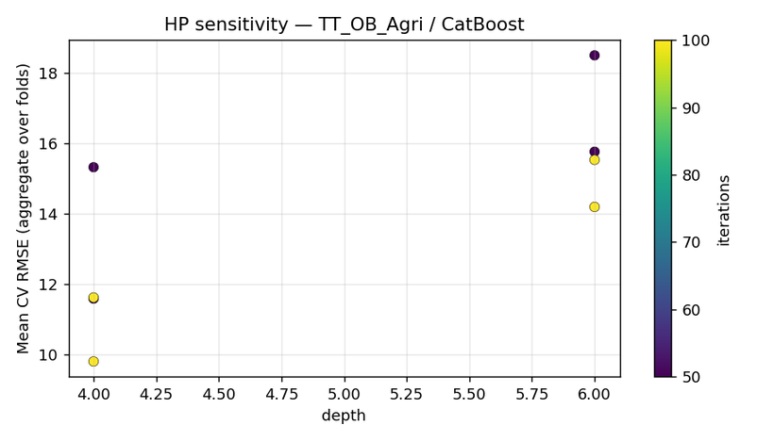

XGBoost (plotted)

TT_OB_DR
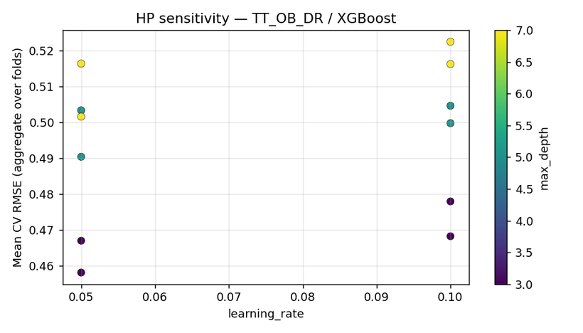
Step 3 pre-conformal report | TT_OB_DR
Generated (UTC) | 2026-04-06 12:36:59 UTC | /Users/iniyanilaalagunirmal/Desktop/Final Brexit ML Design/experimenting_ml/outputs/step3

1. Per-target CV selection
target | best_cv_rmse_model | mean_cv_rmse | std_cv_rmse | rank2_model | rank2_mean_cv_rmse | rank3_model | rank3_mean_cv_rmse | n_models_compared
TT_OB_DR | CatBoost | 0.43447907487 | 0.12488192256 | RandomForest | 0.45783940049 | XGBoost | 0.45811096376 | 21

2. Calibration CV metrics (OOF, top models)
target | model | n_oof | mean_residual | std_residual | corr_y_yhat | slope_y_on_yhat | intercept_y_on_yhat | heuristic_ok_bias | heuristic_ok_slope
TT_OB_DR | CatBoost | 309 | 0.021475238225 | 0.45339703966 | 0.52628005613 | 1.2472484888 | -8.8364732459 | TRUE | TRUE
TT_OB_DR | RandomForest | 309 | 8.3250409883E-05 | 0.47246626733 | 0.45696570419 | 0.8575282678 | 5.1073371837 | TRUE | TRUE
TT_OB_DR | XGBoost | 309 | 0.0046042235538 | 0.47092983898 | 0.45911619878 | 0.90074801541 | 3.56208999 | TRUE | TRUE

3. HP sensitivity run log
target | model | plotted | path
TT_OB_DR | CatBoost | TRUE | /Users/iniyanilaalagunirmal/Desktop/Final Brexit ML Design/experimenting_ml/outputs/step3/hp_sensitivity/hp_sens__TT_OB_DR__CatBoost.png
TT_OB_DR | RandomForest | TRUE | /Users/iniyanilaalagunirmal/Desktop/Final Brexit ML Design/experimenting_ml/outputs/step3/hp_sensitivity/hp_sens__TT_OB_DR__RandomForest.png
TT_OB_DR | XGBoost | TRUE | /Users/iniyanilaalagunirmal/Desktop/Final Brexit ML Design/experimenting_ml/outputs/step3/hp_sensitivity/hp_sens__TT_OB_DR__XGBoost.png

4. Calibration figures (top models)
CatBoost
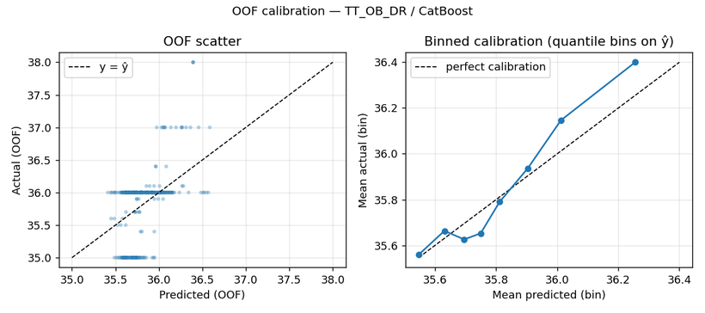

RandomForest
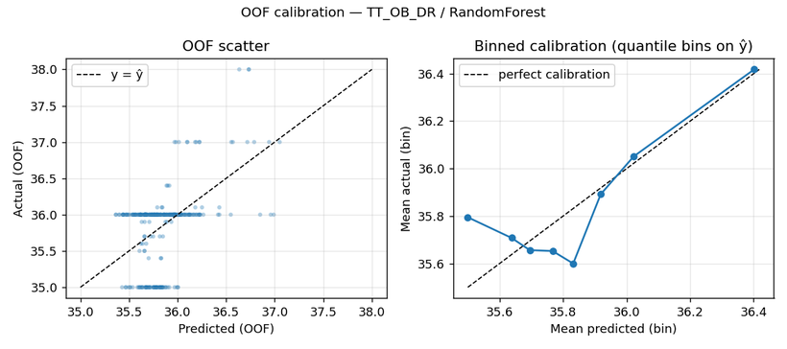

XGBoost
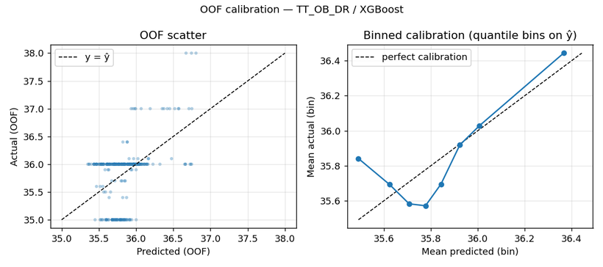

5. HP sensitivity figures
CatBoost (plotted)
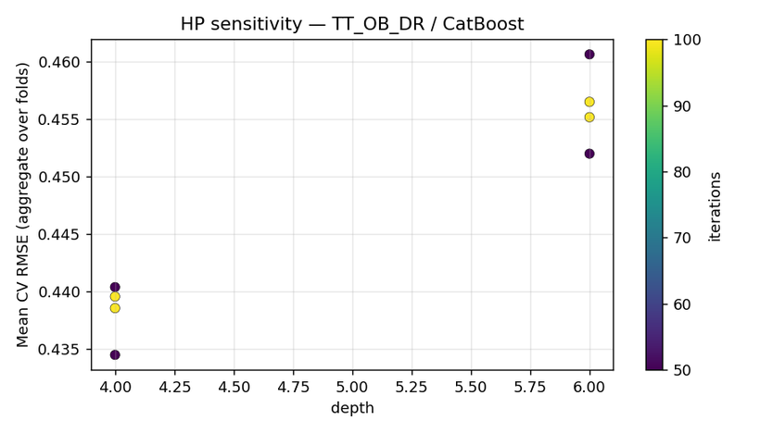

RandomForest (plotted)
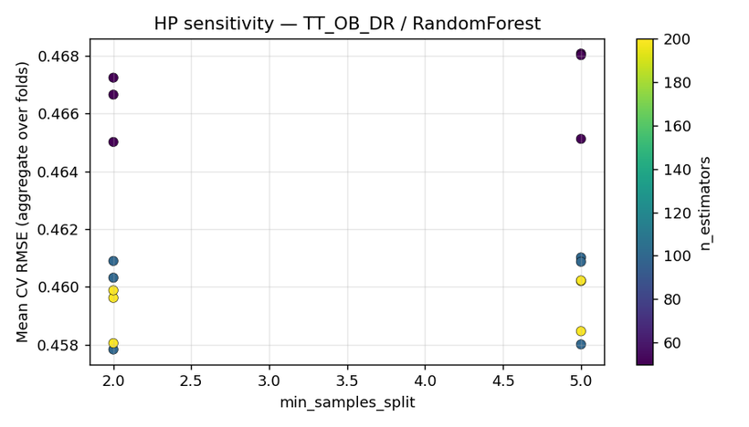

XGBoost (plotted)

TT_OB_LB

Step 3 pre-conformal report | TT_OB_LB
Generated (UTC) | 2026-04-06 12:36:59 UTC | /Users/iniyanilaalagunirmal/Desktop/Final Brexit ML Design/experimenting_ml/outputs/step3

1. Per-target CV selection
target | best_cv_rmse_model | mean_cv_rmse | std_cv_rmse | rank2_model | rank2_mean_cv_rmse | rank3_model | rank3_mean_cv_rmse | n_models_compared
TT_OB_LB | AdaBoost | 0.25912626997 | 0.118438338 | ExtraTrees | 0.26144084604 | LightGBM | 0.27048611518 | 21

2. Calibration CV metrics (OOF, top models)
target | model | n_oof | mean_residual | std_residual | corr_y_yhat | slope_y_on_yhat | intercept_y_on_yhat | heuristic_ok_bias | heuristic_ok_slope
TT_OB_LB | AdaBoost | 309 | -0.0055412209312 | 0.28651938946 | 0.7929228925 | 0.97594639157 | 0.6135241046 | TRUE | TRUE
TT_OB_LB | ExtraTrees | 309 | -0.0099681229773 | 0.27529695383 | 0.81492329611 | 1.1163269178 | -3.0043773934 | TRUE | TRUE
TT_OB_LB | LightGBM | 309 | -0.0043955853535 | 0.28065309052 | 0.80373808026 | 1.0675591891 | -1.7430823123 | TRUE | TRUE

3. HP sensitivity run log
target | model | plotted | path
TT_OB_LB | AdaBoost | TRUE | /Users/iniyanilaalagunirmal/Desktop/Final Brexit ML Design/experimenting_ml/outputs/step3/hp_sensitivity/hp_sens__TT_OB_LB__AdaBoost.png
TT_OB_LB | ExtraTrees | TRUE | /Users/iniyanilaalagunirmal/Desktop/Final Brexit ML Design/experimenting_ml/outputs/step3/hp_sensitivity/hp_sens__TT_OB_LB__ExtraTrees.png
TT_OB_LB | LightGBM | TRUE | /Users/iniyanilaalagunirmal/Desktop/Final Brexit ML Design/experimenting_ml/outputs/step3/hp_sensitivity/hp_sens__TT_OB_LB__LightGBM.png

4. Calibration figures (top models)
AdaBoost
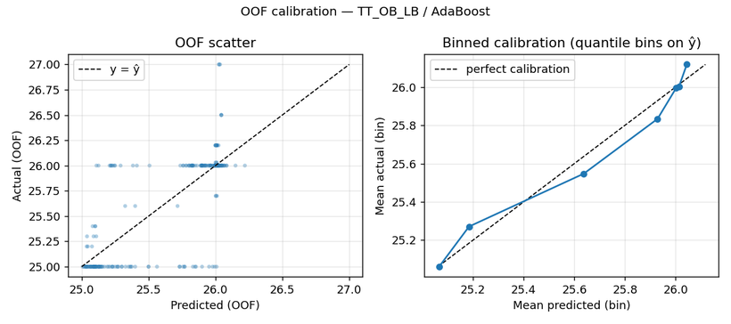

ExtraTrees
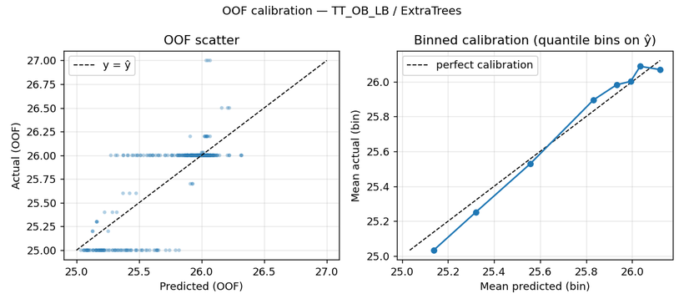

LightGBM


5. HP sensitivity figures
AdaBoost (plotted)
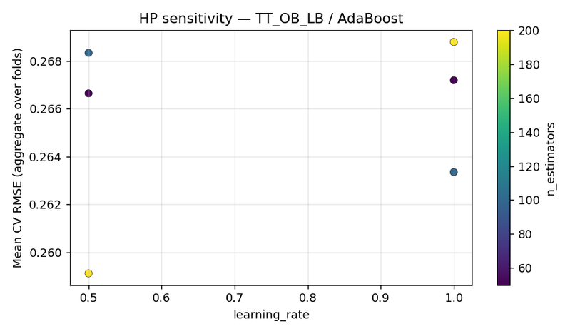

ExtraTrees (plotted)
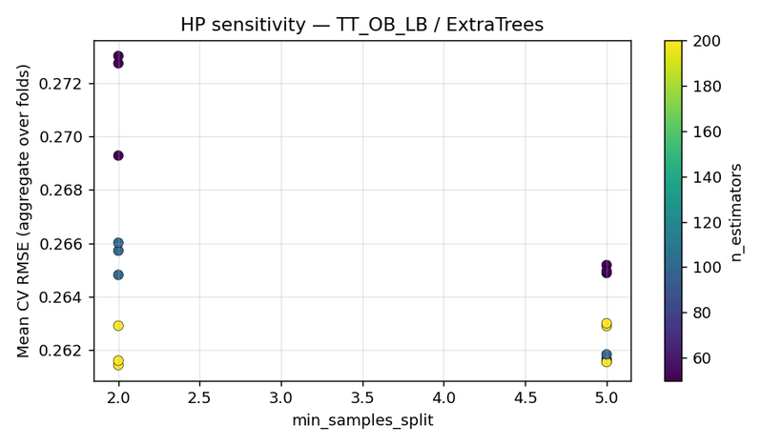

LightGBM (plotted)

Uti_Cus_D
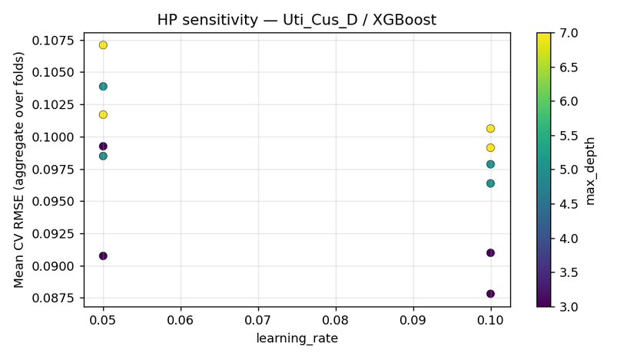
Step 3 pre-conformal report | Uti_Cus_D
Generated (UTC) | 2026-04-06 12:36:59 UTC | /Users/iniyanilaalagunirmal/Desktop/Final Brexit ML Design/experimenting_ml/outputs/step3

1. Per-target CV selection
target | best_cv_rmse_model | mean_cv_rmse | std_cv_rmse | rank2_model | rank2_mean_cv_rmse | rank3_model | rank3_mean_cv_rmse | n_models_compared
Uti_Cus_D | GPR_Matern | 0.083674213682 | 0.024499017544 | GradientBoosting | 0.087441904637 | XGBoost | 0.087808501159 | 21

2. Calibration CV metrics (OOF, top models)
target | model | n_oof | mean_residual | std_residual | corr_y_yhat | slope_y_on_yhat | intercept_y_on_yhat | heuristic_ok_bias | heuristic_ok_slope
Uti_Cus_D | GPR_Matern | 309 | -0.0031016988658 | 0.087376466137 | 0.78673803137 | 1.0647450471 | -0.061535345361 | TRUE | TRUE
Uti_Cus_D | GradientBoosting | 309 | -0.0050193425565 | 0.093791655547 | 0.75829414033 | 1.205405778 | -0.19079589088 | TRUE | TRUE
Uti_Cus_D | XGBoost | 309 | -0.006670572858 | 0.092393259744 | 0.77459865791 | 1.2794147628 | -0.25984494999 | TRUE | FALSE

3. HP sensitivity run log
target | model | plotted | path
Uti_Cus_D | GPR_Matern | TRUE | /Users/iniyanilaalagunirmal/Desktop/Final Brexit ML Design/experimenting_ml/outputs/step3/hp_sensitivity/hp_sens__Uti_Cus_D__GPR_Matern.png
Uti_Cus_D | GradientBoosting | TRUE | /Users/iniyanilaalagunirmal/Desktop/Final Brexit ML Design/experimenting_ml/outputs/step3/hp_sensitivity/hp_sens__Uti_Cus_D__GradientBoosting.png
Uti_Cus_D | XGBoost | TRUE | /Users/iniyanilaalagunirmal/Desktop/Final Brexit ML Design/experimenting_ml/outputs/step3/hp_sensitivity/hp_sens__Uti_Cus_D__XGBoost.png

4. Calibration figures (top models)
GPR_Matern
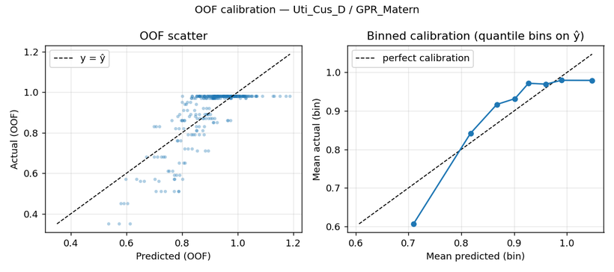

GradientBoosting
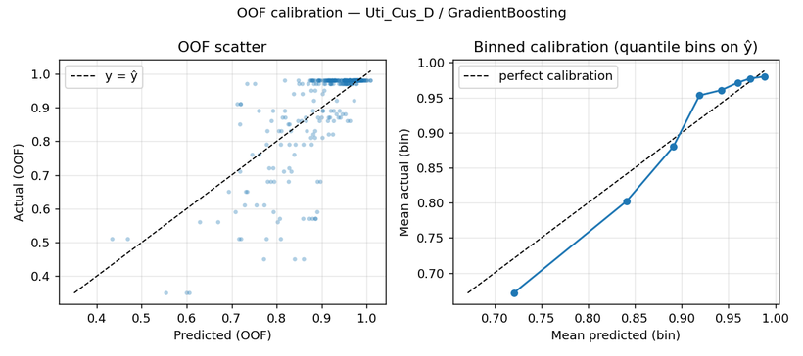

XGBoost
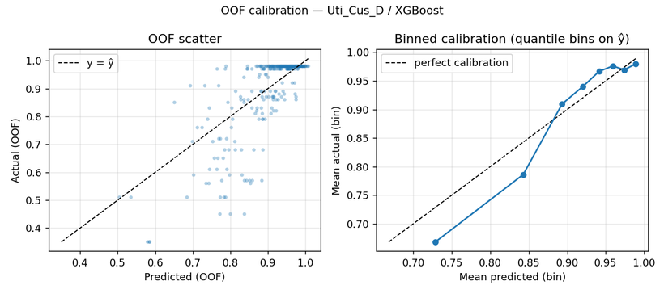

5. HP sensitivity figures
GPR_Matern (plotted)
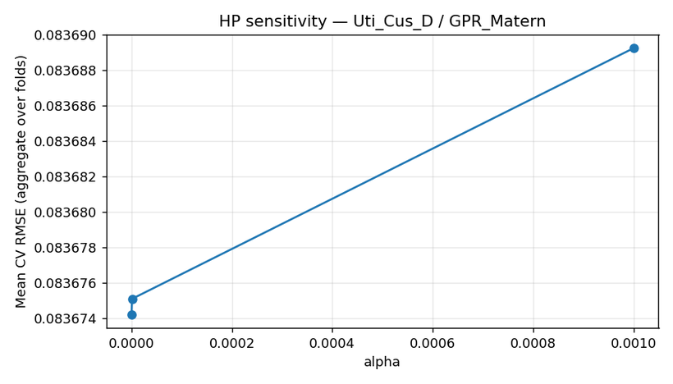

GradientBoosting (plotted)
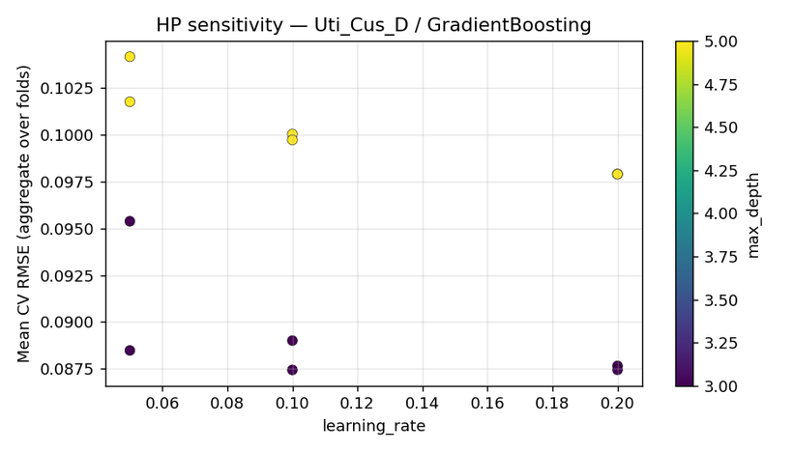

XGBoost (plotted)

Uti_Cus_R
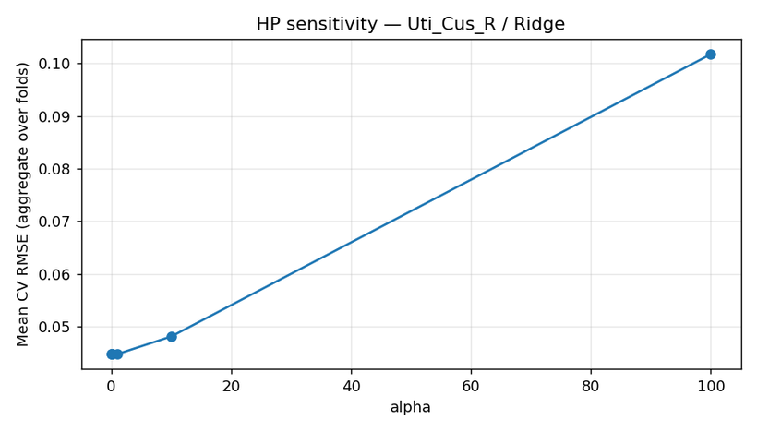
Step 3 pre-conformal report | Uti_Cus_R
Generated (UTC) | 2026-04-06 12:36:59 UTC | /Users/iniyanilaalagunirmal/Desktop/Final Brexit ML Design/experimenting_ml/outputs/step3

1. Per-target CV selection
target | best_cv_rmse_model | mean_cv_rmse | std_cv_rmse | rank2_model | rank2_mean_cv_rmse | rank3_model | rank3_mean_cv_rmse | n_models_compared
Uti_Cus_R | ElasticNet | 0.042163063173 | 0.015563350784 | Lasso | 0.043291836536 | Ridge | 0.044840715315 | 21

2. Calibration CV metrics (OOF, top models)
target | model | n_oof | mean_residual | std_residual | corr_y_yhat | slope_y_on_yhat | intercept_y_on_yhat | heuristic_ok_bias | heuristic_ok_slope
Uti_Cus_R | ElasticNet | 309 | 7.8353174924E-05 | 0.044949904646 | 0.96664996037 | 1.075357808 | -0.042211226562 | TRUE | TRUE
Uti_Cus_R | Lasso | 309 | 0.00067508425859 | 0.045632252815 | 0.96316088356 | 1.0015398794 | -0.00018815218225 | TRUE | TRUE
Uti_Cus_R | Ridge | 309 | 0.00094424920264 | 0.047130074646 | 0.96067277888 | 0.99335812245 | 0.0046658119955 | TRUE | TRUE

3. HP sensitivity run log
target | model | plotted | path
Uti_Cus_R | ElasticNet | TRUE | /Users/iniyanilaalagunirmal/Desktop/Final Brexit ML Design/experimenting_ml/outputs/step3/hp_sensitivity/hp_sens__Uti_Cus_R__ElasticNet.png
Uti_Cus_R | Lasso | TRUE | /Users/iniyanilaalagunirmal/Desktop/Final Brexit ML Design/experimenting_ml/outputs/step3/hp_sensitivity/hp_sens__Uti_Cus_R__Lasso.png
Uti_Cus_R | Ridge | TRUE | /Users/iniyanilaalagunirmal/Desktop/Final Brexit ML Design/experimenting_ml/outputs/step3/hp_sensitivity/hp_sens__Uti_Cus_R__Ridge.png

4. Calibration figures (top models)
ElasticNet
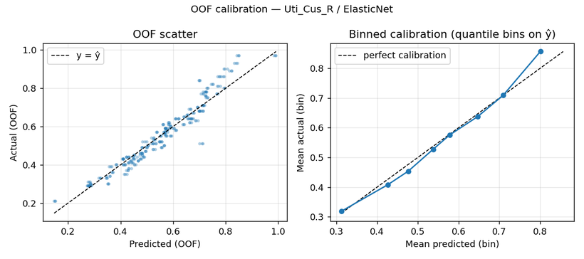

Lasso


Ridge


5. HP sensitivity figures
ElasticNet (plotted)
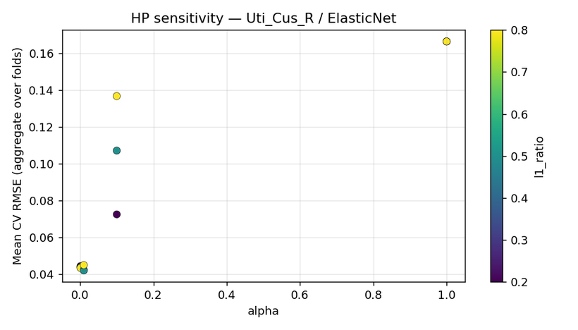

Lasso (plotted)
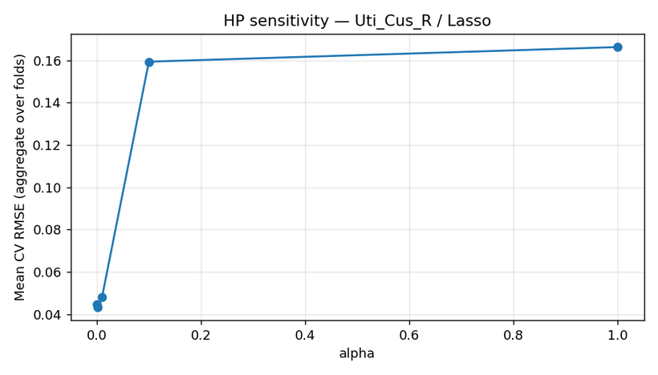

Ridge (plotted)

Uti_DAFM_D
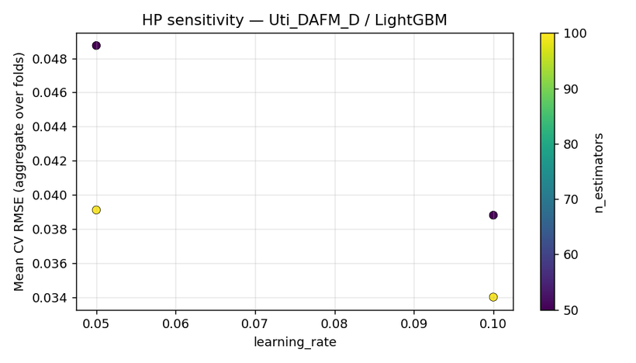
Step 3 pre-conformal report | Uti_DAFM_D
Generated (UTC) | 2026-04-06 12:36:59 UTC | /Users/iniyanilaalagunirmal/Desktop/Final Brexit ML Design/experimenting_ml/outputs/step3

1. Per-target CV selection
target | best_cv_rmse_model | mean_cv_rmse | std_cv_rmse | rank2_model | rank2_mean_cv_rmse | rank3_model | rank3_mean_cv_rmse | n_models_compared
Uti_DAFM_D | GPR_Matern | 0.025985660924 | 0.0053042752433 | PolynomialReg_deg2 | 0.031839803655 | LightGBM | 0.034022259694 | 21

2. Calibration CV metrics (OOF, top models)
target | model | n_oof | mean_residual | std_residual | corr_y_yhat | slope_y_on_yhat | intercept_y_on_yhat | heuristic_ok_bias | heuristic_ok_slope
Uti_DAFM_D | GPR_Matern | 309 | 0.00058800060195 | 0.026468020328 | 0.94635704262 | 1.0413168124 | -0.009728942219 | TRUE | TRUE
Uti_DAFM_D | PolynomialReg_deg2 | 309 | 0.0036420961831 | 0.032698225898 | 0.91818362802 | 0.93150172444 | 0.020537138719 | TRUE | TRUE
Uti_DAFM_D | LightGBM | 309 | -0.0015308819603 | 0.034527218363 | 0.91648868094 | 1.1825783708 | -0.047508158766 | TRUE | TRUE

3. HP sensitivity run log
target | model | plotted | path
Uti_DAFM_D | GPR_Matern | TRUE | /Users/iniyanilaalagunirmal/Desktop/Final Brexit ML Design/experimenting_ml/outputs/step3/hp_sensitivity/hp_sens__Uti_DAFM_D__GPR_Matern.png
Uti_DAFM_D | PolynomialReg_deg2 | TRUE | /Users/iniyanilaalagunirmal/Desktop/Final Brexit ML Design/experimenting_ml/outputs/step3/hp_sensitivity/hp_sens__Uti_DAFM_D__PolynomialReg_deg2.png
Uti_DAFM_D | LightGBM | TRUE | /Users/iniyanilaalagunirmal/Desktop/Final Brexit ML Design/experimenting_ml/outputs/step3/hp_sensitivity/hp_sens__Uti_DAFM_D__LightGBM.png

4. Calibration figures (top models)
GPR_Matern
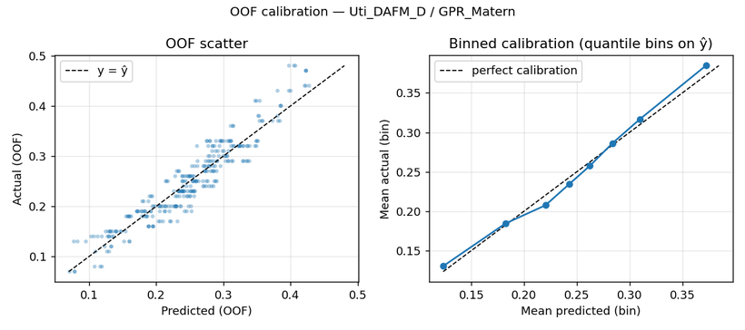

PolynomialReg_deg2
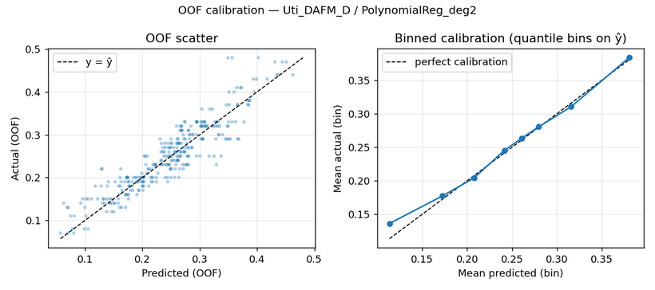

LightGBM


5. HP sensitivity figures
GPR_Matern (plotted)
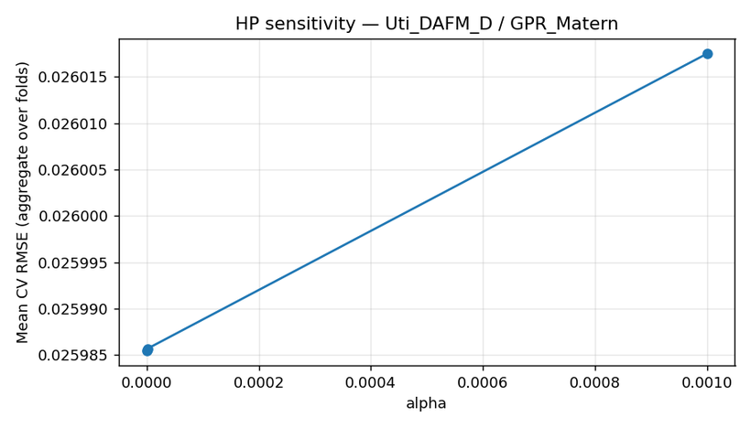

PolynomialReg_deg2 (plotted)
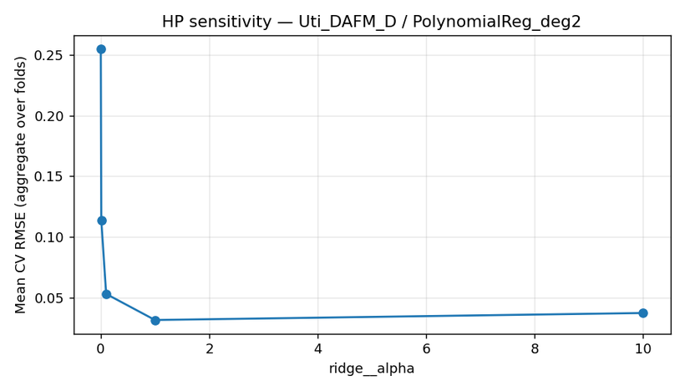

LightGBM (plotted)

Uti_DAFM_R
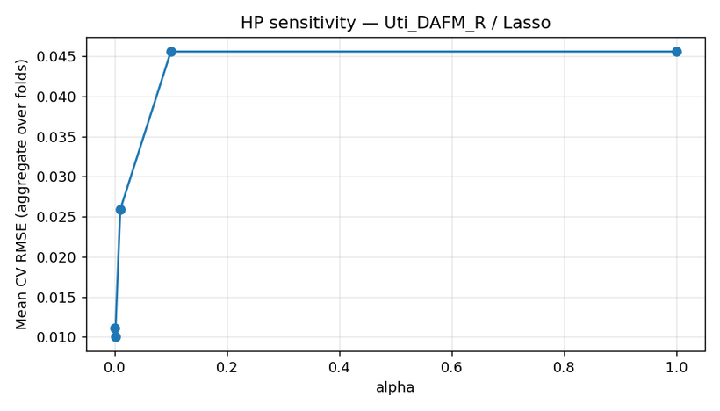
Step 3 pre-conformal report | Uti_DAFM_R
Generated (UTC) | 2026-04-06 12:36:59 UTC | /Users/iniyanilaalagunirmal/Desktop/Final Brexit ML Design/experimenting_ml/outputs/step3

1. Per-target CV selection
target | best_cv_rmse_model | mean_cv_rmse | std_cv_rmse | rank2_model | rank2_mean_cv_rmse | rank3_model | rank3_mean_cv_rmse | n_models_compared
Uti_DAFM_R | GPR_Matern | 0.0097917338632 | 0.0020303973808 | ElasticNet | 0.0099984095225 | Lasso | 0.010006513263 | 21

2. Calibration CV metrics (OOF, top models)
target | model | n_oof | mean_residual | std_residual | corr_y_yhat | slope_y_on_yhat | intercept_y_on_yhat | heuristic_ok_bias | heuristic_ok_slope
Uti_DAFM_R | GPR_Matern | 309 | 9.9667021962E-05 | 0.01001128955 | 0.97586561537 | 1.0016330206 | -0.00015098949583 | TRUE | TRUE
Uti_DAFM_R | ElasticNet | 309 | -8.6029131603E-06 | 0.010145543374 | 0.97597303768 | 1.0413205032 | -0.0063554667441 | TRUE | TRUE
Uti_DAFM_R | Lasso | 309 | 3.0889855687E-07 | 0.010165104997 | 0.97631934089 | 1.0524213743 | -0.0080511908495 | TRUE | TRUE

3. HP sensitivity run log
target | model | plotted | path
Uti_DAFM_R | GPR_Matern | TRUE | /Users/iniyanilaalagunirmal/Desktop/Final Brexit ML Design/experimenting_ml/outputs/step3/hp_sensitivity/hp_sens__Uti_DAFM_R__GPR_Matern.png
Uti_DAFM_R | ElasticNet | TRUE | /Users/iniyanilaalagunirmal/Desktop/Final Brexit ML Design/experimenting_ml/outputs/step3/hp_sensitivity/hp_sens__Uti_DAFM_R__ElasticNet.png
Uti_DAFM_R | Lasso | TRUE | /Users/iniyanilaalagunirmal/Desktop/Final Brexit ML Design/experimenting_ml/outputs/step3/hp_sensitivity/hp_sens__Uti_DAFM_R__Lasso.png

4. Calibration figures (top models)
GPR_Matern
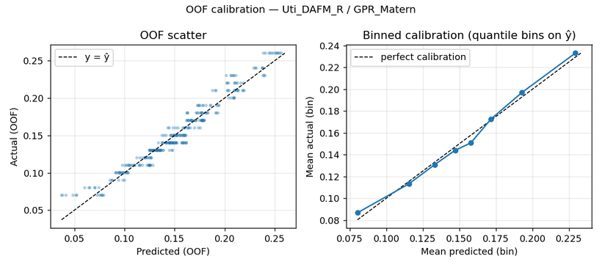

ElasticNet


Lasso


5. HP sensitivity figures
GPR_Matern (plotted)


ElasticNet (plotted)


Lasso (plotted)

WT_IB_A_Dub

Step 3 pre-conformal report | WT_IB_A_Dub
Generated (UTC) | 2026-04-06 12:36:59 UTC | /Users/iniyanilaalagunirmal/Desktop/Final Brexit ML Design/experimenting_ml/outputs/step3

1. Per-target CV selection
target | best_cv_rmse_model | mean_cv_rmse | std_cv_rmse | rank2_model | rank2_mean_cv_rmse | rank3_model | rank3_mean_cv_rmse | n_models_compared
WT_IB_A_Dub | GPR_Matern | 0.10210683849 | 0.024191818112 | CatBoost | 0.11214228778 | LightGBM | 0.12388069994 | 21

2. Calibration CV metrics (OOF, top models)
target | model | n_oof | mean_residual | std_residual | corr_y_yhat | slope_y_on_yhat | intercept_y_on_yhat | heuristic_ok_bias | heuristic_ok_slope
WT_IB_A_Dub | GPR_Matern | 309 | 0.0010249299528 | 0.10487653768 | 0.93601190549 | 1.0267335458 | -0.011341134216 | TRUE | TRUE
WT_IB_A_Dub | CatBoost | 309 | -0.0060007464235 | 0.11630241537 | 0.93915356875 | 1.2491331512 | -0.12299192519 | TRUE | TRUE
WT_IB_A_Dub | LightGBM | 309 | -0.0076046578011 | 0.12765064822 | 0.91053554199 | 1.1461493296 | -0.076469767484 | TRUE | TRUE

3. HP sensitivity run log
target | model | plotted | path
WT_IB_A_Dub | GPR_Matern | TRUE | /Users/iniyanilaalagunirmal/Desktop/Final Brexit ML Design/experimenting_ml/outputs/step3/hp_sensitivity/hp_sens__WT_IB_A_Dub__GPR_Matern.png
WT_IB_A_Dub | CatBoost | TRUE | /Users/iniyanilaalagunirmal/Desktop/Final Brexit ML Design/experimenting_ml/outputs/step3/hp_sensitivity/hp_sens__WT_IB_A_Dub__CatBoost.png
WT_IB_A_Dub | LightGBM | TRUE | /Users/iniyanilaalagunirmal/Desktop/Final Brexit ML Design/experimenting_ml/outputs/step3/hp_sensitivity/hp_sens__WT_IB_A_Dub__LightGBM.png

4. Calibration figures (top models)
GPR_Matern


CatBoost


LightGBM


5. HP sensitivity figures
GPR_Matern (plotted)


CatBoost (plotted)


LightGBM (plotted)

WT_IB_A_Ross

Step 3 pre-conformal report | WT_IB_A_Ross
Generated (UTC) | 2026-04-06 12:36:59 UTC | /Users/iniyanilaalagunirmal/Desktop/Final Brexit ML Design/experimenting_ml/outputs/step3

1. Per-target CV selection
target | best_cv_rmse_model | mean_cv_rmse | std_cv_rmse | rank2_model | rank2_mean_cv_rmse | rank3_model | rank3_mean_cv_rmse | n_models_compared
WT_IB_A_Ross | GPR_Matern | 0.034376365919 | 0.0085272625981 | ElasticNet | 0.041042322598 | Lasso | 0.043045820363 | 21

2. Calibration CV metrics (OOF, top models)
target | model | n_oof | mean_residual | std_residual | corr_y_yhat | slope_y_on_yhat | intercept_y_on_yhat | heuristic_ok_bias | heuristic_ok_slope
WT_IB_A_Ross | GPR_Matern | 309 | 0.0012793314498 | 0.035487562252 | 0.94013049967 | 1.0125949741 | -0.00048863959895 | TRUE | TRUE
WT_IB_A_Ross | ElasticNet | 309 | 0.00026549672931 | 0.042564825639 | 0.91631466717 | 1.0999511354 | -0.013866093426 | TRUE | TRUE
WT_IB_A_Ross | Lasso | 309 | 0.00035159510049 | 0.044133819539 | 0.90566298224 | 0.98980904292 | 0.0017915660271 | TRUE | TRUE

3. HP sensitivity run log
target | model | plotted | path
WT_IB_A_Ross | GPR_Matern | TRUE | /Users/iniyanilaalagunirmal/Desktop/Final Brexit ML Design/experimenting_ml/outputs/step3/hp_sensitivity/hp_sens__WT_IB_A_Ross__GPR_Matern.png
WT_IB_A_Ross | ElasticNet | TRUE | /Users/iniyanilaalagunirmal/Desktop/Final Brexit ML Design/experimenting_ml/outputs/step3/hp_sensitivity/hp_sens__WT_IB_A_Ross__ElasticNet.png
WT_IB_A_Ross | Lasso | TRUE | /Users/iniyanilaalagunirmal/Desktop/Final Brexit ML Design/experimenting_ml/outputs/step3/hp_sensitivity/hp_sens__WT_IB_A_Ross__Lasso.png

4. Calibration figures (top models)
GPR_Matern


ElasticNet


Lasso


5. HP sensitivity figures
GPR_Matern (plotted)


ElasticNet (plotted)


Lasso (plotted)

WT_IB_LB

Step 3 pre-conformal report | WT_IB_LB
Generated (UTC) | 2026-04-06 12:36:59 UTC | /Users/iniyanilaalagunirmal/Desktop/Final Brexit ML Design/experimenting_ml/outputs/step3

1. Per-target CV selection
target | best_cv_rmse_model | mean_cv_rmse | std_cv_rmse | rank2_model | rank2_mean_cv_rmse | rank3_model | rank3_mean_cv_rmse | n_models_compared
WT_IB_LB | Lasso | 28.564263963 | 9.2022601477 | MLP | 28.975448141 | GPR_Matern | 29.265233203 | 21

2. Calibration CV metrics (OOF, top models)
target | model | n_oof | mean_residual | std_residual | corr_y_yhat | slope_y_on_yhat | intercept_y_on_yhat | heuristic_ok_bias | heuristic_ok_slope
WT_IB_LB | Lasso | 309 | 0.42326708092 | 30.047492456 | 0.86724916912 | 0.99882250189 | 0.49140756439 | TRUE | TRUE
WT_IB_LB | MLP | 309 | -4.96988718 | 29.535873273 | 0.87320947703 | 1.0540543702 | -8.3894759949 | FALSE | TRUE
WT_IB_LB | GPR_Matern | 309 | 0.38403151634 | 30.269255836 | 0.8653483463 | 0.97796638228 | 1.6599565515 | TRUE | TRUE

3. HP sensitivity run log
target | model | plotted | path
WT_IB_LB | Lasso | TRUE | /Users/iniyanilaalagunirmal/Desktop/Final Brexit ML Design/experimenting_ml/outputs/step3/hp_sensitivity/hp_sens__WT_IB_LB__Lasso.png
WT_IB_LB | MLP | TRUE | /Users/iniyanilaalagunirmal/Desktop/Final Brexit ML Design/experimenting_ml/outputs/step3/hp_sensitivity/hp_sens__WT_IB_LB__MLP.png
WT_IB_LB | GPR_Matern | TRUE | /Users/iniyanilaalagunirmal/Desktop/Final Brexit ML Design/experimenting_ml/outputs/step3/hp_sensitivity/hp_sens__WT_IB_LB__GPR_Matern.png

4. Calibration figures (top models)
Lasso


MLP


GPR_Matern


5. HP sensitivity figures
Lasso (plotted)


MLP (plotted)


GPR_Matern (plotted)

WT_IB_NA_Dub

Step 3 pre-conformal report | WT_IB_NA_Dub
Generated (UTC) | 2026-04-06 12:36:59 UTC | /Users/iniyanilaalagunirmal/Desktop/Final Brexit ML Design/experimenting_ml/outputs/step3

1. Per-target CV selection
target | best_cv_rmse_model | mean_cv_rmse | std_cv_rmse | rank2_model | rank2_mean_cv_rmse | rank3_model | rank3_mean_cv_rmse | n_models_compared
WT_IB_NA_Dub | Lasso | 27.528217209 | 6.3418684673 | ElasticNet | 28.131373644 | Ridge | 28.260692227 | 21

2. Calibration CV metrics (OOF, top models)
target | model | n_oof | mean_residual | std_residual | corr_y_yhat | slope_y_on_yhat | intercept_y_on_yhat | heuristic_ok_bias | heuristic_ok_slope
WT_IB_NA_Dub | Lasso | 309 | 0.34027330517 | 28.299598244 | 0.88190881676 | 1.0104481774 | -0.29352549686 | TRUE | TRUE
WT_IB_NA_Dub | ElasticNet | 309 | 0.37508356694 | 28.973044444 | 0.87633343512 | 0.96538577287 | 2.4736186029 | TRUE | TRUE
WT_IB_NA_Dub | Ridge | 309 | 0.39404456325 | 29.133195831 | 0.87550921829 | 0.94996242186 | 3.4266926646 | TRUE | TRUE

3. HP sensitivity run log
target | model | plotted | path
WT_IB_NA_Dub | Lasso | TRUE | /Users/iniyanilaalagunirmal/Desktop/Final Brexit ML Design/experimenting_ml/outputs/step3/hp_sensitivity/hp_sens__WT_IB_NA_Dub__Lasso.png
WT_IB_NA_Dub | ElasticNet | TRUE | /Users/iniyanilaalagunirmal/Desktop/Final Brexit ML Design/experimenting_ml/outputs/step3/hp_sensitivity/hp_sens__WT_IB_NA_Dub__ElasticNet.png
WT_IB_NA_Dub | Ridge | TRUE | /Users/iniyanilaalagunirmal/Desktop/Final Brexit ML Design/experimenting_ml/outputs/step3/hp_sensitivity/hp_sens__WT_IB_NA_Dub__Ridge.png

4. Calibration figures (top models)
Lasso


ElasticNet


Ridge


5. HP sensitivity figures
Lasso (plotted)


ElasticNet (plotted)


Ridge (plotted)

WT_IB_NA_Ross

Step 3 pre-conformal report | WT_IB_NA_Ross
Generated (UTC) | 2026-04-06 12:36:59 UTC | /Users/iniyanilaalagunirmal/Desktop/Final Brexit ML Design/experimenting_ml/outputs/step3

1. Per-target CV selection
target | best_cv_rmse_model | mean_cv_rmse | std_cv_rmse | rank2_model | rank2_mean_cv_rmse | rank3_model | rank3_mean_cv_rmse | n_models_compared
WT_IB_NA_Ross | SVR_RBF | 3.5989912048 | 6.8988818156 | SVR_Poly | 3.7218137589 | KNN | 4.3158887944 | 21

2. Calibration CV metrics (OOF, top models)
target | model | n_oof | mean_residual | std_residual | corr_y_yhat | slope_y_on_yhat | intercept_y_on_yhat | heuristic_ok_bias | heuristic_ok_slope
WT_IB_NA_Ross | SVR_RBF | 309 | 0.78751659484 | 7.7526240031 | 0.46612425212 | 3.8735209625 | -6.5964778998 | FALSE | FALSE
WT_IB_NA_Ross | SVR_Poly | 309 | 1.0433147059 | 7.918853719 | 0.36471146651 | 3.9681333331 | -5.8245592573 | FALSE | FALSE
WT_IB_NA_Ross | KNN | 309 | 0.22370779493 | 7.9901355129 | 0.20429229579 | 0.9406824674 | 0.40957789953 | TRUE | TRUE

3. HP sensitivity run log
target | model | plotted | path
WT_IB_NA_Ross | SVR_RBF | TRUE | /Users/iniyanilaalagunirmal/Desktop/Final Brexit ML Design/experimenting_ml/outputs/step3/hp_sensitivity/hp_sens__WT_IB_NA_Ross__SVR_RBF.png
WT_IB_NA_Ross | SVR_Poly | TRUE | /Users/iniyanilaalagunirmal/Desktop/Final Brexit ML Design/experimenting_ml/outputs/step3/hp_sensitivity/hp_sens__WT_IB_NA_Ross__SVR_Poly.png
WT_IB_NA_Ross | KNN | TRUE | /Users/iniyanilaalagunirmal/Desktop/Final Brexit ML Design/experimenting_ml/outputs/step3/hp_sensitivity/hp_sens__WT_IB_NA_Ross__KNN.png

4. Calibration figures (top models)
SVR_RBF


SVR_Poly


KNN


5. HP sensitivity figures
SVR_RBF (plotted)


SVR_Poly (plotted)


KNN (plotted)

WT_OB_A_GB-Dub

Step 3 pre-conformal report | WT_OB_A_GB-Dub
Generated (UTC) | 2026-04-06 12:36:59 UTC | /Users/iniyanilaalagunirmal/Desktop/Final Brexit ML Design/experimenting_ml/outputs/step3

1. Per-target CV selection
target | best_cv_rmse_model | mean_cv_rmse | std_cv_rmse | rank2_model | rank2_mean_cv_rmse | rank3_model | rank3_mean_cv_rmse | n_models_compared
WT_OB_A_GB-Dub | ElasticNet | 0.19084207206 | 0.095167804223 | Lasso | 0.19359218561 | GPR_Matern | 0.20017971065 | 21

2. Calibration CV metrics (OOF, top models)
target | model | n_oof | mean_residual | std_residual | corr_y_yhat | slope_y_on_yhat | intercept_y_on_yhat | heuristic_ok_bias | heuristic_ok_slope
WT_OB_A_GB-Dub | ElasticNet | 309 | 0.0018131415196 | 0.21304164518 | 0.93911089374 | 1.1205669899 | -0.12631942277 | TRUE | TRUE
WT_OB_A_GB-Dub | Lasso | 309 | 0.0023934818528 | 0.21069995553 | 0.93536254285 | 1.0212562007 | -0.020184208889 | TRUE | TRUE
WT_OB_A_GB-Dub | GPR_Matern | 309 | 0.00017935331813 | 0.21422012312 | 0.93289762393 | 0.99865008504 | 0.0016161808754 | TRUE | TRUE

3. HP sensitivity run log
target | model | plotted | path
WT_OB_A_GB-Dub | ElasticNet | TRUE | /Users/iniyanilaalagunirmal/Desktop/Final Brexit ML Design/experimenting_ml/outputs/step3/hp_sensitivity/hp_sens__WT_OB_A_GB-Dub__ElasticNet.png
WT_OB_A_GB-Dub | Lasso | TRUE | /Users/iniyanilaalagunirmal/Desktop/Final Brexit ML Design/experimenting_ml/outputs/step3/hp_sensitivity/hp_sens__WT_OB_A_GB-Dub__Lasso.png
WT_OB_A_GB-Dub | GPR_Matern | TRUE | /Users/iniyanilaalagunirmal/Desktop/Final Brexit ML Design/experimenting_ml/outputs/step3/hp_sensitivity/hp_sens__WT_OB_A_GB-Dub__GPR_Matern.png

4. Calibration figures (top models)
ElasticNet


Lasso


GPR_Matern


5. HP sensitivity figures
ElasticNet (plotted)


Lasso (plotted)


GPR_Matern (plotted)

WT_OB_A_GB-Ross

Step 3 pre-conformal report | WT_OB_A_GB-Ross
Generated (UTC) | 2026-04-06 12:36:59 UTC | /Users/iniyanilaalagunirmal/Desktop/Final Brexit ML Design/experimenting_ml/outputs/step3

1. Per-target CV selection
target | best_cv_rmse_model | mean_cv_rmse | std_cv_rmse | rank2_model | rank2_mean_cv_rmse | rank3_model | rank3_mean_cv_rmse | n_models_compared
WT_OB_A_GB-Ross | GradientBoosting | 0.02308162412 | 0.0095399346692 | GPR_Matern | 0.023480325373 | CatBoost | 0.02360337483 | 21

2. Calibration CV metrics (OOF, top models)
target | model | n_oof | mean_residual | std_residual | corr_y_yhat | slope_y_on_yhat | intercept_y_on_yhat | heuristic_ok_bias | heuristic_ok_slope
WT_OB_A_GB-Ross | GradientBoosting | 309 | -0.00071870634045 | 0.025164247943 | 0.91453430424 | 1.1085501149 | -0.0082034230384 | TRUE | TRUE
WT_OB_A_GB-Ross | GPR_Matern | 309 | 0.00074273893441 | 0.024899374601 | 0.91218500858 | 1.0128355465 | -0.00012353557553 | TRUE | TRUE
WT_OB_A_GB-Ross | CatBoost | 309 | 0.00082710663585 | 0.025895138105 | 0.9248583906 | 1.2631585249 | -0.01691133139 | TRUE | FALSE

3. HP sensitivity run log
target | model | plotted | path
WT_OB_A_GB-Ross | GradientBoosting | TRUE | /Users/iniyanilaalagunirmal/Desktop/Final Brexit ML Design/experimenting_ml/outputs/step3/hp_sensitivity/hp_sens__WT_OB_A_GB-Ross__GradientBoosting.png
WT_OB_A_GB-Ross | GPR_Matern | TRUE | /Users/iniyanilaalagunirmal/Desktop/Final Brexit ML Design/experimenting_ml/outputs/step3/hp_sensitivity/hp_sens__WT_OB_A_GB-Ross__GPR_Matern.png
WT_OB_A_GB-Ross | CatBoost | TRUE | /Users/iniyanilaalagunirmal/Desktop/Final Brexit ML Design/experimenting_ml/outputs/step3/hp_sensitivity/hp_sens__WT_OB_A_GB-Ross__CatBoost.png

4. Calibration figures (top models)
GradientBoosting


GPR_Matern


CatBoost


5. HP sensitivity figures
GradientBoosting (plotted)


GPR_Matern (plotted)


CatBoost (plotted)

WT_OB_LB

Step 3 pre-conformal report | WT_OB_LB
Generated (UTC) | 2026-04-06 12:36:59 UTC | /Users/iniyanilaalagunirmal/Desktop/Final Brexit ML Design/experimenting_ml/outputs/step3

1. Per-target CV selection
target | best_cv_rmse_model | mean_cv_rmse | std_cv_rmse | rank2_model | rank2_mean_cv_rmse | rank3_model | rank3_mean_cv_rmse | n_models_compared
WT_OB_LB | GPR_Matern | 0.20613074094 | 0.044988973417 | Lasso | 0.20875050145 | ElasticNet | 0.21050105469 | 21

2. Calibration CV metrics (OOF, top models)
target | model | n_oof | mean_residual | std_residual | corr_y_yhat | slope_y_on_yhat | intercept_y_on_yhat | heuristic_ok_bias | heuristic_ok_slope
WT_OB_LB | GPR_Matern | 309 | 8.4277072698E-05 | 0.21119583834 | 0.95574781549 | 0.99241653158 | 0.014783050295 | TRUE | TRUE
WT_OB_LB | Lasso | 309 | 0.0031041137729 | 0.21419508366 | 0.95455241372 | 1.0167355639 | -0.029283309338 | TRUE | TRUE
WT_OB_LB | ElasticNet | 309 | 0.0033330350692 | 0.21570524858 | 0.95381588305 | 1.0106900514 | -0.017352390504 | TRUE | TRUE

3. HP sensitivity run log
target | model | plotted | path
WT_OB_LB | GPR_Matern | TRUE | /Users/iniyanilaalagunirmal/Desktop/Final Brexit ML Design/experimenting_ml/outputs/step3/hp_sensitivity/hp_sens__WT_OB_LB__GPR_Matern.png
WT_OB_LB | Lasso | TRUE | /Users/iniyanilaalagunirmal/Desktop/Final Brexit ML Design/experimenting_ml/outputs/step3/hp_sensitivity/hp_sens__WT_OB_LB__Lasso.png
WT_OB_LB | ElasticNet | TRUE | /Users/iniyanilaalagunirmal/Desktop/Final Brexit ML Design/experimenting_ml/outputs/step3/hp_sensitivity/hp_sens__WT_OB_LB__ElasticNet.png

4. Calibration figures (top models)
GPR_Matern


Lasso


ElasticNet


5. HP sensitivity figures
GPR_Matern (plotted)


Lasso (plotted)


ElasticNet (plotted)

WT_OB_NA_GB-Dub

Step 3 pre-conformal report | WT_OB_NA_GB-Dub
Generated (UTC) | 2026-04-06 12:36:59 UTC | /Users/iniyanilaalagunirmal/Desktop/Final Brexit ML Design/experimenting_ml/outputs/step3

1. Per-target CV selection
target | best_cv_rmse_model | mean_cv_rmse | std_cv_rmse | rank2_model | rank2_mean_cv_rmse | rank3_model | rank3_mean_cv_rmse | n_models_compared
WT_OB_NA_GB-Dub | ElasticNet | 0.35848059429 | 0.11664177063 | Lasso | 0.36437684012 | GPR_Matern | 0.38357136804 | 21

2. Calibration CV metrics (OOF, top models)
target | model | n_oof | mean_residual | std_residual | corr_y_yhat | slope_y_on_yhat | intercept_y_on_yhat | heuristic_ok_bias | heuristic_ok_slope
WT_OB_NA_GB-Dub | ElasticNet | 309 | 0.0014067066792 | 0.37737280558 | 0.90396911533 | 1.1155305802 | -0.16171025681 | TRUE | TRUE
WT_OB_NA_GB-Dub | Lasso | 309 | 0.0031261624928 | 0.37772933507 | 0.89896983119 | 0.98828621969 | 0.019644640401 | TRUE | TRUE
WT_OB_NA_GB-Dub | GPR_Matern | 309 | 0.0044814072074 | 0.39640941585 | 0.88817735949 | 0.98143781605 | 0.030632175096 | TRUE | TRUE

3. HP sensitivity run log
target | model | plotted | path
WT_OB_NA_GB-Dub | ElasticNet | TRUE | /Users/iniyanilaalagunirmal/Desktop/Final Brexit ML Design/experimenting_ml/outputs/step3/hp_sensitivity/hp_sens__WT_OB_NA_GB-Dub__ElasticNet.png
WT_OB_NA_GB-Dub | Lasso | TRUE | /Users/iniyanilaalagunirmal/Desktop/Final Brexit ML Design/experimenting_ml/outputs/step3/hp_sensitivity/hp_sens__WT_OB_NA_GB-Dub__Lasso.png
WT_OB_NA_GB-Dub | GPR_Matern | TRUE | /Users/iniyanilaalagunirmal/Desktop/Final Brexit ML Design/experimenting_ml/outputs/step3/hp_sensitivity/hp_sens__WT_OB_NA_GB-Dub__GPR_Matern.png

4. Calibration figures (top models)
ElasticNet


Lasso


GPR_Matern


5. HP sensitivity figures
ElasticNet (plotted)


Lasso (plotted)


GPR_Matern (plotted)

WT_OB_NA_GB-Ross

Step 3 pre-conformal report | WT_OB_NA_GB-Ross
Generated (UTC) | 2026-04-06 12:36:59 UTC | /Users/iniyanilaalagunirmal/Desktop/Final Brexit ML Design/experimenting_ml/outputs/step3

1. Per-target CV selection
target | best_cv_rmse_model | mean_cv_rmse | std_cv_rmse | rank2_model | rank2_mean_cv_rmse | rank3_model | rank3_mean_cv_rmse | n_models_compared
WT_OB_NA_GB-Ross | Lasso | 0.22253381061 | 0.042354676841 | ElasticNet | 0.2229306665 | Ridge | 0.22898735832 | 21

2. Calibration CV metrics (OOF, top models)
target | model | n_oof | mean_residual | std_residual | corr_y_yhat | slope_y_on_yhat | intercept_y_on_yhat | heuristic_ok_bias | heuristic_ok_slope
WT_OB_NA_GB-Ross | Lasso | 309 | 0.0031297808479 | 0.22642410213 | 0.95696284866 | 1.0185173384 | -0.03313321422 | TRUE | TRUE
WT_OB_NA_GB-Ross | ElasticNet | 309 | 0.0033216466098 | 0.22677805703 | 0.95674699725 | 1.013145167 | -0.022418360533 | TRUE | TRUE
WT_OB_NA_GB-Ross | Ridge | 309 | 0.0049049189736 | 0.23258115643 | 0.95441969843 | 0.98957170573 | 0.025308412635 | TRUE | TRUE

3. HP sensitivity run log
target | model | plotted | path
WT_OB_NA_GB-Ross | Lasso | TRUE | /Users/iniyanilaalagunirmal/Desktop/Final Brexit ML Design/experimenting_ml/outputs/step3/hp_sensitivity/hp_sens__WT_OB_NA_GB-Ross__Lasso.png
WT_OB_NA_GB-Ross | ElasticNet | TRUE | /Users/iniyanilaalagunirmal/Desktop/Final Brexit ML Design/experimenting_ml/outputs/step3/hp_sensitivity/hp_sens__WT_OB_NA_GB-Ross__ElasticNet.png
WT_OB_NA_GB-Ross | Ridge | TRUE | /Users/iniyanilaalagunirmal/Desktop/Final Brexit ML Design/experimenting_ml/outputs/step3/hp_sensitivity/hp_sens__WT_OB_NA_GB-Ross__Ridge.png

4. Calibration figures (top models)
Lasso


ElasticNet


Ridge


5. HP sensitivity figures
Lasso (plotted)


ElasticNet (plotted)


Ridge (plotted)

