Sayfa1
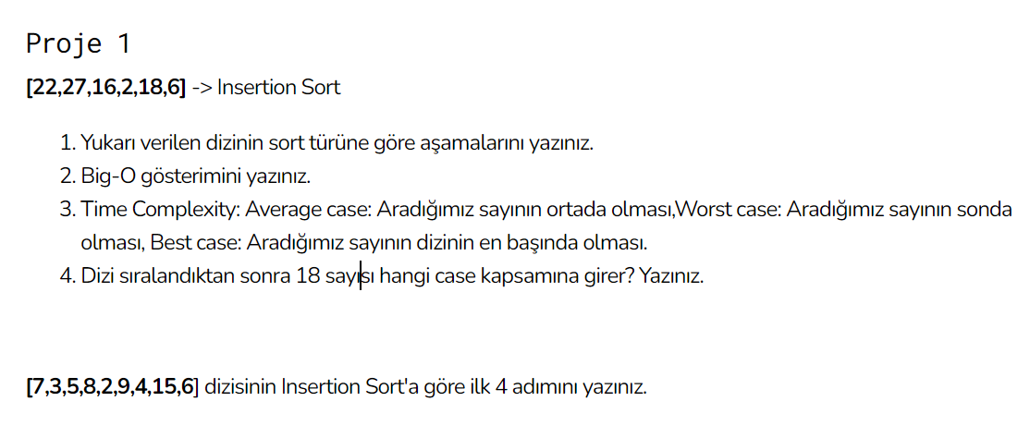
1) | [22,27,16,2,18,6] |  |  | [7,3,5,8,2,9,4,15,6]

a. | [2,27,16,22,18,6] |  | a. | [2,3,5,8,7,9,4,15,6]
b. | [2,6,16,22,18,27] |  | b. | [2,3,4,8,7,9,5,15,6]
c. | [2,6,16,22,18,27] |  | c. | [2,3,4,5,7,9,8,15,6]
d. | [2,6,16,18,22,27] |  | d. | [2,3,4,5,6,9,8,15,7]

2) | O(n^2)

3) | av. Case | O(n^2)
 | worst case | O(n^2)
 | best case | O(n)

4) | 4.sıraya girer.

