Sayfa1
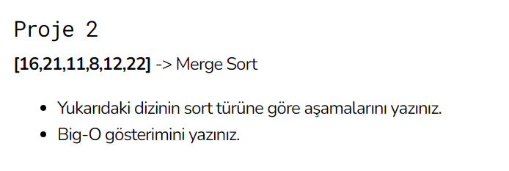
1) | [16,21,11,8,12,22]

a. | [16,21,11] [8,12,22]
b. | [16] [21,11] [8,12] [22]
c. | [16] [21] [11] [8] [12] [22]
d. | [16] [11,21] [8,12] [22]
e. | [11,16,21] [8,12,22]
f. | [8,11,12,16,21,212]

2) | O(nlogn)

