BDJobs Bug
Bug ID | Description | Steps To Reproduce | Expected Result | Actuall Result | Severity | Priority | Others
BDJobs_Bug_001 | OTP is send to invalid mobile number | 1. Click On Create Account/login Dropdown 2. Select Mybdjobs and click create Account 3. Select General Category 4. Enter invalid credential to All/Some the fields. 5. click On the create New Account button | Warning message should be displayed informing the Users about the invalid phone number | User Is redirected to send otp page using invalid mobile number | Medium | P1
BDJobs_Bug_002 | Mandatory fields are not lebeled in Create Account | 1. Click On Create Account/login Dropdown 2. Select Mybdjobs and click Create Account 3. Select General Category 4. Enter All the fields data 5. click On the Create Account button | Mandatory Fields Should be labeled By * or via other sign | Field are not labeled | Low | P4 | 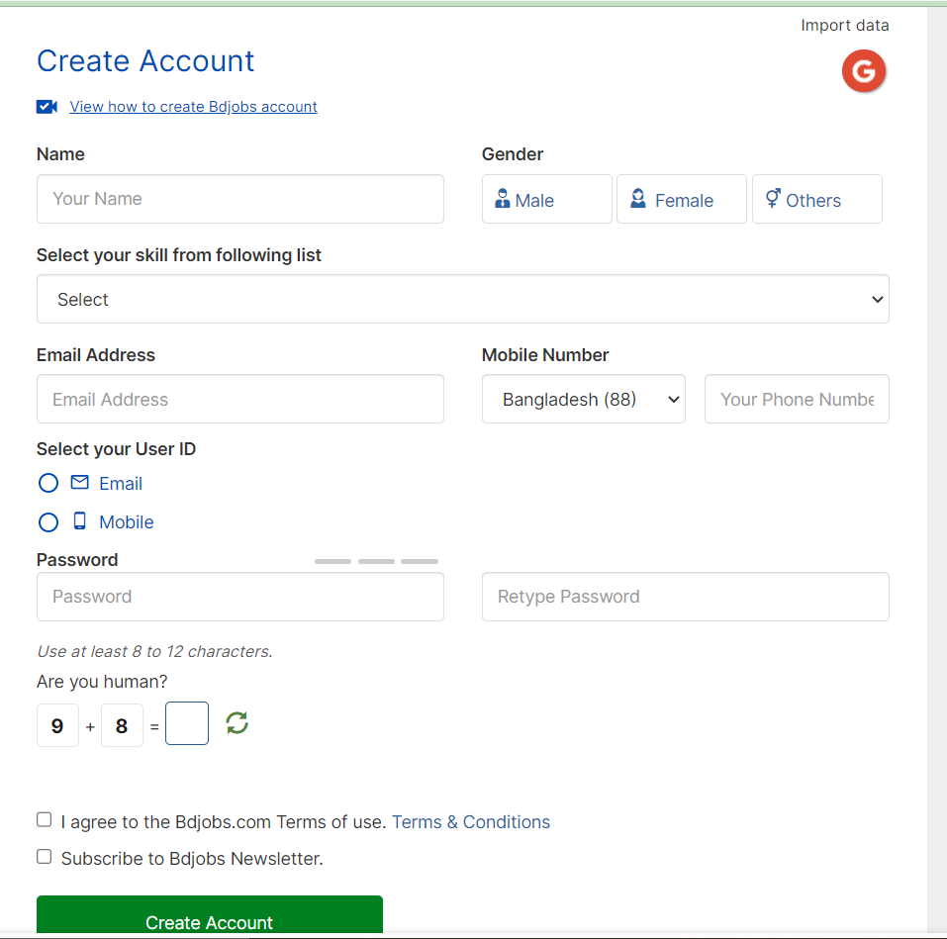
BDJobs_Bug_003 | Sign in with FaceBook Does not Work | 1. Click On Create Account/login Dropdown 2. Select Mybdjobs and click Sign In 3. Select General Category 4. Click on the existing facebook or google logos. | User Should be navigated to the default Signed In Homepage | User is not navigated to the default Signed In Homepage | High | P1 | 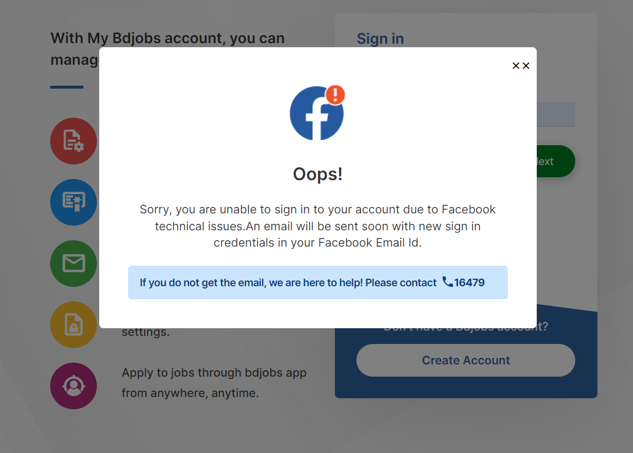
BDJobs_Bug_004 | Mandatory fields are not lebeled in Sign In Page | 1. Click On Create Account/login Dropdown 2. Select Mybdjobs and click Sign In 3. Select General Category 4. Enter All the fields data 5. click On the Sign In button | Mandatory Fields Should be labeled By * or via other sign | Field are not labeled | Low | P4 | 