extraction of reprod. data
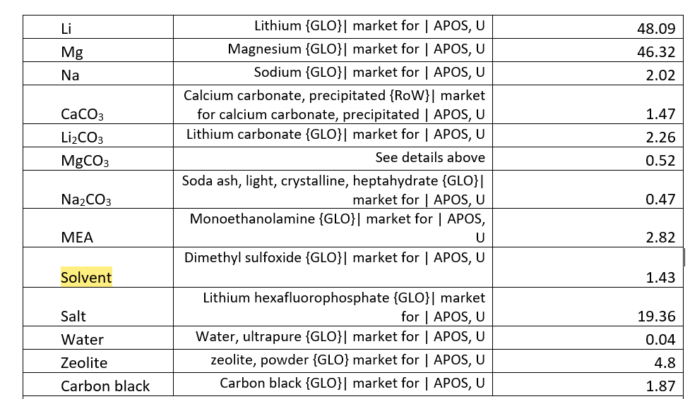
Pedraza et al. (2021) |  |  |  |  |  |  | Pfeiffer et al. (2022)
direct aqueous |  |  |  | direct aqueous 16 |  |  | electrochemical conversion |  |  |  |  | electrochemical conversion 1 | electrochemical conversion 2 | electrochemical conversion 3
Inputs |  | all per t cement | unit | per 1 kg CO2 used | unit |  |  | all in kg if not otherwise stated | different Li-based discharge configurations assuming a fixed energy output of 1 MWh. |  |  | per 1 kg CO2 used
 | heat | 108 | MJ | 1.35 | MJ |  | Subfigure | Element | Single-discharge | Rechargeable | ICC | Single-discharge | Rechargeable | ICC
 | cooling water | 0.085 | t | 1.0625 | kg | Selected materials requirements | A | Carbon black | 128.02 | 1.28 | 1.28 | 0.29 | 0.29 | 0.00
 | cement kiln dust | 0.086 | t | 1.075 | kg |  |  | CO2 | 439.84 | 4.4 | 439.84 | 1.00 | 1.00 | 1.00
 | water | 0.04 | t | 0.5 | kg |  |  | Metal (Li) | 92.49 | 0.92 | 92.49 | 0.21 | 0.21 | 0.21
 | CO2 | 0.4 | t | 5 | kg |  |  | Solvent (assumed to be dimethyl sulfoxide (DMSO)) | 845.48 | 8.45 | 8.45 | 1.92 | 1.92 | 0.02
 | electricity | 88 | kWh | 1.1 | kWh |  |  | Salt (salt is assumed to be lithium hexafluorophosphate (LiPF6) | 116.76 | 1.17 | 1.17 | 0.27 | 0.27 | 0.00
 |  |  |  |  |  | materials produced as output | B | Solid carbonate (2Li2CO3) | 492.32 | 4.92 | 492.32 | 1.12 | 1.12 | 1.12
Outputs |  |  |  |  |  | energy inputs | C | Min. assembly energy (kWhel) | 1216.94 | 12.17 | 407.43 | 2.77 | 2.77 | 0.93
 | CO2 | 0.32 | t | 4 | kg |  |  | CO2 capture unit electricity (kWhel) | 120.81 | 1.21 | 0 | 0.27 | 0.27 | 0.00
 | filler (substitutes limestone) | 0.1 | t | 1.25 | kg |  |  | Electricity to recharge (kWhel) | 0 | 1428.57 | 0 | 0.00 | 324.67 | 0.00
 |  |  |  |  |  |  |  | Dehydration heat (kWhel) | 3.75 | 0.04 | 235.83 | 0.01 | 0.01 | 0.54
net CO2 usage |  | 80.00 | kg |  |  |  |  | total energy demand |  |  |  | 3.05 | 327.72 | 1.46
 |  |  |  |  |  | Energy output |  | electricity kWh | 1000 | 1000 | 1000 | 2.27 | 227.27 | 2.27
 |  |  |  |  |  |  |  | net electricity |  |  |  | 0.78 | 100.45 | -0.81

