Monkman et al. (2017)
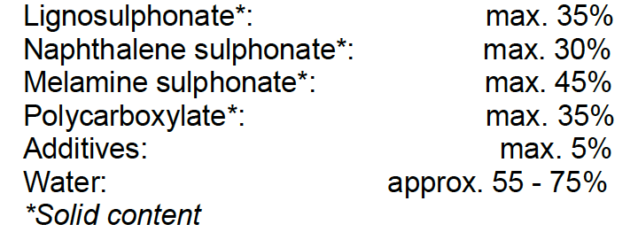
Inputs | Unit | CarbonCure
Liquid CO2 | kg | 0.482
Cement | kg | 321 | Admixtures: | https://www.google.com/url?sa=t&rct=j&q=&esrc=s&source=web&cd=&ved=2ahUKEwj7y8uxquTwAhW3hv0HHbaJAdcQFjABegQIBhAD&url=https%3A%2F%2Fepd-online.com%2FPublishedEpd%2FDownload%2F7713&usg=AOvVaw34kbiCBiSZXAZx-wOyrSyB
Fly ash | kg | 65
BF-Slag | kg | 15
Coarse aggregates | kg | 930
Fine aggregates | kg | 792
Admixtures (Concrete plasticizer) | ml | 735
Water (mixing) | L | 179
Water (cleaning) | L | 118.4
Natural Gas | m^3 | 0.3
Electricity (CO2 capture) | kWh | 0.096
Electricity (CO2 injection hardware) | kWh | 0.018
Electricity (Plant operations) | kWh | 4.88
Transport (cement) | tkm | 37.7496
Transport (fly ash) | tkm | 6.955
Transport (BF-slag) | tkm | 0.7875
Transport (coarse aggregate) | tkm | 29.388
Transport (fine aggregate) | tkm | 24.6312
Transport (CO2) | tkm | 0.155204
Transport (gas injection equipment) | tkm | 0.1231344
Outputs | Unit
Concrete | m^3 | 1
Grey Water | L | 118.4

