Sheet1
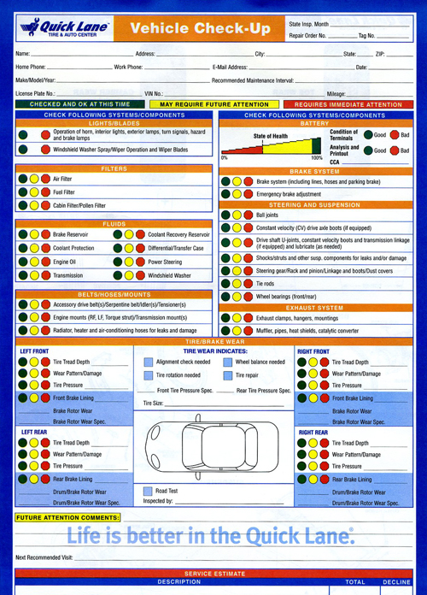

CHECK FOLLOWING SYSTEMS / COMPONENTS |  | CHECK FOLLOWING SYSTEMS / COMPONENTS
Lights / Blades |  | BATTERY
Operation of horn, interior lights, exterior lights, turn signals, hazard and brake lamps.
Windshield Washer Spray/Wiper Operation and Wiper Blades |  | BRAKE SYSTEM
Filters |  | Brake System (including lines, hoses and parking brake)
Air Filter |  | Emergency brake adjustment
Fuel Filter |  | STEERING AND SUSPENSION
Cabin Filter / Pollen Filter |  | Ball joints
Fluids |  | Constant velocity (CV) drive axle boots (if equipped)
Brake Reservoir | Coolant Recovery Reservoir | Drive shaft U-joints, constant velocity boots and transmission linkage (if equipped) and lubricate (as needed)
Coolant Protection | Differential / Transfer Case | Shocks/struts and other suspension components for leaks and (or damage)
Engine Oil | Power Steering | Steering gear / Rack and pinion / Linkage and boots / Dust Covers
Transmission | Windshield Washer | Tie Rods
Belts / Hoses / Mounts |  | Wheel bearing (front / rear)
Accessory drive belt(s) / Serpentine belt / Idler(s)/Tensioner(s) |  | EXHAUST SYSTEM
Engine mounts (RF, LF, Torque Strut) / Transmission mount(s) |  | Exhaust clamps, hangers, mountings
Radiator, heater and air-conditioning hoses for leaks and damage |  | Muffler, pipes, heat shields, catalytic converter

