Q1
Exploratory Data Analysis (EDA) & Visualization

Explain top 3 key analysis performed on the data as part of EDA & the interesting insights drawn from them. We encourage you to provide charts / plots that will depict your findings better. Weightage will be given on data visualization aspect as well.

Please provide your answers below :

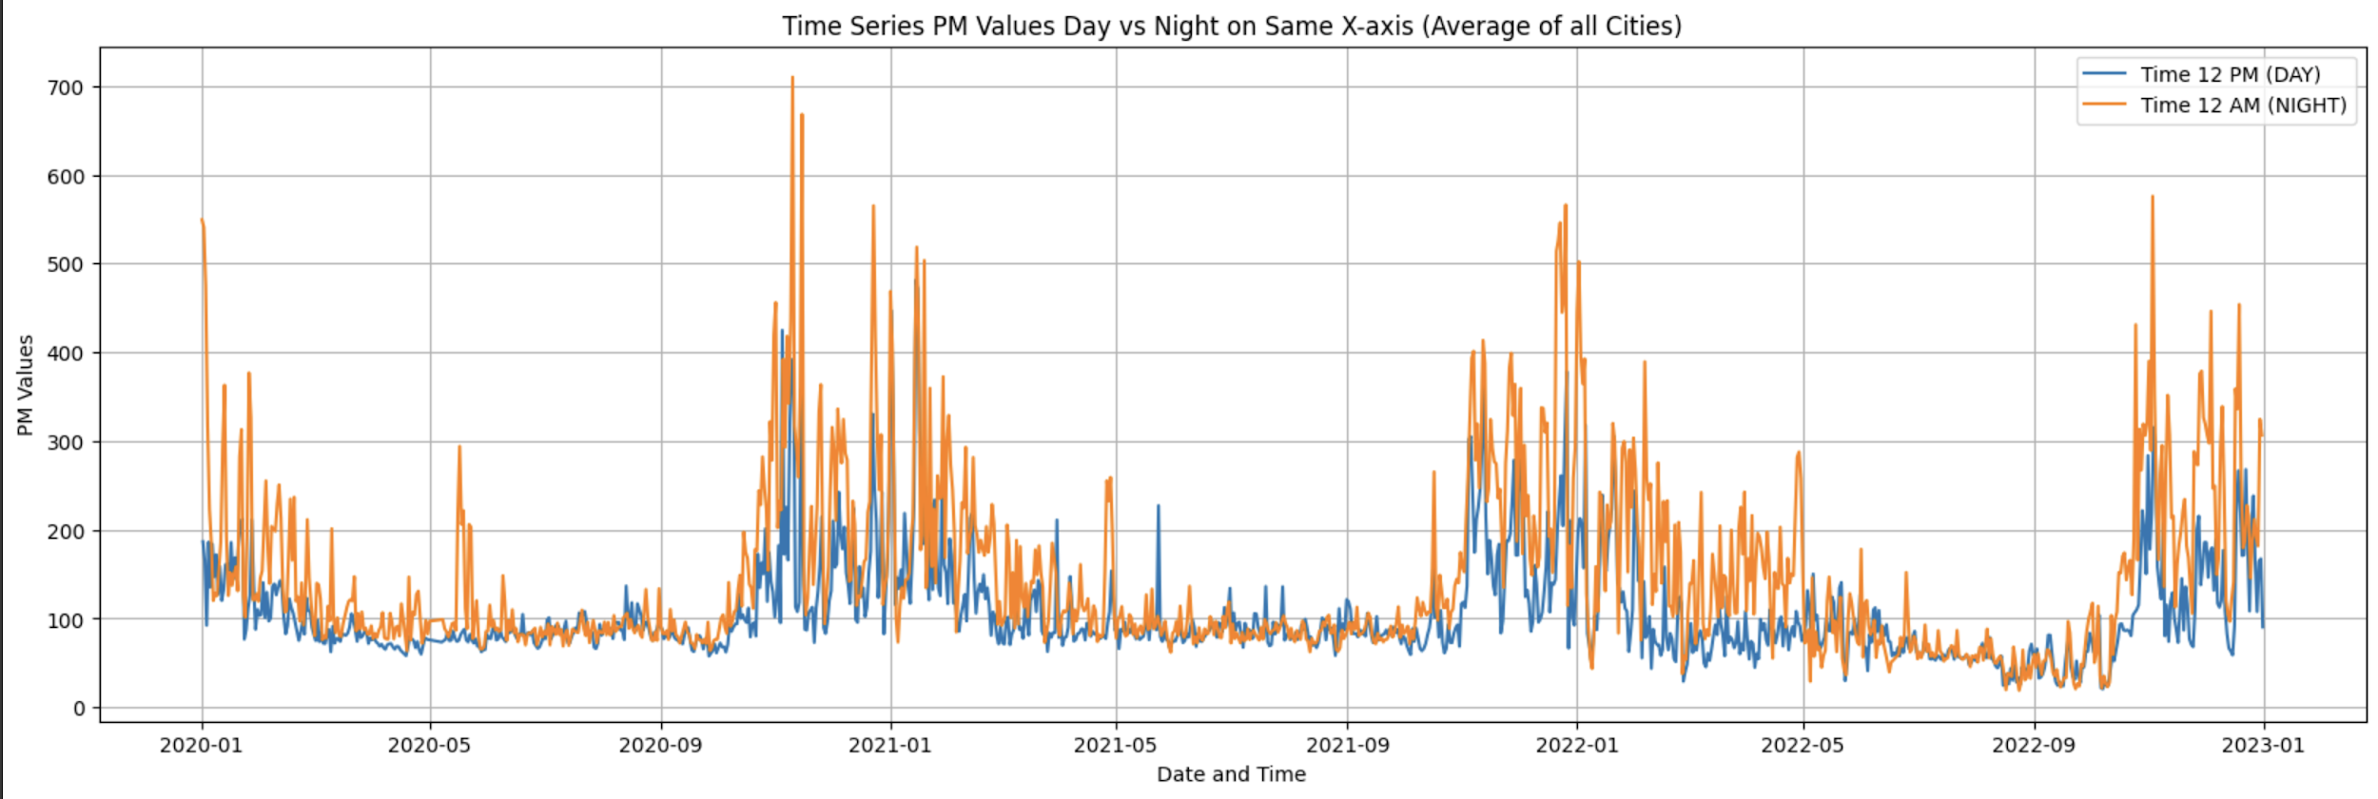

 | To gain insights into the variations of PM2.5 levels, we conducted an extensive analysis using both day and night readings. By calculating the mean PM2.5 values for each city and plotting them, we made a significant discovery. The results consistently demonstrated that the PM2.5 levels during the night were higher compared to those during the day. Intriguingly, this trend was prevalent across all the cities we examined, reinforcing the notion of nocturnal exacerbation of PM pollution. Our findings provide valuable evidence that emphasizes the importance of monitoring and addressing nighttime air quality concerns to mitigate potential health and environmental impacts.

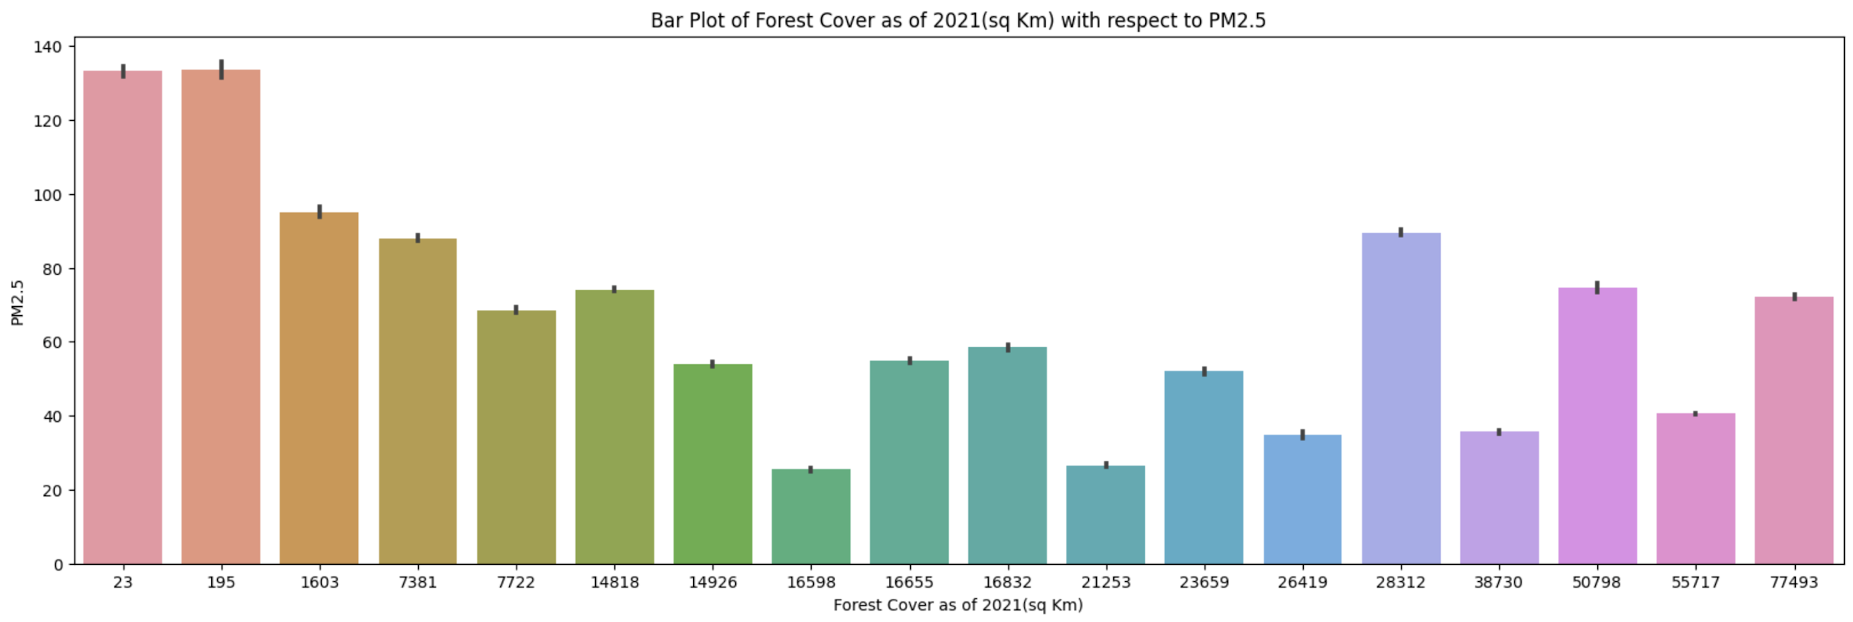

 | We analyzed the relationship between Forest Cover and PM2.5 values in various cities using our dataset. For each city, we calculated the mean PM2.5 value and plotted it against the corresponding Forest Cover area. The findings indicate an interesting trend: as the Forest Cover area increases in a city, there is a noticeable decrease in the PM2.5 values. This suggests a potential link between greater forestation and improved air quality, specifically lower levels of PM2.5 pollutants.

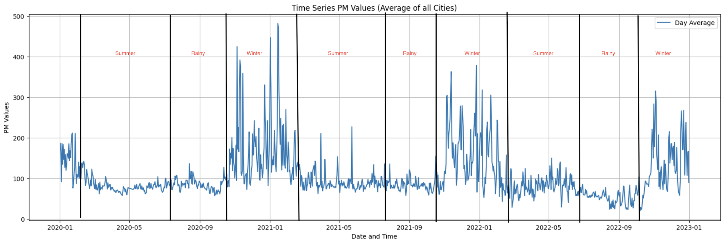

 | We conducted a comprehensive analysis by plotting the daily average PM values against season and performed a seasonality test. The findings revealed intriguing results regarding the influence of seasons on PM concentrations. Specifically, during winter months, we observed a notable increase in PM levels. This phenomenon can be attributed to the decrease in temperature, which leads to reduced particle entropy. As a result, the particles remain suspended in the air for longer periods without easy diffusion, leading to elevated PM values. On the other hand, during rainy seasons, we observed a decrease in PM levels. This decrease can be attributed to the interaction between small PM particles and water droplets, causing the particles to get trapped and subsequently fall with rainfall, resulting in a reduction of PM values. These findings provide valuable insights into the seasonal dynamics of PM concentrations, highlighting the importance of considering weather patterns and seasons when assessing and managing air quality.

Q4
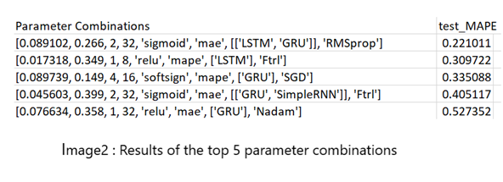
Model Training Exercise

- Describe the process / techniques used for in-sample validation of your model . Provide in-sample model validation results. - Explain multiple modeling techniques explored to predict PM2.5 concentration. Give rationale behind selection of the final modeling methodology. - Briefly explain any model parameter configurations exercise performed during Model Development.

Please provide your answers below :

 | A rolling five fold cross validation approach was used to evaluate a particular pipeline. A pipeline consisted of a layer wise combination of GRU, LSTM and RNN. Various parameter combinations were also tested which included various activation functions, optimizers, loss functions etc. The optimal combination is selected using the genetic algorithm. Genetic algorithm is used because it eliminates guesswork and allows automatic intelligent selection of optimal features and model parameters. The whole search space as used by the genetic algorithm is given in image 1. The results for the top 5 combinations for the prediction of pollution in Delhi at midnight as determined by the genetic algorithm is given below. The best combination for each city and each time was used to predict the PM2.5 values.

