Sheet1
 |  | No partial mort | + partial mort | Frequency
Coral | Size T1 | Size T2 | Size T2 |  | I (< 10 cm) | II (≥ 10 cm)
1 | 10 | 12 | 7 | I | 11 | 0
2 | 7 | 8 | 8 | II | 4 | 5
3 | 6 | 7 | 7 | Dead | 0 | 0
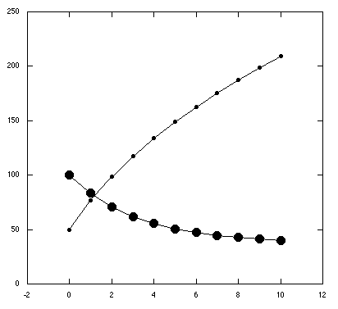
4 | 4 | 5 | 1 | Total | 15 | 5
5 | 9 | 10 | 10
6 | 20 | 22 | 3 |  |  |  |  | Annual recruitment = | 10
7 | 12 | 13 | 13 | Probabilities
8 | 34 | 40 | 4 |  | I | II |  | Vector | Vect T+1 | T+2 | T+3 | T+4 | T+5 | T+6 | T+7 | T+8 | T+9 | T+10
9 | 21 | 23 | 23 | I | 0.733 | 0.000 | All corals | 100 | 83 | 71 | 62 | 56 | 51 | 47 | 45 | 43 | 41 | 40
10 | 8 | 9 | 9 | II | 0.267 | 1.000 |  | 50 | 77 | 99 | 118 | 134 | 149 | 163 | 175 | 187 | 199 | 210
11 | 6 | 10 | 10
12 | 7 | 12 | 12 |  |  |  |  | Vector | Vect T+1 | T+2 | T+3 | T+4 | T+5 | T+6 | T+7 | T+8 | T+9 | T+10
13 | 5 | 7 | 7 | Frequency |  |  |  | 100 | Corals staying in class I
14 | 4 | 7 | 7 |  | I (< 10 cm) | II (≥ 10 cm) |  | 50 | Corals going to class II
15 | 5 | 8 | 8 | I | 11 | 3
16 | 2 | 3 | 3 | II | 4 | 3
17 | 4 | 5 | 5 | Dead | 0 | 0
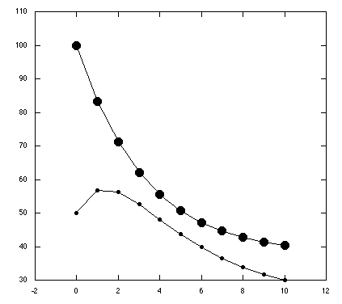
18 | 5 | 5 | 5 | Total | 15 | 5
19 | 6 | 7 | 7
20 | 9 | 10 | 10 |  |  |  |  | Annual recruitment = | 10
 |  |  |  | Probabilities
 |  |  |  |  | I | II |  | Vector | Vect T+1 | T+2 | T+3 | T+4 | T+5 | T+6 | T+7 | T+8 | T+9 | T+10
 |  |  |  | I | 0.733 | 0.600 |  | 100 | 113 | 121 | 128 | 135 | 142 | 149 | 156 | 163 | 170 | 177
 |  |  |  | II | 0.267 | 0.400 |  | 50 | 47 | 49 | 52 | 55 | 58 | 61 | 64 | 67 | 70 | 73

