제품이미지
연호전자 공식 홈페이지 제품 이미지

1. 10038WR-NN | 1 mm | Board to Board |  | 2. 10038WR-NNB | 1 mm | Board to Board
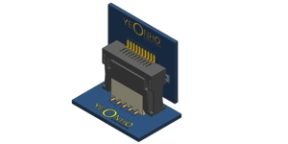 | Pins: 8, 16, 24, 28, 32 | 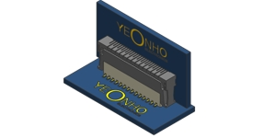 | Pins: 8, 16, 24, 28, 32

1. This Product is an Board to Board Connector 2. Product Height is 5.2mm , 13.2mm 3. The combination of this product Vertical 4. Enhanced mating operations 5. Mis-insertion preventive mechanism 6. Uses this connector in Reflow soldering |  | 1. This Product is an Board to Board Connector 2. Product Height is 6.0mm , 13.2mm 3. The combination of this product Vertical 4. Enhanced mating operations 5. Mis-insertion preventive mechanism 6. Uses this connector in Reflow soldering

3. 20030WS-NN | 2 mm | Board to Board |  | 4. 20045WS-NN | 2 mm | Board to Board
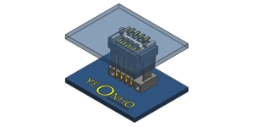 | Pins: 8, 10 | 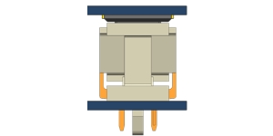 | Pins: 12, 30

1. This Product is an Board to Board Connector 2. Product Height is 14mm ~ 16.5mm 3. The combination of this product Vertical 4. Enhanced mating operations 5. Mis-insertion preventive mechanism 6. This product is a stick , emboss packing specification |  | 1. This Product is an Board to Board Connector 2. Product Height is 9.6mm 3. The combination of this product Vertical 4. Enhanced mating operations 5. Mis-insertion preventive mechanism 6. Models without packaging specifications are stick

5. 20077-HNNA | 2 mm | Board to Board |  | 6. BMW200-NN | 2 mm | Board to Board
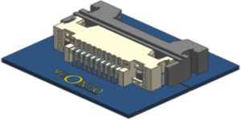 | Pins: 18 | 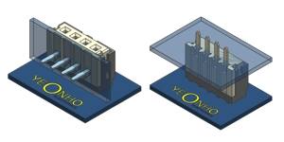 | Pins: 3, 4, 5, 6, 7, 8, 9, 10, 11, 12, 13, 14, 15, 16, 18

1. This Product is a Board to Board Connector 2. Product Height is 10.0mm 3. The combination of this product Horizontal 4. Enhanced mating operations 5. Mis-insertion preventive mechanism 6. Uses this connector in Wave soldering |  | 1. This Product is an Board to Board Connector 2. Product Height is 3.6mm , 6.5mm 3. The combination of this product Vertical , Horizontal 4. Enhanced mating operations 5. Mis-insertion preventive mechanism 6. This product is a stick packing specification

7. 25032HS-NN | 2.5 mm | Board to Board |  | 8. 25088-HNNA | 2.5 mm | Board to Board
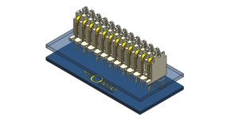 | Pins: 5, 6, 8, 9, 12, 13, 14, 15, 16, 18 | 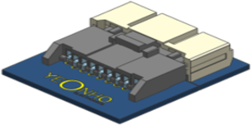 | Pins: 9

1. This Product is an Board to Board Connector 2. Product Height is view drawing 3. This Connector Type is Vertical 4. Uses this connector in Wave soldering 5. This Product is a Bulk Packing method |  | 1. This Product is a Board to Board Connector 2. Product Height is 8.8mm 3. The combination of this product Horizontal 4. Enhanced mating operations 5. Mis-insertion preventive mechanism 6. Uses this connector in Wave soldering

9. BMW250-NN | 2.5 mm | Board to Board |  | 10. 25442-HNNC | 2.54 mm | Board to Board
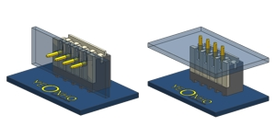 | Pins: 3, 4, 5, 6, 7, 8, 9, 10, 11, 12 | 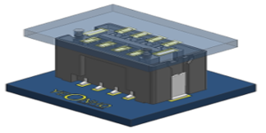 | Pins: 6, 8

1. This Product is an Board to Board Connector 2. Product Height is 4.6mm , 7.5mm 3. The combination of this product Vertical , Horizontal 4. Enhanced mating operations 5. Mis-insertion preventive mechanism 6. This Product is a Bulk Packing method |  | 1. This Product is a Board to Board Connector 2. Product Height is 9.7mm 3. The combination of this product Vertical 4. Enhanced mating operations 5. Mis-insertion preventive mechanism 6. Uses this connector in Reflow

11. 25442-NN | 2.54 mm | Board to Board |  | 12. 25442-NNB | 2.54 mm | Board to Board
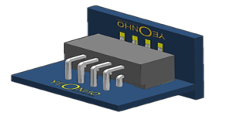 | Pins: 6, 8 | 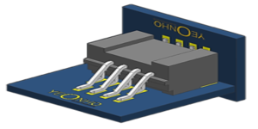 | Pins: 8

1. This Product is a Board to Board Connector 2. Product Height is 7.1mm 3. The combination of this product Vertical & Horizontal 4. Enhanced mating operations 5. Mis-insertion preventive mechanism 6. Uses this connector in Wave soldering and Reflow |  | 1. This Product is a Board to Board Connector 2. Product Height is 16.5mm 3. The combination of this product Vertical & Horizontal 4. Enhanced mating operations 5. Mis-insertion preventive mechanism 6. Uses this connector in Reflow

13. 05030WR-H16B1 | 0.5 mm | FFC/BOARD |  | 14. 05030WR-H16B3 | 0.5 mm | FFC/BOARD
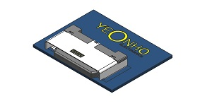 | Pins: 16 | 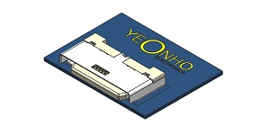 | Pins: 16

1. This Product is an FFC to Board Connector 2. Product Height is 2.25mm Connector 3. Bottom Contact and Horizontal mount type 4. It is part of the connector for high-speed transmission 5. Plug fastening structure to Housing |  | 1. This Product is an Plug to Board Connector 2. Product Height is 2.1mm Connector 3. Bottom Contact and Horizontal mount type 4. It is part of the connector for high-speed transmission 5. Plug fastening structure to Housing

15. 05030WR-H51B | 0.5 mm | FFC/BOARD |  | 16. 05030WR-HNNE | 0.5 mm | FFC/BOARD
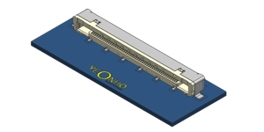 | Pins: 51 | 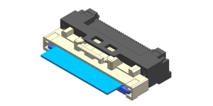 | Pins: 8, 12, 16, 22, 30, 40, 50

1. This Product is an FFC to Board Connector 2. Product Height is 3.75mm 3. Bottom Contact and Horizontal mount type 4. It is part of the connector for high-speed transmission 5. FFC fastening structure to Housing |  | 1. This Product is an FFC to Board Connector 2. Product Height is 5.15mm 3. Bottom Contact and Horizontal mount type 4. Uses standard 0.3mm thickness FFC/FPC 5. FFC fastening structure to Housing

17. 05034-HNNA | 0.5 mm | FFC/BOARD |  | 18. 05002HR-H24W | 0.5 mm | FFC/FPC
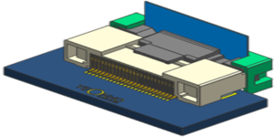 | Pins: 24 | 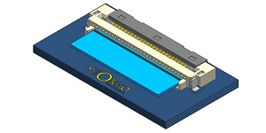 | Pins: 24

1. This Product is an FFC to Board Connector 2. Product Height is 5.05mm Connector 3. Bottom Contact and Horizontal mount type 4. Uses standard 0.3mm thickness FFC/FPC 5. FFC fastening structure to Housing 6. Uses this connector in Reflow |  | 1. This Product is an FFC/FPC Connector 2. Product Height is 1.7mm Connector 3. Bottom Contact and Horizontal mount type 4. Uses standard 0.3mm thickness FFC/FPC 5. Actuator Position is Back Flip Type 6. High FFC retention force Connector

19. 05002HR-HNNCE | 0.5 mm | FFC/FPC |  | 20. 05002HR-HNNG4 | 0.5 mm | FFC/FPC
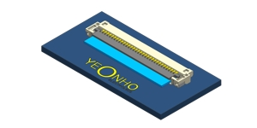 | Pins: 6, 8, 9, 10, 12, 14, 15, 18, 20, 24, 26, 30, 32, 34, 40, 45, 50, 60 | 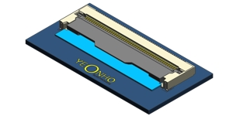 | Pins: 4, 6, 8, 10, 14, 15, 16, 20, 21, 22, 24, 30, 31, 32, 34, 36, 40, 41, 45, 46, 50, 51, 60, 68, 80, 96

1. This Product is an FFC/FPC Connector 2. Product Height is 1.3mm 3. Bottom Contact and Horizontal mount type 4. Uses standard 0.3mm thickness FFC/FPC 5. Actuator Position is Front Flip Type 6. High FFC retention force Connector |  | 1. This Product is an FFC/FPC Connector 2. Product Height is 2.2mm 3. Bottom Contact and Horizontal mount type 4. Uses standard 0.32mm thickness FFC/FPC 5. Actuator Position is Front Flip Type 6. High FFC retention force Connector

21. 05002HR-HNNG5 | 0.5 mm | FFC/FPC |  | 22. 05002HR-HNNJ05 | 0.5 mm | FFC/FPC
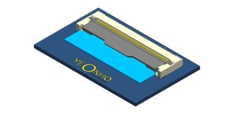 | Pins: 4, 6, 8, 10, 14, 15, 16, 20, 21, 22, 24, 30, 31, 32, 34, 36, 40, 41, 45, 46, 50, 60, 80, 96 | 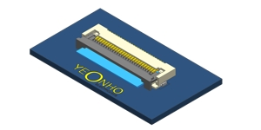 | Pins: 8, 10, 12, 14, 15, 16, 18, 20, 24, 26, 27, 30, 32, 33, 35, 36, 38, 40, 42, 45, 50, 52, 54, 55, 57, 60, 61

1. This Product is an FFC/FPC Connector 2. Product Height is 2.1mm 3. Bottom Contact and Horizontal mount type 4. Uses standard 0.30mm thickness FFC/FPC 5. Actuator Position is Front Flip Type 6. High FFC retention force Connector |  | 1. This Product is an FFC/FPC Connector 2. Product Height is 2.05mm 3. Bottom Contact and Horizontal mount type 4. Uses standard 0.3mm thickness FFC/FPC 5. Actuator Position is Front Flip Type 6. High FFC retention force Connector

23. 05002HR-HNNP | 0.5 mm | FFC/FPC |  | 24. 05002HR-HNNT6 | 0.5 mm | FFC/FPC
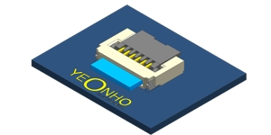 | Pins: 6, 9 | 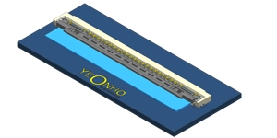 | Pins: 89

1. This Product is an FFC/FPC Connector 2. Product Height is 1.0mm 3. Top , Bottom Contact and Horizontal mount type 4. Uses standard 0.2mm thickness FFC/FPC 5. Actuator Position is Back Flip Type 6. High FFC retention force Connector |  | 1. This Product is an FFC/FPC Connector 2. Product Height is 1.5mm 3. Bottom Contact and Horizontal mount type 4. Uses Signal 0.3mm , Power 0.335mm thickness FFC/FPC 5. Actuator Position is Front Flip Type 6. High FFC retention force Connector

25. 05002HR-HNNVE | 0.5 mm | FFC/FPC |  | 26. 05002HR-NNN2 | 0.5 mm | FFC/FPC
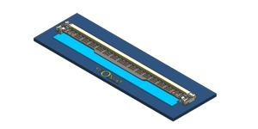 | Pins: 68, 96 | 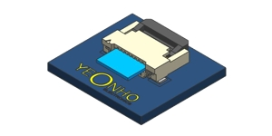 | Pins: 5, 6, 8, 10, 12, 14, 16, 18, 24, 26, 28, 30, 34, 36, 40, 45, 50

1. This Product is an FFC/FPC Connector 2. Product Height is 1.5mm 3. Bottom Contact and Horizontal mount type 4. Uses standard 0.33mm thickness FFC/FPC 5. Actuator Position is Front Flip Type 6. High FFC retention force Connector |  | 1. This Product is an FFC/FPC Connector 2. Product Height is 3.1mm 3. Bottom / Top Contact and Horizontal mount type 4. Uses standard 0.3mm thickness FFC/FPC 5. Actuator Position is Back Flip Type 6. High FFC retention force Connector

27. 05005HS-HNNJ1 | 0.5 mm | FFC/FPC |  | 28. 05005HS-HNNL | 0.5 mm | FFC/FPC
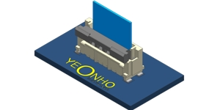 | Pins: 8, 9, 12, 14, 16, 18, 24, 30, 40, 45, 50, 60 | 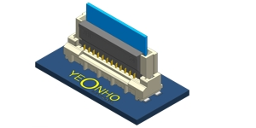 | Pins: 24

1. This Product is an FFC/FPC Connector 2. Product Height is 4.6mm 3. Bottom Contact and Vertical mount type 4. Uses standard 0.3mm thickness FFC/FPC 5. Actuator Position is Front Flip Type 6. High FFC retention force Connector |  | 1. This Product is an FFC/FPC Connector 2. Product Height is 7.45mm 3. Bottom Contact and Vertical mount type 4. Uses standard 0.32mm thickness FFC/FPC 5. Actuator Position is Front Flip Type 6. High FFC retention force Connector

29. 05010HR-HNNC | 0.5 mm | FFC/FPC |  | 30. 05033HR-HNN | 0.5 mm | FFC/FPC
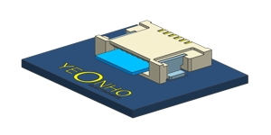 | Pins: 5, 6, 7, 10, 15, 16, 18, 20, 24 | 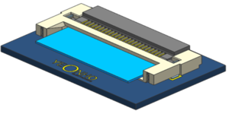 | Pins: 24, 30, 51, 96

1. This Product is an FFC/FPC Connector 2. Product Height is 1.2mm 3. Bottom Contact and Horizontal mount type 4. Uses standard 0.3mm thickness FFC/FPC 5. Product Non-Zif Type Connector 6. High FFC retention force Connector |  | 1. This Product is an FFC/FPC Connector 2. Product Height is 2.5mm Connector 3. Bottom Contact and Horizontal mount type 4. Uses standard 0.3mm thickness FFC/FPC 5. Actuator Position is Back Flip Type 6. High FFC retention force Connector

31. 05033HR-HNNB | 0.5 mm | FFC/FPC |  | 32. 05033HR-HNNC | 0.5 mm | FFC/FPC
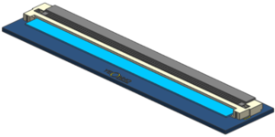 | Pins: 96 | 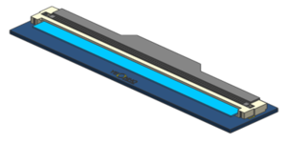 | Pins: 96

1. This Product is an FFC/FPC Connector 2. Product Height is 2.3mm Connector 3. Bottom Contact and Horizontal mount type 4. Uses standard 0.3mm thickness FFC/FPC 5. Actuator Position is Back Flip Type 6. High FFC retention force Connector |  | 1. This Product is an FFC/FPC Connector 2. Product Height is 2.3mm Connector 3. Bottom Contact and Horizontal mount type 4. Uses standard 0.3mm thickness FFC/FPC 5. Actuator Position is Back Flip Type 6. High FFC retention force Connector

33. 10003HR-NNL | 1 mm | FFC/FPC |  | 34. 10005HS-HNNJ1 | 1 mm | FFC/FPC
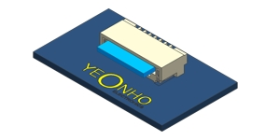 | Pins: 4, 5, 6, 7, 8, 11, 12, 13, 14, 15, 16, 17, 18, 20, 21, 22, 24, 26, 28, 30, 32 | 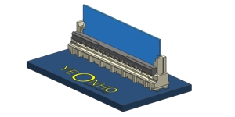 | Pins: 5, 14, 23, 25, 40

1. This Product is an FFC/FPC Connector 2. Product Height is 3.1mm 3. Bottom Contact and Horizontal mount type 4. Uses standard 0.3mm thickness FFC/FPC 5. Product Non-Zif Connector 6. High FFC retention force Connector |  | 1. This Product is an FFC/FPC Connector 2. Product Height is 7.5mm 3. Bottom Contact and Vertical mount type 4. Uses standard 0.3mm thickness FFC/FPC 5. Actuator Position is Front Flip Type 6. High FFC retention force Connector

35. 10008HR-NNL | 1 mm | FFC/FPC |  | 36. 10019HR-NN | 1 mm | FFC/FPC
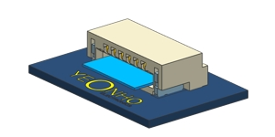 | Pins: 4, 5, 6, 7, 8, 9, 10, 11, 12, 13, 15, 16, 17, 18, 20, 22, 23, 25, 28, 30, 31, 38 | 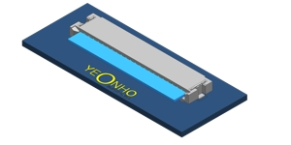 | Pins: 4, 5, 6, 7, 8, 9, 10, 11, 12, 13, 14, 15, 16, 17, 18, 20, 22

1. This Product is an FFC/FPC Connector 2. Product Height is 3.1mm 3. Bottom Contact and Horizontal mount type 4. Uses standard 0.3mm thickness FFC/FPC 5. Product Non-Zif Connector 6. High FFC retention force Connector |  | 1. This Product is an FFC/FPC Connector 2. Product Height is 2.0mm 3. Top/Bottom Contact and Horizontal mount type 4. Uses standard 0.3mm thickness FFC/FPC 5. Product Non-Zif Connector 6. High FFC retention force Connector

37. 10022HS-NNC | 1 mm | FFC/FPC |  | 38. 10031HR-HNNG | 1 mm | FFC/FPC
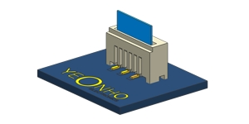 | Pins: 4, 5, 6, 7, 8, 9, 10, 11, 12, 13, 14, 15, 16, 17, 18, 19, 20, 21, 22, 23, 24, 25, 26, 27, 28, 30, 31, 35, 40 | 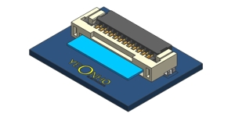 | Pins: 4, 5, 6, 8, 9, 10, 12, 13, 14, 15, 20, 23, 30

1. This Product is an FFC/FPC Connector 2. Product Height is 5.05mm 3. Bottom Contact and Vertical mount type 4. Uses standard 0.3mm thickness FFC/FPC 5. Product Non-Zif Connector 6. High FFC retention force Connector |  | 1. This Product is an FFC/FPC Connector 2. Product Height is 6.0mm 3. Bottom Contact and Horizontal mount type 4. Uses standard 0.3mm thickness FFC/FPC 5. Actuator Position is Back Flip Type 6. High FFC retention force Connector

39. 10033HR-HNNG5 | 1 mm | FFC/FPC |  | 40. FCZ100E-NNRSK | 1 mm | FFC/FPC
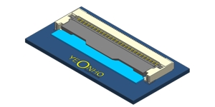 | Pins: 8, 10 | 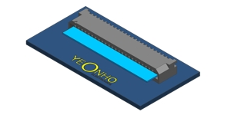 | Pins: 4, 5, 6, 7, 8, 9, 10, 11, 12, 13, 14, 15, 16, 17, 18, 19, 20, 21, 22, 23, 24, 25, 26, 27, 28, 29, 30, 31, 32, 35, 40

1. This Product is an FFC/FPC Connector 2. Product Height is 2.1mm 3. Bottom Contact and Horizontal mount type 4. Uses standard 0.3mm thickness FFC/FPC 5. Actuator Position is Front Flip Type 6. High FFC retention force Connector |  | 1. This Product is an FFC/FPC Connector 2. Product Height is 3.4mm 3. Bottom Contact and Horizontal mount type 4. Uses standard 0.3mm thickness FFC/FPC 5. Product Non-Zif Connector 6. High FFC retention force Connector

41. FCZ100E-NNSSK | 1 mm | FFC/FPC |  | 42. 12511HR-NNRSK | 1.25 mm | FFC/FPC
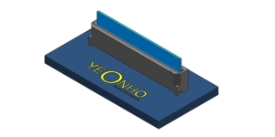 | Pins: 4, 5, 6, 7, 8, 9, 10, 11, 12, 13, 14, 15, 16, 17, 18, 19, 20, 21, 22, 23, 24, 25, 26, 27, 28, 29, 30, 31, 32, 35, 40 | 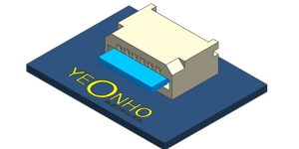 | Pins: 4, 5, 6, 7, 8, 9, 10, 11, 12, 13, 14, 15, 16, 17, 18, 19, 20, 21, 22, 23, 24, 25, 26, 27, 28, 29, 30, 31, 32, 33, 34, 35, 36, 37, 38, 39, 40

1. This Product is an FFC/FPC Connector 2. Product Height is 5.3mm 3. Bottom Contact and Vertical mount type 4. Uses standard 0.3mm thickness FFC/FPC 5. Product Non-Zif Connector 6. High FFC retention force Connector |  | 1. This Product is an FFC/FPC Connector 2. Product Height is 4.4mm 3. Bottom Contact and Horizontal mount type 4. Uses standard 0.3mm thickness FFC/FPC 5. Product Non-Zif Connector 6. High FFC retention force Connector

43. 12511HS-NNSSK | 1.25 mm | FFC/FPC |  | 44. 05008-H19 | 0.5 mm | I/O Connector
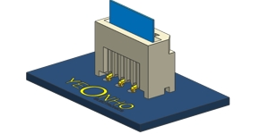 | Pins: 4, 5, 6, 7, 8, 9, 10, 11, 12, 13, 14, 15, 16, 17, 18, 19, 20, 21, 22, 23, 24, 25, 26, 27, 28, 29, 30, 31, 32, 33, 34, 35, 36, 37, 38, 39, 40 | 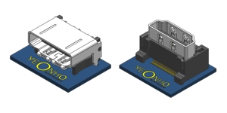 | Pins: 19

1. This Product is an FFC/FPC Connector 2. Product Height is 7.4mm 3. Bottom Contact and Vertical mount type 4. Uses standard 0.3mm thickness FFC/FPC 5. Product Non-Zif Connector 6. High FFC retention force Connector |  | 1. This Product is an I/O Connector 2. Product Height is 7.0mm(R/A) , 9.3mm(R/A) ,10.5mm(S/T) 3. This product is HDMI V1.4 , V2.1 version 4. This product has EMI shielding function 5. Relative Plug is an international standard 6. This product is halogen-free

45. 90001WR-H04E | 2 mm | I/O Connector |  | 46. 10035-HNND | 1 mm | Wire to Board
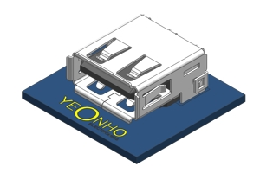 | Pins: 4 | 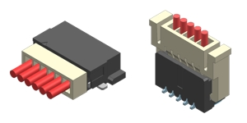 | Pins: 6, 10

1. This Product is an I/O Connector 2. Product Height is 6.8mm 3. This product is usb 2.0 version 4. Bottom Contact and Horizontal mount type 5. Metal shield for DIP mounting 6. This product is halogen-free |  | 1. This Product is an Wire to Board Connector 2. Product Height is 2.6mm , 7.35mm 3. This Connector Type is Vertical , Horizontal 4. Uses this connector in Reflow soldering

47. 12505-NN | 1.25 mm | Wire to Board |  | 48. 12507-HNNG | 1.25 mm | Wire to Board
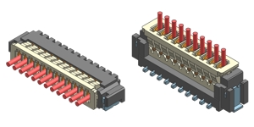 | Pins: 2, 3, 4, 5, 6, 7, 8, 9, 10, 11, 12, 13, 14, 15 | 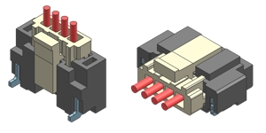 | Pins: 3, 4, 5, 6, 7, 8, 9, 10, 11, 12, 14, 15, 16, 18, 20

1. This Product is an Wire to Board Connector 2. Product Height is 3.55mm , 5.65mm 3. This Connector Type is Vertical , Horizontal 4. Uses this connector in Reflow soldering |  | 1. This Product is an Wire to Board Connector 2. Product Height is 4.1mm , 7.5mm 3. This Connector Type is Vertical , Horizontal 4. Uses this connector in Reflow soldering

49. 12512-NNB | 1.25 mm | Wire to Board |  | 50. 12513-NN | 1.25 mm | Wire to Board
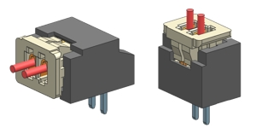 | Pins: 2, 3, 4, 5, 6, 7, 8, 9, 10, 11, 12, 13, 14, 15 | 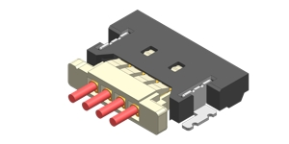 | Pins: 2, 3, 4, 5, 6, 8, 14

1. This Product is an Wire to Board Connector 2. Product Height is 3.55mm , 5.65mm 3. This Connector Type is Vertical , Horizontal 4. Uses this connector in Wave soldering 5. This Product is a Bulk Packing method |  | 1. This Product is an Wire to Board Connector 2. Product Height is 2.0mm 3. This Connector Type is Horizontal 4. Uses this connector in Reflow soldering

51. 15001-NNC | 1.5 mm | Wire to Board |  | 52. 20003WS-HNN | 2 mm | Wire to Board
 | Pins: 2, 3, 4, 5, 6, 7, 8, 9, 10, 12, 16 |  | Pins: 24, 26, 28

1. This Product is an Wire to Board Connector 2. Product Height is 3.85mm , 5.70mm 3. This Connector Type is Vertical , Horizontal 4. Uses this connector in Reflow soldering |  | 1. This Product is an Wire to Board Connector 2. Product Height is 14.5mm , 17.4mm , 19.9mm 3. This Connector Type is Vertical 4. Uses this connector in Reflow And Wave soldering 5. This product is a tray packing specification. (Type “C”)

53. 20010-NN | 2 mm | Wire to Board |  | 54. 20017-NN | 2 mm | Wire to Board
 | Pins: 2, 3, 4, 5, 6, 7, 8, 9, 10, 11, 12, 13, 14, 15 |  | Pins: 2, 3, 4, 5, 6, 7, 8, 9, 10, 11, 12, 13, 14, 15

1. This Product is an Wire to Board Connector 2. Product Height is 4.7mm , 7.8mm 3. This Connector Type is Vertical , Horizontal 4. Uses this connector in Wave soldering |  | 1. This Product is an Wire to Board Connector 2. Product Height is 4.6mm , 7.7mm 3. This Connector Type is Vertical , Horizontal 4. Uses this connector in Wave soldering 5. This Product is a Bulk Packing method

55. 20022-NN | 2 mm | Wire to Board |  | 56. 20037-HNN | 2 mm | Wire to Board
 | Pins: 2, 3, 4, 5, 6, 7, 8, 10, 11, 12, 13, 14, 15 |  | Pins: 2, 3, 4, 5, 6, 7, 8, 9, 10, 11, 12, 13, 14, 15

1. This Product is an Wire to Board Connector 2. Product Height is 5.85mm , 10.3mm 3. This Connector Type is Vertical , Horizontal 4. Uses this connector in Reflow soldering |  | 1. This Product is an Wire to Board Connector 2. Product Height is 6.8mm 3. This Connector Type is Horizontal 4. Uses this connector in Reflow soldering

57. 20071-HNNE1 | 2 mm | Wire to Board |  | 58. SMAW200-HNNS5K | 2 mm | Wire to Board
 | Pins: 2, 3, 4, 5, 6 |  | Pins: 10, 12, 14, 16, 18, 20, 22, 24, 26, 28, 34

1. This Product is an Wire to Board Connector 2. Product Height is 12.15mm , 6.8mm 3. This Connector Type is Vertical , Horizontal 4. Uses this connector in Reflow soldering |  | 1. This Product is an Wire to Board Connector 2. Product Height is 5.90mm , 11.40mm 3. This Connector Type is Vertical , Horizontal 4. Uses this connector in Wave soldering 5. This Product is a tray Packing Specification

59. SMAW200-NN | 2 mm | Wire to Board |  | 60. SMAW200-NNC | 2 mm | Wire to Board
 | Pins: 2, 3, 4, 5, 6, 7, 8, 9, 10, 11, 12, 13, 14, 15, 16 |  | Pins: 12, 14, 16, 20, 22, 24, 26, 28, 30, 32, 34, 40

1. This Product is an Wire to Board Connector 2. Look at the catalog drawings to see the height 3. This Connector Type is Vertical , Horizontal 4. Uses this connector in Wave soldering 5. Models without packaging specifications are stick |  | 1. This Product is an Wire to Board Connector 2. Product Height is 10.0mm 3. This Connector Type is Vertical , Horizontal 4. Uses this connector in Wave soldering 5. This product is a tray packing specification

61. SMW200-HNNG | 2 mm | Wire to Board |  | 62. SMW200-HNNQ | 2 mm | Wire to Board
 | Pins: 2, 3, 4, 5, 6, 7, 8, 9, 10, 11, 12, 13, 14, 15, 16 |  | Pins: 2, 3, 4, 5, 6, 7, 8, 9, 10, 11, 12, 13, 14, 15, 16

1. This Product is an Wire to Board Connector 2. Product Height is 10.0mm , 14.10mm 3. This Connector Type is Vertical 4. Uses this connector in Reflow soldering 5. The product is the G series integrated catalog |  | 1. This Product is an Wire to Board Connector 2. Product Height is 13.5mm 3. This Connector Type is Vertical 4. Uses this connector in Wave soldering 5. This Product is a Bulk Packing method

63. YDAW200-NN | 2 mm | Wire to Board |  | 64. 90010WR-42 | 2.2 mm | Wire to Board
 | Pins: 4, 6, 8, 10, 12, 14, 16, 18, 20, 22, 24, 26, 28, 30, 32 |  | Pins: 42

1. This Product is an Wire to Board Connector 2. Product Height is 5.35mm , 9.3mm 3. This Connector Type is Vertical , Horizontal 4. Uses this connector in Wave soldering 5. This Product is a stick Packing method |  | 1. This Product is an Wire to Board Connector 2. Product Height is 20.7mm 3. This Connector Type is Horizontal 4. Uses this connector in Wave soldering 5. This product is a tray packing specification

65. 25086-HNN | 2.5 mm | Wire to Board |  | 66. SMAW250-NN | 2.5 mm | Wire to Board
 | Pins: 4, 6 |  | Pins: 2, 4, 5, 8, 10, 12, 14, 16

1. This Product is a Wire to board Connector 2. Product Height is 10.0mm 3. This Connector Type is Vertical 4. Uses this connector in Wave soldering 5. This Product is a Emboss packing method 6. This product is applied to the automation process connector |  | 1. This Product is an Wire to Board Connector 2. Product Height is 12.5mm , 13.0mm , 23.2mm 3. This Connector Type is Vertical 4. Uses this connector in Wave soldering 5. This Product is a Bulk Packing method

67. SMAW250-NNS5 | 2.5 mm | Wire to Board |  | 68. SMAW250-NNV | 2.5 mm | Wire to Board
 | Pins: 8, 10, 12, 14, 16, 18, 20, 22, 24, 26, 30 |  | Pins: 10, 14, 16, 20, 24, 26, 28

1. This Product is an Wire to Board Connector 2. Product Height is 5.9mm 3. This Connector Type is Horizontal 4. Uses this connector in Wave Soldering 5. This product is a tray packing specification |  | 1. This Product is an Wire to Board Connector 2. Product Height is 11.34mm , 12.5mm 3. This Connector Type is Vertical , Horizontal 4. Uses this connector in Wave soldering 5. This Product is a Bulk Packing method

69. SMW250-H12W | 2.5 mm | Wire to Board |  | 70. SMW250-NNIS | 2.5 mm | Wire to Board
 | Pins: 12 |  | Pins: 4, 5, 6, 7, 8, 9, 10, 11, 12, 13, 14

1. This Product is an Wire to Board Connector 2. Product Height is 11.6mm 3. This Connector Type is Horizontal 4. Uses this connector in Wave soldering 5. This Product is a Bulk and Tray Packing method |  | 1. This Product is an Wire to Board Connector 2. Product Height is 13.7mm 3. This Connector Type is Vertical 4. Uses this connector in Wave soldering 5. This Product is a Bulk Packing method

71. YMAW025-NNR | 2.5 mm | Wire to Board |  | 72. 35001WR-NNL | 3.5 mm | Wire to Board
 | Pins: 12 |  | Pins: 2, 4

1. This Product is an Wire to Board Connector 2. Product Height is 4.9mm , 11.0mm 3. This Connector Type is Vertical , Horizontal 4. Uses this connector in Wave soldering 5. This Product is a Bulk Packing method |  | 1. This Product is an Wire to Board Connector 2. Product Height is 4.95mm 3. This Connector Type is Horizontal 4. Uses this connector in Reflow soldering

73. YH396-NNV | 3.96 mm | Wire to Board |  | 74. YW396-NNB | 3.96 mm | Wire to Board
 | Pins: 2, 3, 4, 5, 6, 7, 8, 9, 10, 11, 12, 13, 15 |  | Pins: 10, 11, 12

1. This Product is an Wire to Board Connector 2. Product Height is 10.5mm , 16.5mm ,23.7 3. This Connector Type is Vertical 4. Uses this connector in Wave soldering 5. This Product is a bulk and emboss Packing 6. The product is the YH396 series integrated catalog |  | 1. This Product is an Wire to Board Connector 2. Product Height is 16.1mm 3. This Connector Type is vertical 4. Uses this connector in wave soldering 5. This Product is a Bulk Packing method

75. YW396-NNB | 3.96 mm | Wire to Board |  | 76. YW500-NNC | 4 mm | Wire to Board
 | Pins: 10, 11, 12 |  | Pins: 4, 6

1. This Product is an Wire to Board Connector 2. Product Height is 16.1mm 3. This Connector Type is vertical 4. Uses this connector in wave soldering 5. This Product is a Bulk Packing method |  | 1. This Product is an Wire to Board Connector 2. Product Height is 22.5mm 3. This Connector Type is Vertical 4. Uses this connector in Wave soldering 5. This Product is a Bulk Packing method

77. SMAW420-NN | 4.2 mm | Wire to Board |  | 78. 50006WS-NN | 5 mm | Wire to Board
 | Pins: 2, 4, 6, 8, 10, 16, 20, 22 |  | Pins: 1, 2

1. This Product is an Wire to Board Connector 2. Product Height is 14.4mm , 23.4mm 3. This Connector Type is Vertical , Horizontal 4. Uses this connector in wave soldering 5. This Product is a Bulk Packing method |  | 1. This Product is an Wire to Board Connector 2. Product Height is 13.4mm 3. This Connector Type is Vertical 4. Uses this connector in Wave soldering

79. YW500-HNN | 5 mm | Wire to Board |  | 80. 55001-NN | 5.5 mm | Wire to Board
 | Pins: 2 |  | Pins: 2, 3, 4, 5

1. This Product is an Wire to Board Connector 2. Product Height is 4.35mm 3. This Connector Type is Vertical 4. Uses this connector in Reflow soldering |  | 1. This Product is an Wire to Board Connector 2. Product Height is 31.3mm 3. This Connector Type is Vertical 4. Uses this connector in Wave soldering 5. This Product is a Bulk Packing method

81. SMW600-NN | 6 mm | Wire to Board |  | 82. 65001WS-12 | 6.5 mm | Wire to Board
 | Pins: 3, 4 |  | Pins: 12

1. This Product is an Wire to Board Connector 2. This is the SMW600 series integrated catalog 3. Look at the drawing that heightens the product 4. This Connector Type is Vertical Look at the drawing 5. Uses this connector in Reflow soldering 6. This Product is a Bulk Packing method |  | 1. This Product is an Wire to Board Connector 2. Product Height is 24.9mm 3. This Connector Type is Vertical 4. Uses this connector in Wave soldering 5. This Product is a Bulk Packing method

83. 70001-04A | 7 mm | Wire to Board |  | 84. YDW236-NN | 8 mm | Wire to Board
 | Pins: 4 |  | Pins: 1, 2

1. This Product is an Wire to Board Connector 2. Product Height is 26.0mm 3. This Connector Type is Vertical 4. Uses this connector in Wave soldering 5. This Product is a Bulk Packing method |  | 1. This Product is an Wire to Board Connector 2. Product Height is 27.8mm 3. This Connector Type is Vertical 4. Uses this connector in pcb Hole Locking Type

85. YFW800-02B | 8 mm | Wire to Board |  | 86. 90011-H03D | 18 mm | Wire to Board
 | Pins: 2 |  | Pins: 3

1. This Product is an Wire to Board Connector 2. Product Height is 16.0mm 3. This Connector Type is Vertical 4. Uses this connector in Reflow soldering 5. This Product is a Bulk Packing method |  | 1. This Product is an Wire to Board Connector 2. Product Height is 5.8mm 3. This Connector Type is Horizontal 4. Uses this connector in Wave soldering 5. This product is a tray packing specification

87. SMH200-HNN | 2 mm | Wire to Wire |  | 88. SMH200-NN | 2 mm | Wire to Wire
 | Pins: 2, 3, 4, 5, 6, 7, 8, 9, 10, 11, 12, 13, 14, 15, 18 |  | Pins: 2, 3, 4, 5, 6, 7, 8, 9, 10, 11, 12, 13, 14, 15, 16

1. This Product is an Wire to Wire Connector 2. Product Height is 6.85mm , 18.0mm 3. Increase in Crimping Contact Fixation Force 4. Mis-insertion preventive mechanism |  | 1. This Product is an Wire to Wire Connector 2. Product Height is 6.7mm , 17.3mm 3. Increase in Crimping Contact Fixation Force 4. Mis-insertion preventive mechanism

89. 25045HP-NNA | 2.5 mm | Wire to Wire |  | 90. SMP250-NN | 2.5 mm | Wire to Wire
 | Pins: 6, 7, 8, 9, 10, 11, 12, 13, 14, 15 |  | Pins: 2, 3, 4, 5, 6, 7, 8, 9, 10, 11, 12, 13, 14, 15

1. This Product is an Wire to Wire Connector 2. Product Height is 8.0mm , 24.3mm 3. Increase in Crimping Contact Fixation Force 4. Mis-insertion preventive mechanism 5. This Product is a Bulk Packing method |  | 1. This Product is an Wire to Wire Connector 2. Product Height is 7.5mm , 22.5mm 3. Increase in Crimping Contact Fixation Force 4. Mis-insertion preventive mechanism

91. YH396-HNN | 3.96 mm | Wire to Wire
 | Pins: 2, 3, 4, 5, 6, 7, 8, 9, 11, 12, 13, 15

1. This Product is an Wire to Wire Connector 2. Product Height is 10.94mm , 31.5mm 3. Increase in Crimping Contact Fixation Force 4. Mis-insertion preventive mechanism

