迁移
多任务 |  | 1 | 2 | 3 | 4 | 5 | avg | 多任务-200 |  | 1 | 2 | 3 | 4 | 5 | avg
 | precision | 65.5 | 63.39 | 70.02 | 72.05 | 75.3 |  |  | precision | 64.78 | 63.05 | 64.73 | 70.49 | 67.23
abstract_by_wiki | recall | 71.14 | 67.59 | 69.79 | 76.23 | 70.86 |  | abstract_by_wiki | recall | 71.46 | 69 | 72.36 | 75.7 | 74.71
 | Fscore | 68.2 | 65.42 | 69.91 | 74.08 | 73.01 | 70.12 |  | Fscore | 67.95 | 65.89 | 68.33 | 73.01 | 70.77 | 69.19

 | precision | 75.82 | 69.38 | 74.61 | 71.48 | 71.39 |  |  | precision | 71.7 | 66.42 | 70.22 | 71.58 | 72.46
discuss_by_wiki | recall | 75.61 | 73.98 | 71.85 | 78.42 | 80.73 |  | discuss_by_wiki | recall | 72.74 | 76.25 | 72.27 | 76.86 | 74.46
 | Fscore | 75.72 | 71.6 | 73.21 | 74.79 | 75.77 | 74.218 |  | Fscore | 72.22 | 70.99 | 71.23 | 74.13 | 73.45 | 72.4

 | precision | 61.35 | 62.13 | 62.99 | 69.92 | 69.54 |  |  | precision | 65.11 | 63.24 | 66.2 | 63.65 | 68.18
result_by_wiki | recall | 74.74 | 83.11 | 79.31 | 76.23 | 79.37 |  | result_by_wiki | recall | 69.35 | 76.44 | 73.26 | 79.41 | 83.02
 | Fscore | 67.39 | 71.1 | 70.22 | 72.94 | 74.13 | 71.156 |  | Fscore | 67.16 | 69.22 | 69.55 | 70.66 | 74.87 | 70.29

 | precision | 76.76 | 77.2 | 76.64 | 73.9 | 71.61 |  |  | precision | 71.89 | 72.12 | 74.74 | 73.43 | 79.84
wiki_by_abstract | recall | 78.86 | 75.95 | 76.23 | 82.65 | 83.95 |  | wiki_by_abstract | recall | 82.26 | 80.41 | 77.3 | 83.05 | 74.83
 | Fscore | 77.8 | 76.57 | 76.43 | 78.03 | 77.29 | 77.22 |  | Fscore | 76.73 | 76.04 | 76 | 77.94 | 77.26 | 76.79

 | precision | 80.13 | 82.05 | 79.68 | 79.75 | 80.14 |  |  | precision | 80.95 | 77.16 | 78.4 | 77.62 | 79.4
wiki_by_discuss | recall | 80.5 | 76.89 | 79.52 | 80.12 | 78.07 |  | wiki_by_discuss | recall | 77.63 | 80.34 | 80.19 | 84.18 | 79.19
 | Fscore | 80.31 | 79.39 | 79.6 | 79.93 | 79.09 | 79.67 |  | Fscore | 79.25 | 78.72 | 79.28 | 80.77 | 79.3 | 79.46

 | precision | 77.07 | 77.52 | 76.72 | 79.19 | 75.42 |  |  | precision | 76.15 | 77.09 | 74.82 | 79.33 | 75.57
wiki_by_result | recall | 76.97 | 77.36 | 81.67 | 79.72 | 80.85 |  | wiki_by_result | recall | 81.21 | 76.62 | 83.41 | 77.33 | 78.27
 | Fscore | 77.02 | 77.44 | 79.12 | 79.46 | 78.04 | 78.22 |  | Fscore | 78.6 | 76.86 | 78.88 | 78.32 | 76.9 | 77.91

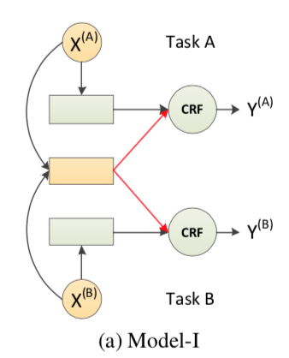
 |  |  |  |  |  |  | 75.1 |  |  |  |  |  |  |  | 74.34

对抗
多任务+200+gx+adv |  |  | 1 | 2 | 3 | 4 | 5 | avg | 仅利用共享表示分类-200 |  | 1 | 2 | 3 | 4 | 5 | avg
 |  | precision | 69.06 | 59.95 | 68.5 | 69.3 | 74.3 |  |  | precision | 65.91 | 78.1 | 70.45 | 71.88 | 73.77
abstract_by_wiki |  | recall | 66.77 | 71.45 | 71.37 | 76.7 | 70.5 |  | abstract_by_wiki | recall | 69.08 | 68.38 | 69.3 | 77.41 | 76.88
 |  | Fscore | 67.89 | 65.19 | 69.91 | 72.81 | 72.35 | 69.63 |  | Fscore | 67.46 | 72.92 | 69.87 | 74.54 | 75.29 | 72.02

 |  | precision | 73.53 | 68.63 | 74.22 | 72.04 | 71.47 |  |  | precision | 67.74 | 71.01 | 71.99 | 75.42 | 72.57
discuss_by_wiki |  | recall | 72.77 | 75.83 | 72.81 | 79.08 | 78.16 |  | discuss_by_wiki | recall | 81.88 | 75.51 | 74.24 | 75.69 | 79.54
 |  | Fscore | 73.15 | 72.05 | 73.51 | 75.39 | 74.67 | 73.75 |  | Fscore | 74.15 | 73.19 | 73.1 | 75.55 | 75.89 | 74.38

 |  | precision | 59.69 | 61.13 | 67.62 | 64.98 | 68.05 |  |  | precision | 62.52 | 59.51 | 67.64 | 63.63 | 64.85
result_by_wiki |  | recall | 82.02 | 79.11 | 73.64 | 80.42 | 79.77 |  | result_by_wiki | recall | 77.4 | 84.27 | 78.16 | 84.18 | 86.03
 |  | Fscore | 69.09 | 68.97 | 70.64 | 71.88 | 73.45 | 70.81 |  | Fscore | 69.17 | 69.76 | 72.52 | 72.48 | 73.95 | 71.58

 |  | precision | 71.08 | 74.81 | 73.51 | 74.97 | 73.17 |  |  | precision | 78.13 | 71.79 | 73.09 | 71.36 | 72.85
wiki_by_abstract |  | recall | 84.02 | 78.04 | 79.38 | 84.04 | 80.18 |  | wiki_by_abstract | recall | 77.36 | 78.58 | 79.18 | 85.64 | 80.45
 |  | Fscore | 77.01 | 76.39 | 76.33 | 79.25 | 76.81 | 77.16 |  | Fscore | 77.75 | 75.03 | 76.02 | 77.85 | 76.46 | 76.62

 |  | precision | 77.78 | 78.28 | 80.51 | 78.07 | 80.91 |  |  | precision | 78 | 77.09 | 77.9 | 76.97 | 77.65
wiki_by_discuss |  | recall | 82 | 81.08 | 77.7 | 83.31 | 78.67 |  | wiki_by_discuss | recall | 81.87 | 80.95 | 82.61 | 82.45 | 82.83
 |  | Fscore | 79.83 | 79.65 | 79.08 | 80.6 | 79.77 | 79.79 |  | Fscore | 79.89 | 78.97 | 80.18 | 79.61 | 80.15 | 79.76

 |  | precision | 76.83 | 77.25 | 78.96 | 75.69 | 75.18 |  |  | precision | 73.16 | 75.65 | 74.13 | 76.19 | 73.58
wiki_by_result |  | recall | 78.08 | 78.92 | 76.36 | 76.4 | 80.85 |  | wiki_by_result | recall | 82.32 | 82.09 | 84.08 | 81.72 | 81.31
 |  | Fscore | 77.45 | 78.07 | 77.64 | 76.04 | 77.91 | 77.42 |  | Fscore | 77.47 | 78.74 | 78.79 | 78.86 | 77.25 | 78.22

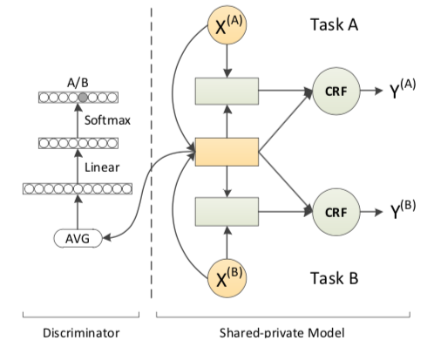
α=1 | α=1 |  |  |  |  |  |  | 74.76 |  |  |  |  |  |  |  | 75.43
β=0.01 | β=0.05
lr=1e-3 | lr=1e-3

