Signal Condition
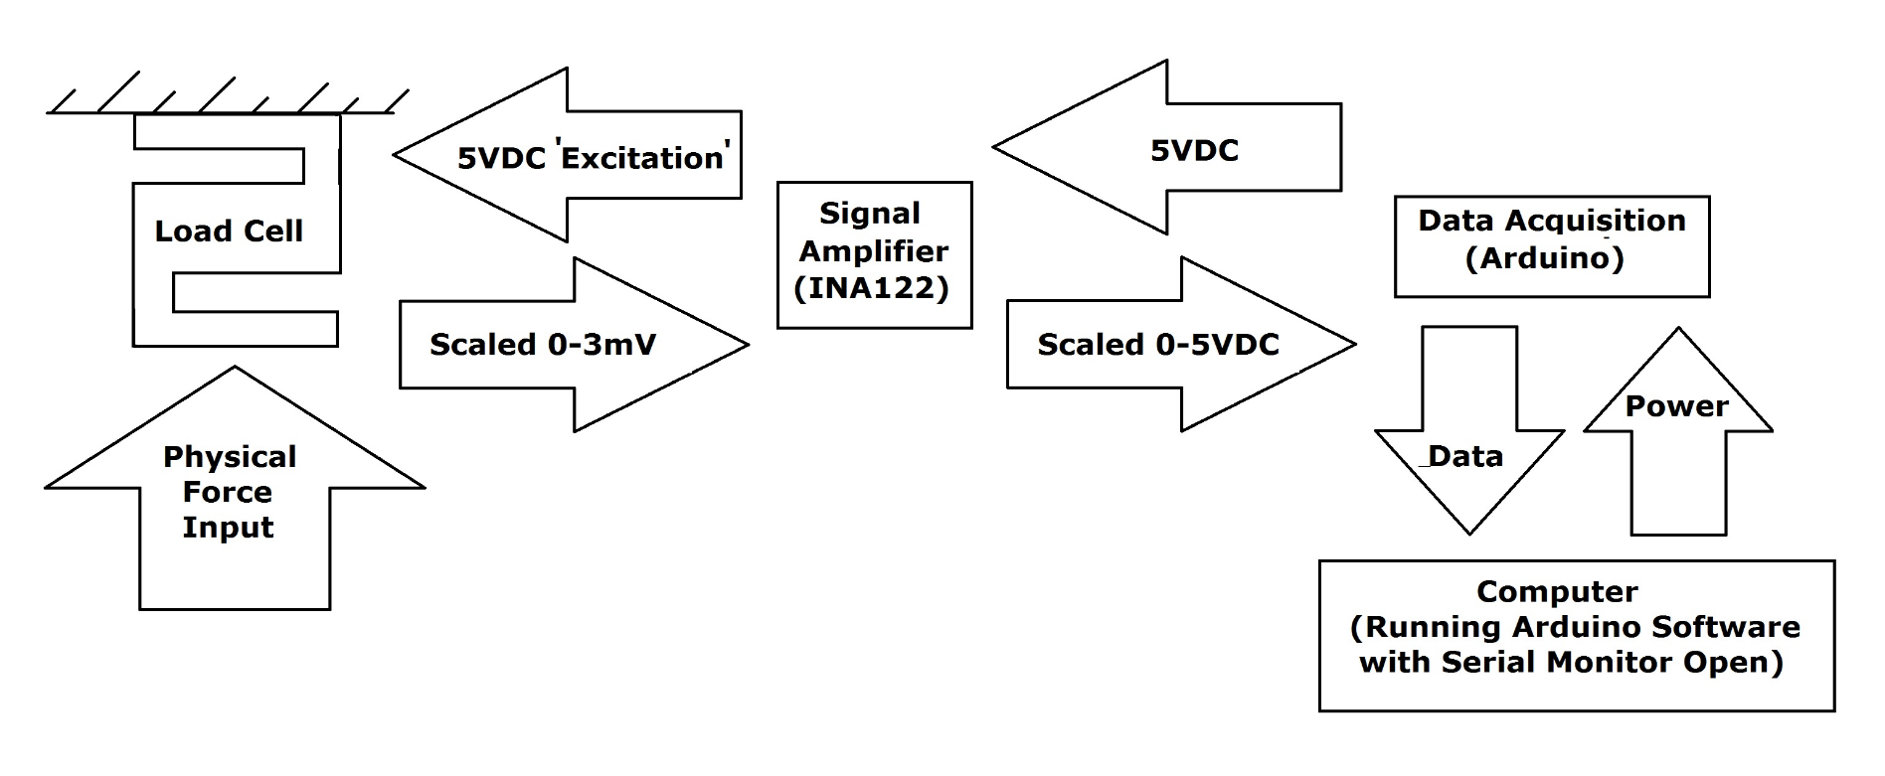
Input Variables Shown in Red

TestrBot Signal Conditioning Calculations Using the INA122

 |  | Excitation Voltage | 5 | V | (What goes into the loadcell. This is 5v because I use the arduio Vout to power the loadcell)
 |  | Voltage Output Range | 5 | V | (What leaves signal conditioner and goes into the arduino must also be 5V here. )
 |  | Loadcell Rating | 200 | lb
 |  | Data Acquisition System Resolution | 10 | Bit | (10 bit = 1024 discrete measurements)

 |  | Actual Trimpot Resistance RG | 609 | ohms | (Vary the resistance of the trimpot to get your desired gain.)
 |  | Gain | 333.4072 |  | For the INA122, Gain = 5 + 200kΩ/RG (This equation came from the INA122 Datasheet)

 |  | Loadcell Sensitivity | 2.9991 | mV | (This is listed on your loadcell)
 |  | Final Scale Factor | 40.00314 | lb/V | (This is the important result, it will be typed into the testrbot program to accurately scale the output of the loadcell. )

 |  | Maximum Measurable Force | 200.01568 | lb
 |  | Resultion of Data Acquisition System | 0.1953 | lbs | (This is the smallest force you can measure)

 | *Your gain should be set so that the maximum measurable force is equal to (but no greater than) your desired load capacity. If your gain is too low you will reach the physical capacity of your loadcell before you utilize the entire readible 5v signal, resultin gin a loss of resolution. **You can however 'cheat up your loadcell' by turning the gain higher than normal to reduce your maximum meaurable force in return for a greater measurement resolution. (You can only divide the signal into a set finite number of bits, so reducing the measurement range also reduces the smallest individual measurement you can make. ***The DPDT switch in the diagram is for changing between sensing compression or tension. To get the most resolution possible the system is wired to use the entire 5V sensing in just one direction. (You could send the loadcell 2.5V and the reading returned would be both tension & compression with half the resolution).

