BugReport
Evidence Id | Nama Fitur | Case Id | Bug Tittle | Bug Severity | Bug Priority | Description on Issue | Attachment Evidence Bug | Status | Date Found | Reporter | Fixed By
IR01 | Login | TC03 | Terdapat kesalahan pesan error yang tampil pada login page saat password tidak diisi | Low | Trivial | Terjadinya ketidaksesuaian antara hasil aktual dan hasil yang diharapkan pada saat pengguna melakukan proses login dengan mengisi username, tetapi membiarkan password dalam keadaan tidak terisi. Actual result: Sistem menampilkan pesan kesalahan "Epic sadface: Password is required", sehingga terdapat tambahan teks "Epic sadface:" yang tidak sesuai dengan spesifikasi atau desain requirement. Expected result: Sistem menampilkan pesan kesalahan "Password is required" ketika kolom password tidak diisi. Data test yang digunakan adalah Username: problem_user Password: {empty} |  | New | 2026-06-27 | Niqa | -
IR02 | Login | TC04 | Terdapat kesalahan pesan error yang tampil pada login page saat password tidak diisi | Low | Trivial | Terjadinya ketidaksesuaian antara hasil aktual dan hasil yang diharapkan pada saat pengguna melakukan proses login dengan mengisi username, tetapi membiarkan password dalam keadaan tidak terisi. Actual result: Sistem menampilkan pesan kesalahan "Epic sadface: Username is required" ketika kolom username tidak diisi dan pesan ditampilkan pada bawah password field. Expected result: Sistem menampilkan pesan kesalahan "Username is required" ketika kolom username tidak diisi dan pesan ditampilkan pada bawah username field. Data test yang digunakan adalah Username: {empty} Password: secret_sauce |  | New | 2026-06-27 | Niqa
IR03 | Login | TC05 | Sistem tidak menampilkan dua pesan validasi saat username dan password sama-sama kosong | Minor | Low | Terjadi ketidaksesuaian antara hasil aktual dan hasil yang diharapkan ketika pengguna mencoba login tanpa mengisi username dan password. Actual result: Sistem menampilkan pesan error "Epic sadface: Username is required" dan tidak menampilkan pesan "Password is required". Selain itu, pesan error yang muncul masih memiliki tambahan teks "Epic sadface:" yang tidak sesuai dengan spesifikasi. Expected result: Sistem seharusnya menampilkan dua pesan error, yaitu "Username is required" dan "Password is required". Data test: Username = {empty} Password = {empty} | 1 | New | 2026-06-27 | Niqa
IR04 | Login | TC06 | Terdapat ketidaksesuaian pada format pesan error saat username atau password tidak valid | Minor | Low | 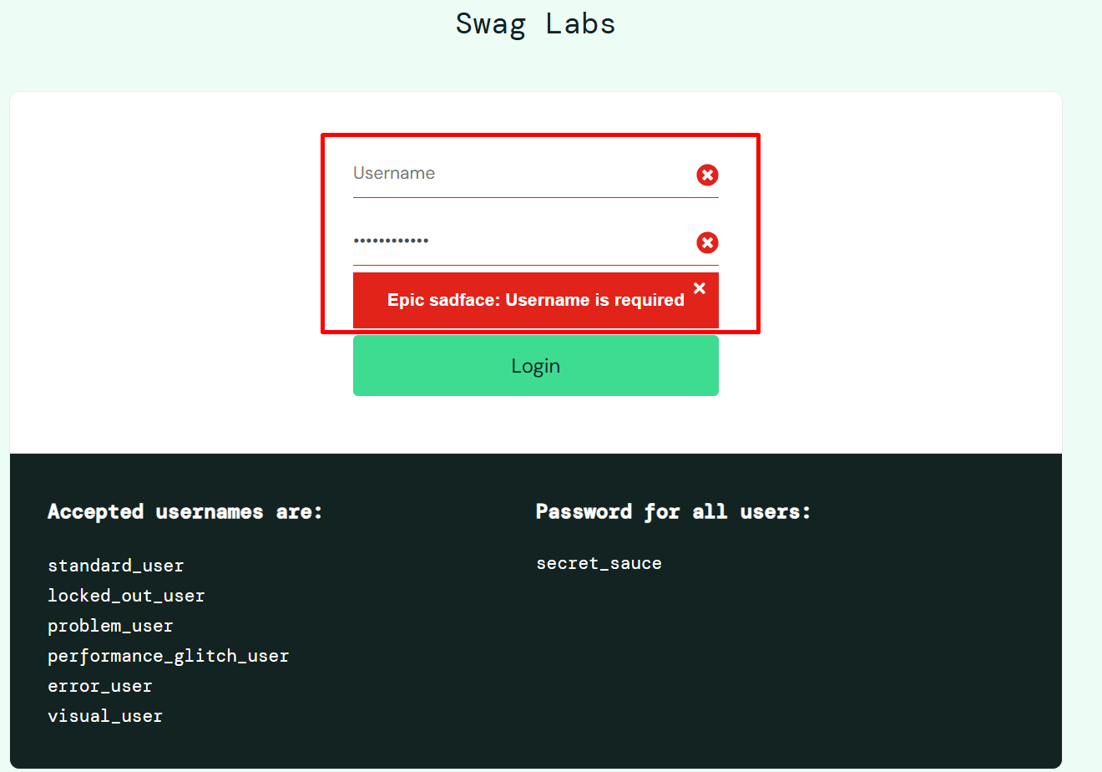 Terjadi ketidaksesuaian antara hasil aktual dan hasil yang diharapkan ketika pengguna melakukan login menggunakan kombinasi username dan password yang tidak valid. Actual Result: Sistem menampilkan pesan error "Epic sadface: Username and password do not match any user in this service", sehingga terdapat tambahan teks "Epic sadface:" yang tidak sesuai dengan spesifikasi. Halaman tetap berada pada halaman Login. Expected Result: Sistem hanya menampilkan pesan error "Username and password do not match any user in this service" tanpa tambahan teks lain, serta halaman tetap berada pada halaman Login. Data Test: Username: problem_user Password: secret | 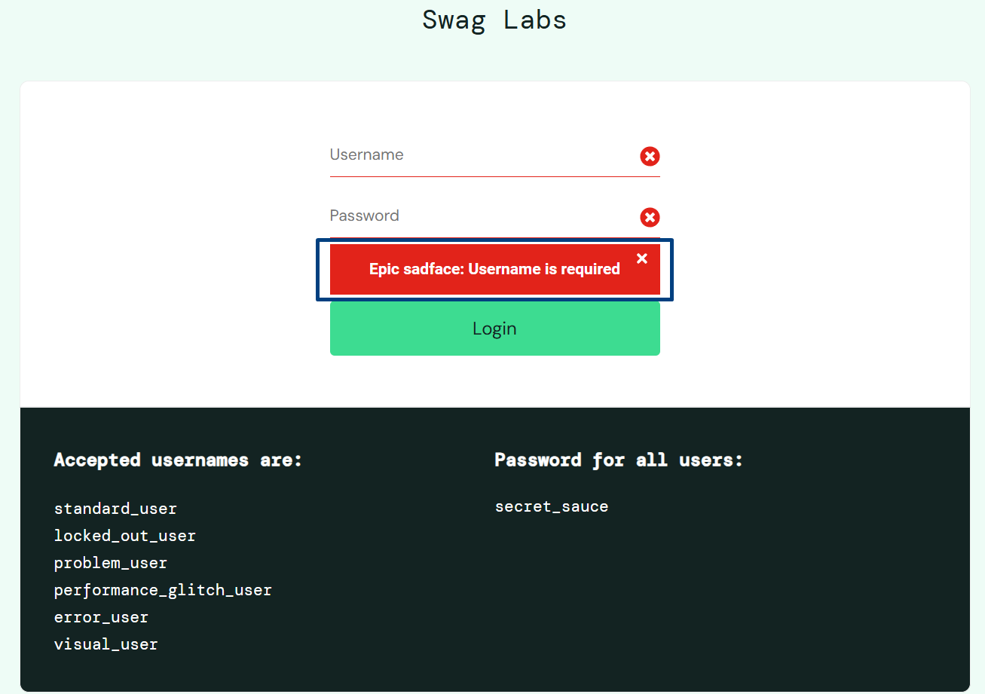 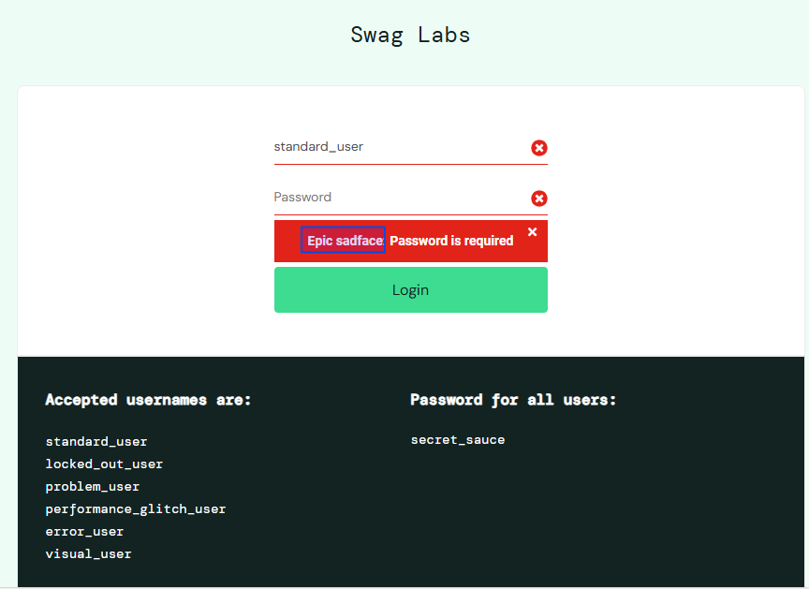 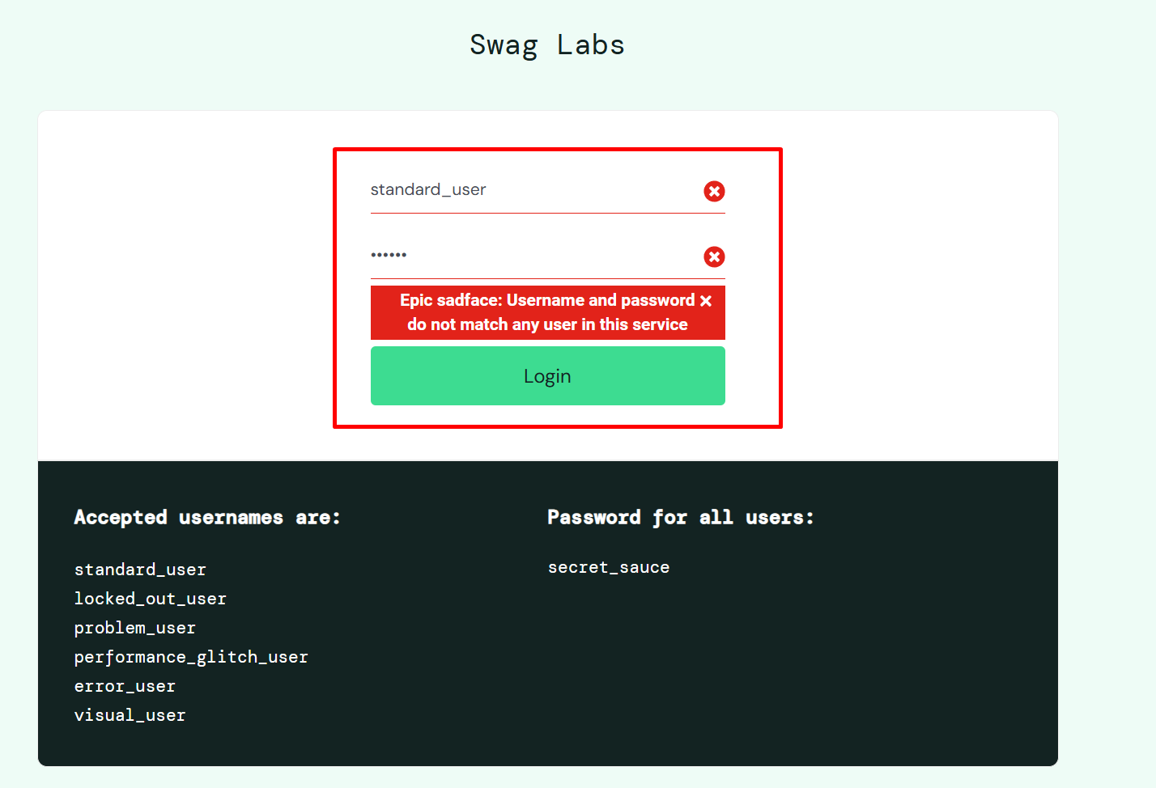 | New | 2026-06-27 | Niqa
IR05 | Login | TC07 | Terdapat ketidaksesuaian pada format pesan error saat kombinasi username dan password tidak valid | Minor | Low | Terjadi ketidaksesuaian antara hasil aktual dan hasil yang diharapkan ketika pengguna melakukan login menggunakan kombinasi username dan password yang tidak valid. Actual Result: Sistem menampilkan pesan error "Epic sadface: Username and password do not match any user in this service", sehingga terdapat tambahan teks "Epic sadface:" yang tidak sesuai dengan spesifikasi. Halaman tetap berada pada halaman Login. Expected Result: Sistem hanya menampilkan pesan error "Username and password do not match any user in this service" tanpa tambahan teks lain, serta halaman tetap berada pada halaman Login. Data Test: Username: standard Password: secret_sauce | 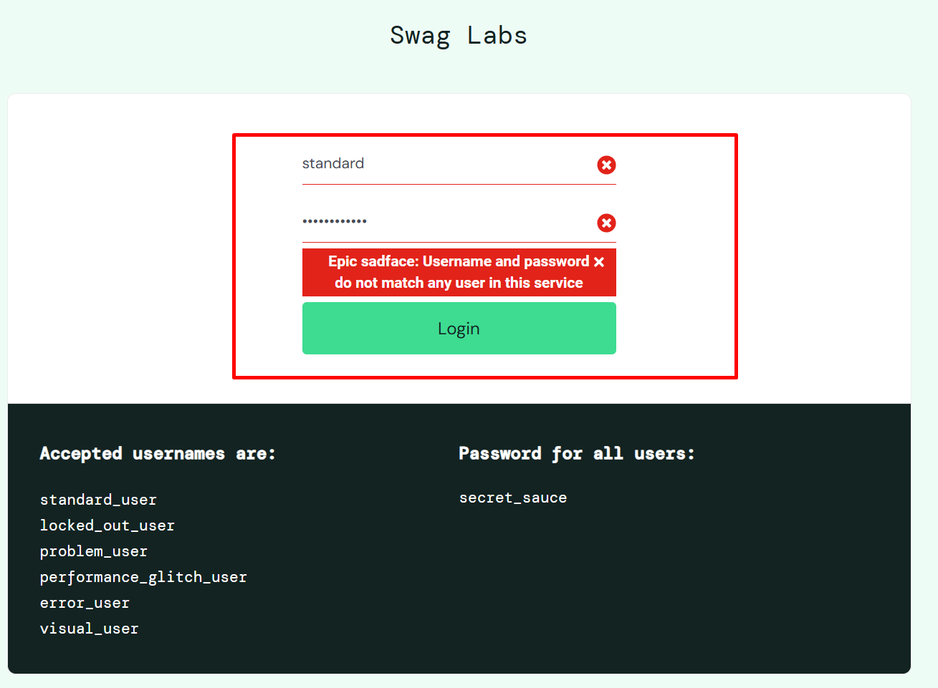 | New | 2026-06-27 | Niqa
IR06 | Dashboard | TC10 | Sebagian tombol Add to Cart tidak berfungsi pada halaman Dashboard | Major | High | 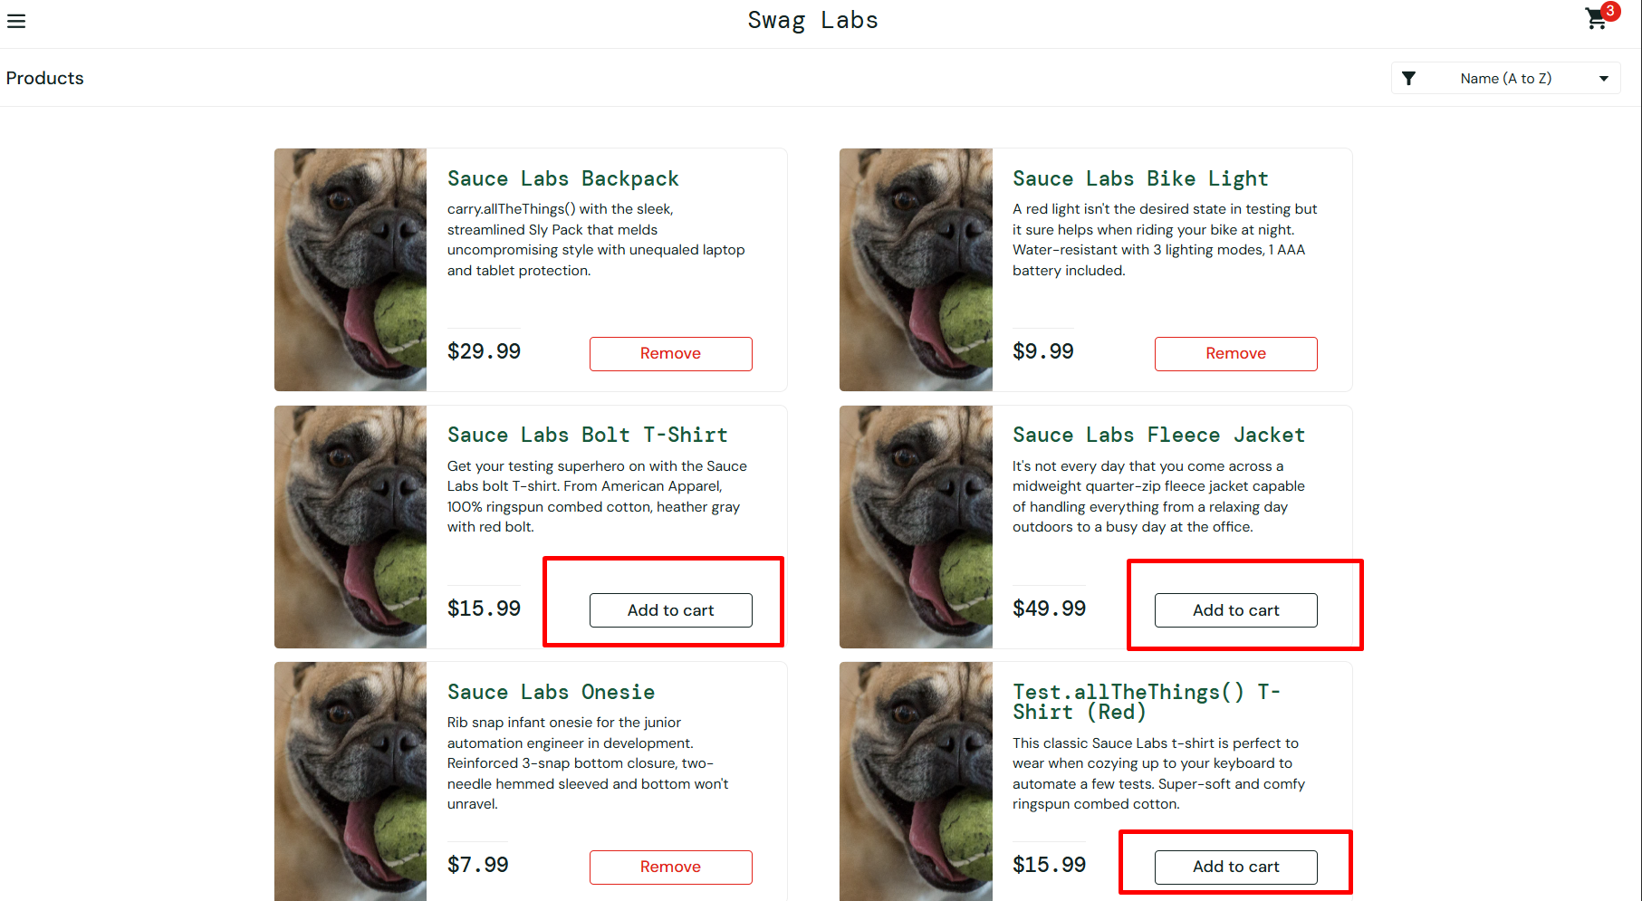 Terjadi ketidaksesuaian antara hasil aktual dan hasil yang diharapkan ketika pengguna menambahkan produk ke keranjang melalui tombol Add to Cart pada halaman Dashboard. Actual Result: Dari enam produk yang tersedia, hanya Sauce Labs Backpack, Sauce Labs Bike Light, dan Sauce Labs Onesie yang berhasil ditambahkan ke keranjang. Pada ketiga produk tersebut, tombol Add to Cart berubah menjadi Remove, serta jumlah produk pada ikon Cart bertambah sesuai jumlah produk yang berhasil ditambahkan. Sementara itu, tombol Add to Cart pada produk Sauce Labs Bolt T-Shirt, Sauce Labs Fleece Jacket, dan Test.allTheThings() T-Shirt (Red) tidak memberikan respons ketika diklik sehingga tombol tetap menampilkan Add to Cart dan produk tidak ditambahkan ke keranjang. Akibatnya, indikator jumlah produk pada ikon Cart hanya bertambah menjadi 3, padahal seluruh produk telah dicoba untuk ditambahkan. Expected Result: Setiap kali pengguna menekan tombol Add to Cart pada setiap produk, sistem menambahkan produk ke keranjang, mengubah tombol Add to Cart menjadi Remove, serta memperbarui jumlah produk pada ikon Cart sesuai jumlah produk yang berhasil ditambahkan. Data Test: Produc is 6 item 1. Name = Sauce Labs Backpack price = 29.99 2. Name = Sauce Labs Bike Light price = 9.99 3. Name = Sauce Labs Bolt T-Shirt price = 15.99 4. Name = Sauce Labs Fleece Jacket price = 49.99 5. Name = Sauce Labs Onesie price = 7.99 6. Name = Test.allTheThings() T-Shirt (Red) price = 15.99 |  | New | 2026-06-27 | Niqa
IR07 | Dashboard | TC17 | Tombol Remove tidak menghapus produk terakhir dari keranjang | Major | High | Terjadi ketidaksesuaian antara hasil aktual dan hasil yang diharapkan ketika pengguna menghapus seluruh produk yang telah berhasil ditambahkan ke keranjang. Actual Result: Setelah tombol Remove pada produk terakhir diklik, tombol tetap menampilkan Remove dan tidak berubah menjadi Add to Cart. Selain itu, indikator jumlah produk pada ikon Cart tetap menampilkan angka 3, meskipun seluruh produk seharusnya telah dihapus dari keranjang. Expected Result: Tombol Remove pada produk terakhir berubah menjadi Add to Cart, dan indikator jumlah produk pada ikon Cart menghilang karena tidak ada lagi produk yang tersimpan di dalam keranjang. Data Test: Produc is 6 item 1. Name = Sauce Labs Backpack price = 29.99 2. Name = Sauce Labs Bike Light price = 9.99 3. Name = Sauce Labs Bolt T-Shirt price = 15.99 4. Name = Sauce Labs Fleece Jacket price = 49.99 5. Name = Sauce Labs Onesie price = 7.99 6. Name = Test.allTheThings() T-Shirt (Red) price = 15.99 | 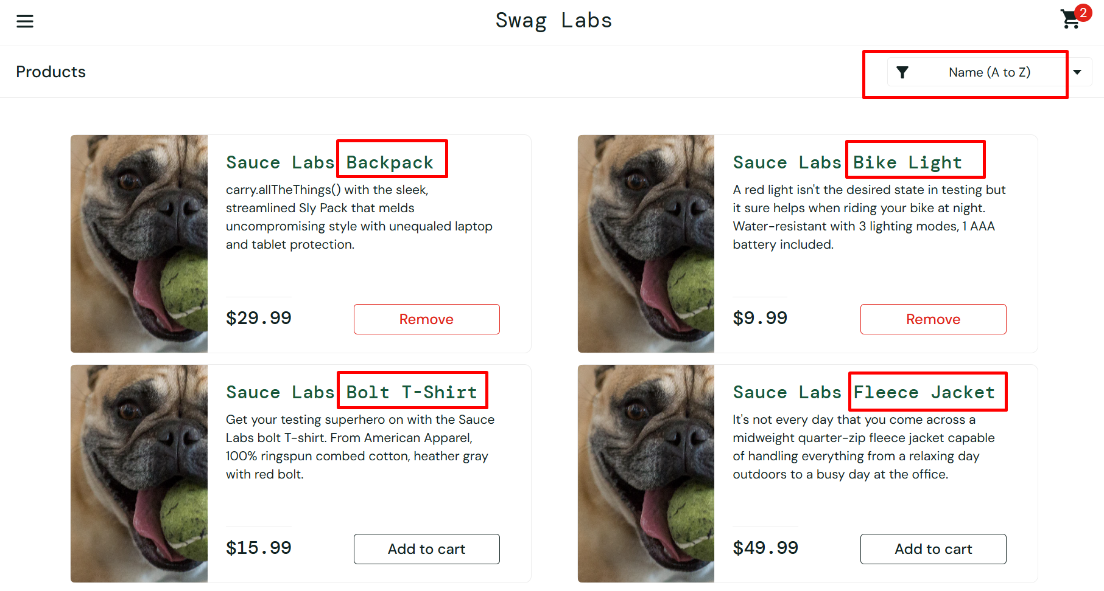 | New | 2026-06-27 | Niqa
IR08 | Dashboard | TC012 | Fitur filter Name (Z to A) tidak berfungsi sesuai spesifikasi | Minor | Low | Terjadi ketidaksesuaian antara hasil aktual dan hasil yang diharapkan ketika pengguna memilih filter Name (Z to A) pada halaman Dashboard. Actual Result: filter Name (Z to A) tidak bisa diklik membuat daftar produk tidak berubah urutannya dan tetap menampilkan produk dalam susunan default yaitu filter Name (A to Z), membuat proses pengurutan berdasarkan nama secara descending tidak berjalan. Expected Result: sistem menampilkan daftar produk yang telah diurutkan berdasarkan nama secara descending yaitu filter (Z to A) pada halaman Dashboard. Data Test: Produc is 6 item 1. Name = Sauce Labs Backpack price = 29.99 2. Name = Sauce Labs Bike Light price = 9.99 3. Name = Sauce Labs Bolt T-Shirt price = 15.99 4. Name = Sauce Labs Fleece Jacket price = 49.99 5. Name = Sauce Labs Onesie price = 7.99 6. Name = Test.allTheThings() T-Shirt (Red) price = 15.99 |  | New | 2026-06-27 | Niqa
IR09 | Dashboard | TC014 | Fitur filter Price (high to low) tidak berfungsi sesuai spesifikasi | Minor | Low | Terjadi ketidaksesuaian antara hasil aktual dan hasil yang diharapkan ketika pengguna memilih filter Price (high to low) pada halaman Dashboard. Actual Result: Price (high to low) tidak bisa diklik membuat daftar produk tidak berubah urutannya dan tetap menampilkan produk dalam susunan default yaitu filter Name (A to Z), membuat proses pengurutan berdasarkan harga dari tinggi ke rendah tidak berjalan. Expected Result: sistem menampilkan daftar produk yang telah diurutkan berdasarkan harga dari tinggi ke rendah pada halaman Dashboard. Data Test: Produc is 6 item 1. Name = Sauce Labs Backpack price = 29.99 2. Name = Sauce Labs Bike Light price = 9.99 3. Name = Sauce Labs Bolt T-Shirt price = 15.99 4. Name = Sauce Labs Fleece Jacket price = 49.99 5. Name = Sauce Labs Onesie price = 7.99 6. Name = Test.allTheThings() T-Shirt (Red) price = 15.99 |  | New | 2026-06-27 | Niqa
IR10 | Dashboard | TC16 | Tombol Remove tidak menghapus produk dari keranjang ketika masih terdapat produk lain di dalam keranjang | Major | High | Terjadi ketidaksesuaian antara hasil aktual dan hasil yang diharapkan ketika pengguna menghapus salah satu produk dari keranjang, sementara masih terdapat produk lain yang telah berhasil ditambahkan. Actual Result: Setelah tombol Remove pada salah satu produk diklik, tombol tetap menampilkan Remove dan tidak berubah menjadi Add to Cart. Selain itu, jumlah produk pada ikon Cart tetap menunjukkan 3 dan tidak berkurang sesuai jumlah produk yang seharusnya masih tersisa di keranjang. Expected Result: Tombol Remove pada produk yang dipilih berubah menjadi Add to Cart, sedangkan jumlah produk pada ikon Cart berkurang sesuai jumlah produk yang masih berada di dalam keranjang. Data Test: Produc is 6 item 1. Name = Sauce Labs Backpack price = 29.99 2. Name = Sauce Labs Bike Light price = 9.99 3. Name = Sauce Labs Bolt T-Shirt price = 15.99 4. Name = Sauce Labs Fleece Jacket price = 49.99 5. Name = Sauce Labs Onesie price = 7.99 6. Name = Test.allTheThings() T-Shirt (Red) price = 15.99 | 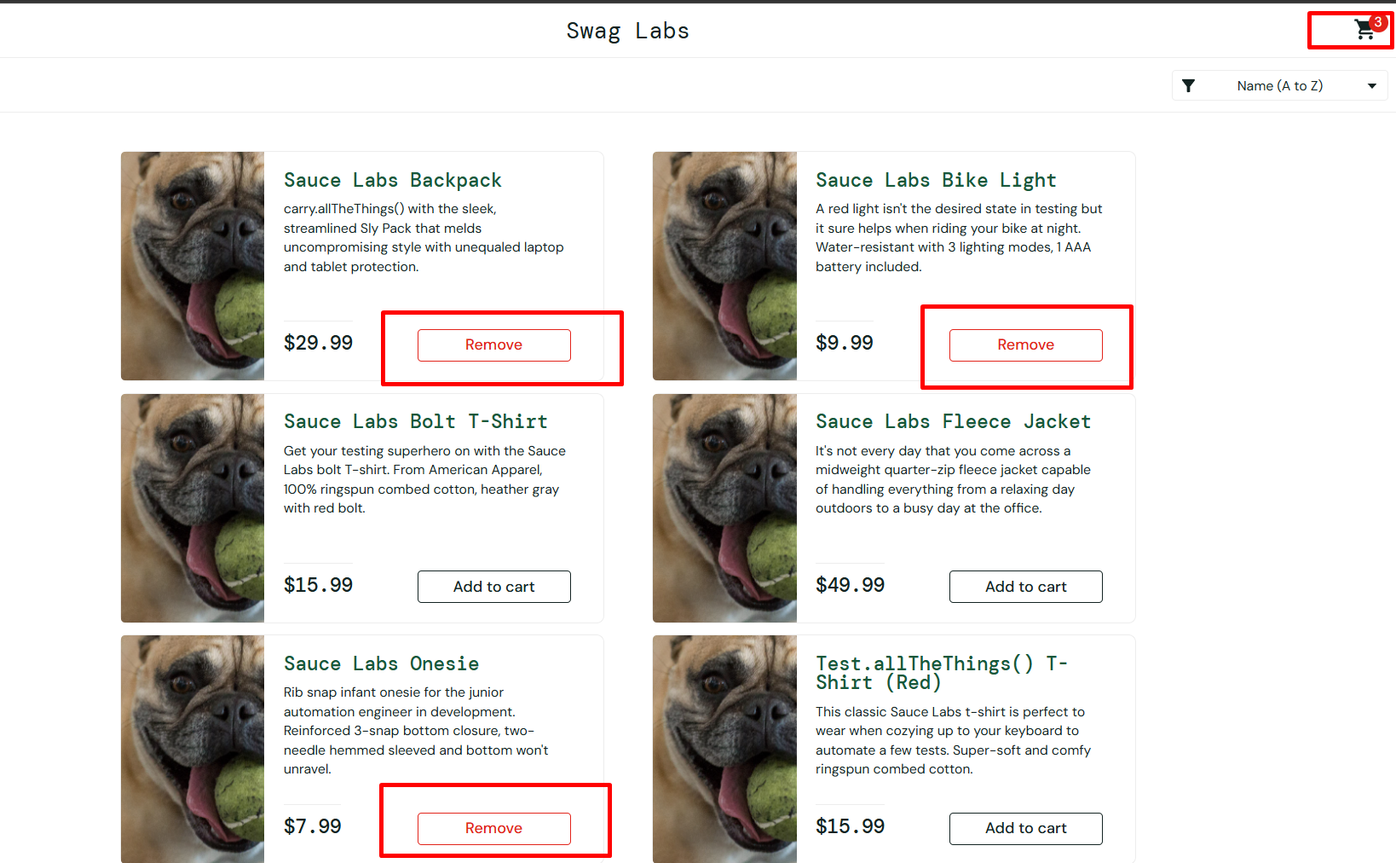 | New | 2026-06-27 | Niqa
IR11 | Dashboard | TC17 | Tombol Remove tidak menghapus produk terakhir dari keranjang | Major | High | Terjadi ketidaksesuaian antara hasil aktual dan hasil yang diharapkan ketika pengguna menghapus seluruh produk yang telah berhasil ditambahkan ke keranjang. Actual Result: Setelah tombol Remove pada produk terakhir diklik, tombol tetap menampilkan Remove dan tidak berubah menjadi Add to Cart. Selain itu, indikator jumlah produk pada ikon Cart tetap menampilkan angka 3, meskipun seluruh produk seharusnya telah dihapus dari keranjang. Expected Result: Tombol Remove pada produk terakhir berubah menjadi Add to Cart, dan indikator jumlah produk pada ikon Cart menghilang karena tidak ada lagi produk yang tersimpan di dalam keranjang. Data Test: Produc is 6 item 1. Name = Sauce Labs Backpack price = 29.99 2. Name = Sauce Labs Bike Light price = 9.99 3. Name = Sauce Labs Bolt T-Shirt price = 15.99 4. Name = Sauce Labs Fleece Jacket price = 49.99 5. Name = Sauce Labs Onesie price = 7.99 6. Name = Test.allTheThings() T-Shirt (Red) price = 15.99 |  | New | 2026-06-27 | Niqa
IR12 | Cart Page | TC26 | Sistem tetap menuju halaman checkout meskipun belum ada produk yang dipesan | Minor | High | Terjadi ketidaksesuaian pada alur checkout ketika pengguna mencoba melanjutkan proses tanpa memesan produk terlebih dahulu. Actual result: Setelah tombol Checkout pada cart page diklik sistem tetap menampilkan halaman Checkout: Your Information yang berisi field First Name, Last Name, dan Zip/Postal Code, serta tombol Cancel dan Continue. Expected result: sistem seharusnya tetap berada di halaman Cart dan menampilkan pesan error "No product item ordered, User must order minimum one product" karena belum ada produk yang dipilih. Data test: kondisi keranjang kosong / belum ada produk yang dipesan |  1 | New | 2026-06-27 | Niqa
IR13 | Checkout Page | TC28 | Proses checkout dengan data valid tidak dapat dilanjutkan ke halaman Checkout Overview | Critical | High | Terjadi ketidaksesuaian antara hasil aktual dan hasil yang diharapkan ketika pengguna melakukan proses checkout dengan mengisi seluruh informasi pelanggan menggunakan data yang valid. Actual Result: Setelah pengguna mengisi First Name, Last Name, dan Zip/Postal Code dengan data yang valid, sistem tidak menampilkan halaman Checkout Overview. Sebaliknya, sistem menampilkan pesan error "Error: Last Name is required" sehingga proses checkout tidak dapat dilanjutkan. Expected Result: Sistem menampilkan halaman Checkout Overview yang berisi seluruh produk yang telah dipesan, Payment Information, Shipping Information, serta informasi Price Total yang terdiri atas Item Total, Tax (8% dari Item Total), dan Total (Item Total + Tax). Data Test: First Name = Asri Last Name = Maspupah Zip/Postal Code = 40523. | 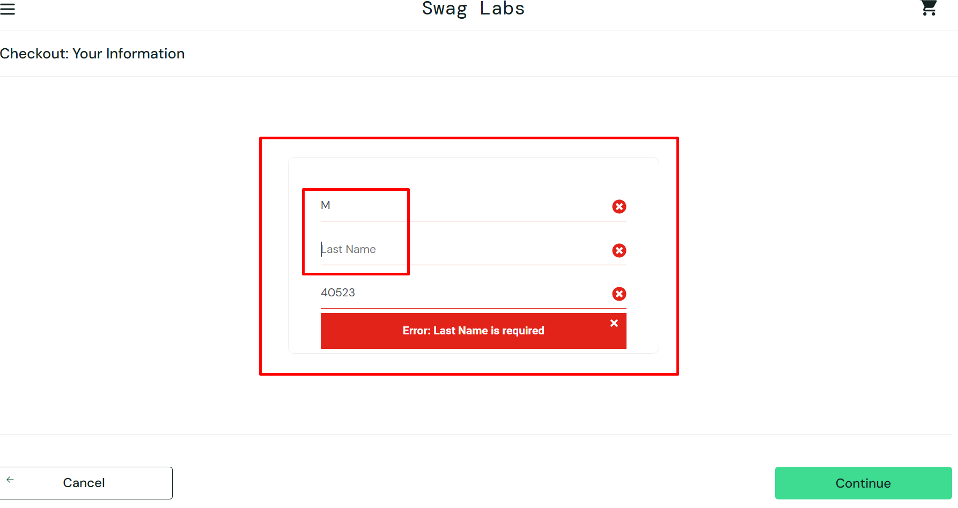 | New | 2026-06-27 | Niqa
IR14 | Checkout Overview Page | TC30 | Validasi kolom Last Name tidak ditampilkan sesuai spesifikasi | Minor | Low | Terjadi ketidaksesuaian antara hasil aktual dan hasil yang diharapkan ketika pengguna melakukan proses checkout tanpa mengisi kolom Last Name. Actual Result: Sistem menampilkan pesan error "Error: Last Name is required" yang berada di bawah kolom Zip/Postal Code. Selain itu, seluruh field (First Name, Last Name, dan Zip/Postal Code) ditampilkan dengan garis berwarna merah serta ikon silang (cross icon), padahal hanya kolom Last Name yang seharusnya divalidasi. Expected Result: Sistem hanya menampilkan pesan error "Last Name is required" di bawah kolom Last Name, halaman tetap berada pada halaman Checkout, serta hanya kolom Last Name yang ditandai dengan garis berwarna merah dan ikon silang. Data Test: First Name = "Asri" Last Name = {Empty} Zip/ Postal Code = "40523" | 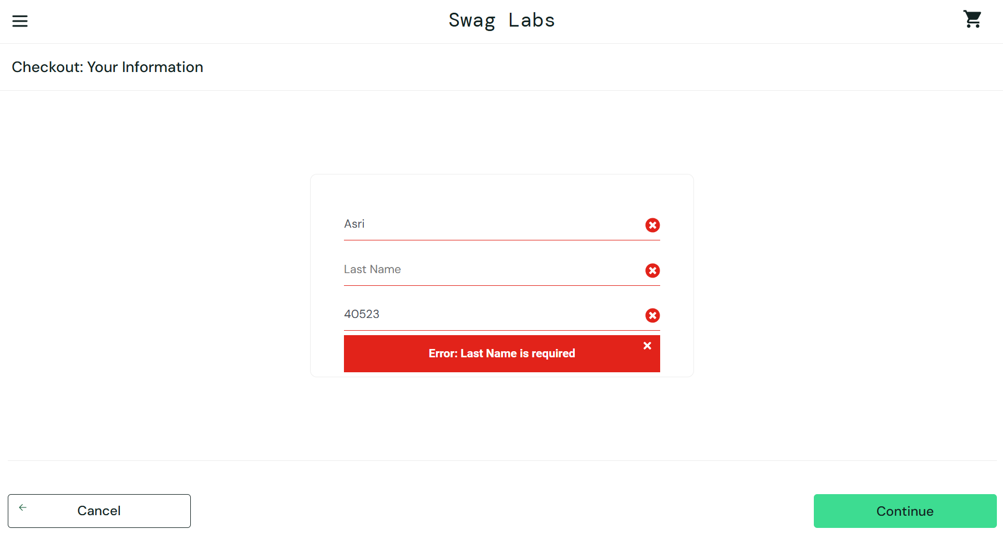 | New | 2026-06-27 | Niqa
IR15 | Checkout Page | TC31 | Validasi kolom Zip/Postal Code tidak ditampilkan sesuai spesifikasi | Minor | Low | Terjadi ketidaksesuaian antara hasil aktual dan hasil yang diharapkan ketika pengguna melakukan proses checkout tanpa mengisi kolom Zip/Postal Code, sedangkan kolom First Name dan Last Name telah diisi dengan data yang valid. Actual Result: Sistem menampilkan pesan error "Error: Last Name is required" yang ditampilkan di bawah kolom Zip/Postal Code. Selain itu, ketika pengguna mengetik karakter pada kolom Last Name, karakter tersebut secara otomatis mengisi kolom First Name, sedangkan kolom Last Name tetap kosong. Seluruh field (First Name, Last Name, dan Zip/Postal Code) juga ditampilkan dengan garis berwarna merah dan ikon silang (cross icon), padahal hanya kolom Zip/Postal Code yang seharusnya divalidasi. Expected Result: Sistem tetap berada pada halaman Checkout, hanya menampilkan pesan "Postal Code is required" di bawah kolom Zip/Postal Code, serta hanya kolom Zip/Postal Code yang ditandai dengan garis berwarna merah dan ikon silang. Data Test: First Name = Asri Last Name = Maspupah Zip/Postal Code = {Empty}. | 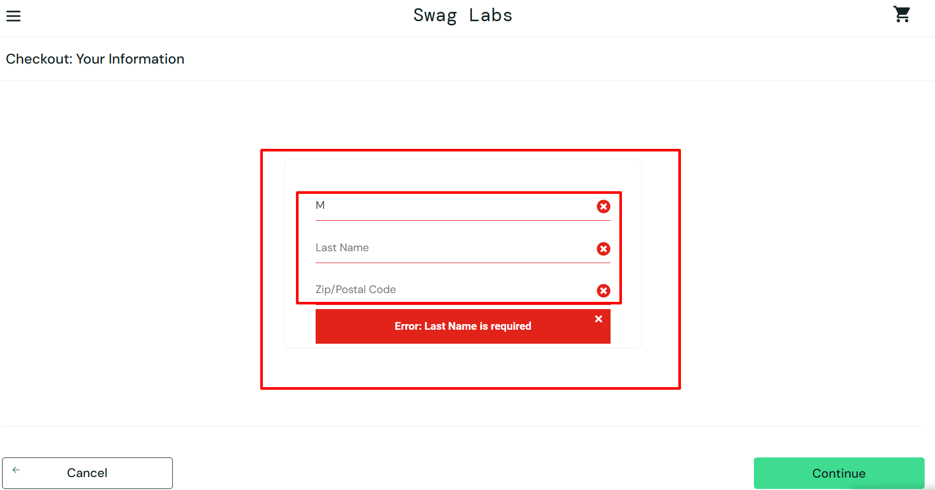 | New | 2026-06-27 | Niqa
IR16 | Checkout Overview Page | TC32 | Validasi form checkout saat seluruh field kosong tidak ditampilkan sesuai spesifikasi | Major | Medium | Terjadi ketidaksesuaian antara hasil aktual dan hasil yang diharapkan ketika pengguna melanjutkan proses checkout tanpa mengisi seluruh field informasi pelanggan. Actual Result: Seluruh field (First Name, Last Name, dan Zip/Postal Code) ditampilkan dengan garis berwarna merah serta ikon silang (cross icon). Namun, sistem hanya menampilkan satu pesan error, yaitu "Error: First Name is required", yang ditampilkan di bawah kolom Zip/Postal Code. Expected Result: Sistem tetap berada pada halaman Checkout, kemudian menampilkan tiga pesan validasi secara terpisah, yaitu "First Name is required" di bawah kolom First Name, "Last Name is required" di bawah kolom Last Name, dan "Postal Code is required" di bawah kolom Zip/Postal Code. Selain itu, hanya masing-masing field yang tidak valid yang ditandai dengan garis berwarna merah dan ikon silang. Data Test: First Name = {Empty} Last Name = {Empty} Zip/ Postal Code = {Empty} | 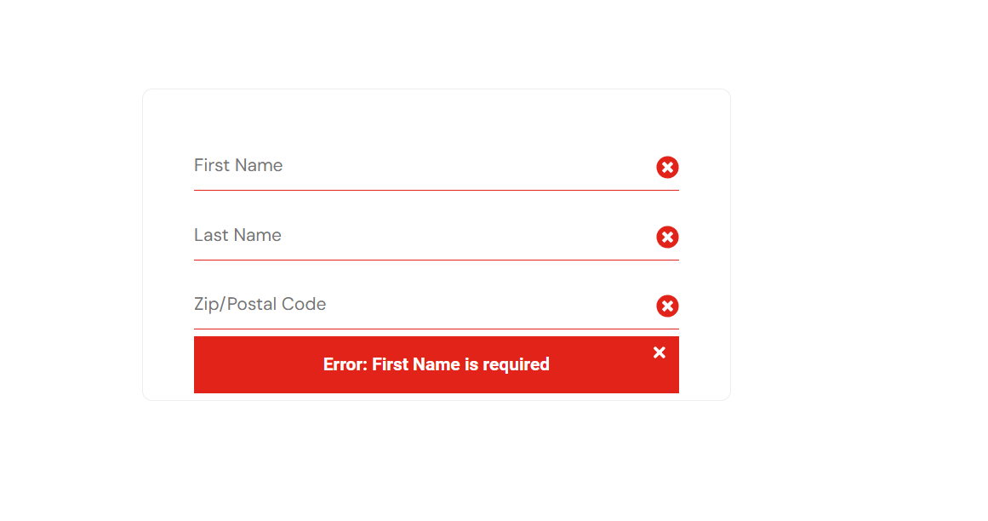 | New | 2026-06-27 | Niqa
IR17 | About Menu | TC40 | Menu About tidak mengarahkan pengguna ke halaman resmi Sauce Labs | Minor | Low | Terjadi ketidaksesuaian antara hasil aktual dan hasil yang diharapkan ketika pengguna memilih menu About pada aplikasi. Actual Result: Sistem mengarahkan pengguna ke halaman dengan URL https://saucelabs.com/error/404, sehingga halaman resmi Sauce Labs tidak dapat ditampilkan. Expected Result: Sistem mengarahkan pengguna ke halaman resmi Sauce Labs dengan URL https://saucelabs.com/. | 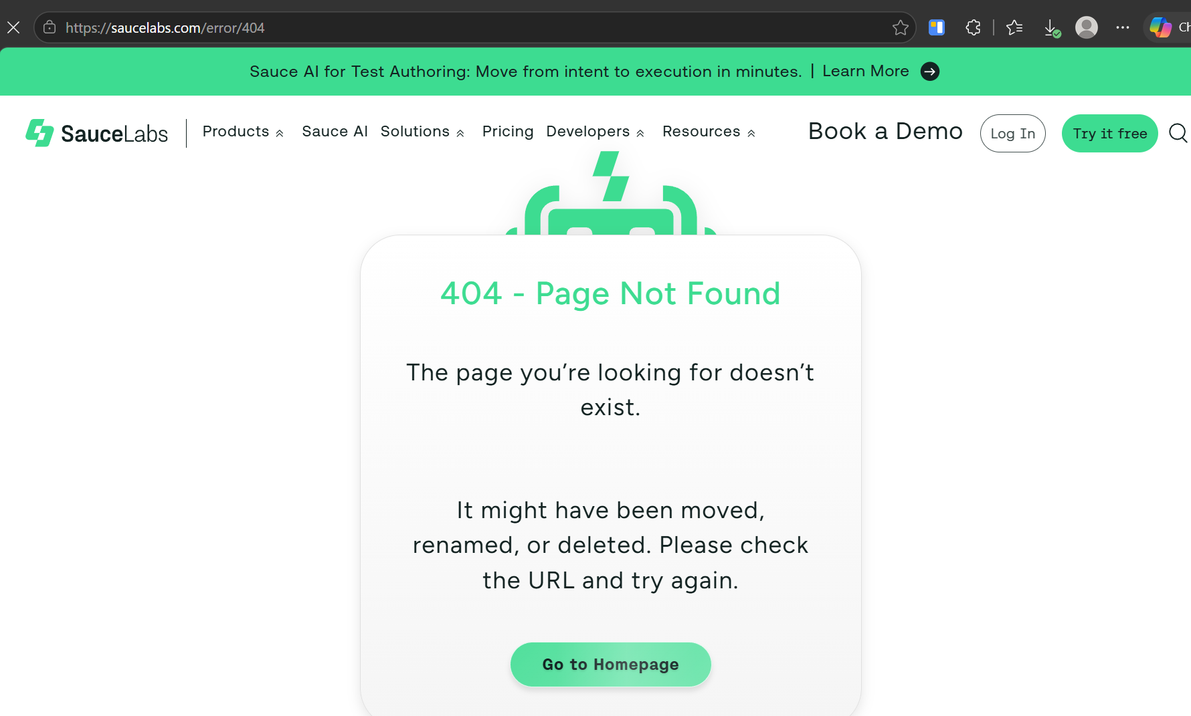 | New | 2026-06-27 | Niqa
IR18 | Reset App State | TC42 | Fitur Reset App State tidak mengembalikan status aplikasi ke kondisi awal | Critical | High | 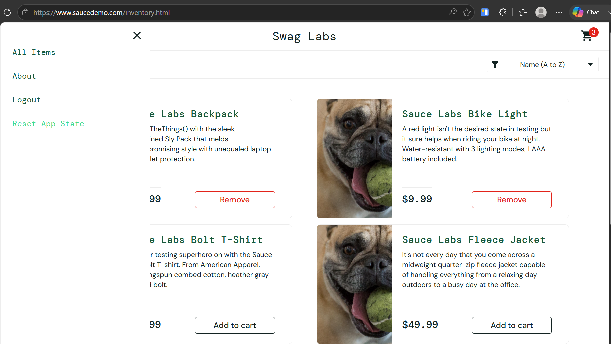 Terjadi ketidaksesuaian antara hasil aktual dan hasil yang diharapkan ketika pengguna memilih menu Reset App State. Actual Result: Sistem tidak melakukan perubahan terhadap status aplikasi. Produk yang sebelumnya telah ditambahkan ke keranjang tetap berada dalam kondisi ordered, jumlah produk pada ikon Cart tidak berubah, seluruh tombol produk tetap menampilkan Remove, dan filter produk tetap menggunakan opsi Price (Low to High). Expected Result: Sistem tetap berada pada halaman Dashboard, mengembalikan seluruh status aplikasi ke kondisi awal, yaitu seluruh produk tidak lagi berada di keranjang, indikator jumlah produk pada ikon Cart menghilang, seluruh tombol Remove berubah menjadi Add to cart, serta filter produk kembali menggunakan nilai default "Name (A to Z)". Data Test: Produc is 6 item 1. Name = Sauce Labs Backpack price = 29.99 2. Name = Sauce Labs Bike Light price = 9.99 3. Name = Sauce Labs Bolt T-Shirt price = 15.99 4. Name = Sauce Labs Fleece Jacket price = 49.99 5. Name = Sauce Labs Onesie price = 7.99 6. Name = Test.allTheThings() T-Shirt (Red) price = 15.99 |  | New | 2026-06-27 | Niqa

