Rules
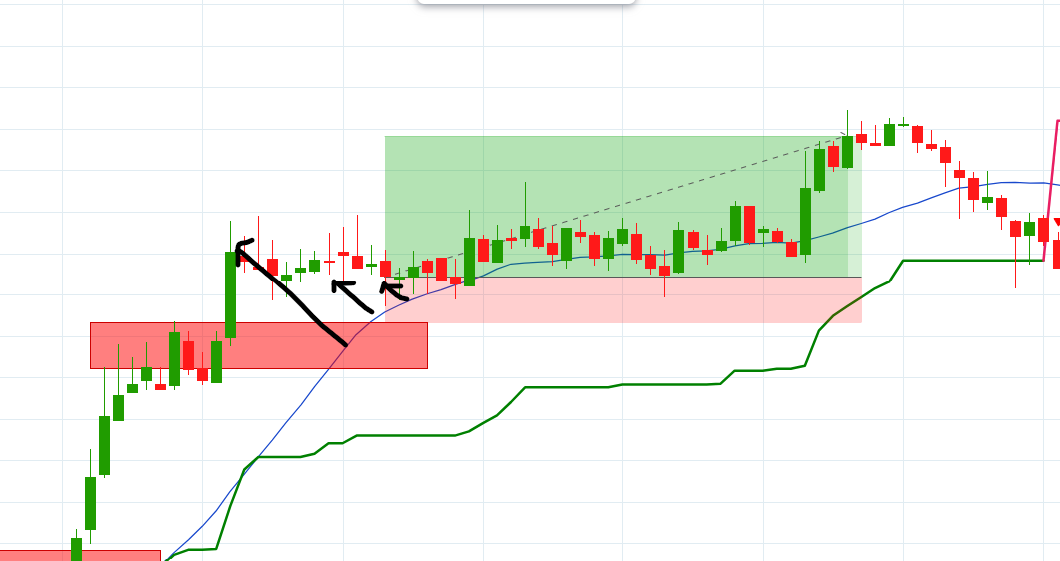
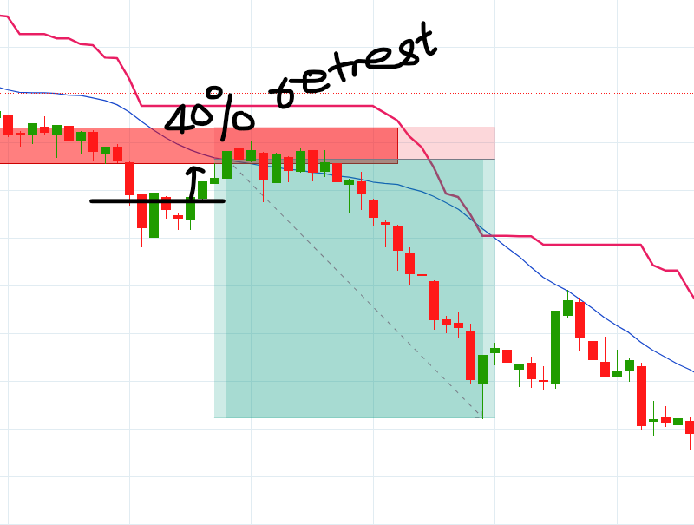
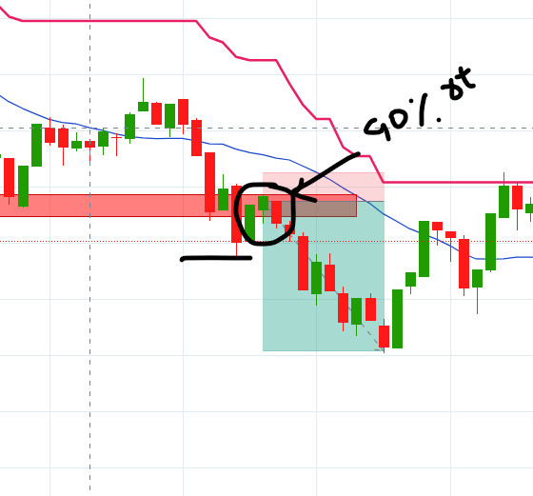
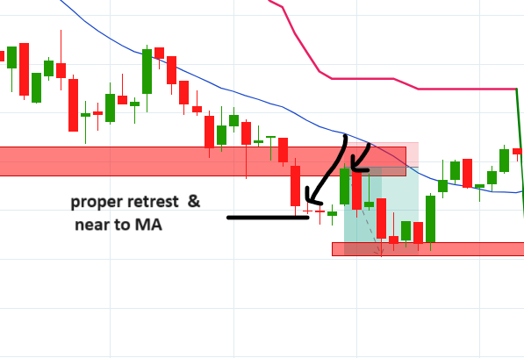
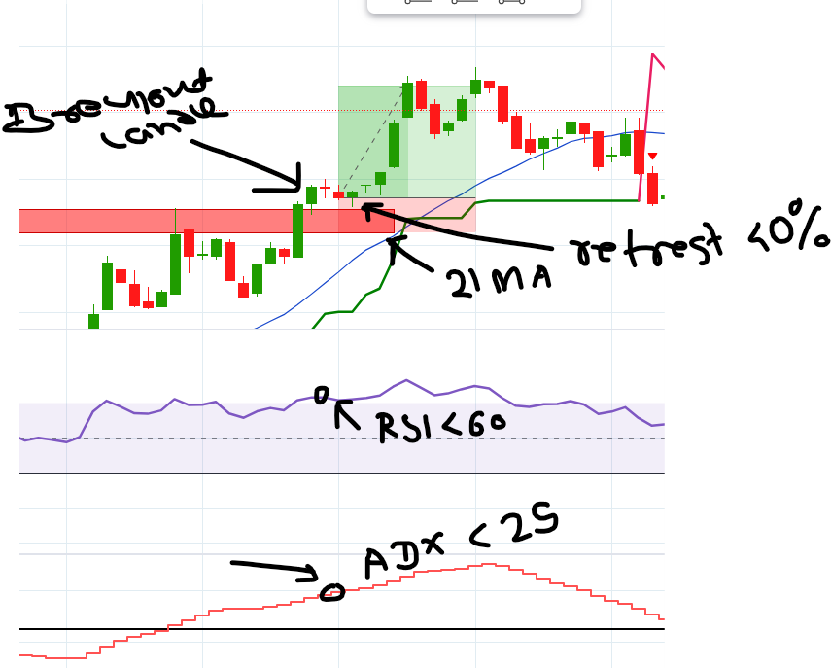
Sr. | Rules
1 | RSI range to buy 60 to 75
2 | RSI range to Sell 40 to 25
3 | ADX should above 25 to buy/sell
4 | Breakout Candle should be proper, half body should be out of breakout line
5 | Avoid to take 2nd trade btn 11 to 12:05
6 | Don’t take entry if entry candle is too away from the 21 MA
7 | If 21 MA is not near then wait to come candle near to 21 MA.
8 | If breakout candle is near to 21 MA then wait restrest at least 40% of the breakout candle.
9 | If target catched 20 points then, move SL to entry price or above entry price.
10 | Set SL 10 points. Max SL will be 15 points. Don't move SL.
11 | Achive target 30 points. Don't exit before Target/Sl hit.
12 | Don't take any random trade without following rules.

 | Indicator Setting :

 | RSI
 | Length : 38
 | Upper & Lower : 60-40

 | Supper Trend
 | Length : 10
 | Factor : 4

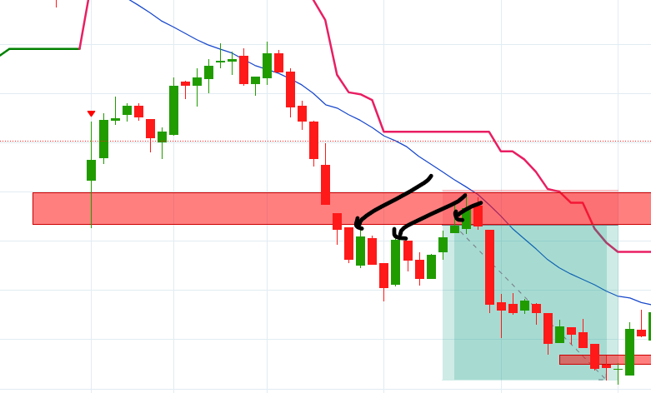
 | ADX
 | ADX: 14
 | DI: 14

 | MA
 | Length :21

ADX Rules
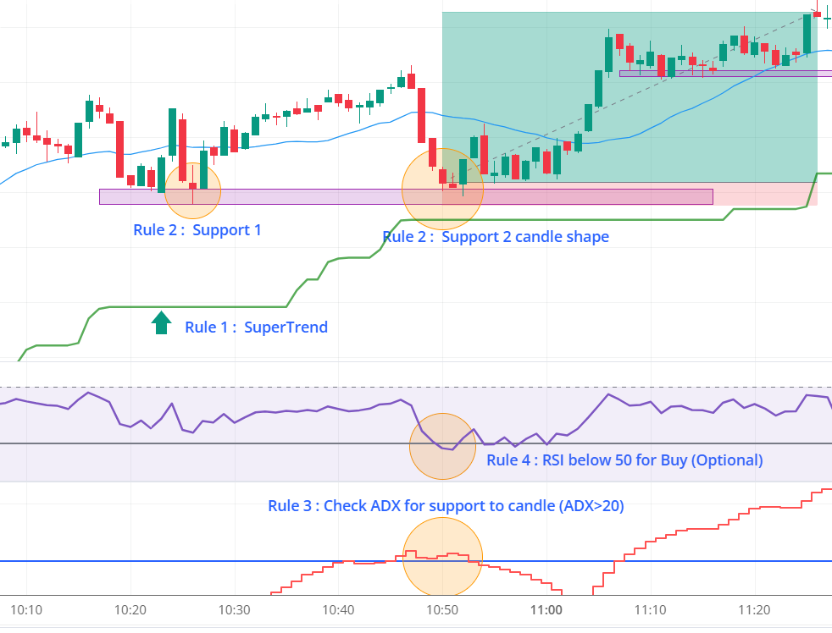
Sr. | Rules
1 | RSI retrestment to buy below 50 (optional)
2 | RSI retrestment to sell abpove 50 (optional)
3 | ADX should above 20 to buy/sell
4 | If 21 MA is not near then wait to come candle near to 21 MA.
5 | If target catched 20 points then, move SL to entry price or above entry price.
6 | Set SL 10 points. Max SL will be 15 points. Don't move SL.
7 | Achive target 30 points. Don't exit before Target/Sl hit.
8 | Don't take any random trade without following rules.

 | Indicator Setting :

 | RSI
 | Length : 38
 | Upper & Lower : 60-40

 | Supper Trend
 | Length : 10
 | Factor : 7

 | ADX
 | ADX: 14
 | DI: 14

 | MA
 | Length :21

