NIR

 | New Item Request

. Navigator > Tools > Setup and Maintenance
2. Search for the "Manage New Item Request Type Details" task

3. Enter the NIR Type Name and Description.

4. Enter the Number Generation detail: you can select:

- User Defined. Not restricted by sequence.

- Sequence Generated. Defined by sequence. You can enter prefix, sufix, starting number and increment number

- Rule Generated. Define your numbering rule with the rule generator, then you can assign to your NIR type in this option.

5. Enter the workflow details. Take into account the following rules on the NIR type workflow behavior:

- You can skip the request comment notification on phase Open.

- You can set Automatic Promotion Status in phases Open and Definition.

- The approval phase (sequence 30) can set the Automatic Demotion Status either on Definition, either on Open status

Ticket Priorities
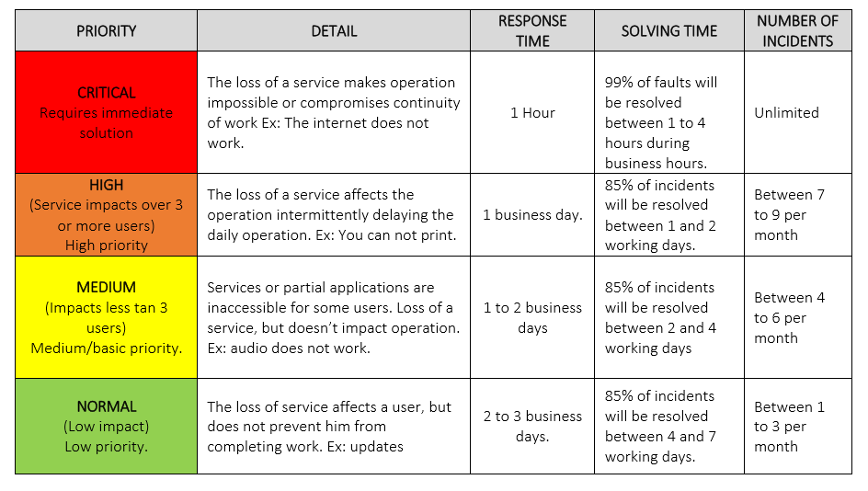
1. P1 – Critical (Priority 1):
Urgency: Immediate
Impact: Extensive/Widespread
Example: A critical system outage affecting all users.
Response: Immediate action is required. P1 incidents usually trigger an immediate response, often involving a dedicated incident response team, and may require continuous work until resolved.
2. P2 – High (Priority 2):
Urgency: High
Impact: Significant/Large
Example: A major system function is impaired, affecting many users but not completely down.
Response: These are addressed promptly but do not require round-the-clock effort like P1 incidents.
3. P3 – Moderate (Priority 3):
Urgency: Moderate
Impact: Moderate/Limited
Example: An issue affecting a small group of users or minor system functionality, not stopping critical operations.
Response: These are important to resolve but can be scheduled among other tasks.
4. P4 – Low (Priority 4):
Urgency: Low
Impact: Minor/Localized
Example: An issue affecting a single user or a request for information.
Response: These are the lowest priority and are typically handled during routine work.
The priority level helps organizations to allocate resources and respond appropriately based on the severity of the incident.

Orchestration-remove reservatio
Remove Reservation Steps from Sales Order Orchestration in Oracle Fusion/Cloud
 | Back
Objective: This document will provide a good knowledge to the beginners/advanced users and other consultants who can get a good idea to Remove Reservation Steps from Existing Sales Order Orchestration in Order Management Fusion/Cloud.
Requirement: How to Remove Reservation Steps from Existing Sales Order Orchestration |  | DOO_OrderFullfilmentGenericProcess,
Pre-Requisite: We have one defined Custom Orchestration with Reservation in Fusion. |  | Bill Only, Ship Order Generic Process, ReturnOrderGeneric Process
 |  | Ship Only
Implementation:
Navigation: Go to Setup and Maintenance>>Task>>
Search for Manage Orchestration Process Definitions

Search the name in Process Name and create Duplicate:

After Creating a copy of the existing Orchestration: Edit Name and Description as shown below-:

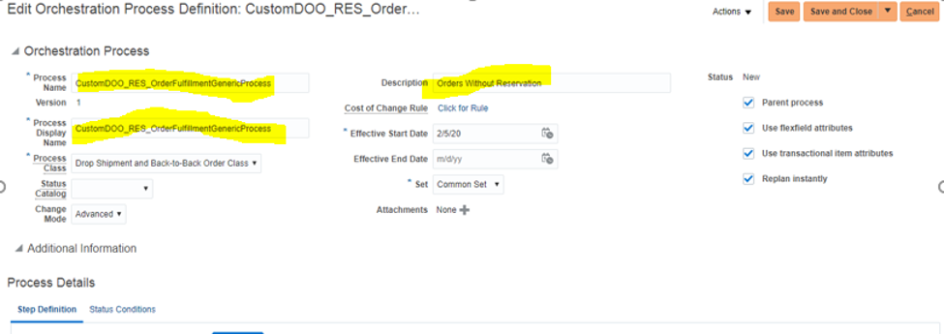

Now, go to Status Condition Tab>>Fulfillment Line Status Values:

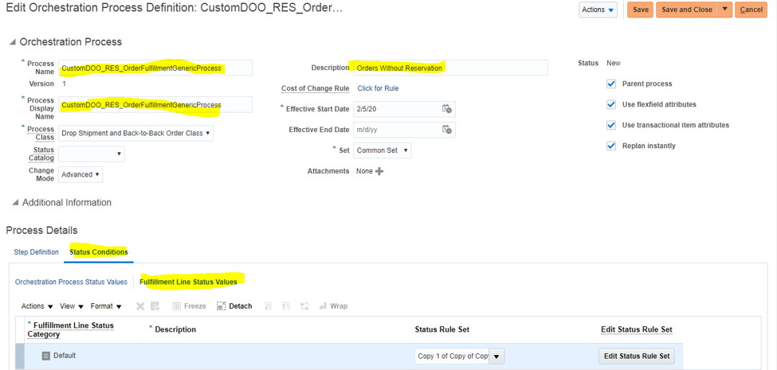

Click on Edit Rule Set as shown below and then click Yes for the change:

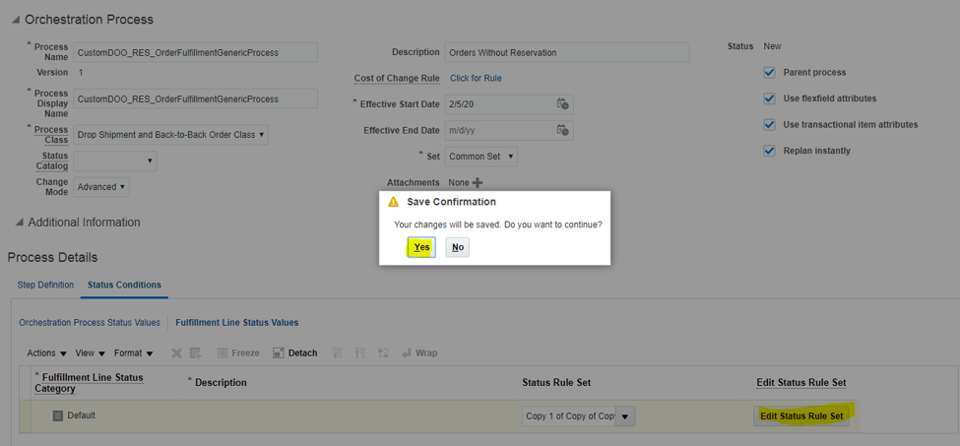

Delete the Line with Status Value “Reserved” and “Manual Reserved”

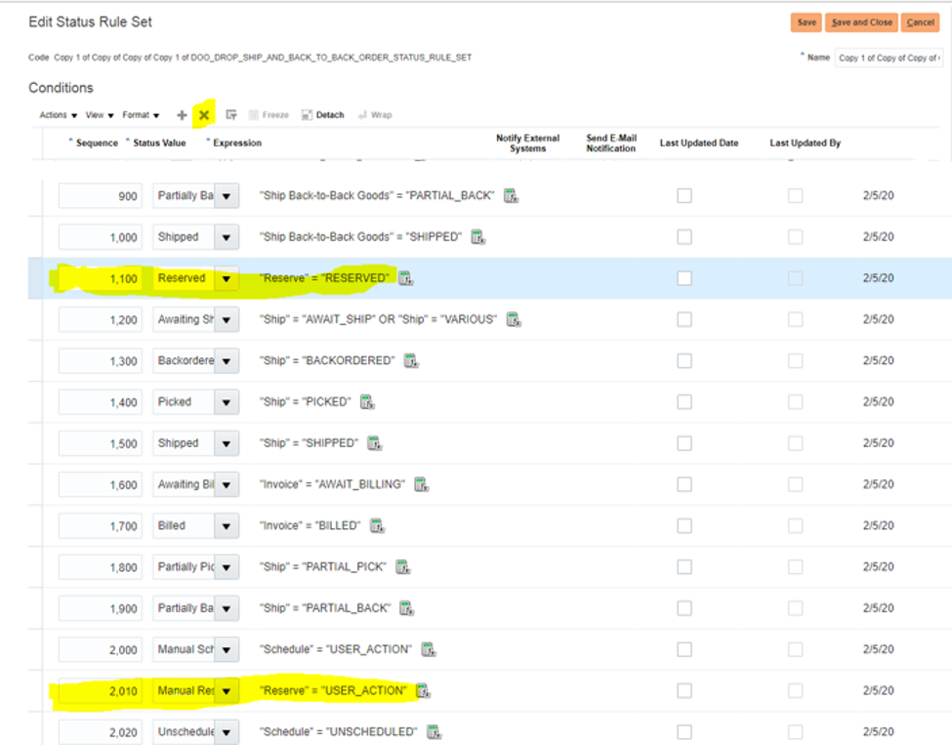

Now Save and Close:

Now go to Orchestration Process Status Values:

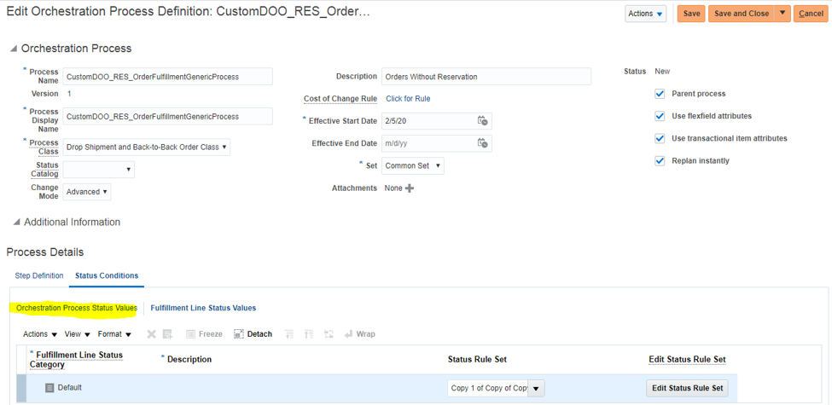

Delete the Line with Status Value “Reserved” and “Manual Reserved”

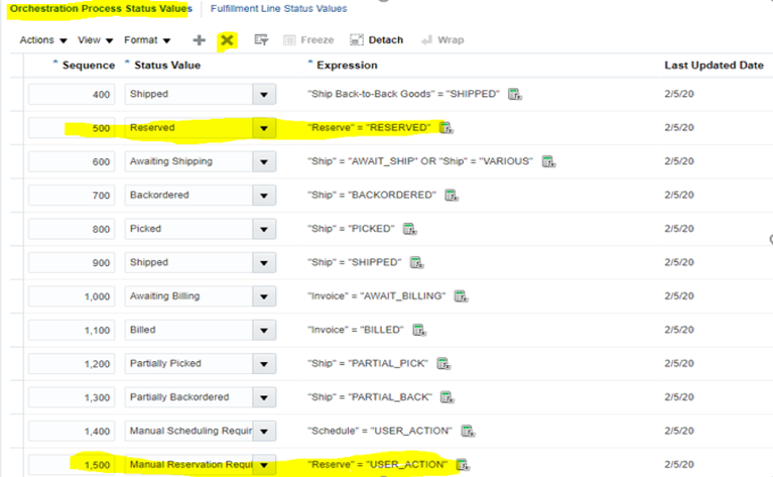

Now, go to Step Definition Tab:

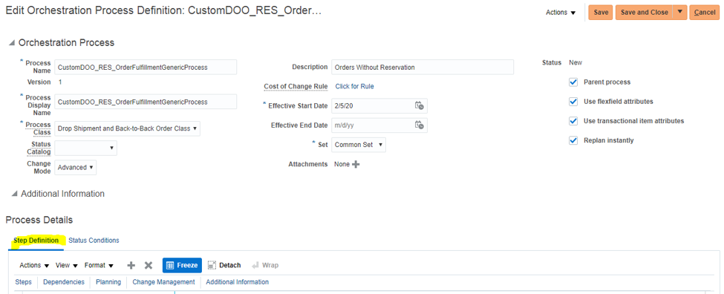

Please go to line “Create Reservation” (Here Step No. is 1000) and note down the value as highlighted below:

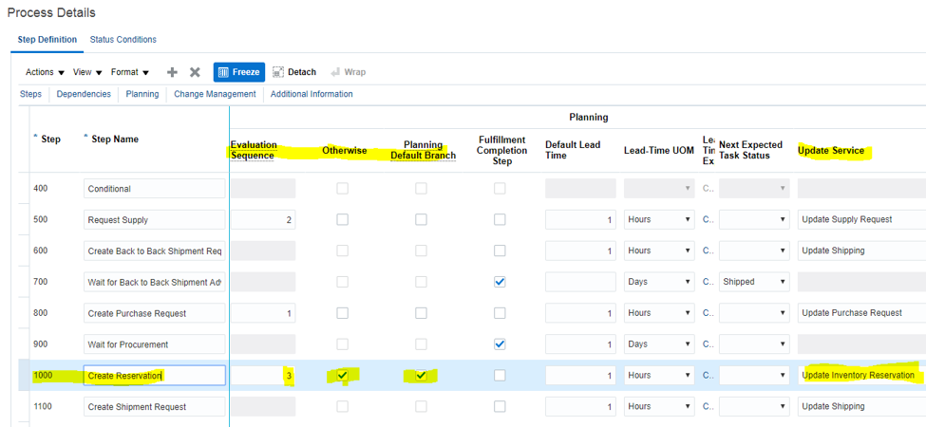

Delete the Line with Status Value “Create Reservation” with Step 1000 as shown below:

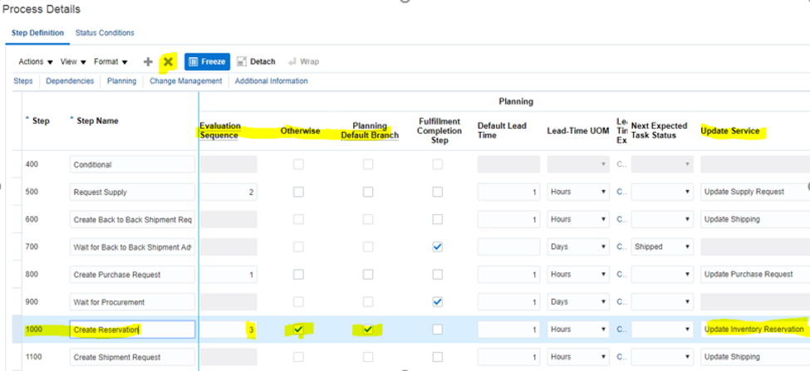

Now Save the changes:

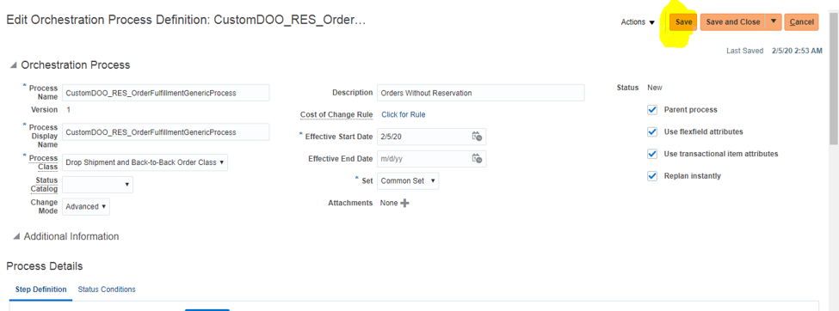

Delete the Line with Status Value “Create Reservation” and provide the value in Step 1000 (which is the next Step now after the deletion) for Evaluation Sequence, Otherwise, Planning Default Branch:

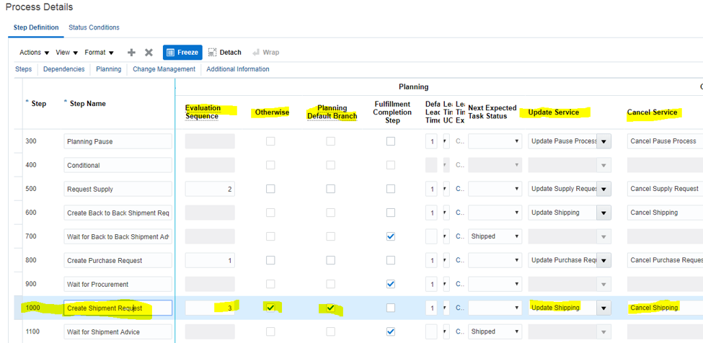

Now Save your changes:

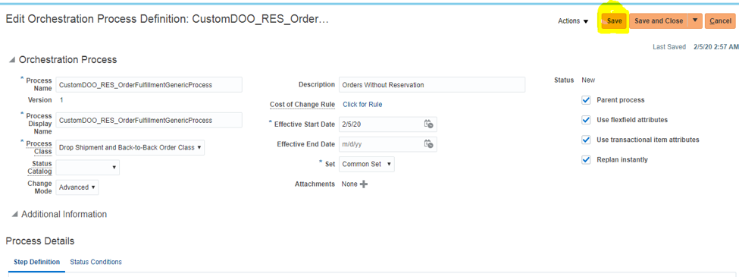

Now, Validate the Orchestration from Action:

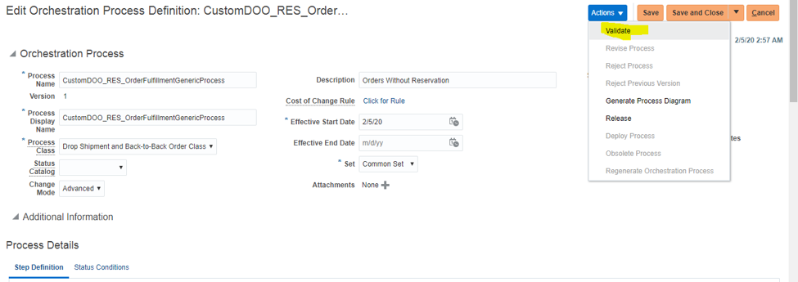

Click on Validate:

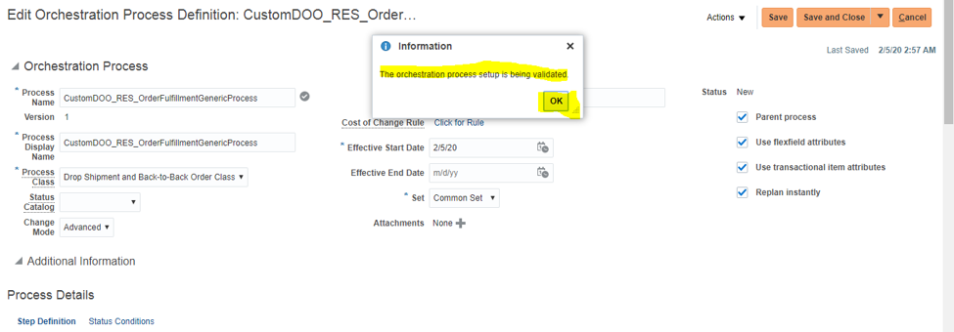

Once the Orchestration is Validated Successfully, it can be Released from Action:

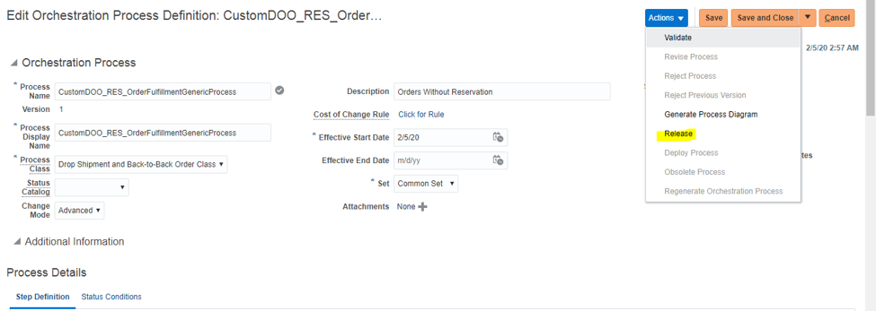

Then Deploy Process to use this Orchestration from Action:

Now the Orchestration is ready to work without Reservation Steps.
Summary:
This document provides a good exposure to the beginners/advanced/novice users and any consultant for performing the setup to Remove Reservation Steps from Existing Sales Order Orchestration in Order Management Fusion/Cloud.

SSP
sourcing,
supplier portal
bit of SQM
core purchasing

implemenation over and doing the hyper care support
let me explain list of requirements

Manufacturing
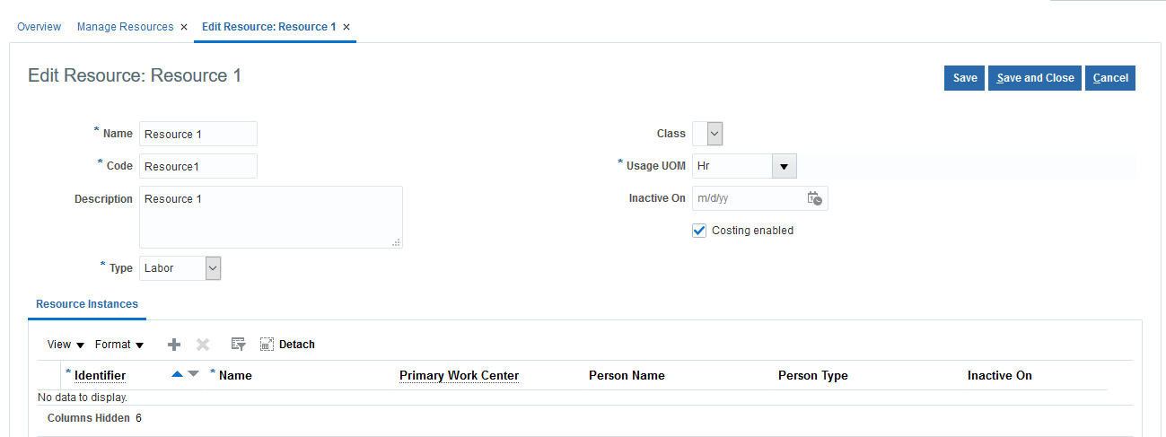
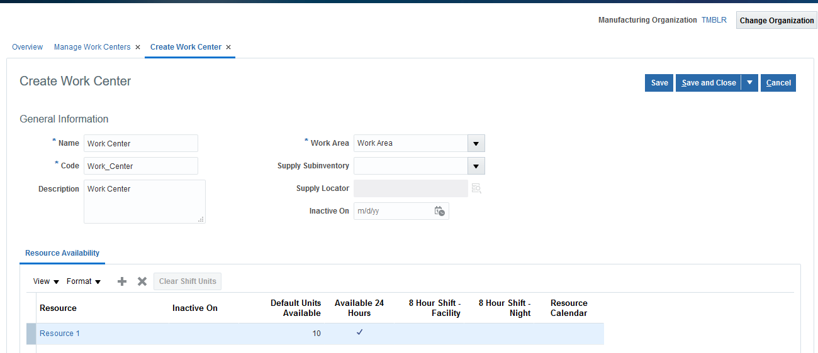
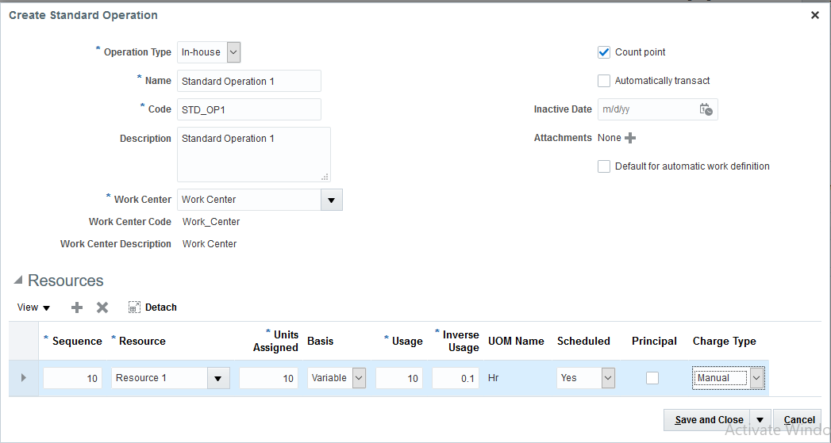
Manufacturing Setups

1 | Create inventory organization and enable the organization is a manufacturing plant
2 | Manage subinventory and locators
3 | Manage Plant Parameters
 | N -> FSM -> Manufacturing and Supply Chain Materials Management -> Manufacturing Master Data -> Manage Plant Parameters
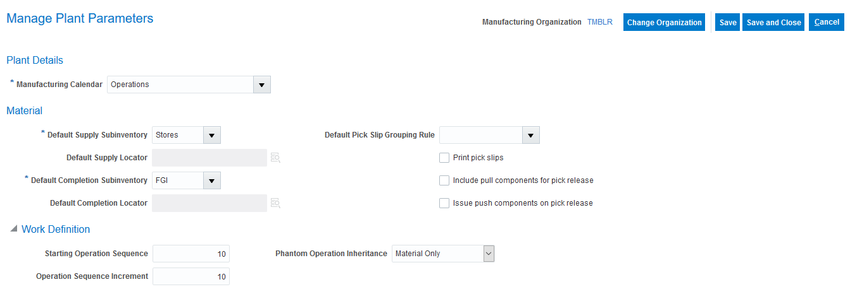
4

 | Setup 4: Assign “Manufacturing Engineer” role to the user

 | Setup 5: Manage data access for users
 | N -> FSM -> Manufacturing and Supply Chain Materials Management -> Users and Security -> Manage Data Access for Users
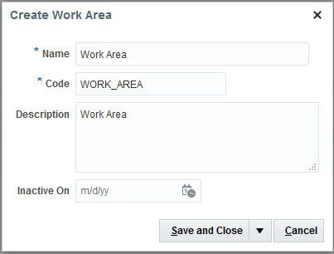
 | Setup 6: Manage Work Area
 | N -> Manufacturing -> Work Definition -> Task Lists -> Plant Setup -> Manage Work Areas
 | (Or)
 | N -> Supply Chain Execution -> Work Definition -> Task Lists -> Plant Setup -> Manage Work Areas

 | Setup 7: Manage Resources
 | N -> Manufacturing -> Work Definition -> Task Lists -> Plant Setup -> Manage Resources
 | (Or)
 | N -> Supply Chain Execution -> Work Definition -> Task Lists -> Plant Setup -> Manage Resources
 | Change Organization: TMBLR

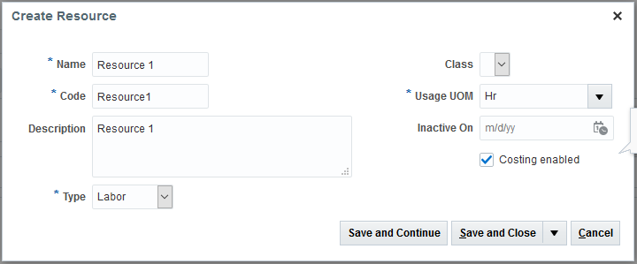
 | Setup 8: Manage Work Centers
 | N -> Manufacturing -> Work Definition -> Task Lists -> Plant Setup -> Manage Work Centers
 | (Or)
 | N -> Supply Chain Execution -> Work Definition -> Task Lists -> Plant Setup -> Manage Work Centers

 | Setup 9: Manage Standard Operations
 | N -> Manufacturing -> Work Definition -> Task Lists -> Plant Setup -> Manage Standard Operations
 | (Or)
 | N -> Supply Chain Execution -> Work Definition -> Task Lists -> Plant Setup -> Manage Standard Operations

counting
 |  |  |  |  | counting |  |  | Back
 |  |  | Back
 |  | counting is also called as accuracy methods

 |  | in business we are going to count the stock on yearly basis, Quarterly or monthly basis.
 |  | we have to count what is the stock available in the warehouse & what is the stock showing in the systems. there could be the difference

 |  | there are 2 types of counting
 |  | physical counting
 | 2 | cycle counting

 |  | Physical counting we performed for entire stock we are going to count our entire stock once or twice in a year

 |  | Cycle Counting – It’s called as a frequent counting we can perform very frequently
 |  | for the important items like daily, weekly for less important items monthly.
 |  | In cycle counting we can classify the items which item is very important, less important based on that classification we make the counting.

 |  | physical counting
 |  | here first we create a physical inventory
 |  | u need to select that if you want to count all sub inventory or a particular sub inventories that we need to count

 |  | Approvals there are three types
 |  | always, never, out of tolerance
 |  | Always means If there is a deviation or no deviation always approval required
 |  | Never means No Approval required
 |  | If out of tolerance means we are excepting a deviation of +/- 5% it will auto approve if more than 5% we need to approve it

 |  | here in physical counting , tags are generated. you need to provide the starting default tag number
 |  | in real time, item number is a 12 digit alphanumeric number
 |  | its not possible to remember all those number
 |  | so we generate 3 or 4 digit number tag number

 |  | after creating the physical inventory, we run a couple of programs
 |  | first we run the generate physical inventory snapshot program
 |  | it will give us the snapshot of current on hand stock in the choosed sub inventory
 |  | after this prgram is sucessfully completed
 |  | We have identified the current system stock for that stock we need to generate tag number

 |  | then run Generate Physical Inventory Tags for current system stock to generate the tag numbers

 |  | then run the program print physical inventory tag listing report
 |  | by providing the organisation and physical inventory details
 |  | this report we send to the store keepers to count the stock in the warehouse and ask them to send it back to us.
 |  | after that we record the physical inventory tags in the system by the data provided by the storekeepers
 |  | all the tags information, we need to enter manually. there is no fbdi or adfdi option available
Chadavku naormal gaa chappu
 |  | then if the adjustments are within the tolerence. it is auto approved. if it is out of tolerence it goes for approvals
 |  | if the snapshot qty and counted qty are within the adjustment tolerence you can approve
 |  | or else you can reject the particular item counted qty
 |  | then finally we post the physical inventory adjustments to the system

 |  | cycle counting
 |  | cycle counting can be done very frequently
 |  | In cycle counting before counting we are going to classify our items like which item we are going to count very frequently
 |  | cycle counting can be done 2 ways
 |  | 1. abc class |  |  |  | the items past moving will high priort, slow moving will have low priority
 |  | 2. item category

 |  | if you use abc class then
 |  | . Before initiating the counting we need to classify the items like
 |  | class A (More important items); Class B (Less important items); Class C (very less important items)

 |  | Steps of Cycle Counting

 |  | we define the abc classification set, here you select the criteria like based on what you want to do the cycle count
 |  | ex- current on hand qty, current item cost, current on hand value etc
 |  | .
 |  | once the program is succeeded then you can see the abc classification set items
 |  | then we define the abc classes based on the abc classification set items data
 |  | after that we create the abc assignment group by assigning the classes and assigning the item to the classes |  |  |  |  | A - High class
 |  |  |  |  |  |  | B- Medium
 |  | procedure for cycle counting |  |  |  |  | C- Low Class
 |  | at the item level, we need to enable the cycle count attribute for the items we need to do the counting
 |  | then we create the cycle count by entering the details like which sub inv we need to include in the cycle count
 |  | then you give your abc assignment group and then we define the schedules and approvals
 |  | here you can select the auto schedule option and define the scheduling frequency like period or daily or weekly etc
 |  | and give the tolerence percentage and you give your inv schedule

 |  | then you define the parameters like start counting sequence and how many max days the counting process can be late
 |  | and you select if manual count is allowed or not
 |  | then you define the abc classes and abc items and you provide information about how many counts can be done in a year

 |  | if you want to include a particular item like most important, you can include that in counting always

 |  | then we run the program generate count schedules
 |  | this is for how many days the counting should happen
 |  | the next program is generate count sequences - It’s nothing but day wise which items has to be counted
 |  | last program we run is print cycle count listing report, here we provide the org and cycle count details and submit
 |  | this cycle count listing report we send it to the store kepper. he will enter what is the qty available physically with comments
 |  | the items which we see is based on the scheduling, like today which items we need to be counted only those item will display here
 |  | then we need to record the counted sequences, i.e,recording the counted qty information in the application
 |  | if the counted qty is out of tolerance, it goes for approvals
 |  | if the counted qty and system qty of an item is with in the tolerence we approve it or else we reject it

 |  | or we can submit that particular item for counting again, whenever the new counting schedule starts this item will be counted again
 |  | by doing this we submit the approve count sequences and post the adjustments
 |  | you can go to review complted transactions, there you can see the cycle count adjustments details

 |  | cycle counting based on item categories

 |  | at the item level, we need to enable the cycle count attribute for the items we need to do the counting
 |  | then we create the cycle count by entering the details like which sub inv we need to include in the cycle count

 |  | if we deceide to do the cycle count based on category then you need to select that here in the first page itself

 |  | if you select item categories, then you dont get to use abc analysis
 |  | then you need to select the sub inv that you want to include in the cycle count

 |  | then you need to define schedule and approvals
 |  | here you can select the auto schedule option and define the scheduling frequency like period or daily weekly etc
 |  | you can select if approval is required andgive the approval type like always or if out of tolerence
 |  | and give the tolerence percentage and you give your inv schedule

 |  | then you define the parameters like start counting sequence and how many max days the counting process can be late
 |  | and you select if manual count is allowed or not

 |  | then youcanselect the categories that you want to include in the cycle count or exclude in cycle count
 |  | once you include the item categories then you get the syncornization options
 |  | if you select none , then sysyrm is not going to pull the items in the categories automatically
 |  | you have to assign manually

 |  | if you want to pull the items from the categories then you have to select the complete option
 |  | whenever any changes happens to the category like when you have added one more item
 |  | or you removed any existing items , if you want to suncronise and delete those items

 |  | then you can select the append changes option
 |  | then you give how many times the counting should happen in a year for that particular category
 |  | the system automatically pulls the items form that category
 |  | if you want to include or exculde a particular items in that schedule always, you can do that

 |  | then you review and submit
 |  | then we run the program generate count schedules
 |  | this is for how many days the counting should happen
 |  | the next program is generate count sequences - It’s nothing but day wise which items has to be counted
 |  | last program we run is print cycle count listing report, here we provide the org and cycle count details and submit

 |  | this cycle count listing report we send it to the store kepper. he will enter what is the qty available physically with comments
 |  | the items which we see is based on the scheduling, like today which items we need to be counted only those item will display here

 |  | then we need to record the counted sequences, i.e,recording the counted qty information in the application
 |  | if the counted qty is out of tolerance, it goes for approvals
 |  | if the counted qty and system qty of an item is with in the tolerence we approve it or else we reject it

 |  | or we can submit that particular item for counting again, whenever the new counting schedule starts this item will be counted again
 |  | by doing this we submit the approve count sequences and post the adjustments
 |  | you can go to review complted transactions, there you can see the cycle count adjustments details

 |  | For cycle count :if adjustment is positive then
 |  | Inventory valuation:db
 |  | Offset:cr
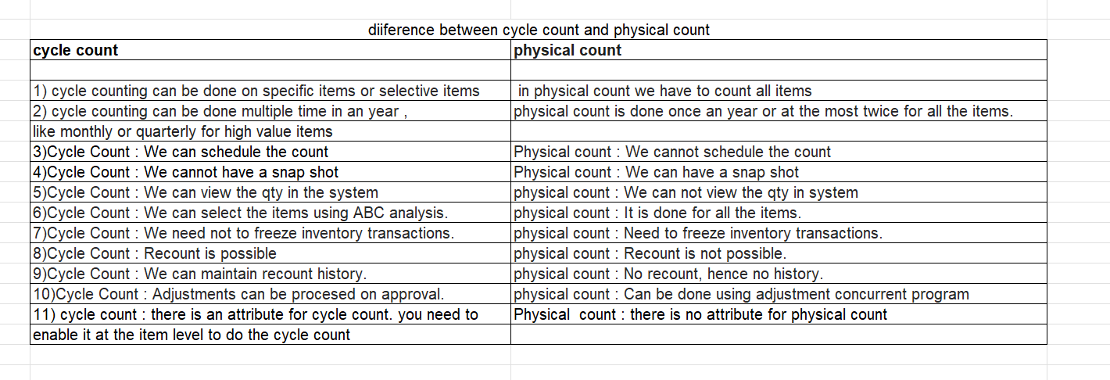

 |  |  |  | diiference between cycle count and physical count
 |  |  |  | cycle count | physical count

 |  |  |  | 1) cycle counting can be done on specific items or selective items | in physical count we have to count all items
 |  |  |  | 2) cycle counting can be done multiple time in an year , | physical count is done once an year or at the most twice for all the items.
 |  |  |  | like monthly or quarterly for high value items
 |  |  |  | 3)Cycle Count : We can schedule the count | Physical count : We cannot schedule the count
 |  |  |  | 4)Cycle Count : We cannot have a snap shot | Physical count : We can have a snap shot
 |  |  |  | 5)Cycle Count : We can view the qty in the system | physical count : We can not view the qty in system
 |  |  |  | 6)Cycle Count : We can select the items using ABC analysis. | physical count : It is done for all the items.
 |  |  |  | 7)Cycle Count : We need not to freeze inventory transactions. | physical count : Need to freeze inventory transactions.
 |  |  |  | 8)Cycle Count : Recount is possible | physical count : Recount is not possible.
 |  |  |  | 9)Cycle Count : We can maintain recount history. | physical count : No recount, hence no history.
 |  |  |  | 10)Cycle Count : Adjustments can be procesed on approval. | physical count : Can be done using adjustment concurrent program
 |  |  |  | 11) cycle count : there is an attribute for cycle count. you need to | Physical count : there is no attribute for physical count
 |  |  |  | enable it at the item level to do the cycle count

 |  | ABC classification set
 |  | ABC assignment group
 |  | Define the cycle count
 |  | link the ABC assignment group
 |  | schedule the cycle count
 |  | do the counting
 |  | at item level we need to enable the cycle count tick box
 |  | usually all raw material, finished goods we will tick box
 |  | then we group them into A, B, C classes
 |  | in A class we can count yearly 200 times
 |  | B classes we can 100
 |  | C class 50
 |  | then system will calculate and provide the list of items

 |  | there is formalua
 |  | we have (A class * number of counts + B class * number counts + C class* Count) / number of working days
 |  | yes
 |  | to define the subinventory creations
 |  | we can also create the locators
 |  | we can also assignn the item to subinventories and locators

 |  | we have the FSM
 |  | where we can download the configruation and then we can unzip the folder
 |  | manage subinventories and locators is the configuration
 |  | download the configuration
 |  | if there is no setup then we need to setup at least one subivnentory and then we can download
 |  | setups like manage subinevntory and lcoator setup and then we can u

Job Hierarchy
 |  | Back
In my project we have enabled job level hierarhcy, let me explain the process

I followed navigation like Procurement offering and then choose approval management and select manage purchasing document approvals
we have enabled approvals at Terms stage and selected routing as serial
I select rules like NPBU Manual PO - 0 Dollar
select conditions like

First condition

Type as approval task attribute
Attribute as document creation method
operator as Is In
and select operator values as duplicate purchase order, create purchase order and process requisitions

Second condition

Type as approval task attribute
Attribute as procurement BU
Operator as equals
value type as Value
Value as BU name

Third condition

Type as approval task attribute
Attribute as document type
Operator as equals
value type as Value
value as Purchase order

Fourth condition

Type as approval task attribute
Attribute as Change Order Initiating Party
Operator as does not equal
value type as Value
value as supplier

Fifth condition

type as user defined attribute
attribute as USD
operator Equlas
value as Zero

then select action as

action type Approval required
routing using Job level
approval chain of Buyer
Start With Buyer
Minimum Job level 1
top worker in hierarchy CEO name
Inlcude all approvers

simillarly created conditions like

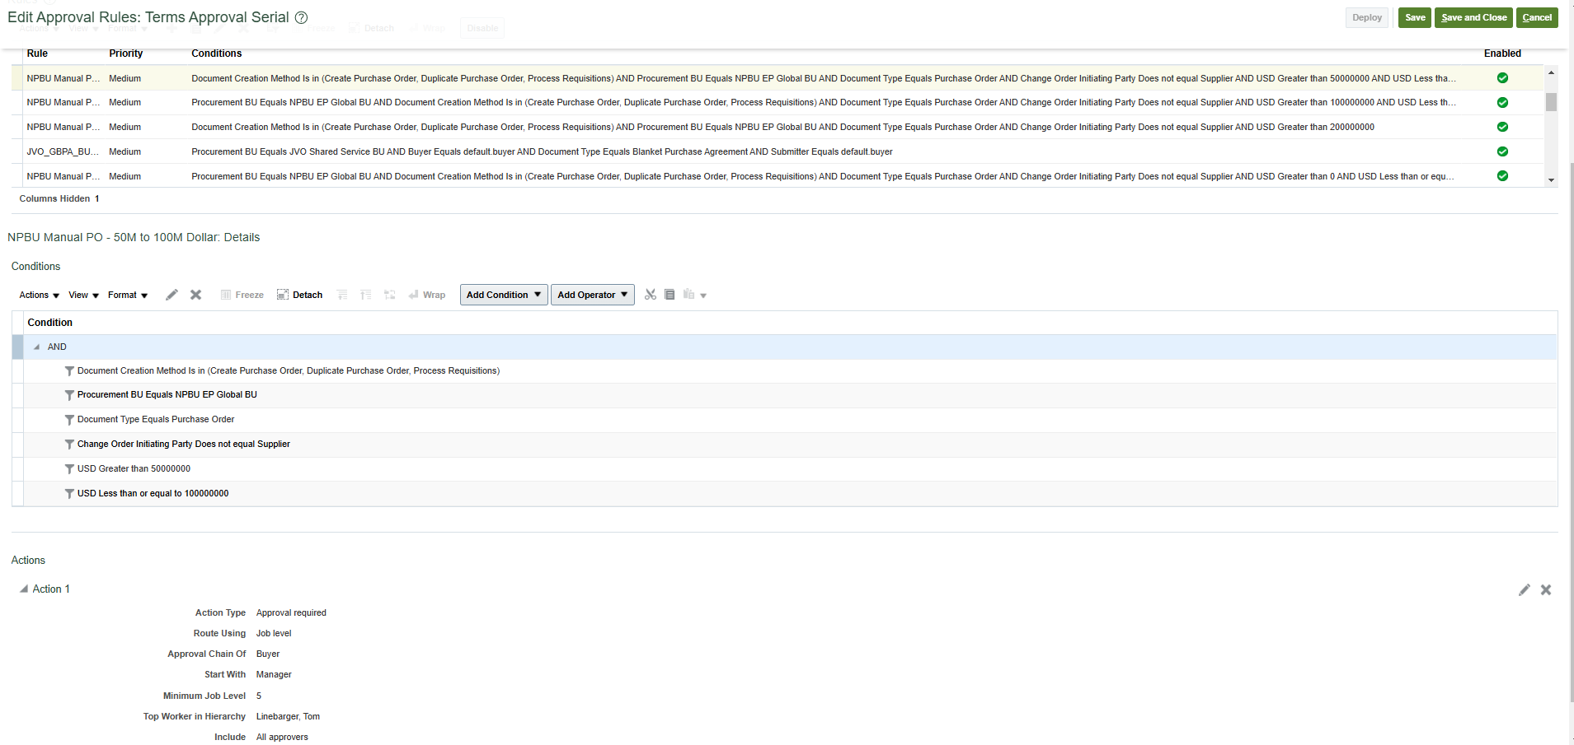
NPBU Manual PO - 1M to 10M Dollar
all the said conditions are same expcet adding document total condition keeping greater than 1M and Less than 10M
and action added the start with manager

NPBU Manual PO - 10M to 50M Dollar

all the said conditions are same expcet adding document total condition keeping greater than 10M and less than 50M | milion
and action added the start with manager
Minimum job level as 4

NPBU Manual PO - 50M to 100M Dollar

all the said conditions are same expcet adding document total condition keeping greater than 50M and less than 100M
Minimum job level as 5
and action added the start with manager

like wise I have configured in the project

that something I need to check
I need to do a POC

Documentation
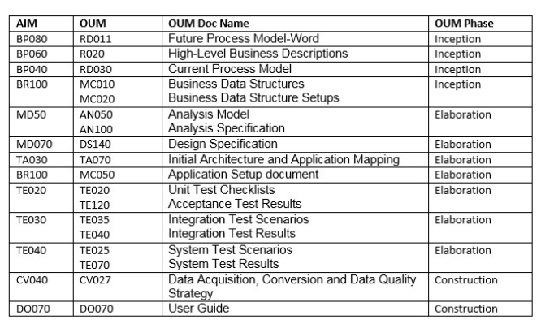
AIM Documentation |  | Back
Document No | Document Description
Business Process Architecture (BP)
BP.010 | Define Business and Process Strategy
BP.020 | Catalog and Analyze Potential Changes
BP.030 | Determine Data Gathering Requirements
BP.040 | Develop Current Process Model
BP.050 | Review Leading Practices
BP.060 | Develop High-Level Process Vision
BP.070 | Develop High-Level Process Design
BP.080 | Develop Future Process Model
BP.090 | Document Business Procedure
Business Requirements Definition (RD)
RD.010 | Identify Current Financial and Operating Structure
RD.020 | Conduct Current Business Baseline
RD.030 | Establish Process and Mapping Summary
RD.040 | Gather Business Volumes and Metrics
RD.050 | Gather Business Requirements
RD.060 | Determine Audit and Control Requirements
RD.070 | Identify Business Availability Requirements
RD.080 | Identify Reporting and Information Access Requirements
Business Requirements Mapping
BR.010 | Analyze High-Level Gaps
BR.020 | Prepare mapping environment
BR.030 | Map Business requirements
BR.040 | Map Business Data
BR.050 | Conduct Integration Fit Analysis
BR.060 | Create Information Model
BR.070 | Create Reporting Fit Analysis
BR.080 | Test Business Solutions
BR.090 | Confirm Integrated Business Solutions
BR.100 | Define Applications Setup
BR.110 | Define security Profiles
Application and Technical Architecture (TA)
TA.010 | Define Architecture Requirements and Strategy
TA.020 | Identify Current Technical Architecture
TA.030 | Develop Preliminary Conceptual Architecture
TA.040 | Define Application Architecture
TA.050 | Define System Availability Strategy
TA.060 | Define Reporting and Information Access Strategy
TA.070 | Revise Conceptual Architecture
TA.080 | Define Application Security Architecture
TA.090 | Define Application and Database Server Architecture
TA.100 | Define and Propose Architecture Subsystems
TA.110 | Define System Capacity Plan
TA.120 | Define Platform and Network Architecture
TA.130 | Define Application Deployment Plan
TA.140 | Assess Performance Risks
TA.150 | Define System Management Procedures
Module Design and Build (MD)
MD.010 | Define Application Extension Strategy
MD.020 | Define and estimate application extensions
MD.030 | Define design standards
MD.040 | Define Build Standards
MD.050 | Create Application extensions functional design
MD.060 | Design Database extensions
MD.070 | Create Application extensions technical design
MD.080 | Review functional and Technical designs
MD.090 | Prepare Development environment
MD.100 | Create Database extensions
MD.110 | Create Application extension modules
MD.120 | Create Installation routines
Data Conversion (CV)
CV.010 | Define data conversion requirements and strategy
CV.020 | Define Conversion standards
CV.030 | Prepare conversion environment
CV.040 | Perform conversion data mapping
CV.050 | Define manual conversion procedures
CV.060 | Design conversion programs
CV.070 | Prepare conversion test plans
CV.080 | Develop conversion programs
CV.090 | Perform conversion unit tests
CV.100 | Perform conversion business objects
CV.110 | Perform conversion validation tests
CV.120 | Install conversion programs
CV.130 | Convert and verify data
Documentation (DO)
DO.010 | Define documentation requirements and strategy
DO.020 | Define Documentation standards and procedures
DO.030 | Prepare glossary
DO.040 | Prepare documentation environment
DO.050 | Produce documentation prototypes and templates
DO.060 | Publish user reference manual
DO.070 | Publish user guide
DO.080 | Publish technical reference manual
DO.090 | Publish system management guide
Business System Testing (TE)
TE.010 | Define testing requirements and strategy
TE.020 | Develop unit test script
TE.030 | Develop link test script
TE.040 | Develop system test script
TE.050 | Develop systems integration test script
TE.060 | Prepare testing environments
TE.070 | Perform unit test
TE.080 | Perform link test
TE.090 | perform installation test
TE.100 | Prepare key users for testing
TE.110 | Perform system test
TE.120 | Perform systems integration test
TE.130 | Perform Acceptance test
PERFORMACE TESTING(PT)
PT.010 | Define Performance Testing Strategy
PT.020 | Identify Performance Test Scenarios
PT.030 | Identify Performance Test Transaction
PT.040 | Create Performance Test Scripts
PT.050 | Design Performance Test Transaction Programs
PT.060 | Design Performance Test Data
PT.070 | Design Test Database Load Programs
PT.080 | Create Performance Test TransactionPrograms
PT.090 | Create Test Database Load Programs
PT.100 | Construct Performance Test Database
PT.110 | Prepare Performance Test Environment
PT.120 | Execute Performance Test
Adoption and Learning (AP)
AP.010 | Define Executive Project Strategy
AP.020 | Conduct Initial Project Team Orientation
AP.030 | Develop Project Team Learning Plan
AP.040 | Prepare Project Team Learning Environment
AP.050 | Conduct Project Team Learning Events
AP.060 | Develop Business Unit Managers’Readiness Plan
AP.070 | Develop Project Readiness Roadmap
AP.080 | Develop and Execute CommunicationCampaign
AP.090 | Develop Managers’ Readiness Plan
AP.100 | Identify Business Process Impact onOrganization
AP.110 | Align Human Performance SupportSystems
AP.120 | Align Information Technology Groups
AP.130 | Conduct User Learning Needs Analysis
AP.140 | Develop User Learning Plan
AP.150 | Develop User Learningware
AP.160 | Prepare User Learning Environment
AP.170 | Conduct User Learning Events
AP.180 | Conduct Effectiveness Assessment
Production Migration (PM)
PM.010 | Define Transition Strategy
PM.020 | Design Production Support Infrastructure
PM.030 | Develop Transition and Contingency Plan
PM.040 | Prepare Production Environment
PM.050 | Set Up Applications
PM.060 | Implement Production Support Infrastructure
PM.070 | Verify Production Readiness
PM.080 | Begin Production
PM.090 | Measure System Performance
PM.100 | Maintain System
PM.110 | Refine Production System
PM.120 | Decommission Former Systems
PM.130 | Propose Future Business Direction
PM.140 | Propose Future Technical Direction

OM new features
OM new features | back
CANCEL SALES ORDER BACKORDERS AUTOMATICALLY AND ENFORCE SINGLE SHIPMENT

In many industries, customer contracts dictate specific fulfillment terms which can include whether or n ot the customer accepts backorders or multiple shipments. Prior to this update, if your customer didn't accept backorders or multiple shipments, you'd have to manually cancel quantities you couldn't fulfill by the promised delivery date. Now you have the option to automatically cancel any quantity that can't be fulfilled due to on-hand quantity shortages during pick confirm or ship confirm. Additionally, you can choose to automatically cancel any remaining open quantity after the first shipment even if you have the available on-hand quantity to fulfill the order, for instances where your customer only accepts a single shipment per order. With this feature, these attributes are added in Oracle Order Management and Oracle Shipping: Cancel Backorders: Set this option to Yes if you want to automatically cancel any quantity that can't be fulfilled due to on-hand quantity shortages while releasing picks, confirming picks, confirming shipments, or creating outbound shipment requests to the external execution system. Enforce Single Shipment: Set this option to Yes if you want to automatically cancel any remaining open quantity on the order after the first shipment is confirmed and closed. You can set these attributes on an order line using the Create Order page in the Order Management work area, Order Management extension, Sales Orders for Order Hub Requests REST API, or Import Sales Orders File-Based Data Import (FBDI through REST backend).

 | back
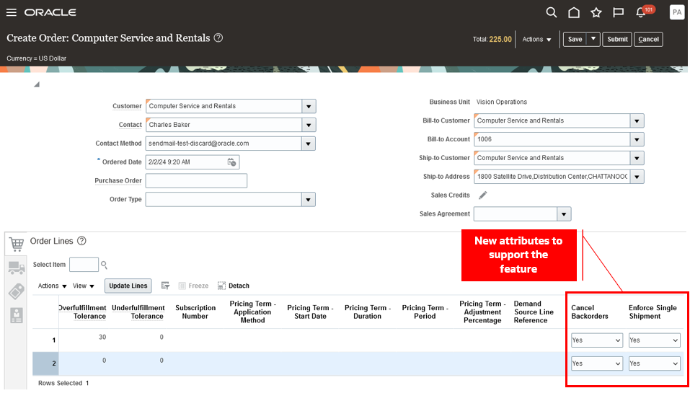

Create Order Once the line is interfaced with Shipping, you can view the attribute values on the Manage Shipment Lines page in the Inventory Management work area.

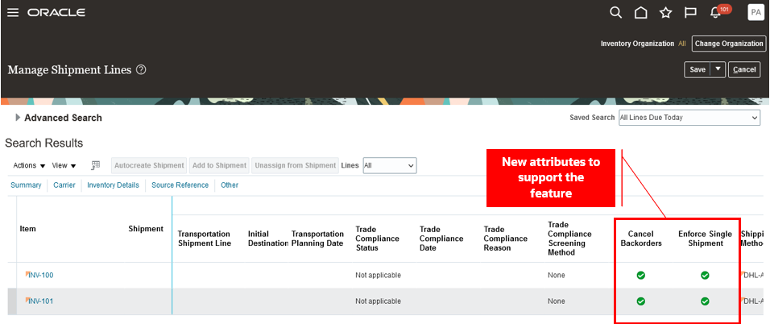

UPDATE ATTRIBUTES ON SPLIT ORDER LINES FOR PARTIAL DROP SHIPMENTS

Update attributes on a split order line that Oracle Order Management creates when a supplier ships part of an order line in a drop shipment flow. If only some of the quantity on the order line is currently available on the requested date, then your drop ship supplier might ship that quantity, and Order Management will split the order line for the remaining quantity. Starting with update 24B, you can update attributes on the split fulfillment line. Use this feature so you can update attributes on a split order line that Order Management creates when Oracle Procurement ships part of an order line in a drop shipment flow. All the following usages described in this document involve split lines that you ship in a drop shipment. Scenario A supplier can ship part of a fulfillment line that you drop ship to help meet customer demand. If only some of the quantity on the order line is currently available on the requested date, then the supplier ships the quantity that's available to ship, and Order Management will create a split order line for the remaining quantity. You now have a new fulfillment line that has the remaining quantity that the supplier still needs to ship. You might need to update attributes on the new split line in Order Management after the supplier ships part of the order line. For example, assume you know that supplier B has enough supply to fulfill the line that hasn't shipped. If you revise the supplier and supplier site attributes on that line to supplier B and submit your revision, then Order Management will send these details to Procurement so Procurement can create a new purchase order for supplier B, and supplier B can fulfill the request. Update Attributes on Split Order Lines You can: Modify the quantity, scheduled date, shipping location, shipping method, supplier, or supplier site. Modify the price of a purchase order line, through an extensible flexfield on the order line. Unschedule the line

 | back

Issues - Resolutions
 | Issues and Resolutions - Latest Tickets - support Tickets | Back
 | Ticket or Request - Requirement
 | The buyer wants to update the requested delivery date on a PO Item which is referencing a Blanket Purchase Agreement (BPA). However during the change order the Item Price is also getting updated to the latest Item Price on the BPA, even when Retroactive Pricing is not enabled. Step 1: Create and Approve PO with Item (Price is 20 $) Step 2: Update Item Price on BPA to 22 $ Step 3: Create change order on the PO and update only the 'Requested Delivery Date' Step 4: While Save and Submit, the Item Price on the PO is also updated to 22 $.

 | Ans / Resolutions: Since Retro active pricing update works only on the Closed POs (received and/or invoiced). There is one more setup (a) Setup and Maintenance -> Configure Procurement Business Function (b) Uncheck the checkbox for following option: Allow manual price update on fulfilled orders

 | Ticket-2. Allow Multiple Legal Entities on a Single Purchase Order or requisition We have a Business Requirements wherein the Business is spread across Multiple Countries. Each Country is a different Legal Entity, Requisition and Procurement BU. There are certain Expenses like Marketing, etc. which are being incurred in one Legal Entity but the service for the same is being used by all the Legal Entities. So the PO and the invoice will be raised by one Legal Entity only. Business requires to distribute these expenses when creating the PR and PO. They require the PR/ PO lines to have different Deliver-to Locations which are across BUs along with the distributions being distributed to the respective Legal Entities. Is the below functionality achievable in the current scope of the application, if so what is the required configuration to achieve the same. The Business only has Self-Service Procurement and the Purchasing Module.
 |  | Back
 | Ans:If the buyer has a privilege 'Override Purchase Order Sold To Legal Entity', then sold-to Legal Entity is an LOV instead of a read-only field on the create purchase order dialog. By default this privilege is not assigned to any job role; you need to add it. Once the privilege is added to a role, Sold-to Legal Entity will display values based on below logic - 1. The Requisitioning BU's Legal Entity 2. The parent legal entity of the inventory organization in the context - a. If a Ship-to Location is entered, the parent legal entity of its organization is shown b. If the Ship-to Location entered is not associated with an organization, or if a Ship-to Location is not entered, then the parent legal entity of the requisitioning BU's default delivery organization is displayed. NOTE: If the above does not solve the issue confirm value set for 'Multiple legal entities on order' attribute is set to 'Allow'. Run Sync LDAP program.

 | Requirement: How to restrict Miscellaneous receipt and issue transaction types from Type LOV in Create Miscellaneous Transaction Task in inventory management dashboard based on users through Personalization?

 | Ans: There is no security provided by transaction type. Therefore,the requirement of restricting Miscellaneous receipt/Issue transaction types from type LOV in Create Miscellaneous Transaction Task at User level is not possible. So, we built a VBCS form (PAAS form) to put the list of transaction types controlled at user level Personalize Transaction Type LOV To Restrict Miscellaneous Transactions In Create Miscellaneous Transaction Task Based On Users (Doc ID 2384937.1) Create Miscellaneous Transactions: Restrict Transaction Type LOV On the Basis of Role (Doc ID 2537838.1)

 | Requirement: Defaulting Receivable Transaction Type in Sales Order based on Order Type and LOB Header EFF
 | Solution: At first we tried using Pretransformation rule to default Receivables Transaction type and we were able to default it for all Order types except Return Order. From Oracle side there is a limitation for Return Order type, Pretransformation rule will not work. Than we proceed with developing groovy script, Extension has been deployed on 'On Save' and it will fetch Order Type and LOB EFF value from Sales Order and default Receivables Transaction Type. Now it is working for all Order Types

 | Requirement: Passing Sales Channel and LOB EFF values from Sales Order to AR Invoice and Shipment line
 | Solution: Out of the Box Sales Channel will not be passing to AR Invoice and Shipement line. For this issue we have created LOB EFF in Sales Order header and created Sales Channel, LOB DFF's in AR Invoice and Sales Channel DFF in Shipment Line. Sales Channel and LOB values will be defaulted in Sales Order by the extension based on Customer Ship To. We have developed Service mapping to pass these values.
 | Requirement: Defaulting Sales Order Fields like Order Type, Sales Channel, FOB, Freight, Payment Terms, LOB
 | Solution: We have developed a Groovy script and deployed in 'On Save' which will default Order Type, Sales Channel in Order Header and Fulfill line EFF, LOB Header EFF, FOB, Freight, Payment Terms based on Customer Ship to.

 | Requirement: Custom hold Order, if Payment term is equal to Credit Card or ACH
 | Solution: It is a three step process, 1. Modifying Orchestration process 2. Groovy script 3. Creating Custom Hold. We have modified the Orchestration Process for Standard Order by adding the additional step after Schedule and adding the Pause rule which applies Hold on Sales Order and Pause the Sales Order not moving to another step. Custom Hold has been created and it will be applied by the extension deployed in 'On Save'.

 | Requirement: Pause Sales Order if Customer is having Invoice Overdue
 | Solution: It is a three step process, 1. Modifying Orchestration process 2. Groovy script 3.Header EFF. We have modified the Orchestration Process for Standard Order by adding the Pause step as a first step by moving the First Schedule step and it's rule to second step. Deployed a groovy script in "On Save" which will update the Header EFF with the number of Overdue invoices. Created a Pause rule, if EFF Overdue number is more than 0 than the pause will be applied, if not Sales Order will schedule.

 | Requirement: Schedule Ship Date calculate based on Requested Arrival Date, Transit time and Shipping Zones
 | Solution: At first we have the requirement of consider only Requested Arrival Date and Transit time. We have developed a groovy script to define Schedule Ship Date which will define by Requested Arrival Date minus Transit time. For every Shipping method Transtit time has been configured. After the new requirement with Requested Arrival date, Transit time and Shipping Zone. we have found the Out of the Box setup by configuiring Shipping Zones, Transit time and Maintain Supply Network Model - Interlocation Shipping Networks . Now Scheduled Ship Date is calculating accordingly as per requirement.

 | Requirement: pause the lines until schedule ship date arrives
 | Solution: This line will remain waiting until schedule ship date (and time) arrives. User can release the pause manually at any time.
 | If you wanted to release the pause, a few days prior to schedule ship date, then use function getAdjustedDate and supply negative number that is equal to number of days. E.g. if you want to pause until 2 days prior to schedule ship date you will set the value of waitDateTime as header.getAdjustedDate(FLine.scheduleShipDate,-2).

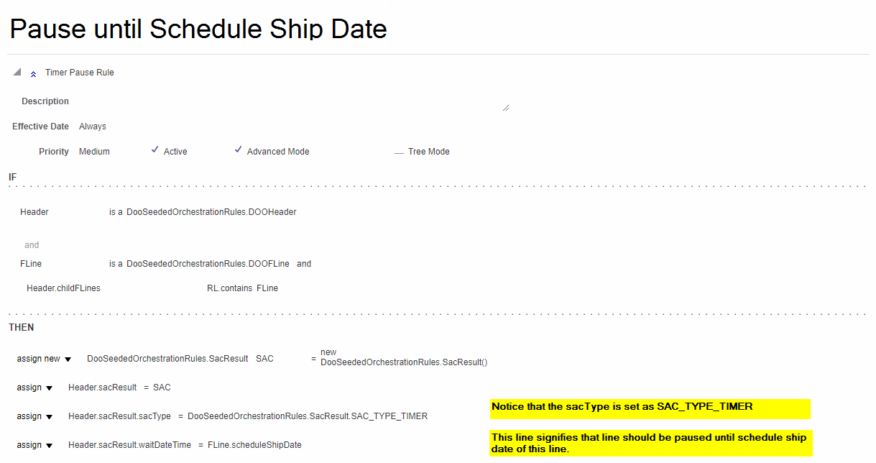

 | we need to create the BIP reports and link them to the enterprice schdeulear
 |  | Back
85:85D6062:8162:90D6062:8162:95D6062:8162:100D6062:8162:105D6062:8162:110D60662:124 | so then we can able to fulfil to customer timely

 | we need to service mapping to move the EFF values to one system to another system or header to lines

 | we have groovy script
 | where we can default the header level EFF values using the groovy script to default line
 | in the managem order management extension

 | then we need to do the service mapping only

 | we need to the sandbox customization where we find the two field between the order management and receivables
 | where we can provide the link
 | let me explain how I did one of the requirement

 | that is through job set, where we create the job set and link the custom reports
 | we usually setup the scheduler services nothing but job set
 | where we will link on which case which report need to pick

 | like pick release which all reports
 | yes
 | we will link
 | we can c

 | usually it will be difficult as we can not keep the custom table in SAAS environment

 | in the PAAS level we need to build the reports

 | I really need to check
 | yes
 | CTO
 | desktop shipped, mouse or key board managed
 | we usually have the referenced sales order

 | usually we need to go with un-referrenced sales order system
 | we need to build the return line so only we are getting
 | we need to build the return price list for this case
 | usualy we can default the return price 3 ways
 | salesorder
 | other is from price list
 | other is from cost
 | item cost
 | we can build price list based on cost
 | we can build the logic in the return price list
 | we can build the OIC business logic, we can derive
 | next 10 days

 | sure, thanks
 | no, I have few junior I trained
 | and guided them
 | but not lead a team

 | 4 years
 | thanks and looking forward to working

Costing Setups
Costing Type
We have 3 costing methods
1. Standard Costing.
2. Actual Costing
3. Average

1.Standard Costing:
Standard Costing involves setting a fixed cost for an item, which is predetermined for a given period (e.g., monthly or annually).
The standard cost includes materials, labor, and overhead. Variance between the actual cost and the standard cost is tracked separately.
This method is commonly used in manufacturing environments where costs are predictable and stable.
In standard costing, any difference between the actual cost and the predetermined standard cost is recorded as a variance (e.g., material variance, labor variance

2.Actual Costing:
Actual Costing tracks and calculates the actual costs incurred to produce a product. It includes the actual costs of materials, labor, and overhead for each unit produced.
This method is more accurate, as it reflects real-world cost data; however, it may require more processing power and data capture.
It is commonly used in businesses with fluctuating or uncertain costs, as it provides a precise reflection of how much each product costs in real time.

3.Average Costing:

Average Costing calculates the average cost of goods sold (COGS) by averaging the cost of the inventory items.
This method is typically used when inventory items are interchangeable, and it doesn’t make sense to track individual item costs separately.
The system calculates the cost based on the weighted average cost of all inventory received during a specific period, updating the inventory value with each new transaction (e.g., purchase, return

Implementation of Oracle Fusion Costing

(i) Standard Costing is implemented only at the Inventory Organization level. In contrast, other costing methods—such as Actual Costing or Average Costing—can be implemented and tracked at various levels, including sub-inventory and lot levels

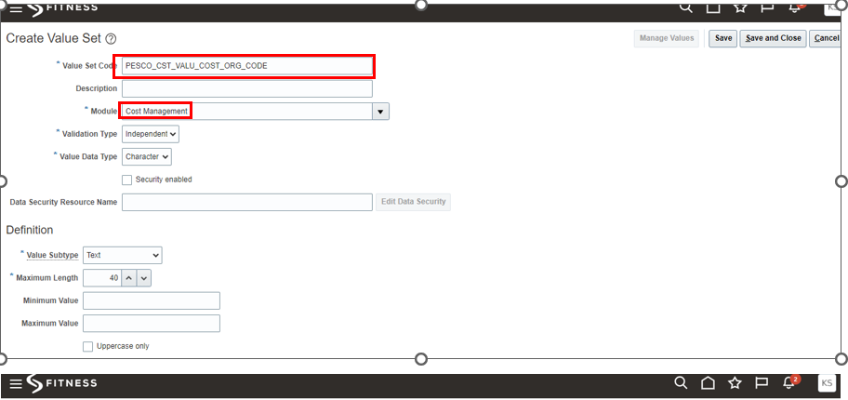
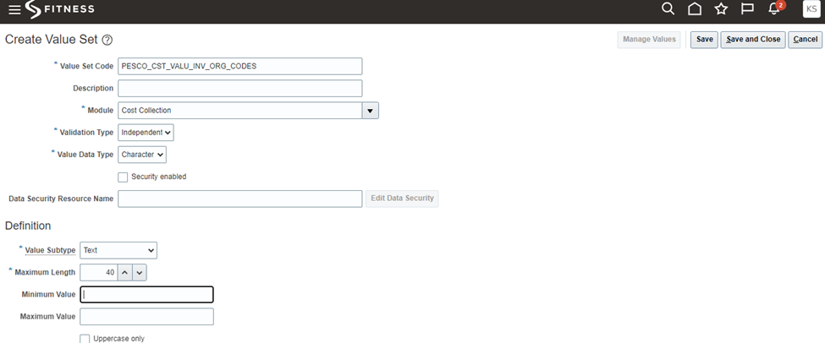
Required roles are
(i) Application implementation Consultant
(ii) Cost Accountant

1. Create Value Set

2. Flexfield Structures
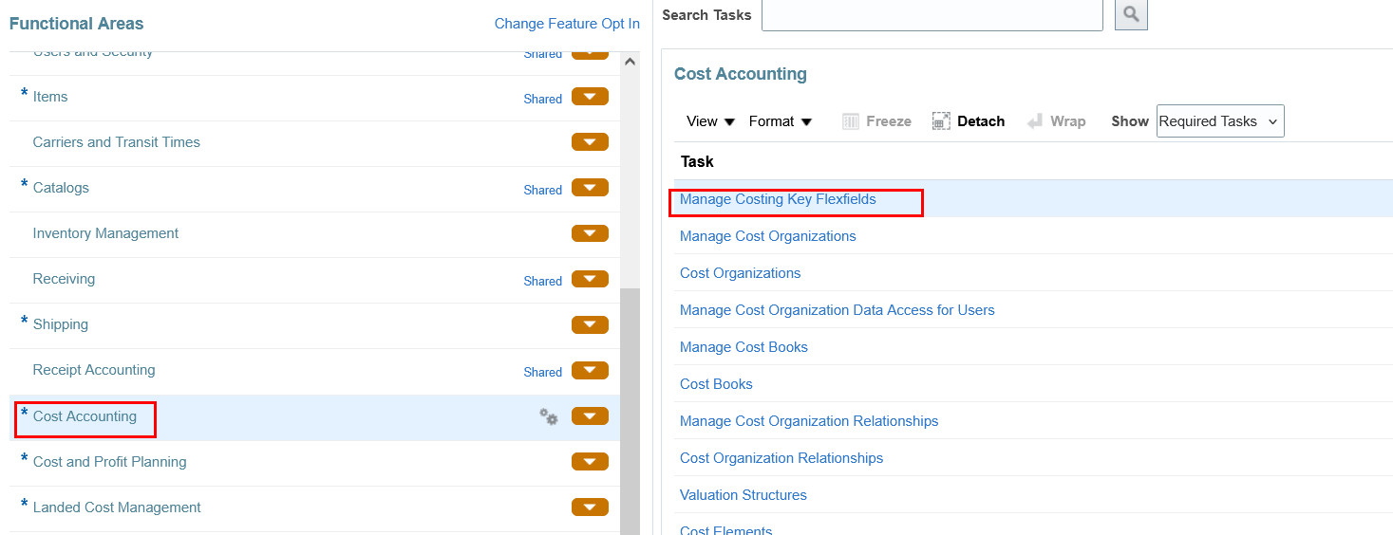
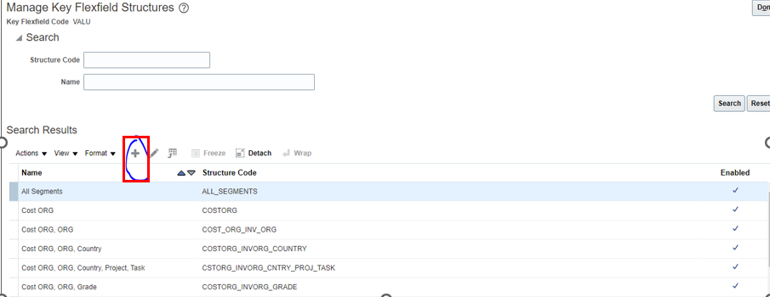

 | Costing Setups and Process

 | 1 | Valuation unit flexfield
 | 2 | Consigned flexfields
 | 3 | manage costing lookups
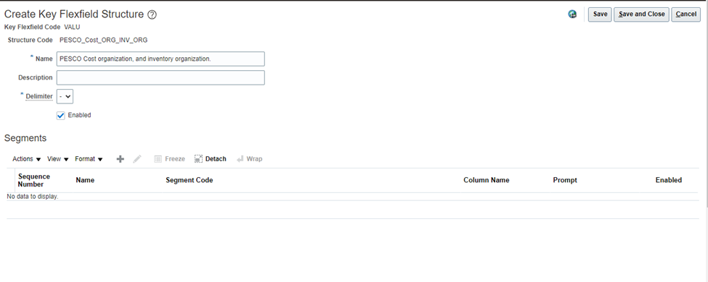
 | 4 | Manage costing descriptive flexfields
 | 5 | Manage cost organizaiton
 | 6 | manage cost books
 | 7 | manage cost organizaiton relationships
 | 8 | manage cost analysis groups
 | 9 | manage valuation structure
 | 10 | Manage cost elements
 | 11 | manage component mappings
 | 12 | Define cost profiles
 | 13 | Manage Default cost profiles
 | 14 | Manage item cost profiles
 | 15 | Manage valuation units
 | 16 | Manage overhead expense pools
 | 17 | Manage overhead cost elements groups
 | 18 | assign cost account role and data access
 | 19 | Manage cost scenarios
 | 20 | Manage standard costs
 | 21 | Perform update standard costs (update costs ESS job)

 |  | Cost Management Accounting Process Steps:
 |  | Run transfer transactions from receiving to costing
 |  | Run “Transfer transaction from inventory to costing” ESS Job Process
 |  | Run “Transfer Transactions from Production to Costing” ESS Job Process
 |  | Perform “Create Cost Accounting Distributions
 |  | Check out “Review Cost Accounting Distributions”
 |  | Run “Create Accounting” ESS Job Process
 |  |  | the system automatically generated 3 job processes.
 |  |  | 1. Create Accounting
 |  |  | 2. Create Accounting Subprocess
 |  |  | 3. Create Accounting Execution Report

 |  | first we need to setup the

 | Cost Management Subledger Accounting Setups (SLA Setups)

 |  | 1. Create Mapping Set (Optional)
 |  | 2. Create Account Rule
 |  | 3. Create Subledger Journal Entry Rule Set (SJE Rule Set)
 |  | 4. Create Accounting Method
 |  | 5. Assign Accounting Method to Ledger

 | 16 would be great
 | 16
 | no
 | I would like to be in bangalore because of

 | 16 LPA if you fixed would be higher
 | go ahead sir, I

 | thanks,\

 |  | this is used by supplier to confirmation the shipment
 |  | he will advance notice buying team when the material receiving
 |  | usually defined in the supplier portal module
 |  | so we will get the ASN and then we do the receiving in the expected receiving
 |  | then we do receiving and then we do the put away

 |  | yes

 |  | yes, in the pick wave release rule, we need to setup the auto pick confirmation and aslo we need to pass the ship confirmation rules

 |  | we have review pending transaction screen
 |  | we will review them and clear them by providing the needful transaction

 |  | we will add to the transaction and then run the manage inventory trnasaction ESS job

 |  | no, I know concept

 |  | yes
 |  | SSP,, sourcing, supplier portal, core purchasing,

SCFO
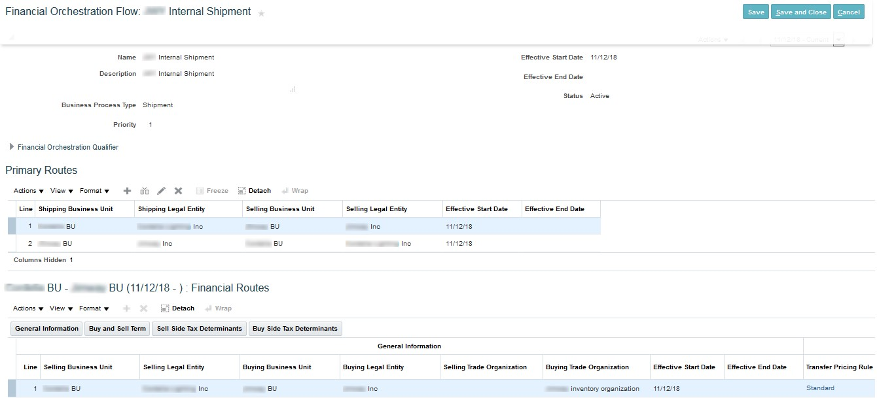
SCFO - supply chain financial orcehstration

For every organization, setting internal control is very important and when it comes to Inventory Management, setting up a tight control is very important. In recent past, organizations have started opting for Centralized Supply Chain Transactions like Centralized Procurement or Centralized Shipment for inventory transactions, spread in various geographies across the globe.
With such transactions gaining pace, it’s equally important that financial aspect of the same should also be correctly handled, including the agreement between buying selling organizations, for eg: Transfer Pricing Rule for the Goods shipped by one organization on behalf of another including profit mark, if any.
For handling these intercompany/intracompany transactions, Oracle Cloud Applications has provided with a configurable set of application known as Supply Chain Financial Orchestration.
Using the Financial Orchestration flow, organizations can segregate Supply Chain Physical Flow of such transactions with their respective financial impact.
As per definition, Financial Orchestration Flow is flow of information defining the trade relationship between two different entities, which tracks and stores information which involves financial documents for the trade transaction such as intercompany accounts receivables, intercompany accounts payable.

SUPPLY CHAIN FINANCIAL ORCHESTRATION IN ORACLE CLOUD (SCFO)
Below is the list of business processes and respective events which triggers change in ownership, generating a Financial Orchestration flow in Oracle Cloud:
GLOBAL PROCUREMENT
PO Receipts
PO Return
GLOBAL PROCUREMENT FOR CONSIGNED INVENTORY
Transfer to Owned
Transfer to Consigned
INTERNAL ORGANIZATION TRANSFER
Inter organization Shipment or Internal Organization Receipt
INTERNAL MATERIAL TRANSFER
Transfer Order Shipment or Transfer Order Receipt
Return Transfer Order Shipment or Return Transfer Order Receipt
INTERNAL ORGANIZATION TRANSFER FOR CONSIGNED INVENTORY
Transfer to Owned
Transfer to Consigned
INTERNAL MATERIAL TRANSFER FOR CONSIGNED INVENTORY
Transfer to Owned
Transfer to Consigned
GLOBAL SHIPMENT
Sales Order Shipment
RMA Receipt
DROP SHIPMENT
Advance Shipment Notice from Supplier or Supplier Invoice match
QUICK SETUPS FOR CONFIGURING SCFO IN ORACLE CLOUD
Manage Documentation and Accounting Rules
Manage Supply Chain Financial Orchestration Transfer Pricing Rules
Manage Supply Chain Financial Orchestration System Options
Manage Profit Center Business Unit Party Relationships
Manage Supply Chain Financial Orchestration Qualifiers
Manage Supply Chain Financial Orchestration Flows
SCFO Documentation and Accounting Rules
Documentation and accounting rules are defined to specify the type of accounting documentation to be create. For example, whether intercompany AP/AR invoices are to be created or not, whether profits in inventory should be tracked or not.

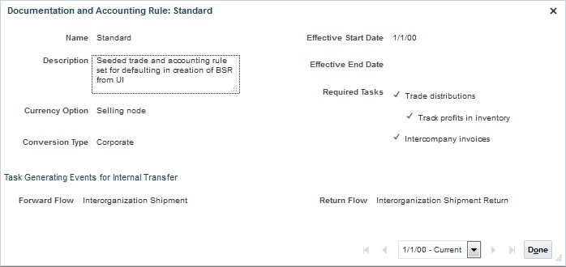

SCFO Transfer Pricing Rules
Transfer Pricing rules are created to determine whether transaction cost, purchase order price, or the sales order price is to be used, to calculate the intercompany transfer price between the buying and selling organizations. A markup or markdown percentage can also be defined on the internal sale.

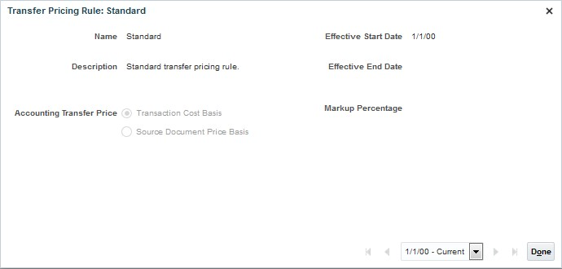

SCFO System Options
Configure the Item Organization and Service Item which financial orchestration will use to validate each item based on the qualifiers defined.

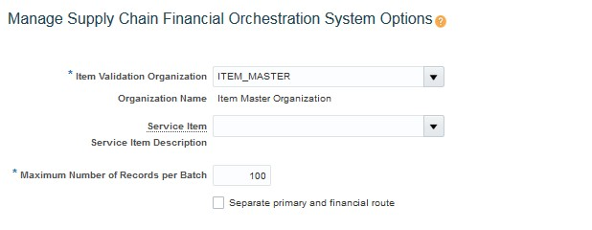

SCFO Profit Center Business Unit Party Relationships

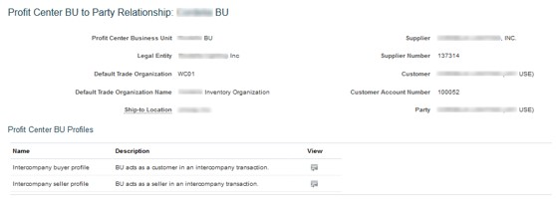

Buyer Profile

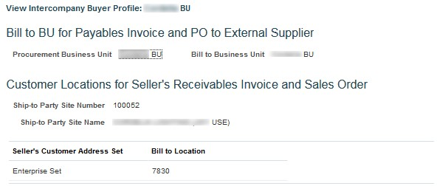

Seller Profile

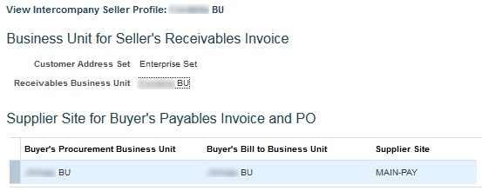

SCFO Qualifiers
Define financial orchestration qualifiers which determines when and under what conditions, financial orchestration flow needs to be triggered. For e.g. Financial Orchestration flow needs to be triggered only if Order Type is Direct Ship or a specific supplier or customer is placed in a transaction, then we can define the same under SCFO Qualifiers.

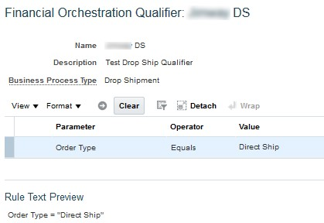

Manage Supply Chain Financial Orchestration Flows
Under Orchestration Flow, one need to setups the following:
Legal entities and business units involved in the Financial Orchestration flow.
Financial orchestration qualifiers configured for the Financial Orchestration flow.
Financial routes to use for the Financial Orchestration flow.
Transfer pricing rules and documentation accounting rules.
Effective Date.
Specify Priority for various Orchestration flows.

Financial Orchestration Setups
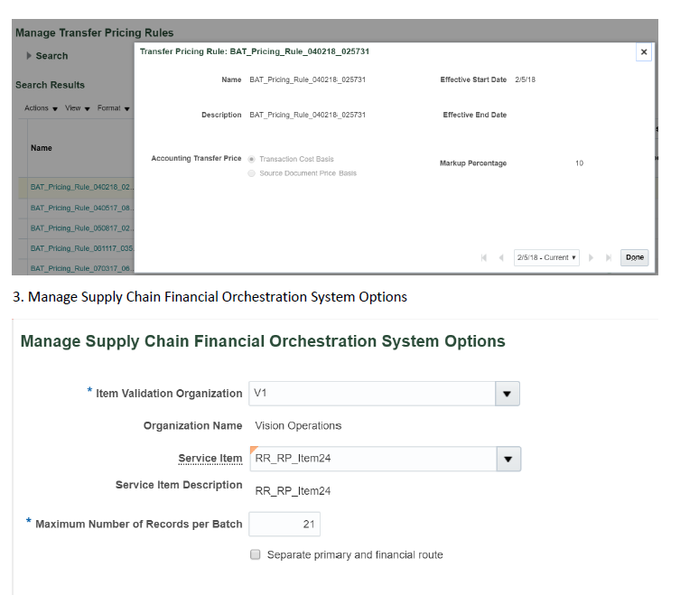
Financial Orchestration Setups: | Back

1. Create supplier and customer that’ll coordinate with both business units.

2. Manage transfer pricing rules.
Here is where you can define the markup whether it’s going to be the cost or source document. In other words what should be the cost that’ll be considered in the transfer and then the mark up will be applied so if you are dealing with a PO it’s going to determine whether you want the price on the PO or the cost of the item in costing.

3. Manage Supply Chain Financial Orchestration System Options

4. Manage Intercompany Customer and Supplier Assignments.
The setup task name is Manage Intercompany Customer and Supplier Associations.

5. Manage Profit Center Business Unit Party Relationship.
In here we are going to establish the relation between two Business units one is the supplier and the one is the buyer. Cause you know there’ll be AR and AP invoices generated between both. So when SFO creates an AR invoice it’ll bring the customer from here.

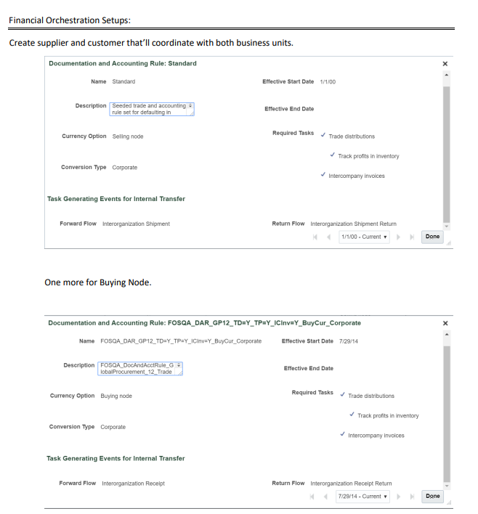
6. Financial Orchestration Qualifier.

7. Manage Financial orchestration Flows

AIM and OUM
 | AIM (Application Implementation Methodology) and OUM (Oracle Unified Method) are two implementation methodologies used for Oracle products, including Oracle Fusion. They differ in approach, scope, and applicability.

 | 1. AIM (Application Implementation Methodology)

 | Purpose: AIM is a traditional project management methodology tailored for the implementation of Oracle E-Business Suite (EBS) applications.

 | Structure: AIM is process-driven, providing detailed documentation and templates for each phase of implementation.

 | Phases: It is based on a waterfall approach, with well-defined phases like:

 | Definition (scope, requirements)

 | Operations Analysis (business process modeling)

 | Solution Design
 | Build
 | Transition (training, testing)
 | Production (go-live)

 | Characteristics:
 | Focuses heavily on documentation and process management.
 | Sequential phases, with each phase being completed before moving to the next.
 | Suitable for traditional, on-premise implementations.
 | Widely used for Oracle EBS implementations.

 | 2. OUM (Oracle Unified Method)

 | Purpose: OUM is a flexible, scalable methodology designed to cover the full lifecycle of Oracle product implementations, including Oracle Fusion applications and cloud-based solutions.

 | Structure: OUM incorporates best practices from various methodologies, including Agile, allowing for iterative and incremental implementation.

 | Phases:
 | Inception (project initiation and planning)
 | Elaboration (analysis and design)
 | Construction (build and test)
 | Transition (deployment and go-live)
 | Production (post-go-live support)

 | Characteristics:
 | Supports both Agile and traditional project management approaches.
 | Allows for iterative cycles, meaning different phases can overlap and evolve throughout the project.
 | Used for cloud-based, on-premise, and hybrid Oracle implementations (including Oracle Fusion).
 | Focused on flexibility and adaptability.

 | Key Differences
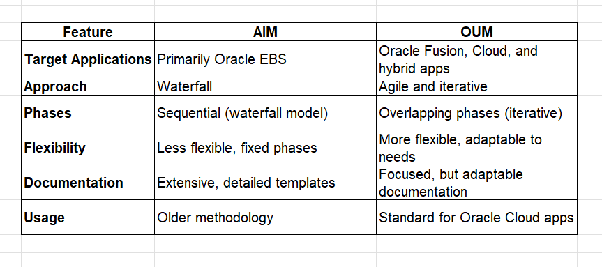

 |  | Feature | AIM | OUM
 |  | Target Applications | Primarily Oracle EBS | Oracle Fusion, Cloud, and hybrid apps
` |  | Approach | Waterfall | Agile and iterative
 |  | Phases | Sequential (waterfall model) | Overlapping phases (iterative)
 |  | Flexibility | Less flexible, fixed phases | More flexible, adaptable to needs
 |  | Documentation | Extensive, detailed templates | Focused, but adaptable documentation
 |  | Usage | Older methodology | Standard for Oracle Cloud apps
 | In Oracle Fusion implementations, OUM is the preferred methodology due to its flexibility and alignment with modern cloud-based technologies.

Bill only Ship only SO
In Oracle Apps R12, Bill Only and Ship Only sales orders are used in specific business scenarios where either only billing or only shipping needs to be performed, without the other process. Here's a breakdown of both types:

1. Bill Only Sales Orders |  |  |  | Back
 |  |  |  |  | DOO_OrderFullfilmentGenericProcess,
Purpose: A Bill Only sales order is used when you want to create an invoice (billing) for a customer, but no physical goods are being shipped. |  |  |  |  | Bill Only, Ship Order Generic Process, ReturnOrderGeneric Process

Scenarios: |  |  |  |  | Ship Only
For services where no physical goods are delivered.
For situations where goods have already been shipped (perhaps by a third-party logistics provider) and you only need to bill the customer.
Used for advanced billing or progress billing (e.g., when a customer is invoiced in phases but shipment happens at a different stage).

Process:
The order is created in Oracle Order Management.
The workflow proceeds to Invoicing without involving the Shipping Execution module.
No shipping documents like packing slips or shipping labels are generated.
Once the order is processed, it directly moves to the Receivables module for invoicing.

2. Ship Only Sales Orders

Purpose: A Ship Only sales order is used when you need to ship goods but do not want to create an invoice or bill the customer immediately.

Scenarios:
For internal transfers, consignment sales, or scenarios where the billing happens later (e.g., post-shipment billing).
Used for situations where the customer will be invoiced through a different method or system.
Ideal for testing and development purposes where physical goods are shipped but no billing is required.

Process:
The order is created in Oracle Order Management.
The workflow proceeds through Shipping Execution without generating an invoice.
Packing slips and shipping labels are generated as usual, and the goods are shipped.
The order is not interfaced with Oracle Receivables, and no invoice is created.

Key Differences:
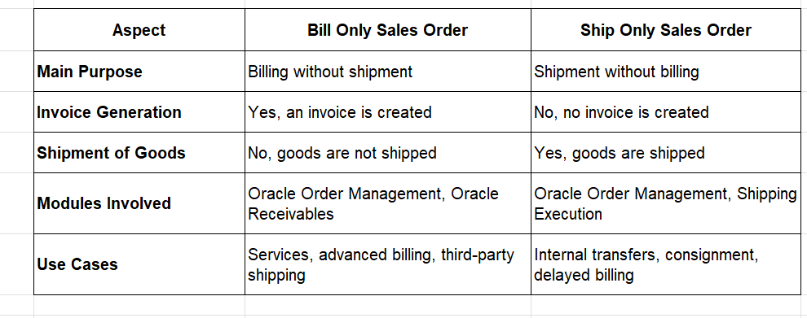
 | Aspect | Bill Only Sales Order | Ship Only Sales Order
 | Main Purpose | Billing without shipment | Shipment without billing
 | Invoice Generation | Yes, an invoice is created | No, no invoice is created
 | Shipment of Goods | No, goods are not shipped | Yes, goods are shipped
 | Modules Involved | Oracle Order Management, Oracle Receivables | Oracle Order Management, Shipping Execution

 | Use Cases | Services, advanced billing, third-party shipping | Internal transfers, consignment, delayed billing

These specialized order types provide flexibility for businesses to handle scenarios where shipping and billing processes don't align in time or scope.

1
How to create an Orchestration Process with no Schedule Step - Global Order Promising (GOP) Call?

1. Navigate to Setup and Maintenance:
2. Search for and Select the task - Manage Orchestration Process Definitions
3. Search for seeded Orchestration Process - DOO_OrderFulfillmentGenericProcess
4. Click on Duplicate icon to make a copy of seeded Orchestration Process

5. Rename the customer Orchestration Process as per standard naming convention starting with CustomDOO ( In this case name used - CustomDOO_OrderFulfillmentGenericProcess)

6. Go to section Process Details and click on Status Conditions tab and then Edit Status Rule Set button.

7. Delete the step 100 (Scheduled), 2000 (Manual Schedule Required) and 2020 (Unscheduled) from Status Rule Set
8. Click on Status Condition tab and then Orchestration Process Status Values
9. Delete the step 100 (Scheduled), 1400 (Manual Schedule Required)
10. Click on Status Condition
11. Delete the step 100 (Scheduled)

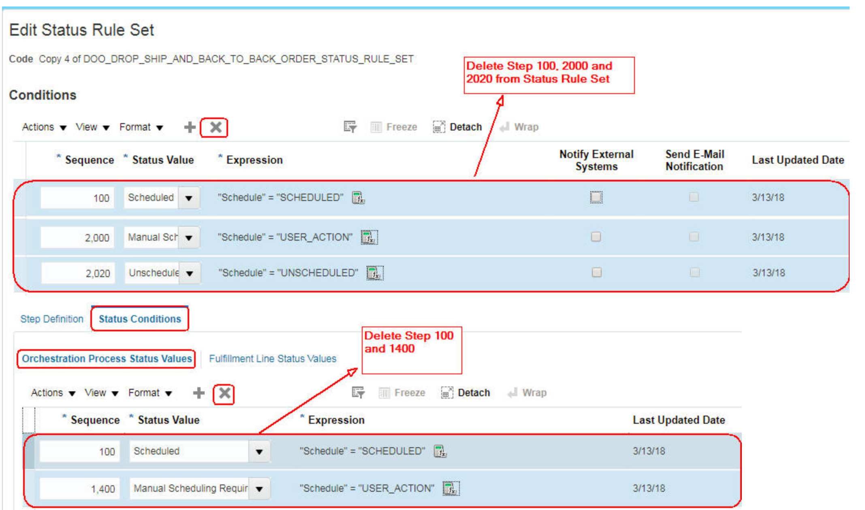

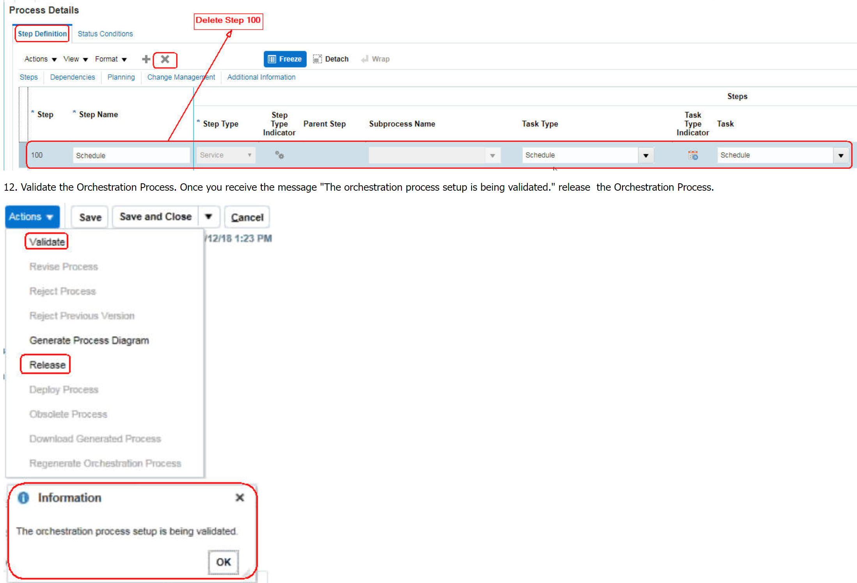

13. Now to create the Sales Order you have to Default the Schedule Ship Date from Requested Ship Date. Refer the following document to default the Requested Ship Date from Scheduled Ship Date -

2
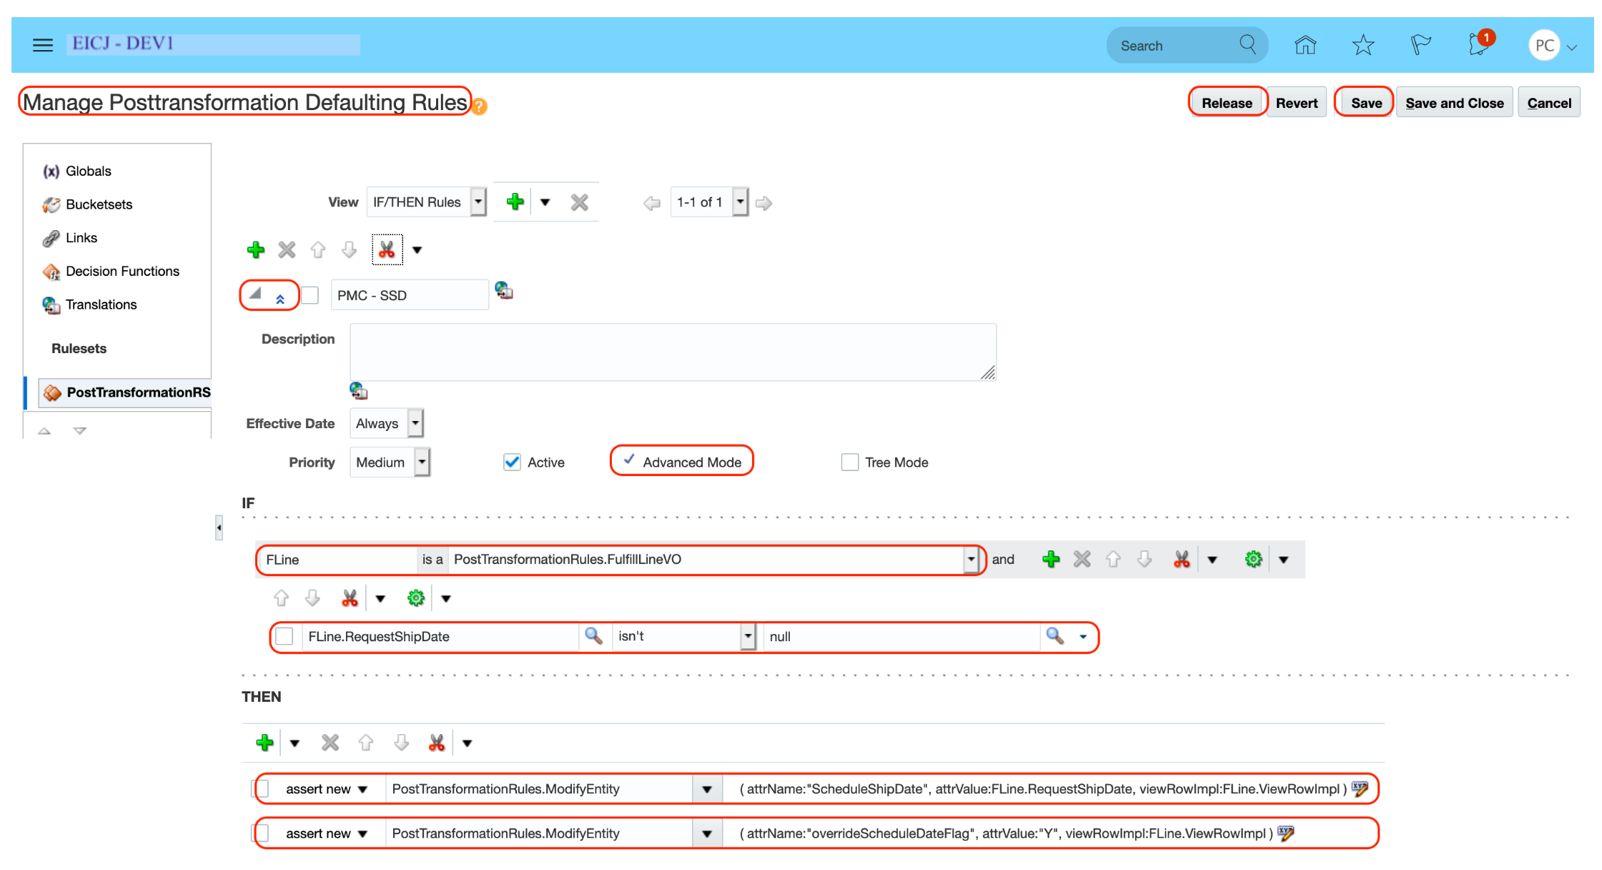
How To Default Schedule Ship Date from Requested Ship Date Using PostTransformation Defaulting Rules (Doc ID 2190769.1)

1. Navigate to Setup and Maintenance.
2. Search for and Select the Task - Manage Posttransformation Defaulting Rules.
3. Add a New Rule .
4. Show Advanced Features by selecting the - two up arrows - icon.
5. Select - Advanced Mode.

Note: - Select Active when you want the rule to be considered.

Amend the rule where:

A. If Statement is:

Fline - is a - PostTransformationRules.FulfillLineVO

Fline.RequestShipDate - isn't - null

B. Then Statement is

assert new - PostTransformationRules.ModifyEntity - ( attrName:"overrideScheduleDateFlag", attrValue:"Y", viewRowImpl:Fline.ViewRowImpl )

assert new - PostTransformationRules.ModifyEntity - ( attrName:"ScheduleShipDate", attrValue:Fline.RequestShipDate, viewRowImpl:Fline.ViewRowImpl )

NOTE: The overrideScheculeDateFlag must be set otherwise the Schedule Ship Date will be overwritten by Order Promising. In Webservice pass the Warehouse information through the Payload if overrideScheculeDateFlag is set to Yes.

Personalizations
MODIFYING THE LOOK AND FEEL OF FUSION APPLICATION:

If you want to learn to personalize your Fusion outlay, you’re at the right place. From changing colors to integrating logos, this blog post will help you make the platform more authentic. Reshape the fusion platform in the image of your business for the professional appeal. Fabricate an immersive environment with the fusion.

Some of the salient points justifying such a move are:

a. Company-Specific Logo on Welcome Page:
Each company prefers to have its own logo on the Welcome Page instead of the seeded one delivered by Oracle. While on one hand, it does help individuals to identify the Environment that they are working on, on the other hand, it also does a bit on the advertisement part. No harm displaying the company logo on the ERP application being used by the company.

b. Adhering to a specific color:
While Oracle has tried its level best to present the application in the most pleasant way carefully choosing the background and foreground colors, some companies might decide to have a different shade on their environment. The application provides flexibility and enables users to do so.

c. Uniquely identify a particular instance (POD / Fusion Environment:
For a typical organization using Fusion Applications or for that matter any other ERP system there are multiple environments (Also referred to as Instances / Pods) like Development, UAT, SIT, Pre-Production and Production.

Since all of the above looks similar at times it becomes difficult to identify the Environment on which a specific task is being carried out. A change supposed to be done on the Development environment may be performed on UAT or vice versa and this might cause issues.

One smart way of avoiding such mistakes would be using smart the color-coding scheme on the environment (maybe as displayed below):

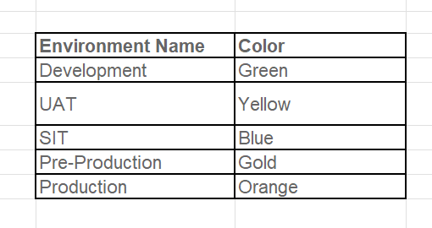

There could be many more reasons but for now, we would restrict ourselves to the above three and continue with our example.

Example:

In this example, we would change the logo from the seeded one (VISION as displayed in the first screenshot) and replace the same with a new logo (customer-specific one).

As a first step we have to log in to the application (specific Fusion POD where we intend to make the changes) and click on the ‘Appearance’ (under Tools menu) hyper-link.

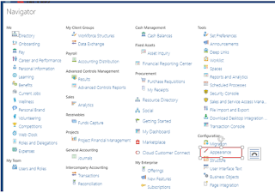

This takes us to the below screen:





Once you click on the Edit button you would be asked to activate a sandbox (this feature ensures that all the changes are made in a specific customized area ensuring that in case something does not go well the changes can be reverted)

We already have a sandbox “ApplcoreLongSB_01” and we will use the same here instead of creating new sandbox.

Once the same is set as Active you would notice the same displayed on the topmost region (snap-shot below)
N bz z
We need to click on the ‘Update’ Button and point to our logo/image (in this example we have used an image which is stored in a local machine but this could very well be an online image too).

Next we should click on ‘Ok’ button followed by the ‘Apply’ button.

This change will appear on all the pages and the same could be verified too by navigating to different Fusion pages. In this example, we will verify the same on the homepage to get confirmation.

An important point to note here is that all these changes did not require downtime and was on the go which is a big plus and very good feature to have.
We are on the homepage now and it would be hard to miss that the logo has been changed to the new one

Although we have already made the change in the logo the change is too small and so to make the change simple and clearly, visible let-we try to change the background color too. We would change the same to ED6A24 (for this example).



And once we Click on ‘Apply’ we are able to view the change:

And finally a look at the Homepage:



So we saw how the skin, theme and various colors of the appearance of a Fusion environment can be changed. Anyone can hopefully get the desired results by following the same process.

I have not done for purchasing

Transformation Rule
1. Pre transformation Rule : Is used for if you get the default values into the system. |  |  |  | Back
2. Post transformation Rule
3. Product transformation Rule
4. Process Assignment Rule
5. Routing Rule

Pre-Transformation Rule

Pre-Transformation Rules are applied before the actual transformation of data takes place. They are used to validate, preprocess, or modify data before it is
transformed or processed further in the system. These rules are essential for ensuring that the data meets the required standards and conditions before any transformation occurs.

Key Aspects:

1. Purpose:

To validate and cleanse data before it undergoes transformation.
To apply business logic or data adjustments that are required before the main transformation process.

2. Usage:

Data Validation: Ensuring that data meets certain criteria or constraints before processing.
Data Cleansing: Correcting or standardizing data formats or values.
Preprocessing: Modifying data or setting conditions that influence how the data will be transformed.

3. Examples:

Validating Data: Checking if required fields are populated before transforming the data into the target system.
Formatting: Standardizing date formats or currency values before processing.
Enrichment: Adding or modifying data fields based on predefined rules before the main transformation.

4. Configuration:

Pre-transformation rules are typically configured in the Data Integration or ETL (Extract, Transform, Load) processes.
They can be set up through Oracle Fusion’s integration tools, such as Oracle Integration Cloud (OIC) or Oracle Data Integrator (ODI).

Post-Transformation Rule

Post-Transformation Rules are applied after the data has been transformed. These rules are used to validate, refine, or further process the data once the
initial transformation is complete. They help ensure that the transformed data meets all necessary business requirements and is correctly integrated into the target systems.
Key Aspects:

1. Purpose:

To validate and refine data after transformation.
To ensure that transformed data aligns with business rules and requirements before final integration.

2. Usage:

Data Validation: Verifying that the transformed data meets required conditions and constraints.
Data Adjustments: Making final adjustments or calculations based on the transformed data.
Integration: Ensuring that the transformed data is correctly integrated into downstream systems or processes.

3. Examples:

Data Integrity Checks: Verifying that the transformed data is accurate and consistent with business rules.
Final Adjustments: Making adjustments based on business logic or rules that apply after transformation.
Reporting: Generating reports or notifications based on the results of the transformed data.

4. Configuration:

Post-transformation rules are typically configured within the Data Integration or ETL processes.
They can be set up through Oracle Fusion’s integration and data processing tools, such as Oracle Integration Cloud (OIC) or Oracle Data Integrator (ODI).

Summary of Differences


 | Aspect | Pre-Transformation Rule | Post-Transformation Rule
 | Timing | Applied before data transformation. | Applied after data transformation.
 | Purpose | Validate, preprocess, or modify data before transformation. | Validate, refine, or further process data after transformation.
 | Use Cases | Data validation, cleansing, and preprocessing. | Data integrity checks, final adjustments, and reporting.
 | Configuration | Configured in integration or ETL processes. | Configured in integration or ETL processes.

Approval Management


Approval Management in Fusion

Approval Management in Fusion: Points to Ponder:

Oracle Business Process Management (BPM):

The BPM Worklist Application is a web-based application that lets users access tasks assigned to them and perform actions based on their roles in the approval process. Administrators can set up approval groups and task-level configuration via an administration portal or through the Oracle BPM Worklist.

As in EBS suite, we have different types of transactions (“Purchase Requisition Approval”) we have tasks defined for each Transaction in Fusion for example for I-Expenses the task is “Manage Expense Approvals” and for Procurement the task is “Manage Requisition Approvals”.

How to configure or edit Manage Requisition Approval process:

Navigate to: Setup and Maintenance > Select: Procurement > Setup button > Functional Areas: procurement> Show: All Tasks > Manage Requisition Approvals > Oracle BPM Worklist as shown below



Click on the Manage Requisition Approvals which will take you to Mange Requisition Approval Set up page as shown below:


You can create new rules by clicking Edit Rules button as shown in above screen shot or by selecting create option from Actions Drop Down.

An approval rule is composed of the following:
1. Rule Name
2. Condition
3. Action

Rule Name:
The Rule Name is used to identify the approval rule.
• In cases where there are large numbers of rules, users can filter search results in the Query by Example fields.

Condition:
The Condition indicates when the approval rule will be applied.
A rule can contain multiple conditions, and you can select the “and” or “or” operators to indicate if all conditions in the approval rule must be true or if only one condition must be true for the approval rule to apply.
For example, if the requisition amount is less than 10,000 and requisitioning BU is US Business Unit. A condition can be defined using attributes seeded in a dimension or user-defined attributes. Please look into the section on how to create User Defined Attributes.
You can create the condition by using predefined Approval Task attributes or by using User Defined Attributes.



You can serch for any standard attributes and can create the condition as shown below.

Action:
An action defines what needs to be done if the conditions of a rule is met.
It identifies if approvals or FYI notifications are required and the type of users needed to approve or receive notification for a document.

The supported action types are: -
· Approval required
· Approval actions required from the recipients of the approval tasks - Automatic
· Automatically approve or reject the approval task - Information only
· FYI notifications sent to recipients



In the below screenshot you can see we created Action based on Condition

The Supported Routing Methods are:
· Approval Group
· Job-Level
· Position Hierarchy
· Single Approver
· Supervisory Hierarchy

User-Defined Attributes
Organizations have different requirements for document approvals. Some of these requirements may include the need to perform currency conversions for amount based attributes or derive approvers based on a roll-up amounts across lines within a document with common attributes. These user-defined attributes are managed and used within a specific approval task.
There are two types of user-defined attributes they are:
· Currency Based
· Summation.

Currency Based on User-Defined Attributes:
You can define currency based attributes such that amounts indifferent currencies are converted to a specific currency for the rule evaluation.

For example, Acme Corp. creates an attribute “USD Requisition Amount” and uses the attribute for rule conditions, such as if USD Requisition Amount is less than 500, approvals from the preparer’s manager is required and so forth. If a requisition created in Mexico is submitted, where the functional currency is pesos, the requisition amount will first be converted to USD before rules are evaluated.



Summation User-Defined Attributes:
Customers who need to perform approval routings based on data aggregated across one or more attributes when a document contains more then one line, schedule or distribution can create summation user-defined attributes.
For example, Acme Corp’s approval policy requires the number of IT approvers to be based on the total amount of IT requests within a requisition. If the total IT amount is less than 1200 USD, then the IT manager needs to approve. If the IT amount exceeds 1200 USD, then the IT manager, director, and VP need to approve the document.



Deploying Approval Rules:
Any changes made to the rules or any rules that have been newly added have to be deployed for them to be effective.
· Deploying approval rules will require users to Click on the Deploy button on the Edit Rules and on the Manage Approval Rules page.
· If users do not intend to deploy the changes that were made to the rules, they can choose to click on the
· Discard button to revert the rules to the last deployed state.

Save: Save or Save and Close will save the updated rules to the database without deploying them. Users can edit and save rules across multiple participants before deploying them.

Deploy: Deploy updates the rules engine and makes all the rule changes across all participants effective. It is displayed on both the Manage Approval Rules page and the Edit Rules page. The Deploy button is disabled by default and is enabled when there are rules that have been setting up Document Approvals updated and saved.
Discard: Discard is displayed on both the Manage Approval Rules page and the Edit Rules page. It is disabled by default and is enabled when there are rules that have been updated and saved. Discard removes any rule changes that were saved and the rules will go back to the last deployed state.

Once You Click on Deploy The below warning Message will Appear.

Click on the Confirmation Dialog Message.
Once the changes are deployed, the rule will be effective once by enabling (Enable) button adjacent to “Edit” button where you created or edited the rule as shown below.

unordered receipts
 |  |  | we have RAW materail
Receipt Types |  | Back | usually go with subinventory
Unordered Receipt | Receipt Types - Unordered - Cascade - Substitute - Express-Blind |  | like ON FG
Cascade Receipt |  |  | ONRAW
Substitute Receipt | you want to receive the items to your location now , then you can create the po and match |  | ONRAW
Express Receipt | it and receive against that po
 | if that is the case then you can use unordered receipts |  |  | we have subinventories like
 |  |  |  | finished goods subinventory
 | setups for unordered receipts |  |  | raw material suinvenory
 | in receiving parameters, against the inventory org that you want to use |  |  | damaged subinventory
 | you need enable unordered receipts |  |  | return subinventory
 | for the particular item, at the item level you need to enable the unordered receipts to yes |  |  | MRB subinventory
 |  |  |  | it is material review board
 | then only in the inventory management , you can able to see |  |  | we usually any matrial damaged or required attention from the quality team we put in MRB subinventory
 | create unordered receipts option |  |  | where we can check thequali

 | steps |  |  | MRB is still a good stock but need clarification from quality team
 | first you need to create an unordered receipt lines by providing the |  |  | damanged subinventory is already confirmed by the quality team the
 | item,receiving location and qty details and click on create receipt
 | in the create receipt page, you need to provide the supplier details and then submit it
 | then receipt number gets generated
 | then you create a purchase order against the same item and same supplier
 | and provide the same qty information and then we submit it
 | after the po is approved and it is in open status
 | then we match the unordered receipts
 | by providing item or supplier details we search and then do the matching
 | while matching we need to provide the document number,line and schecule information
 | and we submit it
 | then we do the put away by giving the qty and sub inv information
 | that purchase order status will be closed for receiving

 | 1. Unordered Receipt

 | Description:

 | An Unordered Receipt is used when you receive goods or services without a corresponding purchase order. This method allows you to record
 | the receipt of items that are not linked to a specific order, which can be useful for receiving unexpected shipments or items purchased via other means.
 | Use Case:

 | Receiving items from suppliers that were not previously ordered through a purchase order.
 | Handling unexpected deliveries or emergency purchases.

 | Process:

 | The user records the receipt of items manually in the system.
 | The receipt is not linked to a specific purchase order but is entered directly into inventory or accounts.

 | Key Points:

 | Useful for managing ad-hoc or unplanned receipts.
 | Typically involves manual entry of receipt details and may require additional verification.

 | 2. Cascade Receipt

 | Description:

 | Cascade Receipts refer to a process where receipt transactions cascade through different levels of the supply chain or multiple locations. This method
 | is used when goods need to be received at one location and then transferred or distributed to other locations or departments.
 | Use Case:

 | Receiving goods at a central warehouse and then transferring them to regional distribution centers.
 | Managing multi-location inventory where items are received at a central point and then cascaded to other locations.

 | Process:

 | Goods are first received at a central location.
 | The receipt is then processed, and inventory is adjusted at subsequent locations as goods are transferred.

 | Key Points:

 | Ensures proper tracking and management of inventory across multiple locations.
 | Can involve complex logistics and inventory management processes.

 | 3. Blind Receipt

 | Description:

 | Blind Receipts involve receiving goods without visibility into the purchase order details. This method is used when the receiving department
 | does not have access to the purchase order information and needs to rely on the physical inspection of goods.
 | Use Case:

 | Receiving items when the receiving department is not provided with purchase order details.
 | Handling situations where only the goods are inspected, and not the purchase order information.

 | Process:

 | The receipt is processed based solely on the physical goods received.
 | The receiving department verifies the items and records the receipt without referring to the purchase order.

 | Key Points:

 | Useful for situations where purchase order information is not immediately available.
 | Requires careful inspection of received goods to ensure accuracy.

 | 4. Express Receipt

 | Description:

 | Express Receipts are used to quickly process the receipt of goods or services with minimal steps and minimal documentation. This method is
 | designed to streamline the receipt process for items that are straightforward and do not require extensive processing.
 | Use Case:

 | Fast-tracking the receipt of high-volume, low-value items.
 | Processing straightforward transactions where speed is essential.

 | Process:

 | Receipts are recorded quickly with minimal data entry.
 | The system facilitates rapid processing, allowing for swift updating of inventory.

 | Key Points:

 | Speeds up the receipt process, reducing administrative overhead.
 | Ideal for routine transactions where detailed processing is not necessary.

 | 5. Allow Substitute Receipt

 | Description:

 | Allow Substitute Receipts enable the receipt of substitute items or products that are different from what was originally ordered. This method is
 | used when a supplier provides an alternative item due to stock shortages or other reasons.
 | Use Case:

 | Receiving substitute items when the ordered items are not available.
 | Handling situations where a supplier offers an alternative product.

 | Process:

 | The user records the receipt of the substitute items in the system.
 | The system allows for the substitution and updates inventory records accordingly.

 | Key Points:

 | Provides flexibility to manage supply chain disruptions or inventory issues.
 | Requires careful handling to ensure that substitutes meet quality and compliance standards.

 | Summary of Receipt Methods


 |  |  |  |  | Receipt Method | Description | Use Case | Process | Key Points
 |  |  |  |  | Unordered Receipt | Receipt of goods without a corresponding PO. | Handling unexpected deliveries. | Manual entry of receipt details. | Useful for ad-hoc receipts.
 |  |  |  |  | Cascade Receipt | Receipt transactions cascade through multiple locations. | Multi-location inventory management. | Goods received at a central point, then cascaded. | Manages inventory across locations.
 |  |  |  |  | Blind Receipt | Receipt without visibility into purchase order details. | Receiving items with no PO information. | Process receipt based on physical inspection. | Requires careful inspection of goods.
 |  |  |  |  | Express Receipt | Quick processing of receipts with minimal steps. | Fast-tracking high-volume, low-value items. | Minimal data entry and rapid processing. | Reduces administrative overhead.
 |  |  |  |  | Allow Substitute Receipt | Receipt of substitute items in place of ordered ones. | Handling situations where ordered items are unavailable. | Record substitute items and update inventory. | Manages supply chain disruptions.

 | These receipt methods provide flexibility and efficiency in managing different types of procurement scenarios in Oracle Fusion, helping organizations to streamline their receipt processes and manage inventory effectively.

sourcing
Sourcing | Back

We can initiate the bidding process form the sourcing module
we can invite suppliers to participate in the bidding process

so we can take the sourcing module help, where we can configure different set of
rfi,rfq or auctions
so these rfi are for information purpose , just to check pricing information and availability
rfq are request for quotation, we are taking the information and placing the order
suppliers will analyse the rfq and they will respond back to that rfq. we an call it as quotation
here we have single stage RFQ, two stage RFQ

in single stage RFQ, the respose visibility is blind
but in two stage RFQ, the response visibility is sealed that means the buyer cant see the
supplier quotation prices.
if supplier is not using supplier portal then he can provide response through surrogate quote. in this buyer should have the offical statement from the supplier about his quote
through mail or fax like that . then only he can provide quotations on behalf of supplier

after receiving quotations / response from the suppliers
we will identify the best quotation based on different factors like
cost, quality, based on supplier capabillity, warrenty and other
service details. based on all these factors we will identify the

best quotation. so once you identify the good quotation that
means you have identified the good supplier
so to that you can place Purchase order

in cloud we have 3 types of purchase order
standard purchase order, blanket purchase agreement and contract purchase agreement
so std purchase order we will raise when we know all the information like
item, qty,price, need by date, and terms and conditions

when you know all these 5 elements and that is for one time request for materials or service
all purchase orders are commercial documents that means
we agreed certain terms and conditions with our suppliers

if you select bpa or cpa, then you need to mention the agreemnt amount,
agreement duration. because if you mention agreement duration and agreement value
that will be encouracing the suppliers to provide the best response

tender template or negotiation template is used for creating the negotiation
very quickly. you can create negotiation templates from scratch |  | we can group list of requirements in negotationt template
or you can open an existing negotiation that you can convert into an
negotiation template

category manager role is required for sourcing
outcomes are defaulted from negotiation template

using negotiation style, we can hide the unwanted tabs .
oracle provided 5 to 6 tabs. you want all the tabs or
if you dont want one or 2 tabs you can hide them using
negotiation style

we need to create the cost factors
attribute list
need to define the negotion template where we can capture all requried information
negtoation approvals and award approvals

a "blind" negotiation means only the buyer can see the responses while suppliers can't,
while a "sealed" negotiation means neither the buyer nor suppliers can see responses until the negotiation is unlocked or unsealed



Two-Stage RFQ
The two-stage RFQ process involves the submission by the suppliers of a technical quote and a commercial quote.
The technical quotes are opened and evaluated first to determine a list of qualified suppliers,
and only then are the commercial quotes of the qualified suppliers opened and evaluated

In the Navigator, go to the Negotiations work area.

From Tasks, select Create Negotiation.

In Create Negotiation, select Two Stage Negotiation stylesheet and select the two-stage evaluation option.

Click Create.

In the Edit Negotiation: Overview train stop, enter the RFQ title, and then enter the negotiation close date.

Provide the RFQ title and the close date as an year from today. The Close Date date picker is in the Schedule region.
You must create a technical requirement and a commercial requirement.
In the Requirements train stop, click Add Section.

In Requirement, enter value Skills and Certification and in Evaluation Stage select Technical, and then click Add Requirement.

In Requirement enter Duration, in Requirement Text, enter the requirement, How long have you been providing this service?
Select requirement type as Text entry box, select scoring as Manual, and weight as 20, and then click Save and Close.
In the Requirements train stop, click Add Section.

Add the commercial section.
In Requirement, enter value Business and Financial Strength and in Evaluation Stage select Commercial, and then click Add Requirement.

In Add Requirement, do the following: In Requirement enter Profit, in Requirement Text enter requirement,
What was your company's profit for the last fiscal year? Select requirement type as Text entry box,
select scoring as Manual, and weight as 20, and then click Save and Close

auction and rfq difference in oracle fusion

In Oracle Fusion Procurement, both RFQ (Request for Quotation) and Auctions are sourcing tools used to
obtain pricing and other information from suppliers, but they differ in their process and suitability for different
scenarios. RFQs are typically used for well-defined requirements and involve a more traditional negotiation process with multiple rounds.
Auctions, on the other hand, are best suited for situations where price is the primary factor, and a competitive
bidding process among suppliers is desired, often with a shorter timeframe.

Sales Order Approvals1
Sales Order Approval in Fusion
Sales Order Approval in Fusion can be achieved in oracle order management cloud by setting up some configuration and rules. below are the steps
Setup Approvals for sales order in manage order management parameters

 | Back

2. Go to manage order approval rules to create approval rules











De

BIP
 | Back
What is Oracle BI Publisher?
Oracle BIP stands for Oracle Business Intelligence Publisher which is a reporting tool in SaaS to extract data and represent it in various forms such as PDF, Excel, CSV, XML, etc.

Prerequisites:
Below are pre-requisites to complete this article:
1. Oracle Fusion SaaS Instance with necessary roles to create reports
2. Basic knowledge of SQL
Steps to create BIP reports
The following are the high-level steps to create BIP reports:

Data Model: Data Model is the source of data, where the developer can write the SQL code as per requirement.

Report: Report is the representation layer where the developer has to attach the templates ( RTF, E-Text, Excel, XSLT, etc.). The report needs to be linked with Data Model to extract data.
Let’s go ahead and create the Data model and Report in Oracle SaaS.

Creating Data Model
1. Login into Oracle SaaS, navigate to Tools -> Reports and Analytics as shown in the below screenshot. Once the page is opened click on Browse Catalog and then the analytics page will be opened.



2. The analytics catalog page contains two folders (My Folders and Shared Folders) as shown in the below screenshot. My Folders is only accessible to the logged-in user however the Shared Folders will be accessible to all users.
Note: It is always suggested to develop the Report and Data model in My Folders and post-development migrate them to Shared Folders.



3. Navigate to My Folders and click on New -> Data Model as shown in the below screenshot:



4. Once Data Model is opened, click on Data Sets, click the + icon and select SQL Query to start writing the SQL Code



5. The developer has to provide Name, Data Source, and Type of SQL and proceed with writing the SQL code in the text area provided as shown in the below screenshot and click Ok to validate.



6. To view data, click on the Data tab and click on View. Before proceeding with the Report development click on Save As Sample Data and save the data model.

Now our Data Model is ready. The next step is to create a Report.
Creating Report
1. Click on New -> Report as shown in the below screenshot:



2. Once the report is opened browse the saved Data model (created in the above steps) as shown in the below screenshot and click the Next button. For the current report, we will proceed with the creation of the online template.



3. Click Next until you reach the Create Table tab then drag and drop the fields as shown in the below screenshot and uncheck Show Grand Totals Row if not required. Finally, click the Next and Finish button to save the report.



Both Data Model and Report are created successfully as shown in the below screenshot:

It’s time to test the Report.
Testing the Report

1. To test Report, click on Open inline to the Test_Report as shown in the previous screenshot. The data will be visible in the PDF (default format) as shown in the below screenshot:

We have successfully created Data Model, Report and Tested the report. Now both Data Model and Report can be migrated to the Shared folder to be accessed by all users.

RSSP
RSSP - Responsive Self Service Procurement- how to enable

tehre are around 10 steps, let me explain e


we also need to check the the category, for which the item must be linked
there are disallowed and allowed transactions in the content zone, in the content zone security we need to check the condition
we have to link the item to the item validation organization the item must be linked
we have BPA, suppliers, categories, users

yes we can keep, we have local content zone, information catalog content, punchout content zone

ye

