Company Map
Navigator
1. Aircrafts & Aviation
2. Missiles & Precision Systems
3. Naval

Aircrafts & Aviation | Designer & Integrator | Testing & Certification | Propulsions (Engine) | Radar & Sensors | Electronic Warfare Suites | Avionics & Displays | Airframe & Stealth | Flight Controls | Landing Gear & Hydraulics | Weapon Integration
Main Body / Integrator |  | 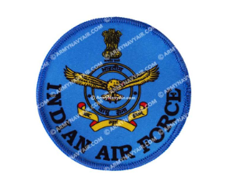 | HAL & DRDO have JVs with international companies |  |  | 
Sub-Systems |  |  | HAL & DRDO have JVs with international companies
Precision Components
Other Machining & Tooling
Raw Materials

Missiles & Precision Systems | Design & Integrator | Propulsions (Rocket Motor & Engines) | Guidance & Seeker Systems | Control Systems & Actuators | Warheads & Fuzes | Launchers & Firing Units
Main Body / Integrator
Sub-Systems |  | 
Precision Components
Other Machining & Tooling
Raw Materials

Naval | War Ship Builders | Submarine Builders | Propulsion & Power | Submarine Batteries | Sonar & Underwater Systems | Combat Management Systems ( CMS) | Weapons & Launchers | Radar & Sensors
Integrator |  |  | 
Sub-Structures & Other Systems |  |  |  |  | 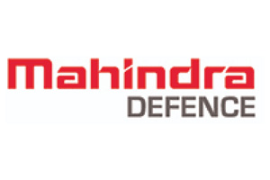
Precision Components
Other Machining & Tooling
Raw Materials

