Sheet1
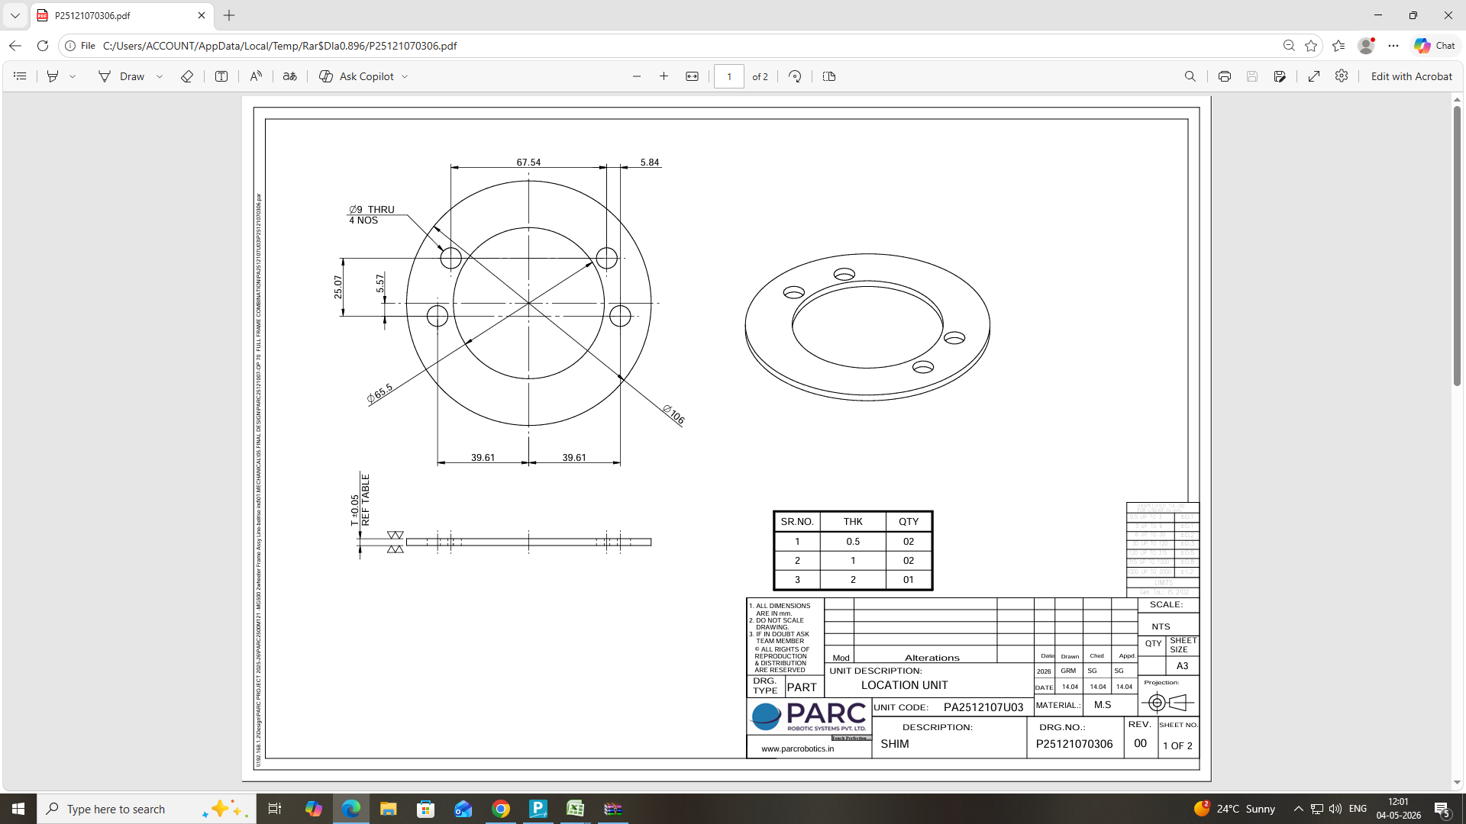
Round & Hole Shim | Dia | AREA | HOLE DIA | NO HOLES | HOLE AREA | TOT AREA | NO SRT PT | TH | COST | QTY | VALUE |  | WT | THK | M RATE | Mat COST
 | 116 | 364.24 | 65.5 | 1 | 205.67 | 683 | 6 | 0.5 | 20 | 2 | 39 | MATERIAL COST | 0.084 | 5 | 84 | 35
 |  |  | 9 | 4 | 113.04 |  |  | 1.0 | 27 | 2 | 54 | FINAL AMOUNT |  |  |  | 204.62
 |  |  | 0 | 0 | 0 |  |  | 2.0 | 42 | 1 | 42
 |  |  |  |  |  |  |  | 0.0 | 0 | 0 | 0

 |  |  |  |  |  |  |  |  |  |  | 135

