Sheet1
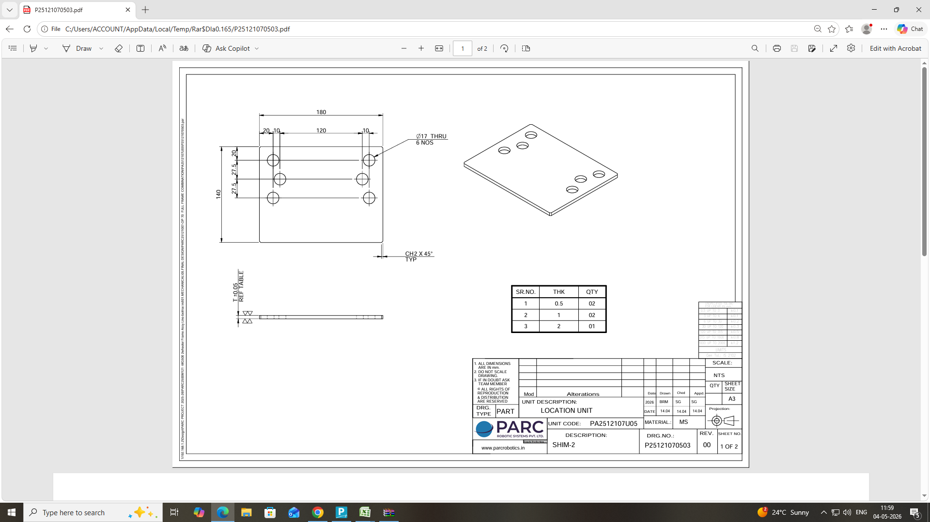
Shim Formula Sheet
 | Size | L | W | AREA | HOLE / SLOT (Size) | QTY | AREA | TOT AREA | NO SRT PT | TH | COST | QTY | VALUE |  | WT | THK | M RATE | Mat COST
 |  | 190 | 150 | 680 | 17 | 6 | 320.28 | 1000 | 7 | 0.5 | 25 | 2 | 50 | MATERIAL COST | 0.24 | 5 | 84 | 100
 | Plane & Hole Shims | Hole 2(Dia) |  |  | 0 | 0 | 0 |  |  | 1.0 | 36 | 2 | 72 | FINAL AMOUNT |  |  |  | 336
 |  | Hole 3(Dia) |  |  | 0 | 0 | 0 |  |  | 2.0 | 58 | 1 | 58
 | Slotted Shims | Slot 1 Length |  |  | 0 | 0 | 0 |  |  | 0.0 | 0 | 0 | 0
 |  | Slot 1 Radius |  |  | 0 | 0 | 0
 |  | Slot 2 Length |  |  | 0 | 0 | 0 |  |  |  |  |  | 180
 |  | Slot 2 Radius |  |  | 0 | 0 | 0

