Sheet1
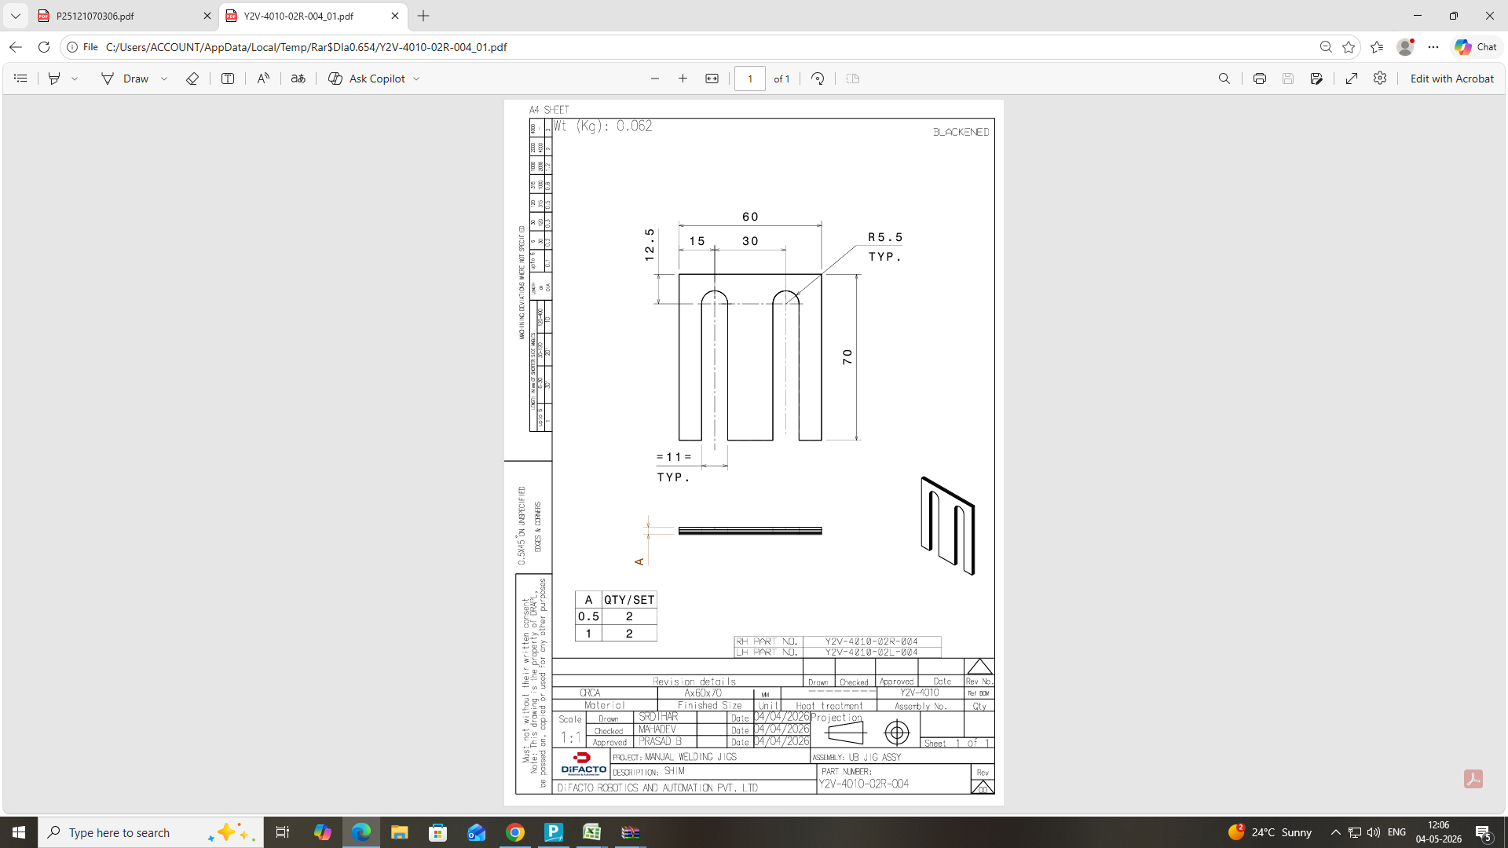
Shim Formula Sheet
 | Size | L | W | AREA | HOLE / SLOT (Size) | QTY | AREA | TOT AREA | NO SRT PT | TH | COST | QTY | VALUE |  | WT | THK | M RATE | Mat COST
 |  | 80 | 70 | 300 | 0 | 0 | 0 | 565 | 1 | 0.5 | 8 | 2 | 16 | MATERIAL COST | 0.05 | 3 | 84 | 13
 | Plane & Hole Shims | Hole 2(Dia) |  |  | 0 | 0 | 0 |  |  | 1.0 | 14 | 2 | 29 | FINAL AMOUNT |  |  |  | 69
 |  | Hole 3(Dia) |  |  | 0 | 0 | 0 |  |  | 0.0 | 0 | 0 | 0
 | Slotted Shims | Slot 1 Length |  |  | 57.5 | 4 | 230 |  |  | 0.0 | 0 | 0 | 0
 |  | Slot 1 Radius |  |  | 5.5 | 2 | 34.54
 |  | Slot 2 Length |  |  | 0 | 0 | 0 |  |  |  |  |  | 45
 |  | Slot 2 Radius |  |  | 0 | 0 | 0

