Revision Info
Rev.01 Revision Info: | 1. Added row to declare Cost of Investment
 | 2. Added row to declare Vendor Support

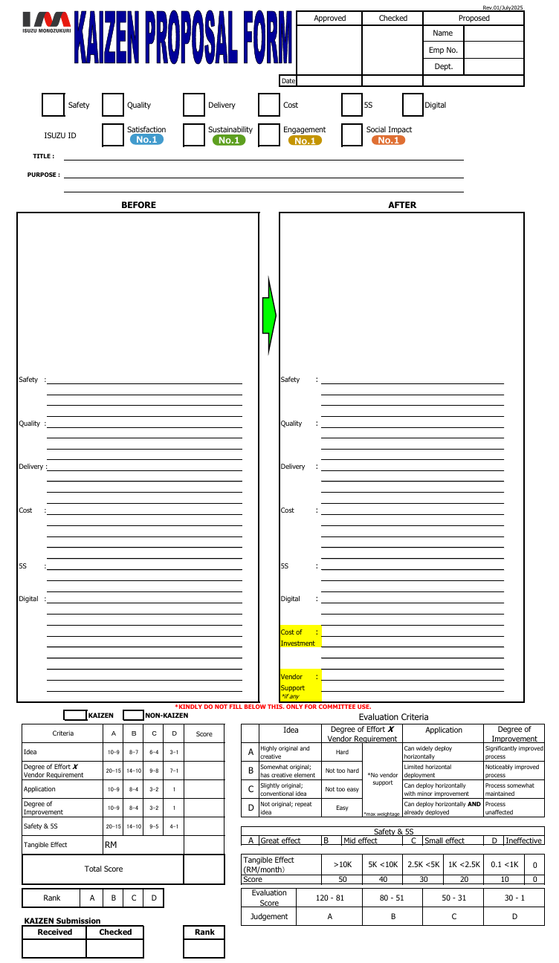

Applicable SQDC/5S/Digital impact
Before & After the Kaizen implementation

New item #1
- To declare cost of investment to do the Kaizen, i.e.:
item purchase cost / fabrication cost / manhour cost / vendor cost / etc

New item #2
- To declare if vendor support was involved
- To specify what support was given

NEW KAIZEN FORM - Rev.01
KAIZEN PROPOSAL FORM
 |  |  |  |  |  |  |  |  |  |  |  |  |  |  |  |  |  |  |  |  |  |  |  | Rev.01/July2025
 |  |  |  |  |  |  |  |  |  |  |  |  |  |  | Approved |  |  |  | Checked |  | Proposed
 |  |  |  |  |  |  |  |  |  |  |  |  |  |  |  |  |  |  |  |  | Name
 |  |  |  |  |  |  |  |  |  |  |  |  |  |  |  |  |  |  |  |  | Emp No.
 |  |  |  |  |  |  |  |  |  |  |  |  |  |  |  |  |  |  |  |  | Dept.
 |  |  |  |  |  |  |  |  |  |  |  |  |  | Date

 |  |  | Safety |  |  |  | Quality |  |  |  | Delivery |  |  | Cost |  |  |  |  | 5S |  | Digital

No.1
No.1
No.1
No.1
 |  | ISUZU ID |  |  |  |  | Satisfaction |  |  |  | Sustainability |  |  | Engagement |  |  |  |  | Social Impact
 | TITLE :

 | PURPOSE :

BEFORE |  |  |  |  |  |  |  |  |  |  |  |  |  | AFTER

Safety |  | : |  |  |  |  |  |  |  |  |  |  |  | Safety |  | :

Quality |  | : |  |  |  |  |  |  |  |  |  |  |  | Quality |  | :

Delivery : |  |  |  |  |  |  |  |  |  |  |  |  |  | Delivery |  | :

Cost |  | : |  |  |  |  |  |  |  |  |  |  |  | Cost |  | :

5S |  | : |  |  |  |  |  |  |  |  |  |  |  | 5S |  | :

Digital |  | : |  |  |  |  |  |  |  |  |  |  |  | Digital |  | :

 |  |  |  |  |  |  |  |  |  |  |  |  |  | Cost of |  | :
 |  |  |  |  |  |  |  |  |  |  |  |  |  | Investment

 |  |  |  |  |  |  |  |  |  |  |  |  |  | Vendor |  | :
 |  |  |  |  |  |  |  |  |  |  |  |  |  | Support
 |  |  |  |  |  |  |  |  |  |  |  |  |  | *if any
 | *KINDLY DO NOT FILL BELOW THIS. ONLY FOR COMMITTEE USE.

 |  |  |  |  | KAIZEN |  |  | NON-KAIZEN |  |  |  | Evaluation Criteria

 | Criteria |  |  |  |  | Ａ | Ｂ | Ｃ | Ｄ | Score |  |  | Idea |  |  |  | Degree of Effort X Vendor Requirement |  |  | Application |  |  | Degree of Improvement

 | Idea |  |  |  |  | 10-9 | 8-7 | 6-4 | 3-1 |  |  | A | Highly original and creative |  |  |  | Hard |  | *No vendor support | Can widely deploy horizontally |  |  | Significantly improved process

 | Degree of Effort X Vendor Requirement |  |  |  |  | 20-15 | 14-10 | 9-8 | 7-1 |  |  | B | Somewhat original; has creative element |  |  |  | Not too hard |  |  | Limited horizontal deployment |  |  | Noticeably improved process

 | Application |  |  |  |  | 10-9 | 8-4 | 3-2 | 1 |  |  | C | Slightly original; conventional idea |  |  |  | Not too easy |  |  | Can deploy horizontally with minor improvement |  |  | Process somewhat maintained

 | Degree of Improvement |  |  |  |  | 10-9 | 8-4 | 3-2 | 1 |  |  | D | Not original; repeat idea |  |  |  | Easy |  | *max weightage | Can deploy horizontally AND already deployed |  |  | Process unaffected

 | Safety & 5S |  |  |  |  | 20-15 | 14-10 | 9-5 | 4-1
 |  |  |  |  |  |  |  |  |  |  |  | Safety & 5S
 | Tangible Effect |  |  |  |  | RM |  |  |  |  |  | A | Great effect |  |  |  | B | Mid effect |  | C | Small effect |  | D | Ineffective

 | Total Score |  |  |  |  |  |  |  |  |  |  | Tangible Effect (RM/month） |  |  |  |  | >10K |  | 5K <10K | 2.5K <5K |  | 1K <2.5K | 0.1 <1K |  | 0
 |  |  |  |  |  |  |  |  |  |  |  | Score |  |  |  |  | 50 |  | 40 | 30 |  | 20 | 10 |  | 0

 | Rank |  |  | A |  | B | C | D |  |  |  | Evaluation Score |  |  | 120 - 81 |  |  |  | 80 - 51 |  | 50 - 31 |  | 30 - 1

 |  |  |  |  |  |  |  |  |  |  |  | Judgement |  |  | A |  |  |  | B |  | C |  | D
 | KAIZEN Submission
 | Received |  |  |  | Checked |  |  |  |  | Rank

