Revision Info
Rev.01 Revision Info: | 1. Added row to declare Cost of Investment
 | 2. Added row to declare Vendor Support

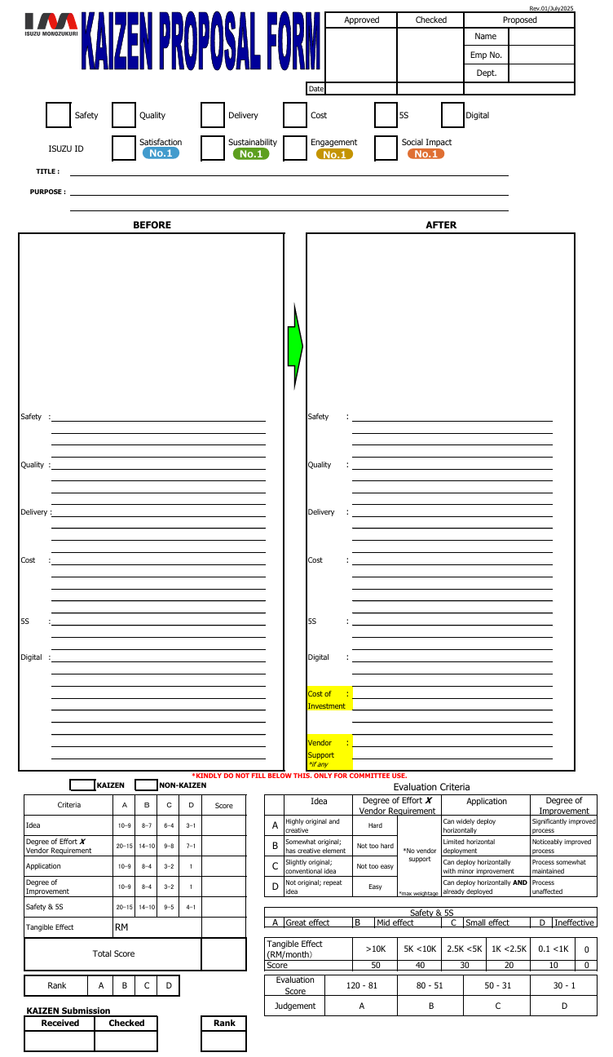

 |  | 5/5 |  | 4/5 | 5/5 |  | 4/5

 |  |  | Implementation of Paperless Documentation System to Reduce Paper Usage and Improve Work Efficiency

 |  |  | To reduce paper consumption in daily operations.




Applicable SQDC/5S/Digital impact
Before & After the Kaizen implementation

 |  | The current operational model heavily relies on paper-based documentation across various departments, leading to significant inefficiencies and environmental concerns. The constant printing, physical handling, manual archiving, and retrieval of documents consume considerable time and resources. This reliance results in substantial costs associated with paper procurement, printer maintenance, ink, and dedicated storage space. Furthermore, the physical movement of documents hinders workflow velocity, complicates version control, increases the risk of loss or damage, and poses challenges for quick information access, ultimately impacting overall work efficiency and sustainability efforts. |  |  |  | To address these challenges, we propose implementing a comprehensive paperless documentation system, leveraging digital technologies. This initiative involves transitioning all relevant paper forms and reports into electronic formats, integrated with a robust document management system. Key steps include digitizing existing essential records, deploying e-signature capabilities as depicted, establishing digital workflows for approvals, and providing comprehensive training to all employees on the new system. The goal is to create a streamlined, accessible, and secure digital environment for document creation, storage, and retrieval, minimizing the need for physical paper.

 |  |  |  |  |  | The successful implementation of the paperless system is projected to yield substantial improvements. We anticipate a significant reduction in paper consumption, leading to considerable cost savings on supplies and storage. Work efficiency will improve dramatically through faster document processing, automated workflows, and instant access to information, reducing lead times for approvals and decision-making. Enhanced data security and improved version control will mitigate risks associated with physical documents. This initiative will also substantially bolster our environmental sustainability efforts, aligning with our commitment to reducing our ecological footprint and fostering a more modern, agile, and efficient workplace.

New item #1
- To declare cost of investment to do the Kaizen, i.e.:
item purchase cost / fabrication cost / manhour cost / vendor cost / etc

New item #2
- To declare if vendor support was involved
- To specify what support was given

