Sheet1
KATHMANDU ECO
FOR THE MONTH October,2025
DATE | Actual amount | Deducted amount | DATE | Actual amount | Deducted amount
2081-06-15 |  |  | 2082-07-01 | 2675 | 2300
2081-06-16 |  |  | 2082-07-02 | 3700 | 3110
2081-06-17 | 2370 | 1840 | 2082-07-03 | 1030 | 970
2081-06-18 | 1980 | 1310 | 2082-07-04 | 1425 | 1425
2081-06-19 | 1530 | 1190 | 2082-07-05 | 3045 | 3045
2081-06-20 | 1495 | 985 | 2082-07-06 | 1390 | 1070
2081-06-21 | 3470 | 1715 | 2082-07-07 | 3280 | 2570
2081-06-22 | 2470 | 2040 | 2082-07-08 | 2665 | 2370
2081-06-23 | 2535 | 1925 | 2082-07-09 | 2900 | 790
2081-06-23 | 925 | 685 | 2082-07-09 | 3670 | 2645
2081-06-24 | 2205 | 1725 | 2082-07-11 | 2565 | 1960
2081-06-25 | 2170 | 1530 | 2082-07-12 | 1760 | 1340
2081-06-26 | 4020 | 2645 | 2082-07-13 | 3445 | 2605
2081-06-27 | 1450 | 1260 | 2082-07-14 | 3060 | 2345
2081-06-28 | 2275 | 1725
2081-06-29 | 2455 | 1835
2081-06-30 | 1495 | 1040
2081-06-31 | 2500 | 2050

TOTAL AMOUNT |  |  | 71955

TOTAL AMOUNT(Deducted) |  |  | 54045

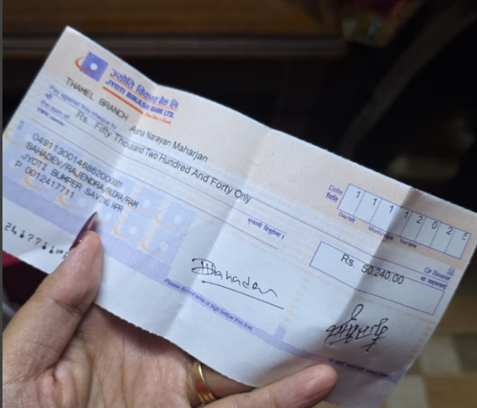
CHEQUE |  |  | 50240
Remaining |  |  | 3805

