Sheet1
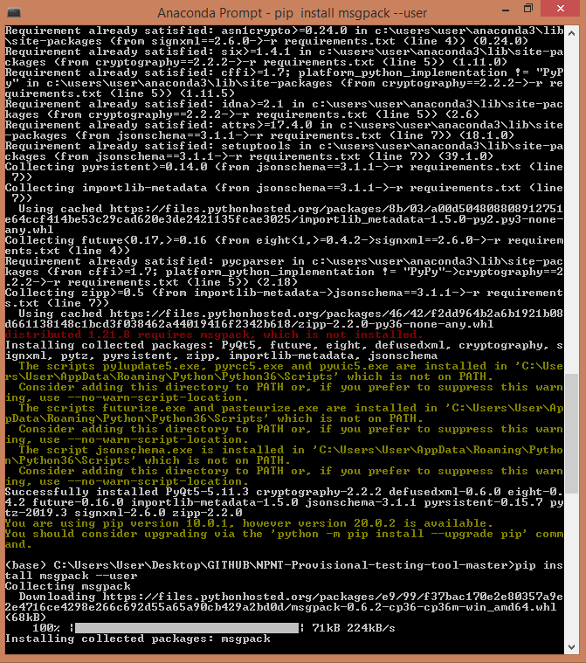
 | WEEK 1 | WEEK 2 |  | WEEK 3 | WEEK4 | WEEK5 (current)
Naveena M | Installation and discussion of the provisional tool. | Signing the JSON files | Detailed exploring of the folders
Nirupama S |  |  | Detailed exploring of the folders
Nisha Deborah Philips | 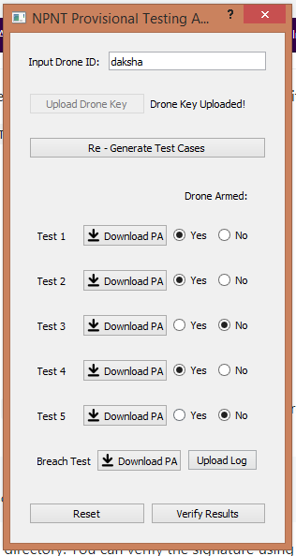 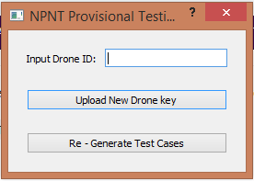 |  | 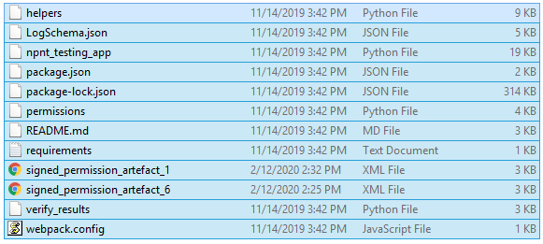 Detailed exploring of the folders

