ReadWriteFile
Index
BufferedWriter
FileWriter
Path + File Name
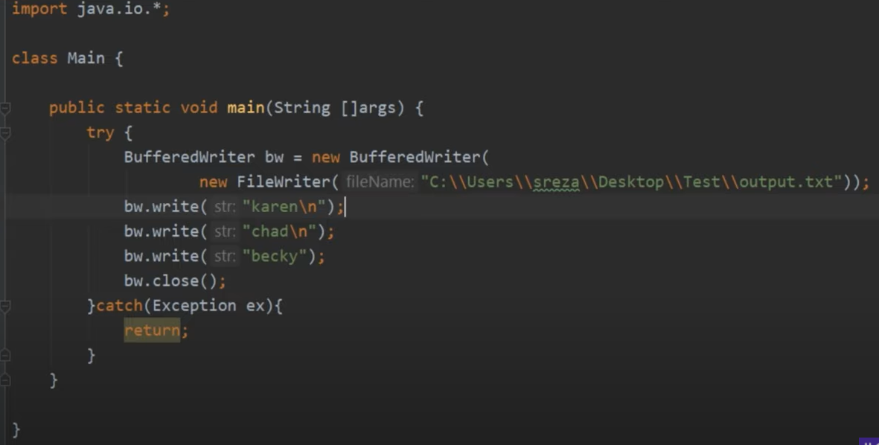

BufferedReader
FileReader
Path + File Name
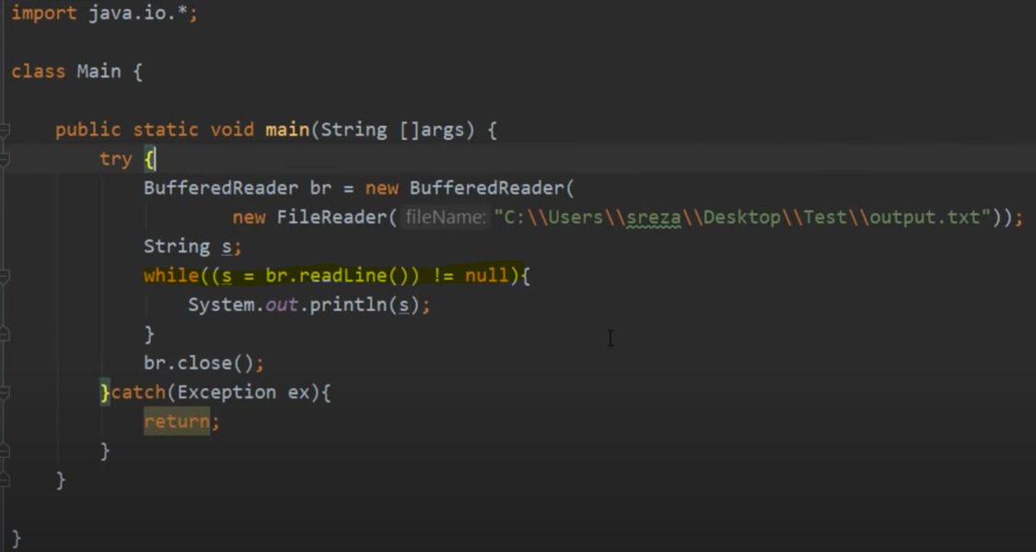

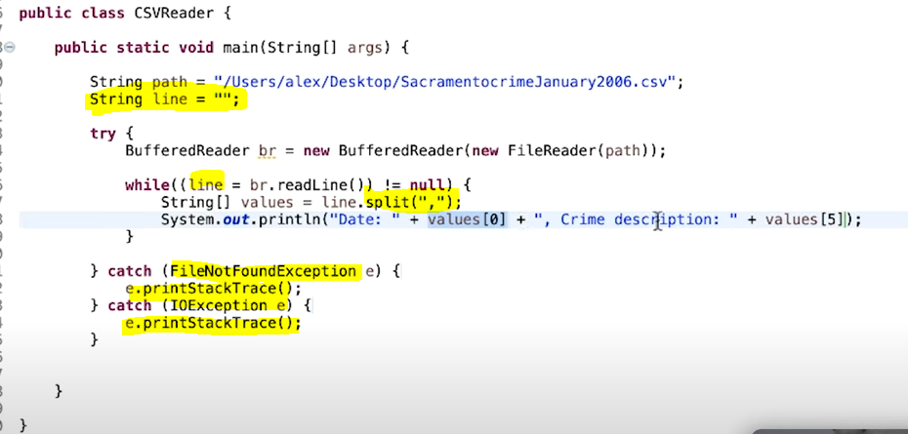

 | Trades
 | Trade_id | trade_date | product_id | account | quantity | price |  |  | Result-1
 | t1 |  | p1 | a1 | 100 | 20.2 |  |  | Trade_id | trade_date | product_id | account | quantity | price | volume | product_name | isin_num | closing_price
 | t2 |  | p2 | a1 | 50 | 10.5 |  |  | t1 |  | p1 | a1 | 100 | 20.2 | 2020 | product one | ISIN_1 | 10
 | t3 |  | p1 | a1 | 150 | 16.5 |  |  | t3 |  | p1 | a1 | 150 | 16.5 | 2475 | product one | ISIN_1 | 10
 | t4 |  | p1 | a1 | 250 | 15.5 |  |  | t4 |  | p1 | a1 | 250 | 15.5 | 3875 | product one | ISIN_1 | 10
 | t5 |  | p2 | a1 | 100 | 10.5 |  |  | t5 |  | p2 | a1 | 100 | 10.5 | 1050 | product_two | ISIN_2 | 20
 | t6 |  | p2 | a1 | 150 | 10.5 |  |  | t6 |  | p2 | a1 | 150 | 10.5 | 1575 | product_two | ISIN_2 | 20

 | Product |  |  |  |  |  |  |  | UseCase
 | product_id | product_name | isin_num | closing_price |  |  |  |  | 1 | Get All the trades where total volume of product&Account combination is exceeding 5000.
 | p1 | product one | ISIN_1 | 10
 | p2 | product_two | ISIN_2 | 20 |  |  |  |  | Steps:
 | p3 | product_tree | ISIN_3 | 0 |  |  |  |  | 1 | loadFiles
 |  |  |  |  |  |  |  |  | 2 | filter
 | account |  |  |  |  |  |  |  | 3 | create map
 | account_id | account_name |  |  |  |  |  |  | 4 | aggregate
 | a1 | account_one |  |  |  |  |  |  | 5 | filter
 |  |  |  |  |  |  |  |  | 6 | create file with all the details

 |  |  |  | Package | Interface | Class | Methods
 |  |  |  | Entity/Model |  | Trades
 |  |  |  |  |  | Products
 |  |  |  |  |  | CombinedTradeProductDetails

 |  |  |  | Repository | ReadFromCsvFile |  | readCsvFileData
 |  |  |  |  | WriteToCsvFile |  | writeEventsDetailsToCsvFile

 |  |  |  | Service |  | LoadTrades
 |  |  |  |  |  | LoadProducts
 |  |  |  |  |  | ReadFromCsvFileImp Implements ReadFromCsvFile
 |  |  |  |  |  | WriteToCsvFileImp Implements WriteToCsvFile |  | https://mkyong.com/java/how-to-export-data-to-csv-file-java/

 |  |  |  |  |  | EventDetectionLogic | getTrades
 |  |  |  |  |  |  | getProducts
 |  |  |  |  |  |  | joinTradesAndProducts
 |  |  |  |  |  |  | identifyEvents
 |  |  |  |  |  |  | displayEventsDetails
 |  |  |  |  |  |  | writeEventsDetailsToCsvFile

