APB Testbench Architecture
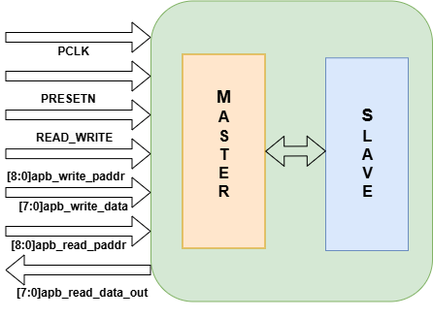
APB Test Bench Architecture | APB Directory Structure
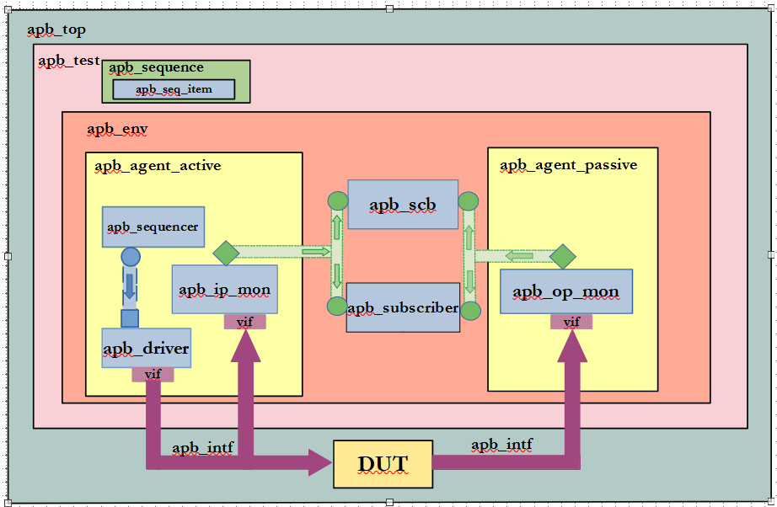
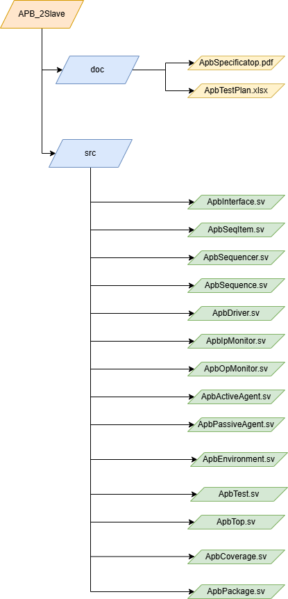

APB-2SLAVE BLOCK DIAGRAM

Bugs waveforms
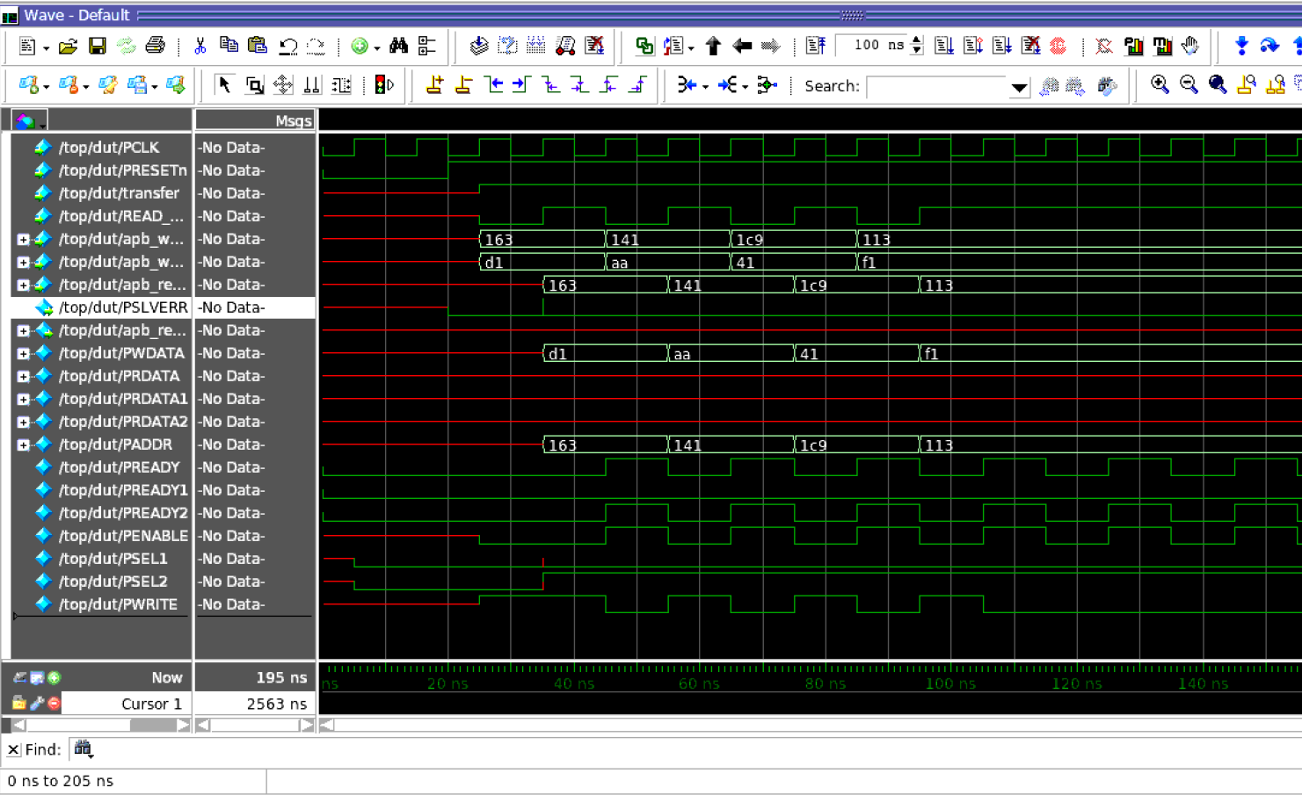
WAVEFORMS

without changing DUT(without changing 5 errors)

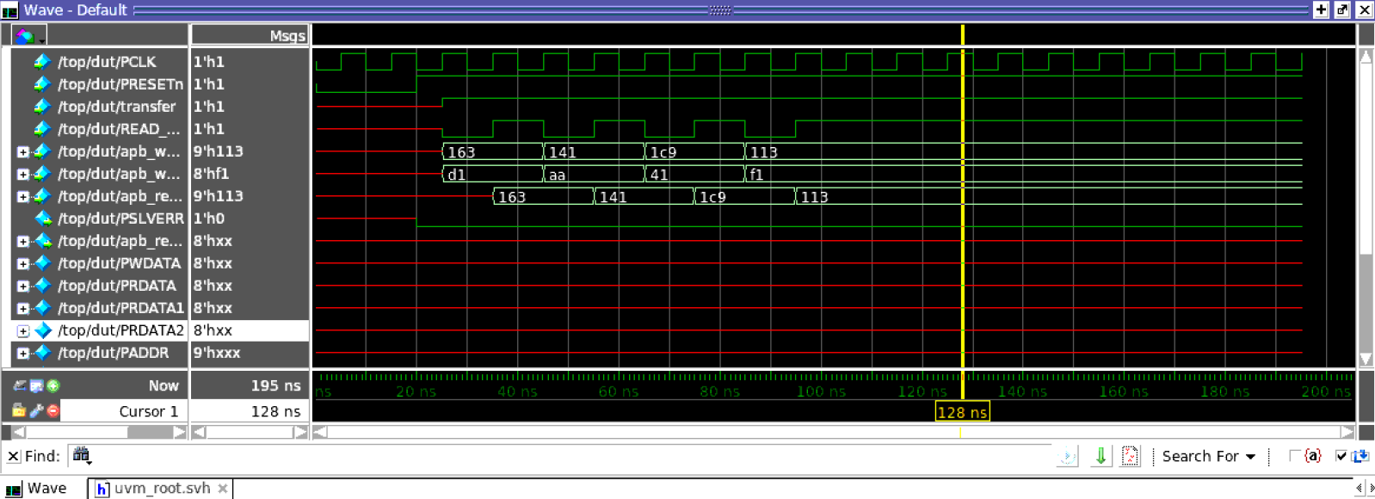

changed 1st error in master.v(!transfer)

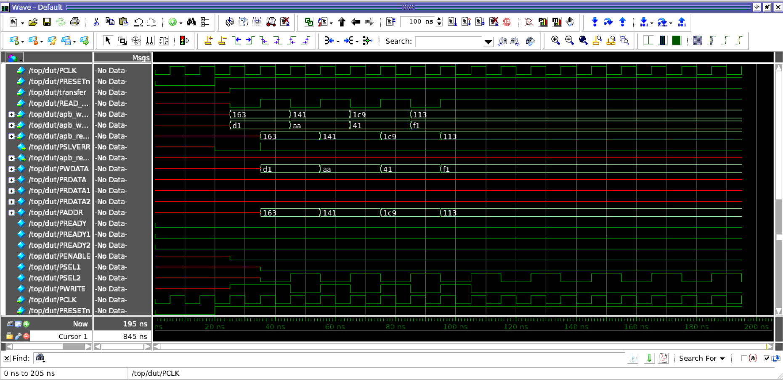

change 2nd error in master.v(!pslverr)

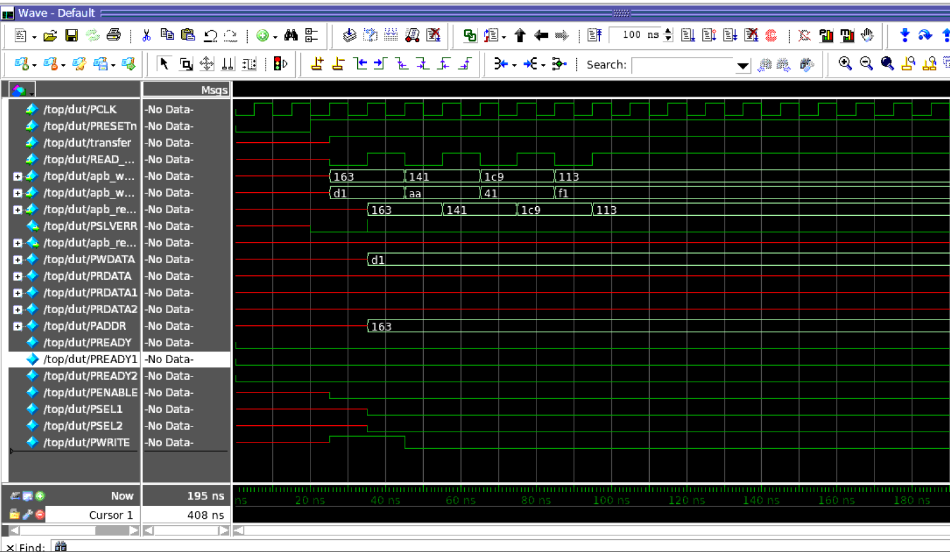

changed 3rd error in master.v(idle state slave selection)

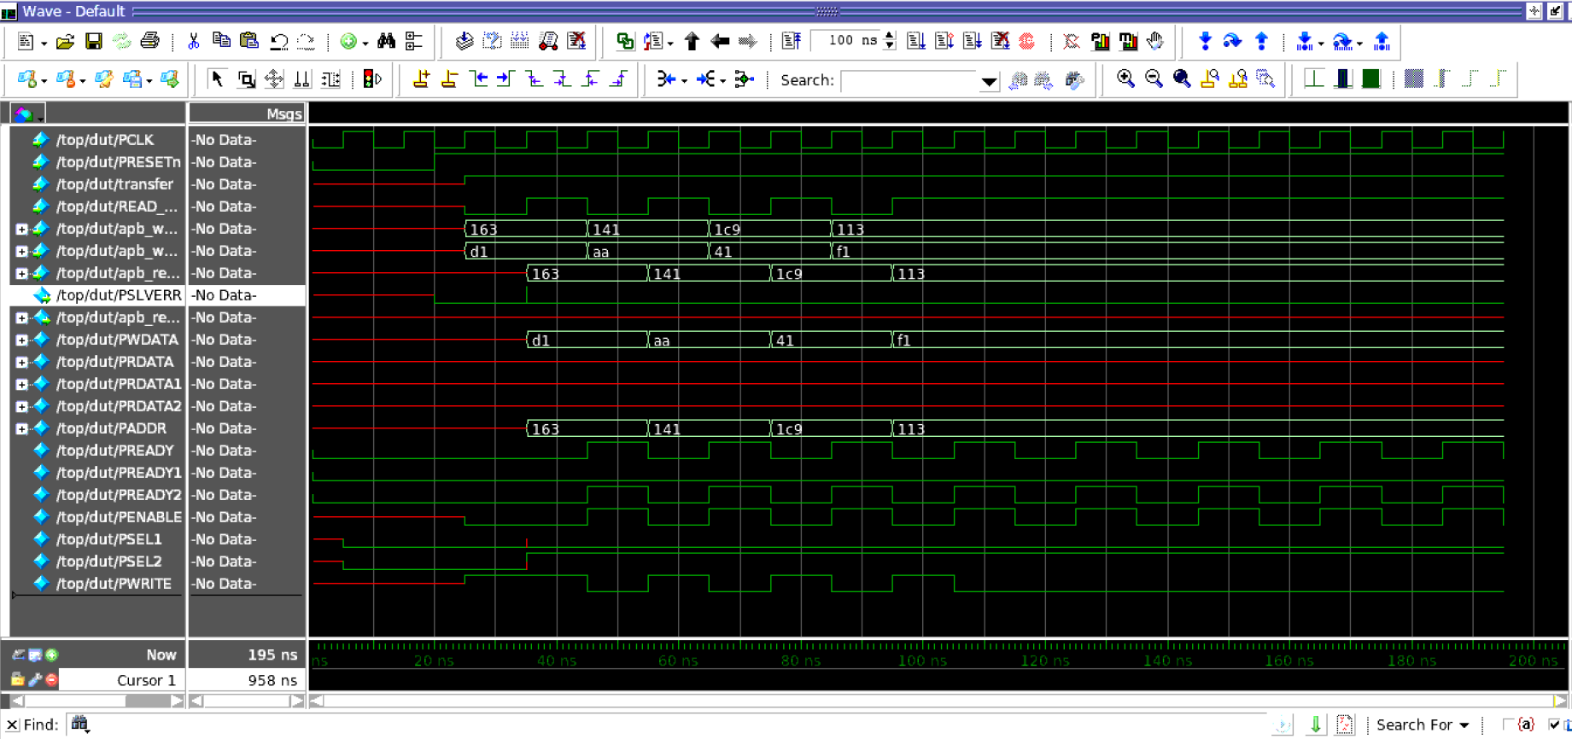

slave 1 error (!penable)

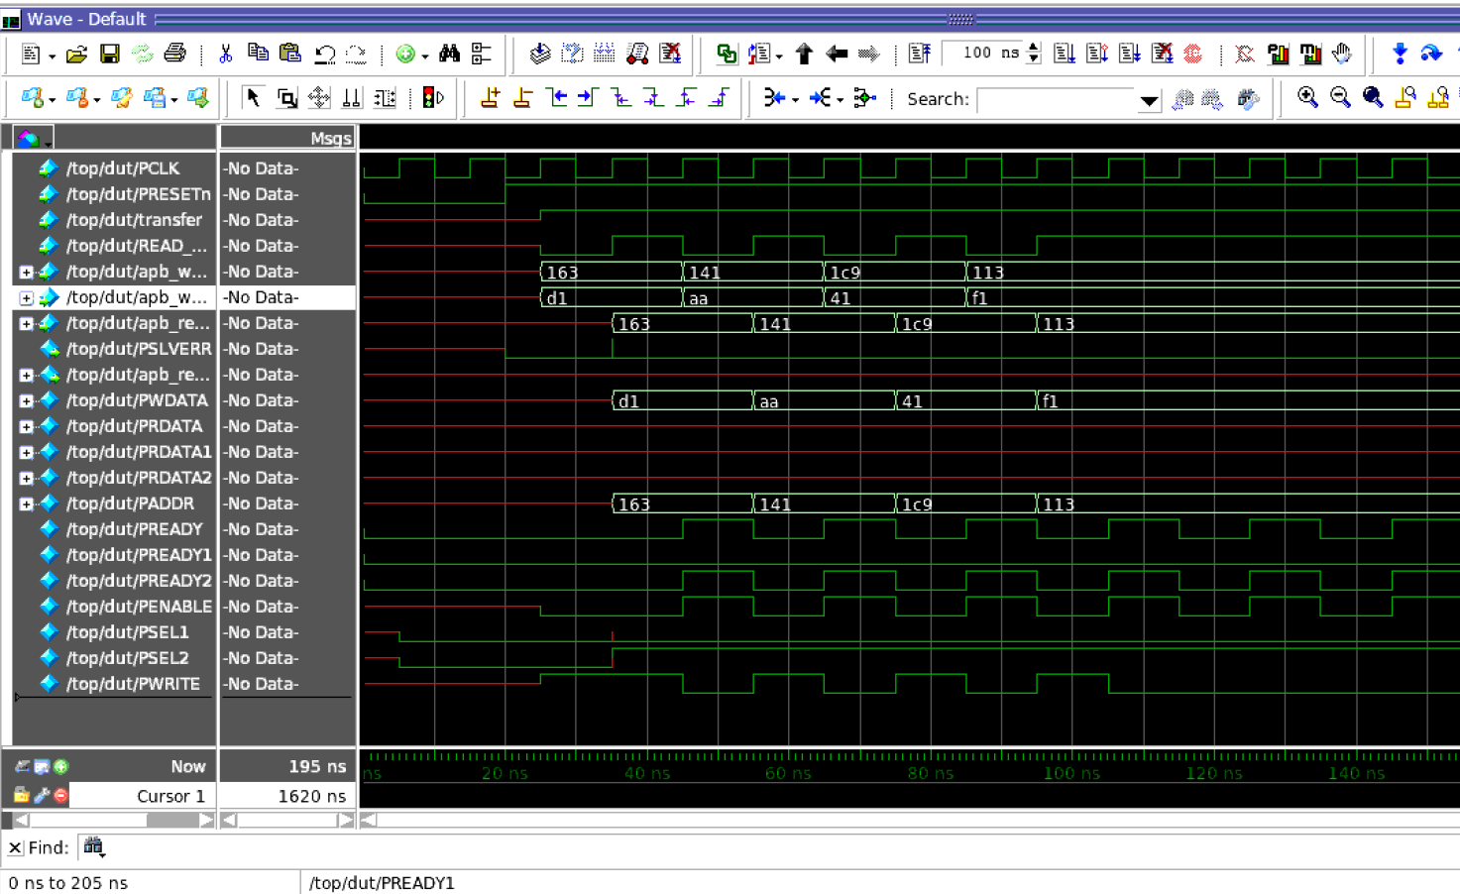

slave 2 error (!penable)

Testcases waveforms
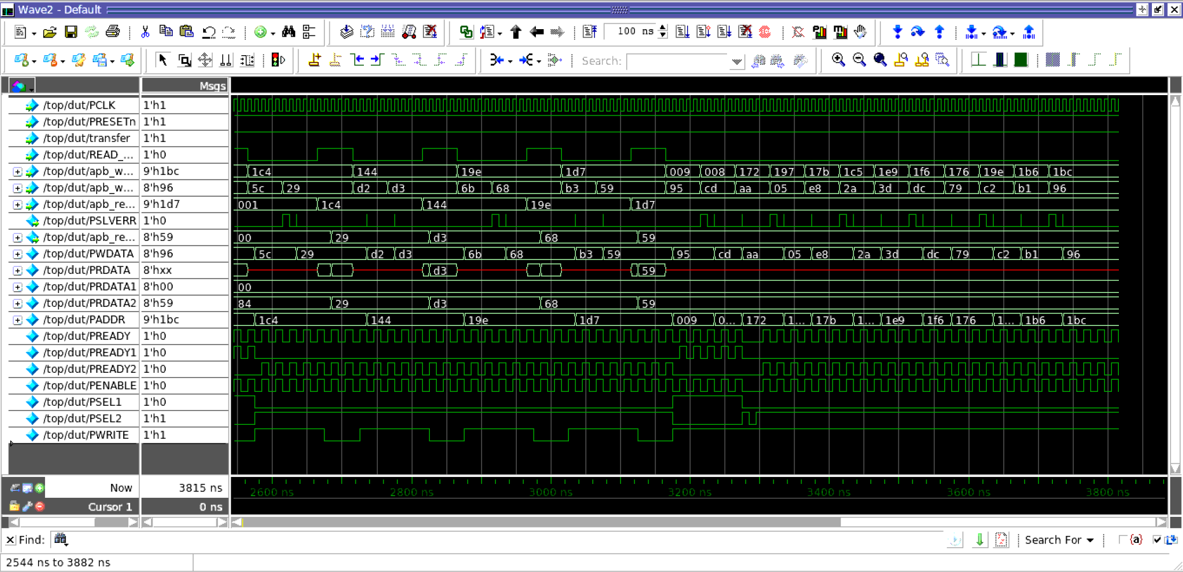
write to slave 1

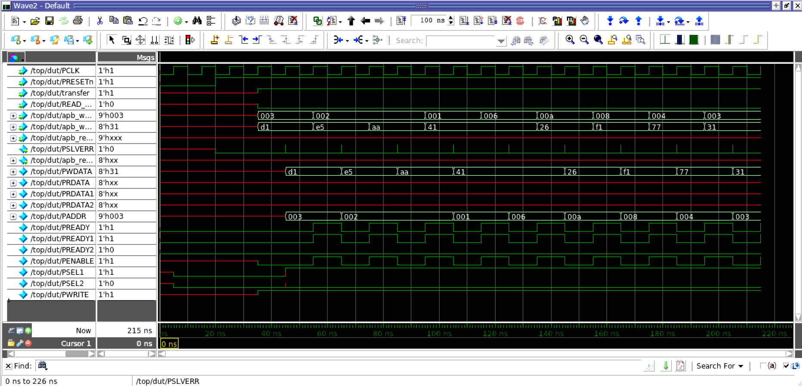

write to slave 2

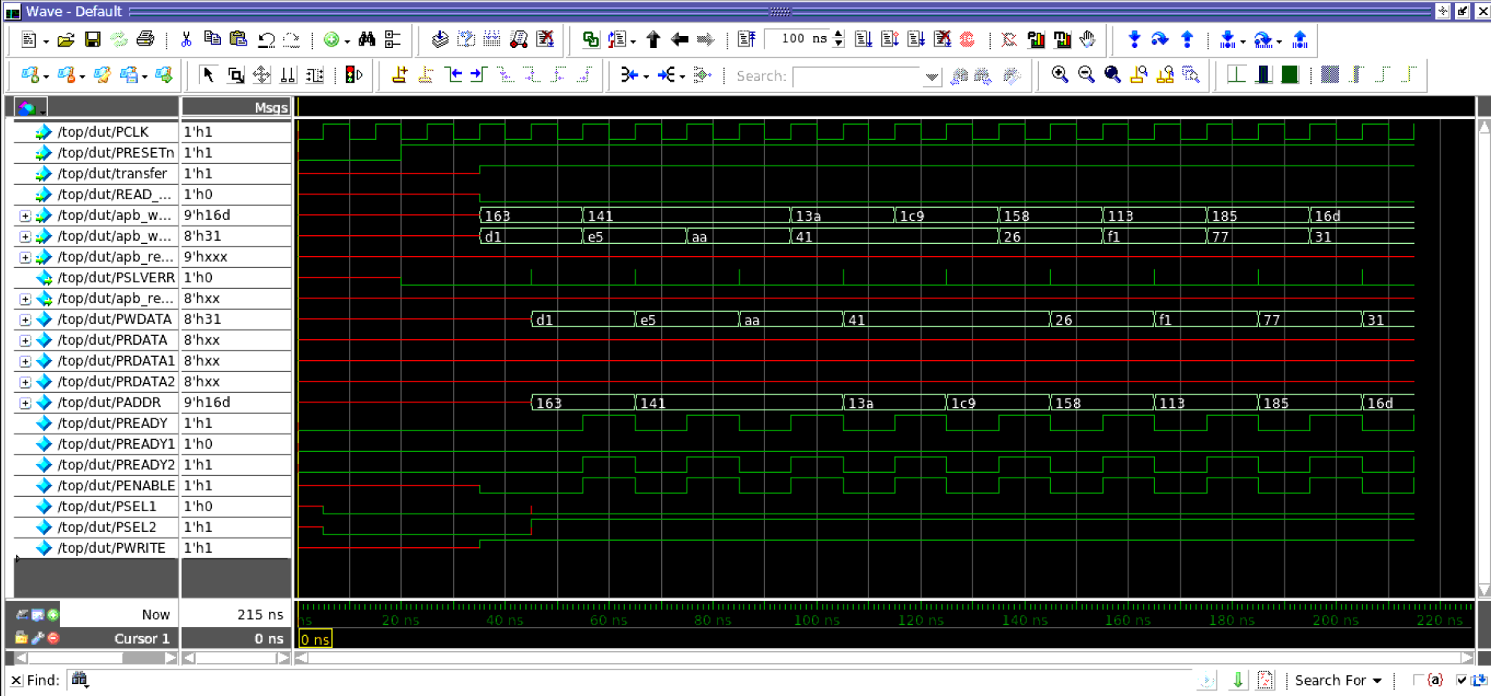

write read slave 1

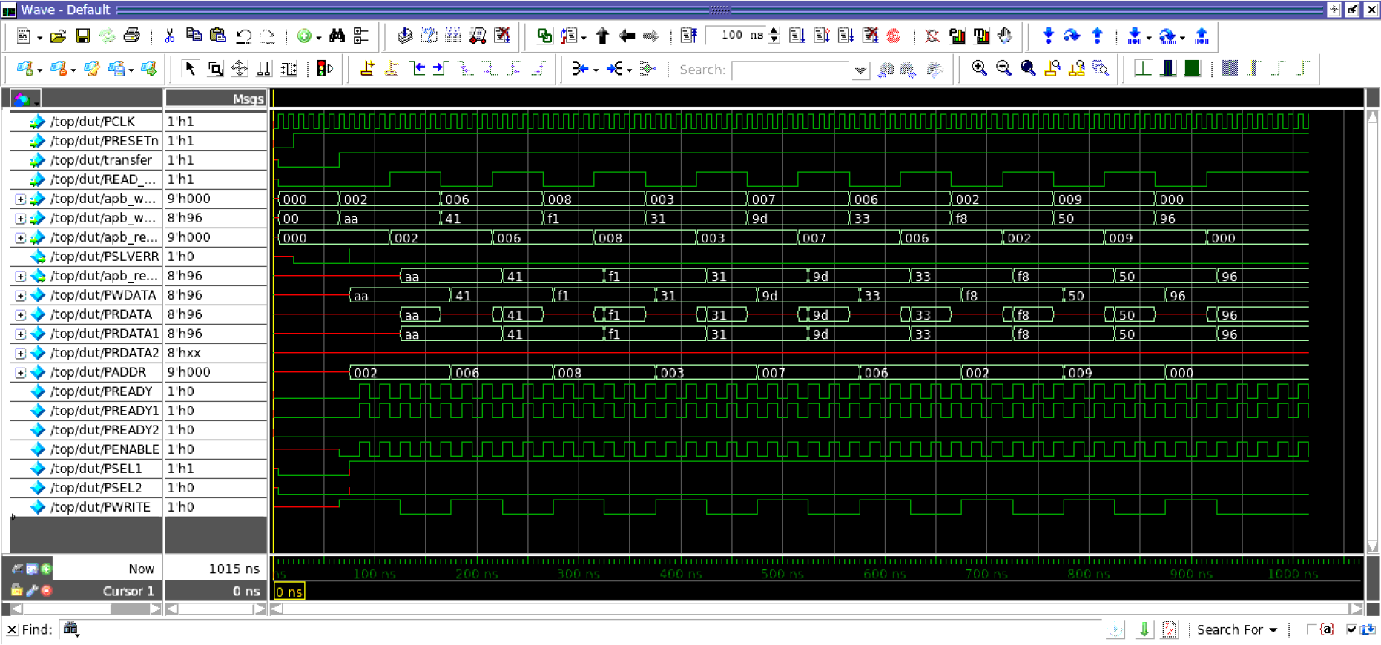

write read slave 2

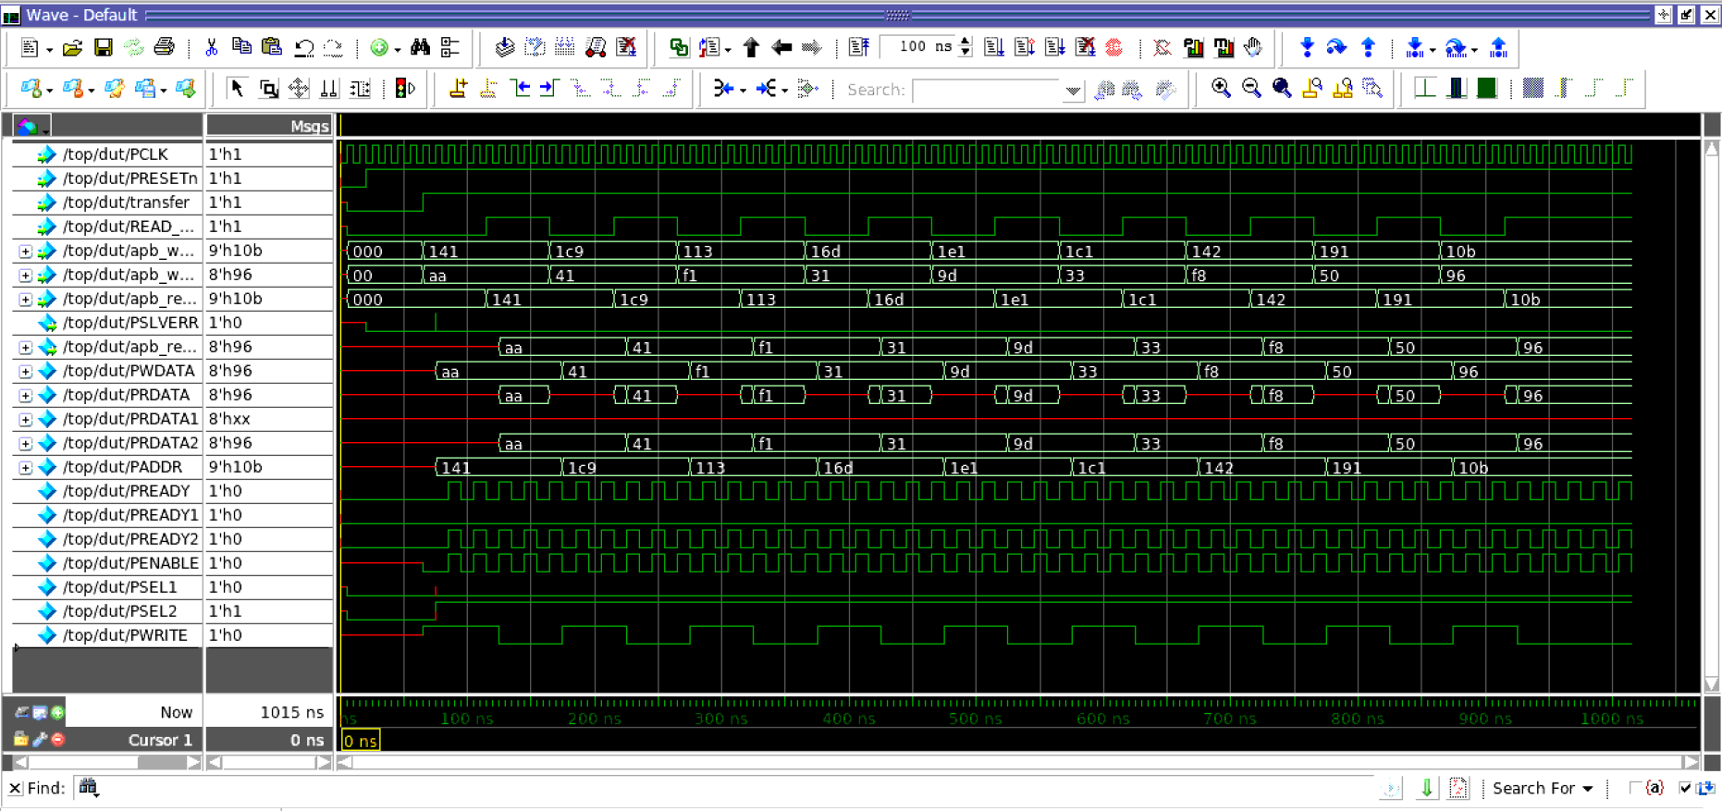

continous write read slave 1

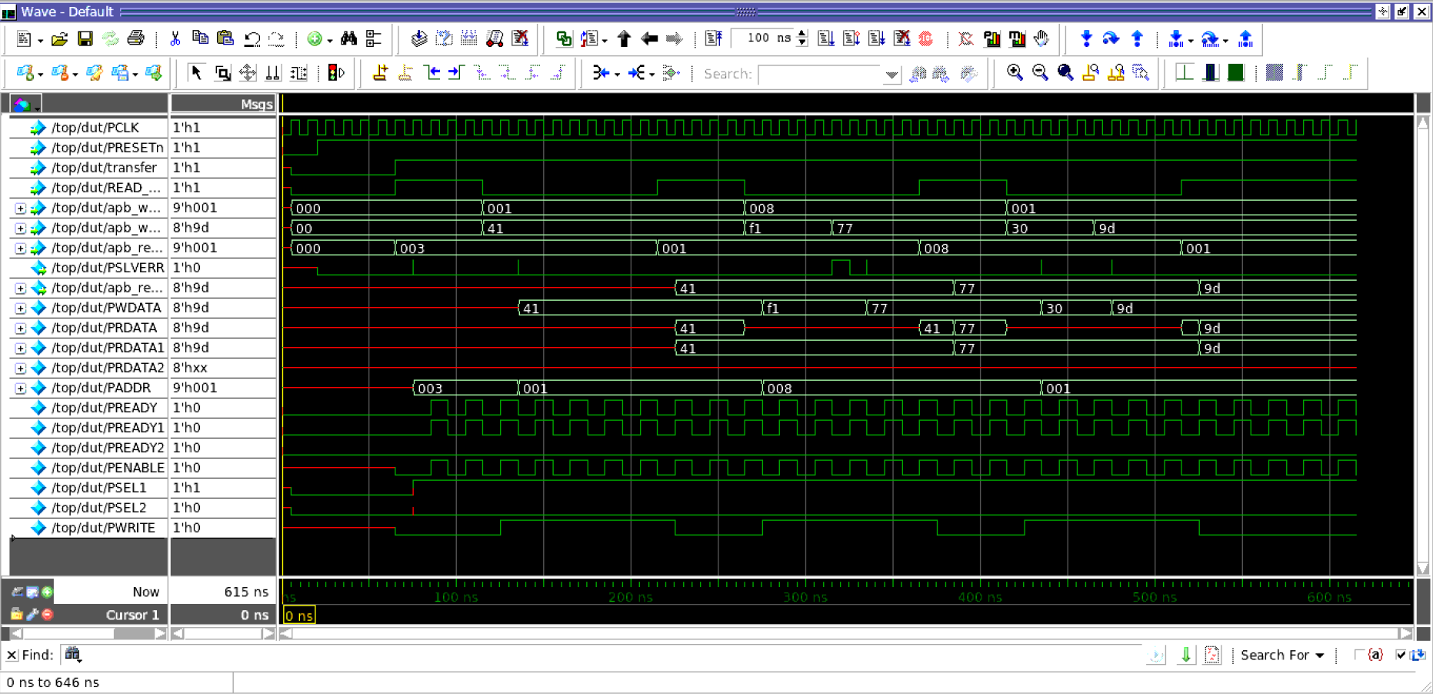

continous write slave 2

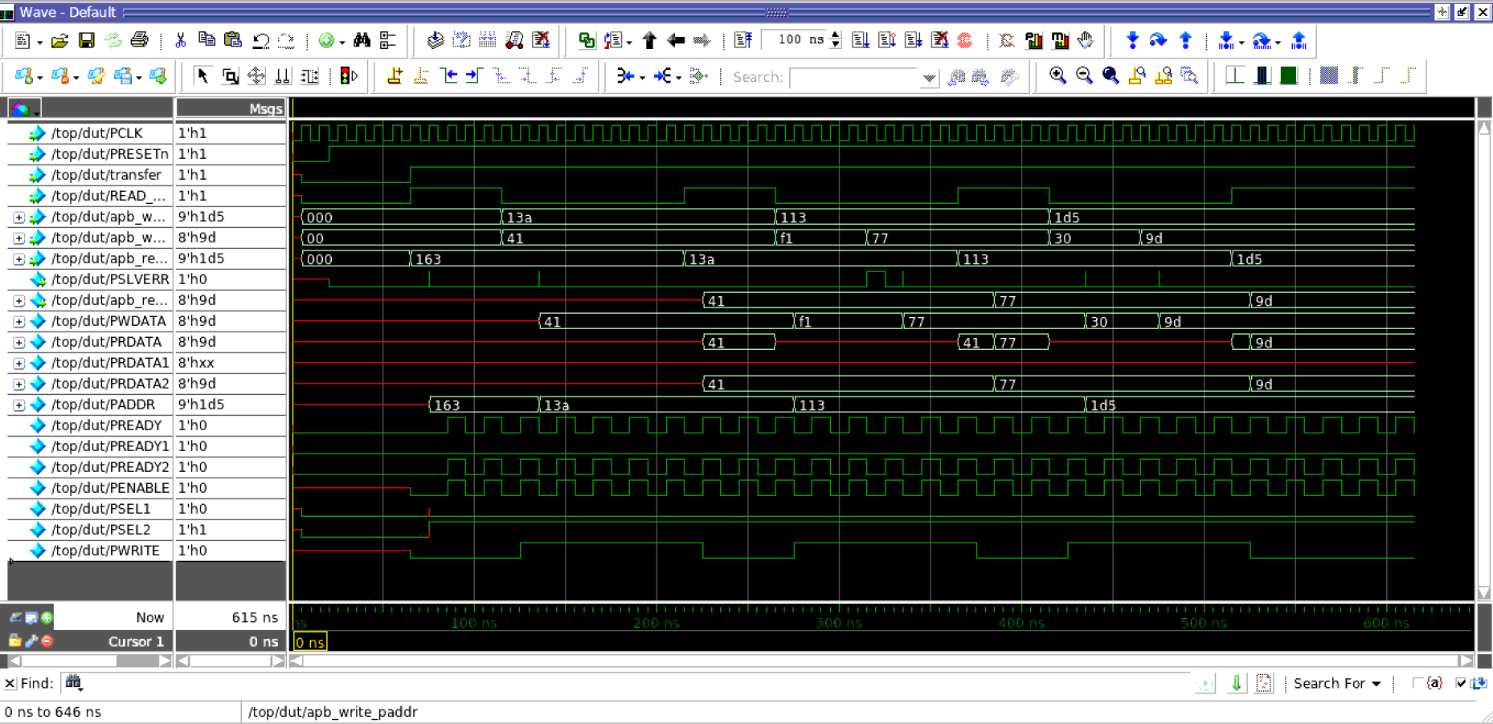

read slave 1



read slave 2

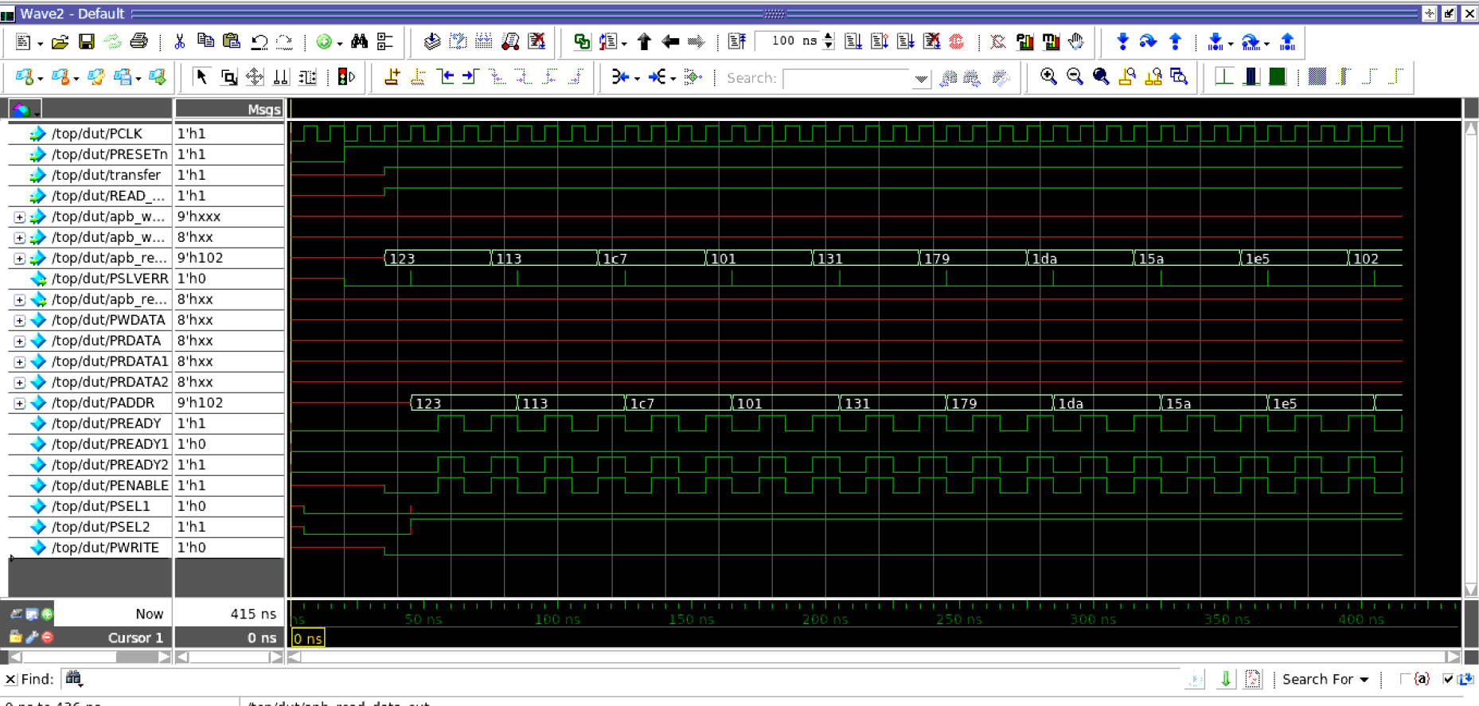

regression

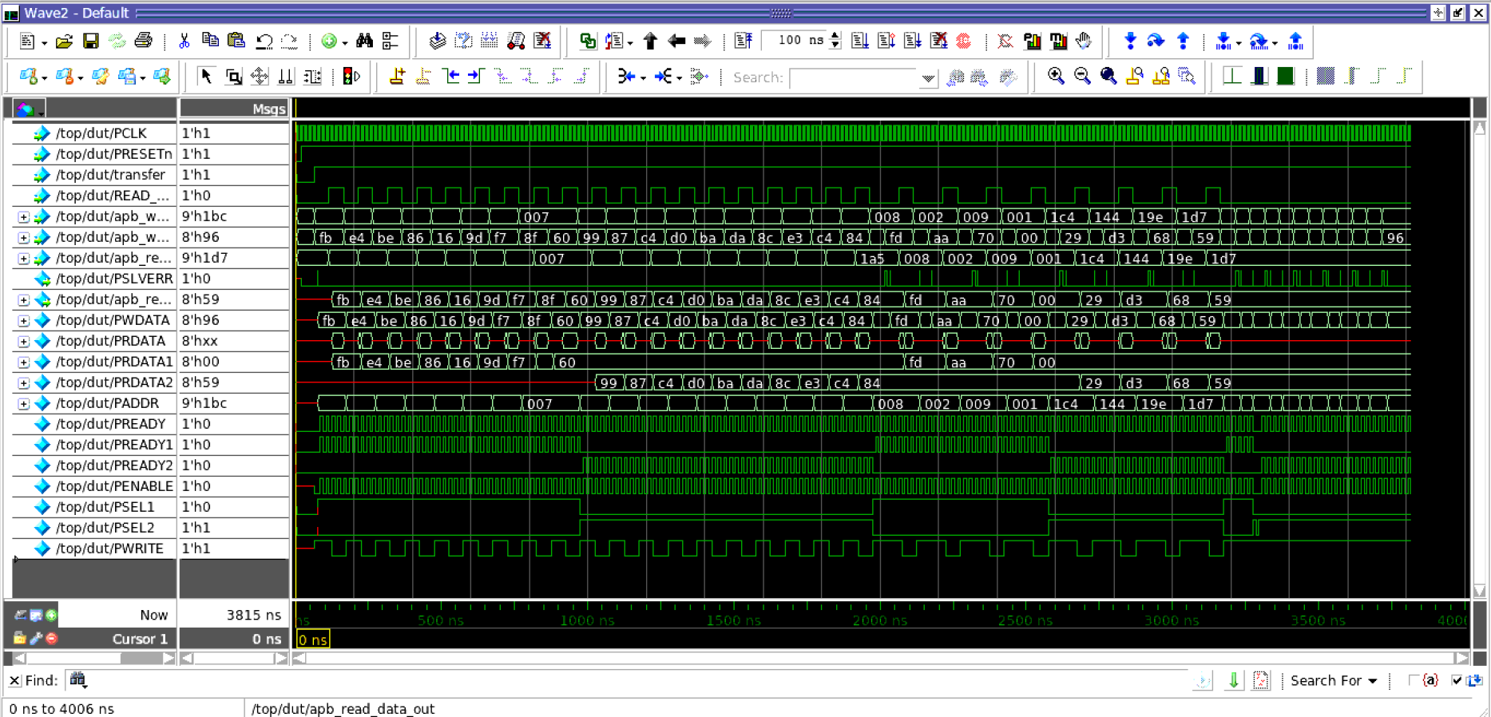

slave 1 write read (regression)
(45ns-445ns)

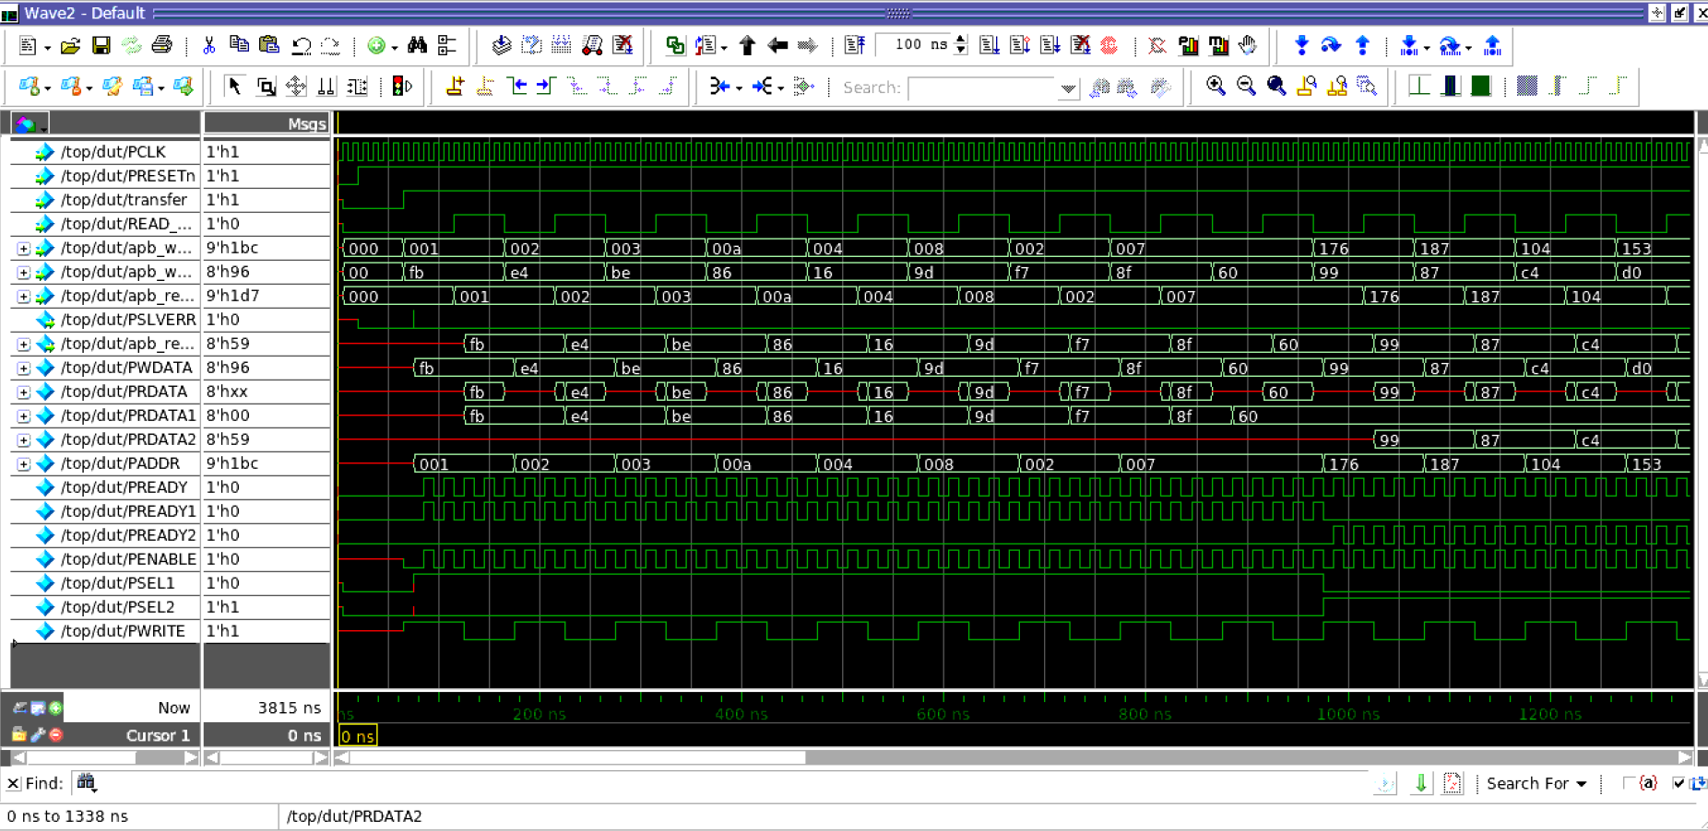

slave 2 write read (regression)
(445ns-845ns)

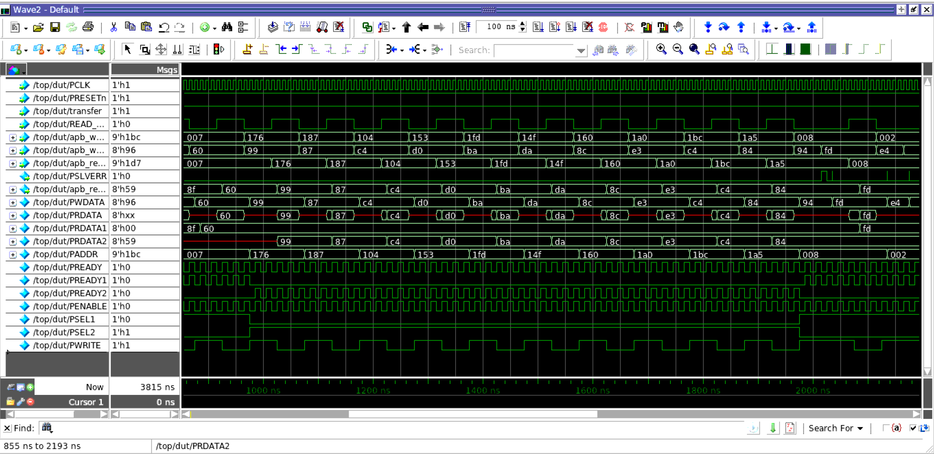

slave 1 continous write read (regression)
(845ns -1160ns)

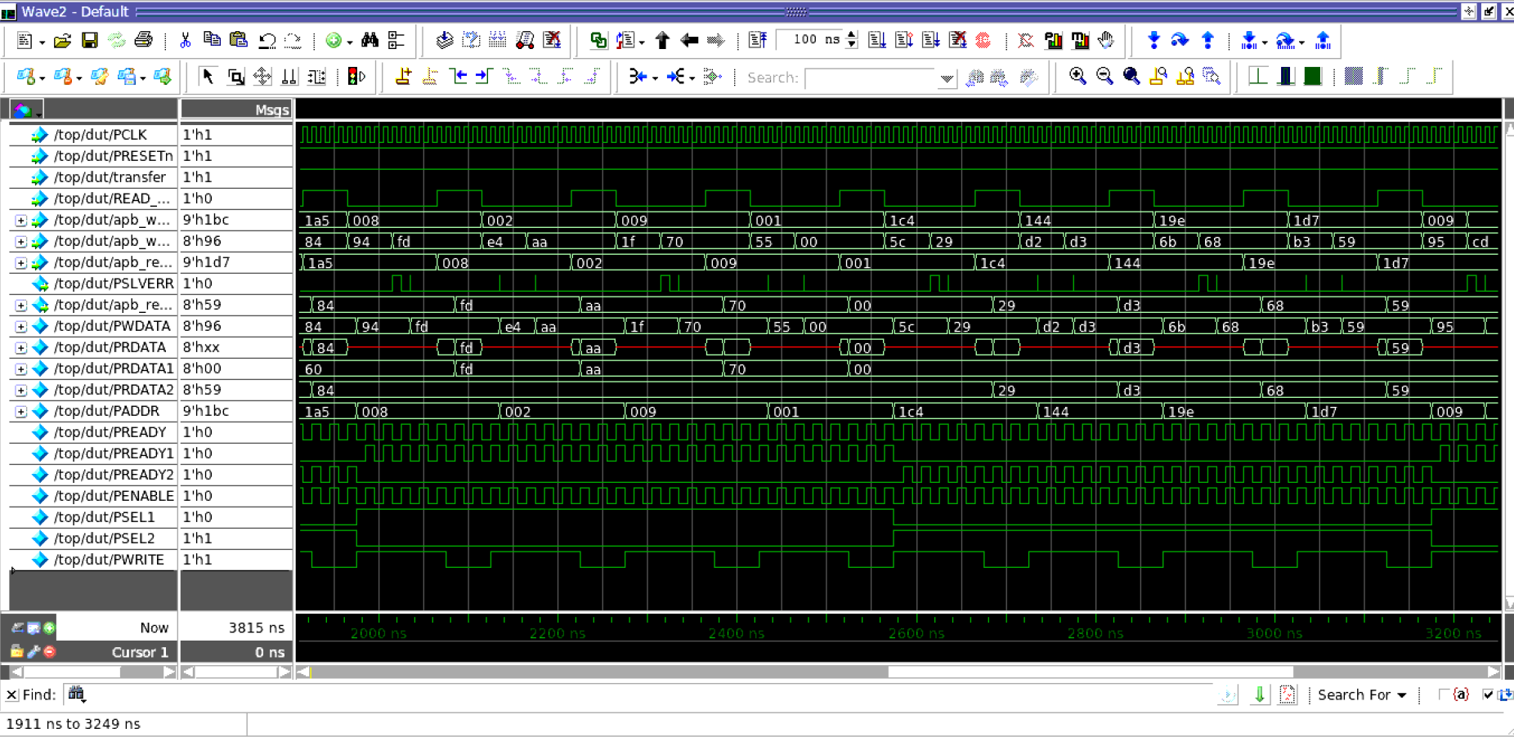

slave 2 continous write read (regression)
(1160ns-1405ns)

coverage report
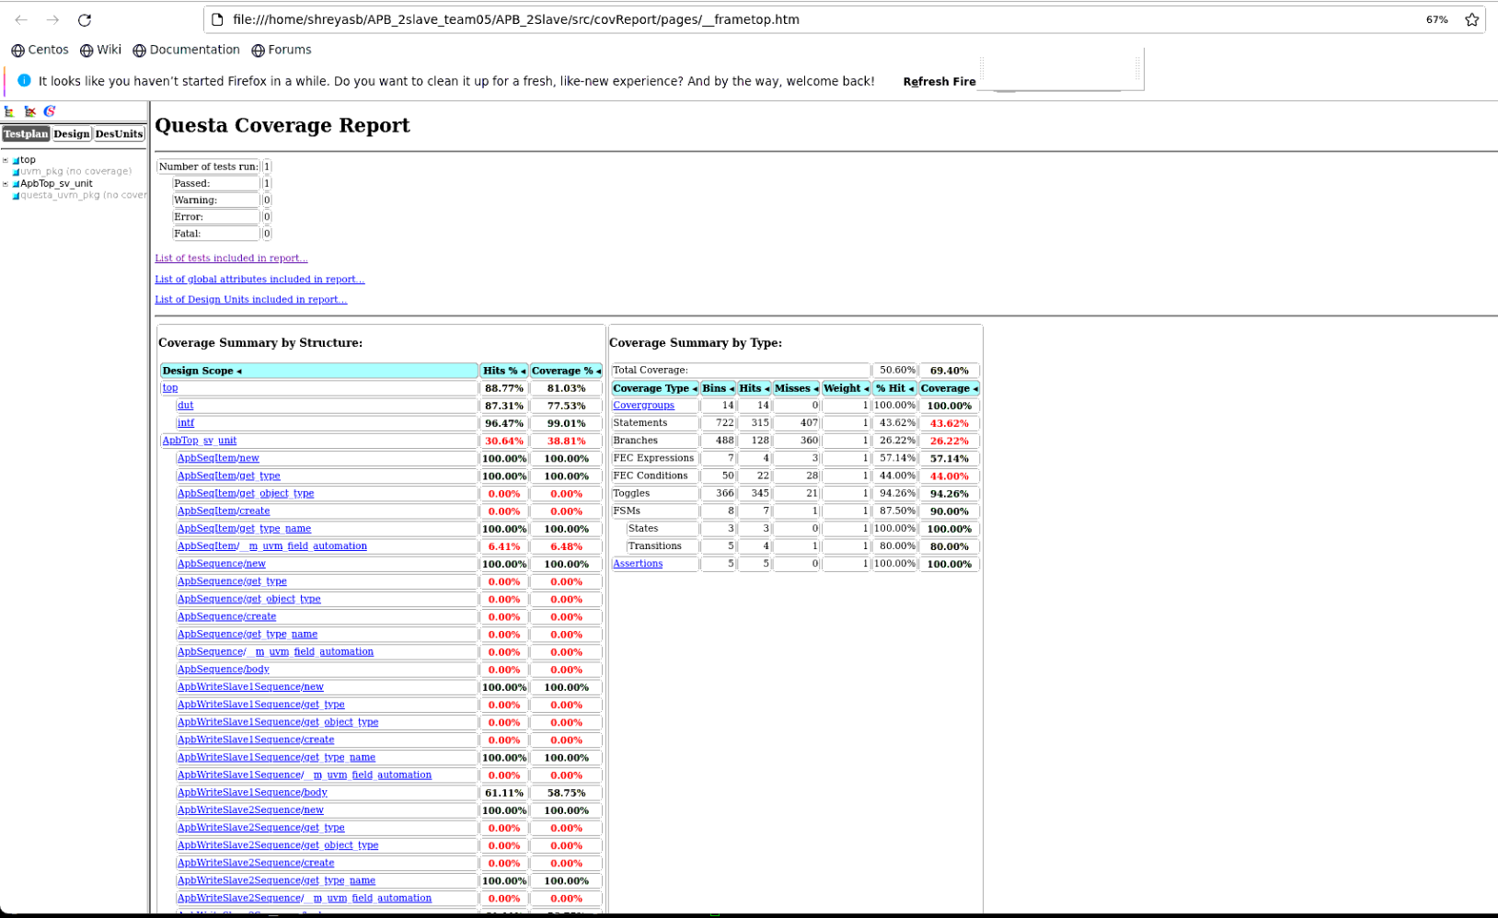
coverage

