APB Testbench Architecture
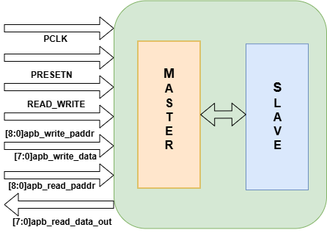
APB Test Bench Architecture | APB Directory Structure
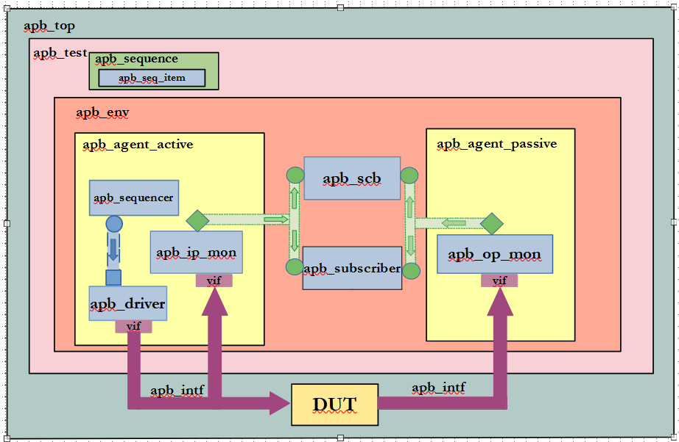
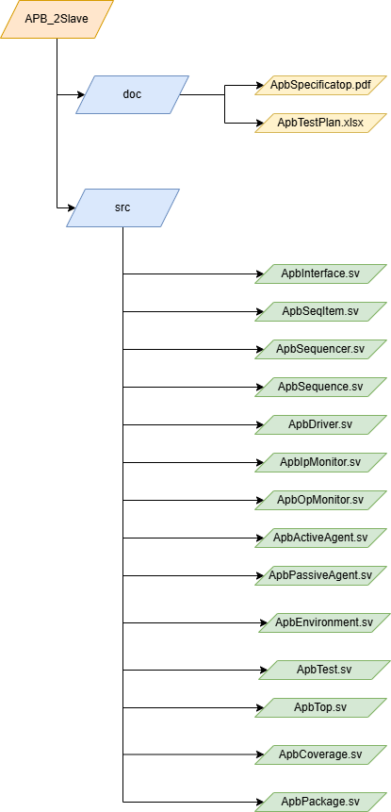

APB-2SLAVE BLOCK DIAGRAM

Bugs waveforms
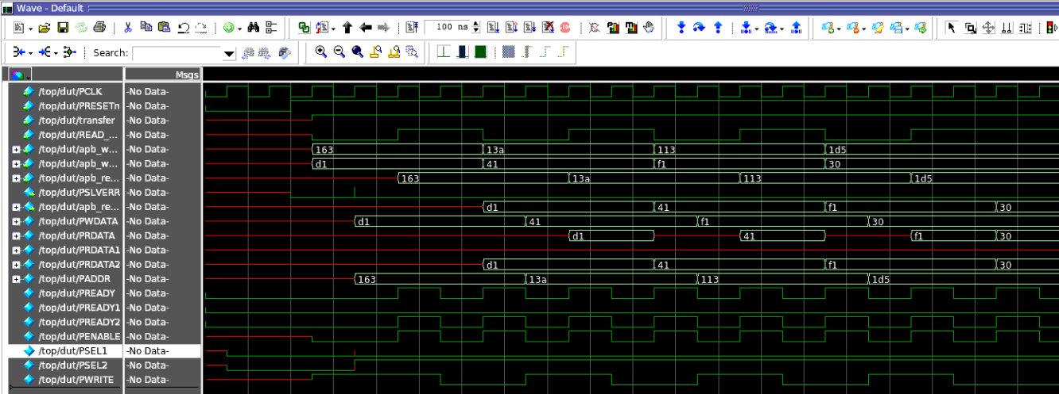
WAVEFORMS

without changing DUT(without changing 5 errors)

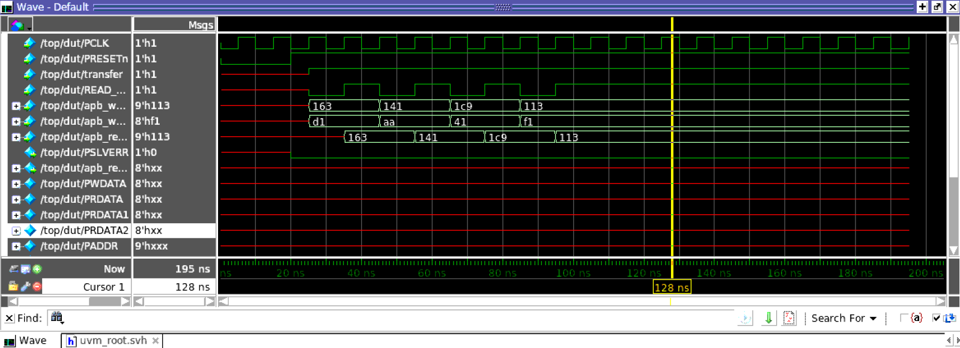

changed 1st error in master.v(!transfer)

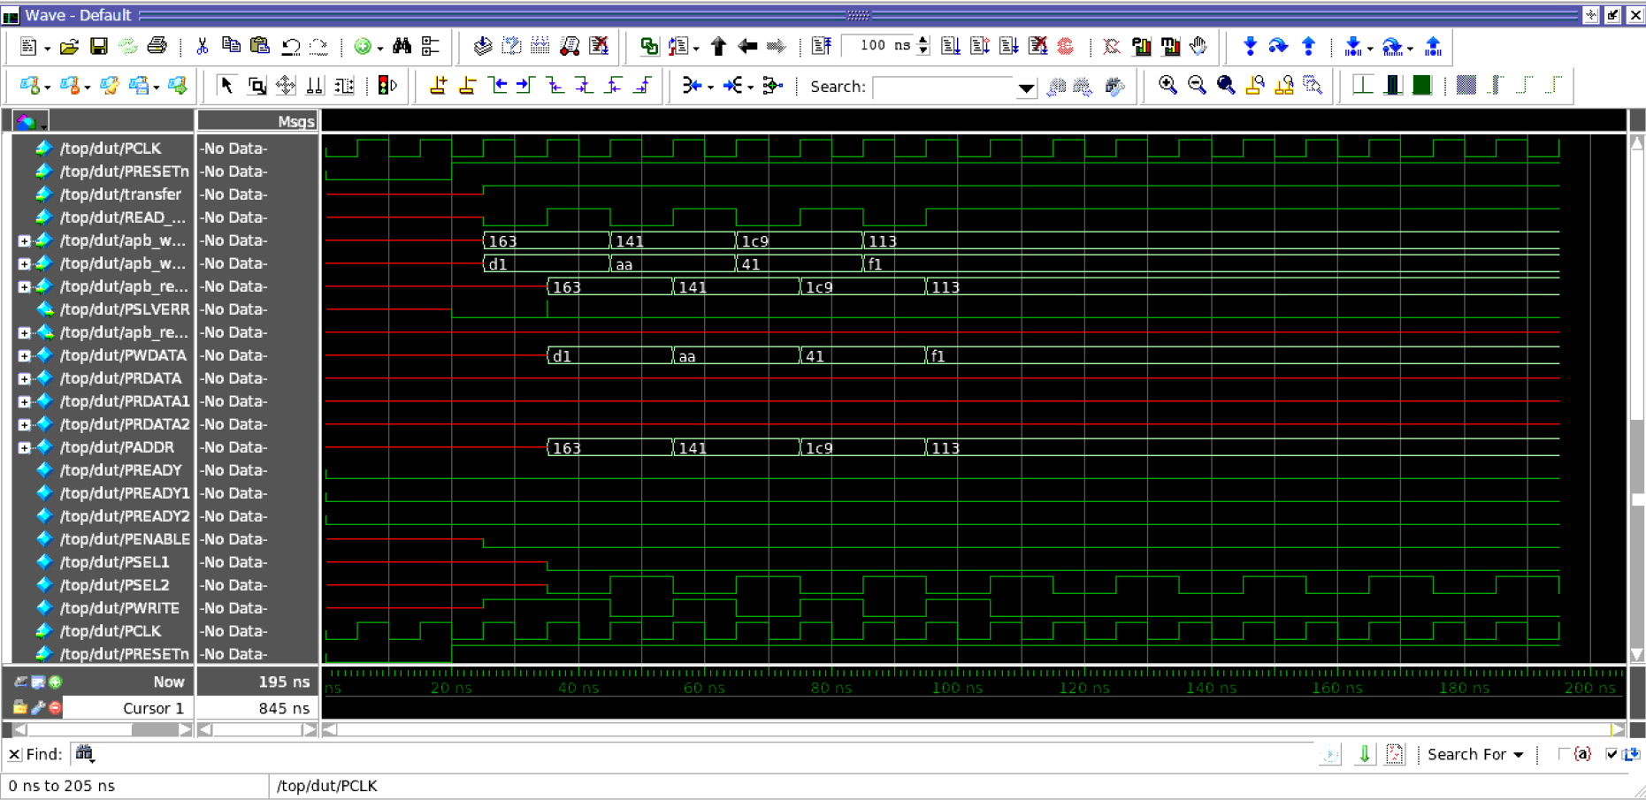

change 2nd error in master.v(!pslverr)

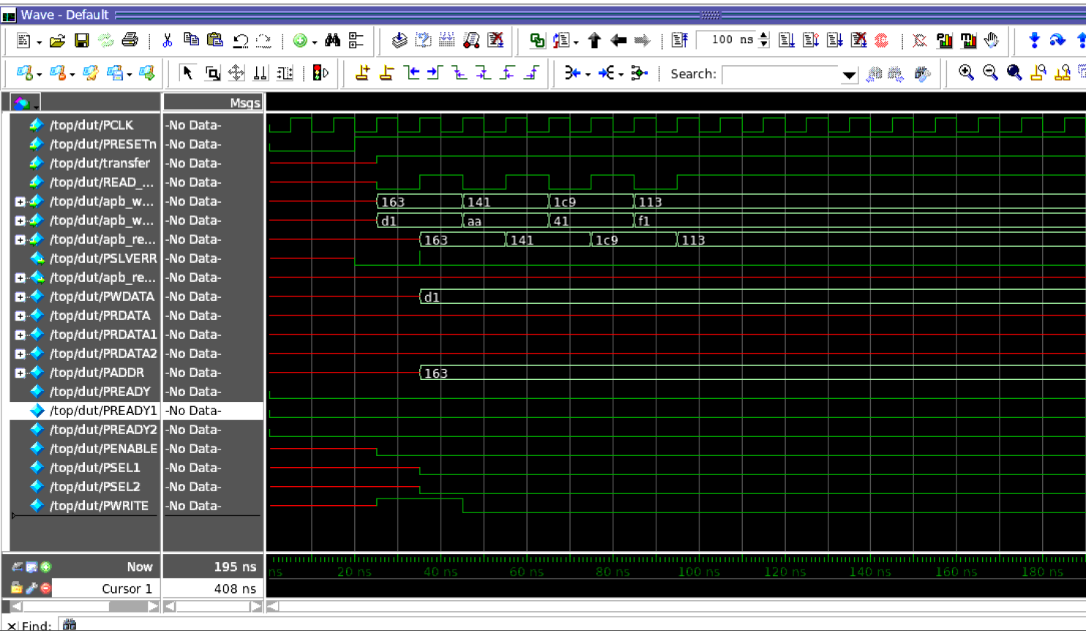

changed 3rd error in master.v(idle state slave selection)

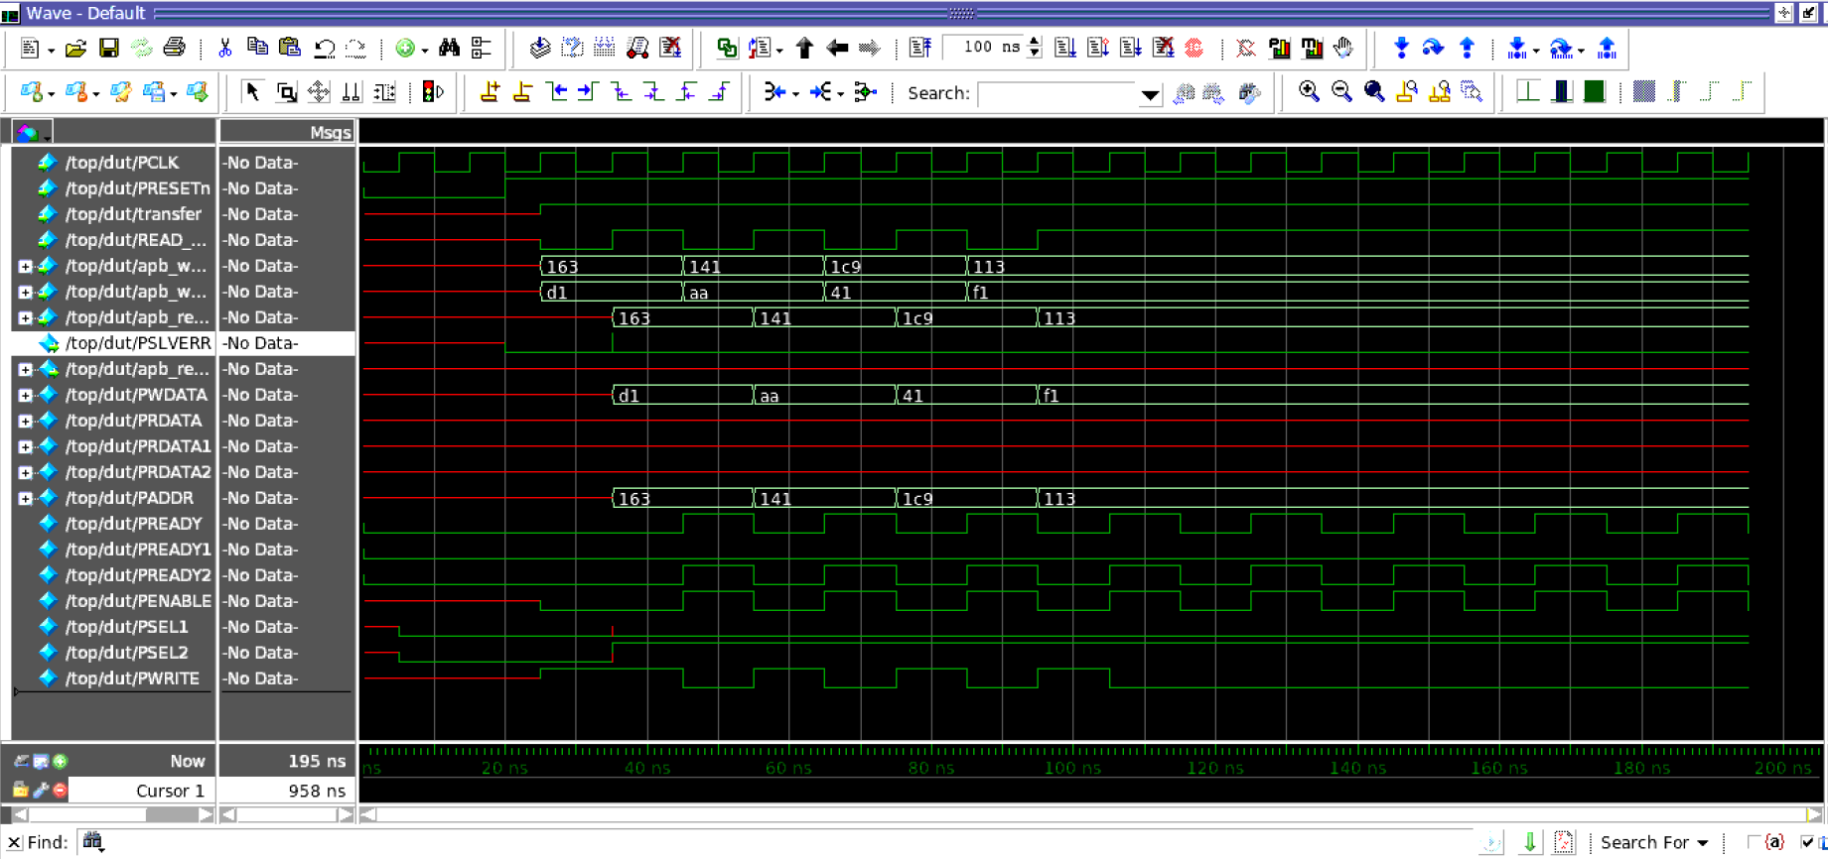

slave 1 error (!penable)

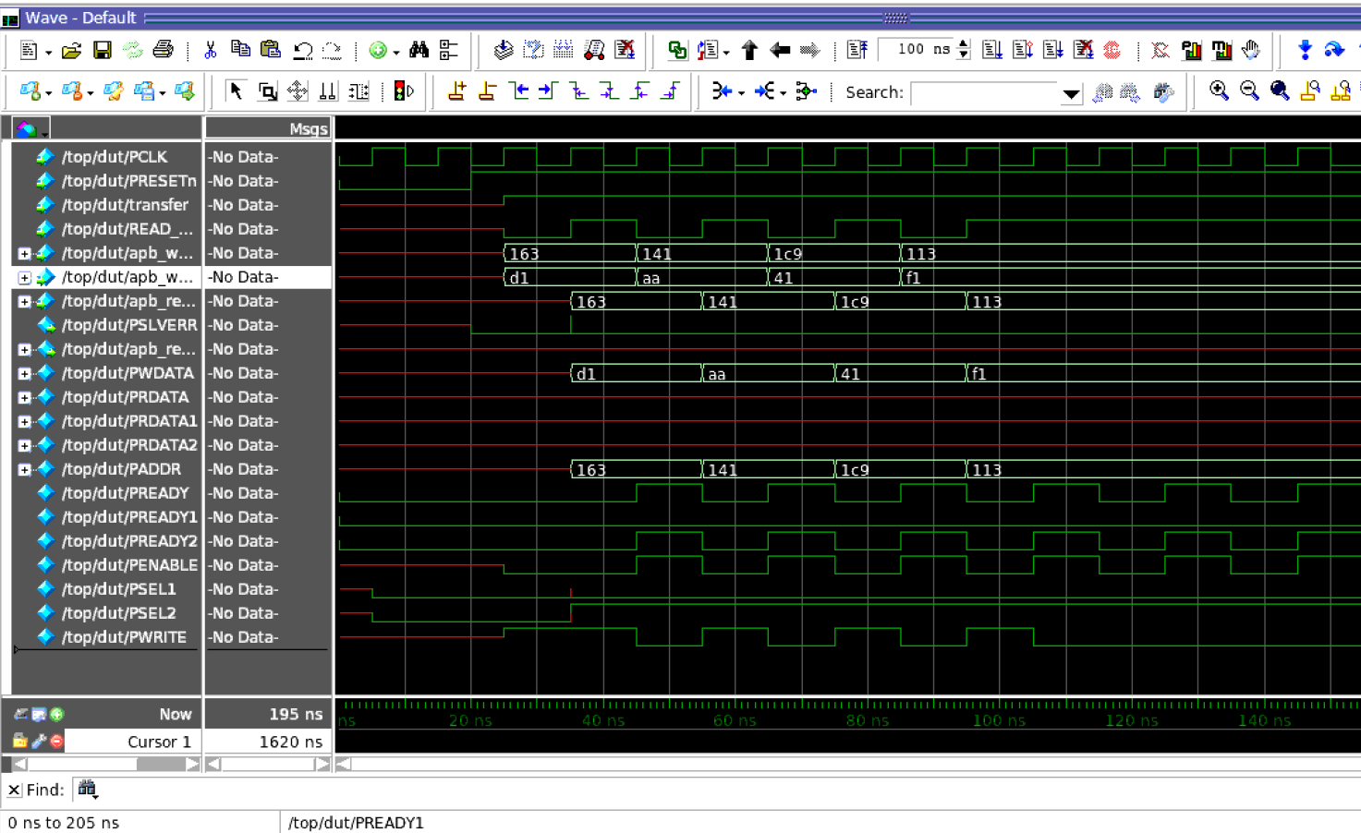

slave 2 error (!penable)

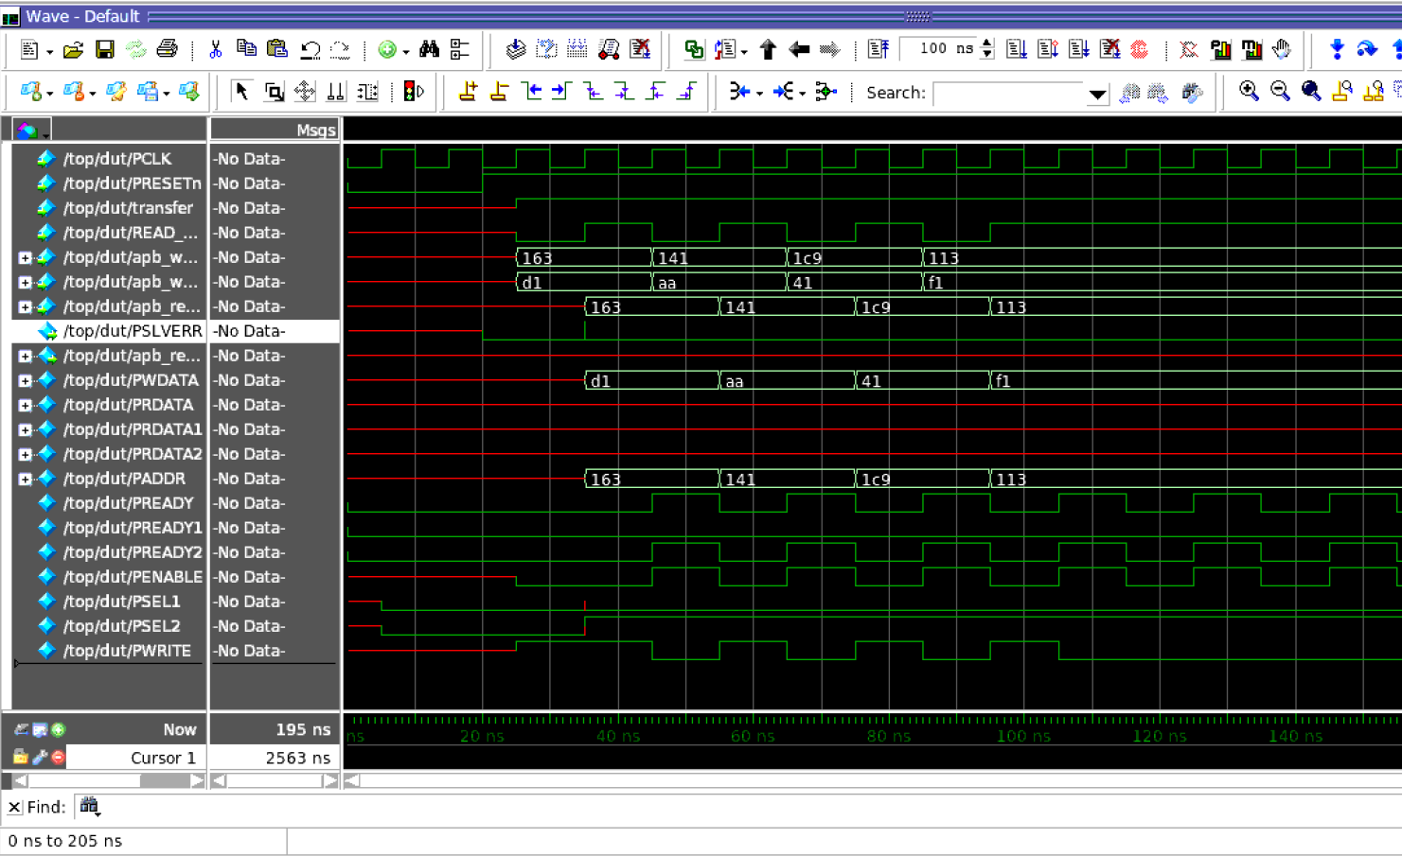

after changing memory size and adding `uvm_send in sequences

