APB Testbench Architecture
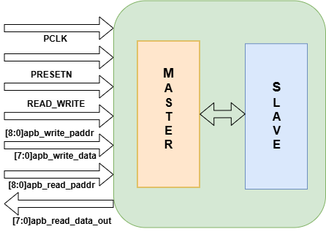
APB Test Bench Architecture | APB Directory Structure
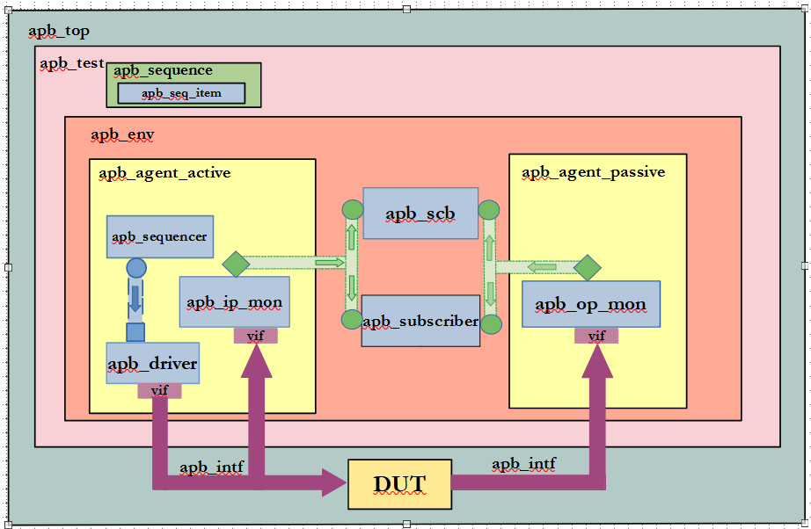
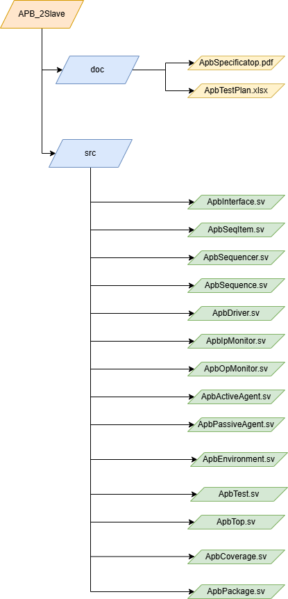

APB-2SLAVE BLOCK DIAGRAM

