APB Testbench Architecture
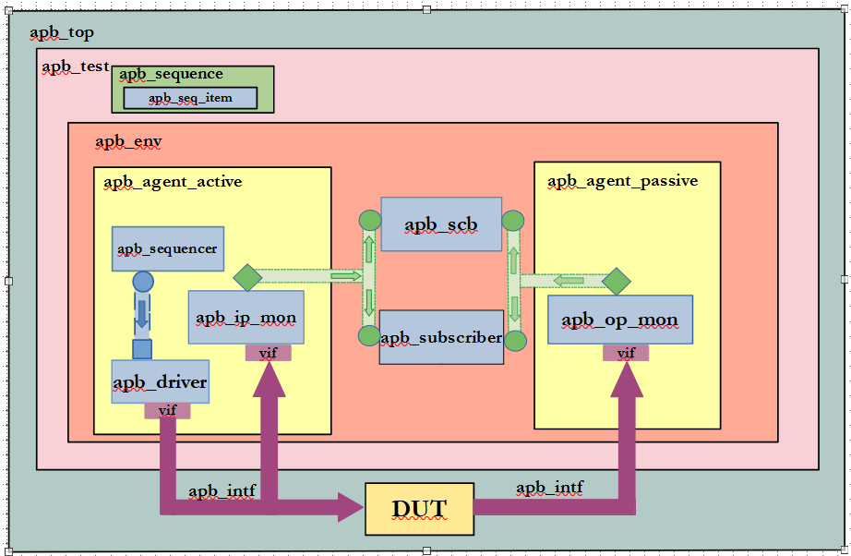
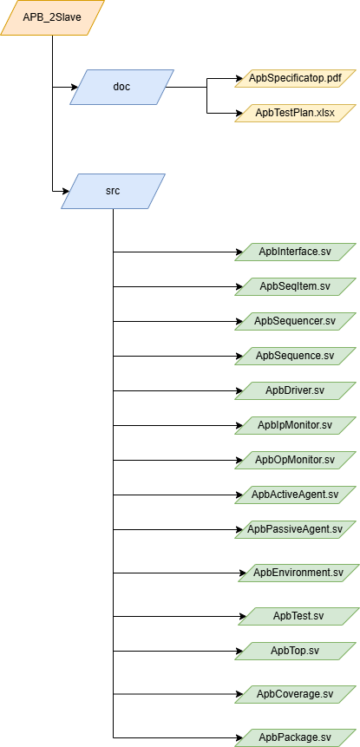
APB Test Bench Architecture | APB Directory Structure

