Sheet2
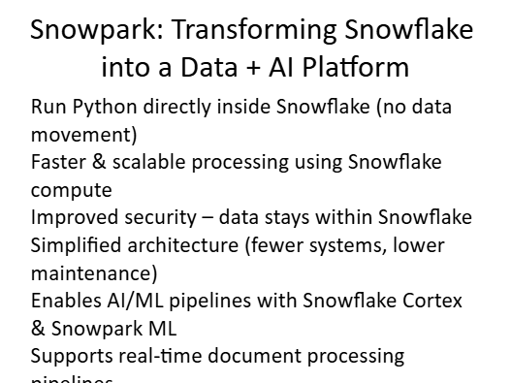
 | 1. Read source records from Snowflake

 | The pipeline reads metadata from:
Suppose:
 | email source table
email says sum insured = 10 lakh | document source table
attached report says sum insured = 12 lakh
 | Each row should ideally contain:
Then your pipeline must decide:
which value goes into the final policy row? | policy_number
 | document_name
 | file_name
 | stage_relative_path
 | file_hash optional but recommended
 | last_modified optional but recommended

 | 2. Group files by policy number

 | All files belonging to the same policy are grouped together.

 | Example:

 | POL123_EMAIL
 | POL123_DOC1
 | POL123_DOC2

 | These become one policy group.

 | 3. Check whether each file is new, updated, or unchanged

 | The intake table is the control table.

 | New file

 | If file_id does not exist in POLICY_FILE_INTAKE
 | → mark as NEW

 | Updated file

 | If file_id exists, but:

 | file_hash changed
 | or last_modified changed
 | or stage_relative_path changed

 | → mark as UPDATED

 | Unchanged file

 | If file_id exists and metadata is same
 | → mark as UNCHANGED

 | 4. Decide whether policy should be processed

 | For a policy:

 | if policy already exists in POLICY_EXTRACTED
 | and no file is new or updated
 | → skip the policy

 | If at least one file is:

 | NEW
 | or UPDATED

 | → process the policy again

 | This is better than only checking whether the policy exists.

 | 5. Parse only the required files

 | For files that are NEW or UPDATED:

 | call Snowflake AI parse
 | split page-wise
 | store section-wise rows in DOCUMENT_PARSED

 | 6. Extract fields from those files

 | For each file:

 | call Snowflake AI extract
 | get claim number, loss date, sum insured, decline reason
 | map each value back to source section/page

 | 7. Consolidate into one policy row

 | After all required files are processed:

 | combine the extracted values into one row in POLICY_EXTRACTED
 | keep source metadata:
 | document name
 | section
 | page

 | For fields like sum_insured, you can keep:

 | sum_insured_email
 | sum_insured_doc1
 | sum_insured_doc2

 | so later ML can decide what to use.

 | 8. Update statuses and logs

 | At every stage:

 | update file status in POLICY_FILE_INTAKE
 | write step logs in DOCUMENT_PROCESS_LOG

