Sheet1
 | Identifying Food Secure regions in Ontario: An AHP - Multi criteria decision Analysis
Criteria | Description | AHP Rate | AHP Weight

Income (Median) |  |  | 47.10% | AHP Rating Legends
 |  |  |  | Rate | Description
Workflow: | Upto 50500 | 1 |  | 1 | Equal Importance
Add Join with Shapefile & Export features | 50500-70500 | 3
Run - Polygon to Raster | 70500-90500 | 5 |  | 3 | Moderate Importance
Reclassify from 1-9 rating schema | 90500-110500 | 7
 | 110500-15,4656.21 | 9 |  | 5 | Strong Importance

Labor Force - Employed |  |  | 28.50% | 7 | Very Strong Importance

Workflow: | Less Than 20,000 | 1 |  | 9 | Absolute Importance
Add Join with Shapefile & Export features | 20,000 - 40,000 | 3
Run - Polygon to Raster | 40,000 - 60,000 | 5 |  | 2,4,6,8 | Intermediate Values
Reclassify from 1-9 rating schema | 60,000 - 80,000 | 7
 | 80,000 - 116795 | 9
 |  |  |  | AHP Survey Results
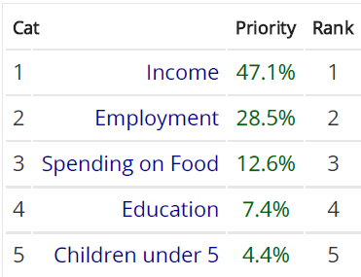
Spending on Food (Avg) |  |  | 12.60%

Workflow: | Upto 12000 | 1
Add Join with Shapefile & Export features | 12000-15000 | 3
Run - Polygon to Raster | 15000-18000 | 5
Reclassify from 1-9 rating schema | 18000-21000 | 7
 | 21000-26228.3 | 9

Education Attainment |  |  | 7.40%

Workflow: | Less Than 10000 | 9
Add Join with Shapefile & Export features | 10000-15000 | 5
Run - Polygon to Raster | 15000-20000 | 3
Reclassify from 1-9 rating schema | 20000-24249 | 1

HH with Child Under 5 |  |  | 4.40%

Workflow: | Less than 4000 | 9
Add Join with Shapefile & Export features | 4000-6000 | 7
Run - Polygon to Raster | 6000-8000 | 5
Reclassify from 1-9 rating schema | 8000-10000 | 3
 | 10000-12243 | 1
 |  |  | 100.00%

AHP Survey Citation - Goepel, K. D. (n.d.). AHP Online System - AHP-OS. https://bpmsg.com/ahp/
Goepel, K.D. (2018). Implementation of an Online Software Tool for the Analytic Hierarchy Process (AHP-OS). International Journal of the Analytic Hierarchy Process, Vol. 10 Issue 3 2018, pp 469-487, https://doi.org/10.13033/ijahp.v10i3.590

