All charging load profiles
Present charging profiled
 | UK Power Networks (2014) | Markel et al (2014)
 | 0.020721094074 | 5.8027079304
 | 0.020721094074 | 3.8684719536
 | 0.020721094074 | 2.3210831721
 | 0.020721094074 | 0.58027079304
 | 0.41442188148 | 0.38684719536
 | 0.82884376295 | 0.38684719536
 | 2.0721094074 | 0.38684719536
 | 4.1442188148 | 0.38684719536
 | 9.3244923332 | 0.38684719536
 | 8.2884376295 | 0.38684719536
 | 7.2523829258 | 0.19342359768
 | 6.2163282221 | 0.38684719536
 | 6.2163282221 | 0.58027079304
 | 6.2163282221 | 0.96711798839
 | 6.0091172814 | 1.5473887814
 | 7.2523829258 | 3.6750483559
 | 7.4595938666 | 5.8027079304
 | 8.2884376295 | 7.7369439072
 | 6.2163282221 | 10.638297872
 | 5.1802735184 | 11.798839458
 | 3.1081641111 | 11.605415861
 | 2.3207625363 | 11.218568665
 | 2.0721094074 | 10.251450677
 | 1.0360547037 | 8.7040618956
Future charging profiles
 | UK Power Networks (2014) | Markel et al (2010)
 | 0.030266343826 | 2.4861878453
 | 0.030266343826 | 2.2099447514
 | 0.030266343826 | 1.6574585635
 | 0.030266343826 | 1.1049723757
 | 0.60532687651 | 0.55248618785
 | 1.210653753 | 0.27624309392
 | 2.4213075061 | 1.3812154696
 | 4.5399515738 | 4.1436464088
 | 9.0799031477 | 4.9723756906
 | 7.5665859564 | 4.9723756906
 | 6.0532687651 | 4.1436464088
 | 6.3559322034 | 4.1436464088
 | 6.6585956416 | 4.1436464088
 | 6.0532687651 | 4.1436464088
 | 6.0532687651 | 4.6961325967
 | 6.9612590799 | 5.2486187845
 | 7.5665859564 | 6.0773480663
 | 9.0799031477 | 7.182320442
 | 6.0532687651 | 7.7348066298
 | 4.5399515738 | 8.0110497238
 | 3.0266343826 | 6.9060773481
 | 2.4213075061 | 5.5248618785
 | 2.1186440678 | 4.9723756906
 | 1.5133171913 | 3.3149171271

UK Power NEtworks (2014)
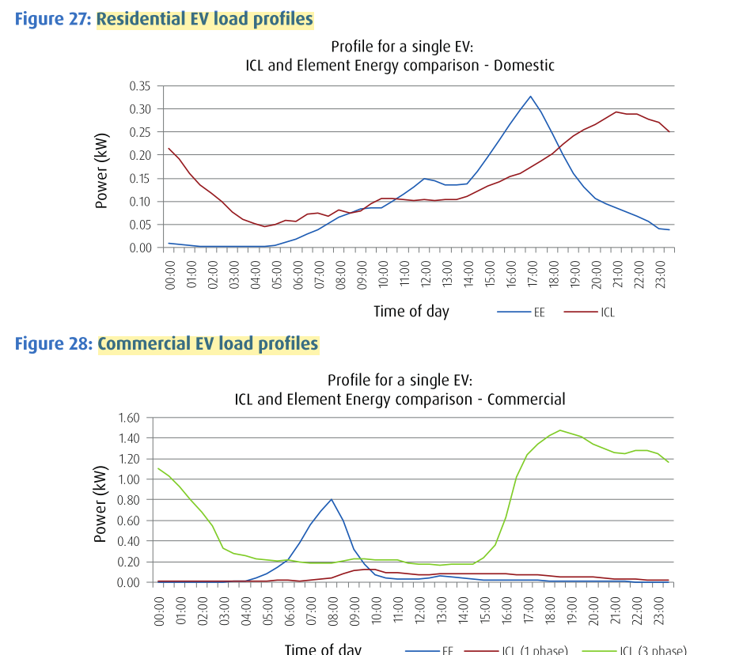
Source: | https://innovation.ukpowernetworks.co.uk/innovation/en/Projects/tier-2-projects/Low-Carbon-London-(LCL)/Project-Documents/LCL%20Learning%20Report%20-%20B2%20-%20Impact%20of%20Electric%20Vehicles%20and%20Heat%20Pump%20loads%20on%20network%20demand%20profiles.pdf

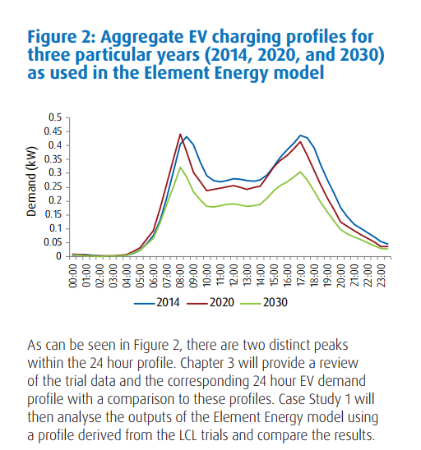

Time | 0 | 1 | 2 | 3 | 4 | 5 | 6 | 7 | 8 | 9 | 10 | 11 | 12 | 13 | 14 | 15 | 16 | 17 | 18 | 19 | 20 | 21 | 22 | 23

Present |  |  |  |  |  |  |  |  |  |  |  |  |  |  |  |  |  |  |  |  |  |  |  |  | Total
Power | 0.001 | 0.001 | 0.001 | 0.001 | 0.02 | 0.04 | 0.1 | 0.2 | 0.45 | 0.4 | 0.35 | 0.3 | 0.3 | 0.3 | 0.29 | 0.35 | 0.36 | 0.4 | 0.3 | 0.25 | 0.15 | 0.112 | 0.1 | 0.05 | 4.826
% | 0.020721094074 | 0.020721094074 | 0.020721094074 | 0.020721094074 | 0.41442188148 | 0.82884376295 | 2.0721094074 | 4.1442188148 | 9.3244923332 | 8.2884376295 | 7.2523829258 | 6.2163282221 | 6.2163282221 | 6.2163282221 | 6.0091172814 | 7.2523829258 | 7.4595938666 | 8.2884376295 | 6.2163282221 | 5.1802735184 | 3.1081641111 | 2.3207625363 | 2.0721094074 | 1.0360547037

Future
Power | 0.001 | 0.001 | 0.001 | 0.001 | 0.02 | 0.04 | 0.08 | 0.15 | 0.3 | 0.25 | 0.2 | 0.21 | 0.22 | 0.2 | 0.2 | 0.23 | 0.25 | 0.3 | 0.2 | 0.15 | 0.1 | 0.08 | 0.07 | 0.05 | 3.304
% | 0.030266343826 | 0.030266343826 | 0.030266343826 | 0.030266343826 | 0.60532687651 | 1.210653753 | 2.4213075061 | 4.5399515738 | 9.0799031477 | 7.5665859564 | 6.0532687651 | 6.3559322034 | 6.6585956416 | 6.0532687651 | 6.0532687651 | 6.9612590799 | 7.5665859564 | 9.0799031477 | 6.0532687651 | 4.5399515738 | 3.0266343826 | 2.4213075061 | 2.1186440678 | 1.5133171913

Present charging profile

Future charging profile

Markel et al. (2010)
Source: | https://innovation.ukpowernetworks.co.uk/innovation/en/Projects/tier-2-projects/Low-Carbon-London-(LCL)/Project-Documents/LCL%20Learning%20Report%20-%20B2%20-%20Impact%20of%20Electric%20Vehicles%20and%20Heat%20Pump%20loads%20on%20network%20demand%20profiles.pdf

Time | 0 | 1 | 2 | 3 | 4 | 5 | 6 | 7 | 8 | 9 | 10 | 11 | 12 | 13 | 14 | 15 | 16 | 17 | 18 | 19 | 20 | 21 | 22 | 23 | Total
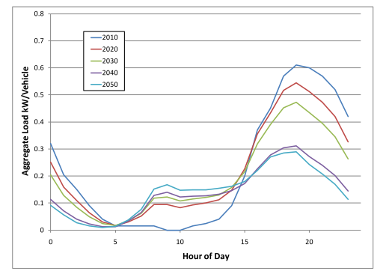
Present
Power | 0.3 | 0.2 | 0.12 | 0.03 | 0.02 | 0.02 | 0.02 | 0.02 | 0.02 | 0.02 | 0.01 | 0.02 | 0.03 | 0.05 | 0.08 | 0.19 | 0.3 | 0.4 | 0.55 | 0.61 | 0.6 | 0.58 | 0.53 | 0.45 | 5.17
% | 5.8027079304 | 3.8684719536 | 2.3210831721 | 0.58027079304 | 0.38684719536 | 0.38684719536 | 0.38684719536 | 0.38684719536 | 0.38684719536 | 0.38684719536 | 0.19342359768 | 0.38684719536 | 0.58027079304 | 0.96711798839 | 1.5473887814 | 3.6750483559 | 5.8027079304 | 7.7369439072 | 10.638297872 | 11.798839458 | 11.605415861 | 11.218568665 | 10.251450677 | 8.7040618956

Future
Power | 0.09 | 0.08 | 0.06 | 0.04 | 0.02 | 0.01 | 0.05 | 0.15 | 0.18 | 0.18 | 0.15 | 0.15 | 0.15 | 0.15 | 0.17 | 0.19 | 0.22 | 0.26 | 0.28 | 0.29 | 0.25 | 0.2 | 0.18 | 0.12 | 3.62
% | 2.4861878453 | 2.2099447514 | 1.6574585635 | 1.1049723757 | 0.55248618785 | 0.27624309392 | 1.3812154696 | 4.1436464088 | 4.9723756906 | 4.9723756906 | 4.1436464088 | 4.1436464088 | 4.1436464088 | 4.1436464088 | 4.6961325967 | 5.2486187845 | 6.0773480663 | 7.182320442 | 7.7348066298 | 8.0110497238 | 6.9060773481 | 5.5248618785 | 4.9723756906 | 3.3149171271

Present charging profile

Future charging profile

NIC
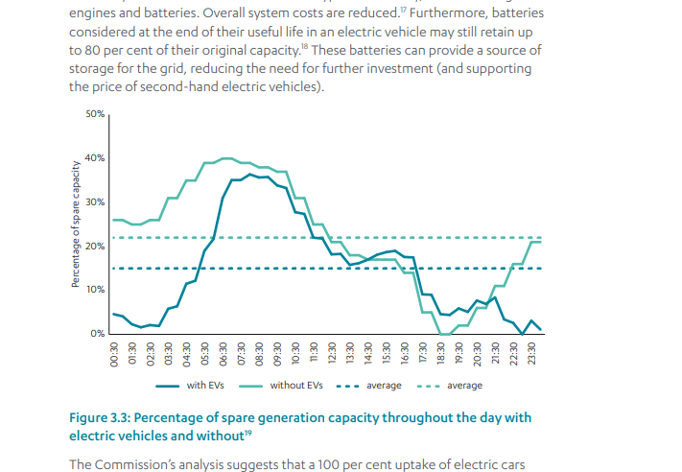

https://www.nic.org.uk/wp-content/uploads/CCS001_CCS0618917350-001_NIC-NIA_Accessible.pdf

