cheat_sheet
Type | You can assess | Graph | Goals and Data
Continuous | > Any numeric value. Scale can be devided into increments and pieces (fractions and decimals) > Interval scales: distance between two points is meaningful (e.g. temperature); zero doesn't mean zero > Ratio scales: intervals are meaningful (e.g. weight); show differences in intervals and ratios; based on true zero > central tendency: mean, median, and mode > variability > skew: measure how asymmetrical data is (positive - right/ negative - left/ normal distribution) > outliers: unusual values that can be problem; not representing the population; can be bias result; data entry errors > multimodal distributions: more than one peak | Scatterplots | > Show pattern/ relationship between two continuous variables > use dots to represent values; the position of each dot indicates values for an individual data point | 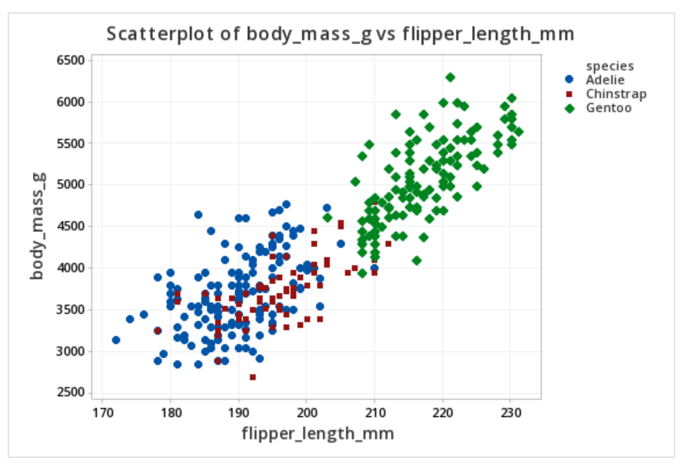
 |  | Time Series | > visualize trends in counts/ numerical values over time > date and time (continuous categorical data) expressed as a range of values > points are plotted along x-axis and connected by a continuous line | 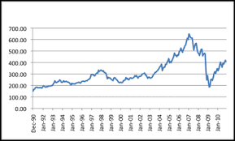
 |  | Histogram | > important data structure; see distribution of continuous data > collect data into bins; contain ranges of values > height of each bin shows number of propotion of value in the bin/ distribution frequency of a variable | 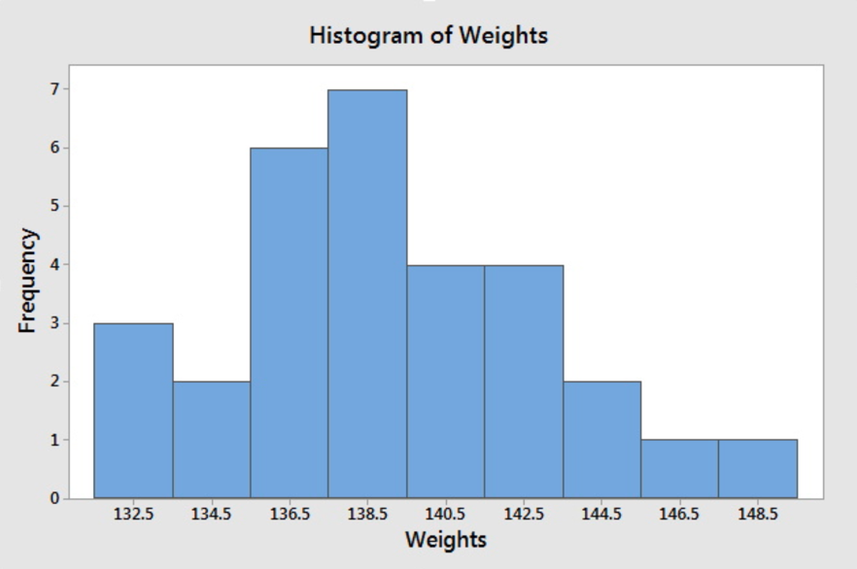
 |  | Boxplots | > also called box and whisker diagrams > summarising a set of numarical data values > shows how the data is distributed; offers general information about a group of data's symmetry, skew, variance, and outliers. > useful way to compare different sets of data as multiple boxplots can be created per graph | 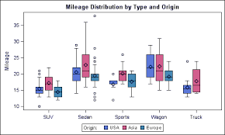
 |  | Individual Value Plots | > useful for small data set <50 > shows a dot for the actual value of each observation in a group; making it easy to spot outliers and see distribution spread > help visualize which data values occur the most often and give an idea of the minimum and maximum values | 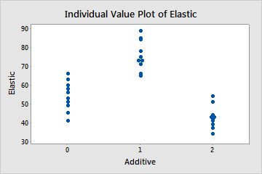
Discrete | > a count of charateristic, result, item, or action > non-negative integers; cannot be divided into smaller increments | Bar Charts | > show the count of a distince value of discrete data > height of the bar = concentration of the value > compare numerical values like integers and percentages; the length of each bar to represent the value of each variable | 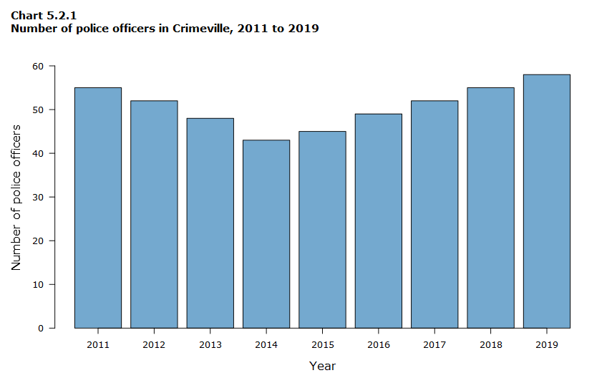
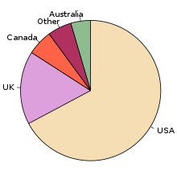
Categorical | > data fits into categories > interested in the ratios and proportions between data > nominal categorical data: no natural order | Pie Charts | > ideal for categorical data > show proportion relative to the whole; helps organize and show data as a percentage of a whole
Binary | > have only two values (yes/no, 0/1, true/false) > computery data type
Ordinal | > comes with natural progression/ order > there're always at lease 3 categories > e.g. status, agreement, rank, class, shirt sizes > Likert scale: ranking agreement with value 1-5 (not most precise as people can disagree on what is a 4)

