Linked List
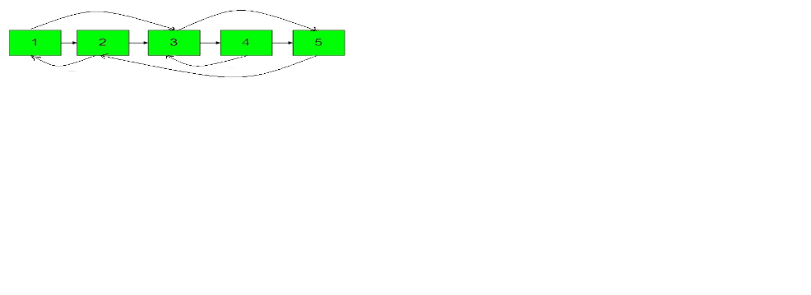
Problem | Description | Trick
CloneLinkedListWithRandomPointer |  | 1st Method
 |  | Use hashing to store new cloned node for key as current node. Iterate current list and form cloned list by getting values from hashmap.

 |  | 2nd Method
 |  | Insert clone node as next of each node Assign next and arbitary as next and arbitary of previous node Detach cloned nodes

DetectLoop | Given a linked list of N nodes. The task is to check if the linked list has a loop. Linked list can contain self loop. | Slow and fast pointer , if they meet it’s a loop

NthNodeFromEnd | Given a linked list consisting of L nodes and given a number N. The task is to find the Nth node from the end of the linked list. | take two pointers, iterate first pointer n times then iterate next pointer till first becomes null

LRU cache

Remove Loop | You are given a linked list of N nodes. The task is to remove the loop from the linked list, if present.

