commn
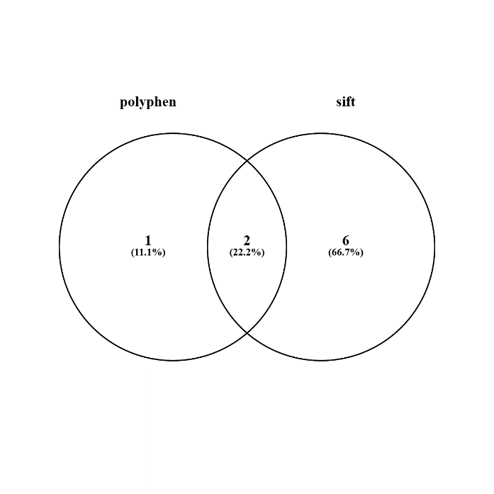
2 common elements in "polyphen" and "sift":
rs7412
rs769455

