Sheet1
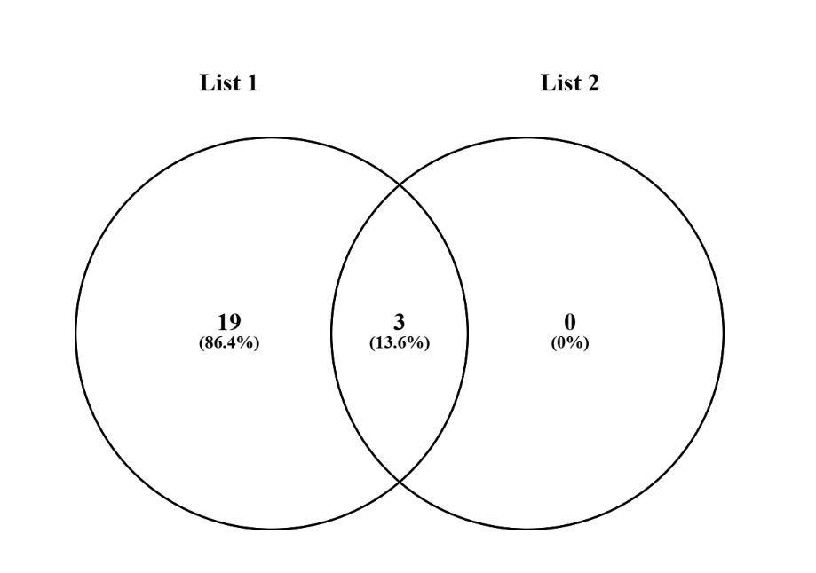
 | BDNF GENE

3 common elements in "polyphen" and "sift":
RSID | VARIANT | MAF
rs8192466 | G>A,C,T | 0.5
rs6265 | C>A,G,T | 0.5
rs1048218 | C>A | 0.00469

