Defect Distrubiton Graph
Defect Distrubtion Graph
Module Name | Failed test cases
Register Page | 6
Main page | 5
Add to Cart | 0
Logout | 0
Product Display | 3
Login | 3
Search Functionality | 5
Downloads | 0
Rewards Portion | 0
Returns | 0
Transactions | 0
Recurring payments | 0
Affiliate | 0
NewsLetter | 0
Contact us | 2
Product Compare | 1
Forgot Password | 11
Wishlist | 0
Shopping Cart | 0
Checkout | 0
My Account | 1
My Account information | 2
Change password | 2
Address Book | 2
Order Inquiry | 0
Order Information | 0
Product Returns | 4
Gift Certicates | 2
Special Offers | 0
Currencies | 0
Headers and Footers | 5

Bug Report
https://tutorialsninja.com/demo/
Version No: |  |  | DATE : 09/06/2023
Verified by: |  |  | TESTED BY : Nithin Rajkumar
BUG_ID | EXPECTED RESULT | STEPS TO REPRODUCE | SCREENSHOTS | SEVERITY | PRIORITY | STATUS
DEF_QF_001 | Correct Phone number should be displayed in correct format | 1. Open the Application URL 2.Click on Contact us | 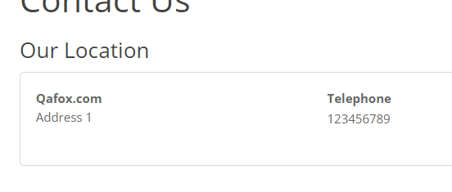 | Minor | p3
DEF_QF_002 | The Exact descrtiption of about us must be displayed | 1. Open the Application URL 2.Click on About us |  | Minor | p3
DEF_QF_003 | The Exact descrtiption of delivery information must be displayed | 1. Open the Application URL 2.Click on delivery information |  | Minor | p3
DEF_QF_004 | The Exact descrtiption of privacy information must be displayed | 1. Open the Application URL 2.Click on Privacy Policy |  | Minor | p3
DEF_QF_005 | The Exact descrtiption of Terms and conditions must be displayed | 1. Open the Application URL 2.Click on terms and conditions | 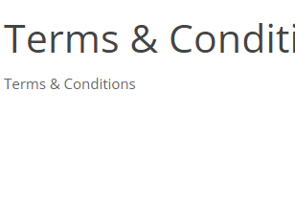 | Minor | p3
DEF_QF_006 | Should be able to only add Alphabets in name section in Gift certificate | 1. Open the Application URL 2.Click on 'Gift Certificates' footer option (Validate ER-1) 3.Enter details 4.Click on Submit |  | Major | p2
DEF_QF_007 | Should be able to only add Valid email address in email address section in Gift certificate | 1. Open the Application URL 2.Click on 'Gift Certificates' footer option (Validate ER-1) 3.Enter details 4.Click on Submit |  | Major | p2
DEF_QF_008 | A success message should be displayed after submitting the contact form | 1. Open the Application URL 2. User is not logged in 3. Click on 'Phone' icon option from the header options 4. Enter all the fields in the 'Contact Form' with valid details 5. Click on 'Submit' button (Validate ER-1) 6. Click on 'Continue' button (Validate ER-2) |  | Minor | p3
DEF_QF_009 | Should be able to only add Alphabets in name section in Contact us | 1. Open the Application URL 2. User is not logged in 3. Click on 'Phone' icon option from the header options 4. Enter all the fields in the 'Contact Form' with valid details 5. Click on 'Submit' button (Validate ER-1) 6. Click on 'Continue' button (Validate ER-2) |  | Major | Pass
DEF_QF_010 | Should be able to only add Valid email address in email address section in Contact us | 1. Open the Application URL 2. User is not logged in 3. Click on 'Phone' icon option from the header options 4. Enter all the fields in the 'Contact Form' with valid details 5. Click on 'Submit' button (Validate ER-1) 6. Click on 'Continue' button (Validate ER-2) |  | Major | Pass
DEF_QF_011 | Negative, Null and Zero values are accepted by the Qty field in Product Display Pages | 1. Open Application URL 2. Enter any Product Name say 'iMac' into the Search box field 3. Click on the button having Search icon 4. Click the Product displayed in the Search results 5. Change the quantity to Negative or Blank or Zero in the Qty field of Product Display Page 6. Click on 'Add to Cart' button | 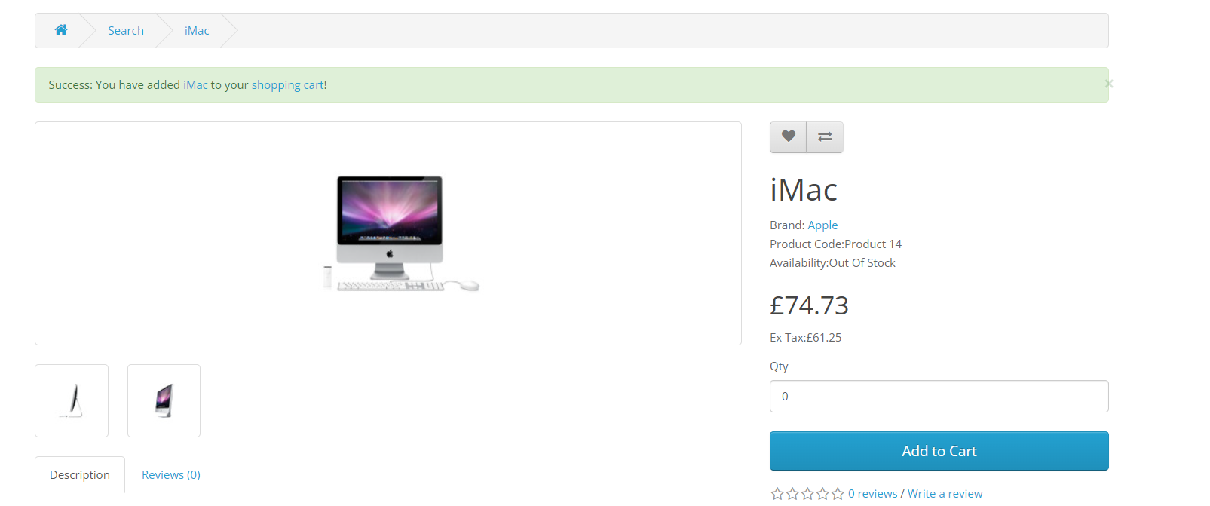 | Minor | P1
DEF_QF_012 | Warning message informing the User to provide positive quantity is not getting displayed on updating the quantity with negative, zero or blank in the 'Shopping Cart' page | 1. Open Application URL 2. Enter any Product say 'iMac' in the Search box field 3. Click on 'Search' icon button 4. Click on 'Add to Cart' button on the product displayed in the Search Results page 5. Click on 'Shopping Cart' header option 6. Enter -5 into the Quantity field 7. Click on 'Update' icon option | 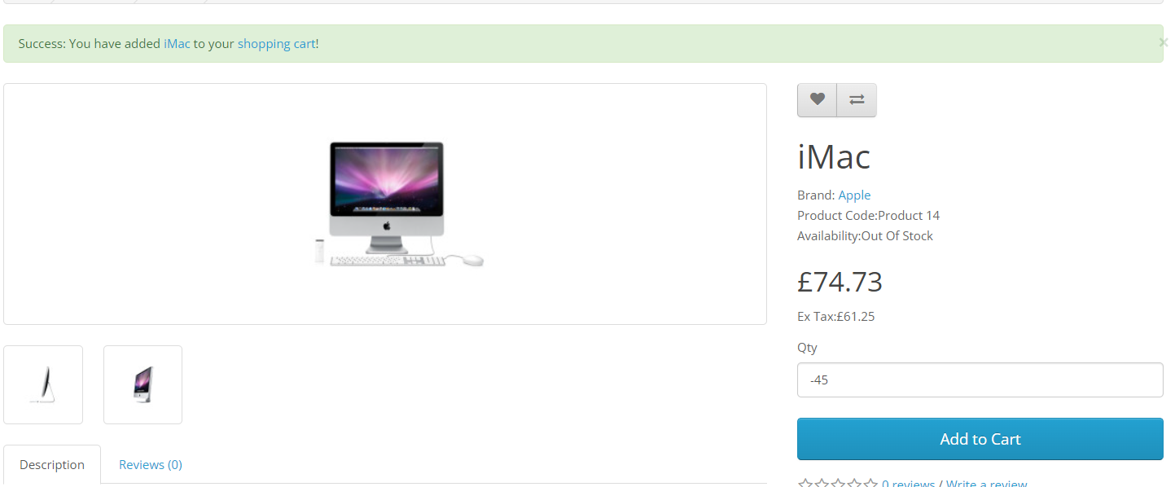 | Minor | P1
DEF_QF_013 | $8 is displayed instead of $5 in the displayed 'Estimate Shipping & Taxes' dialog | 1. Open any Application URL 2. Navigate to Shopping Cart page after adding a Product to Cart 3. Click on 'Estimate Shipping & Taxes' dialog 4. Enter Country say 'United States' into the 'Country' text field 5. Enter Region/State say 'California' into the 'Region/State' text field 6. Click on 'Get Quotes' button | 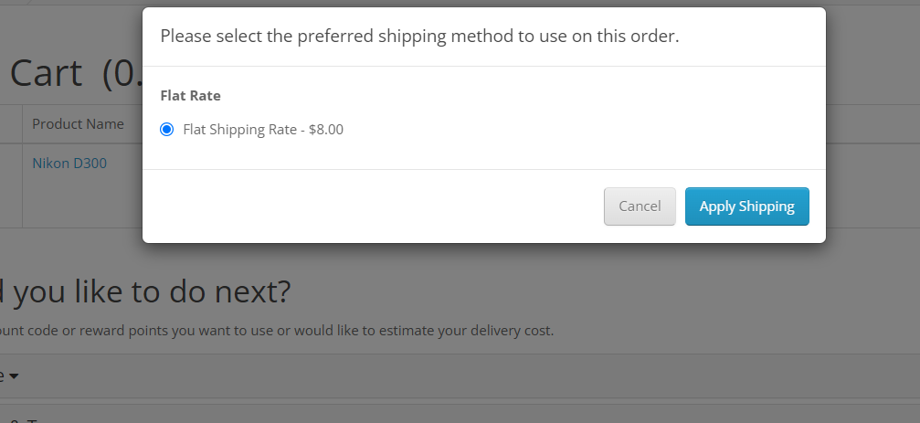 | Major | p0(high)
DEF_QF_014 | User can provide future date for the 'Order Date' field while returning the order | 1. Login to the Account having few orders placed 2. Click on 'Order History' Right column option 3. Click on 'View' icon option of any order displayed in the table of 'Order History' page 4. Enter any future date into the 'Order Date' field in the displayed 'Product Returns' page 5. Provide/Select all the mandatory fields and click on 'Submit' button | 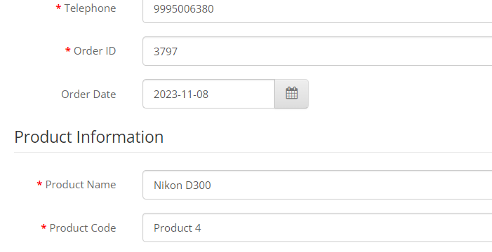 | Critical | P1
DEF_QF_015 | Normal User who has not registered for the Affiliate account is able to login from 'Affiliate Login' section | 1. Open Application URL 2. Click on 'Affiliate' footer link 3. Login from the 'Affiliate Program' page by providing credentials of the normal User who has not registered for an Affiliate account from the 'Affiliate Login' section 4. Click on 'Login' button | 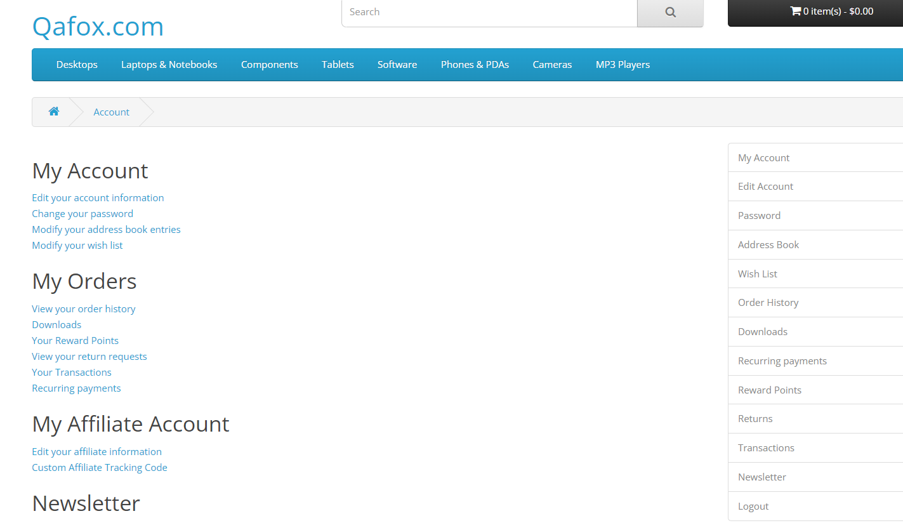 | Critical | p1
DEF_QF_016 | Options are not displayed in the 'Select' dropdown list of 'Canon EOS 5D' product display page | 1. Open Application URL 2. Enter 'Canon' text into Search text field 3. Click on 'Search' icon button 4. Click on the Product displayed in the Search results 5. Select any option from the 'Select' dropdown field displayed in the Product Display Page | 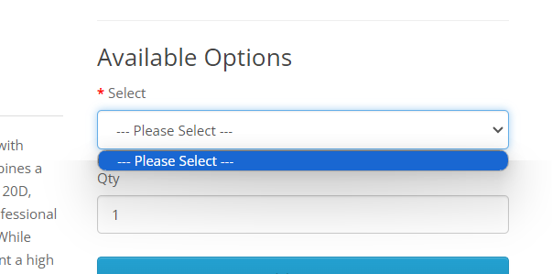 | Critical | p2
DEF_QF_017 | Logo of the Application is missing, instead 'Your Text' is getting displayed | 1. Open Application URL |  | Minor | p0(high)
DEF_QF_018 | Clicking on the first Hero image is taking us to a wrong Product Display Page | 1. Open Application URL 2. Click on the first Hero Image displayed in the Home page | 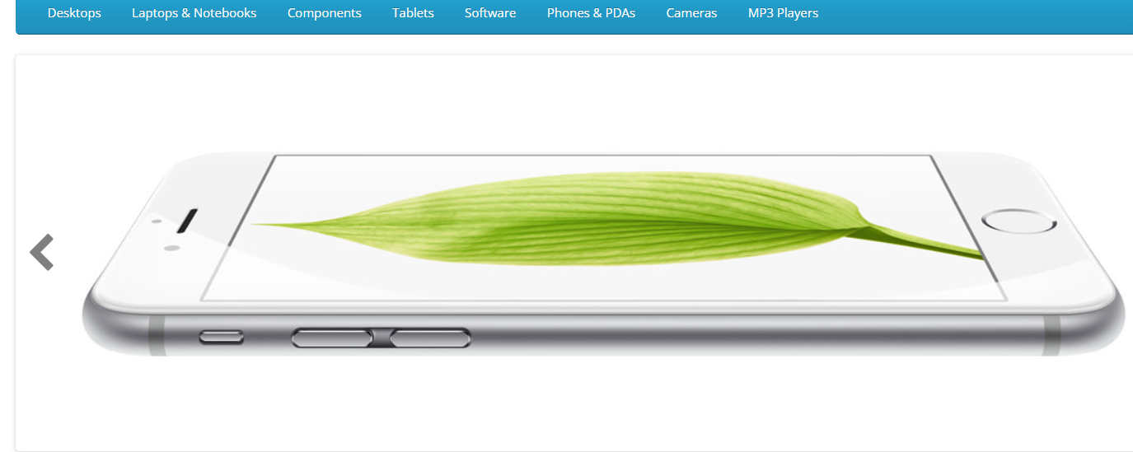 | Major | p1
DEF_QF_019 | A blank 'Contact Us' page is displayed on submitting the form in 'Contact Us' page | 1. Open Application URL 2. Click on 'Contact Us' footer option 3. Enter the details into 'Your Name', 'E-Mail Address' and 'Enquiry' fields in the 'Contact Us' page 4. Click on 'Submit' button | 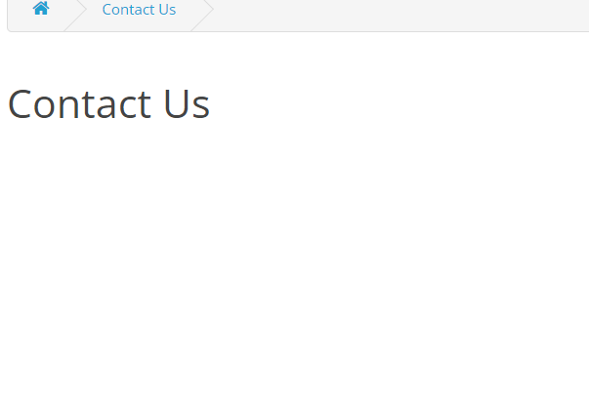 | Minor | p1

